Supplementary Figure 1
Supplementary Figure 1. Correlation heatmap of pelvic visceral and menstrual symptoms

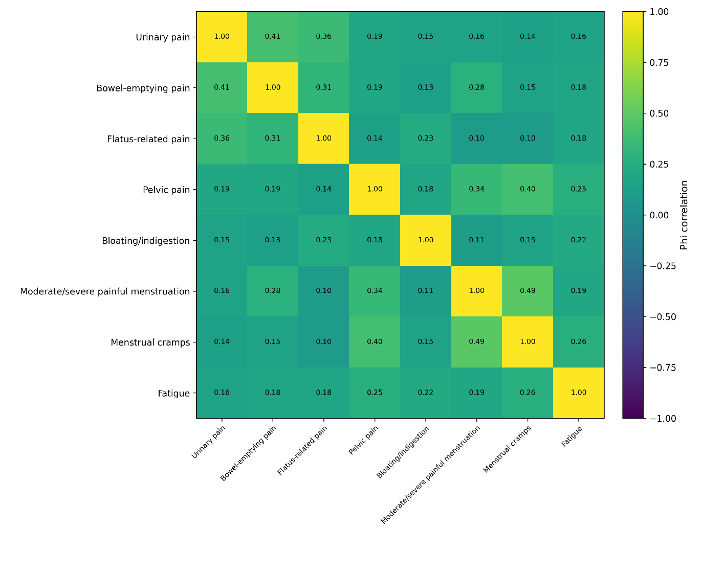

 | Heatmap showing pairwise phi correlation coefficients between selected binary pelvic visceral and menstrual symptoms. Values range from −1 to +1, with positive values indicating symptom co-occurrence. Darker or more intense colors indicate stronger correlations. Symptoms included urinary pain, bowel-emptying pain, flatus-related pain, pelvic pain, bloating/indigestion, moderate/severe painful menstruation, menstrual cramps, and fatigue.

