Heat treatment
Parameter table of semantic reasoning Heat Treatment process useful work calculation model
Intermediate Flow Class | Information sources | SWRL/Calculation Model | parameters | Unit | Commentary
Equipment | MBD Information: Processing Dimension | Heat_treatment(?p)^hasType(?p,?type)^Type(?type)^HasEquipment(?p,?eq)^Heat_treatment_equipment(?eq)^hasName(?eq,?name)^Name(?name)^hasModel(?eq,?model)^Model(?model)^hasLmax(?eq,?lmax)^Maximum_workspace_length(?lmax)^swrlb:greaterThanOrEqual(?lmax,L^xsd:double)^hasWmax(?eq,?wmax)^Maximum_workspace_width(?wmax)^swrlb:greaterThanOrEqual(?hmax,W^^xsd:double)^hasHmax(?eq,?hmax)^Maximum_workspace_height(?hmax)^swrlb:greaterThanOrEqual(?hmax,H^^xsd:double)->sqwrl:select(?name,?model) | name, model | - | Equipment name and model
Process Specifications | MBD Information: Processing Dimension | Heat_treatment(?p)^hasWorkpiece (?p, ?w) ^Heat_treated_workpiece(?w) ^hasMaterial(?w, ?m) ^Part_material(?m)^hasStep (?p, ?s1) ^Heating (?s1)^hasStartTemp(?s1,?t0)^StartTemp(?t0)^hasHeatingTemp(?s1, ?t1) ^HeatingTemp(?t1)^swrlb: greaterThan(?t1,T1^^xsd:double) ^swrlb:lessThan(?t1, T2^^xsd:double)^hasTime(?s1, ?time1) ^Heating_time（?time1）^hasStep(?p, ?s2) ^Heat_preservation_steps(?s2) ^hasTime(?s2, ?time2) ^Holding_time( ?time2)^hasStep (?p, ?s3) ^Cooling_method (?s3)->sqwrl:select(?p) | HeatingTemp,Heating_time | ℃， h | Heating temperature and time
$$E_{useful}=\int_{t0}^{t1}{mc\left(t\right)dt/3600}$$
Energy | Mathml Document |  | Euseful | kWh | Useful power consumption
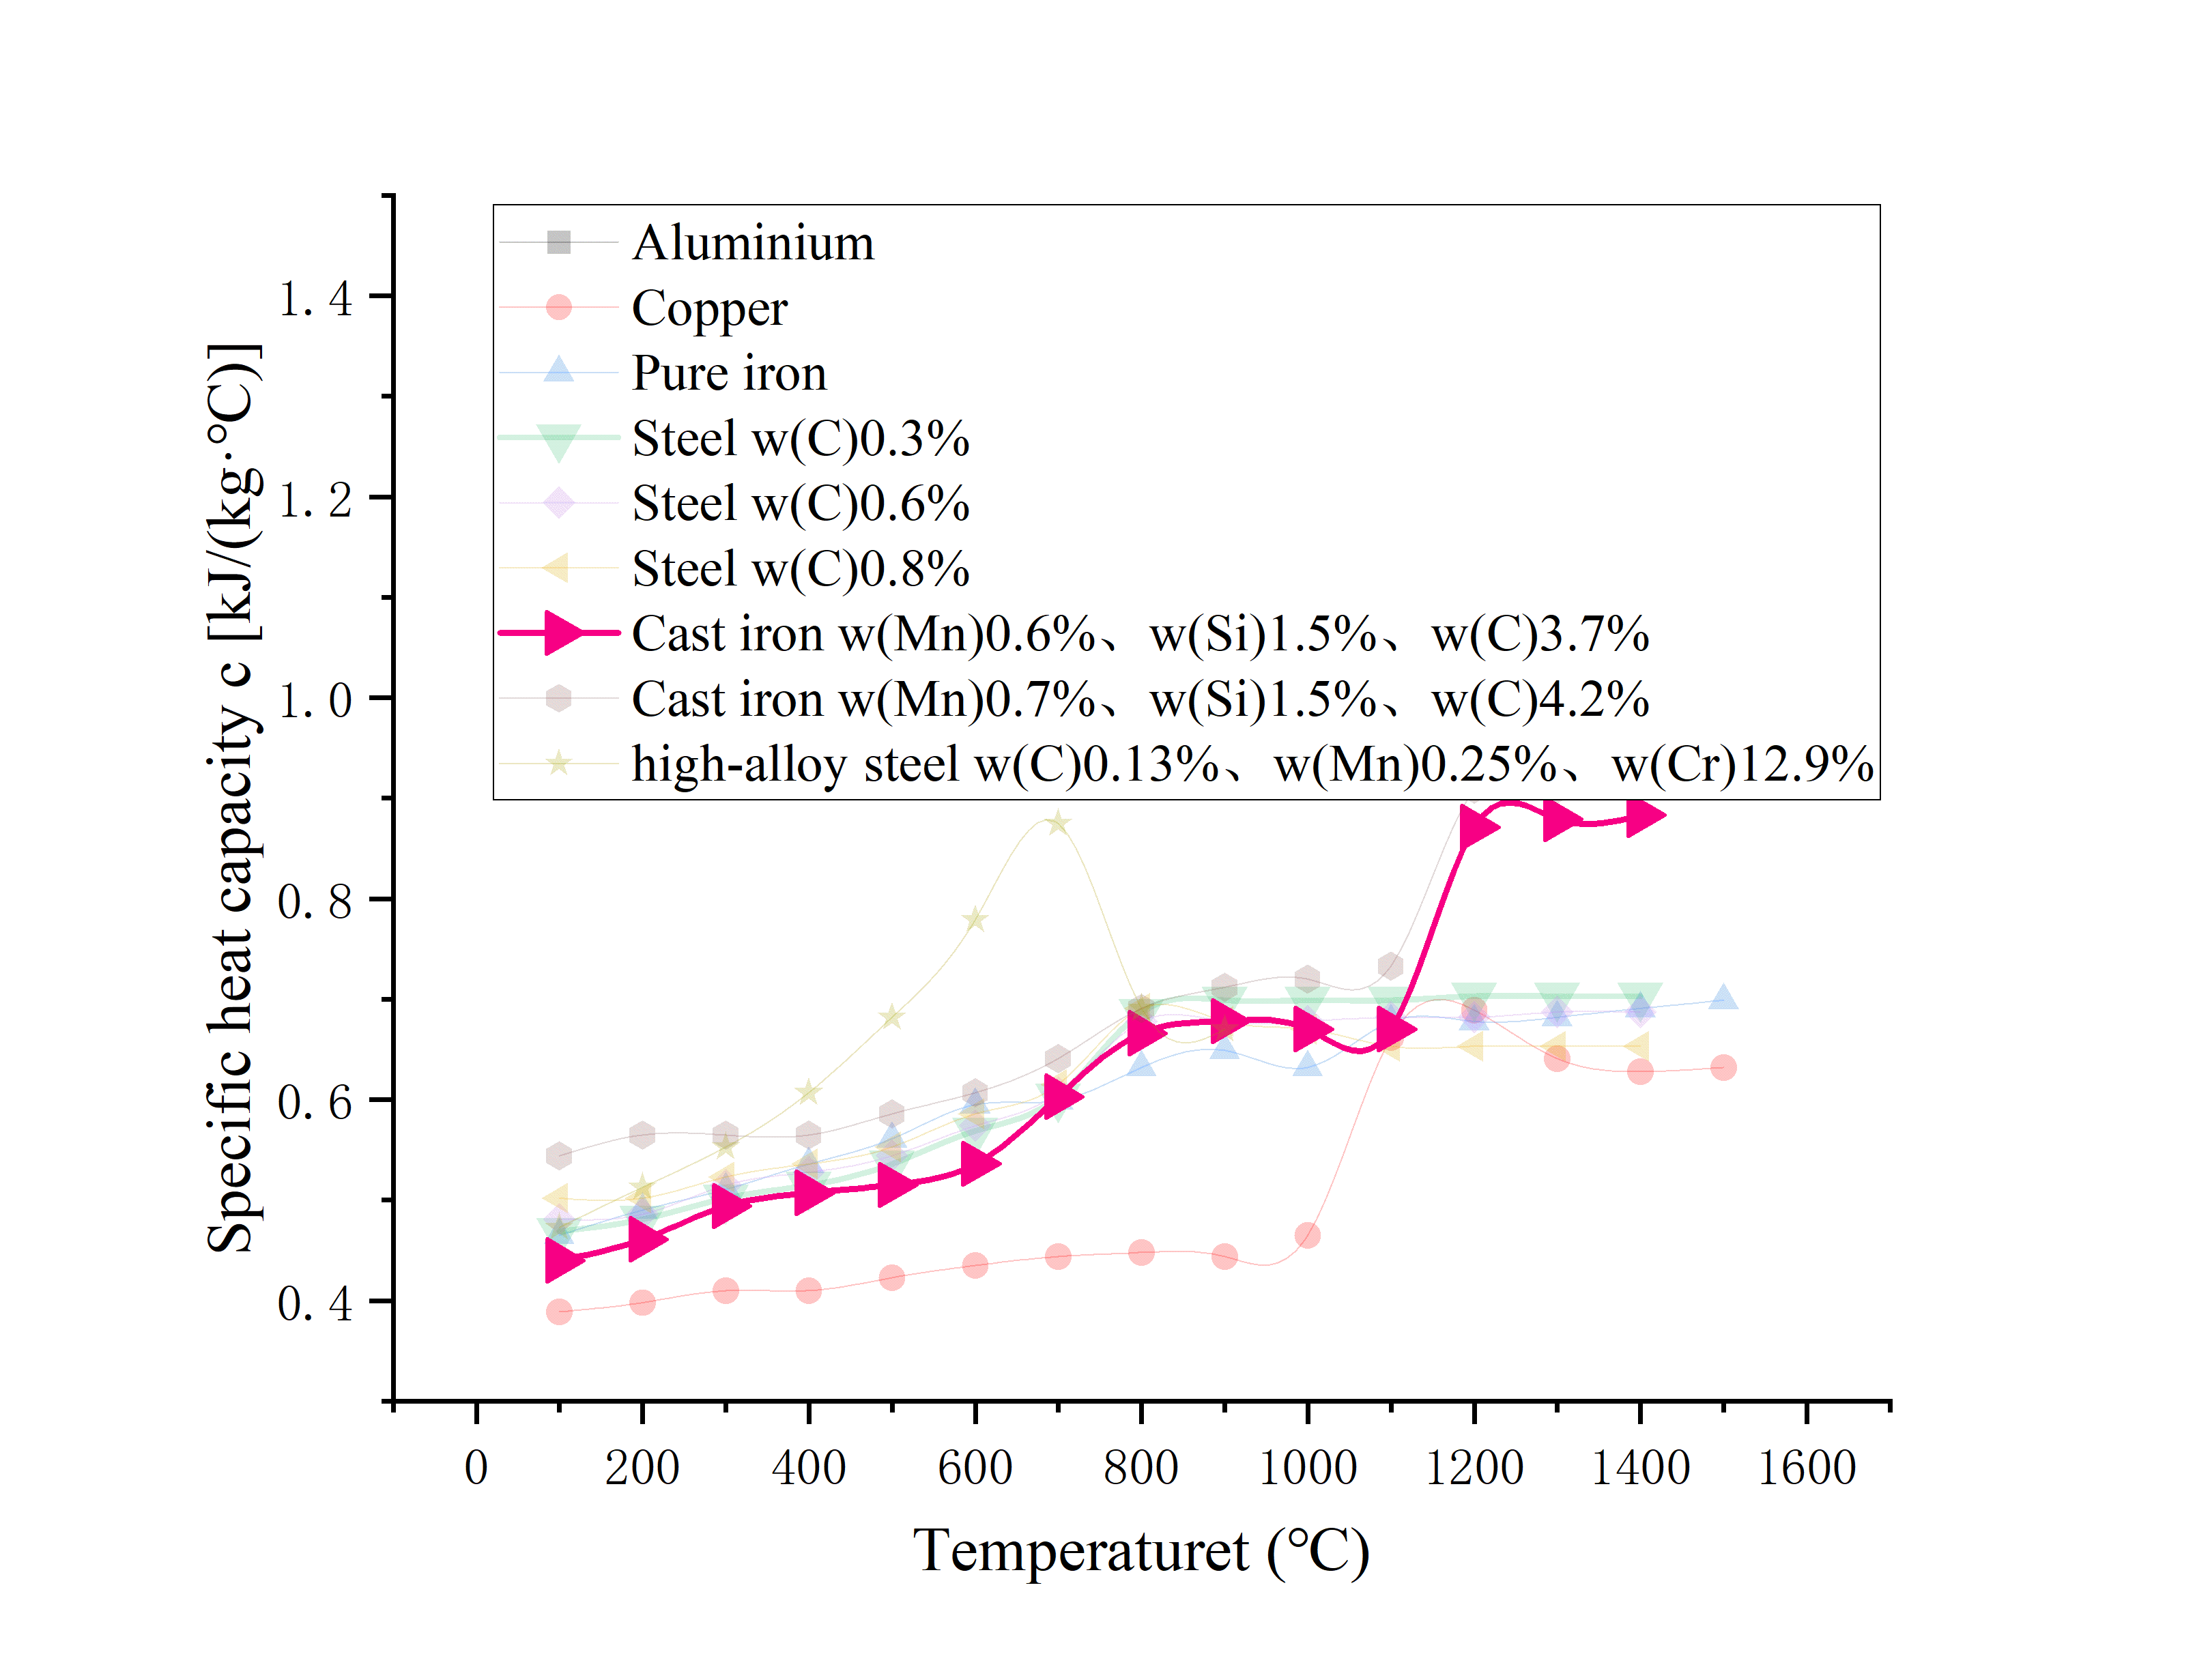
Specific heat capacity of commonly used materials
at different temperatures
 | Process Knowledge Base |  | t0 | ℃ | starting temperature
 |  |  | t1 | ℃ | Heating temperature
 |  |  | c(t) |  | Specific heat capacity fitting function

