SM3_Energy
Average U-values and primary energy performance by building type and construction period.

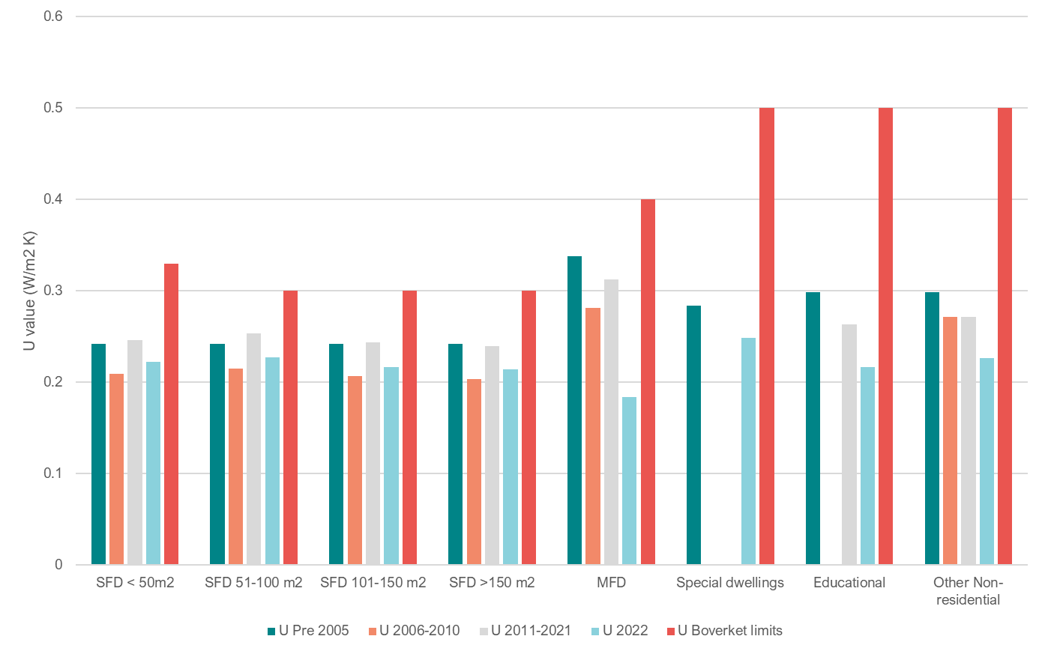
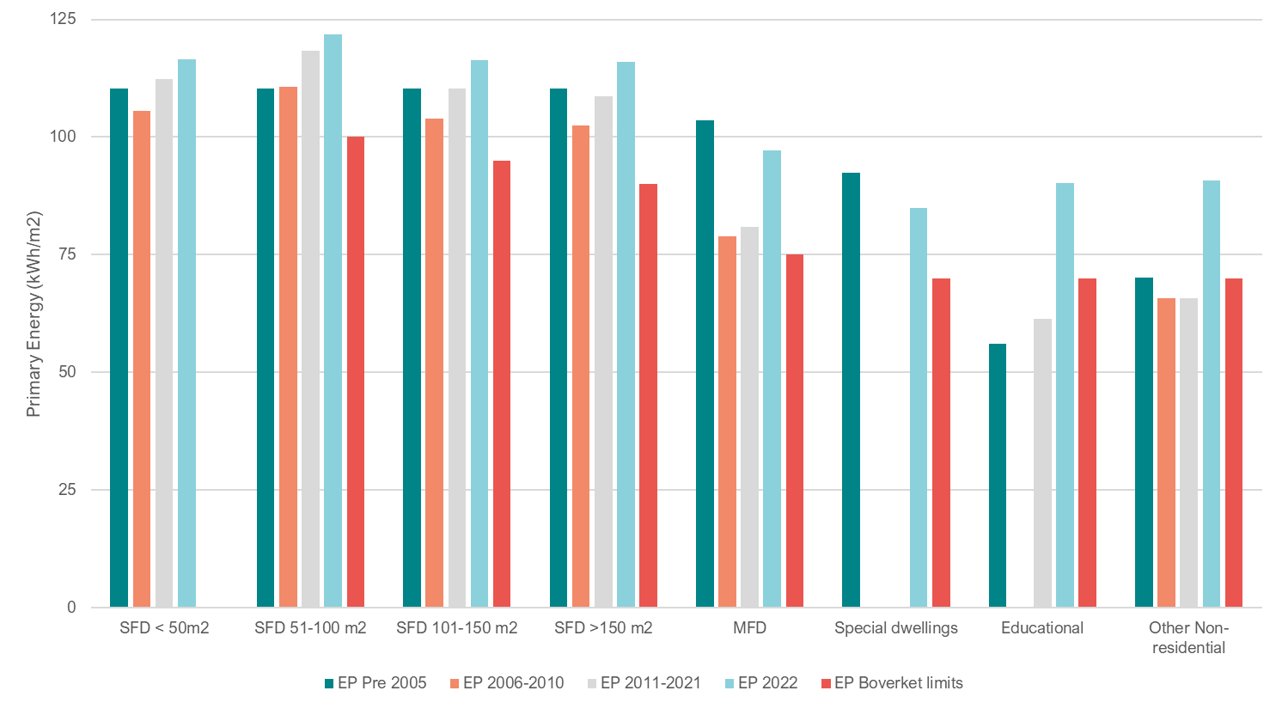

Figure S1. Average U-values per building type and construction period.
Figure S2 Average Primary Energy per building type and construction period.

