Table 4 - Miniplot design
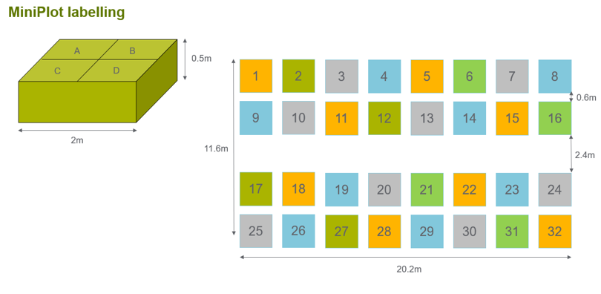
SubPlot | Soil | Trt
5A | Stein | C
5B | Stein | T | 5A | 5B | 6A | 6B | 7A | 7B | 8A | 8B
5C | Stein | A | 5C | 5D | 6C | 6D | 7C | 7D | 8C | 8D
5D | Stein | TA
6A | Lauchringen | TA | 13A | 13B | 14A | 14B | 15A | 15B | 16A | 16B
6B | Lauchringen | A | 13C | 13D | 14C | 14D | 15C | 15D | 16C | 16D
6C | Lauchringen | C
6D | Lauchringen | T
7A | Krone | C | 21A | 21B | 22A | 22B | 23A | 23B | 24A | 24B
7B | Krone | A | 21C | 21D | 22C | 22D | 23C | 23D | 24C | 24D
7C | Krone | TA
7D | Krone | T | 29A | 29B | 30A | 30B | 31A | 31B | 32A | 32B
8A | Les Barges | TA | 29C | 29D | 30C | 30D | 31C | 31D | 32C | 32D
8B | Les Barges | T
8C | Les Barges | C
8D | Les Barges | A | C | T | TA | A | C | A | TA | T
13A | Krone | A | A | TA | C | T | TA | T | C | A
13B | Krone | T |  |  |  |  |  |  |  |  | Stein
13C | Krone | C | A | T | A | C | C | T | A | C | Les Barges
13D | Krone | TA | C | TA | T | TA | TA | A | TA | T | Krone
14A | Les Barges | A |  |  |  |  |  |  |  |  | Lauchringen
14B | Les Barges | C |  |  |  |  |  |  |  |  | Control | C
14C | Les Barges | T | C | T | A | C | C | T | A | C | AMF | A
14D | Les Barges | TA | TA | A | TA | T | TA | A | TA | T | TYM + AMF | TA
15A | Stein | C |  |  |  |  |  |  |  |  | TYM | T
15B | Stein | T | A | C | T | C | C | TA | C | A
15C | Stein | TA | TA | T | A | TA | T | A | T | TA
15D | Stein | A
16A | Lauchringen | A
16B | Lauchringen | C
16C | Lauchringen | TA
16D | Lauchringen | T
21A | Lauchringen | C
21B | Lauchringen | T
21C | Lauchringen | TA
21D | Lauchringen | A
22A | Stein | A
22B | Stein | C
22C | Stein | TA
22D | Stein | T
23A | Les Barges | C
23B | Les Barges | T
23C | Les Barges | TA
23D | Les Barges | A
24A | Krone | A
24B | Krone | C
24C | Krone | TA
24D | Krone | T
29A | Les Barges | A
29B | Les Barges | C
29C | Les Barges | TA
29D | Les Barges | T
30A | Krone | T
30B | Krone | C
30C | Krone | A
30D | Krone | TA
31A | Lauchringen | C
31B | Lauchringen | TA
31C | Lauchringen | T
31D | Lauchringen | A
32A | Stein | C
32B | Stein | A
32C | Stein | T
32D | Stein | TA

Table 7 - Fungicidal activity
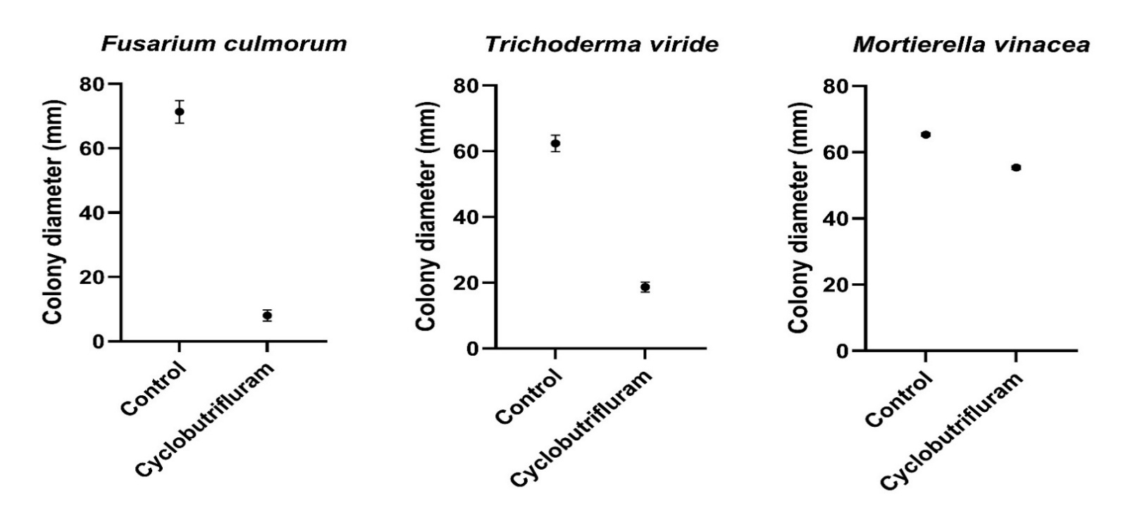
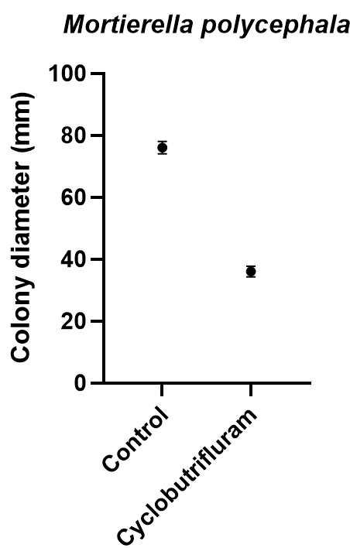
 |  |  | Colony diameter of Fusarium culmorum (mm)
 |  | Replicate | 1 | 2 | 3 | Average | Inhibition % |  |  | Aim and methodology of mycelium growth bioassay
 |  | Control | 75 | 71 | 68 | 71.3 | - |  |  | The aim of this study was to assess the fungal growth inhibition of cyclobutrifluram by conducting mycelium growth bioassays in petri dishes containing agar. The tested fungi were Fusarium culmorum (strain K-564 in fungal collection of Syngenta, Switzerland), Trichoderma viride (strain K-5737 in fungal collection of Syngenta, Switzerland; deposited in DSMZ as DSM 63065) and Umbelopsis vinacea (strain K-9572 in fungal collection of Syngenta, Switzerland; deposited in DSMZ as DSM 3154). Cyclobutrifluram was tested at 0.67 mg per L as the maximum predicted concentration dissipated in the environment from a treated seed. Potato dextrose agar (PDA; BD Difco™, Thermo Fisher Scientific Inc, U.S.A.) was prepared in Duran flasks and autoclaved at 121°C for 20 min. The agar medium in the flasks was allowed to cool down to 50°C before adding the desired amount of cyclobutrifluram. Subsequently, 25 ml of the mixture was poured into petri dishes (90-mm diameter, Greiner Bio-One, Kremsmünster, Austria). For each fungus, three replicates of PDA with cyclobutrifluram and a control without cyclobutrifluram were included. Under sterile conditions, mycelial plugs of 5 mm in diameter were cut from the margins of 7- to 14-day-old fungal colonies using a cork borer and were placed in the center of each dish with the mycelial side on the agar. All fungi were incubated in dark under different temperatures (i.e. Fusarium and Mortierella at 22°C; Trichoderma at 27°C) until the growing fungal colony of the control had reached 60% to 90% of the total agar surface.
 |  | Cyclobutrifluram | 9 | 9 | 6 | 8.0 | 89 |  |  | The fungal colony diameter per petri dish was measured with a ruler and then the average percentage of mycelium growth inhibition was calculated as compared to the control.

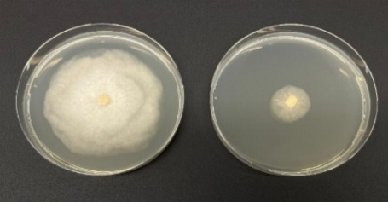
 |  |  |  |  |  |  |  |  |  | Results of mycelium growth bioassay
 |  |  | Colony diameter of Trichoderma viride (mm) |  |  |  |  |  |  | Cyclobutrifluram at 0.67 mg per L inhibited the mycelium growth of Fusarium culmorum, Trichoderma viride and Umbelopsis vinacea on average by 89%, 70% and 15%, respectively. Although the inhibition of growth was statistically significant (p<0.001) across all fungi, the strength of inhibition was clearly higher for Fusarium culmorum compared to Trichoderma viride and Mortierella vinacea, in which inhibition was moderate and very low respectively.
 |  | Replicate | 1 | 2 | 3 | Average | Inhibition %
 |  | Control | 60 | 62 | 65 | 62.3 | -
 |  | Cyclobutrifluram | 17 | 19 | 20 | 18.7 | 70 |  |  |  | Supplementary table X. Mycelium growth (colony diameter minus 5 mm initial diameter of fungal plug) of Fusarium culmorum, Trichoderma viride and Mortierella vinacea on potato dextrose agar as affected by the incorporation of cyclobutrifluram at 0.67 mg per L.

 |  |  | Colony diameter of Umbelopsis vinacea (mm)
 |  | Replicate | 1 | 2 | 3 | Average | Inhibition %
 |  | Control | 65 | 65 | 66 | 65.3 | -
 |  | Cyclobutrifluram | 55 | 56 | 55 | 55.3 | 15

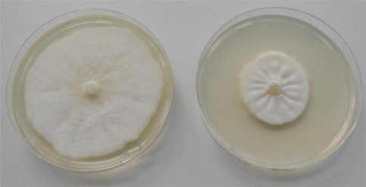
 |  |  |  |  |  |  |  |  |  | Aim and methodology of mycelium growth bioassay
 |  |  |  |  |  |  |  |  |  | The aim of this study was to assess the fungal growth inhibition of cyclobutrifluram by conducting mycelium growth bioassays in petri dishes containing agar. The tested fungus was Mortierella polycephala (K-9645 in fungal collection of Syngenta, Switzerland; CBS 456.66,VKM F-953). Cyclobutrifluram was tested at 0.67 mg per L as the maximum predicted concentration dissipated in the environment from a treated seed. Potato dextrose agar (PDA; BD Difco™, Thermo Fisher Scientific Inc, U.S.A.) was prepared in Duran flasks and autoclaved at 121°C for 20 min. The agar medium in the flasks was allowed to cool down to 50°C before adding the desired amount of cyclobutrifluram. Subsequently, 25 ml of the mixture was poured into petri dishes (90-mm diameter, Greiner Bio-One, Kremsmünster, Austria). Three replicates of PDA with cyclobutrifluram and a control without cyclobutrifluram were included. Under sterile conditions, mycelial plugs of 5 mm in diameter were cut from the margins of 7- to 14-day-old fungal colonies using a cork borer and were placed in the center of each dish with the mycelial side on the agar. The fungus was incubated for 11 days in dark at 24°C.
 |  |  | Colony diameter of Mortierella polycephala (mm) |  |  |  |  |  |  | The fungal colony diameter per petri dish was measured with a ruler and then the average percentage of mycelium growth inhibition was calculated as compared to the control.
 |  | Replicate | 1 | 2 | 3 | Average | Inhibition %
 |  | Control | 78 | 74 | 76 | 76.0 | - |  |  | Results of mycelium growth bioassay
 |  | Cyclobutrifluram | 34 | 37 | 37 | 36.0 | 53 |  |  | Cyclobutrifluram at 0.67 mg per L inhibited the mycelium growth of Mortierella polycephala on average by 53% (p< 0.0001).

 |  |  |  |  |  |  |  |  | Percent higher activity on Fusarium
 |  |  |  |  |  |  |  | Trichoderma viride | 27
 |  |  |  |  |  |  |  | Umbelopsis vinacea | 480
 |  |  |  |  |  |  |  | Mortierella polycephala | 69

Statistical analysis for mycelium growth bioassay
Data were analyzed and figures were prepared with GraphPad Prism (GraphPad Software Inc., U.S.A.). A parametric unpaired two-tailed t-test was conducted for each pathogen.

Table Analyzed | Fusarium culmorum

Column B | Cyclobutrifluram
vs. | vs,
Column A | Control

Unpaired t test
P value | 9.6599E-06
P value summary | ****
Significantly different (P < 0.05)? | Yes
One- or two-tailed P value? | Two-tailed
t, df | t=28,0, df=4

How big is the difference?
Mean of column A | 71.3
Mean of column B | 8
Difference between means (B - A) ± SEM | -63,3 ± 2,26
95% confidence interval | -69,6 to -57,1
R squared (eta squared) | 0.995

F test to compare variances
F, DFn, Dfd | 4,11, 2, 2
P value | 0.3913043478
P value summary | ns
Significantly different (P < 0.05)? | No

Normality of Residuals
Test name | Statistics | P value | Passed normality test (alpha=0,05)? | P value summary
Anderson-Darling (A2*) | N too small
D'Agostino-Pearson omnibus (K2) | N too small
Shapiro-Wilk (W) | 0.972 | 0.907725259 | Yes | ns
Kolmogorov-Smirnov (distance) | 0.177 | >0,1 | Yes | ns

Table Analyzed | Trichoderma viride

Column B | Cyclobutrifluram
vs. | vs,
Column A | Control

Unpaired t test
P value | 1.36345E-05
P value summary | ****
Significantly different (P < 0.05)? | Yes
One- or two-tailed P value? | Two-tailed
t, df | t=25,7, df=4

How big is the difference?
Mean of column A | 62.3
Mean of column B | 18.7
Difference between means (B - A) ± SEM | -43,7 ± 1,70
95% confidence interval | -48,4 to -38,9
R squared (eta squared) | 0.994

F test to compare variances
F, DFn, Dfd | 2,71, 2, 2
P value | 0.5384615385
P value summary | ns
Significantly different (P < 0.05)? | No

Normality of Residuals
Test name | Statistics | P value | Passed normality test (alpha=0,05)? | P value summary
Anderson-Darling (A2*) | N too small
D'Agostino-Pearson omnibus (K2) | N too small
Shapiro-Wilk (W) | 0.977 | 0.9374333952 | Yes | ns
Kolmogorov-Smirnov (distance) | 0.148 | >0,1 | Yes | ns

Table Analyzed | Umbelopsis

Column B | Cyclobutrifluram
vs. | vs,
Column A | Control

Unpaired t test
P value | 2.91957E-05
P value summary | ****
Significantly different (P < 0.05)? | Yes
One- or two-tailed P value? | Two-tailed
t, df | t=21,2, df=4

How big is the difference?
Mean of column A | 65.3
Mean of column B | 55.3
Difference between means (B - A) ± SEM | -10,0 ± 0,471
95% confidence interval | -11,3 to -8,69
R squared (eta squared) | 0.991

F test to compare variances
F, DFn, Dfd | 1,00, 2, 2
P value | >0,9999999999
P value summary | ns
Significantly different (P < 0.05)? | No

Normality of Residuals
Test name | Statistics | P value | Passed normality test (alpha=0,05)? | P value summary
Anderson-Darling (A2*) | N too small
D'Agostino-Pearson omnibus (K2) | N too small
Shapiro-Wilk (W) | 0.64 | 0.0013507528 | No | **
Kolmogorov-Smirnov (distance) | 0.407 | 0.0023684087 | No | **

Table Analyzed | Mortierella polycephala

Column B | Cyclobutrifluram
vs. | vs,
Column A | Control

Unpaired t test
P value | <0,0001
P value summary | ****
Significantly different (P < 0.05)? | Yes
One- or two-tailed P value? | Two-tailed
t, df | t=26,2, df=4

How big is the difference?
Mean of column A | 76
Mean of column B | 36
Difference between means (B - A) ± SEM | -40,0 ± 1,53
95% confidence interval | -44,2 to -35,8
R squared (eta squared) | 0.994

F test to compare variances
F, DFn, Dfd | 1,33, 2, 2
P value | 0.8571
P value summary | ns
Significantly different (P < 0.05)? | No

Normality of Residuals
Test name | Statistics | P value | Passed normality test (alpha=0,05)? | P value summary
Anderson-Darling (A2*) | N too small
D'Agostino-Pearson omnibus (K2) | N too small
Shapiro-Wilk (W) | 0.876 | 0.2518 | Yes | ns
Kolmogorov-Smirnov (distance) | 0.225 | >0,1000 | Yes | ns

Data analyzed
Sample size, column A | 3
Sample size, column B | 3

