Table S6_pubMLST result
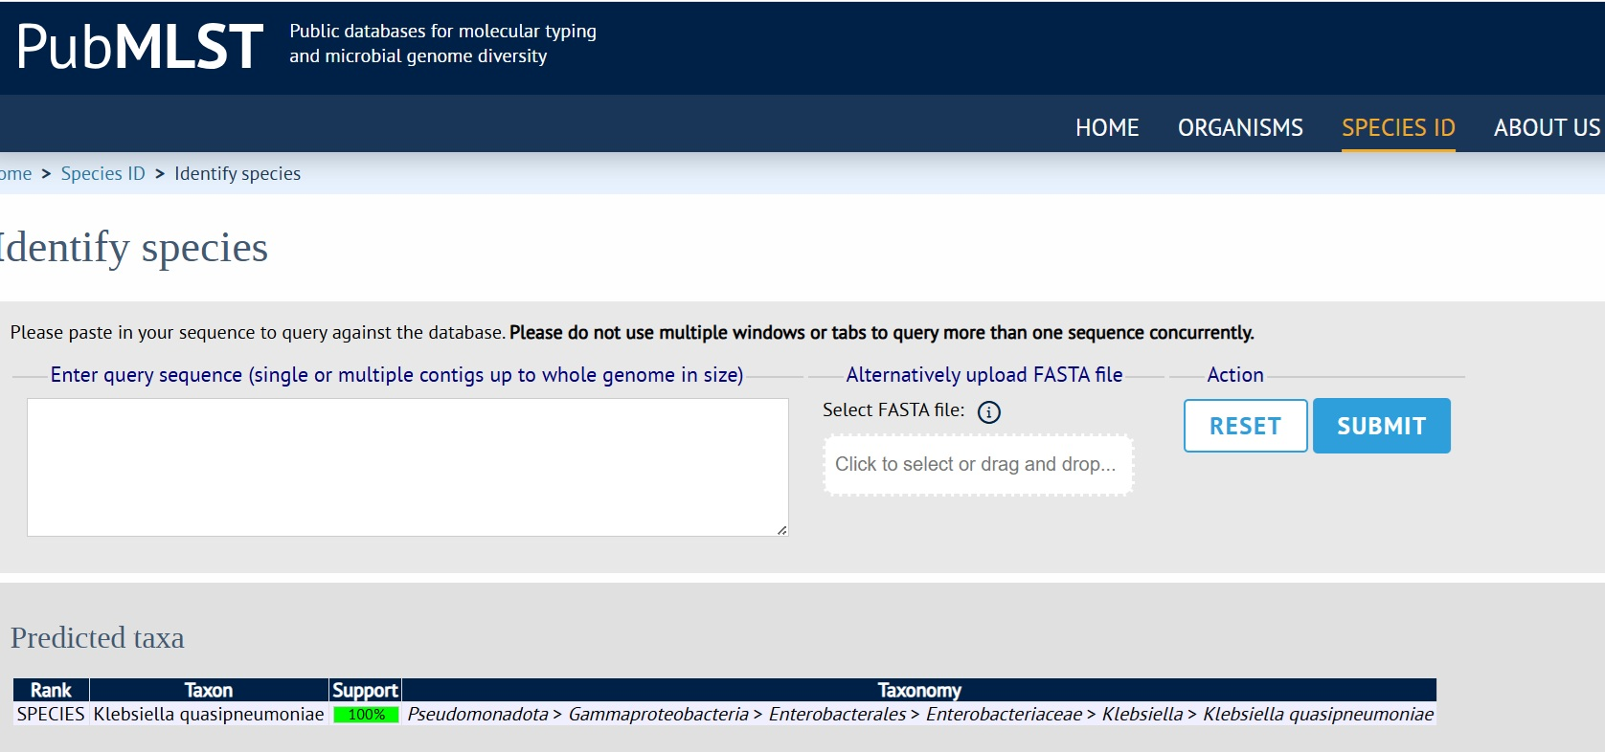

Table S11b_PathogenFinder2
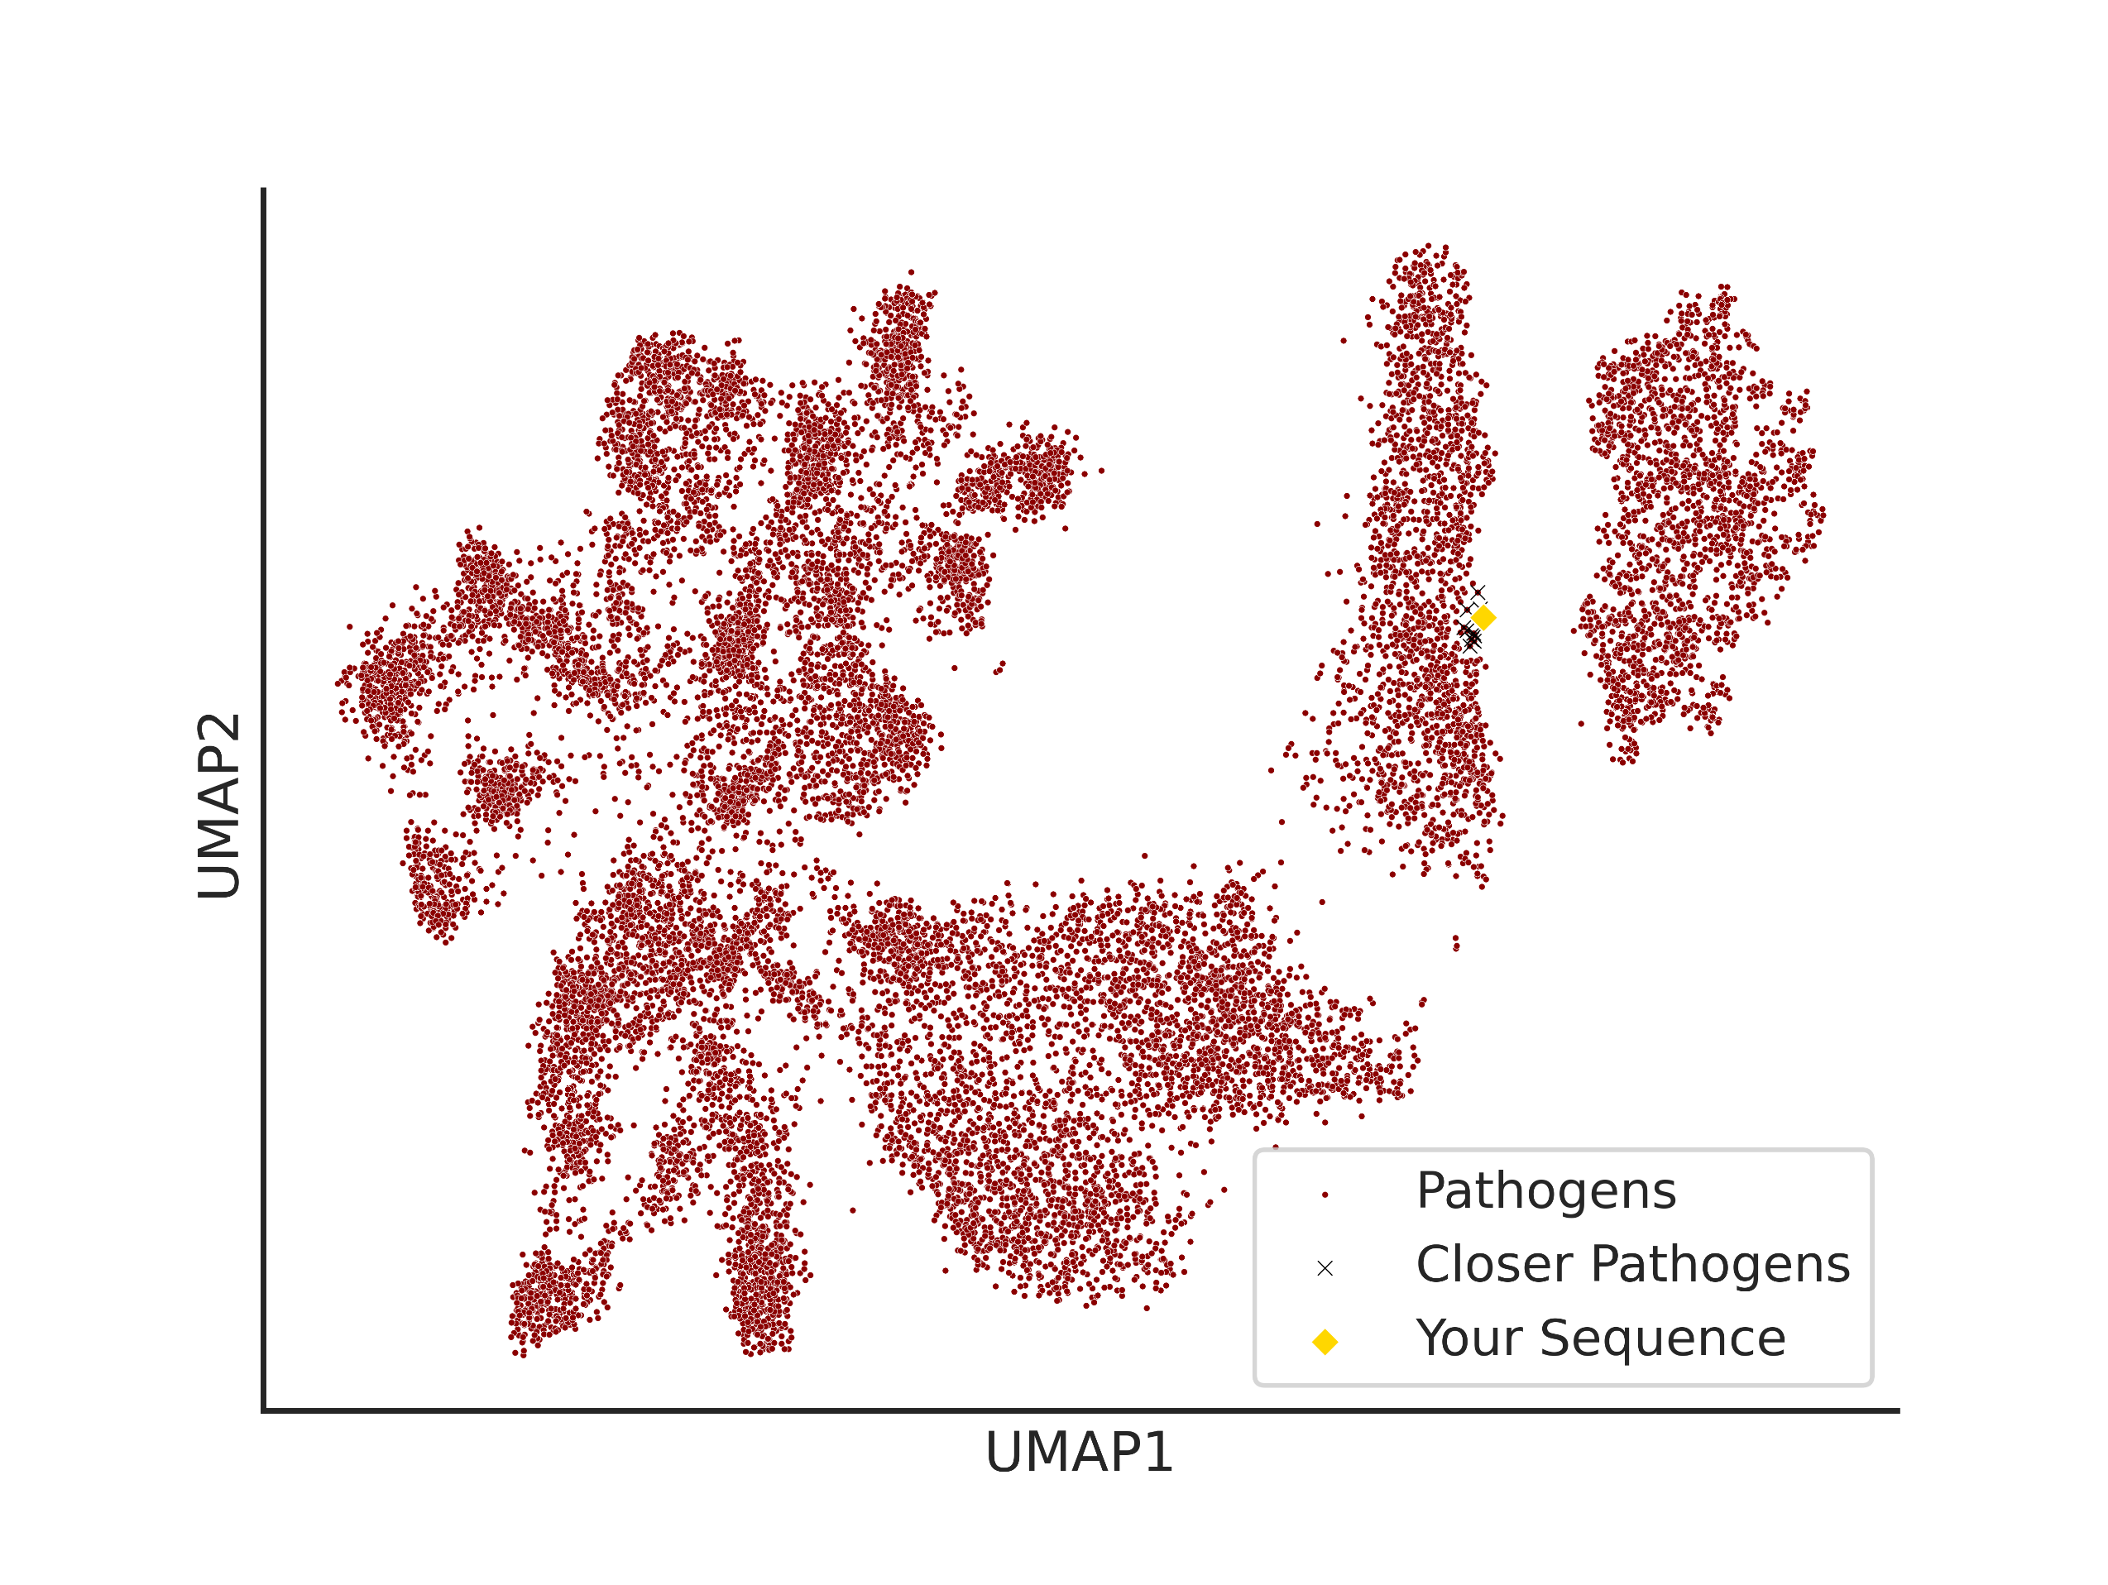
PathogenFinder2 neural networks

Strain Siew/DS1BC/2025
Closest Bacteria in the Bacterial Pathogenic Landscape
The table lists the ten bacteria most similar to the input genome within the embedding space generated by PathogenFinder2. These results aim to complement the Bacterial Pathogenic Landscape.
Reference Bacteria Name | Minkowski Distance to Reference Bacteria | Rank of the closest neighbors | Species | Strain | Accession Number | Taxonomy
Klebsiella pneumoniae | 0.086002729833 | 0 | Klebsiella pneumoniae | DY1719 | GCF_021727695.1 | 573
Klebsiella pneumoniae | 0.1884868741 | 1 | Klebsiella pneumoniae | WUSM_KP_79 | GCF_003253855.1 | 573
Klebsiella quasipneumoniae | 0.19873799384 | 2 | Klebsiella quasipneumoniae//Klebsiella pneumoniae | FUJ00228 | GCF_023653275.1 | 1463165
Klebsiella variicola | 0.22553415596 | 3 | Klebsiella variicola//Klebsiella variicola//Klebsiella pneumoniae | EuSCAPE_IE021 | GCF_900509825.1 | 244366
Klebsiella pneumoniae | 0.2313426286 | 4 | Klebsiella pneumoniae | EuSCAPE_UK013 | GCF_900504745.1 | 573
Klebsiella quasipneumoniae | 0.2385135442 | 5 | Klebsiella quasipneumoniae//Klebsiella pneumoniae//Klebsiella quasipneumoniae | COL-Kpn120 | GCF_002853875.1 | 1463165
Klebsiella variicola | 0.24193264544 | 6 | Klebsiella variicola//Klebsiella variicola//Klebsiella pneumoniae | EuSCAPE_IE014 | GCF_900509795.1 | 244366
Klebsiella pneumoniae | 0.24906399846 | 7 | Klebsiella pneumoniae | 4300STDY6636934 | GCF_900492775.1 | 573
Klebsiella pneumoniae | 0.27194005251 | 8 | Klebsiella pneumoniae | 10830 | GCF_014530445.1 | 573
Klebsiella pneumoniae | 0.30483081937 | 9 | Klebsiella pneumoniae | JHTS007 | GCF_003334925.1 | 573

Bacterial pathogenic Landscape
The bacterial pathogenic landscape represents the position of the genome in an embedding space created by the PathogenFinder2 neural networks. This embedded space is intended as a complement to alignment‑based methods, offering an additional perspective on the similarity between bacterial genomes with respect to features associated with pathogenic capacity.

