WESTERN BLOT
Table S6. Relative Protein Expression Level | MDA-MB-231 (Control) |  | MDA-MB-231+5-HMF |  | MDA-MB-231+5-HMF+Vit E |  | BEAS-2B (Control) |  | BEAS-2B+5-HMF |  | BEAS-2B+5-HMF+Vit E |  | MCF-7 (Control) |  | MCF+ 5-HMF |  | MCF-7+ 5-HMF+Vit E
Caspase-3 | 1.77 | 2.07 | 2.68 | 2.71 | 2.89 | 3.23 | 1.14 | 1.2 | 1.26 | 1.3 | 1.47 | 1.07
Cleaved Caspase-8 | 2.03 | 1.8 | 1.1 | 1.7 | 1.4 | 1.8 | 1.079 | 1.3 | 0.78 | 0.6 | 1.99 | 1.4 | 1.17 | 1.87 | 1.08 | 1.43 | 1.29 | 1.7

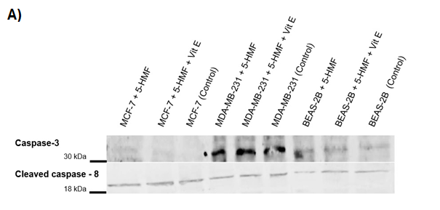

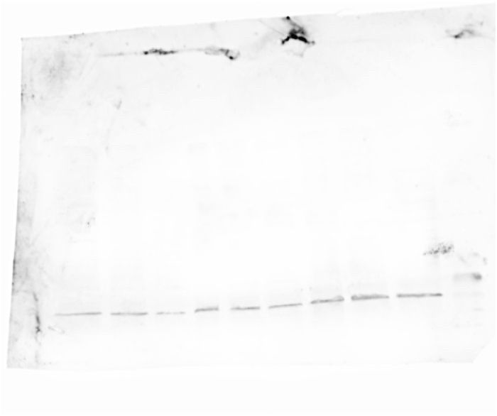
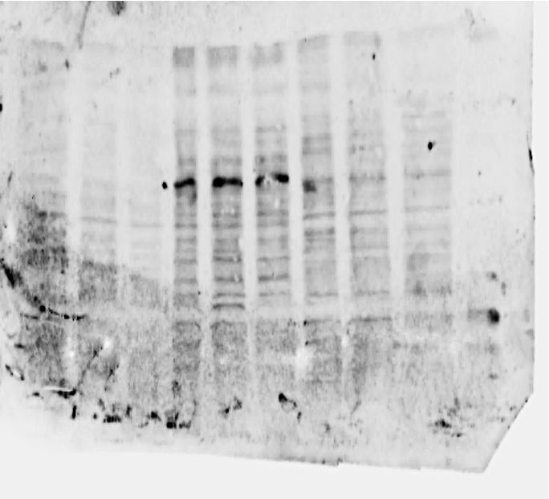
Caspase -3
Cleaved caspase -8

