Modal Min
Important Note:
1. Mineralogy data is normalised and should be quoted to 2 d.p. only (100ppm).
2. Grain size data should be quoted to a integer. See note & image below for grain size.
3.This work is part of a research project and is not intended for commercial use. It does not have commercial indemnity associated with it.

When using the data please observe the following for presentation:
<0.01 = present but <0.01% or <100ppm (trace)
0= nd (not detected)

Measurement | CSM Lab Code | 21JH13a
 | Sample Name | 3a.Lava CAN_LLP_0001
 | Measurement Mode | FieldImage
 | Measurement area (mm) | 27mm2 diameter
 | Measurement Time (H:M:S) | 16:48:52
 | No. X-ray Analysis Points | 7,896,062
 | X-ray Pixel Spacing | 5
Mineral Volume(%) | Olivine | 2.70
(area%) | Ca Mg Fe silicates | 20.94
 | Ca Fe Al silicates | 49.54
 | Plagioclase | 19.59
 | Anorthoclase/K-feldspar | 0.75
 | Chlorite | 0.58
 | Kaolinite | 0.00
 | Biotite | 1.65
 | Ilmenite | 1.95
 | Ti-Magnetite | 2.12
 | Magnetite | 0.01
 | Chrome spinel | 0.01
 | Titanite | 0.05
 | Apatite | 0.02
 | Gypsum | 0.00
 | Sulphides | 0.03
 | Others | 0.07
Grain Size | Olivine | 16.2
(Average Microns) | Ca Mg Fe silicates | 20.0
 | Ca Fe Al silicates | 21.0
 | Plagioclase | 15.4
 | Anorthoclase/K-feldspar | 8.1
 | Chlorite | 8.1
 | Kaolinite | 8.3
 | Biotite | 8.1
 | Ilmenite | 11.6
 | Ti-Magnetite | 25.6
 | Magnetite | 8.1
 | Chrome spinel | 11.1
 | Titanite | 7.6
 | Apatite | 11.1
 | Gypsum | 7.7
 | Sulphides | 12.4
 | Others | 10.5
Average grain size in microns, for the named mineral in the sample.
Grains that are less than or close to the x-ray spacings may not be that reliable due to resolution. Note that the data is a 2D size for a 3D material, stereology issues still apply!
Grains are discrete areas of a specific mineral or minerals hosted within a particle (see image below)
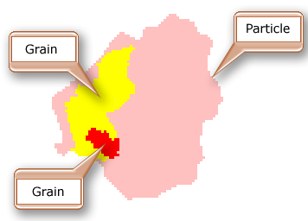

Mineral List
2021

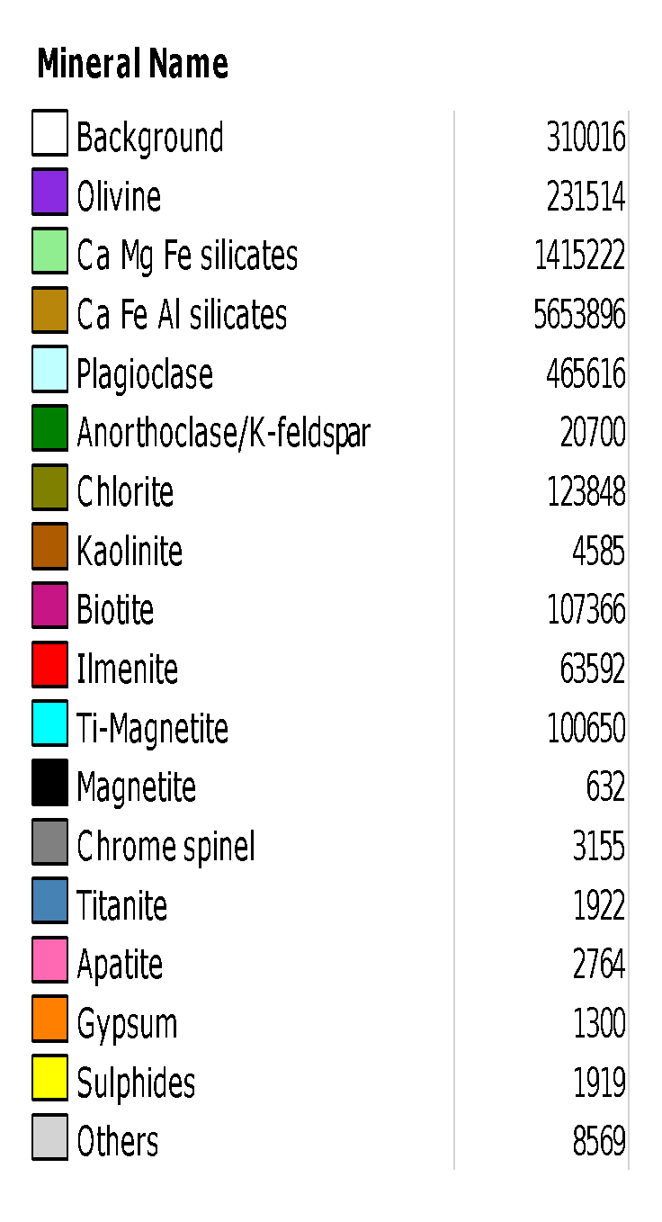
Mineral Category | Mineral Description
Background | All resin mounting media related artefacts and edge effects
Olivine | Any phase with Mg,Fe,Si,O
Ca Mg Fe silicate | Any phase with Ca,Fe,Mg,Si with or without Al. May contain low Ti
Ca Fe Al silicate | Any phase with Ca,Fe,Si,O. May contain trace Al,Mg,K,Na,Ti,P
Plagioclase | Plagioclase Feldspars: phases with Na,Al,Si,O to Ca,Al,Si,O.
Anorthoclase/K-feldspar | Any phase with Na,K,Al,Si,O (Anorthoclase), include Orthoclase/Microcline/Sanidine
Chlorite | Includes any phase with Fe Al Si O, Fe Al Mg Si,O
Kaolinite | Any phase with Al,Si,O such as Kaolinite/Halloysite/Dickite
Biotite | Biotite Mica (Fe,Al,K,Mg,Si,O)
Ilmenite | Any phase with Fe,Ti,O. Includes Mg,Al
Ti-Magnetite | Any phase with Ti (low),Fe,O.
Magnetite | Any phase with Fe,O. Includes Magnetite and other Fe minerals
Chrome spinel | Any phase with Cr,Fe,Mg,Al,O
Titanite | Any phase with Ca,Ti,Si,O
Apatite | Any phase with Ca,P,O.
Gypsum | Any phase with Ca,S,O
Sulphides | Includes Fe-Cu-S (Chalcopyrite, Bornite etc) Fe-S (Pyrrhotite). Includes trace Sphalerite
Others | Boundary effects, indistinguishable minerals, contamination. Includes trace: Quartz, Zircon, Cassiterite, Calcite

18 categories
Note:
1. Data is based on QEMSCAN work and should be verified by other methods: QEMSCAN infers minerals from chemistry, thus the named minerals are the most likely based on the chemistry and the sample type. For limitations please see Rollinson et al. 2011 and Andersen et al. 2009 and the references below. This work is part of a research project and is not intended for commercial use. It does not have commercial indemnity associated with it.
2. Minerals in trace amounts (i.e. single pixels) may be at or close to the resolution of the scan, thus it is advised that they are viewed with caution.

References:
Andersen, J.C.Ø., Rollinson, G.K., Snook, B., Herrington, R., Fairhurst, R. 2009. Use of QEMSCAN® for the Characterization of Ni-Rich and Ni-Poor Goethite in Laterite Ores. Minerals Engineering, 22, 1119–1129.
Pirrie, D. & Rollinson, G.K. 2011. Unlocking the applications of automated mineral analysis. Geology Today. 27(6). 235-244.
Rollinson, G.K.; Andersen, J.C.Ø.; Stickland, R.J.; Boni, M.; Fairhurst, R. 2011. Characterisation of Non-Sulphide Zinc Deposits Using QEMSCAN®. Minerals Engineering, 24, 778–787.
Rollinson G. 2021 Automated Mineralogy by SEM-EDS. In: Alderton, David; Elias, Scott A. (eds.) Encyclopedia of Geology, 2nd edition. vol. 1, pp. 546-553. United Kingdom: Academic Press.

