Fig. 1
Fig. 1b | NCI-H358 |  |  |  |  |  | HeLa |  |  |  |  |  | HepG2 |  |  |  |  |  | Huh7
Wild-type | 0 | 0 | 0 | 0 | 0 | 0 | 0 | 0 | 0 | 0 | 0 | 0 | 0 | 0 | 0 | 0 | 0 | 0.002531646 | 0 | 0 | 0 | 0 | 0 | 0
+GAL9 | 2.947826087 | 2.64375 | 3.37012987 | 2.822222222 | 2.900552486 | 2.981132075 | 2 | 2.002994012 | 1.948148148 | 2.086567164 | 2.048 | 2.187358916 | 2.279069767 | 2.38150289 | 2.333333333 | 2.587628866 | 2.230366492 | 2.331950207 | 3.257383966 | 3.231182796 | 3.335423197 | 3.285714286 | 4.323529412 | 3.642857143

Fig. 1c - Agarose Gel |  |  |  |  |  |  |  |  |  | Fig. 1d - Western Blots
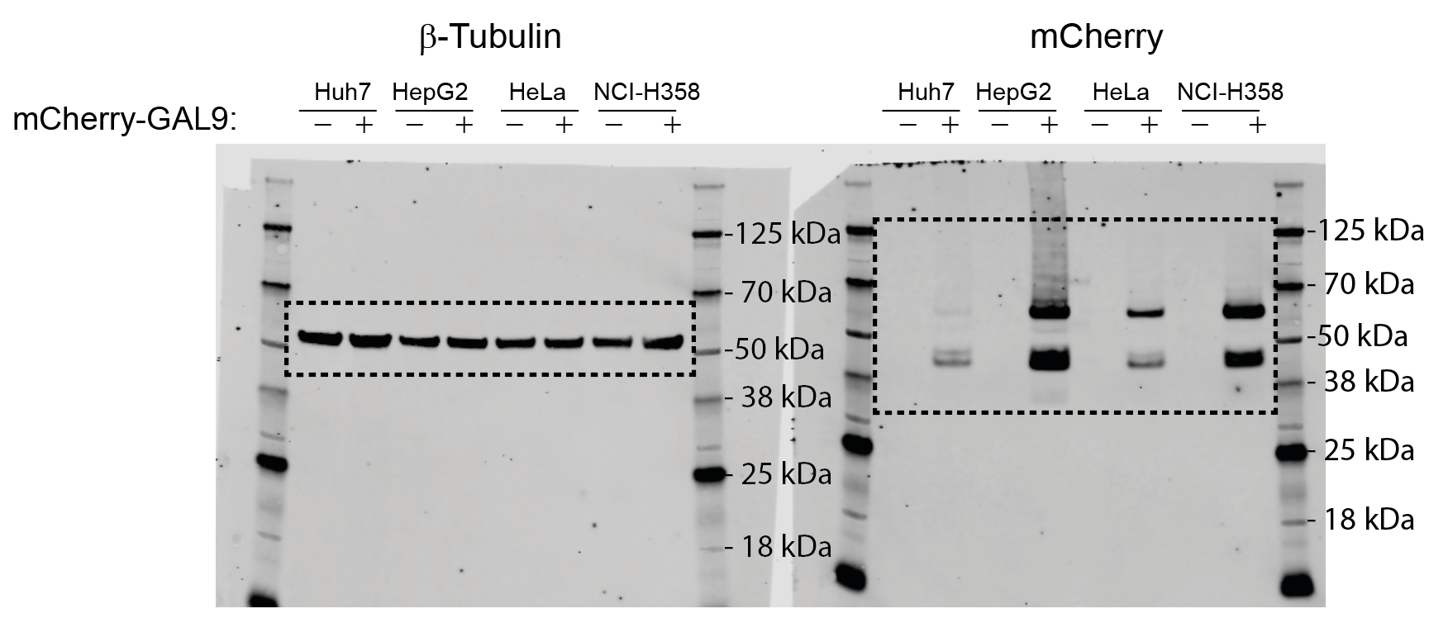
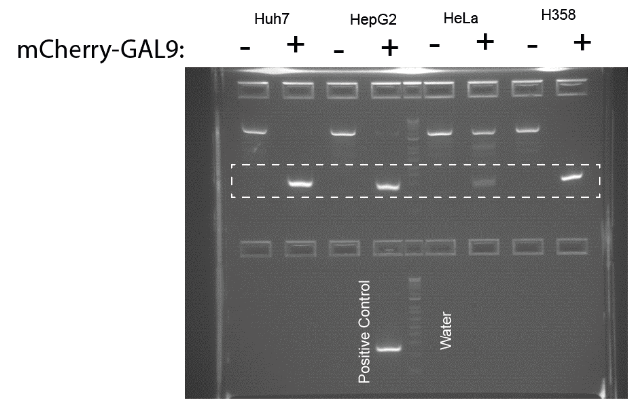

Fig. 1f | NCI-H358 |  |  | HeLa |  |  | HepG2 |  |  | Huh7
mCherry Intensity (normalised) | 0.3 | 0.31 | 0.35 | 0.06 | 0.06 | 0.05 | 0.37 | 0.32 | 0.44 | 0.06 | 0.06 | 0.05

