Final_Cause_Impact_Matrix
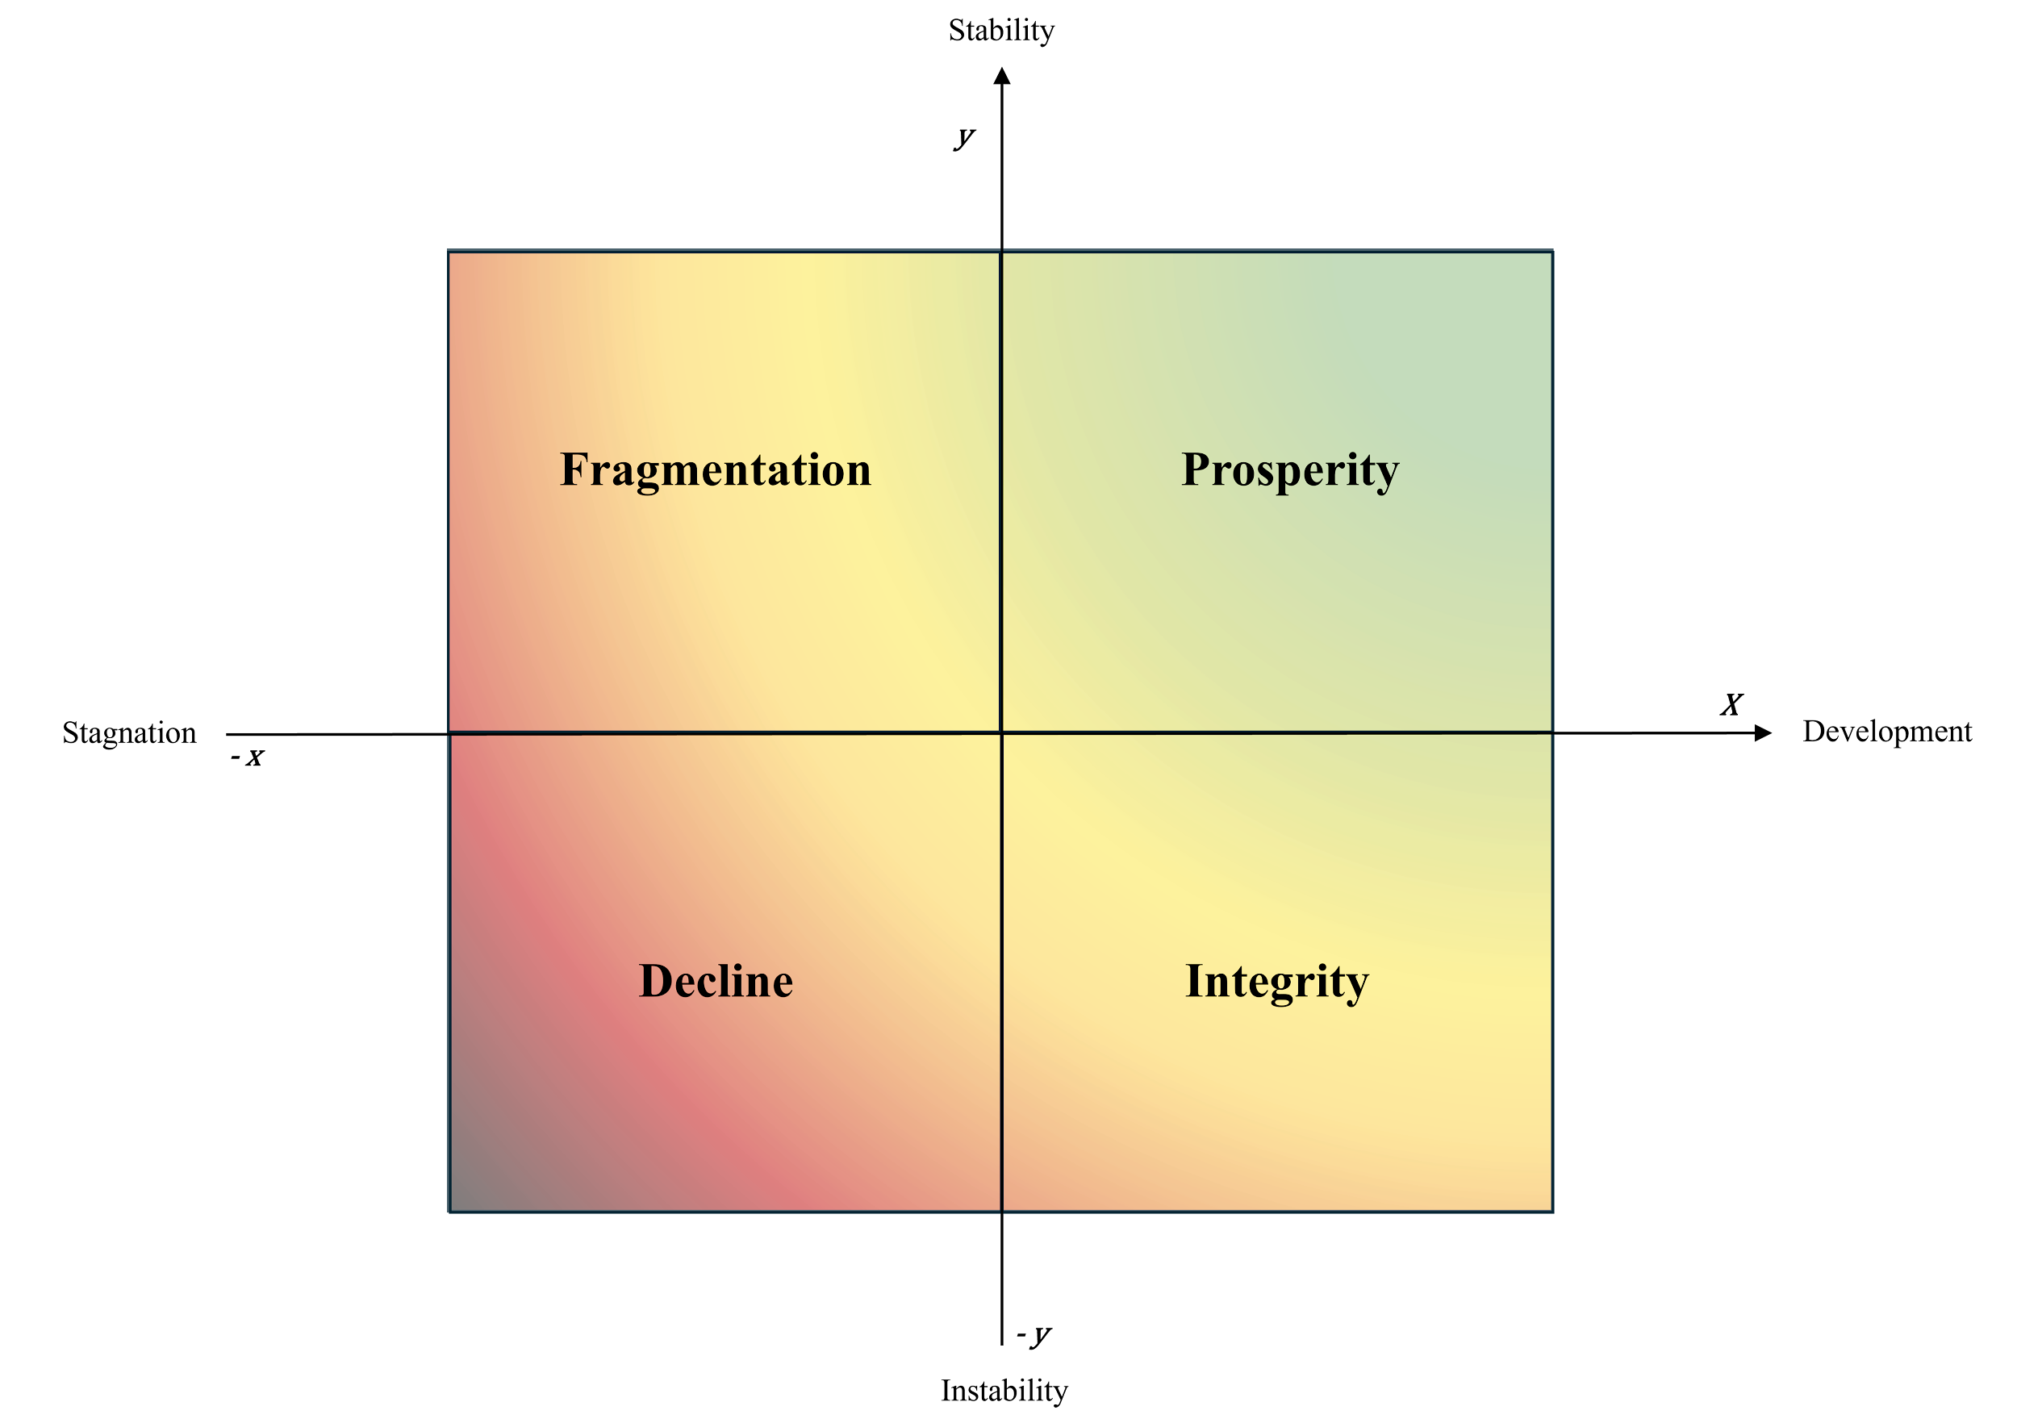
nº | Instr. | Effect | Defence (Obs-Moder) | Econom (Devel - Stang) | Count
1 | M | Occupied strategic territory (x2) | 0.80 | 0.61 | 2.00
2 | M | Militarised disputed territory (x3) | 0.70 | 0.31 | 3.00
3 | M | Asserted sovereignty (x1) | 0.65 | 0.40 | 1.00
4 | M | Intimidated foreign military presence (x3) | 0.40 | -0.20 | 3.00
5 | M | Obstructed foreign logistical operations (x10) | 0.30 | 0.40 | 10.00
6 | M | Increased armament capacity (x1) | 0.90 | 0.50 | 1.00
7 | M | Increased nuclear armament capacity (x1) | 1.00 | 0.31 | 1.00
8 | D | Experienced occasional frictions in international relations (x6) | -0.05 | -0.15 | 6.00
9 | D | Experienced diplomatic tension (x1) | -0.20 | -0.30 | 1.00
10 | D | Rejected binding international legal ruling (x2) | -0.10 | -0.40 | 2.00
11 | D | Undermined multilateral codes of conduct and legal frameworks (x1) | -0.30 | -0.20 | 1.00
12 | D | Agreed diplomatic code of conduct (x1) | 0.20 | 0.80 | 1.00
13 | I | Information disseminated with a focus on disputed strategic territories (x2) | 0.50 | -0.05 | 2.00
14 | I | Eroded media influence on social media platforms (x1) | 0.35 | -0.20 | 1.00
15 | E | Strengthened regional economic connectivity (x2) | 0.50 | 0.91 | 2.00
16 | E | Destroyed infrastructure or assets (x1) | 0.60 | 0.10 | 1.00

