Bar chart
Annual Costs by Surveillance Model
 | Routine | Model 1 | Model 2 | Model 3
Personnel | $2,700 | $1,409 | $1,539 | $1,800
Pyrethrum aerosol spray | $2,101 | $2,101 | $2,101 | $2,101
CDC light traps | $495 | $495 | $495 | $495
Other supplies | $4,080 | $4,847 | $4,847 | $4,847
Transportation | $1,239 | $- | $217 | $652
Total | $10,615 | $8,852 | $9,200 | $9,896
Mosquito Collection supplies | $6,676 | $7,444 | $7,444 | $7,444

Personnel | 25% | 16% | 17% | 18%
PSC | 20% | 24% | 23% | 21%
LTC | 5% | 6% | 5% | 5%
Other Supplies | 38% | 55% | 53% | 49%
Transportation | 12% | 0% | 2% | 7%

VectorCam Cost-Depreciation
 |  |  |  | Per unit depreciated
Material | Depreciation | USA $ Price | UGX | USD/Month | USD/year | Monthly Depreciation | Annual Depreciation |  | Districts | 2
CDC light traps (Battery+trap) | 5 | $165.00 | UGX 607,200 | $2.75 | $33.00 | UGX 10,120.0 | UGX 121,440.0
Laboratory Microscope | 10 | $235.60 | UGX 867,008 | $1.96 | $23.56 | UGX 7,225.1 | UGX 86,700.8 |  | Conversion | 3680
Phone | 3 | $66.76 | UGX 245,677 | $1.85 | $22.25 | UGX 6,824.4 | UGX 81,892.3 | Phone Was $94, there less costs | Annual expenditure by month | 12
Power Banks | 5 | $6.14 | UGX 22,594 | $0.10 | $1.23 | UGX 376.6 | UGX 4,518.8
VectorCam Device, Assembly and Transportation | 5 | $38.00 | UGX 139,840 | $0.63 | $7.60 | UGX 2,330.7 | UGX 27,968.0

Power bank utility: https://saluddigital.com/wp-content/uploads/2019/06/WHO.-Monitoring-and-Evaluating-Digital-Health-Interventions.pdf
https://www.ispor.org/heor-resources/presentations-database/presentation-cti/ispor-2025/poster-session-2/tailoring-generalized-cost-effectiveness-analysis-gcea-to-the-u-s-setting-the-importance-of-using-the-right-prices#:~:text=The%20Generalized%20CEA%20(GCEA)%20framework%2C,value%20estimates%20via%20price%20changes.

VectorCam Cost 1 district | Depreciation (Years) | Units | Cost/item | Cost/item | USD / month | USD / year | UGX / month | UGX / year
Perforating Sheets (4 per year) |  | 4 | $55.71 | UGX 205,000 | $18.57 | $222.83 | UGX 68,333 | UGX 820,000
Phones | 3 | 6 | $66.76 | UGX 245,677 | $11.13 | $133.52 | UGX 40,946 | UGX 491,354
VectorCam Device, Assembly and Transportation | 5 | 6 | $38.00 | UGX 139,840 | $3.80 | $45.60 | UGX 13,984 | UGX 167,808
Power Banks | 5 | 6 | $6.14 | UGX 22,594 | $0.61 | $7.37 | UGX 2,259 | UGX 27,113
Data Phone Plan (internet) | Monthly per district | 6 | $2.72 | UGX 10,000 | $16.30 | $195.65 | UGX 60,000 | UGX 720,000
Cloud Server and Storage | Monthly per district | 1 | $8.72 | UGX 32,080 | $8.72 | $104.61 | UGX 32,080 | UGX 384,955
VectorCam Service fee | Monthly per district | 1 | $13.13 | UGX 48,300 | $13.13 | $157.50 | UGX 48,300 | UGX 579,600
Total |  |  |  |  | $72.26 | $867.07 | UGX 265,902.43 | UGX 3,190,829.16

* Assumes VectorCam device is sold to district at 2 times cost to manufacture + assemble

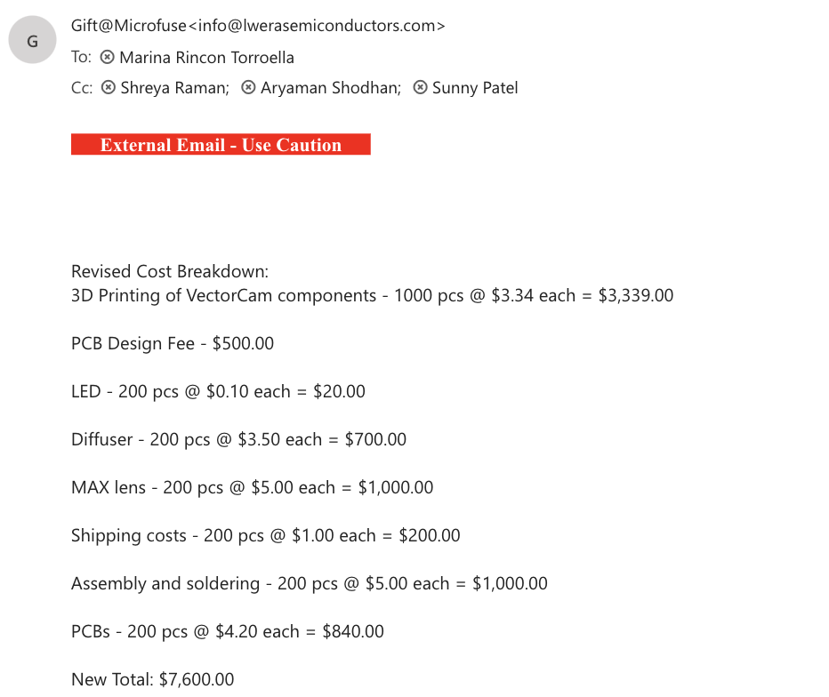

 |  | Total Cost VectorCam Assembly |  | $7,600.00
 |  | Total Items |  | 200
 |  | Total Cost Manufacturing and transport |  | $38.00

VectorCam Service Fee&Cloud
VectorCam Service Fee and Cloud Service
This platform is supposed to support 132 devices in a whole country |  |  |  |  |  |  |  |  |  | Districts | 22
22 Districts, 6 devices per district |  |  |  |  |  |  |  |  |  | Conversion | 3680
 |  |  |  |  |  |  |  |  |  | Montly | 12
 |  |  |  |  |  |  |  |  |  | Total districs personnel | 200
 |  |  |  | Ugandan Shillings |  |  | USA Dollars |  |  | Phones/district | 6
Cloud Service and Platform | Unit/ District | Cost/Unit | Annually total | Monthly 1 district | Annual 1 districts |  | Monthly 1 district | Annual 1 district | Notes | total phones | 132
Digital Ocean Database storage | mosquito-api-1724847782377- Monthly | $61.89 | $742.68 | UGX 10,353 | UGX 124,230 |  | $2.81 | $33.76 |  | 1 image | 2 | MB
Tech Stack front-end | Java mobile App | open source | $- | UGX - | UGX - |  | $- | $- |  | 1 MB | 1024
Tech Stack back-end | Java API | open source | $- | UGX - | UGX - |  | $- | $-
Block Storage | Monhtly | $116.00 | $1,392.00 | UGX 19,404 | UGX 232,844 |  | $5.27 | $63.27 | Additional block storage for 22 districts, 1.3TB
Dropplet Snapshot | Monthly | $13.89 | $166.68 | UGX 2,323 | UGX 27,881 |  | $0.63 | $7.58
VectorCam Cloud | Tota Cost cloud server and storage | $191.78 | $2,301.36 | $32,079.56 | $384,954.76 |  | $8.72 | $104.61

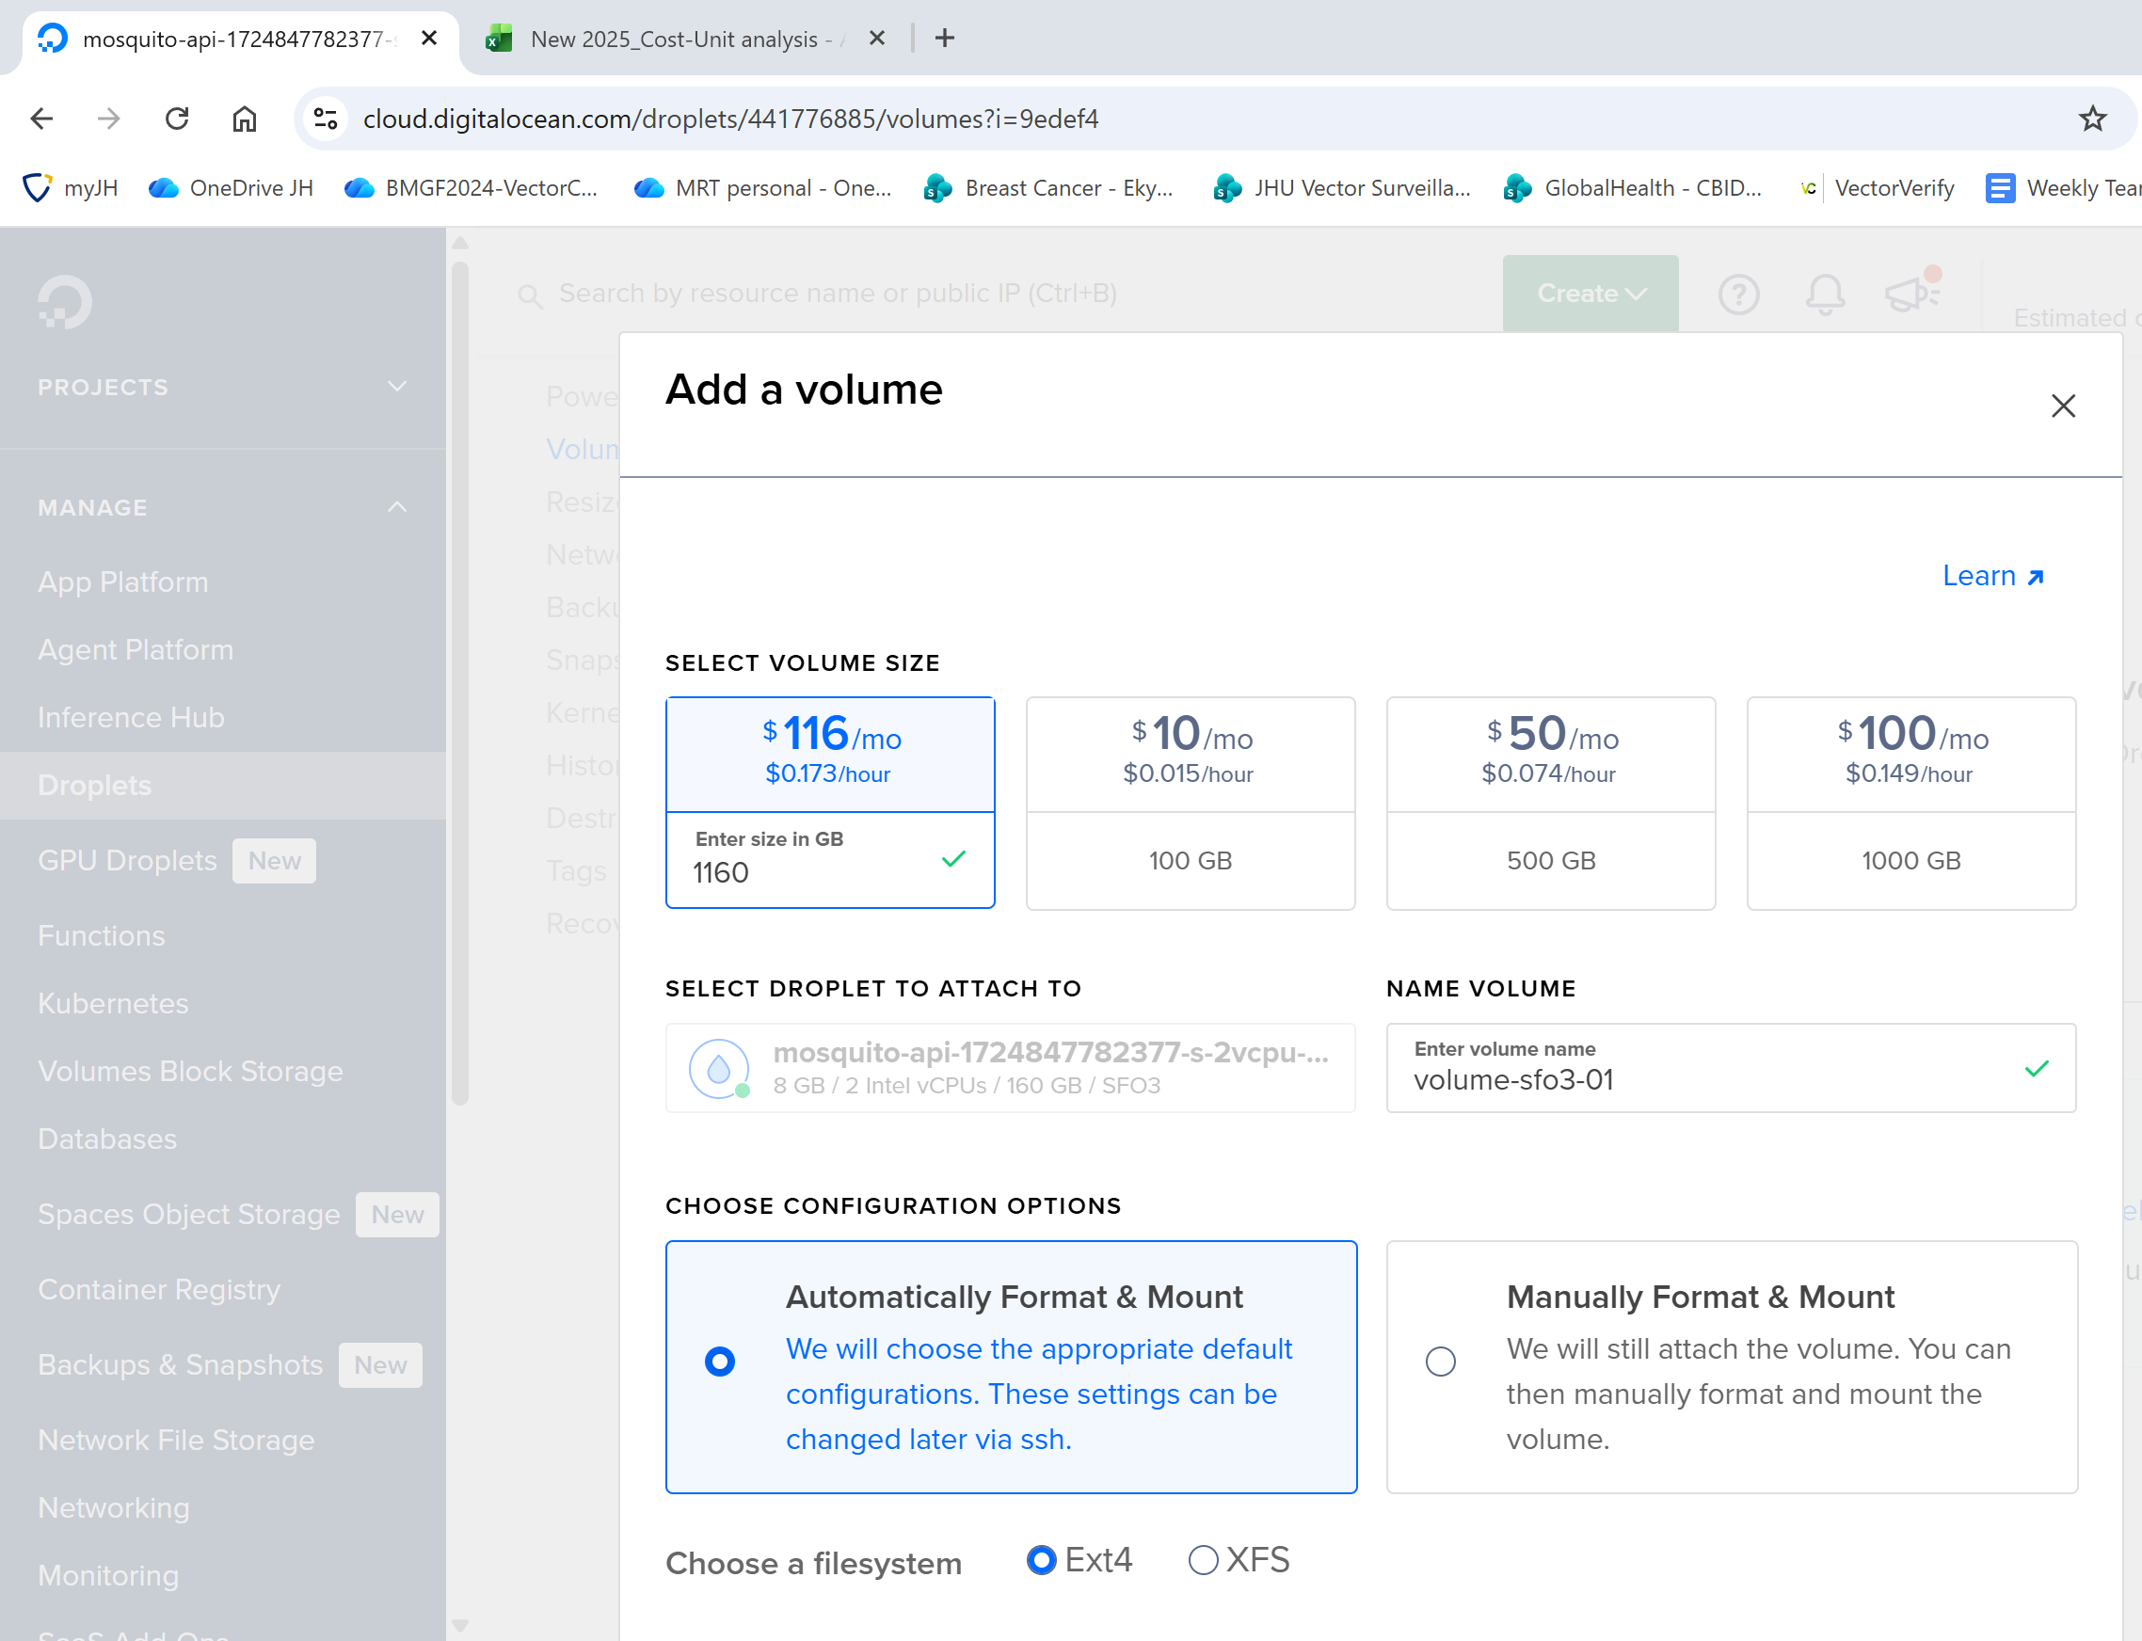
VectorCam Service Fee | Tech Support monthly per district | $13 | $158 | UGX 48,300 | UGX 579,600 |  | $13.13 | $157.50
Total VectorCam Service Fee and Cloud Service |  |  |  | UGX 80,380 | UGX 964,555 |  | $21.84 | $262.11

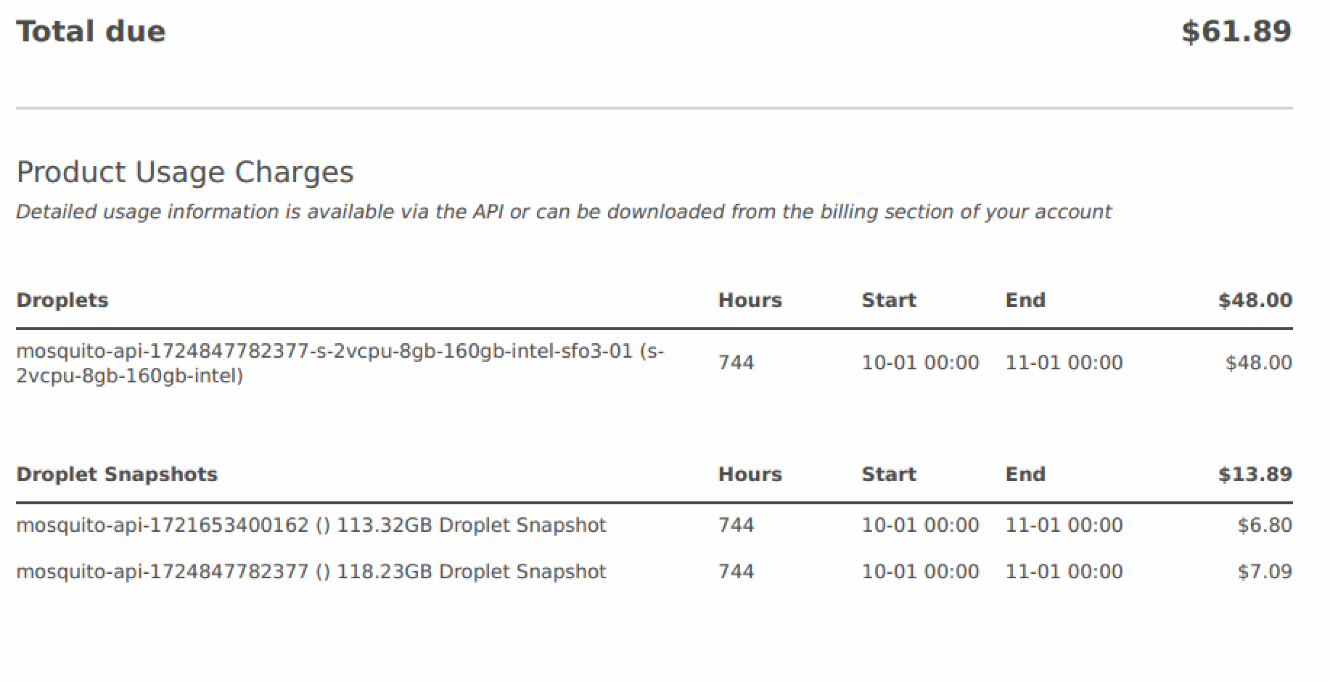
System integration to 22 districts | Total Disk | Per district
Current Disk storage with 2 districts | 160 | 75%
Disk storage | usage per 2 districts | 120 | GB
Disk storage needs | per 1 districts | 60 | GB
MB accessible per district |  | 61440 | MB |  |  |  |  |  |  |  |  |  | 73000 | images | 36500 | Images
Total Number Images per district |  | 30720 | MB |  |  |  |  |  |  |  |  |  | 1 image 2 MB | 2 MB | 36500 | MB
Total Number of GB per 22 districts |  | 1351680 | MB |  |  |  |  |  |  |  |  |  | 1 GB | MB 1024 | 61440 | MB
Total Number of TB for 22 districts |  | 1.29 | TB |  |  |  |  |  |  |  |  |  |  | Total Number Images per district!!!! | 30720
Cost block storage | for 1.3 TB/monthly | $116.00 |  |  |  |  |  |  |  |  |  |  |  | Total Number GB per 22 districts | 1351680 | MB
 |  |  |  |  |  |  |  |  |  |  |  |  |  | Total Number of TB for 22 districts | 1.2890625 | TB

 |  |  |  |  |  |  |  |  |  |  |  |  |  | Total Images collected in trial | 2 districts | 73000
 |  |  |  | Ugandan Shillings |  |  | USA Dollars
Item | Unit/ District | Cost/Unit Annually | FTE | Monthly 1 district | Annual 1 districts |  | Monthly 1 district | Annual 1 district
Technical Support | Will support 200 districts | $35,000 | 0.5 | UGX 26,833 | UGX 322,000 |  | $7 | $88
Technical Lead (SWE) | Will support 100 districts | $70,000 | 0.1 | UGX 70 | UGX 257,600 |  | $6 | $70
Total |  |  |  | UGX 26,903 | UGX 579,600 |  | $13 | $158

Model 1 - Typical Saas Model (Lean, Assuming Data at DHIS2, MOH, Assumes Product at Steady State)
Personel | Description of Responsibilites | Cost Annually | Cost Monthly | Oversees (how many districts) | FTE for Oversight | FTE (per district) | Cost / District |  | Cost Category | Routine VCO Model | VectorCam Digital Ocean | VectorCam VHT Model (AWS server)
Technical Support | Tier 1 & 2 Support Respond to VHTs, district staff, and supervisors via WhatsApp/email/support portal Solve common issues (login failures, sync errors, image upload issues) Ticket Management Log, triage, and escalate technical issues to the Technical Oversight Lead Maintain a support dashboard or ticket tracker (e.g., Google Sheets, Trello, GitHub) Knowledge Base Management Maintain user guides, FAQs, quick reference visuals, and training videos System Monitoring Check if images are syncing, DHIS2 pipelines are operational, and VHT usage is consistent User Feedback & Patterns Summarize user frustrations and suggest feature improvements | $35,000 | $2,917 | 200 | 1 |  | 14.6 |  | Central Tech Support (shared) | — | $44 | $44
Technical Lead (SWE) | Bug Fixes & Patches (Tier 3 Support) Reproduce, debug, and fix software issues identified in the field Resolve syncing failures, storage issues, or crashes in the mobile app Release patches or hotfixes with minimal disruption Codebase Oversight Maintain GitHub hygiene (issues, branches, merges, versioning) Work with CTO or external developers to plan and deploy stable builds Data Pipeline Monitoring Ensure DHIS2 data transfer pipelines work correctly and troubleshoot when they don’t Run lightweight scripts or tests to validate data completeness/accuracy Performance Optimization Optimize app performance on low-end devices Propose changes to improve load times, reduce crash frequency, or improve image processing speeds Technical Documentation Write internal engineering docs: bug reports, root cause analysis, release notes | $70,000 | $5,833 | 100 | 0.25 |  | 14.6 |  | VectorCam Server Fee | — | $8.72 | $9
 |  |  |  |  |  | Total: | 29.17 |  | Total (Monthly) | $0 | $53 | $53

Before!!!
Cloud Storage (per 2 districts) |  | $61.89

OLD_AWS Estimate
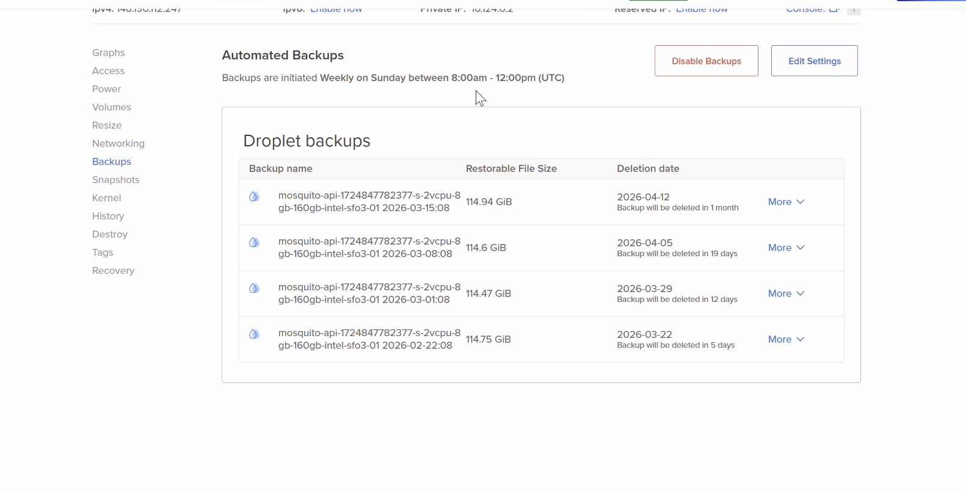
Estimate summary
Upfront cost | Monthly cost | Total 12 months cost | Currency | Devices Per District | 6
0.41 | 291.67 | 3500.052 | USD | Total Devices | 200
 |  | * Includes upfront cost |  | Cost per district | $8.75 | Server cost subscription fee AI 10

Detailed Estimate
Group hierarchy | Region | Description | Service | Upfront | Monthly | First 12 months total | Currency | Status
My Estimate | Africa (Cape Town) |  | Amazon API Gateway (TOTAL) | 0 | 18.62 | 223.45 | USD
 |  |  | Tiered price total for REST API requests: |  | 1.25
 |  |  | Dedicated cache memory total price: |  | 17.37
My Estimate | Africa (Cape Town) |  | AWS Lambda (TOTAL) | 0 | 16.68 | 200.16 | USD
 |  |  | Monthly compute charges: |  | 16.57
 |  |  | Monthly request charges: |  | 0.11
My Estimate | Africa (Cape Town) |  | S3 Standard (TOTAL) | 0.41 | 6.08 | 72.96 | USD
My Estimate | Africa (Cape Town) |  | S3 Data Transfer (TOTAL) | 0 | 30.8 | 369.6 | USD
My Estimate | Africa (Cape Town) |  | Amazon RDS for PostgreSQL (TOTAL) | 0 | 219.49 | 2633.88 | USD
 |  |  | Amazon RDS PostgreSQL instances cost (monthly): |  | 89.79
 |  |  | Storage pricing (monthly): |  | 90.6
 |  |  | Cost for RDS PostgresSQL Database Insights (monthly): |  | 36.5
 |  |  | Snapshot Export cost (monthly): |  | 2.6

