S1.9
Genome annotation statistics for Acropora muricata
Genome annotation
The basic genome annotation workflow in this study consists of three pipelines: repetitive sequence annotation, gene annotation (including gene structure prediction and gene function annotation), and non-coding RNA (ncRNA) annotation.

1. Repetitive sequence annotation
Repetitive sequences can be broadly classified into two main categories: Tandem repeat sequences and Interspersed repeat sequences. Tandem repeat sequences encompass microsatellite and minisatellite sequences. Interspersed repeat sequences, also known as transposable elements, include DNA transposons (DNA) that transpose through a DNA-DNA mechanism and retrotransposons, which comprise elements like long interspersed elements (LINE), long terminal repeat (LTR), and short interspersed elements (SINE), among others. The annotation methods for repetitive sequences can be classified into two categories: de novo prediction and homologous sequence alignment. De novo prediction of tandem repeat sequences in the genome can be carried out using TRF (http://tandem.bu.edu/trf/trf.html). It can also be performed by establishing a de novo repetitive sequence library using the softwares such as LTR_FINDER (http://tlife.fudan.edu.cn/ltr_finder/), RepeatScout (http://www.repeatmasker.org/), and RepeatModeler (http://www.repeatmasker.org/RepeatModeler.html), followed by the use of RepeatMasker software to predict transposable elements. Homologous sequence alignment relys on repetitive sequence databases, and frequently utilize the RepBase library (http://www.girinst.org/repbase/). This method involves the utilization of RepeatMasker and Repeatproteinmask (http://www.repeatmasker.org/) software to identify sequences that resemble known repetitive elements, primarily transposable elements. The results demonstrate that approximately 58.87% of the Acropora muricata genome consists of repeat sequences (Table 1 and 2).

Table 1. Result of repeat sequences
 | Repeat size (bp) | % of genome
TRF | 43,658,830 | 8.87
RepeatMasker | 271,418,159 | 55.16
Repeatproteinmask | 56,901,185 | 11.56
Total | 289,626,963 | 58.87
Note: 1. Total represents non-redundant results obtained by removing overlapping regions among the various methods mentioned above.

Table 2. Repeat sequence classification
 | Denovo+ Repbase Length (bp) | % in Genome | TE proteins Length (bp) | % in Genome | Combined TEs Length (bp) | % in Genome
DNA | 68,337,621 | 13.889271 | 12,564,540 | 2.553678 | 75,538,574 | 15.352828
LINE | 87,252,562 | 17.733636 | 27,966,654 | 5.684079 | 98,531,383 | 20.025998
LTR | 76,873,243 | 15.624092 | 16,532,933 | 3.360234 | 80,273,050 | 16.315086
SINE | 8,255,136 | 1.677814 | 0 | 0.000000 | 8,255,136 | 1.677814
Other | 1,810 | 0.000368 | 0 | 0.000000 | 1,810 | 0.000368
Satellite | 1,293,926 | 0.262984 | 0 | 0.000000 | 1,293,926 | 0.262984
Simple_repeat | 11,133,187 | 2.262763 | 0 | 0.000000 | 11,133,187 | 2.262763
Unknown | 40,657,779 | 8.263485 | 0 | 0.000000 | 40,657,779 | 8.263485
Total | 271,418,159 | 55.164348 | 56,901,185 | 11.564874 | 285,324,705 | 57.990782
Note: 1. Denovo+Repbase represents transposable elements predicted by RepeatModeler, RepeatScout, and LTR_FINDER software, combined with the RepBase nucleotide library, integrated using the Uclust software following the 80-80-80 rule, and annotated on the genome using RepeatMasker. TE proteins are transposable elements annotated on the genome using RepeatProteinMask software, based on the RepBase protein library. Combined TEs are the results obtained by integrating the two methods mentioned above and removing redundancies. Unknown indicates that the repeat sequence could not be classified by RepeatMasker.

2. Gene annotation
2.1 Gene structure prediction Gene structure prediction involves a combination of multiple methods, including de novo prediction, homologous prediction, and other evidence-supported prediction. De novo prediction relies on statistical features of genomic sequence data, such as codon frequency and exon-intron distribution, to predict gene structure. Commonly used software for de novo prediction includes Augustus (http://bioinf.uni-greifswald.de/augustus/), GlimmerHMM (http://ccb.jhu.edu/software/glimmerhmm/), and SNAP (http://homepage.mac.com/iankorf/) (Table 4). Homologous prediction involves two rounds of analysis. The first round is extensive prediction in metazoan phylogenetic tree (table 3), and relies on aligning known protein-coding sequences of selected homologous species with the sequences of targeting genome. Software tools such as BLAST (http://blast.ncbi.nlm.nih.gov/Blast.cgi) and Genewise (http://www.ebi.ac.uk/~birney/wise2/) are used for this purpose. Known protein-coding sequences were sourced from related datasets of Acropora digitifera (Adi), Amphimedon queenslandica (Aqu), Branchiostoma floridae (Bfl), Ciona intestinalis (Cin), Drosophila melanogaster (Dme), Danio rerio (Dre), Exaiptasia pallida (Epa), Homo sapiens (Hsa), Hydra vulgaris (Hvu), Mus musculus (Mmu), Morbakka virulenta (Mvi), Nematostella vectensis (Nve), Orbicella faveolata (Ofa), Stylophora pistillata (Spi), and Strongylocentrotus purpuratus (Spu) (Table 4). The second round is intensive prediction, focusing on comparing the prediction results with the known results of closely homologous species, which typically involves 8-10 species, including Adi, Nve, Spi, Ofa, Epa, Hvu, and Mvi (Table 5). Evidence-supported prediction involves using EST or cDNA data from closely homologous species and aligning it with the genomic sequence to predict gene structure. This is typically done using alignment software like BLAT (http://genome.ucsc.edu/cgi-bin/hgBlat). To integrate the results from thes

Table 3. Phylogenetic analysis of selected species in extensive gene structure prediction
Species | Class | Phylum | Superphylum features
Homo sapiens (Has) | Mammalia | Chordata | Deuterostomia | Bilateria | Planulozoa | ParaHoxozoa | Eumetazoa | Metazoan
Mus musculus (Mmu)
Danio rerio (Dre) | Actinopterygii
Ciona intestinalis (Cin) | Ascidiacea
Branchiostoma floridae (Bfl) | Leptocardii
Strongylocentrotus purpuratus (Spu) | Echinoidea | Echinodermata
Drosophila melanogaster (Dme) | Insecta | Arthropoda | Protostomia
Acropora digitifera (Adi) | Hexacorallia | Cnidaria
Stylophora pistillata (Spi)
Orbicella faveolata (Ofa)
Nematostella vectensis (Nve)
Exaiptasia pallida (Epa)
Hydra vulgaris (Hvu) | Hydrozoa
Morbakka virulenta (Mvi) | Cubozoa
Amphimedon queenslandica (Aqu) | Demospongiae | Porifera

Table 4. Result statistics of gene structure prediction
Type | Gene set | Number | Average transcript length (bp) | Average CDS length (bp) | Average exons per gene | Average exon length (bp) | Average intron length (bp)
De novo | Geneid | 21,752 | 11,607.61 | 1,386.05 | 5.42 | 255.64 | 2,311.61
 | Augustus | 20,155 | 6,741.13 | 1,486.03 | 7.22 | 205.74 | 844.48
 | GlimmerHMM | 39,399 | 10,811.75 | 823.48 | 4.23 | 194.51 | 3,088.99
 | SNAP | 23,108 | 11,128.96 | 840.98 | 5.68 | 147.97 | 2,196.69
 | Genscan | 18,033 | 18,034.12 | 1,791.12 | 7.81 | 229.42 | 2,386.19
Homolog | Adi | 28,937 | 4,220.27 | 1,180.97 | 4.25 | 277.57 | 933.82
 | Aqu | 16,597 | 2,332.81 | 1,002.48 | 2.45 | 409.78 | 919.75
 | Bfl | 18,483 | 2,867.79 | 789.69 | 2.91 | 271.65 | 1,089.73
 | Cin | 13,074 | 2,947.00 | 976.48 | 2.91 | 335.92 | 1,033.36
 | Dme | 5,893 | 3,797.85 | 967.14 | 3.76 | 257.12 | 1,025.09
 | Dre | 13,832 | 3,449.28 | 1,137.31 | 3.35 | 339.39 | 983.40
 | Epa | 26,900 | 3,407.78 | 1,102.19 | 3.47 | 317.25 | 931.84
 | Hsa | 9,671 | 4,365.73 | 1,041.81 | 4.10 | 254.22 | 1,072.88
 | Hvu | 19,355 | 2,336.10 | 921.67 | 2.40 | 383.46 | 1,007.74
 | Mmu | 9,382 | 4,441.99 | 1,049.00 | 4.21 | 249.37 | 1,058.14
 | Mvi | 16,121 | 3,051.13 | 1,035.00 | 3.02 | 343.02 | 999.42
 | Nve | 43,396 | 2,052.19 | 663.34 | 2.48 | 267.40 | 937.98
 | Ofa | 36,766 | 3,482.96 | 1,042.14 | 3.54 | 294.31 | 960.59
 | Spi | 29,646 | 4,125.48 | 1,178.90 | 4.12 | 286.27 | 944.99
 | Spu | 18,453 | 2,963.18 | 1,044.91 | 2.80 | 373.74 | 1,068.20
RNA-seq | PASA | 47,016 | 8,512.59 | 1,199.98 | 6.61 | 181.62 | 1,304.15
 | Cufflinks | 46,945 | 13,113.96 | 3,010.22 | 7.68 | 392.17 | 1,513.48
EVM |  | 23,103 | 7,601.01 | 1,404.05 | 7.03 | 199.62 | 1,027.05
Pasa-update* |  | 22,930 | 7,659.99 | 1,433.73 | 7.17 | 199.95 | 1,009.04
Final set** |  | 19,493 | 8,555.42 | 1,545.10 | 8.00 | 193.11 | 1,001.30
Note: 1. * includes UTR regions, while others do not. ** This Final set includes UTR regions and was refined using pasa2 update results to retain the longest transcripts while eliminating redundant single exons. Filtering criteria: Overlap with transposable elements (TE) greater than or equal to 20%, premature termination, supported by de novo evidence exclusively, and RPKM expression in various tissues below 1.

Table 5. Comparison of gene structure prediction results with closely homologous species
Species | Number | Average transcript length (bp) | Average CDS length (bp) | Average exons per gene | Average exon length (bp) | Average intron length (bp)
Adi | 26,060 | 7,072.10 | 1,341.17 | 6.19 | 216.51 | 1,103.27
Epa | 22,199 | 5,380.92 | 1,515.66 | 7.35 | 206.31 | 609.04
Hvu | 20,045 | 14,297.45 | 1,271.36 | 6.01 | 211.38 | 2,597.70
Mvi | 24,278 | 17,684.65 | 1,387.12 | 5.39 | 257.17 | 3,709.23
Nve | 24,773 | 4,447.74 | 1,006.31 | 5.32 | 189.32 | 797.50
Ofa | 25,916 | 7,897.29 | 1,435.79 | 6.58 | 218.04 | 1,156.95
Spi | 24,833 | 7,150.62 | 1,553.94 | 7.19 | 216.06 | 903.84
Amur | 19,493 | 8,555.42 | 1,545.10 | 8.00 | 193.11 | 1,001.30

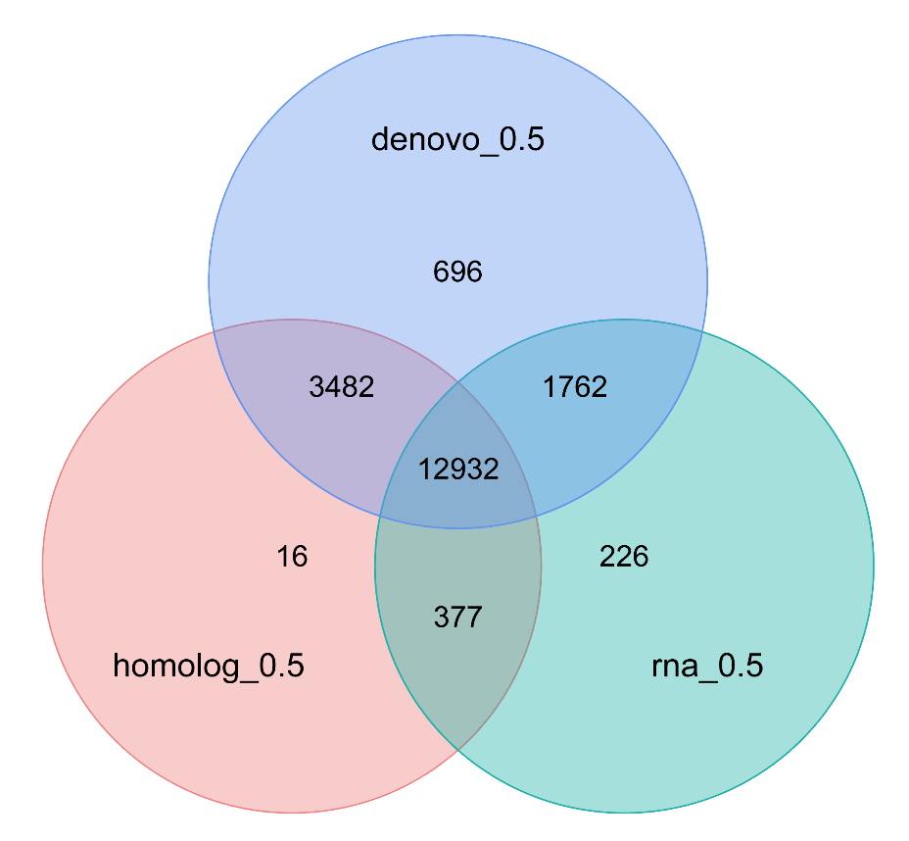

 |  | Fig. 1 | Statistics of gene-set supporting evidence
 |  | The denovo refers to genes supported by de novo predictions integrated by EVM, the homolog refers to genes supported by homology predictions when integrated by EVM, and the rna refers to genes supported by RNA-seq when integrated by EVM. Each supporting evidence is determined based on a gene overlap of more than 50%. The numbers indicate the number of genes.

2.2 Gene function annotation Gene function annotation is the process of determining the functional information of a set of genes obtained through gene structure annotation. This is achieved by using alignment software to compare these genes with established protein databases. Commonly used protein databases include SwissProt (http://www.uniprot.org/), Nr (http://www.ncbi.nlm.nih.gov/protein), KEGG (http://www.genome.jp/kegg/), InterPro (https://www.ebi.ac.uk/interpro/), GO (https://geneontology.org/), and Pfam (http://pfam.xfam.org/). By aligning protein sequences predicted from gene structures to known protein databases, functional information can be assigned to approximately 99.7% of the genes in Acropora muricata genome (Fig. 2, Table 6).

Table 6. Statistics of gene function annotation
 | Number | Percent (%)
Total | 19,493
Swissprot | 12,845 | 65.90
Nr | 19,013 | 97.50
KEGG | 14,362 | 73.70
InterPro | 19,283 | 98.90
GO | 17,778 | 91.20
Pfam | 13,612 | 69.80
Annotated | 19,436 | 99.70
Unannotated | 57 | 0.30

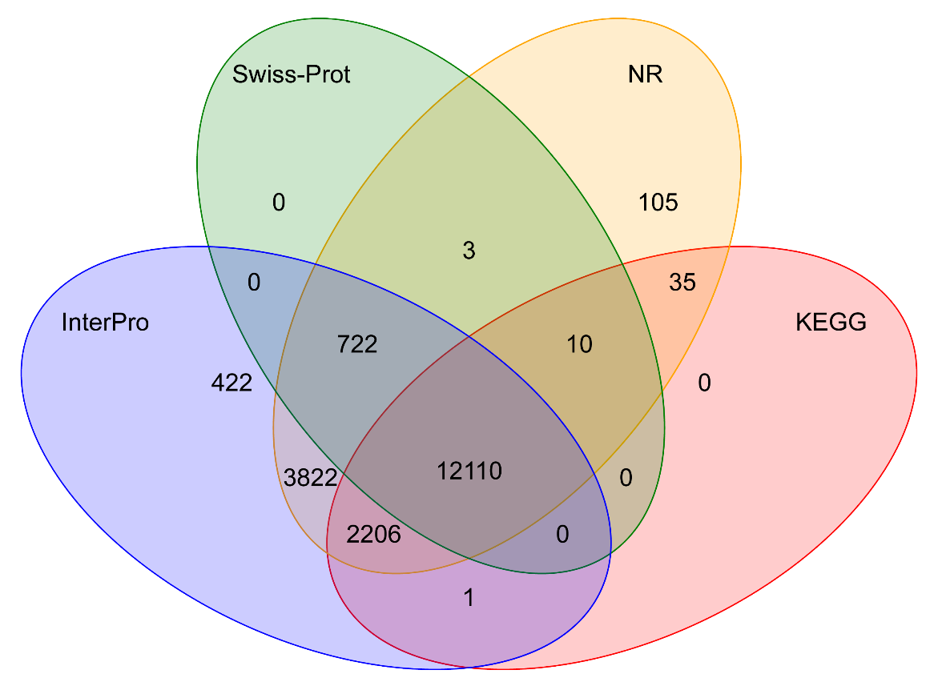

 |  | Fig.2 | Statistics of gene function annotation

3. non-coding RNA (ncRNA) annotation
The annotation of non-coding RNAs includes tRNA, rRNA, miRNA, and small nuclear RNA (snRNA). To find tRNA sequences in the genome, the tRNAscan-SE software (http://lowelab.ucsc.edu/tRNAscan-SE/) is used, based on the structural characteristics of tRNAs. For rRNA, highly conserved sequences from closely related species are often selected as reference sequences, and the genomic rRNA is identified through blast comparisons. To predict miRNA and snRNA sequences in the genome, covariance models from the Rfam family are utilized, and the INFERNAL software (http://infernal.janelia.org/) provided by Rfam is applied to detect these sequences.

Table 7. Statistics of non-Coding RNA
Type |  | Copy (w*) | Average length (bp) | Total length (bp) | % of genome
miRNA |  | 2,042 | 124.05 | 253,319 | 0.051486
tRNA |  | 8,463 | 75.67 | 640,376 | 0.130000
rRNA | rRNA | 9,230 | 126.13 | 1,164,199 | 0.240000
 | 18S | 3,954 | 152.47 | 602,876 | 0.120000
 | 28S | 3,803 | 114.15 | 434,114 | 0.088231
 | 5.8S | 302 | 91.10 | 27,511 | 0.005591
 | 5S | 1,171 | 85.14 | 99,698 | 0.020263
snRNA | snRNA | 2,820 | 157.04 | 442,840 | 0.090005
 | CD-box | 97 | 193.99 | 18,817 | 0.003824
 | HACA-box | 23 | 211.96 | 4,875 | 0.000991
 | splicing | 2,687 | 154.96 | 416,370 | 0.084625
Note: 1. w* represents whole-genome annotation, with average and total length calculated from integrated data.

S1.10
Genome annotation statistics for Montipora foliosa
Genome annotation
The workflow is the same as that of Acropora muricata genome.

1. Repetitive sequence annotation
The results demonstrate that approximately 62.17% of the Montipora foliosa genome consists of repeat sequences (Table 1 and 2).

Table 1. Total repeat sequence
 | Repeat size (bp) | % of genome
TRF | 37,089,658 | 4.58
RepeatMasker | 462,730,787 | 57.11
Repeatproteinmask | 127,000,918 | 15.68
Total | 503,697,817 | 62.17

Table 2. Repeat sequence classification
 | Denovo+ Repbase Length (bp) | % in Genome | TE proteins Length (bp) | % in Genome | Combined TEs Length (bp) | % in Genome
DNA | 84,248,782 | 10.398459 | 22,859,094 | 2.821398 | 98,675,142 | 12.179041
LINE | 178,602,653 | 22.044144 | 70,617,331 | 8.715988 | 209,276,979 | 25.830142
LTR | 155,536,428 | 19.197181 | 33,918,121 | 4.186365 | 162,997,863 | 20.118113
SINE | 20,358,698 | 2.512785 | 0 | 0.000000 | 20,358,698 | 2.512785
Other | 0 | 0.000000 | 0 | 0.000000 | 0 | 0.000000
Satellite | 3,579,949 | 0.441857 | 0 | 0.000000 | 3,579,949 | 0.441857
Simple_repeat | 12,590,958 | 1.554047 | 0 | 0.000000 | 12,590,958 | 1.554047
Unknown | 42,859,089 | 5.289910 | 0 | 0.000000 | 42,859,089 | 5.289910
Total | 462,730,787 | 57.112837 | 127,000,918 | 15.675168 | 496,182,403 | 61.241623

2. Ggene annotation (gene structure prediction and gene function annotation)
2.1 Gene structure prediction A total of 22,816 genes were predicted in Montipora foliosa genome (Fig. 1, Table 4 and 5) .

Table 4. Statistics of gene structure prediction
Type | Gene set | Number | Average transcript length (bp) | Average CDS length (bp) | Average exons per gene | Average exon length (bp) | Average intron length (bp)
De novo | Geneid | 32,508 | 13,871.54 | 1,204.88 | 4.58 | 262.88 | 3,534.85
 | Augustus | 27,058 | 9,572.65 | 1,363.55 | 6.15 | 221.58 | 1,592.87
 | GlimmerHMM | 59,232 | 12,410.35 | 700.37 | 3.87 | 181.05 | 4,082.53
 | SNAP | 14,872 | 67,680.28 | 854.46 | 6.12 | 139.68 | 13,058.54
 | Genscan | 26,602 | 20,693.60 | 1,596.54 | 6.81 | 234.45 | 3,287.09
Homolog | Adi | 37,000 | 4,379.62 | 1,150.16 | 3.30 | 349.06 | 1,407.14
 | Aqu | 29,773 | 2,226.71 | 968.83 | 2.04 | 475.92 | 1,214.52
 | Bfl | 28,894 | 2,941.44 | 712.65 | 2.33 | 305.35 | 1,670.87
 | Cin | 19,887 | 3,042.68 | 946.08 | 2.38 | 397.61 | 1,519.95
 | Dme | 6,589 | 5,011.90 | 927.20 | 3.38 | 274.56 | 1,718.43
 | Dre | 18,903 | 3,805.54 | 1,167.43 | 2.82 | 414.60 | 1,452.87
 | Epa | 38,574 | 3,677.03 | 1,095.06 | 2.86 | 382.88 | 1,388.11
 | Hsa | 11,651 | 5,515.48 | 994.04 | 3.54 | 280.75 | 1,779.65
 | Hvu | 29,667 | 2,448.22 | 924.73 | 2.05 | 451.16 | 1,451.39
 | Mmu | 11,064 | 5,706.23 | 1,027.61 | 3.68 | 278.89 | 1,742.79
 | Mvi | 21,757 | 3,384.57 | 1,060.59 | 2.48 | 427.78 | 1,571.01
 | Nve | 72,532 | 2,009.77 | 619.79 | 2.05 | 302.13 | 1,322.02
 | Ofa | 62,693 | 3,359.20 | 923.51 | 2.75 | 336.06 | 1,393.41
 | Spi | 42,893 | 4,373.29 | 1,106.37 | 3.32 | 332.93 | 1,406.23
 | Spu | 25,902 | 3,415.29 | 1,099.10 | 2.38 | 462.56 | 1,683.14
RNA-seq | PASA | 50,939 | 11,873.00 | 1,144.68 | 5.66 | 202.12 | 2,300.54
 | Cufflinks | 59,808 | 15,386.12 | 2,068.14 | 5.45 | 379.60 | 2,994.06
EVM |  | 30,287 | 10,506.73 | 1,293.09 | 6.08 | 212.66 | 1,813.48
Pasa-update* |  | 30,066 | 10,762.59 | 1,319.94 | 6.20 | 213.00 | 1,816.93
Final set** |  | 22,816 | 12,701.41 | 1,464.27 | 7.26 | 201.61 | 1,794.29

Table 5. Statistics of gene structure prediction in closely homologous species
Species | Number | Average transcript length (bp) | Average CDS length (bp) | Average exons per gene | Average exon length (bp) | Average intron length (bp)
Adi | 26,060 | 7,072.10 | 1,341.17 | 6.19 | 216.51 | 1,103.27
Epa | 22,199 | 5,380.92 | 1,515.66 | 7.35 | 206.31 | 609.04
Hvu | 20,045 | 14,297.45 | 1,271.36 | 6.01 | 211.38 | 2,597.70
Mvi | 24,278 | 17,684.65 | 1,387.12 | 5.39 | 257.17 | 3,709.23
Nve | 24,773 | 4,447.74 | 1,006.31 | 5.32 | 189.32 | 797.50
Ofa | 25,916 | 7,897.29 | 1,435.79 | 6.58 | 218.04 | 1,156.95
Spi | 24,833 | 7,150.62 | 1,553.94 | 7.19 | 216.06 | 903.84
Mfol | 22,816 | 12,701.41 | 1,464.27 | 7.26 | 201.61 | 1,794.29

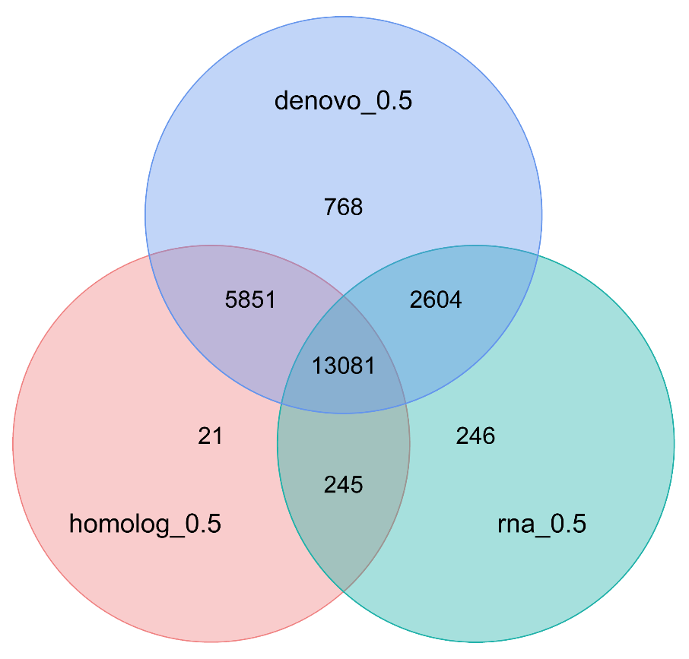

 |  | Fig. 1 | Statistics of gene-set supporting evidence

2.2 Gene function annotation By aligning protein sequences predicted from gene structures to known protein databases, functional information can be assigned to approximately 99.6% of the genes in Montipora foliosa genome (Fig. 2, Table 6).

Table 6. Statistics of gene function annotation
 | Number | Percent (%)
Total | 22,816
Swissprot | 15,046 | 65.90
Nr | 22,179 | 97.20
KEGG | 16,380 | 71.80
InterPro | 22,517 | 98.70
GO | 20,676 | 90.60
Pfam | 15,047 | 65.90
Annotated | 22,722 | 99.60
Unannotated | 94 | 0.40

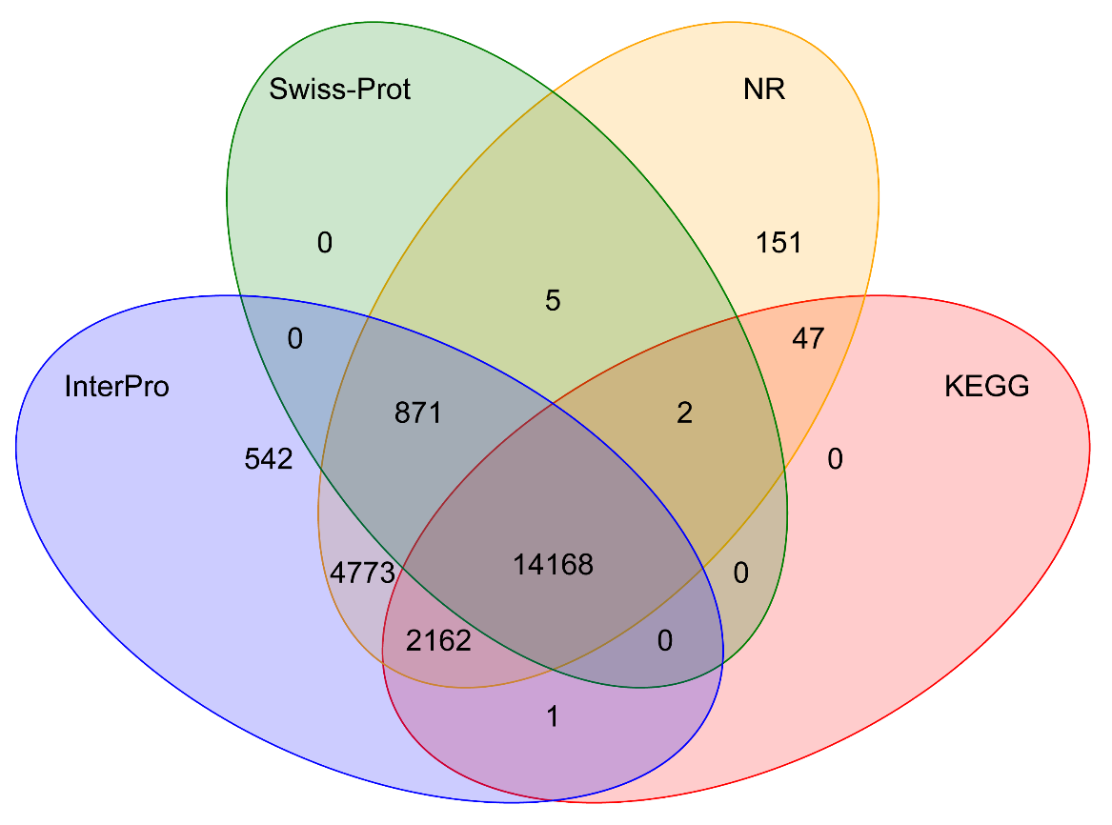

 |  | Fig.2 | Statistics of gene function annotation

3. non-coding RNA (ncRNA) annotation

Table 7. Statistics of non-Coding RNA
Type |  | Copy (w*) | Average length (bp) | Total length (bp) | % of genome
miRNA |  | 3,610 | 123.04 | 444,167 | 0.054822
tRNA |  | 16,913 | 74.07 | 1,252,727 | 0.150000
rRNA | rRNA | 343 | 99.13 | 34,003 | 0.004197
 | 18S | 32 | 56.31 | 1,802 | 0.000222
 | 28S | 167 | 112.35 | 18,762 | 0.002316
 | 5.8S | 120 | 92.47 | 11,096 | 0.001370
 | 5S | 24 | 97.62 | 2,343 | 0.000289
snRNA | snRNA | 1,253 | 154.92 | 194,120 | 0.023959
 | CD-box | 38 | 158.47 | 6,022 | 0.000743
 | HACA-box | 20 | 186.60 | 3,732 | 0.000461
 | splicing | 1,181 | 153.27 | 181,017 | 0.022342

S1.11
Genome annotation statistics for Montipora capricornis
Genome annotation
The workflow is the same as that of Acropora muricata genome.

1. Repetitive sequence annotation
The results demonstrate that approximately 62.28% of the Montipora capricornis genome consists of repeat sequences (Table 1 and 2).

Table 1. Total repeat sequence
 | Repeat size (bp) | % of genome
TRF | 37,178,044 | 4.71
RepeatMasker | 453,450,038 | 57.43
Repeatproteinmask | 123,557,630 | 15.65
Total | 491,796,788 | 62.28

Table 2. Repeat sequence classification
 | Denovo+ Repbase Length (bp) | % in Genome | TE proteins Length (bp) | % in Genome | Combined TEs Length (bp) | % in Genome
DNA | 84,581,720 | 10.711627 | 21,592,564 | 2.734533 | 98,729,330 | 12.503313
LINE | 167,271,172 | 21.183612 | 69,175,951 | 8.760604 | 199,121,453 | 25.217206
LTR | 157,288,554 | 19.919390 | 33,181,241 | 4.202150 | 163,950,532 | 20.763079
SINE | 20,940,424 | 2.651944 | 0 | 0.000000 | 20,940,424 | 2.651944
Other | 0 | 0.000000 | 0 | 0.000000 | 0 | 0.000000
Satellite | 2,949,377 | 0.373516 | 0 | 0.000000 | 2,949,377 | 0.373516
Simple_repeat | 12,797,038 | 1.620647 | 0 | 0.000000 | 12,797,038 | 1.620647
Unknown | 42,277,605 | 5.354135 | 0 | 0.000000 | 42,277,605 | 5.354135
Total | 453,450,038 | 57.425973 | 123,557,630 | 15.647627 | 485,155,185 | 61.441186

2. Ggene annotation (gene structure prediction and gene function annotation)
2.1 Gene structure prediction A total of 21,533 genes were predicted in Montipora capricornis genome (Fig. 1, Table 4 and 5) .

Table 4. Statistics of gene structure prediction
Type | Gene set | Number | Average transcript length (bp) | Average CDS length (bp) | Average exons per gene | Average exon length (bp) | Average intron length (bp)
De novo | Geneid | 31,182 | 14,072.40 | 1,203.01 | 4.63 | 259.65 | 3,542.08
 | Augustus | 25,848 | 9,535.86 | 1,354.06 | 6.27 | 215.93 | 1,552.25
 | GlimmerHMM | 113,802 | 12,488.92 | 699.57 | 3.95 | 177.00 | 3,993.31
 | SNAP | 15,464 | 68,865.06 | 918.39 | 7.37 | 124.54 | 10,659.06
 | Genscan | 51,862 | 20,682.72 | 1,586.44 | 6.88 | 230.72 | 3,249.85
Homolog | Adi | 36,518 | 4,431.49 | 1,156.08 | 3.26 | 354.75 | 1,450.06
 | Aqu | 29,475 | 2,237.34 | 975.77 | 2.02 | 483.16 | 1,237.35
 | Bfl | 28,795 | 2,816.95 | 706.39 | 2.31 | 305.89 | 1,611.99
 | Cin | 19,790 | 3,050.64 | 950.73 | 2.37 | 400.89 | 1,531.05
 | Dme | 6,524 | 5,096.05 | 925.75 | 3.36 | 275.44 | 1,766.35
 | Dre | 18,984 | 3,755.92 | 1,166.79 | 2.79 | 418.01 | 1,445.39
 | Epa | 37,840 | 3,686.86 | 1,102.46 | 2.84 | 388.81 | 1,408.06
 | Hsa | 11,673 | 5,312.32 | 988.07 | 3.50 | 282.70 | 1,733.06
 | Hvu | 29,414 | 2,502.23 | 933.54 | 2.04 | 457.68 | 1,508.78
 | Mmu | 11,041 | 5,659.04 | 1,022.45 | 3.65 | 279.80 | 1,746.89
 | Mvi | 20,915 | 3,423.69 | 1,064.90 | 2.47 | 430.83 | 1,602.75
 | Nve | 71,793 | 2,024.80 | 618.84 | 2.04 | 303.32 | 1,351.58
 | Ofa | 61,661 | 3,352.21 | 930.33 | 2.74 | 339.98 | 1,394.72
 | Spi | 42,154 | 4,448.89 | 1,118.89 | 3.31 | 338.32 | 1,443.30
 | Spu | 25,568 | 3,395.47 | 1,108.18 | 2.37 | 468.11 | 1,672.81
RNA-seq | PASA | 37,638 | 13,501.94 | 1,221.72 | 6.25 | 195.45 | 2,338.66
 | Cufflinks | 44,464 | 18,430.00 | 2,545.06 | 7.00 | 363.65 | 2,648.06
EVM |  | 28,648 | 10,852.94 | 1,306.83 | 6.29 | 207.87 | 1,805.63
Pasa-update* |  | 28,423 | 11,239.17 | 1,340.72 | 6.47 | 207.19 | 1,809.29
Final set** |  | 21,533 | 13,310.81 | 1,500.96 | 7.57 | 198.24 | 1,797.17

Table 5. Statistics of gene structure prediction in closely homologous species
Species | Number | Average transcript length (bp) | Average CDS length (bp) | Average exons per gene | Average exon length (bp) | Average intron length (bp)
Adi | 26,060 | 7,072.10 | 1,341.17 | 6.19 | 216.51 | 1,103.27
Epa | 22,199 | 5,380.92 | 1,515.66 | 7.35 | 206.31 | 609.04
Hvu | 20,045 | 14,297.45 | 1,271.36 | 6.01 | 211.38 | 2,597.70
Mvi | 24,278 | 17,684.65 | 1,387.12 | 5.39 | 257.17 | 3,709.23
Nve | 24,773 | 4,447.74 | 1,006.31 | 5.32 | 189.32 | 797.50
Ofa | 25,916 | 7,897.29 | 1,435.79 | 6.58 | 218.04 | 1,156.95
Spi | 24,833 | 7,150.62 | 1,553.94 | 7.19 | 216.06 | 903.84
Mcap | 21,533 | 13,310.81 | 1,500.96 | 7.57 | 198.24 | 1,797.17

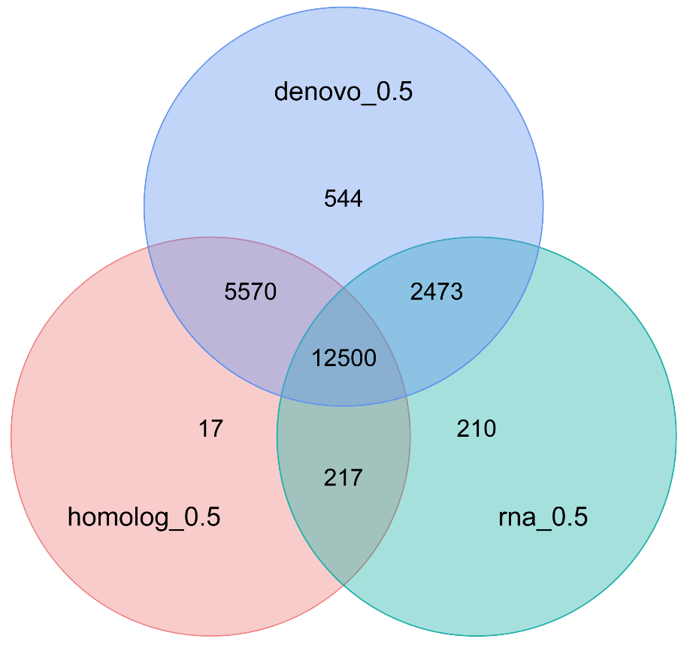

 |  | Fig. 1 | Statistics of gene-set supporting evidence

2.2 Gene function annotation By aligning protein sequences predicted from gene structures to known protein databases, functional information can be assigned to approximately 99.7% of the genes in Montipora capricornis genome (Fig. 2, Table 6).

Table 6. Statistics of gene function annotation
 | Number | Percent (%)
Total | 21,533
Swissprot | 14,572 | 67.70
Nr | 20,997 | 97.50
KEGG | 15,628 | 72.60
InterPro | 21,270 | 98.80
GO | 19,607 | 91.10
Pfam | 14,618 | 67.90
Annotated | 21,458 | 99.70
Unannotated | 75 | 0.30

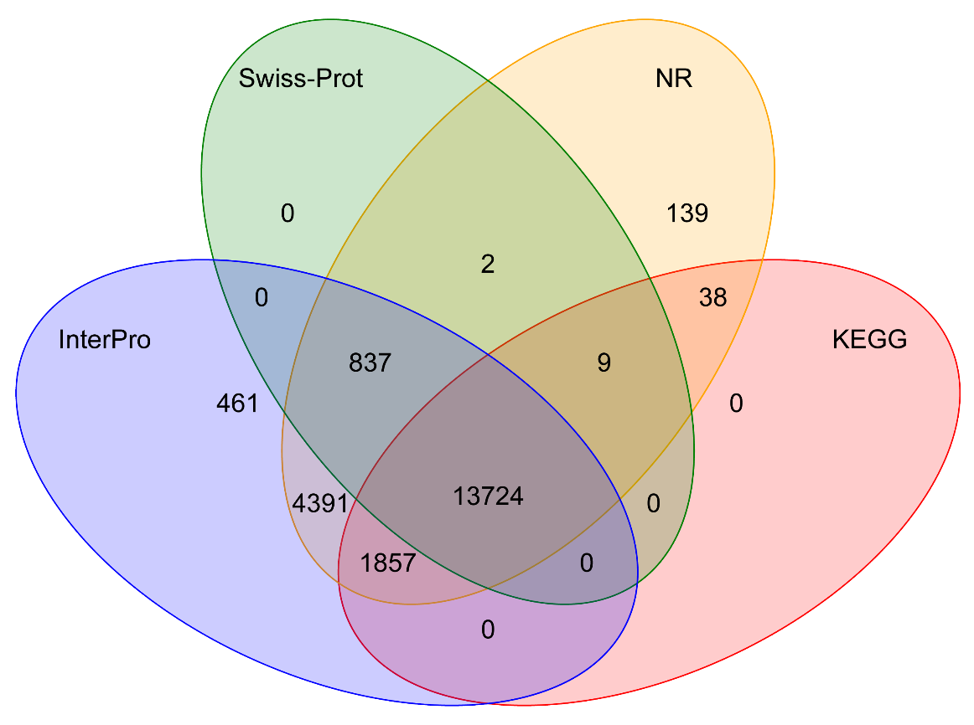

 |  | Fig.2 | Statistics of gene function annotation

3. non-coding RNA (ncRNA) annotation

Table 7. Statistics of non-Coding RNA
Type |  | Copy (w*) | Average length (bp) | Total length (bp) | % of genome
miRNA |  | 3,844 | 122.51 | 470,915 | 0.059638
tRNA |  | 17,209 | 73.99 | 1,273,210 | 0.160000
rRNA | rRNA | 184 | 86.80 | 15,971 | 0.002023
 | 18S | 60 | 55.87 | 3,352 | 0.000425
 | 28S | 32 | 81.94 | 2,622 | 0.000332
 | 5.8S | 82 | 109.46 | 8,976 | 0.001137
 | 5S | 10 | 102.10 | 1,021 | 0.000129
snRNA | snRNA | 1,659 | 164.58 | 273,033 | 0.034578
 | CD-box | 42 | 153.90 | 6,464 | 0.000819
 | HACA-box | 24 | 176.62 | 4,239 | 0.000537
 | splicing | 1,579 | 163.95 | 258,884 | 0.032786

S1.12
Genome annotation statistics for Pocillopora verrucosa
Genome annotation
The workflow is the same as that of Acropora muricata genome.

1. Repetitive sequence annotation
The results demonstrate that approximately 48.46% of the Pocillopora verrucosa genome consists of repeat sequences (Table 1 and 2).

Table 1. Total repeat sequence
 | Repeat size (bp) | % of genome
TRF | 10,326,821 | 2.91
RepeatMasker | 164,221,903 | 46.28
Repeatproteinmask | 20,449,499 | 5.76
Total | 171,965,700 | 48.46

Table 2. Repeat sequence classification
 | Denovo+ Repbase Length (bp) | % in Genome | TE proteins Length (bp) | % in Genome | Combined TEs Length (bp) | % in Genome
DNA | 36,396,559 | 10.256414 | 5,852,792 | 1.649295 | 39,130,363 | 11.026790
LINE | 53,872,155 | 15.180972 | 9,706,821 | 2.735346 | 57,274,784 | 16.139820
LTR | 37,257,230 | 10.498948 | 4,978,819 | 1.403013 | 38,601,190 | 10.877671
SINE | 4,068,967 | 1.146620 | 0 | 0.000000 | 4,068,967 | 1.146620
Other | 0 | 0.000000 | 0 | 0.000000 | 0 | 0.000000
Satellite | 615,957 | 0.173574 | 0 | 0.000000 | 615,957 | 0.173574
Simple_repeat | 5,224,874 | 1.472350 | 0 | 0.000000 | 5,224,874 | 1.472350
Unknown | 43,647,366 | 12.299665 | 0 | 0.000000 | 43,647,366 | 12.299665
Total | 164,221,903 | 46.277119 | 20,449,499 | 5.762592 | 168,880,013 | 47.589757

2. Ggene annotation (gene structure prediction and gene function annotation)
2.1 Gene structure prediction A total of 19,633 genes were predicted in Pocillopora verrucosa genome (Fig. 1, Table 4 and 5) .

Table 4. Statistics of gene structure prediction
Type | Gene set | Number | Average transcript length (bp) | Average CDS length (bp) | Average exons per gene | Average exon length (bp) | Average intron length (bp)
De novo | Geneid | 17,540 | 10,914.67 | 1,572.70 | 6.22 | 252.76 | 1,788.92
 | Augustus | 18,818 | 5,941.68 | 1,562.84 | 7.77 | 201.15 | 646.83
 | GlimmerHMM | 35,297 | 8,676.06 | 882.55 | 4.41 | 200.10 | 2,285.10
 | SNAP | 24,810 | 8,525.31 | 891.14 | 6.21 | 143.43 | 1,464.45
 | Genscan | 15,593 | 15,883.44 | 1,908.37 | 8.42 | 226.70 | 1,883.92
Homolog | Adi | 21,847 | 3,981.57 | 1,171.71 | 4.37 | 267.91 | 832.91
 | Aqu | 10,242 | 2,741.75 | 959.38 | 3.08 | 311.72 | 857.85
 | Bfl | 14,197 | 3,091.15 | 821.37 | 3.47 | 236.56 | 918.17
 | Cin | 10,179 | 3,011.13 | 954.44 | 3.37 | 283.44 | 868.78
 | Dme | 6,532 | 3,130.99 | 971.00 | 3.48 | 278.94 | 870.60
 | Dre | 11,307 | 3,364.22 | 1,010.54 | 3.80 | 266.01 | 840.93
 | Epa | 19,127 | 3,832.72 | 1,158.36 | 4.32 | 268.37 | 806.43
 | Hsa | 9,539 | 3,696.95 | 1,064.30 | 4.18 | 254.53 | 827.50
 | Hvu | 14,249 | 2,442.78 | 883.99 | 2.80 | 316.12 | 867.72
 | Mmu | 9,723 | 3,636.82 | 1,058.36 | 4.17 | 254.05 | 814.45
 | Mvi | 14,651 | 2,921.74 | 976.66 | 3.30 | 296.31 | 847.13
 | Nve | 25,362 | 2,757.09 | 813.33 | 3.37 | 241.07 | 818.83
 | Ofa | 23,963 | 4,251.71 | 1,202.59 | 4.78 | 251.64 | 806.86
 | Spi | 21,685 | 5,062.61 | 1,369.34 | 5.78 | 237.08 | 773.31
 | Spu | 13,278 | 3,262.21 | 1,023.15 | 3.36 | 304.35 | 948.06
RNA-seq | PASA | 37,480 | 7,684.56 | 1,222.42 | 6.33 | 193.01 | 1,211.66
 | Cufflinks | 42,810 | 10,667.71 | 2,971.85 | 7.83 | 379.55 | 1,126.79
EVM |  | 21,440 | 6,481.34 | 1,477.41 | 7.54 | 195.97 | 765.24
Pasa-update* |  | 21,248 | 6,513.36 | 1,513.21 | 7.69 | 196.71 | 747.10
Final set** |  | 19,633 | 6,782.72 | 1,565.75 | 8.05 | 194.46 | 739.82

Table 5. Statistics of gene structure prediction in closely homologous species
Species | Number | Average transcript length (bp) | Average CDS length (bp) | Average exons per gene | Average exon length (bp) | Average intron length (bp)
Adi | 26,060 | 7,072.10 | 1,341.17 | 6.19 | 216.51 | 1,103.27
Epa | 22,199 | 5,380.92 | 1,515.66 | 7.35 | 206.31 | 609.04
Hvu | 20,045 | 14,297.45 | 1,271.36 | 6.01 | 211.38 | 2,597.70
Mvi | 24,278 | 17,684.65 | 1,387.12 | 5.39 | 257.17 | 3,709.23
Nve | 24,773 | 4,447.74 | 1,006.31 | 5.32 | 189.32 | 797.50
Ofa | 25,916 | 7,897.29 | 1,435.79 | 6.58 | 218.04 | 1,156.95
Spi | 24,833 | 7,150.62 | 1,553.94 | 7.19 | 216.06 | 903.84
Mfol | 19,633 | 6,782.72 | 1,565.75 | 8.05 | 194.46 | 739.82

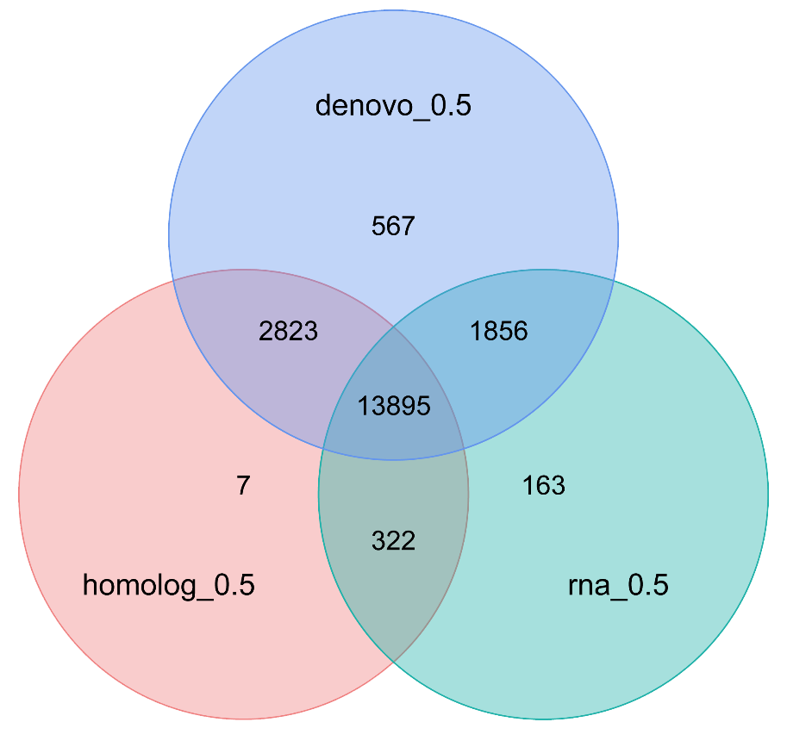

 |  | Fig. 1 | Statistics of gene-set supporting evidence

2.2 Gene function annotation By aligning protein sequences predicted from gene structures to known protein databases, functional information can be assigned to approximately 99.8% of the genes in Pocillopora verrucosa genome (Fig. 2, Table 6).

Table 6. Statistics of gene function annotation
 | Number | Percent (%)
Total | 19,633
Swissprot | 14,693 | 74.80
Nr | 19,297 | 98.30
KEGG | 15,096 | 76.90
InterPro | 19,454 | 99.10
GO | 18,005 | 91.70
Pfam | 14,508 | 73.90
Annotated | 19,585 | 99.80
Unannotated | 48 | 0.20

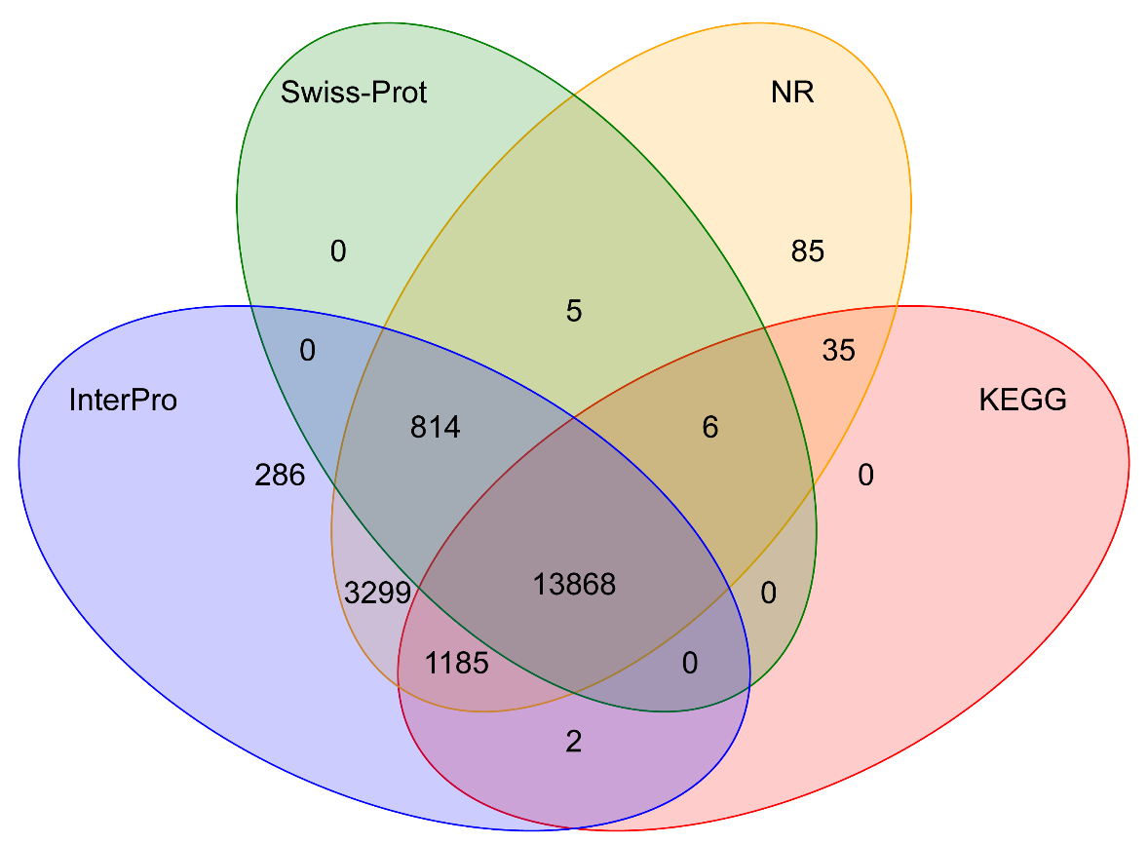

 |  | Fig.2 | Statistics of gene function annotation

3. non-coding RNA (ncRNA) annotation

Table 7. Statistics of non-Coding RNA
Type |  | Copy (w*) | Average length (bp) | Total length (bp) | % of genome
miRNA |  | 457 | 108.45 | 49,561 | 0.013966
tRNA |  | 2,942 | 73.66 | 216,716 | 0.061070
rRNA | rRNA | 4,901 | 268.41 | 1,315,484 | 0.370000
 | 18S | 2,023 | 383.31 | 775,439 | 0.220000
 | 28S | 2,407 | 201.63 | 485,331 | 0.140000
 | 5.8S | 285 | 135.03 | 38,484 | 0.010845
 | 5S | 186 | 87.26 | 16,230 | 0.004574
snRNA | snRNA | 484 | 153.31 | 74,200 | 0.020909
 | CD-box | 25 | 118.56 | 2,964 | 0.000835
 | HACA-box | 14 | 188.93 | 2,645 | 0.000745
 | splicing | 441 | 153.61 | 67,744 | 0.019090

