disease target
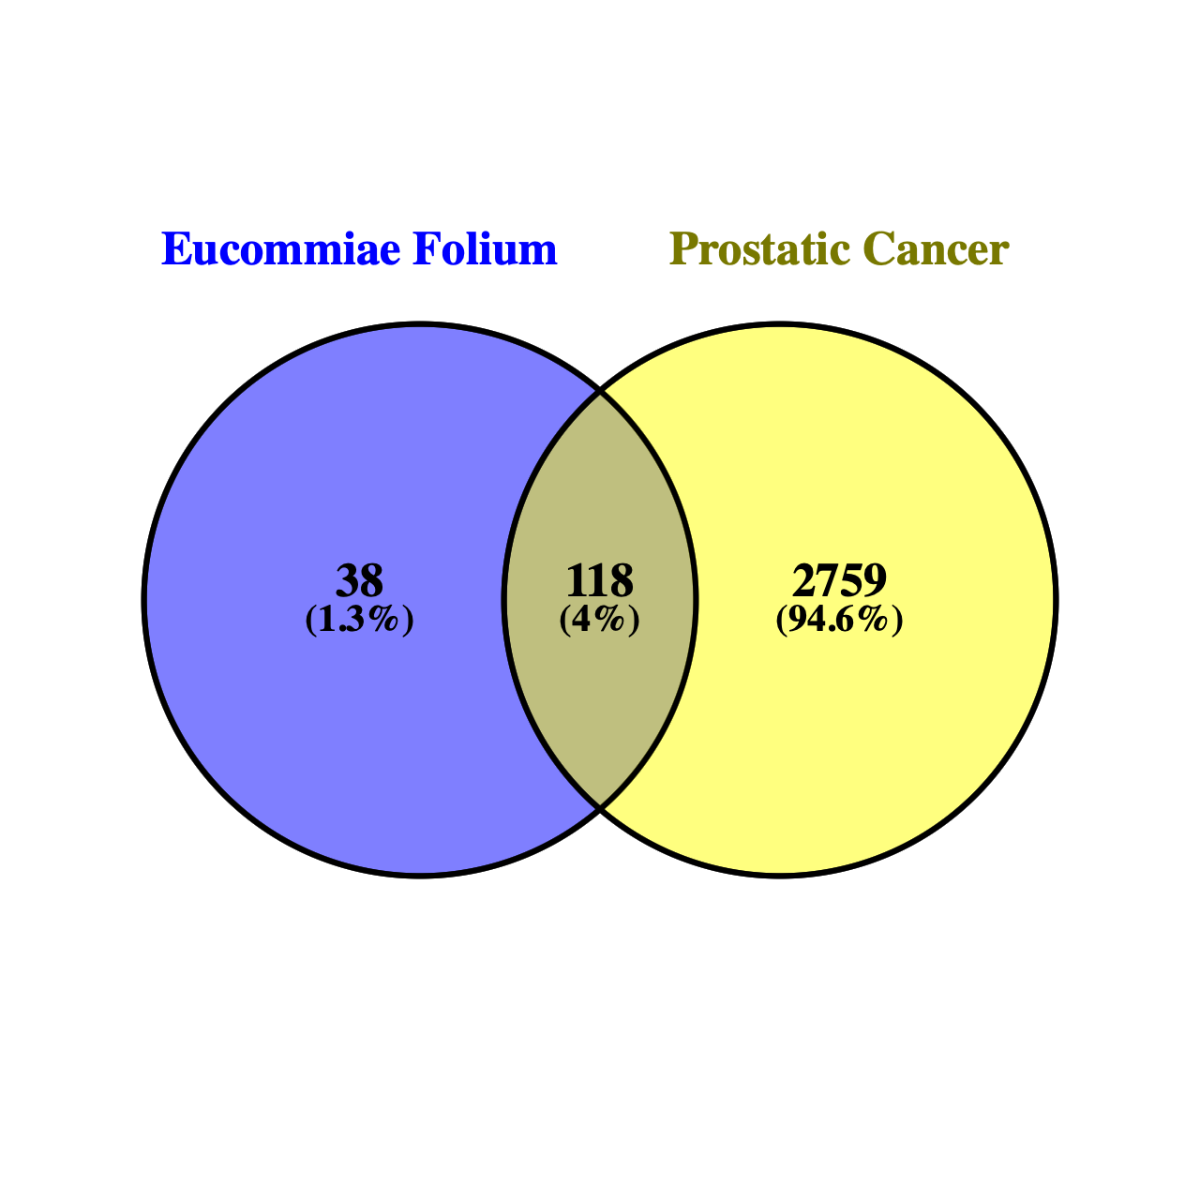
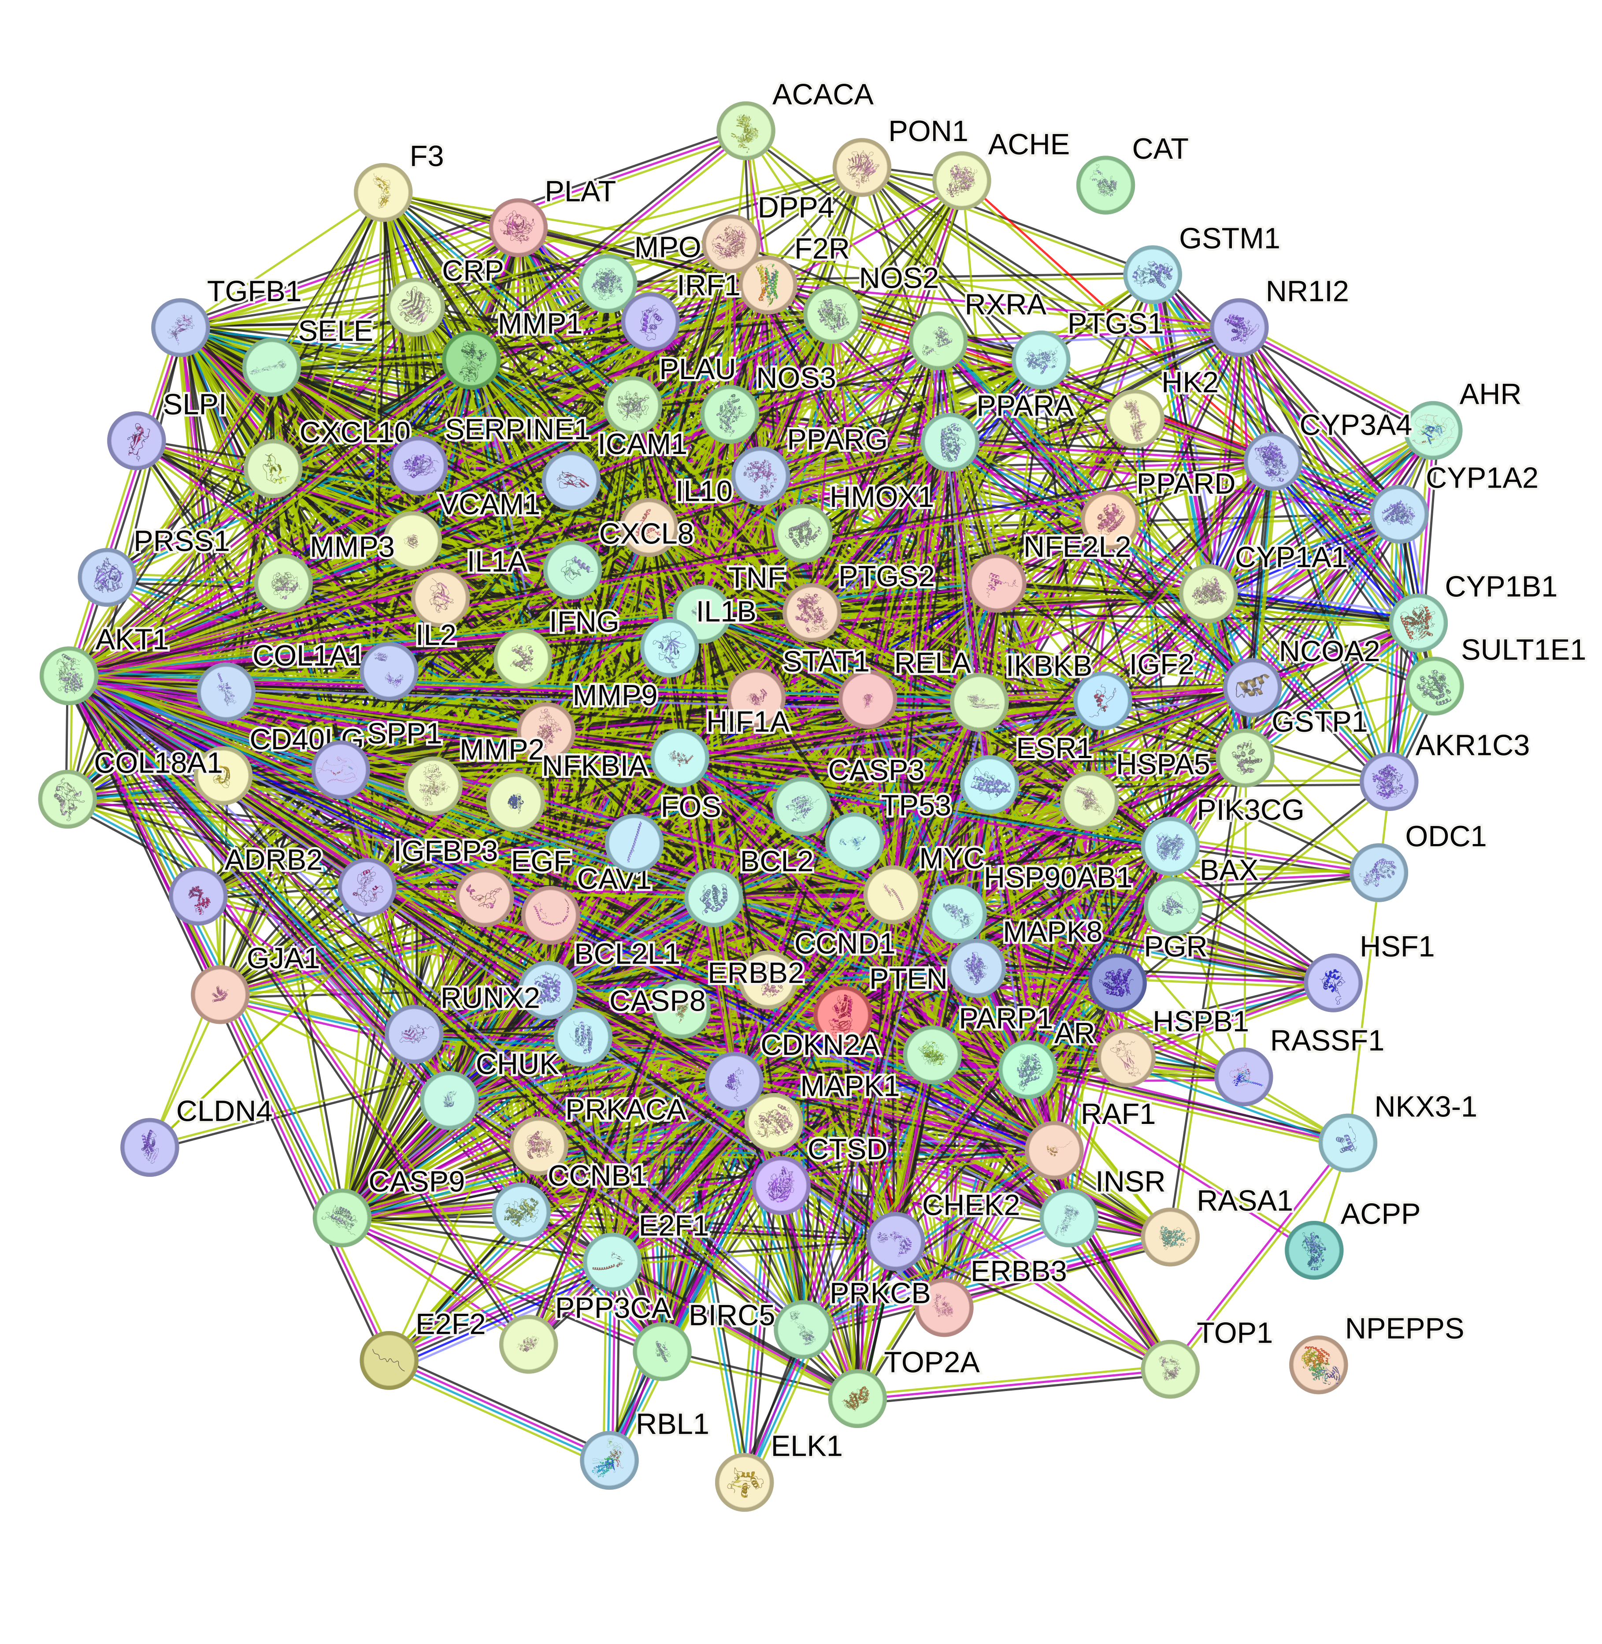
prostatic cancer | disgenet | genecards | OMIM | prostatic cancer | 118 intersecting genes
Prostatic Neoplasms | AR | BRCA2 | PLA2G2A | AR | NOS2
 | PTEN | BRCA1 | EPHB2 | PTEN | PTGS1
 | IGF1 | TP53 | MUTYH | IGF1 | AR
 | NKX3-1 | CHEK2 | RAD54L | NKX3-1 | PPARG
 | CTNNB1 | ATM | BCAR3 | CTNNB1 | PTGS2
 | BRCA2 | PALB2 | NRAS | BRCA2 | HSP90AB1
 | MSMB | CDH1 | FALEC | MSMB | PIK3CG
 | CCND1 | MSH6 | FASLG | CCND1 | PRKACA
 | SRD5A1 | BRIP1 | RNASEL | SRD5A1 | NCOA2
 | TGFBR2 | MSH2 | BLACAT1 | TGFBR2 | DPP4
 | APC | PTEN | PCAP | APC | PRSS1
 | RXRA | MLH1 | FH | RXRA | PGR
 | EGFR | APC | GACAT3 | EGFR | F2R
 | KRAS | BARD1 | MSH2 | KRAS | NOS3
 | KLK3 | EGFR | MSH6 | KLK3 | ACHE
 | ERG | PMS2 | EHBP1 | ERG | RELA
 | TP53 | C11orf65 | BUB1 | TP53 | IKBKB
 | TMPRSS2 | AR | LCO | TMPRSS2 | AKT1
 | AKT1 | POLE | IL1B | AKT1 | BCL2
 | IL6 | NBN | IL1RN | IL6 | BAX
 | VEGFA | PIK3CA | SCHLAP1 | VEGFA | TNF
 | ERBB2 | RAD51D | DIRC1 | ERBB2 | CASP3
 | SRD5A2 | CDKN2A | PCGEM1 | SRD5A2 | MAPK8
 | FOLH1 | ERBB2 | CASP10 | FOLH1 | MMP1
 | GSTP1 | RAD50 | CASP8 | GSTP1 | STAT1
 | CDH1 | AKT1 | BARD1 | CDH1 | HMOX1
 | HIF1A | LOC126862571 | HPC5 | HIF1A | CYP3A4
 | RNASEL | POLD1 | OVCAS1 | RNASEL | CYP1A2
 | BCL2 | KRAS | TGFBR2 | BCL2 | CYP1A1
 | ESR2 | SMAD4 | SCLC1 | ESR2 | ICAM1
 | VDR | NF1 | MLH1 | VDR | SELE
 | STAT3 | CTNNB1 | DLEC1 | STAT3 | VCAM1
 | CDKN1B | RAD51C | CTNNB1 | CDKN1B | NR1I2
 | PTGS2 | MET | TGM4 | PTGS2 | CYP1B1
 | EGF | AXIN2 | RABL3 | EGF | GSTP1
 | EZH2 | STK11 | ACPP | EZH2 | AHR
 | AMACR | H19 | ATR | AMACR | INSR
 | IGFBP3 | RB1 | PIK3CA | IGFBP3 | PPP3CA
 | ZBED1 | HOXB13 | EIF4G1 | ZBED1 | GSTM1
 | MYC | MUTYH | LNCR5 | MYC | AKR1C3
 | TGFB1 | KLK3 | FGFR3 | TGFB1 | SLPI
 | CAV1 | BRAF | PARM1 | CAV1 | ESR1
 | KLF6 | MIR21 | PCAT4 | KLF6 | RXRA
 | MMP9 | PVT1 | ADH1B | MMP9 | CAT
 | CXCL8 | PCAT1 | TLR2 | CXCL8 | TOP2A
 | CLU | RET | PALLD | CLU | ADRB2
 | EGR1 | SMARCA4 | KMHN1 | EGR1 | MMP3
 | ELAC2 | MEG3 | LNCR3 | ELAC2 | EGF
 | CXCL12 | RAD51L3-RFFL | PART1 | CXCL12 | VEGFA
 | BRCA1 | UCA1 | LUCAT1 | BRCA1 | CCND1
 | ETV1 | GAS5 | APC | ETV1 | BCL2L1
 | PTHLH | ALK | MCC | PTHLH | FOS
 | HOXB13 | TSC2 | IRF1 | HOXB13 | CASP9
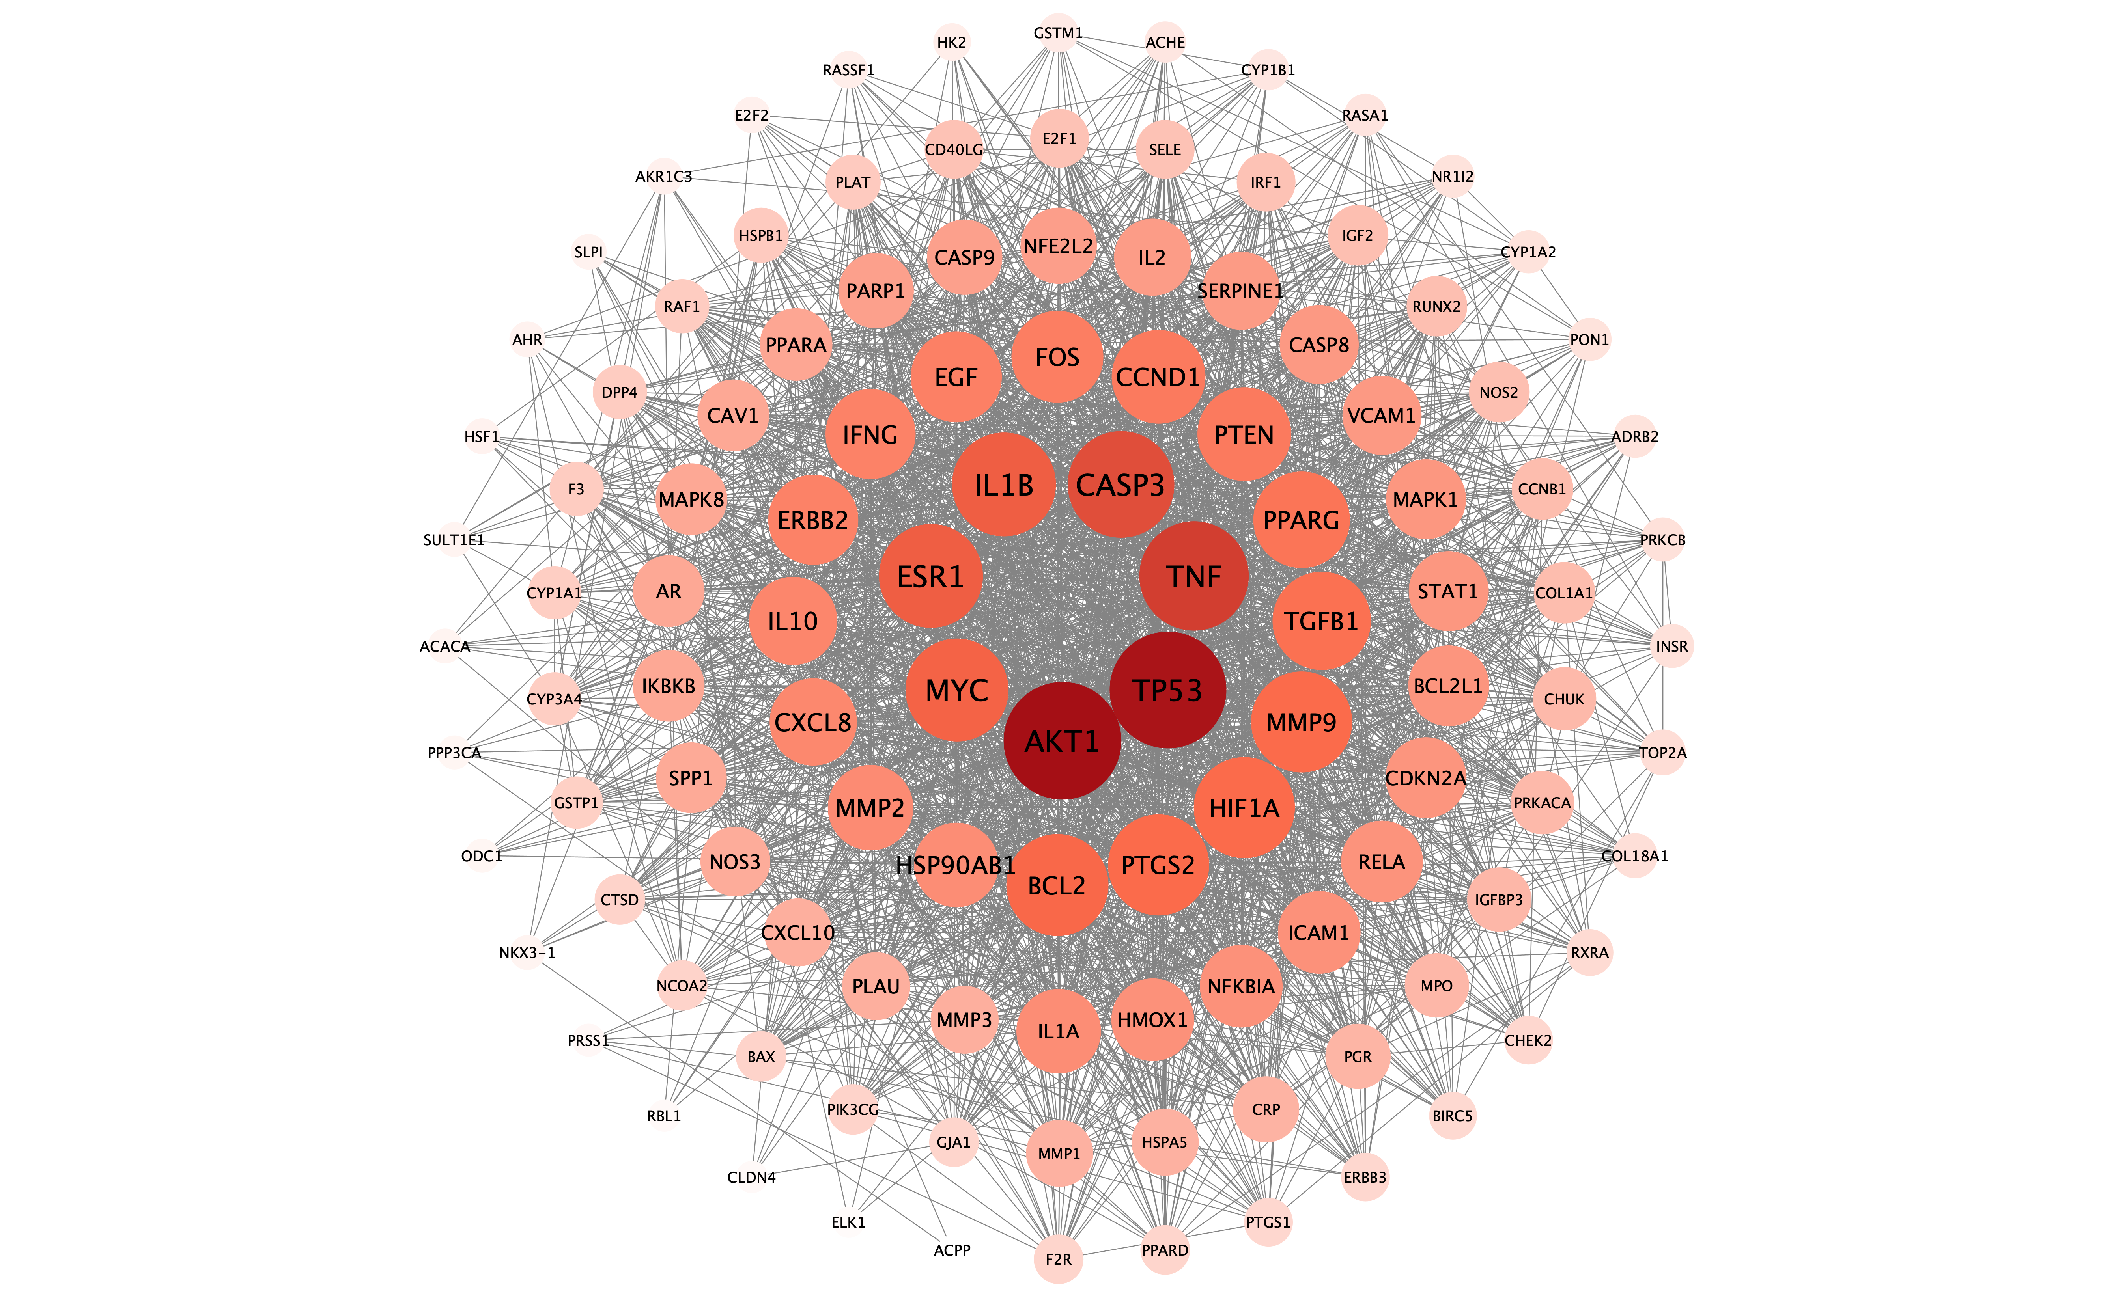
 | ESR1 | MRE11 | HMMR | ESR1 | PLAU
 | PIK3CA | TERT | FGFR4 | PIK3CA | MMP2
 | TERT | HRAS | NQO2 | TERT | MMP9
 | CDKN1A | BLM | CTAG3 | CDKN1A | MAPK1
 | PSCA | MALAT1 | CASC15 | PSCA | IL10
 | SOD2 | MSH3 | LNCR4 | SOD2 | RBL1
 | TNFSF10 | MIR145 | LNCR1 | TNFSF10 | CDKN2A
 | CYP1A1 | CDKN2B-AS1 | PBOV1 | CYP1A1 | TP53
 | HPN | ESR1 | SASH1 | HPN | ELK1
 | MME | MLH3 | ESR1 | MME | NFKBIA
 | MSR1 | MIR125A | PRKN | MSR1 | ODC1
 | PIK3CB | MIR221 | MAD1L1 | PIK3CB | CASP8
 | GDF15 | PCA3 | PMS2 | GDF15 | TOP1
 | CHEK2 | RNASEL | HPC4 | CHEK2 | RAF1
 | UGT2B17 | XIST | EGFR | UGT2B17 | HIF1A
 | GSTM1 | HOTAIR | VOPP1 | GSTM1 | HSPA5
 | PLAU | DICER1 | PTPN12 | PLAU | ERBB2
 | CYP1B1 | CTNNA1 | GAEC1 | CYP1B1 | ACACA
 | GRPR | MIR143 | BRAF | GRPR | CAV1
 | ITGB3 | CDKN1B | DLC1 | ITGB3 | MYC
 | KLK2 | MIR34A | PDGFRL | KLK2 | F3
 | PIK3CD | CCAT2 | CLU | PIK3CD | GJA1
 | MXI1 | MIR17 | RB1CC1 | MXI1 | IL1B
 | CYP17A1 | MYC | RAD54B | CYP17A1 | CXCL8
 | VIM | CDK4 | CRCS6 | VIM | PRKCB
 | FOXO1 | PTCH1 | CRCS2 | FOXO1 | BIRC5
 | MET | TUG1 | HPC10 | MET | HSPB1
 | NOS3 | CASC2 | PCAT1 | NOS3 | TGFB1
 | EAF2 | MIR141 | PCAT2 | EAF2 | SULT1E1
 | BAD | FGFR2 | PRNCR1 | BAD | IL2
 | ERBB3 | MIR222 | CASC19 | ERBB3 | CCNB1
 | GSTT1 | MIR205 | CCAT1 | GSTT1 | PLAT
 | SPOP | MIR31 | CASC21 | SPOP | SERPINE1
 | CYP19A1 | MIR182 | CASC8 | CYP19A1 | COL1A1
 | GSK3B | MIR30A | CCAT2 | GSK3B | IFNG
 | PARP1 | MIR126 | CASC11 | PARP1 | PTEN
 | FGF2 | MIR146A | PSCA | FGF2 | IL1A
 | SIRT1 | CCND1 | CDKN2A | SIRT1 | MPO
 | EHF | EPCAM | MSMP | EHF | NFE2L2
 | BIRC5 | SRD5A2 | PCA3 | BIRC5 | PARP1
 | ICAM1 | KIT | FOXE1 | ICAM1 | CHEK2
 | MIF | MIR20A | GALNT12 | MIF | CLDN4
 | MTHFR | ELAC2 | 2023-12-01 | MTHFR | PPARA
 | ST14 | MIRLET7C | SCAI | ST14 | PPARD
 | CALCA | NEAT1 | ST12 | CALCA | HSF1
 | FOXA1 | MIR200B | KLF6 | FOXA1 | CRP
 | NAT2 | MIR214 | CRCS5 | NAT2 | CXCL10
 | ETV4 | HOTTIP | MAP3K8 | ETV4 | CHUK
 | SLC39A1 | HULC | MSMB | SLC39A1 | SPP1
 | ZFHX3 | MIR195 | ERCC6 | ZFHX3 | RUNX2
 | PIK3R1 | BAP1 | SNCG | PIK3R1 | RASSF1
 | BMP7 | MIR27A | PTEN | BMP7 | E2F1
 | NDRG1 | MSMB | MXI1 | NDRG1 | E2F2
 | ANXA1 | MIR223 | HABP2 | ANXA1 | ACP3
 | LEP | BMPR1A | CASC2 | LEP | CTSD
 | MDM2 | MIR210 | FGFR2 | MDM2 | IGFBP3
 | SERPINF1 | FANCC | HRAS | SERPINF1 | IGF2
 | PLAUR | MSR1 | SLC22A1L | PLAUR | CD40LG
 | MAPK3 | TSC1 | PTPRJ | MAPK3 | IRF1
 | RLN2 | ZFAS1 | FOLH1 | RLN2 | ERBB3
 | BGLAP | MIR10B | HPC14 | BGLAP | PON1
 | HNF1B | MIR29A | CCND1 | HNF1B | NPEPPS
 | UGT2B15 | KLF6 | ORAOV1 | UGT2B15 | HK2
 | DAB2IP | MIR106B | CTTN | DAB2IP | NKX3-1
 | CYP3A5 | DANCR | GCRG224 | CYP3A5 | RASA1
 | FGFR4 | FGFR3 | ATM | FGFR4
 | FHIT | MIR183 | CRCS7 | FHIT
 | IL27 | MIR106A | TSG11 | IL27
 | KLK5 | MIR203A | COLCA1 | KLK5
 | MIR21 | KCNQ1OT1 | COLCA2 | MIR21
 | ADAM9 | MIR100 | PPP2R1B | ADAM9
 | ATM | PRNCR1 | HEPN1 | ATM
 | EZR | SPRY4-IT1 | PATE | EZR
 | AGR2 | HNF1B | OPCML | AGR2
 | BRAF | MIR99A | CASC1 | BRAF
 | TPD52 | MIR224 | KRAS | TPD52
 | XRCC1 | MIRLET7B | ACVR1B | XRCC1
 | TLR6 | MTOR | SRGAP1 | TLR6
 | VAV3 | FH | ALDH2 | VAV3
 | CREB3L4 | MIR15A | CDK2AP1 | CREB3L4
 | CYP3A4 | MIR127 | POLE | CYP3A4
 | NQO1 | MIRLET7D | BRCA2 | NQO1
 | LPAR1 | MIR148A | RB1 | LPAR1
 | ETV5 | MIR199A1 | NKX2-1 | ETV5
 | ALOX5 | CASP8 | CRCS8 | ALOX5
 | IGF2R | MIR96 | MLH3 | IGF2R
 | JAK1 | MIR22 | XRCC3 | JAK1
 | MLH1 | FLCN | AKT1 | MLH1
 | MT2A | PDGFRA | HPC7 | MT2A
 | MUC4 | ZFHX3 | BUB1B | MUC4
 | SERPINE1 | MIR191 | RAD51 | SERPINE1
 | PON1 | MIR23B | HMPS1 | PON1
 | PPP2R2A | CCAT1 | PCAT29 | PPP2R2A
 | BAX | MIR320A | CHRNA5 | BAX
 | RB1 | MIR25 | CHRNA3 | RB1
 | SLC22A3 | STAT3 | IQGAP1 | SLC22A3
 | SOX2 | SNHG1 | BCAR4 | SOX2
 | SPINK1 | MIR149 | PALB2 | SPINK1
 | TGFA | MIR181A1 | TEPP | TGFA
 | TIMP4 | MXI1 | CRCS9 | TIMP4
 | TLR4 | EPHB2 | CDH1 | TLR4
 | VIP | MAPK1 | NQO1 | VIP
 | PALB2 | MIAT | ZFHX3 | PALB2
 | TNFRSF10A | MIR23A | BCPR | TNFRSF10A
 | NRP1 | MIR199B | HIC1 | NRP1
 | CCND2 | TGFBR2 | TP53 | CCND2
 | NAT1 | PCAT7 | ELAC2 | NAT1
 | ABCC4 | MIR497 | FLCN | ABCC4
 | LZTS1 | TERC | HPC11 | LZTS1
 | GCNT1 | ERBB3 | RAD51D | GCNT1
 | IGFBP7 | SCHLAP1 | ERBB2 | IGFBP7
 | IL2 | MIR296 | HPC9 | IL2
 | IRS1 | MIR27B | BRCA1 | IRS1
 | STMN1 | MIRLET7G | HOXB13 | STMN1
 | PODXL | KIF1B | PHB1 | PODXL
 | PAK6 | MDM2 | MPO | PAK6
 | SELENOP | BAX | RNF43 | SELENOP
 | UMPS | PCAT6 | RAD51C | UMPS
 | EIF3H | VEGFA | PPM1D | EIF3H
 | CYP7B1 | PCAT29 | BRIP1 | CYP7B1
 | CREBBP | MIR10A | AXIN2 | CREBBP
 | IL10 | EP300 | RHBDF2 | IL10
 | NGFR | TP53COR1 | GACAT2 | NGFR
 | SLC5A5 | MIR29B2 | PCAT18 | SLC5A5
 | NCOA3 | SDHA | SMAD7 | NCOA3
 | AKR1C3 | CBR3-AS1 | SMAD4 | AKR1C3
 | MED12 | AOPEP | DCC | MED12
 | CDH13 | MIR26B | STK11 | CDH13
 | SCHLAP1 | DRAIC | UCA1 | SCHLAP1
 | NCOA2 | PTENP1 | HPCQTL19 | NCOA2
 | ADAM28 | MIR32 | CYP2A6 | ADAM28
 | IL24 | BCL2 | PCAT19 | IL24
 | CLDN7 | PCGEM1 | BAX | CLDN7
 | CYP2C19 | FOLH1 | POLD1 | CYP2C19
 | DAG1 | MIR345 | HPC15 | DAG1
 | DNMT1 | MIR16-1 | CRCS11 | DNMT1
 | AHR | MAP2K1 | SRC | AHR
 | ERF | MIR375 | BLCAP | ERF
 | FGF10 | JUN | HPC3 | FGF10
 | BRD4 | PCAT2 | NCOA3 | BRD4
 | TMEFF2 | MIR181B1 | AURKA | TMEFF2
 | GHR | SNHG5 | PMEPA1 | GHR
 | GJA1 | PALLD | TFF1 | GJA1
 | GNMT | RNY3 | HIC2 | GNMT
 | ABR | RHOA | CHEK2 | ABR
 | NR3C1 | RAD51 | HPC6 | NR3C1
 | EFEMP2 | ERCC2 | EP300 | EFEMP2
 | HNRNPH1 | POLK | PLA2B | HNRNPH1
 | HRAS | MEN1 | EPHT3 | HRAS
 | ID3 | NRAS | MYH | ID3
 | IL1RN | FALEC | HR54 | IL1RN
 | ITPR1 | XRCC2 | SH2D3B | ITPR1
 | JUP | SRA1 | ALPS4 | JUP
 | ARG2 | FENDRR | FAL1 | ARG2
 | LAMC1 | CYP17A1 | TNFSF6 | LAMC1
 | LPL | IL6 | RNS4 | LPL
 | LRP2 | FBXW7 | LINC00912 | LRP2
 | MAP3K1 | MAD1L1 | HLRCC | MAP3K1
 | MPO | MKI67 | LINC01458 | MPO
 | ATF3 | VHL | COCA1 | ATF3
 | OGG1 | NFE2L2 | GTBP | OGG1
 | PAWR | IDH1 | KIAA0903 | PAWR
 | DCXR | MIR331 | MCPH30 | DCXR
 | PDHA1 | RNY1 | MVCD4 | PDHA1
 | PML | MIR202 | PCAT114 | PML
 | ATR | LRRC56 | MCH4 | ATR
 | PPARA | ACP3 | MCH5 | PPARA
 | TET2 | TGFB1 | HNPCC6 | TET2
 | EIF2AK2 | LINC-ROR | COCA2 | EIF2AK2
 | PRNP | MIR30B | DLC1 | PRNP
 | PARD3 | PPARG | NEDSDV | PARD3
 | AZGP1 | IGF2-AS | PNCA5 | AZGP1
 | B2M | PCSEAT | FRP1 | B2M
 | KLKP1 | MIR151A | CLOVE | KLKP1
 | CX3CL1 | MIR155 | EIF4G | CX3CL1
 | BMPR1B | MIR34C | ACH | BMPR1B
 | SPOCK1 | PCAT14 | CIPAR1 | SPOCK1
 | SULT1E1 | MIR498 | GDEP | SULT1E1
 | SULT1A1 | FAS | ADH2 | SULT1A1
 | PRDX2 | HIF1A | TIL4 | PRDX2
 | TMF1 | EGOT | KIAA0992 | TMF1
 | TPT1 | PCAT18 | SCAL1 | TPT1
 | HSP90B1 | LZTR1 | GS | HSP90B1
 | ZBTB16 | PCAT5 | MAR | ZBTB16
 | DDR1 | SRC | NMOR2 | DDR1
 | STEAP4 | MIR503 | CAGE1 | STEAP4
 | CALR | POU5F1B | LINC00340 | CALR
 | PCDH11Y | DUXAP9 | UROC28 | PCDH11Y
 | UXT | GSTP1 | KIAA0790 | UXT
 | CASP9 | VEGFC | ESR | CASP9
 | IL17RC | IGF2 | PARK2 | IL17RC
 | USO1 | FGFR1 | TXBP181 | USO1
 | NCOA1 | MIR200C | PMSL2 | NCOA1
 | CD9 | NTHL1 | NISBD2 | CD9
 | BCAR1 | ZFHX3-AS1 | ECOP | BCAR1
 | CTCF | RAF1 | PTPG1 | CTCF
 | CST6 | CDKN1A | NS7 | CST6
 | ADRB2 | MIR146B | PDGRL | ADRB2
 | ACE | PCOTH | CLI | ACE
 | GADD45A | LOC126806658 | CC1 | GADD45A
 | DNMT3B | ITGB1 | PCA2 | DNMT3B
 | ERCC2 | GALNT12 | PCAT8 | ERCC2
 | RFX6 | MIR184 | LINC01245 | RFX6
 | SSBP2 | XRCC3 | CARLO5 | SSBP2
 | GSTA1 | MIR198 | LINC01244 | GSTA1
 | HSD3B1 | SDHB | LINC00860 | HSD3B1
 | HSD3B2 | EGF | LINC00990 | HSD3B2
 | IL16 | BCAR4 | MTS1 | IL16
 | IL18 | PTPN11 | PSMP | IL18
 | INS | PTGS2 | DD3 | INS
 | MIR106A | CDK2 | FKHL15 | MIR106A
 | MSH3 | RECQL | CRCS1 | MSH3
 | POLK | IL1B | C9orf126 | POLK
 | PDP1 | SMARCB1 | PAC1 | PDP1
 | IL17RD | CDC73 | COPEB | IL17RD
 | ADI1 | MIR370 | COT | ADI1
 | PRKACB | MIR92A2 | HPC13 | PRKACB
 | PRKCZ | PIK3R1 | CKN2 | PRKCZ
 | CYP3A43 | FANCM | BCSG1 | CYP3A43
 | BNIP3 | SOD2 | MMAC1 | BNIP3
 | TYMS | VDR | PHBP | TYMS
 | PPFIBP2 | TNF | BEK | PPFIBP2
 | ALDH1A2 | MIR491 | BWSCR1A | ALDH1A2
 | CPNE3 | LINC00963 | DEP1 | CPNE3
 | GREB1 | DHFR | FOLH | GREB1
 | EPHX1 | FASLG | PRAD1 | EPHX1
 | ZMYM3 | MIR99B | TAOS1 | ZMYM3
 | STARD3 | GNAS | EMS1 | STARD3
 | ZNF292 | NF2 | ATA | ZNF292
 | APEX1 | ATR | LAS1 | APEX1
 | IL6ST | TRPM2-AS | KRAS2 | IL6ST
 | NBN | GSTM1 | ACVRLK4 | NBN
 | NFE2L2 | BUB1B | KIAA1304 | NFE2L2
 | CNOT3 | ESR2 | DOC1 | CNOT3
 | PDE4D | ABRAXAS1 | CRCS12 | PDE4D
 | PRKDC | IGF1 | FANCD1 | PRKDC
 | USP28 | MMP2 | TITF1 | USP28
 | SHBG | MIR18A | HNPCC7 | SHBG
 | ARID1A | PIK3CG | CMM6 | ARID1A
 | KEAP1 | CASP3 | CWS6 | KEAP1
 | HDAC6 | MIR200A | BUBR1 | HDAC6
 | TOM1L1 | AURKA | RECA | TOM1L1
 | PCAT1 | ERBB4 | CRAC1 | PCAT1
 | CDH12 | TH2LCRR | LNCR2 | CDH12
 | PDZK1IP1 | MUC4 | LNCR2 | PDZK1IP1
 | PATJ | PSCA | SAR1 | PATJ
 | CDK2AP2 | CASC8 | FANCN | CDK2AP2
 | SPON2 | DNMT3A | UVO | SPON2
 | OLFM1 | MUC16 | DIA4 | OLFM1
 | MYBBP1A | LOC109504725 | ATBF1 | MYBBP1A
 | FBLN5 | MIR335 | P53 | FBLN5
 | TXNRD2 | KLK2 | HPC2 | TXNRD2
 | IVNS1ABP | PMS1 | BHD | IVNS1ABP
 | CENPF | RINT1 | RAD51L3 | CENPF
 | CAMKK2 | SHC1 | NGL | CAMKK2
 | CELF2 | AKT2 | PSCP | CELF2
 | STARD10 | CYP19A1 | HPC9 | STARD10
 | WASF3 | MMP9 | RNF124 | WASF3
 | PGRMC1 | IL2 | FANCO | PGRMC1
 | RALBP1 | ERG | WIP1 | RALBP1
 | KDELR1 | CTBP1-AS | BACH1 | KDELR1
 | CBX1 | MIR449A | ODCRCS | CBX1
 | SERINC3 | FGFR4 | IRHOM2 | SERINC3
 | ERP29 | SNHG16 | MTCL1AS1 | ERP29
 | SPINK5 | EZH2 | LINC01092 | SPINK5
 | CHD1 | MIR29C | MADH7 | CHD1
 | CHD3 | SPOP | MADH4 | CHD3
 | ADAMTS8 | BIRC5 | MRMV1 | ADAMTS8
 | BAZ2A | MIR150 | PJS | BAZ2A
 | PKP3 | MIR140 | LINC00178 | PKP3
 | AKAP13 | RECQL4 | CYP2A3 | AKAP13
 | CHST14 | MIR139 | LINC01190 | CHST14
 | TIRAP | MIR93 | CRCS10 | TIRAP
 | FOXP4 | CXCL8 | ASV | FOXP4
 | ANTXR2 | MIR204 | BC10 | ANTXR2
 | SERPINA3 | SOCS2-AS1 | AIB1 | SERPINA3
 | TPP1 | THBS4 | STK15 | TPP1
 | PAQR4 | ZEB1 | TMEPAI | PAQR4
 | CNN3 | MIR30E | BCEI | CNN3
 | COL5A1 | ROCK1 | HRG22 | COL5A1
 | COL15A1 | CEACAM5 | RAD53 | COL15A1
 | COMT | MIR133B | RSTS2 | COMT
 | SLC31A1 | HOXA11-AS | PLA2L | SLC31A1
 | SPATA18 | HAGLR | DRT | SPATA18
 | NCOA7 | CDKN2B | HRAD54 | NCOA7
 | CLDN3 | PPP2R1A | NSP2 | CLDN3
 | ASZ1 | NRG1 | NS6 | ASZ1
 | TAF1L | RUNX1 | APT1LG1 | TAF1L
 | CRYAB | TMPRSS2 | PRCA1 | CRYAB
 | SESN3 | ARID1A | MCUL1 | SESN3
 | CSRP1 | XRCC1 | FCC1 | CSRP1
 | CST1 | NOTCH1 | LYNCH5 | CST1
 | CTBP2 | POT1 | HPC12 | CTBP2
 | PYHIN1 | IGF1R | DIRA | PYHIN1
 | IGSF5 | ERCC5 | LINC00913 | IGSF5
 | CTSB | SKP2 | ALPS2 | CTSB
 | CTSD | MUC1 | ALPS2B | CTSD
 | CYP2A6 | SUFU | AAT3 | CYP2A6
 | CYP2C18 | LINC01138 | LYNCH2 | CYP2C18
 | CYP2E1 | WT1 | EVR7 | CYP2E1
 | CYP11B2 | PGR | SCKL1 | CYP11B2
 | DEFB1 | LINC01564 | MCAP | DEFB1
 | DNASE1L2 | CYP1A1 | PARK18 | DNASE1L2
 | EHHADH | ERCC4 | PNCA1 | EHHADH
 | ARID2 | CYTOR | FPC | ARID2
 | EMP1 | BCYRN1 | UC28 | EMP1
 | UNC13D | HCG11 | CAPOK | UNC13D
 | EMP3 | IGFBP3 | ESTRR | EMP3
 | ALAD | CREBBP | PDJ | ALAD
 | ETV3 | WDFY3 | MVA7 | ETV3
 | EWSR1 | SOX9 | HNPCC4 | EWSR1
 | ACSL4 | TH2-LCR | GASP | ACSL4
 | FBLN1 | MIR451A | PRLTS | FBLN1
 | JAZF1 | FANCD2 | SGP2 | JAZF1
 | LMTK2 | PARP1 | KIAA0203 | LMTK2
 | DHX30 | POTEF-AS1 | CARLO4 | DHX30
 | FOXC1 | XLOC_007697 | CARLO6 | FOXC1
 | SPEN | PHB1 | CARLO2 | SPEN
 | ERP44 | MIR373 | CARLO1 | ERP44
 | FAF2 | SMAD7 | CARLO7 | FAF2
 | ARL6IP1 | ABCB1 | P16 | ARL6IP1
 | JMJD6 | MIR521-1 | TITF2 | JMJD6
 | PDS5A | DDX19A-DT | BCD1 | PDS5A
 | RPRD2 | CD44 | EST | RPRD2
 | MGA | CXCR4 | COFS1 | MGA
 | EHBP1 | NTRK1 | GLM2 | EHBP1
 | JADE2 | KDR | HGFAL | JADE2
 | AHCYL2 | KRT19 | CFD1 | AHCYL2
 | SF3B1 | TNFSF10 | IMPT1 | SF3B1
 | SDF2L1 | IRF1 | THC10 | SDF2L1
 | ALOX12B | XLOC_008559 | PSM | ALOX12B
 | CIZ1 | XLOC_009911 | BCL1 | CIZ1
 | GALNT3 | ERCC6 | AT1 | GALNT3
 | CLIC4 | LRRC74B | PPP1R54 | CLIC4
 | SENP6 | SUZ12P1 | RASK2 | SENP6
 | ZBTB20 | WARS2-IT1 | ALK4 | ZBTB20
 | PHGDH | PPM1D | NMTC2 | PHGDH
 | LCE2B | HSP90AA1 | FILS | LCE2B
 | PLEK2 | MIR9-1 | BROVCA2 | PLEK2
 | GGT1 | IL10 | NKX2A | GGT1
 | TJP3 | MIR185 | MVA1 | TJP3
 | TNFRSF21 | PRINS | MRMV2 | TNFRSF21
 | DHDH | CTAG1B | CRCS4 | DHDH
 | GNG5 | MIR98 | PAOD2 | GNG5
 | ABO | SOS1 | PNCA3 | ABO
 | GOLGA4 | PRKAR1A | LCAM | GOLGA4
 | NEAT1 | U2AF1 | NMOR1 | NEAT1
 | TTC9C | GREM1 | LFS1 | TTC9C
 | RGMB | YAP1 | COXPD17 | RGMB
 | GPX3 | CD274 | BROVCA4 | GPX3
 | GRB7 | SNHG12 | NEU | GRB7
 | KLF15 | CASP9 | BROVCA1 | KLF15
 | SETD2 | PLAU | SSPCS | SETD2
 | THYN1 | SMKR1 | BROVCA3 | THYN1
 | PDIA3 | BCL2L1 | JDVS | PDIA3
 | GSTM3 | AFAP1-AS1 | FANCJ | GSTM3
 | PSMC3IP | DLC1 | TOC | PSMC3IP
 | HBG1 | MIR19A | CRCS3 | HBG1
 | HBG2 | MIR142 | DPC4 | HBG2
 | ANXA3 | CASC9 | HGPPS2 | ANXA3
 | ANXA4 | NKX3-1 | LKB1 | ANXA4
 | HMGB2 | MIR424 | CUDR | HMGB2
 | AOX1 | EGFR-AS1 | CYP2A | AOX1
 | HMOX1 | TP63 | MDPL | HMOX1
 | FOXA3 | E2F1 | SRC1 | FOXA3
 | HOXB9 | SOX2-OT | TNRC14 | HOXB9
 | HOXD3 | HMMR | AURORA2 | HOXD3
 | HPGD | MMP1 | KIAA1020 | HPGD
 | HSD17B1 | MIR122 | CHK2 | HSD17B1
 | HSD17B3 | BANCR | MKHK2 | HSD17B3
 | HSPA1A | SERPINA3 | MOM1 | HSPA1A
 | HSP90AB1 | ERCC1 | ERK | HSP90AB1
 | IDH1 | FGF2 | CMNS | IDH1
 | IGFBP6 | ABCG2 | FASL | IGFBP6
 | FASLG | MIR101-1 | HPC1 | FASLG
 | JAK2 | CDK1 | FMRD | JAK2
 | GSTK1 | MIR31HG | LYNCH1 | GSTK1
 | SP5 | XPC | MMRCS3 | SP5
 | LAMB2 | EHBP1 | CRMO2 | LAMB2
 | LDHB | BMP6 | MFS2 | LDHB
 | LIFR | PRKN | MMRCS1 | LIFR
 | EPCAM | CDKN3 | FCTCS | EPCAM
 | M6PR | MGMT | MCM | M6PR
 | MBD1 | MIR128-2 | BTPS2 | MBD1
 | MC2R | MIRLET7A1 | DUH1 | MC2R
 | KMT2A | LOC111589215 | LYNCH4 | KMT2A
 | ACHE | MUC2 | TRPM2 | ACHE
 | MMP13 | MIR15B | MLM | MMP13
 | MTAP | MIR24-1 | TTF2 | MTAP
 | MYCL | RECK | ZF9 | MYCL
 | NAGLU | CRNDE | TPL2 | NAGLU
 | NFIC | FLT1 | CSB | NFIC
 | NPPA | HNF1A-AS1 | CWS1 | NPPA
 | NPR3 | MIR215 | FSAP | NPR3
 | NUCB2 | MIR192 | JWS | NUCB2
 | P4HB | NQO1 | PSMA | P4HB
 | NOX3 | DNMT1 | NS | NOX3
 | COL5A3 | MIR125B1 | IMAGEI | COL5A3
 | ITSN2 | FANCE | GLM3 | ITSN2
 | PAX6 | MTHFR | TTF1 | PAX6
 | PCDH8 | WRN | FANCR | PCDH8
 | CRYL1 | TNFRSF10B | DUP15q | CRYL1
 | RLIM | SDHC | BAIPRCK | RLIM
 | IRAK4 | SNHG7 | BROVCA5 | IRAK4
 | PIGP | MIR34B | ECAD | PIGP
 | WAC | JAK2 | BCC7 | WAC
 | ZBTB7A | SMAD3 | HER2 | ZBTB7A
 | PTRH2 | HGF | PNCA4 | PTRH2
 | RASD1 | TYMS | JIP | RASD1
 | SLC26A4 | FANCA | P450C2A | SLC26A4
 | PDZK1 | SRD5A1 | THC6 | PDZK1
 | CDK12 | LUCAT1 | BTAK | CDK12
 | PENK | ERCC3 | CDS1 | PENK
 | PGAM2 | MT-CYB | PCBC | PGAM2
 | SERPINB10 | MIR152 | NCMS | SERPINB10
 | PIK3R2 | RASSF1 | ALPS1B | PIK3R2
 | PITX3 | MAPK8 | MMRCS2 | PITX3
 | LRP1B | FLT4 | LDS2 | LRP1B
 | PMS1 | MAPK3 | MCMTC | PMS1
 | RAB4B | MIR338 | DESMD | RAB4B
 | PRRX1 | SDHD | CMM2 | PRRX1
 | ATP7B | SDHAF2 | NMTC4 | ATP7B
 | WNT4 | ABL1 | ARMD5 | WNT4
 | HAO1 | HNF1A | NMTC5 | HAO1
 | DNAJC10 | MIR107 | TK14 | DNAJC10
 | CCHCR1 | SP1 | CFC2 | CCHCR1
 | TRPM4 | TOP2A | PNCA2 | TRPM4
 | SAMD9 | TP73 | NMTC1 | SAMD9
 | RNF43 | TGFA | C15DUPq | RNF43
 | CASZ1 | CAV1 | BCDS1 | CASZ1
 | PPL | SMARCE1 | BMFS5 | PPL
 | NOL8 | GDF15 | VSCN2 | NOL8
 | RNF31 | ZEB2 | FANCS | RNF31
 | APPL2 | STAT1 | MYHRS | APPL2
 | ATAD3A | CXCL12 | ARK1 | ATAD3A
 | PPP3CA | FANCG | TPDS4 | PPP3CA
 | RFK | CYP1B1 | PCBC | RFK
 | TBC1D2 | RAD54L | NCMS | TBC1D2
 | STAB2 | SLC45A3 | ALPS1B | STAB2
 | NAGK | FANCI | MMRCS2 | NAGK
 | CHD7 | ALB | LDS2 | CHD7
 | RNF130 | MUC6 | MCMTC | RNF130
 | DCAF6 | PTK2 | DESMD | DCAF6
 | SELENOS | IFNG | CMM2 | SELENOS
 | ASH1L | PCNA | NMTC4 | ASH1L
 | DNAJC3 | B2M | ARMD5 | DNAJC3
 | PRSS8 | TWIST1 | NMTC5 | PRSS8
 | DIABLO | MMP14 | TK14 | DIABLO
 | TCEAL7 | CHGA | CFC2 | TCEAL7
 | SMARCAD1 | AIP | PNCA2 | SMARCAD1
 | NIPAL3 | CTNND2 | NMTC1 | NIPAL3
 | PTPRC | NFKB1 | C15DUPq | PTPRC
 | PTPRK | MIR211 | BCDS1 | PTPRK
 | PVR | SETD2 | BMFS5 | PVR
 | NECTIN2 | FHIT | VSCN2 | NECTIN2
 | KMT2C | RAC1 | FANCS | KMT2C
 | RAD23B | CHEK1 | MYHRS | RAD23B
 | RAG1 | AMACR | ARK1 | RAG1
 | ENPP5 | BLACAT1 | TPDS4 | ENPP5
 | ARID4A | TGFBR1 | CAPB | ARID4A
 | ALOXE3 | TLR4 | CWS5 | ALOXE3
 | RNASE4 | WWOX | BAMLAZ | RNASE4
 | LDAH | GRP | UVSS1 | LDAH
 | ROBO1 | PAWR | BBDS | ROBO1
 | ROBO2 | MIR26A1 | RALD | ROBO2
 | RPL10 | CDK6 | STK6 | RPL10
 | RPL11 | SPDEF | BDPLT22 | RPL11
 | RPL12 | GACAT2 | CLAPO | RPL12
 | RPN2 | NNT-AS1 | POF11 | RPN2
 | RPS19 | NCOA3 | OES | RPS19
 | RRAS | SPP1 | AIK | RRAS
 | VPS52 | DCC |  | VPS52
 | ACSM3 | MAPK14 |  | ACSM3
 | ABCG5 | SERPINE1 |  | ABCG5
 | SIL1 | GSK3B |  | SIL1
 | ITSN1 | SMAD2 |  | ITSN1
 | NDST4 | MMP7 |  | NDST4
 | SLC4A2 | MIR486-1 |  | SLC4A2
 | SLC7A1 | STK4 |  | SLC7A1
 | SLC12A2 | MIR499A |  | SLC12A2
 | SMARCA1 | PLK1 |  | SMARCA1
 | SSR2 | XPO1 |  | SSR2
 | SSX2 | MIR216A |  | SSX2
 | ZFP36L2 | PDGFRB |  | ZFP36L2
 | AURKA | FN1 |  | AURKA
 | SULT2B1 | CD82 |  | SULT2B1
 | SULT2A1 | MIR324 |  | SULT2A1
 | SURF4 | MIR328 |  | SURF4
 | MAP3K7 | CDK12 |  | MAP3K7
 | TAP1 | XIAP |  | TAP1
 | TBXAS1 | CYP3A4 |  | TBXAS1
 | TBX3 | XPA |  | TBX3
 | TCN2 | CYCS |  | TCN2
 | TCP1 | KLK4 |  | TCP1
 | TERC | ABCA1 |  | TERC
 | TLR5 | GHET1 |  | TLR5
 | TMOD1 | CTAG2 |  | TMOD1
 | TMSB4X | ICAM1 |  | TMSB4X
 | TOP2A | VIM |  | TOP2A
 | TPBG | CASC15 |  | TPBG
 | TPD52L1 | FASN |  | TPD52L1
 | TRAF1 | RELA |  | TRAF1
 | TST | IGF2R |  | TST
 | U2AF1 | KEAP1 |  | U2AF1
 | UCP3 | MIRLET7E |  | UCP3
 | UCK2 | AXIN1 |  | UCK2
 | KDM6A | PHOX2B |  | KDM6A
 | VCP | GSTT1 |  | VCP
 | WNT10B | NORAD |  | WNT10B
 | XPO1 | MIR130A |  | XPO1
 | ZIC2 | BUB1 |  | ZIC2
 | ZFAND5 | TCF7L2 |  | ZFAND5
 | BRPF1 | FOXA1 |  | BRPF1
 | USP7 | GLI1 |  | USP7
 | HMGN5 | NKX2-1 |  | HMGN5
 | EPS8L3 | MIR429 |  | EPS8L3
 | TBL1XR1 | RARB |  | TBL1XR1
 | MYH14 | HPC4 |  | MYH14
 | GSTCD | SERPINB5 |  | GSTCD
 | ARHGEF5 | LGALS3 |  | ARHGEF5
 | KAT6A | NFKBIA |  | KAT6A
 | CD276 | MIR7-3HG |  | CD276
 | KMT2D | CASP10 |  | KMT2D
 | AAAS | SNAI2 |  | AAAS
 | CLPTM1L | MCL1 |  | CLPTM1L
 | TXNDC5 | INS |  | TXNDC5
 | CAPNS1 | PLAUR |  | CAPNS1
 | BAP1 | FOS |  | BAP1
 | H2BC8 | CLU |  | H2BC8
 | GUCD1 | IGFBP1 |  | GUCD1
 | H4C8 | PTHLH |  | H4C8
 | CHD6 | BTK |  | CHD6
 | ACRBP | KRT18 |  | ACRBP
 | CUL3 | MIR181A2 |  | CUL3
 | NDST2 | CCNB1 |  | NDST2
 | BCAS1 | LINC00472 |  | BCAS1
 | DEGS1 | HSPB1 |  | DEGS1
 | CAV2 | MIRLET7I |  | CAV2
 | RUNX1 | MIRLET7F1 |  | RUNX1
 | EIF3A | MAP3K1 |  | EIF3A
 | B4GALT4 | ITGA6 |  | B4GALT4
 | MBTPS1 | SNHG15 |  | MBTPS1
 | CBR1 | MIR423 |  | CBR1
 | MATN4 | CCL2 |  | MATN4
 | CREG1 | MIR193A |  | CREG1
 | MBD2 | LINC01672 |  | MBD2
 | CCNH | SPINK1 |  | CCNH
 | ZNF160 | BMP2 |  | ZNF160
 | MACIR | KRT8 |  | MACIR
 | CLDN9 | IL1RN |  | CLDN9
 | INTS4 | LINC00511 |  | INTS4
 | FBXO44 | SF3B1 |  | FBXO44
 | GRHPR | IL4 |  | GRHPR
 | GSTO1 | FOXO1 |  | GSTO1
 | ONECUT2 | MAX |  | ONECUT2
 | LITAF | FOXO3 |  | LITAF
 | EI24 | ARAF |  | EI24
 | NCOR1 | SHBG |  | NCOR1
 | HERPUD1 | MIR193B |  | HERPUD1
 | SETDB1 | HDAC1 |  | SETDB1
 | CDC27 | BMP4 |  | CDC27
 | REC8 | ROS1 |  | REC8
 | MAD1L1 | MIR206 |  | MAD1L1
 | MMP7 | CCND2 |  | MMP7
 | ACP3 | IDH2 |  | ACP3
 | THBS1 | MIR124-1 |  | THBS1
 | PDGFRB | FGF10 |  | PDGFRB
 | TP63 | LEP |  | TP63
 | FGFR2 | HPC3 |  | FGFR2
 | MRE11 | SLC22A18 |  | MRE11
 | STX4 | CASC19 |  | STX4
 | DPT | MIR342 |  | DPT
 | TRAM1 | NPM1 |  | TRAM1
 | TNFRSF25 | CYP2A6 |  | TNFRSF25
 | CXCR4 | TLR2 |  | CXCR4
 | PROS1 | CDC27 |  | PROS1
 | PSAT1 | ENO2 |  | PSAT1
 | MMP2 | HSPA5 |  | MMP2
 | PLAG1 | EGLN1 |  | PLAG1
 | NPEPPS | CCNA2 |  | NPEPPS
 | KLK4 | DNMT3B |  | KLK4
 | FASN | CFLAR |  | FASN
 | HGF | MIR24-2 |  | HGF
 | PCA3 | DAB2IP |  | PCA3
 | PIM1 | PRKCA |  | PIM1
 | CD82 | SF3B2 |  | CD82
 | NFKB1 | COMT |  | NFKB1
 | ABCB1 | PROM1 |  | ABCB1
 | PIK3CG | PAGE4 |  | PIK3CG
 | PPARG | ABCC1 |  | PPARG
 | PSAP | BMI1 |  | PSAP
 | RUNX2 | SLC2A1 |  | RUNX2
 | CD44 | TIMP1 |  | CD44
 | CDKN2A | FGF7 |  | CDKN2A
 | ENG | MIR124-3 |  | ENG
 | F2R | LOC107303340 |  | F2R
 | ANXA2 | SNHG20 |  | ANXA2
 | ID1 | RMRP |  | ID1
 | PTOV1 | NDRG1 |  | PTOV1
 | MAPK1 | PRL |  | MAPK1
 | SKP2 | FEZF1-AS1 |  | SKP2
 | SPP1 | CASC11 |  | SPP1
 | STAT5A | LINC00261 |  | STAT5A
 | TNF | SST |  | TNF
 | YAP1 | TP53BP1 |  | YAP1
 | CHGA | LOC126860438 |  | CHGA
 | CYP27B1 | MIR494 |  | CYP27B1
 | MTOR | MAP2K2 |  | MTOR
 | SPDEF | CCNE1 |  | SPDEF
 | HSPB1 | EPHA2 |  | HSPB1
 | ITGAV | MIR361 |  | ITGAV
 | ITGB1 | JAK1 |  | ITGB1
 | RHOA | BCAR1 |  | RHOA
 | MUC1 | CTLA4 |  | MUC1
 | PLK1 | CREB1 |  | PLK1
 | PRKD1 | LINC00673 |  | PRKD1
 | TRPM8 | OGG1 |  | TRPM8
 | OR51E2 | MIR212 |  | OR51E2
 | SLC45A3 | LOC107303338 |  | SLC45A3
 | CFLAR | MIR483 |  | CFLAR
 | RASSF1 | MED12 |  | RASSF1
 | ATN1 | THBS1 |  | ATN1
 | E2F1 | AREG |  | E2F1
 | EEF1A1 | TGFB2 |  | EEF1A1
 | ETS1 | DLEU1 |  | ETS1
 | FGF8 | CKS1B |  | FGF8
 | FHL2 | LINC01133 |  | FHL2
 | FOXO3 | KRT7 |  | FOXO3
 | FLT4 | PRKDC |  | FLT4
 | ALOX12 | CERNA2 |  | ALOX12
 | HSPB2 | HOXA-AS2 |  | HSPB2
 | HSP90AA1 | SHH |  | HSP90AA1
 | IGF2 | PCAP |  | IGF2
 | FAS | KRT5 |  | FAS
 | JUN | APEX1 |  | JUN
 | LGALS3 | MUC3A |  | LGALS3
 | MKI67 | CTSD |  | MKI67
 | MMP14 | CYP2E1 |  | MMP14
 | KLK14 | CSF2 |  | KLK14
 | NOTCH1 | IRS1 |  | NOTCH1
 | SERPINB5 | GNRH1 |  | SERPINB5
 | POU5F1 | RAD51B |  | POU5F1
 | PMEPA1 | BAK1 |  | PMEPA1
 | PTK6 | NME1 |  | PTK6
 | RARB | CDH2 |  | RARB
 | BCL2L1 | TOP1 |  | BCL2L1
 | CCL2 | HDAC9 |  | CCL2
 | BMP2 | EGR1 |  | BMP2
 | SMARCA4 | PPP2R1B |  | SMARCA4
 | BSG | NPTN-IT1 |  | BSG
 | KLF5 | MIR22HG |  | KLF5
 | VEGFC | LOC100507346 |  | VEGFC
 | MTA1 | SOX2 |  | MTA1
 | ADIPOQ | BAD |  | ADIPOQ
 | CDK2 | HMGB1 |  | CDK2
 | CRISP3 | HIF1A-AS2 |  | CRISP3
 | DLC1 | NAT2 |  | DLC1
 | CIB1 | PAK1 |  | CIB1
 | CXCR6 | AKR1C3 |  | CXCR6
 | KLK11 | TIMP2 |  | KLK11
 | PCAT4 | IGFBP2 |  | PCAT4
 | ADM | TIMP3 |  | ADM
 | VCAN | KMT2C |  | VCAN
 | CTBP1 | TNFRSF10A |  | CTBP1
 | AGER | PCAT4 |  | AGER
 | EIF4EBP1 | LRP1B |  | EIF4EBP1
 | ENO1 | CCL5 |  | ENO1
 | EPAS1 | MIR377 |  | EPAS1
 | EPHB2 | HSD17B1 |  | EPHB2
 | EPHB4 | MIR485 |  | EPHB4
 | F2RL1 | RNF43 |  | F2RL1
 | PTK2B | IL7R |  | PTK2B
 | FGFR3 | RUNX3 |  | FGFR3
 | SEC14L2 | MIR92A1 |  | SEC14L2
 | ALOX15B | MIR137 |  | ALOX15B
 | STEAP2 | RPS6KB1 |  | STEAP2
 | STEAP1 | BCL10 |  | STEAP1
 | HPGDS | MIR663A |  | HPGDS
 | SFN | MCC |  | SFN
 | ANXA7 | AKT3 |  | ANXA7
 | HSPA5 | HFE |  | HSPA5
 | HSPG2 | GAPDH |  | HSPG2
 | IFNG | KMT2D |  | IFNG
 | IGFBP2 | LDHA |  | IGFBP2
 | IGFBP4 | HPN |  | IGFBP4
 | IL4 | IFI27 |  | IL4
 | ITGAM | IL6R |  | ITGAM
 | LIMK1 | ANXA5 |  | LIMK1
 | SMAD4 | WNT5A |  | SMAD4
 | MMP1 | MIR425 |  | MMP1
 | MSH2 | PRKCD |  | MSH2
 | NGF | TCF7 |  | NGF
 | NPY | HSPA4 |  | NPY
 | NPM1 | KLK10 |  | NPM1
 | ODC1 | KLLN |  | ODC1
 | TNFRSF11B | ENG |  | TNFRSF11B
 | ANO7 | MIR130B |  | ANO7
 | FOXP3 | DPYD |  | FOXP3
 | GOLM1 | ANXA2 |  | GOLM1
 | GDE1 | MIR4435-2HG |  | GDE1
 | WWOX | EZR |  | WWOX
 | PHB | MNX1-AS1 |  | PHB
 | PIN1 | WT1-AS |  | PIN1
 | IL17D | CERNA3 |  | IL17D
 | MAPK8 | DSPP |  | MAPK8
 | PRL | DGCR5 |  | PRL
 | PTK2 | NRP1 |  | PTK2
 | PTN | NR3C1 |  | PTN
 | RAC1 | POU5F1 |  | RAC1
 | POU5F1P3 | RB1CC1 |  | POU5F1P3
 | POU5F1P4 | LGALS1 |  | POU5F1P4
 | SHC1 | SNAI1 |  | SHC1
 | SIAH2 | DKK1 |  | SIAH2
 | BMI1 | CBL |  | BMI1
 | SIM2 | MIR372 |  | SIM2
 | BMP4 | YBX1 |  | BMP4
 | BMP6 | HBEGF |  | BMP6
 | SNAI2 | CEACAM3 |  | SNAI2
 | SOX9 | MITF |  | SOX9
 | STAT5B | MIR135B |  | STAT5B
 | TIMP3 | PBOV1 |  | TIMP3
 | TLR1 | LEF1 |  | TLR1
 | TWIST1 | GFOD3P |  | TWIST1
 | WNT5A | SPARC |  | WNT5A
 | WDR77 | ID1 |  | WDR77
 | NCOA4 | ELAVL1 |  | NCOA4
 | TLR10 | ZEB2-AS1 |  | TLR10
 | TNFSF11 | PRKD1 |  | TNFSF11
 | HSPB3 | EDN1 |  | HSPB3
 | KDM4A | ETV1 |  | KDM4A
 | CDK1 | CCND3 |  | CDK1
 | DLEC1 | MIR128-1 |  | DLEC1
 | CDH3 | CTNND1 |  | CDH3
 | MIR888 | CTSB |  | MIR888
 | CD24 | KLK15 |  | CD24
 | TMED7-TICAM2 | PEBP1 |  | TMED7-TICAM2
 | SPRY2 | BCL2L11 |  | SPRY2
 | ZNRD2 | CYP1A2 |  | ZNRD2
 | DCTN6 | CSF1R |  | DCTN6
 | KDM5B | ADAM12 |  | KDM5B
 | CFTR | HPC6 |  | CFTR
 | HPSE | HPC14 |  | HPSE
 | CHEK1 | MIR181C |  | CHEK1
 | CHI3L1 | EIF4EBP1 |  | CHI3L1
 | CHUK | SNHG6 |  | CHUK
 | H3P23 | PXN |  | H3P23
 | H3P10 | ETV4 |  | H3P10
 | ADCYAP1 | BIVM-ERCC5 |  | ADCYAP1
 | CCR5 | TOE1 |  | CCR5
 | CREB1 | NBAT1 |  | CREB1
 | CRP | MIR301A |  | CRP
 | MAPK14 | KLF5 |  | MAPK14
 | OR51E1 | MIR181D |  | OR51E1
 | CST3 | ANXA1 |  | CST3
 | ADRA1A | TRPM8 |  | ADRA1A
 | CTAG1B | FANCF |  | CTAG1B
 | CTNND1 | BIRC3 |  | CTNND1
 | CTNND2 | ENO1 |  | CTNND2
 | CTSK | MIR302C |  | CTSK
 | CX3CR1 | FOXM1 |  | CX3CR1
 | CYP11A1 | ADAR |  | CYP11A1
 | CYP24A1 | MIR132 |  | CYP24A1
 | SLC5A8 | TYMP |  | SLC5A8
 | DCX | LINC01234 |  | DCX
 | DHCR24 | TPD52 |  | DHCR24
 | DPP4 | CASP7 |  | DPP4
 | JAG1 | CDH3 |  | JAG1
 | DSPP | ITGB3 |  | DSPP
 | DUSP3 | GPX1 |  | DUSP3
 | E2F3 | MMP3 |  | E2F3
 | EDN1 | IFNA1 |  | EDN1
 | EDNRA | BID |  | EDNRA
 | CRTC2 | FGF1 |  | CRTC2
 | ELK4 | HPC10 |  | ELK4
 | EPO | PMEPA1 |  | EPO
 | ERCC1 | GJA1 |  | ERCC1
 | AKT2 | TRIM24 |  | AKT2
 | ESRRA | KLF4 |  | ESRRA
 | ALCAM | GRB2 |  | ALCAM
 | F3 | PDCD1 |  | F3
 | ALDH1A1 | JUP |  | ALDH1A1
 | VEGFD | MIR136 |  | VEGFD
 | DKK1 | CA9 |  | DKK1
 | FOXM1 | SQSTM1 |  | FOXM1
 | PHLPP1 | MIR374A |  | PHLPP1
 | FN1 | SIRT1 |  | FN1
 | HEY1 | GNRHR |  | HEY1
 | ALOX15 | TSHR |  | ALOX15
 | FYN | PTK2B |  | FYN
 | TNFAIP8 | ILK |  | TNFAIP8
 | GLCE | CYP3A5 |  | GLCE
 | GFI1 | H2AC18 |  | GFI1
 | GHRH | HPC7 |  | GHRH
 | GHRHR | HPC5 |  | GHRHR
 | NOX1 | E2F3 |  | NOX1
 | DKK3 | PROS1 |  | DKK3
 | GLB1 | TGM4 |  | GLB1
 | GLI2 | GATA2 |  | GLI2
 | GPD2 | GNAQ |  | GPD2
 | SLCO1B3 | ETS1 |  | SLCO1B3
 | ANG | NCOA4 |  | ANG
 | PYCARD | MIF |  | PYCARD
 | CD274 | ALOX5 |  | CD274
 | GRP | TFF1 |  | GRP
 | GSK3A | NTRK3 |  | GSK3A
 | HDAC1 | MIR502 |  | HDAC1
 | HIP1 | ZEB1-AS1 |  | HIP1
 | HMGB1 | CDC42 |  | HMGB1
 | FOXA2 | HIF1A-AS1 |  | FOXA2
 | HNRNPA1 | ST14 |  | HNRNPA1
 | HOXC8 | STAT5A |  | HOXC8
 | XIAP | MIR532 |  | XIAP
 | HSPD1 | E2F4 |  | HSPD1
 | HYAL1 | MIR675 |  | HYAL1
 | IFI27 | SFRP1 |  | IFI27
 | APOE | MME |  | APOE
 | TICAM2 | MIR30D |  | TICAM2
 | IL13 | MAP2K4 |  | IL13
 | INSR | BECN1 |  | INSR
 | ITGA5 | PTCH2 |  | ITGA5
 | KDR | ITGB4 |  | KDR
 | NANOGP8 | TMX2-CTNND1 |  | NANOGP8
 | MIR182 | NCOR2 |  | MIR182
 | MIR212 | NR1H2 |  | MIR212
 | TACSTD2 | MYCN |  | TACSTD2
 | SMAD3 | TTK |  | SMAD3
 | MAK | CXCL1 |  | MAK
 | MCAM | GRPR |  | MCAM
 | MCM7 | MIR33A |  | MCM7
 | MEIS1 | RUNX2 |  | MEIS1
 | MEIS2 | PLAG1 |  | MEIS2
 | ASCL1 | MIR197 |  | ASCL1
 | MST1 | LOC110806263 |  | MST1
 | MST1R | MIR376A1 |  | MST1R
 | MYO6 | TMEFF2 |  | MYO6
 | DRG1 | ODC1 |  | DRG1
 | NTF4 | MIR339 |  | NTF4
 | NTS | MIR196A2 |  | NTS
 | NTSR1 | NGFR |  | NTSR1
 | MIR375 | LINC00958 |  | MIR375
 | PA2G4 | TNFSF11 |  | PA2G4
 | PAK1 | RPS20 |  | PAK1
 | TMED7 | MAPK10 |  | TMED7
 | NDUFA13 | POLR1HASP |  | NDUFA13
 | PCNA | RAD54B |  | PCNA
 | ING4 | NOS3 |  | ING4
 | ERGIC2 | SLC25A5 |  | ERGIC2
 | SERPINA1 | WNT1 |  | SERPINA1
 | PLA2G1B | MIR186 |  | PLA2G1B
 | PLA2G2A | CSF3 |  | PLA2G2A
 | PMS2 | LOX |  | PMS2
 | TRPV6 | TYR |  | TRPV6
 | PRKCA | NCOR1 |  | PRKCA
 | PRKCD | MIR542 |  | PRKCD
 | TDRD1 | CRP |  | TDRD1
 | PSMD9 | CDC25C |  | PSMD9
 | MIR146B | CYP24A1 |  | MIR146B
 | PTPN1 | PLA2G2A |  | PTPN1
 | RAD9A | BIRC2 |  | RAD9A
 | RAF1 | PDPK1 |  | RAF1
 | RBL1 | CDC25A |  | RBL1
 | RBL2 | RXRA |  | RBL2
 | RPS6KB1 | HPC15 |  | RPS6KB1
 | S100P | HSPA8 |  | S100P
 | SCN9A | RMST |  | SCN9A
 | CCL5 | CD24 |  | CCL5
 | CXCL5 | PIM1 |  | CXCL5
 | SDC1 | CCDC26 |  | SDC1
 | SET | CHUK |  | SET
 | BMPR2 | MMP13 |  | BMPR2
 | BMX | LINC01116 |  | BMX
 | BNIP3L | ARID2 |  | BNIP3L
 | SPARC | MIR511 |  | SPARC
 | SREBF1 | GATA3 |  | SREBF1
 | SRF | MIR95 |  | SRF
 | SSTR1 | UHRF1 |  | SSTR1
 | SSTR2 | TP53TG1 |  | SSTR2
 | SSTR4 | ANGPT2 |  | SSTR4
 | ADAM17 | LINP1 |  | ADAM17
 | TCF7L2 | CD36 |  | TCF7L2
 | ZEB1 | STMN1 |  | ZEB1
 | TEK | MIR134 |  | TEK
 | TIMP2 | MIR381 |  | TIMP2
 | TP53BP1 | PRKCE |  | TP53BP1
 | TSPY1 | ITGA2 |  | TSPY1
 | TXN | HDAC2 |  | TXN
 | TBC1D3 | MMP11 |  | TBC1D3
 | UCP2 | IL1A |  | UCP2
 | ZFP36 | CALR |  | ZFP36
 | CAD | STAT5B |  | CAD
 | NANOG | EIF4E |  | NANOG
 | CAPN1 | BDNF |  | CAPN1
 | SOX7 | RBBP8 |  | SOX7
 | REG4 | TLR9 |  | REG4
 | CASP8 | TUBB |  | CASP8
 | DYNLL1 | CDH13 |  | DYNLL1
 | TNFRSF10C | KRT20 |  | TNFRSF10C
 | NR1I2 | NOS2 |  | NR1I2
 | CCNA1 | EPHA3 |  | CCNA1
 | WNT3A | MIR28 |  | WNT3A
 | F2RL3 | SYP |  | F2RL3
 | SOCS3 | YY1 |  | SOCS3
 | AIFM1 | DDB2 |  | AIFM1
 | LPAR2 | MIR144 |  | LPAR2
 | REPS2 | FER1L4 |  | REPS2
 | ABCG2 | TSG101 |  | ABCG2
 | ITM2B | SERPINB3 |  | ITM2B
 | ADAMTS1 | APAF1 |  | ADAMTS1
 | ENTPD5 | HSPA1A |  | ENTPD5
 | CDC6 | SLC39A1 |  | CDC6
 |  | IKBKB |  | MUTYH
 |  | IL17A |  | RAD54L
 |  | LINC00460 |  | BCAR3
 |  | MIR148B |  | NRAS
 |  | NLRP3 |  | FALEC
 |  | NQO2 |  | BLACAT1
 |  | RHBDF2 |  | PCAP
 |  | PTGS1 |  | FH
 |  | AGAP2-AS1 |  | GACAT3
 |  | CYP27B1 |  | MSH6
 |  | PTTG1 |  | BUB1
 |  | IRS2 |  | LCO
 |  | DPP4 |  | IL1B
 |  | ETV6 |  | DIRC1
 |  | FADD |  | PCGEM1
 |  | DIABLO |  | CASP10
 |  | CXCR2 |  | BARD1
 |  | CCN1 |  | HPC5
 |  | EPHB4 |  | OVCAS1
 |  | SOCS3 |  | SCLC1
 |  | KDM1A |  | TGM4
 |  | CALCA |  | RABL3
 |  | IGFBP5 |  | ACPP
 |  | MIRLET7A2 |  | EIF4G1
 |  | ATF3 |  | LNCR5
 |  | ALDH2 |  | PARM1
 |  | CD40 |  | ADH1B
 |  | PPARA |  | TLR2
 |  | MIR103A1 |  | PALLD
 |  | CCNG1 |  | KMHN1
 |  | UBXN11 |  | LNCR3
 |  | LCN2 |  | PART1
 |  | LZTS1 |  | LUCAT1
 |  | MIR378A |  | MCC
 |  | IL6ST |  | IRF1
 |  | EPB41L3 |  | HMMR
 |  | SSTR2 |  | NQO2
 |  | DLEC1 |  | CTAG3
 |  | ACTA2 |  | CASC15
 |  | FGF8 |  | LNCR4
 |  | TNFRSF11B |  | LNCR1
 |  | SOCS1 |  | PBOV1
 |  | PKM |  | SASH1
 |  | EEF1A1 |  | PRKN
 |  | IL7 |  | HPC4
 |  | NTS |  | VOPP1
 |  | WRAP53 |  | PTPN12
 |  | MIRLET7F2 |  | GAEC1
 |  | DUSP1 |  | PDGFRL
 |  | HOXA13 |  | RB1CC1
 |  | HERC2 |  | RAD54B
 |  | BMP7 |  | CRCS6
 |  | CDX2 |  | CRCS2
 |  | OR51E2 |  | HPC10
 |  | MIR219A1 |  | PCAT2
 |  | IL24 |  | PRNCR1
 |  | PDGFRL |  | CASC19
 |  | CDH10 |  | CCAT1
 |  | EIF3H |  | CASC21
 |  | MIR508 |  | CASC8
 |  | HSD17B3 |  | CCAT2
 |  | ALOX12 |  | CASC11
 |  | CIP2A |  | MSMP
 |  | BICDL3P |  | FOXE1
 |  | PRLR |  | GALNT12
 |  | SNHG17 |  | 2023-12-01
 |  | CSNK2A1 |  | SCAI
 |  | MAP3K8 |  | ST12
 |  | RRAS2 |  | CRCS5
 |  | PSAT1 |  | MAP3K8
 |  | MIR432 |  | ERCC6
 |  | CEBPA |  | SNCG
 |  | PTPRJ |  | HABP2
 |  | CCR5 |  | CASC2
 |  | LINC00473 |  | SLC22A1L
 |  | KDM4C |  | PTPRJ
 |  | EPHA5 |  | HPC14
 |  | IGFBP7 |  | ORAOV1
 |  | KLK6 |  | CTTN
 |  | F2R |  | GCRG224
 |  | RARA |  | CRCS7
 |  | BDNF-AS |  | TSG11
 |  | TNFRSF10D |  | COLCA1
 |  | NTRK2 |  | COLCA2
 |  | MUC5AC |  | PPP2R1B
 |  | ARNT |  | HEPN1
 |  | KAT5 |  | PATE
 |  | MIR190A |  | OPCML
 |  | ZNF667-AS1 |  | CASC1
 |  | HSD3B1 |  | ACVR1B
 |  | MIR495 |  | SRGAP1
 |  | TFAP2A |  | ALDH2
 |  | MIR125B2 |  | CDK2AP1
 |  | ALOX15B |  | POLE
 |  | BBC3 |  | NKX2-1
 |  | AFP |  | CRCS8
 |  | MIR376B |  | MLH3
 |  | LPAR1 |  | XRCC3
 |  | FRGCA |  | HPC7
 |  | ELK1 |  | BUB1B
 |  | CCR6 |  | RAD51
 |  | LINC01772 |  | HMPS1
 |  | CASP2 |  | PCAT29
 |  | TFDP1 |  | CHRNA5
 |  | CDK7 |  | CHRNA3
 |  | LINC02605 |  | IQGAP1
 |  | NCOA2 |  | BCAR4
 |  | WNT3A |  | TEPP
 |  | KLC1 |  | CRCS9
 |  | CDC25B |  | BCPR
 |  | DLEU2 |  | HIC1
 |  | SPHK1 |  | FLCN
 |  | FOXE1 |  | HPC11
 |  | BRINP1 |  | RAD51D
 |  | HOTAIRM1 |  | HPC9
 |  | MCM2 |  | PHB1
 |  | DDIT3 |  | RAD51C
 |  | MIR337 |  | PPM1D
 |  | RHOC |  | BRIP1
 |  | DROSHA |  | AXIN2
 |  | PCBP2-OT1 |  | RHBDF2
 |  | ALCAM |  | GACAT2
 |  | NCOA1 |  | PCAT18
 |  | EDNRA |  | SMAD7
 |  | MAP3K6 |  | DCC
 |  | CHKA |  | STK11
 |  | PTN |  | UCA1
 |  | UGT2B15 |  | HPCQTL19
 |  | ITGAV |  | PCAT19
 |  | RELB |  | POLD1
 |  | TGFB1I1 |  | HPC15
 |  | NAB2 |  | CRCS11
 |  | TGIF1 |  | SRC
 |  | CXCR1 |  | BLCAP
 |  | FOXP3 |  | HPC3
 |  | TRPV6 |  | TFF1
 |  | FAT1 |  | HIC2
 |  | MIR422A |  | HPC6
 |  | BSG |  | EP300
 |  | ADAMTS9-AS2 |  | PLA2B
 |  | MIR452 |  | EPHT3
 |  | LINC00628 |  | MYH
 |  | VEGFD |  | HR54
 |  | LYVE1 |  | SH2D3B
 |  | NES |  | ALPS4
 |  | MXRA5 |  | FAL1
 |  | TFF3 |  | TNFSF6
 |  | CSF1 |  | RNS4
 |  | HEIH |  | LINC00912
 |  | VIP |  | HLRCC
 |  | ADIPOQ |  | LINC01458
 |  | CAGE1 |  | COCA1
 |  | MTA1 |  | GTBP
 |  | PTGER4 |  | KIAA0903
 |  | CD9 |  | MCPH30
 |  | GHR |  | MVCD4
 |  | PDS5B |  | PCAT114
 |  | ING1 |  | MCH4
 |  | EXT1 |  | MCH5
 |  | WNT2 |  | HNPCC6
 |  | UGT2B17 |  | COCA2
 |  | CYP11A1 |  | DLC1
 |  | MC1R |  | NEDSDV
 |  | MIR196A1 |  | PNCA5
 |  | HABP2 |  | FRP1
 |  | LOC111099027 |  | CLOVE
 |  | LOC111099028 |  | EIF4G
 |  | HSD17B4 |  | ACH
 |  | PTPN12 |  | CIPAR1
 |  | MIR627 |  | GDEP
 |  | PEG10 |  | ADH2
 |  | MCM7 |  | TIL4
 |  | IBSP |  | KIAA0992
 |  | DUXAP10 |  | SCAL1
 |  | TSPY1 |  | GS
 |  | ST8SIA6-AS1 |  | MAR
 |  | SCARNA5 |  | NMOR2
 |  | AMER1 |  | CAGE1
 |  | TUSC8 |  | LINC00340
 |  | ALDH1A1 |  | UROC28
 |  | DNM3OS |  | KIAA0790
 |  | ADAM10 |  | ESR
 |  | MIR605 |  | PARK2
 |  | CASR |  | TXBP181
 |  | GPER1 |  | PMSL2
 |  | EAF2 |  | NISBD2
 |  | LINC00857 |  | ECOP
 |  | DIRC3 |  | PTPG1
 |  | KLK11 |  | NS7
 |  | SBF2-AS1 |  | PDGRL
 |  | MT-CO1 |  | CLI
 |  | AGO2 |  | CC1
 |  | HSD3B2 |  | PCA2
 |  | MIR515-1 |  | PCAT8
 |  | CLDN7 |  | LINC01245
 |  | ANPEP |  | CARLO5
 |  | SPINT1 |  | LINC01244
 |  | DAPK1 |  | LINC00860
 |  | LOC128667231 |  | LINC00990
 |  | HLA-A |  | MTS1
 |  | MIR487B |  | PSMP
 |  | PRUNE2 |  | DD3
 |  | CACNA2D1 |  | FKHL15
 |  | MIR218-2 |  | CRCS1
 |  | STAT6 |  | C9orf126
 |  | EBAG9 |  | PAC1
 |  | HSD17B2 |  | COPEB
 |  | CEACAM1 |  | COT
 |  | MIR454 |  | HPC13
 |  | ELOC |  | CKN2
 |  | MIR138-1 |  | BCSG1
 |  | AZGP1 |  | MMAC1
 |  | PCAT19 |  | PHBP
 |  | RABL3 |  | BEK
 |  | LIG4 |  | BWSCR1A
 |  | MAPK7 |  | DEP1
 |  | PRSS1 |  | FOLH
 |  | GPC3 |  | PRAD1
 |  | EFNA3 |  | TAOS1
 |  | LINC-PINT |  | EMS1
 |  | AXL |  | ATA
 |  | FOXCUT |  | LAS1
 |  | LCP1 |  | KRAS2
 |  | BSCL2 |  | ACVRLK4
 |  | HNF4A |  | KIAA1304
 |  | RPL34-DT |  | DOC1
 |  | MIR100HG |  | CRCS12
 |  | GAPLINC |  | FANCD1
 |  | MIR129-2 |  | TITF1
 |  | PDGFB |  | HNPCC7
 |  | SMARCA2 |  | CMM6
 |  | LINC00339 |  | CWS6
 |  | BNIP3 |  | BUBR1
 |  | STS |  | RECA
 |  | LINC00941 |  | CRAC1
 |  | CTCF |  | LNCR2
 |  | PKHD1 |  | SAR1
 |  | MAP2K3 |  | FANCN
 |  | KLK5 |  | UVO
 |  | ETS2 |  | DIA4
 |  | CYP2D6 |  | ATBF1
 |  | MIR330 |  | P53
 |  | INHA |  | HPC2
 |  | DMD |  | BHD
 |  | OPCML |  | RAD51L3
 |  | ANO7 |  | NGL
 |  | MIR9-3 |  | PSCP
 |  | IL18 |  | HPC9
 |  | TNFRSF10C |  | RNF124
 |  | HAGLROS |  | FANCO
 |  | MAPK9 |  | WIP1
 |  | GHRH |  | BACH1
 |  | MIR129-1 |  | ODCRCS
 |  | TSPAN31 |  | IRHOM2
 |  | MIR20B |  | MTCL1AS1
 |  | CUL3 |  | LINC01092
 |  | ADAM9 |  | MADH7
 |  | DSCAM-AS1 |  | MADH4
 |  | SGK1 |  | MRMV1
 |  | SLC43A1 |  | PJS
 |  | LINC00313 |  | LINC00178
 |  | FAN1 |  | CYP2A3
 |  | AHR |  | LINC01190
 |  | STEAP2 |  | CRCS10
 |  | RARS1 |  | ASV
 |  | CD59 |  | BC10
 |  | CD164 |  | AIB1
 |  | ALKBH3 |  | STK15
 |  | CDKN1C |  | TMEPAI
 |  | HMOX1 |  | BCEI
 |  | GREB1 |  | HRG22
 |  | CD151 |  | RAD53
 |  | DMTF1 |  | RSTS2
 |  | S100A4 |  | PLA2L
 |  | NCAM1 |  | DRT
 |  | SPRY2 |  | HRAD54
 |  | MIR512-1 |  | NSP2
 |  | ITGA5 |  | NS6
 |  | NAT1 |  | APT1LG1
 |  | NOTCH3 |  | PRCA1
 |  | MIR29B1 |  | MCUL1
 |  | PA2G4 |  | FCC1
 |  | MANCR |  | LYNCH5
 |  | JUND |  | HPC12
 |  | RELN |  | DIRA
 |  | RAP1A |  | LINC00913
 |  | APOD |  | ALPS2
 |  | HNRNPK |  | ALPS2B
 |  | SOX4 |  | AAT3
 |  | TPX2 |  | LYNCH2
 |  | XRCC5 |  | EVR7
 |  | SOD2-OT1 |  | SCKL1
 |  | MIR520C |  | MCAP
 |  | UGT1A1 |  | PARK18
 |  | SAT1 |  | PNCA1
 |  | SNHG14 |  | FPC
 |  | TRPS1 |  | UC28
 |  | SREBF1 |  | CAPOK
 |  | RASA1 |  | ESTRR
 |  | ESRRB |  | PDJ
 |  | RMI1 |  | MVA7
 |  | RALA |  | HNPCC4
 |  | SLX4 |  | GASP
 |  | MIR30C1 |  | PRLTS
 |  | LEPR |  | SGP2
 |  | TNFRSF11A |  | KIAA0203
 |  | CASP6 |  | CARLO4
 |  | MBD4 |  | CARLO6
 |  | MAK |  | CARLO2
 |  | HOXB-AS3 |  | CARLO1
 |  | AKR1C1 |  | CARLO7
 |  | PIAS1 |  | P16
 |  | ZNF276 |  | TITF2
 |  | H3-3A |  | BCD1
 |  | RGMB-AS1 |  | EST
 |  | HNRNPUL2-BSCL2 |  | COFS1
 |  | LIMK1 |  | GLM2
 |  | MDC1-AS1 |  | HGFAL
 |  | BGLAP |  | CFD1
 |  | CDC6 |  | IMPT1
 |  | NCRUPAR |  | THC10
 |  | GHRHR |  | PSM
 |  | MST1R |  | BCL1
 |  | PRKACA |  | AT1
 |  | TNK2 |  | PPP1R54
 |  | CT83 |  | RASK2
 |  | FLNA |  | ALK4
 |  | ALOX15 |  | NMTC2
 |  | TUNAR |  | FILS
 |  | REV3L |  | BROVCA2
 |  | FSCN1 |  | NKX2A
 |  | XRCC6 |  | MVA1
 |  | FLNB |  | MRMV2
 |  | PSAP |  | CRCS4
 |  | CTAG1A |  | PAOD2
 |  | MAGI2-AS3 |  | PNCA3
 |  | LINC00968 |  | LCAM
 |  | AURKB |  | NMOR1
 |  | CD34 |  | LFS1
 |  | PIK3CB |  | COXPD17
 |  | TUBA1B |  | BROVCA4
 |  | LINC00092 |  | NEU
 |  | SFRP4 |  | BROVCA1
 |  | ADAM17 |  | SSPCS
 |  | MIR376C |  | BROVCA3
 |  | LINC00520 |  | JDVS
 |  | RASSF1-AS1 |  | FANCJ
 |  | MYO1B |  | TOC
 |  | OSM |  | CRCS3
 |  | GLIPR1 |  | DPC4
 |  | FOXP4-AS1 |  | HGPPS2
 |  | TAGLN |  | LKB1
 |  | CLDN3 |  | CUDR
 |  | SNHG3 |  | CYP2A
 |  | FST |  | MDPL
 |  | STEAP1 |  | SRC1
 |  | STEAP4 |  | TNRC14
 |  | HNRNPA1 |  | AURORA2
 |  | DCST1-AS1 |  | KIAA1020
 |  | SLPI |  | CHK2
 |  | MIR340 |  | MKHK2
 |  | CFTR |  | MOM1
 |  | GAS6-AS1 |  | ERK
 |  | EIF2S1 |  | CMNS
 |  | MAP2K5 |  | FASL
 |  | TET2 |  | HPC1
 |  | STXBP5-AS1 |  | FMRD
 |  | CDH11 |  | LYNCH1
 |  | RBFOX1 |  | MMRCS3
 |  | LINC01089 |  | CRMO2
 |  | AGK |  | MFS2
 |  | BRMS1 |  | MMRCS1
 |  | KITLG |  | FCTCS
 |  | PDCD4-AS1 |  | MCM
 |  | NOG |  | BTPS2
 |  | PRKD3 |  | DUH1
 |  | TNFRSF19 |  | LYNCH4
 |  | RIPK1 |  | TRPM2
 |  | WSPAR |  | MLM
 |  | TEK |  | TTF2
 |  | CDK5 |  | ZF9
 |  | SGK2 |  | TPL2
 |  | F3 |  | CSB
 |  | MTR |  | CWS1
 |  | HPSE |  | FSAP
 |  | GADD45A |  | JWS
 |  | FOXC2-AS1 |  | PSMA
 |  | CDC20 |  | NS
 |  | GLO1 |  | IMAGEI
 |  | MYD88 |  | GLM3
 |  | CCN2 |  | TTF1
 |  | PDPN |  | FANCR
 |  | LINC01589 |  | DUP15q
 |  | MIR622 |  | BAIPRCK
 |  | SNORD15A |  | BROVCA5
 |  | VTRNA2-1 |  | ECAD
 |  | HMGA2 |  | BCC7
 |  | CCR7 |  | HER2
 |  | PRC1 |  | PNCA4
 |  | GAS6 |  | JIP
 |  | ZBTB16 |  | P450C2A
 |  | SOD1 |  | THC6
 |  | PECAM1 |  | BTAK
 |  | MIR608 |  | CDS1
 |  | KAT2B |  | PCBC
 |  | STEAP3 |  | NCMS
 |  | CADM1 |  | ALPS1B
 |  | LNC-LBCS |  | MMRCS2
 |  | MPO |  | LDS2
 |  | MMP26 |  | MCMTC
 |  | PIK3CD |  | DESMD
 |  | PWRN1 |  | CMM2
 |  | CRISP3 |  | NMTC4
 |  | COLCA1 |  | ARMD5
 |  | FTX |  | NMTC5
 |  | ICOSLG |  | TK14
 |  | MIR574 |  | CFC2
 |  | SNORD44 |  | PNCA2
 |  | ETV7 |  | NMTC1
 |  | SERPINA1 |  | C15DUPq
 |  | SFTA3 |  | BCDS1
 |  | ZNF793 |  | BMFS5
 |  | COTL1 |  | VSCN2
 |  | MDM4 |  | FANCS
 |  | LINC01194 |  | MYHRS
 |  | LINC00342 |  | ARK1
 |  | HK2 |  | TPDS4
 |  | MT-ND1 |  | CAPB
 |  | BMPR2 |  | CWS5
 |  | RPS6 |  | BAMLAZ
 |  | ANG |  | UVSS1
 |  | POSTN |  | BBDS
 |  | EPHX1 |  | RALD
 |  | MCAM |  | STK6
 |  | EREG |  | BDPLT22
 |  | DDR2 |  | CLAPO
 |  | DELEC1 |  | POF11
 |  | NPY |  | OES
 |  | MSLN |  | AIK
 |  | TKT |  | C11orf65
 |  | MAOA |  | RAD50
 |  | MAGEA1 |  | LOC126862571
 |  | GNAS-AS1 |  | NF1
 |  | ADRB2 |  | H19
 |  | SSTR1 |  | PVT1
 |  | MIR2052HG |  | RET
 |  | VAV3 |  | MEG3
 |  | GGPS1 |  | RAD51L3-RFFL
 |  | HYAL1 |  | GAS5
 |  | TXN |  | ALK
 |  | RBM38 |  | TSC2
 |  | NTSR1 |  | BLM
 |  | FGF14-AS2 |  | MALAT1
 |  | MTUS1 |  | MIR145
 |  | LEF1-AS1 |  | CDKN2B-AS1
 |  | COL1A1 |  | MIR125A
 |  | CXCL14 |  | MIR221
 |  | PML |  | XIST
 |  | SSTR5 |  | HOTAIR
 |  | ANXA3 |  | DICER1
 |  | CLDND1 |  | CTNNA1
 |  | H2AX |  | MIR143
 |  | CEBPB |  | MIR34A
 |  | VCL |  | MIR17
 |  | INSR |  | CDK4
 |  | EPO |  | PTCH1
 |  | MTAP |  | TUG1
 |  | INS-IGF2 |  | MIR141
 |  | ID4 |  | MIR222
 |  | PTK6 |  | MIR205
 |  | MYEF2 |  | MIR31
 |  | SDC1 |  | MIR30A
 |  | FKBP5 |  | MIR126
 |  | HOXA11 |  | MIR146A
 |  | CNOT9 |  | KIT
 |  | PRKAA2 |  | MIR20A
 |  | PRECSIT |  | MIRLET7C
 |  | S100A8 |  | MIR200B
 |  | BIN1 |  | MIR214
 |  | ADH1B |  | HOTTIP
 |  | SULT1A1 |  | HULC
 |  | MIR510 |  | MIR195
 |  | FAP |  | MIR27A
 |  | CTSK |  | MIR223
 |  | MIR409 |  | BMPR1A
 |  | TATDN1 |  | MIR210
 |  | LINC00160 |  | FANCC
 |  | GABPB1-AS1 |  | TSC1
 |  | PDIA3 |  | ZFAS1
 |  | GSTM3 |  | MIR10B
 |  | RPTOR |  | MIR29A
 |  | ACP1 |  | MIR106B
 |  | ACTB |  | DANCR
 |  | ITGB1-DT |  | MIR183
 |  | PAX8 |  | MIR203A
 |  | HLA-DRB1 |  | KCNQ1OT1
 |  | FGF3 |  | MIR100
 |  | RNF6 |  | SPRY4-IT1
 |  | CUL1 |  | MIR99A
 |  | MAP3K7 |  | MIR224
 |  | PLCG1 |  | MIRLET7B
 |  | EXO1 |  | MIR15A
 |  | MIR181B2 |  | MIR127
 |  | H1-3 |  | MIRLET7D
 |  | MIR551A |  | MIR148A
 |  | ABCC2 |  | MIR199A1
 |  | RNF14 |  | MIR96
 |  | MVP |  | MIR22
 |  | HIC1 |  | PDGFRA
 |  | HLA-G |  | MIR191
 |  | EDNRB |  | MIR23B
 |  | MAGEA3 |  | MIR320A
 |  | MIR199A2 |  | MIR25
 |  | AKR1C2 |  | SNHG1
 |  | SNHG8 |  | MIR149
 |  | BMX |  | MIR181A1
 |  | LINC01186 |  | MIAT
 |  | STARD13 |  | MIR23A
 |  | PIK3R2 |  | MIR199B
 |  | FAM215A |  | PCAT7
 |  | PMAIP1 |  | MIR497
 |  | PRSS21 |  | MIR296
 |  | VIM-AS1 |  | MIR27B
 |  | SLMAP |  | MIRLET7G
 |  | MIR346 |  | KIF1B
 |  | CDKN2C |  | PCAT6
 |  | MIR518B |  | MIR10A
 |  | AGER |  | TP53COR1
 |  | TUBA4B |  | MIR29B2
 |  | MIR455 |  | SDHA
 |  | HDAC4 |  | CBR3-AS1
 |  | TCF3 |  | AOPEP
 |  | PRAC1 |  | MIR26B
 |  | IL11 |  | DRAIC
 |  | EPAS1 |  | PTENP1
 |  | SREBF2 |  | MIR32
 |  | MECOM |  | MIR345
 |  | TNFRSF1A |  | MIR16-1
 |  | SOX5 |  | MAP2K1
 |  | LINC00668 |  | MIR181B1
 |  | IL2RA |  | SNHG5
 |  | ZNF461 |  | RNY3
 |  | KRT14 |  | MEN1
 |  | ENTPD3-AS1 |  | XRCC2
 |  | MIR7-3 |  | SRA1
 |  | CRCS2 |  | FENDRR
 |  | CD4 |  | FBXW7
 |  | GSN |  | VHL
 |  | ATRX |  | MIR331
 |  | IDO1 |  | RNY1
 |  | CASC21 |  | MIR202
 |  | LGALS3BP |  | LRRC56
 |  | CLDN4 |  | LINC-ROR
 |  | CD8A |  | MIR30B
 |  | LYN |  | IGF2-AS
 |  | LINC01554 |  | PCSEAT
 |  | PIAS3 |  | MIR151A
 |  | IGFBP6 |  | MIR155
 |  | ACVR1B |  | MIR34C
 |  | MSMP |  | PCAT14
 |  | VTN |  | MIR498
 |  | HPCQTL19 |  | EGOT
 |  | HTATIP2 |  | LZTR1
 |  | IFNA2 |  | PCAT5
 |  | BAG1 |  | MIR503
 |  | GAST |  | POU5F1B
 |  | SERPINB2 |  | DUXAP9
 |  | HSPD1 |  | FGFR1
 |  | BCAR3 |  | MIR200C
 |  | CTRL |  | NTHL1
 |  | ACE |  | ZFHX3-AS1
 |  | VPS9D1-AS1 |  | PCOTH
 |  | MTDH |  | LOC126806658
 |  | HPGD |  | MIR184
 |  | MIR133A1 |  | MIR198
 |  | HP |  | SDHB
 |  | FHL2 |  | PTPN11
 |  | TFRC |  | RECQL
 |  | MIR103A2 |  | SMARCB1
 |  | TBX3 |  | CDC73
 |  | CCKBR |  | MIR370
 |  | MIR572 |  | MIR92A2
 |  | SPRY1 |  | FANCM
 |  | MIR302A |  | MIR491
 |  | TNC |  | LINC00963
 |  | TGM2 |  | DHFR
 |  | PAX2 |  | MIR99B
 |  | MIR147A |  | GNAS
 |  | RHO |  | NF2
 |  | BIRC7 |  | TRPM2-AS
 |  | FLT3 |  | ABRAXAS1
 |  | CLPTM1L |  | MIR18A
 |  | IGFBP4 |  | CASP3
 |  | IL15 |  | MIR200A
 |  | FGF4 |  | ERBB4
 |  | IL3 |  | TH2LCRR
 |  | GHRL |  | DNMT3A
 |  | CASP1 |  | MUC16
 |  | WEE1 |  | LOC109504725
 |  | SSX2 |  | MIR335
 |  | TUBB3 |  | RINT1
 |  | KISS1 |  | CTBP1-AS
 |  | HAVCR2 |  | MIR449A
 |  | MINPP1 |  | SNHG16
 |  | TGFB3 |  | MIR29C
 |  | PLG |  | MIR150
 |  | MIR500A |  | MIR140
 |  | SNCG |  | RECQL4
 |  | XBP1 |  | MIR139
 |  | XRCC4 |  | MIR93
 |  | TACC1 |  | MIR204
 |  | LINC01088 |  | SOCS2-AS1
 |  | CD80 |  | THBS4
 |  | ZNF300P1 |  | MIR30E
 |  | HMGA1 |  | ROCK1
 |  | GATA6-AS1 |  | CEACAM5
 |  | PDCD4 |  | MIR133B
 |  | INHBA |  | HOXA11-AS
 |  | LTA |  | HAGLR
 |  | PI16 |  | CDKN2B
 |  | RARRES1 |  | PPP2R1A
 |  | MIEN1 |  | NRG1
 |  | RACK1 |  | POT1
 |  | MX1 |  | IGF1R
 |  | SNORD118 |  | ERCC5
 |  | GPX4 |  | SUFU
 |  | S100A6 |  | LINC01138
 |  | MYB |  | WT1
 |  | IGSF9B |  | PGR
 |  | APOB |  | LINC01564
 |  | TNFRSF1B |  | ERCC4
 |  | DKK3 |  | CYTOR
 |  | ABCC4 |  | BCYRN1
 |  | ALDOA |  | HCG11
 |  | SFN |  | WDFY3
 |  | GLI2 |  | TH2-LCR
 |  | SERPINB6 |  | MIR451A
 |  | IGF2BP3 |  | FANCD2
 |  | PGM5-AS1 |  | POTEF-AS1
 |  | CTTN |  | XLOC_007697
 |  | MIR17HG |  | MIR373
 |  | ITGA3 |  | MIR521-1
 |  | MIR154 |  | DDX19A-DT
 |  | EWSR1 |  | NTRK1
 |  | EPCART |  | KRT19
 |  | NOTCH2 |  | XLOC_008559
 |  | GRN |  | XLOC_009911
 |  | MIR590 |  | LRRC74B
 |  | LAMC2 |  | SUZ12P1
 |  | CHRNA3 |  | WARS2-IT1
 |  | TG |  | MIR9-1
 |  | SMO |  | MIR185
 |  | CXCL10 |  | PRINS
 |  | RAB4B-EGLN2 |  | MIR98
 |  | EPIST |  | SOS1
 |  | LAMC1-AS1 |  | PRKAR1A
 |  | CAV2 |  | GREM1
 |  | JAG1 |  | SNHG12
 |  | TRIP13 |  | SMKR1
 |  | S100A9 |  | AFAP1-AS1
 |  | TP53AIP1 |  | MIR19A
 |  | MAGEA4 |  | MIR142
 |  | PRKAA1 |  | CASC9
 |  | MIR3936HG |  | MIR424
 |  | SELENBP1 |  | EGFR-AS1
 |  | HPCX2 |  | SOX2-OT
 |  | SMIM31 |  | MIR122
 |  | SLC9A9 |  | BANCR
 |  | E2F2 |  | MIR101-1
 |  | APOE |  | MIR31HG
 |  | DLEU7-AS1 |  | XPC
 |  | ETV5 |  | CDKN3
 |  | FGA |  | MGMT
 |  | LINC00623 |  | MIR128-2
 |  | LINC00538 |  | MIRLET7A1
 |  | PTPN3 |  | LOC111589215
 |  | PSG2 |  | MUC2
 |  | PIK3R3 |  | MIR15B
 |  | PBX1 |  | MIR24-1
 |  | FEN1 |  | RECK
 |  | HPCX |  | CRNDE
 |  | EHMT2 |  | FLT1
 |  | MIR16-2 |  | HNF1A-AS1
 |  | TCIM |  | MIR215
 |  | SCAP |  | MIR192
 |  | AKR1C4 |  | MIR125B1
 |  | GPR68 |  | FANCE
 |  | DMTN |  | WRN
 |  | PRKCI |  | TNFRSF10B
 |  | IL13 |  | SDHC
 |  | ACACA |  | SNHG7
 |  | PTPN1 |  | MIR34B
 |  | BTRC |  | FANCA
 |  | PIP |  | ERCC3
 |  | NANOG |  | MT-CYB
 |  | LINC02086 |  | MIR152
 |  | IFNB1 |  | MIR338
 |  | SEC14L2 |  | SDHD
 |  | DUSP10 |  | SDHAF2
 |  | VCAM1 |  | ABL1
 |  | TRB |  | HNF1A
 |  | PHOX2B-AS1 |  | MIR107
 |  | CLDN1 |  | SP1
 |  | HLA-B |  | TP73
 |  | CYP27A1 |  | SMARCE1
 |  | UBE2V1 |  | ZEB2
 |  | KLRK1 |  | STAT1
 |  | NTPCR |  | FANCG
 |  | RPSA |  | FANCI
 |  | CYP2C19 |  | ALB
 |  | RHOB |  | MUC6
 |  | CASC17 |  | AIP
 |  | PTPRC |  | MIR211
 |  | AGR2 |  | TGFBR1
 |  | PPP2R2A |  | MIR26A1
 |  | DDX5 |  | CDK6
 |  | PRDX1 |  | NNT-AS1
 |  | HSP90B1 |  | SMAD2
 |  | NCL |  | MIR486-1
 |  | PIN1 |  | STK4
 |  | VCAN |  | MIR499A
 |  | CHRNA5 |  | MIR216A
 |  | KNG1 |  | MIR324
 |  | KDM3A |  | MIR328
 |  | CAT |  | XPA
 |  | MSTO2P |  | CYCS
 |  | HLA-DQB1 |  | ABCA1
 |  | CTNNA3 |  | GHET1
 |  | RAD52 |  | CTAG2
 |  | PTOV1 |  | RELA
 |  | BMPR1B |  | MIRLET7E
 |  | VIPR1 |  | AXIN1
 |  | LPXN |  | PHOX2B
 |  | MAP3K20-AS1 |  | NORAD
 |  | LOXL2 |  | MIR130A
 |  | SHMT1 |  | GLI1
 |  | NUMA1 |  | MIR429
 |  | AREL1 |  | NFKBIA
 |  | PER1 |  | MIR7-3HG
 |  | COL18A1 |  | MCL1
 |  | BTG3-AS1 |  | FOS
 |  | RHEB |  | IGFBP1
 |  | MYH9 |  | BTK
 |  | AHCY |  | KRT18
 |  | LRP6 |  | MIR181A2
 |  | DKC1 |  | CCNB1
 |  | FGF9 |  | LINC00472
 |  | USF3 |  | MIRLET7I
 |  | MIR135A1 |  | MIRLET7F1
 |  | ABCC3 |  | ITGA6
 |  | REPS2 |  | SNHG15
 |  | NGF |  | MIR423
 |  | EWSAT1 |  | MIR193A
 |  | SFRP2 |  | LINC01672
 |  | BCL6 |  | KRT8
 |  | BCAS1 |  | LINC00511
 |  | HDAC6 |  | MAX
 |  | SCGB2A2 |  | ARAF
 |  | HSF1 |  | MIR193B
 |  | CD28 |  | ROS1
 |  | TOX3 |  | MIR206
 |  | CD40LG |  | IDH2
 |  | RRM2 |  | MIR124-1
 |  | MAD2L1 |  | SLC22A18
 |  | NR4A1 |  | MIR342
 |  | XAGE1B |  | ENO2
 |  | TCF4 |  | EGLN1
 |  | SULF1 |  | CCNA2
 |  | DHRS9 |  | MIR24-2
 |  | TNS4 |  | SF3B2
 |  | DMBT1 |  | PROM1
 |  | SCAI |  | PAGE4
 |  | CLMAT3 |  | ABCC1
 |  | PGR-AS1 |  | SLC2A1
 |  | EIF2AK3 |  | TIMP1
 |  | SH2B3 |  | FGF7
 |  | EPOR |  | MIR124-3
 |  | TRIM28 |  | LOC107303340
 |  | SILC1 |  | SNHG20
 |  | KLK14 |  | RMRP
 |  | FOXP2 |  | FEZF1-AS1
 |  | NBR2 |  | LINC00261
 |  | LOC126862483 |  | SST
 |  | ESRRA |  | LOC126860438
 |  | MIR489 |  | MIR494
 |  | CD86 |  | MAP2K2
 |  | SPINT2 |  | CCNE1
 |  | XAGE1A |  | EPHA2
 |  | MYLK-AS1 |  | MIR361
 |  | ANXA2P2 |  | CTLA4
 |  | LMTK2 |  | LINC00673
 |  | ANGPT1 |  | LOC107303338
 |  | LIF |  | MIR483
 |  | CCNH |  | AREG
 |  | ADRA1A |  | TGFB2
 |  | ALPP |  | DLEU1
 |  | FOSL1 |  | CKS1B
 |  | LRATD2 |  | LINC01133
 |  | NFKB2 |  | KRT7
 |  | POLH |  | CERNA2
 |  | LIG1 |  | HOXA-AS2
 |  | MAMDC2-AS1 |  | SHH
 |  | RBX1 |  | KRT5
 |  | SLC19A1 |  | MUC3A
 |  | TRADD |  | CSF2
 |  | KMT2A |  | GNRH1
 |  | CTSL |  | RAD51B
 |  | STK33 |  | BAK1
 |  | POMC |  | NME1
 |  | MIR7-2 |  | CDH2
 |  | SLC5A8 |  | TOP1
 |  | TACSTD2 |  | HDAC9
 |  | CSNK1A1 |  | NPTN-IT1
 |  | WIF1 |  | MIR22HG
 |  | POLR2E |  | LOC100507346
 |  | HMGCR |  | HIF1A-AS2
 |  | CEMIP |  | MIR377
 |  | MIR138-2 |  | MIR485
 |  | GSTA1 |  | IL7R
 |  | PTPN13 |  | RUNX3
 |  | CXCL5 |  | MIR92A1
 |  | PDK1 |  | MIR137
 |  | ENPP2 |  | BCL10
 |  | NOTCH4 |  | MIR663A
 |  | DLGAP4-AS1 |  | AKT3
 |  | LINC01612 |  | HFE
 |  | FANCL |  | GAPDH
 |  | LOC110011216 |  | LDHA
 |  | STUB1 |  | IL6R
 |  | F2RL1 |  | ANXA5
 |  | CTNNA2 |  | MIR425
 |  | PARM1 |  | TCF7
 |  | ZMAT1 |  | HSPA4
 |  | IL4R |  | KLK10
 |  | FBLN1 |  | KLLN
 |  | LASP1 |  | MIR130B
 |  | PCHILR |  | DPYD
 |  | MIR379 |  | MIR4435-2HG
 |  | MAGEC2 |  | MNX1-AS1
 |  | CCNE2 |  | WT1-AS
 |  | NT5E |  | CERNA3
 |  | CXADR |  | DGCR5
 |  | PRSS8 |  | LGALS1
 |  | RXRB |  | SNAI1
 |  | CAMTA1 |  | CBL
 |  | TRA-TGC7-1 |  | MIR372
 |  | LINC00665 |  | YBX1
 |  | HSP90AB1 |  | HBEGF
 |  | S100A2 |  | CEACAM3
 |  | PRMT1 |  | MITF
 |  | DDR1 |  | MIR135B
 |  | GZMB |  | LEF1
 |  | TRC-GCA24-1 |  | GFOD3P
 |  | BRD4 |  | ELAVL1
 |  | WFDC2 |  | ZEB2-AS1
 |  | CISH |  | CCND3
 |  | TJP1 |  | MIR128-1
 |  | AKR7L |  | KLK15
 |  | MIR19B1 |  | PEBP1
 |  | BLCAP |  | BCL2L11
 |  | CDH5 |  | CYP1A2
 |  | FGF7P5 |  | CSF1R
 |  | PPARGC1A |  | ADAM12
 |  | SLC5A4-AS1 |  | MIR181C
 |  | GNA11 |  | SNHG6
 |  | TNXA |  | PXN
 |  | GH1 |  | BIVM-ERCC5
 |  | CBS |  | TOE1
 |  | CCL20 |  | NBAT1
 |  | MCM3 |  | MIR301A
 |  | VEGFB |  | MIR181D
 |  | CTBP1 |  | FANCF
 |  | TAOK2 |  | BIRC3
 |  | LAMC1 |  | MIR302C
 |  | CALB2 |  | ADAR
 |  | MIR708 |  | MIR132
 |  | NSD1 |  | TYMP
 |  | SLC34A2 |  | LINC01234
 |  | POLB |  | CASP7
 |  | MIR9-3HG |  | GPX1
 |  | AMH |  | MMP3
 |  | EMSY |  | IFNA1
 |  | FSHR |  | BID
 |  | SYK |  | FGF1
 |  | BTG2 |  | TRIM24
 |  | MYLK |  | KLF4
 |  | IQGAP1 |  | GRB2
 |  | CT62 |  | PDCD1
 |  | THY1 |  | MIR136
 |  | LMNA |  | CA9
 |  | SERPINF1 |  | SQSTM1
 |  | EFNA1 |  | MIR374A
 |  | STC1 |  | GNRHR
 |  | CRIPTO |  | TSHR
 |  | JAZF1 |  | ILK
 |  | PRDM2 |  | H2AC18
 |  | RNU6-1 |  | GATA2
 |  | MIR582 |  | GNAQ
 |  | PRKCB |  | NTRK3
 |  | ZNF217 |  | MIR502
 |  | ECT2 |  | ZEB1-AS1
 |  | THBS2 |  | CDC42
 |  | POLR1C |  | HIF1A-AS1
 |  | GJB2 |  | MIR532
 |  | CXCR5 |  | E2F4
 |  | MAPT |  | MIR675
 |  | CYP2C9 |  | SFRP1
 |  | USP7 |  | MIR30D
 |  | TK1 |  | MAP2K4
 |  | PPARD |  | BECN1
 |  | RTEL1 |  | PTCH2
 |  | MIR501 |  | ITGB4
 |  | GLUL |  | TMX2-CTNND1
 |  | PAX5 |  | NCOR2
 |  | MIR1207 |  | NR1H2
 |  | ACRBP |  | MYCN
 |  | TLR5 |  | TTK
 |  | RPS27 |  | CXCL1
 |  | UBE3A |  | MIR33A
 |  | PON1 |  | MIR197
 |  | MIR7-1 |  | LOC110806263
 |  | MMP8 |  | MIR376A1
 |  | ZNRF3 |  | MIR339
 |  | PICART1 |  | MIR196A2
 |  | PAK4 |  | LINC00958
 |  | DLX6-AS1 |  | RPS20
 |  | RRM1 |  | MAPK10
 |  | METTL3 |  | POLR1HASP
 |  | LHCGR |  | SLC25A5
 |  | MIR9-2 |  | WNT1
 |  | LAMB3 |  | MIR186
 |  | ADH1C |  | CSF3
 |  | PGF |  | LOX
 |  | PATE1 |  | TYR
 |  | APC2 |  | MIR542
 |  | IL32 |  | CDC25C
 |  | HDAC3 |  | BIRC2
 |  | CTBP2 |  | PDPK1
 |  | G6PD |  | CDC25A
 |  | MMP10 |  | HSPA8
 |  | ATF1 |  | RMST
 |  | MMP12 |  | CCDC26
 |  | RCVRN |  | LINC01116
 |  | ELF3 |  | MIR511
 |  | HPRT1 |  | GATA3
 |  | MIR490 |  | MIR95
 |  | SELE |  | UHRF1
 |  | GAS8-AS1 |  | TP53TG1
 |  | SLC16A1 |  | ANGPT2
 |  | CCNA1 |  | LINP1
 |  | MSN |  | CD36
 |  | FZD7 |  | MIR134
 |  | PTGES |  | MIR381
 |  | NRP2 |  | PRKCE
 |  | EED |  | ITGA2
 |  | LOC117134611 |  | HDAC2
 |  | ARID4B |  | MMP11
 |  | TBP |  | IL1A
 |  | ATAD2 |  | EIF4E
 |  | DCK |  | BDNF
 |  | DCN |  | RBBP8
 |  | SUZ12 |  | TLR9
 |  | DERPC |  | TUBB
 |  | TRAF6 |  | KRT20
 |  | LATS2 |  | NOS2
 |  | VTCN1 |  | EPHA3
 |  | F2 |  | MIR28
 |  | PWAR1 |  | SYP
 |  | UCHL1 |  | YY1
 |  | ITGA9 |  | DDB2
 |  | ACTN4 |  | MIR144
 |  | SETBP1 |  | FER1L4
 |  | UBE2C |  | TSG101
 |  | HAND2-AS1 |  | SERPINB3
 |  | PTPA |  | APAF1
 |  | LSM1 |  | IKBKB
 |  | TAP1 |  | IL17A
 |  | FANCB |  | LINC00460
 |  | NAMPT |  | MIR148B
 |  | ANO1 |  | NLRP3
 |  | COPS5 |  | PTGS1
 |  | TUSC3 |  | AGAP2-AS1
 |  | JAK3 |  | PTTG1
 |  | KLK7 |  | IRS2
 |  | KDM4B |  | ETV6
 |  | MTRR |  | FADD
 |  | SLC22A3 |  | CXCR2
 |  | MIR124-2 |  | CCN1
 |  | LTO1 |  | KDM1A
 |  | PELP1 |  | IGFBP5
 |  | TRAF4 |  | MIRLET7A2
 |  | JPX |  | CD40
 |  | KLK13 |  | MIR103A1
 |  | CP |  | CCNG1
 |  | CEACAM7 |  | UBXN11
 |  | NR1I2 |  | LCN2
 |  | CIB1 |  | MIR378A
 |  | SIRT3 |  | EPB41L3
 |  | MIR545 |  | ACTA2
 |  | NR2F1-AS1 |  | SOCS1
 |  | SKP1 |  | PKM
 |  | GPI |  | IL7
 |  | AFAP1 |  | WRAP53
 |  | HES1 |  | MIRLET7F2
 |  | CFH |  | DUSP1
 |  | BCAS3 |  | HOXA13
 |  | MIR218-1 |  | HERC2
 |  | SCGB2A1 |  | CDX2
 |  | RRAS |  | MIR219A1
 |  | FAT4 |  | CDH10
 |  | CCND2-AS1 |  | MIR508
 |  | LPAR3 |  | CIP2A
 |  | CEACAM6 |  | BICDL3P
 |  | SCGB1D2 |  | PRLR
 |  | APBB3 |  | SNHG17
 |  | MED1 |  | CSNK2A1
 |  | SSX1 |  | RRAS2
 |  | LAMA5 |  | MIR432
 |  | MIR33B |  | CEBPA
 |  | H4C16 |  | LINC00473
 |  | YWHAE |  | KDM4C
 |  | MBD2 |  | EPHA5
 |  | NTN1 |  | KLK6
 |  | MIR367 |  | RARA
 |  | CARM1 |  | BDNF-AS
 |  | FOLR1 |  | TNFRSF10D
 |  | NUMB |  | NTRK2
 |  | RPS27A |  | MUC5AC
 |  | SEC23B |  | ARNT
 |  | LINC01101 |  | KAT5
 |  | TIAM1 |  | MIR190A
 |  | LOC117134608 |  | ZNF667-AS1
 |  | DVL1 |  | MIR495
 |  | RUVBL1 |  | TFAP2A
 |  | WNT10B |  | MIR125B2
 |  | TNFRSF6B |  | BBC3
 |  | WNT3 |  | AFP
 |  | NCOA6 |  | MIR376B
 |  | PLAT |  | FRGCA
 |  | CD46 |  | ELK1
 |  | HNRNPA2B1 |  | CCR6
 |  | MIR615 |  | LINC01772
 |  | IGF2BP1 |  | CASP2
 |  | MYCL |  | TFDP1
 |  | TFPI2 |  | CDK7
 |  | CHI3L1 |  | LINC02605
 |  | SMAD1 |  | KLC1
 |  | CHD1 |  | CDC25B
 |  | LOC117134604 |  | DLEU2
 |  | CTCFL |  | SPHK1
 |  | TACC3 |  | BRINP1
 |  | PDGFA |  | HOTAIRM1
 |  | TXNIP |  | MCM2
 |  | LOC117135106 |  | DDIT3
 |  | ASCL1 |  | MIR337
 |  | LOC117135104 |  | RHOC
 |  | LOC117135105 |  | DROSHA
 |  | PDE5A |  | PCBP2-OT1
 |  | CXCR3 |  | MAP3K6
 |  | FBN1 |  | CHKA
...

Component-target-disease
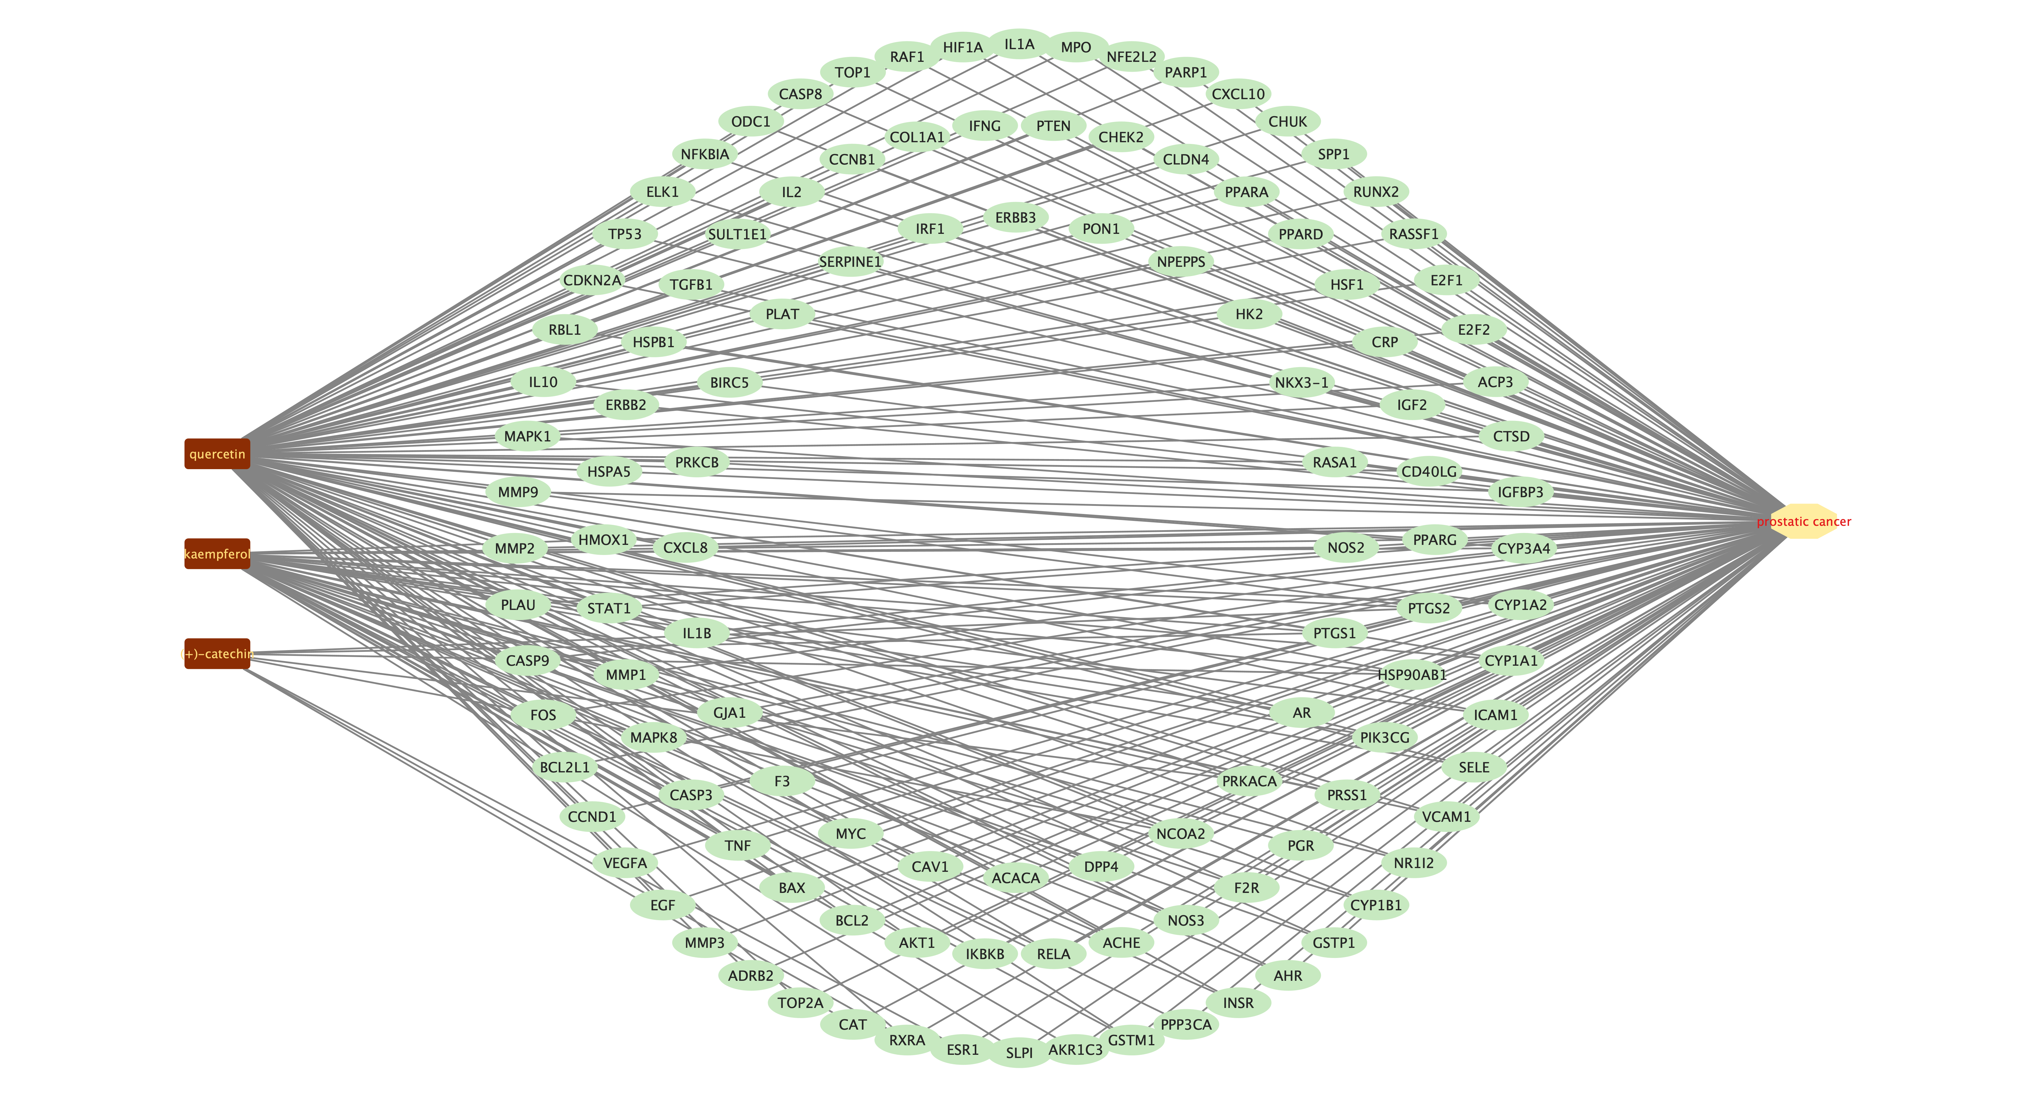
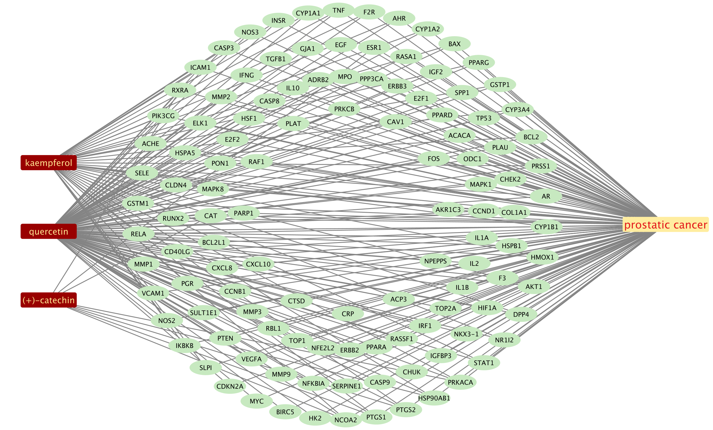
duzhong | target
kaempferol | NOS2
kaempferol | PTGS1
kaempferol | AR
kaempferol | PPARG
kaempferol | PTGS2
kaempferol | HSP90AB1
kaempferol | PIK3CG
kaempferol | PRKACA
kaempferol | NCOA2
kaempferol | DPP4
kaempferol | PRSS1
kaempferol | PGR
kaempferol | F2R
kaempferol | NOS3
kaempferol | ACHE
kaempferol | RELA
kaempferol | IKBKB
kaempferol | AKT1
kaempferol | BCL2
kaempferol | BAX
kaempferol | TNF
kaempferol | CASP3
kaempferol | MAPK8
kaempferol | MMP1
kaempferol | STAT1
kaempferol | HMOX1
kaempferol | CYP3A4
kaempferol | CYP1A2
kaempferol | CYP1A1
kaempferol | ICAM1
kaempferol | SELE
kaempferol | VCAM1
kaempferol | NR1I2
kaempferol | CYP1B1
kaempferol | GSTP1
kaempferol | AHR
kaempferol | INSR
kaempferol | PPP3CA
kaempferol | GSTM1
kaempferol | AKR1C3
kaempferol | SLPI
(+)-catechin | PTGS1
(+)-catechin | ESR1
(+)-catechin | PTGS2
(+)-catechin | HSP90AB1
(+)-catechin | PRKACA
(+)-catechin | NCOA2
(+)-catechin | RXRA
(+)-catechin | CAT
quercetin | PTGS1
quercetin | AR
quercetin | PPARG
quercetin | PTGS2
quercetin | HSP90AB1
quercetin | PIK3CG
quercetin | NCOA2
quercetin | DPP4
quercetin | PRSS1
quercetin | TOP2A
quercetin | F2R
quercetin | ADRB2
quercetin | MMP3
quercetin | PRKACA
quercetin | NOS3
quercetin | RXRA
quercetin | ACHE
quercetin | RELA
quercetin | EGF
quercetin | AKT1
quercetin | VEGFA
quercetin | CCND1
quercetin | BCL2
quercetin | BCL2L1
quercetin | FOS
quercetin | BAX
quercetin | CASP9
quercetin | PLAU
quercetin | MMP2
quercetin | MMP9
quercetin | MAPK1
quercetin | IL10
quercetin | RBL1
quercetin | TNF
quercetin | CDKN2A
quercetin | CASP3
quercetin | TP53
quercetin | ELK1
quercetin | NFKBIA
quercetin | ODC1
quercetin | CASP8
quercetin | TOP1
quercetin | RAF1
quercetin | MMP1
quercetin | HIF1A
quercetin | STAT1
quercetin | HSPA5
quercetin | ERBB2
quercetin | ACACA
quercetin | HMOX1
quercetin | CYP3A4
quercetin | CYP1A2
quercetin | CAV1
quercetin | MYC
quercetin | F3
quercetin | GJA1
quercetin | CYP1A1
quercetin | ICAM1
quercetin | IL1B
quercetin | SELE
quercetin | VCAM1
quercetin | CXCL8
quercetin | PRKCB
quercetin | BIRC5
quercetin | HSPB1
quercetin | TGFB1
quercetin | SULT1E1
quercetin | IL2
quercetin | NR1I2
quercetin | CYP1B1
quercetin | CCNB1
quercetin | PLAT
quercetin | SERPINE1
quercetin | COL1A1
quercetin | IFNG
quercetin | PTEN
quercetin | IL1A
quercetin | MPO
quercetin | GSTP1
quercetin | NFE2L2
quercetin | PARP1
quercetin | AHR
quercetin | CHEK2
quercetin | INSR
quercetin | CLDN4
quercetin | PPARA
quercetin | PPARD
quercetin | HSF1
quercetin | CRP
quercetin | CXCL10
quercetin | CHUK
quercetin | SPP1
quercetin | RUNX2
quercetin | RASSF1
quercetin | E2F1
quercetin | E2F2
quercetin | ACP3
quercetin | CTSD
quercetin | IGFBP3
quercetin | IGF2
quercetin | CD40LG
quercetin | IRF1
quercetin | ERBB3
quercetin | PON1
quercetin | NPEPPS
quercetin | HK2
quercetin | NKX3-1
quercetin | RASA1
quercetin | GSTM1
prostatic cancer | NOS2
prostatic cancer | PTGS1
prostatic cancer | AR
prostatic cancer | PPARG
prostatic cancer | PTGS2
prostatic cancer | HSP90AB1
prostatic cancer | PIK3CG
prostatic cancer | PRKACA
prostatic cancer | NCOA2
prostatic cancer | DPP4
prostatic cancer | PRSS1
prostatic cancer | PGR
prostatic cancer | F2R
prostatic cancer | NOS3
prostatic cancer | ACHE
prostatic cancer | RELA
prostatic cancer | IKBKB
prostatic cancer | AKT1
prostatic cancer | BCL2
prostatic cancer | BAX
prostatic cancer | TNF
prostatic cancer | CASP3
prostatic cancer | MAPK8
prostatic cancer | MMP1
prostatic cancer | STAT1
prostatic cancer | HMOX1
prostatic cancer | CYP3A4
prostatic cancer | CYP1A2
prostatic cancer | CYP1A1
prostatic cancer | ICAM1
prostatic cancer | SELE
prostatic cancer | VCAM1
prostatic cancer | NR1I2
prostatic cancer | CYP1B1
prostatic cancer | GSTP1
prostatic cancer | AHR
prostatic cancer | INSR
prostatic cancer | PPP3CA
prostatic cancer | GSTM1
prostatic cancer | AKR1C3
prostatic cancer | SLPI
prostatic cancer | ESR1
prostatic cancer | RXRA
prostatic cancer | CAT
prostatic cancer | TOP2A
prostatic cancer | ADRB2
prostatic cancer | MMP3
prostatic cancer | EGF
prostatic cancer | VEGFA
prostatic cancer | CCND1
prostatic cancer | BCL2L1
prostatic cancer | FOS
prostatic cancer | CASP9
prostatic cancer | PLAU
prostatic cancer | MMP2
prostatic cancer | MMP9
prostatic cancer | MAPK1
prostatic cancer | IL10
prostatic cancer | RBL1
prostatic cancer | CDKN2A
prostatic cancer | TP53
prostatic cancer | ELK1
prostatic cancer | NFKBIA
prostatic cancer | ODC1
prostatic cancer | CASP8
prostatic cancer | TOP1
prostatic cancer | RAF1
prostatic cancer | HIF1A
prostatic cancer | HSPA5
prostatic cancer | ERBB2
prostatic cancer | ACACA
prostatic cancer | CAV1
prostatic cancer | MYC
prostatic cancer | F3
prostatic cancer | GJA1
prostatic cancer | IL1B
prostatic cancer | CXCL8
prostatic cancer | PRKCB
prostatic cancer | BIRC5
prostatic cancer | HSPB1
prostatic cancer | TGFB1
prostatic cancer | SULT1E1
prostatic cancer | IL2
prostatic cancer | CCNB1
prostatic cancer | PLAT
prostatic cancer | SERPINE1
prostatic cancer | COL1A1
prostatic cancer | IFNG
prostatic cancer | PTEN
prostatic cancer | IL1A
prostatic cancer | MPO
prostatic cancer | NFE2L2
prostatic cancer | PARP1
prostatic cancer | CHEK2
prostatic cancer | CLDN4
prostatic cancer | PPARA
prostatic cancer | PPARD
prostatic cancer | HSF1
prostatic cancer | CRP
prostatic cancer | CXCL10
prostatic cancer | CHUK
prostatic cancer | SPP1
prostatic cancer | RUNX2
prostatic cancer | RASSF1
prostatic cancer | E2F1
prostatic cancer | E2F2
prostatic cancer | ACP3
prostatic cancer | CTSD
prostatic cancer | IGFBP3
prostatic cancer | IGF2
prostatic cancer | CD40LG
prostatic cancer | IRF1
prostatic cancer | ERBB3
prostatic cancer | PON1
prostatic cancer | NPEPPS
prostatic cancer | HK2
prostatic cancer | NKX3-1
prostatic cancer | RASA1

GO enrichment analysis
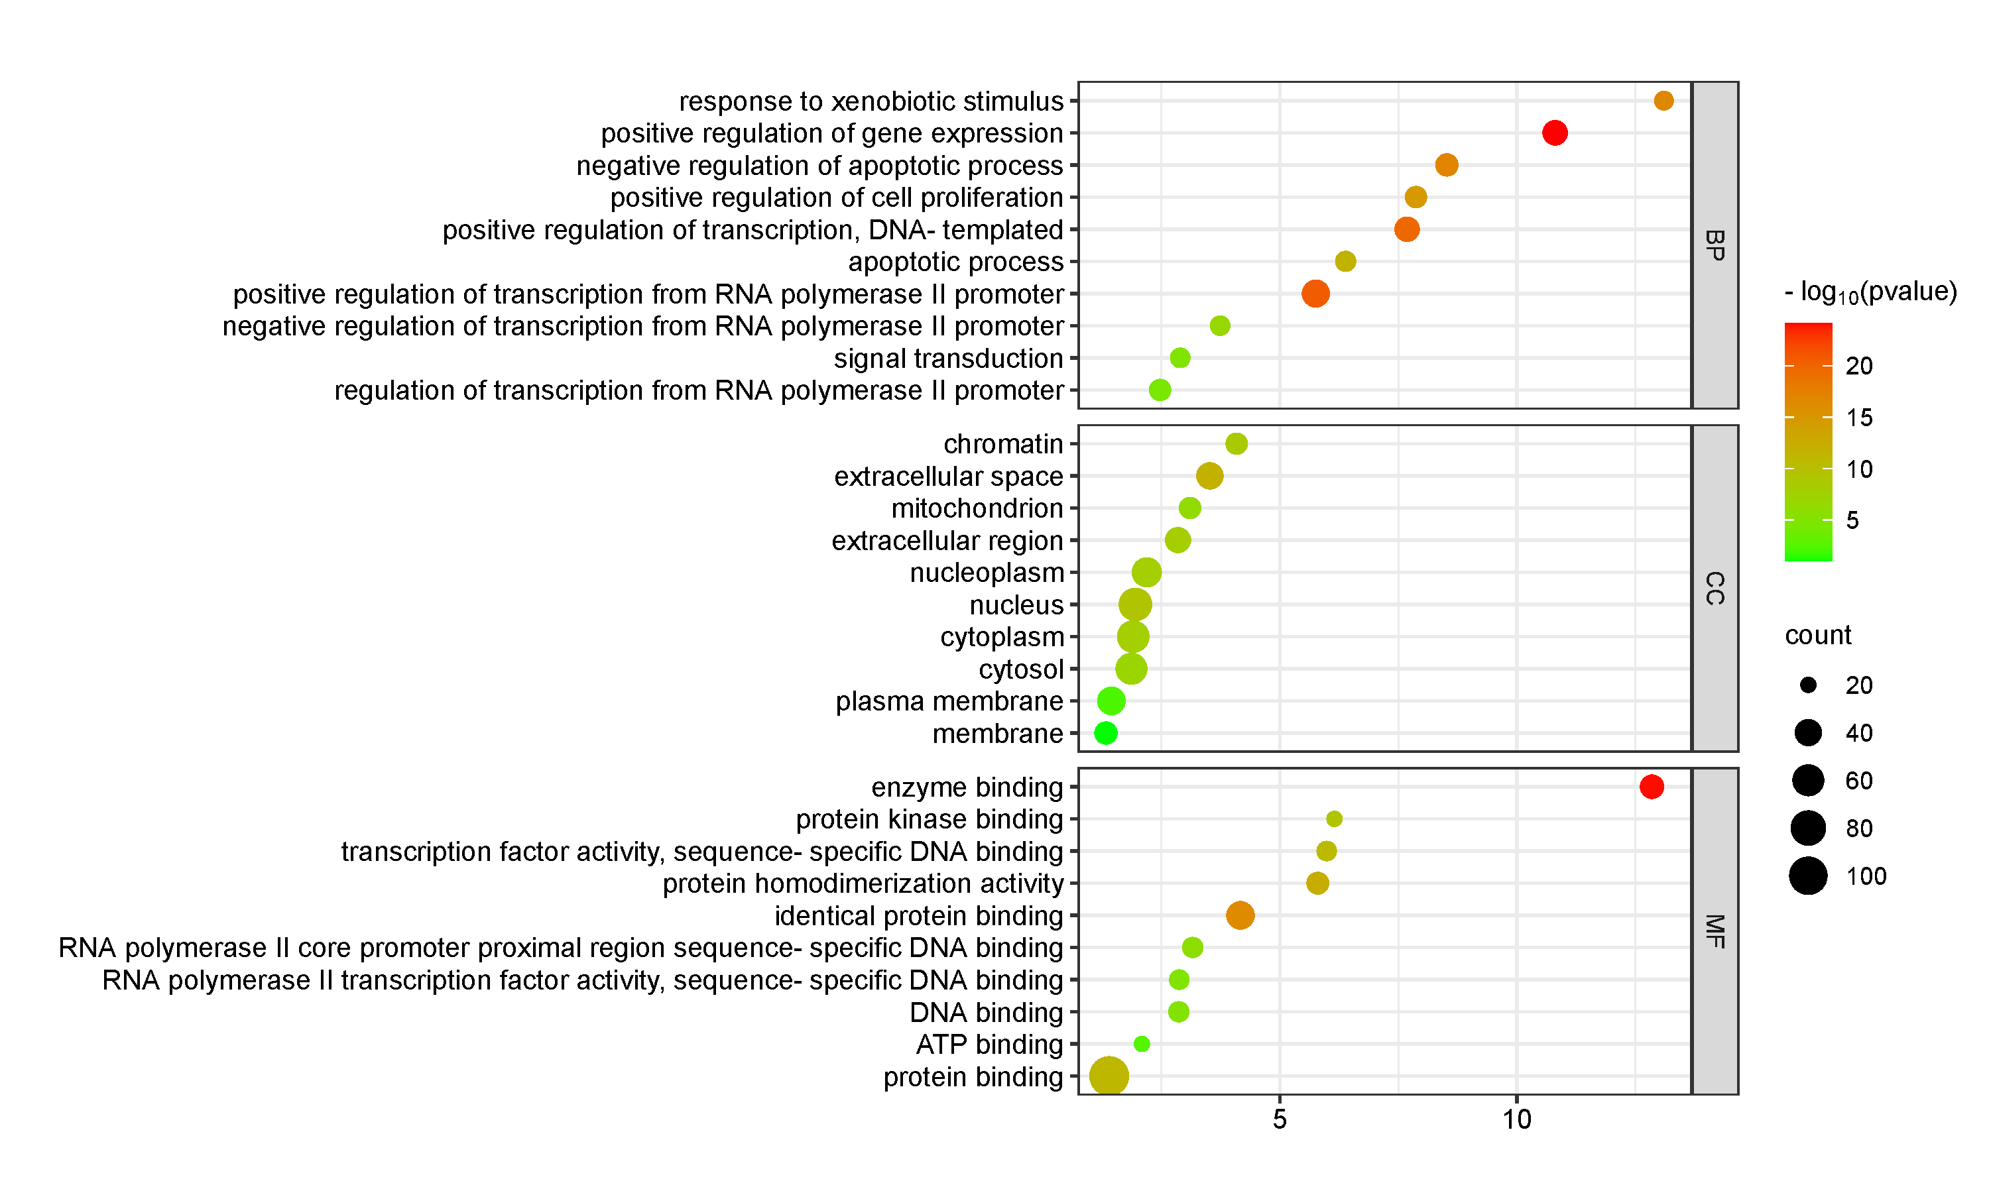
pathway | enrichment | pvalue | count | class
positive regulation of transcription from RNA polymerase II promoter | 5.76 | 2.32E-21 | 43 | BP
positive regulation of gene expression | 10.80 | 6.78E-25 | 34 | BP
positive regulation of transcription, DNA-templated | 7.68 | 2.78E-20 | 34 | BP
negative regulation of apoptotic process | 8.52 | 1.17E-17 | 28 | BP
positive regulation of cell proliferation | 7.87 | 1.60E-15 | 26 | BP
regulation of transcription from RNA polymerase II promoter | 2.47 | 3.09E-05 | 26 | BP
apoptotic process | 6.38 | 2.14E-12 | 24 | BP
negative regulation of transcription from RNA polymerase II promoter | 3.74 | 1.44E-07 | 23 | BP
signal transduction | 2.90 | 9.83E-06 | 23 | BP
response to xenobiotic stimulus | 13.10 | 1.68E-17 | 22 | BP
nucleus | 1.95 | 3.83E-10 | 68 | CC
cytoplasm | 1.90 | 1.10E-08 | 63 | CC
cytosol | 1.87 | 8.09E-08 | 60 | CC
nucleoplasm | 2.19 | 1.09E-08 | 51 | CC
plasma membrane | 1.44 | 5.11E-03 | 45 | CC
extracellular space | 3.52 | 1.48E-12 | 40 | CC
extracellular region | 2.85 | 9.98E-09 | 36 | CC
membrane | 1.33 | 9.11E-02 | 28 | CC
chromatin | 4.09 | 2.63E-09 | 26 | CC
mitochondrion | 3.10 | 5.55E-07 | 26 | CC
protein binding | 1.40 | 7.25E-12 | 110 | MF
identical protein binding | 4.17 | 4.38E-17 | 45 | MF
enzyme binding | 12.85 | 9.08E-25 | 31 | MF
protein homodimerization activity | 5.80 | 5.05E-13 | 27 | MF
RNA polymerase II core promoter proximal region sequence-specific DNA binding | 3.16 | 1.34E-06 | 24 | MF
DNA binding | 2.87 | 6.84E-06 | 24 | MF
transcription factor activity, sequence-specific DNA binding | 5.98 | 2.49E-11 | 23 | MF
RNA polymerase II transcription factor activity, sequence-specific DNA binding | 2.88 | 1.09E-05 | 23 | MF
protein kinase binding | 6.15 | 4.76E-10 | 20 | MF
ATP binding | 2.09 | 2.74E-03 | 20 | MF

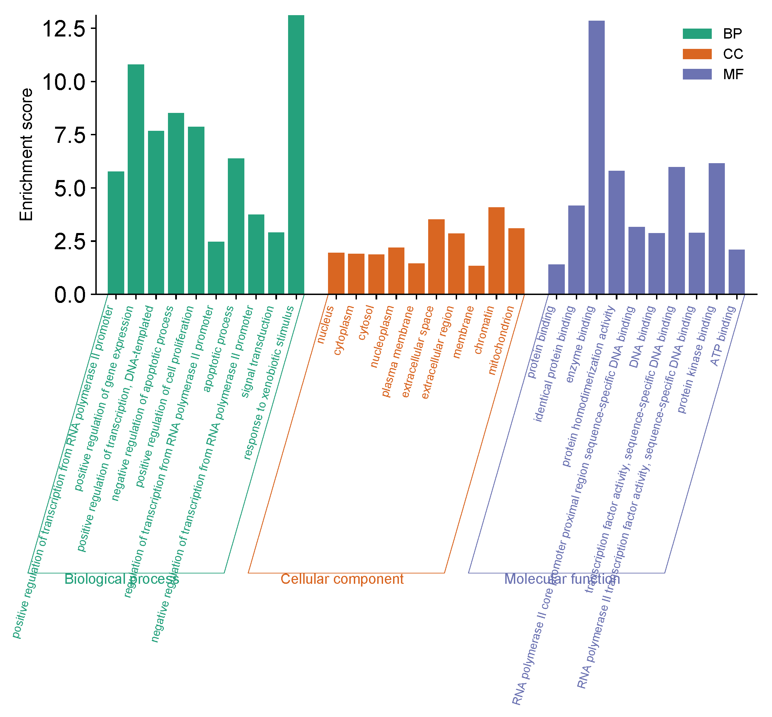
GOterm | subgroup | Enrichment score
positive regulation of transcription from RNA polymerase II promoter | Biological process | 5.76
positive regulation of gene expression | Biological process | 10.80
positive regulation of transcription, DNA-templated | Biological process | 7.68
negative regulation of apoptotic process | Biological process | 8.52
positive regulation of cell proliferation | Biological process | 7.87
regulation of transcription from RNA polymerase II promoter | Biological process | 2.47
apoptotic process | Biological process | 6.38
negative regulation of transcription from RNA polymerase II promoter | Biological process | 3.74
signal transduction | Biological process | 2.90
response to xenobiotic stimulus | Biological process | 13.10
nucleus | Cellular component | 1.95
cytoplasm | Cellular component | 1.90
cytosol | Cellular component | 1.87
nucleoplasm | Cellular component | 2.19
plasma membrane | Cellular component | 1.44
extracellular space | Cellular component | 3.52
extracellular region | Cellular component | 2.85
membrane | Cellular component | 1.33
chromatin | Cellular component | 4.09
mitochondrion | Cellular component | 3.10
protein binding | Molecular function | 1.40
identical protein binding | Molecular function | 4.17
enzyme binding | Molecular function | 12.85
protein homodimerization activity | Molecular function | 5.80
RNA polymerase II core promoter proximal region sequence-specific DNA binding | Molecular function | 3.16
DNA binding | Molecular function | 2.87
transcription factor activity, sequence-specific DNA binding | Molecular function | 5.98
RNA polymerase II transcription factor activity, sequence-specific DNA binding | Molecular function | 2.88
protein kinase binding | Molecular function | 6.15
ATP binding | Molecular function | 2.09

KEGG enrichment analysis
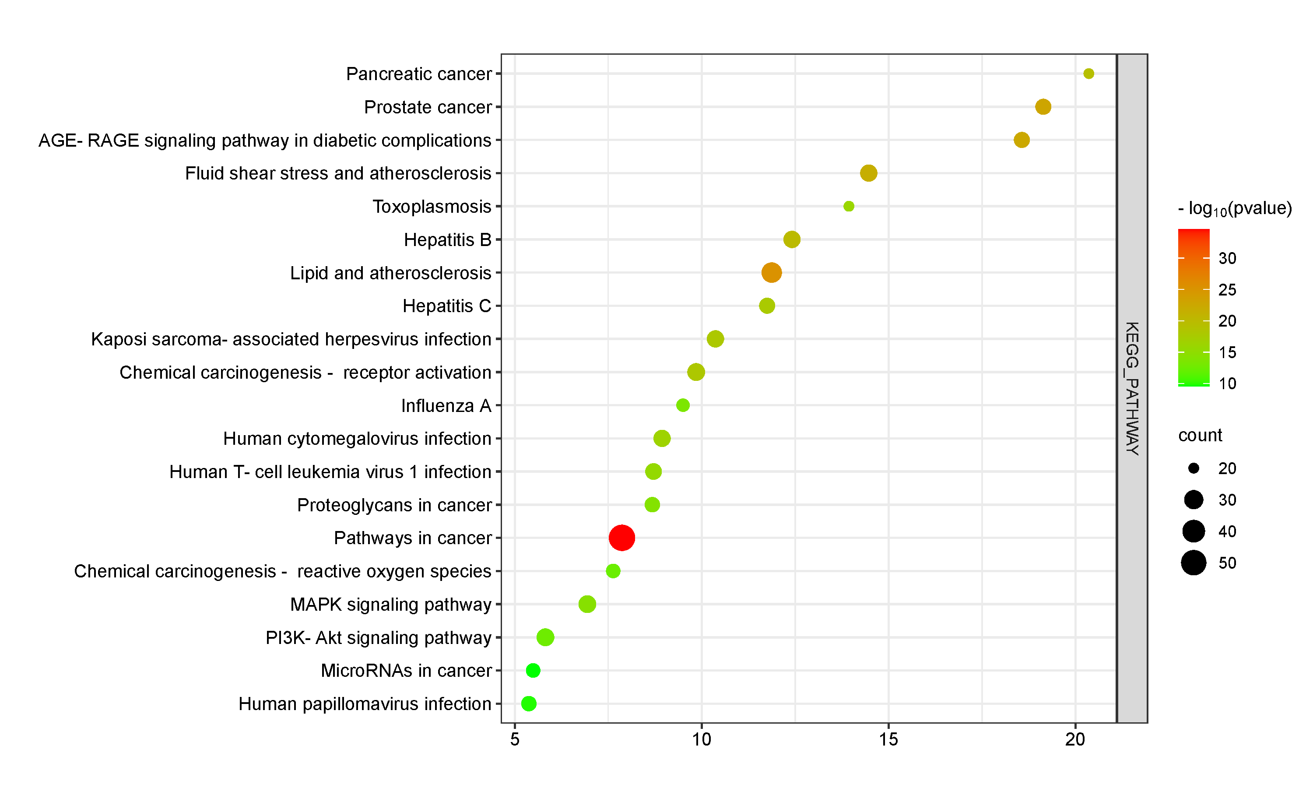
pathway | enrichment | pvalue | count | class
Pathways in cancer | 7.87 | 2.36E-35 | 54 | KEGG_PATHWAY
Lipid and atherosclerosis | 11.87 | 5.22E-26 | 33 | KEGG_PATHWAY
Chemical carcinogenesis - receptor activation | 9.85 | 6.28E-19 | 27 | KEGG_PATHWAY
MAPK signaling pathway | 6.94 | 4.21E-15 | 27 | KEGG_PATHWAY
PI3K-Akt signaling pathway | 5.82 | 2.79E-13 | 27 | KEGG_PATHWAY
Fluid shear stress and atherosclerosis | 14.47 | 2.05E-22 | 26 | KEGG_PATHWAY
Hepatitis B | 12.41 | 1.05E-20 | 26 | KEGG_PATHWAY
Kaposi sarcoma-associated herpesvirus infection | 10.37 | 9.65E-19 | 26 | KEGG_PATHWAY
Human cytomegalovirus infection | 8.94 | 3.61E-17 | 26 | KEGG_PATHWAY
Human T-cell leukemia virus 1 infection | 8.71 | 3.17E-16 | 25 | KEGG_PATHWAY
Prostate cancer | 19.14 | 1.36E-23 | 24 | KEGG_PATHWAY
AGE-RAGE signaling pathway in diabetic complications | 18.56 | 2.92E-23 | 24 | KEGG_PATHWAY
Hepatitis C | 11.75 | 1.72E-18 | 24 | KEGG_PATHWAY
Proteoglycans in cancer | 8.68 | 8.10E-15 | 23 | KEGG_PATHWAY
Human papillomavirus infection | 5.37 | 1.36E-10 | 23 | KEGG_PATHWAY
Chemical carcinogenesis - reactive oxygen species | 7.63 | 4.85E-13 | 22 | KEGG_PATHWAY
MicroRNAs in cancer | 5.49 | 2.67E-10 | 22 | KEGG_PATHWAY
Influenza A | 9.50 | 2.96E-14 | 21 | KEGG_PATHWAY
Pancreatic cancer | 20.36 | 4.51E-20 | 20 | KEGG_PATHWAY
Toxoplasmosis | 13.94 | 9.42E-17 | 20 | KEGG_PATHWAY

Component-target-pathway
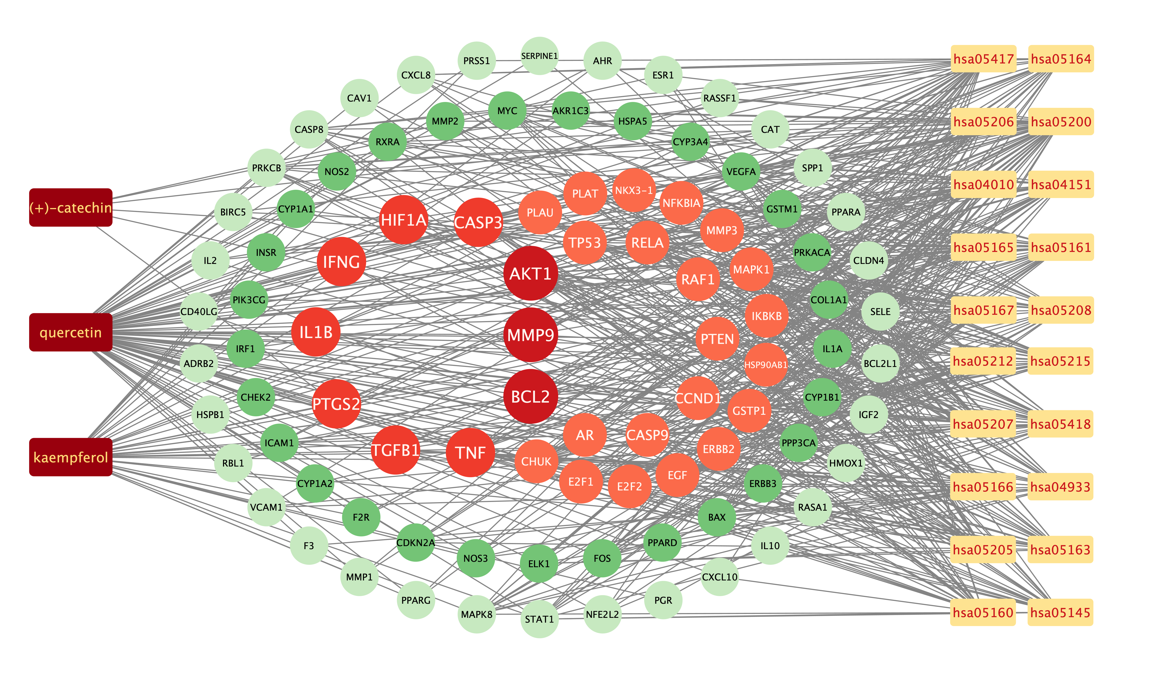
hsa05200 | CXCL8
hsa05200 | HSP90AB1
hsa05200 | PTEN
hsa05200 | ELK1
hsa05200 | CASP9
hsa05200 | IKBKB
hsa05200 | RASSF1
hsa05200 | CASP8
hsa05200 | CCND1
hsa05200 | MYC
hsa05200 | CASP3
hsa05200 | AKT1
hsa05200 | PRKACA
hsa05200 | NKX3-1
hsa05200 | CHUK
hsa05200 | PRKCB
hsa05200 | MMP1
hsa05200 | MMP2
hsa05200 | F2R
hsa05200 | FOS
hsa05200 | MMP9
hsa05200 | AR
hsa05200 | IFNG
hsa05200 | BIRC5
hsa05200 | PPARG
hsa05200 | RAF1
hsa05200 | TP53
hsa05200 | PPARD
hsa05200 | GSTP1
hsa05200 | PTGS2
hsa05200 | HIF1A
hsa05200 | RELA
hsa05200 | MAPK8
hsa05200 | RXRA
hsa05200 | ERBB2
hsa05200 | E2F1
hsa05200 | E2F2
hsa05200 | HMOX1
hsa05200 | MAPK1
hsa05200 | TGFB1
hsa05200 | GSTM1
hsa05200 | NOS2
hsa05200 | CDKN2A
hsa05200 | EGF
hsa05200 | STAT1
hsa05200 | IGF2
hsa05200 | ESR1
hsa05200 | IL2
hsa05200 | VEGFA
hsa05200 | NFKBIA
hsa05200 | BCL2
hsa05200 | BAX
hsa05200 | NFE2L2
hsa05200 | BCL2L1
hsa05417 | CXCL8
hsa05417 | HSP90AB1
hsa05417 | TNF
hsa05417 | RELA
hsa05417 | ICAM1
hsa05417 | CASP9
hsa05417 | IKBKB
hsa05417 | PPP3CA
hsa05417 | MAPK8
hsa05417 | CASP8
hsa05417 | RXRA
hsa05417 | CASP3
hsa05417 | AKT1
hsa05417 | MAPK1
hsa05417 | VCAM1
hsa05417 | HSPA5
hsa05417 | CHUK
hsa05417 | MMP1
hsa05417 | NOS3
hsa05417 | MMP3
hsa05417 | FOS
hsa05417 | SELE
hsa05417 | MMP9
hsa05417 | NFKBIA
hsa05417 | CD40LG
hsa05417 | IL1B
hsa05417 | CYP1A1
hsa05417 | BCL2
hsa05417 | BAX
hsa05417 | PPARG
hsa05417 | TP53
hsa05417 | BCL2L1
hsa05417 | NFE2L2
hsa05207 | HSP90AB1
hsa05207 | AHR
hsa05207 | ADRB2
hsa05207 | CYP3A4
hsa05207 | RELA
hsa05207 | RXRA
hsa05207 | CCND1
hsa05207 | MYC
hsa05207 | E2F1
hsa05207 | CYP1B1
hsa05207 | AKT1
hsa05207 | MAPK1
hsa05207 | PRKACA
hsa05207 | GSTM1
hsa05207 | PRKCB
hsa05207 | EGF
hsa05207 | FOS
hsa05207 | ESR1
hsa05207 | VEGFA
hsa05207 | AR
hsa05207 | CYP1A2
hsa05207 | CYP1A1
hsa05207 | BCL2
hsa05207 | BIRC5
hsa05207 | PGR
hsa05207 | RAF1
hsa05207 | PPARA
hsa04010 | HSPB1
hsa04010 | ELK1
hsa04010 | TNF
hsa04010 | RELA
hsa04010 | IKBKB
hsa04010 | PPP3CA
hsa04010 | MAPK8
hsa04010 | ERBB3
hsa04010 | MYC
hsa04010 | CASP3
hsa04010 | ERBB2
hsa04010 | AKT1
hsa04010 | MAPK1
hsa04010 | PRKACA
hsa04010 | TGFB1
hsa04010 | CHUK
hsa04010 | PRKCB
hsa04010 | EGF
hsa04010 | INSR
hsa04010 | IGF2
hsa04010 | FOS
hsa04010 | VEGFA
hsa04010 | IL1A
hsa04010 | RASA1
hsa04010 | IL1B
hsa04010 | RAF1
hsa04010 | TP53
hsa04151 | HSP90AB1
hsa04151 | PTEN
hsa04151 | RELA
hsa04151 | PIK3CG
hsa04151 | CASP9
hsa04151 | IKBKB
hsa04151 | RXRA
hsa04151 | ERBB3
hsa04151 | CCND1
hsa04151 | MYC
hsa04151 | ERBB2
hsa04151 | SPP1
hsa04151 | AKT1
hsa04151 | MAPK1
hsa04151 | CHUK
hsa04151 | EGF
hsa04151 | NOS3
hsa04151 | INSR
hsa04151 | F2R
hsa04151 | IGF2
hsa04151 | IL2
hsa04151 | VEGFA
hsa04151 | COL1A1
hsa04151 | BCL2
hsa04151 | RAF1
hsa04151 | TP53
hsa04151 | BCL2L1
hsa05418 | HSP90AB1
hsa05418 | GSTP1
hsa05418 | PLAT
hsa05418 | TNF
hsa05418 | RELA
hsa05418 | ICAM1
hsa05418 | IKBKB
hsa05418 | MAPK8
hsa05418 | AKT1
hsa05418 | HMOX1
hsa05418 | GSTM1
hsa05418 | VCAM1
hsa05418 | CHUK
hsa05418 | NOS3
hsa05418 | CAV1
hsa05418 | MMP2
hsa05418 | FOS
hsa05418 | SELE
hsa05418 | MMP9
hsa05418 | VEGFA
hsa05418 | IL1A
hsa05418 | IFNG
hsa05418 | IL1B
hsa05418 | BCL2
hsa05418 | TP53
hsa05418 | NFE2L2
hsa05215 | HSP90AB1
hsa05215 | CHUK
hsa05215 | EGF
hsa05215 | GSTP1
hsa05215 | MMP3
hsa05215 | PTEN
hsa05215 | PLAT
hsa05215 | MMP9
hsa05215 | RELA
hsa05215 | CASP9
hsa05215 | NFKBIA
hsa05215 | IKBKB
hsa05215 | AR
hsa05215 | CCND1
hsa05215 | PLAU
hsa05215 | ERBB2
hsa05215 | E2F1
hsa05215 | BCL2
hsa05215 | E2F2
hsa05215 | AKT1
hsa05215 | MAPK1
hsa05215 | RAF1
hsa05215 | TP53
hsa05215 | NKX3-1
hsa04933 | TGFB1
hsa04933 | VCAM1
hsa04933 | CXCL8
hsa04933 | PRKCB
hsa04933 | NOS3
hsa04933 | STAT1
hsa04933 | MMP2
hsa04933 | SERPINE1
hsa04933 | SELE
hsa04933 | F3
hsa04933 | TNF
hsa04933 | RELA
hsa04933 | ICAM1
hsa04933 | VEGFA
hsa04933 | COL1A1
hsa04933 | IL1A
hsa04933 | MAPK8
hsa04933 | CCND1
hsa04933 | IL1B
hsa04933 | CASP3
hsa04933 | BCL2
hsa04933 | BAX
hsa04933 | AKT1
hsa04933 | MAPK1
hsa05160 | CHUK
hsa05160 | STAT1
hsa05160 | EGF
hsa05160 | TNF
hsa05160 | RELA
hsa05160 | CASP9
hsa05160 | NFKBIA
hsa05160 | IKBKB
hsa05160 | CXCL10
hsa05160 | CLDN4
hsa05160 | CASP8
hsa05160 | RXRA
hsa05160 | IFNG
hsa05160 | CCND1
hsa05160 | MYC
hsa05160 | CASP3
hsa05160 | E2F1
hsa05160 | BAX
hsa05160 | E2F2
hsa05160 | AKT1
hsa05160 | MAPK1
hsa05160 | RAF1
hsa05160 | PPARA
hsa05160 | TP53
hsa05205 | TGFB1
hsa05205 | PRKCB
hsa05205 | CAV1
hsa05205 | MMP2
hsa05205 | IGF2
hsa05205 | ELK1
hsa05205 | HIF1A
hsa05205 | ESR1
hsa05205 | TNF
hsa05205 | MMP9
hsa05205 | VEGFA
hsa05205 | COL1A1
hsa05205 | ERBB3
hsa05205 | CCND1
hsa05205 | PLAU
hsa05205 | MYC
hsa05205 | CASP3
hsa05205 | ERBB2
hsa05205 | AKT1
hsa05205 | MAPK1
hsa05205 | RAF1
hsa05205 | PRKACA
hsa05205 | TP53
hsa05165 | CHUK
hsa05165 | STAT1
hsa05165 | EGF
hsa05165 | PTEN
hsa05165 | PTGS2
hsa05165 | TNF
hsa05165 | RELA
hsa05165 | VEGFA
hsa05165 | COL1A1
hsa05165 | IKBKB
hsa05165 | CASP8
hsa05165 | RBL1
hsa05165 | CCND1
hsa05165 | CASP3
hsa05165 | IRF1
hsa05165 | SPP1
hsa05165 | E2F1
hsa05165 | BAX
hsa05165 | AKT1
hsa05165 | MAPK1
hsa05165 | RAF1
hsa05165 | PRKACA
hsa05165 | TP53
hsa05208 | GSTM1
hsa05208 | CHUK
hsa05208 | EGF
hsa05208 | PTEN
hsa05208 | AKR1C3
hsa05208 | AHR
hsa05208 | FOS
hsa05208 | HIF1A
hsa05208 | RELA
hsa05208 | VEGFA
hsa05208 | NFKBIA
hsa05208 | IKBKB
hsa05208 | MAPK8
hsa05208 | CYP1A2
hsa05208 | CAT
hsa05208 | CYP1A1
hsa05208 | CYP1B1
hsa05208 | AKT1
hsa05208 | HMOX1
hsa05208 | MAPK1
hsa05208 | RAF1
hsa05208 | NFE2L2
hsa05206 | CDKN2A
hsa05206 | PRKCB
hsa05206 | PTEN
hsa05206 | PTGS2
hsa05206 | MMP9
hsa05206 | VEGFA
hsa05206 | IKBKB
hsa05206 | RASSF1
hsa05206 | ERBB3
hsa05206 | CCND1
hsa05206 | PLAU
hsa05206 | MYC
hsa05206 | CASP3
hsa05206 | ERBB2
hsa05206 | E2F1
hsa05206 | BCL2
hsa05206 | CYP1B1
hsa05206 | E2F2
hsa05206 | HMOX1
hsa05206 | MAPK1
hsa05206 | RAF1
hsa05206 | TP53
hsa05164 | PRSS1
hsa05164 | CXCL8
hsa05164 | CHUK
hsa05164 | PRKCB
hsa05164 | STAT1
hsa05164 | TNF
hsa05164 | RELA
hsa05164 | ICAM1
hsa05164 | CASP9
hsa05164 | NFKBIA
hsa05164 | IKBKB
hsa05164 | IL1A
hsa05164 | CXCL10
hsa05164 | CASP8
hsa05164 | IFNG
hsa05164 | IL1B
hsa05164 | CASP3
hsa05164 | BAX
hsa05164 | AKT1
hsa05164 | MAPK1
hsa05164 | RAF1
hsa05212 | TGFB1
hsa05212 | CHUK
hsa05212 | CDKN2A
hsa05212 | STAT1
hsa05212 | EGF
hsa05212 | RELA
hsa05212 | VEGFA
hsa05212 | CASP9
hsa05212 | IKBKB
hsa05212 | MAPK8
hsa05212 | CCND1
hsa05212 | ERBB2
hsa05212 | E2F1
hsa05212 | BAX
hsa05212 | E2F2
hsa05212 | AKT1
hsa05212 | MAPK1
hsa05212 | RAF1
hsa05212 | TP53
hsa05212 | BCL2L1
hsa05145 | IL10
hsa05145 | TGFB1
hsa05145 | NOS2
hsa05145 | CHUK
hsa05145 | STAT1
hsa05145 | TNF
hsa05145 | PIK3CG
hsa05145 | RELA
hsa05145 | CASP9
hsa05145 | NFKBIA
hsa05145 | IKBKB
hsa05145 | MAPK8
hsa05145 | CASP8
hsa05145 | CD40LG
hsa05145 | IFNG
hsa05145 | CASP3
hsa05145 | BCL2
hsa05145 | AKT1
hsa05145 | MAPK1
hsa05145 | BCL2L1
hsa05163 | CXCL8
hsa05163 | PTGS2
hsa05163 | ELK1
hsa05163 | TNF
hsa05163 | RELA
hsa05163 | CASP9
hsa05163 | IKBKB
hsa05163 | PPP3CA
hsa05163 | CASP8
hsa05163 | CCND1
hsa05163 | MYC
hsa05163 | CASP3
hsa05163 | E2F1
hsa05163 | E2F2
hsa05163 | AKT1
hsa05163 | MAPK1
hsa05163 | PRKACA
hsa05163 | CHUK
hsa05163 | CDKN2A
hsa05163 | PRKCB
hsa05163 | VEGFA
hsa05163 | NFKBIA
hsa05163 | IL1B
hsa05163 | BAX
hsa05163 | RAF1
hsa05163 | TP53
hsa05166 | PTEN
hsa05166 | ELK1
hsa05166 | TNF
hsa05166 | RELA
hsa05166 | ICAM1
hsa05166 | IKBKB
hsa05166 | PPP3CA
hsa05166 | MAPK8
hsa05166 | CCND1
hsa05166 | CHEK2
hsa05166 | MYC
hsa05166 | E2F1
hsa05166 | E2F2
hsa05166 | AKT1
hsa05166 | MAPK1
hsa05166 | PRKACA
hsa05166 | TGFB1
hsa05166 | CHUK
hsa05166 | CDKN2A
hsa05166 | FOS
hsa05166 | IL2
hsa05166 | NFKBIA
hsa05166 | BAX
hsa05166 | TP53
hsa05166 | BCL2L1
hsa05161 | CXCL8
hsa05161 | ELK1
hsa05161 | TNF
hsa05161 | RELA
hsa05161 | CASP9
hsa05161 | IKBKB
hsa05161 | MAPK8
hsa05161 | CASP8
hsa05161 | MYC
hsa05161 | CASP3
hsa05161 | E2F1
hsa05161 | E2F2
hsa05161 | AKT1
hsa05161 | MAPK1
hsa05161 | TGFB1
hsa05161 | CHUK
hsa05161 | PRKCB
hsa05161 | STAT1
hsa05161 | FOS
hsa05161 | MMP9
hsa05161 | NFKBIA
hsa05161 | BCL2
hsa05161 | BAX
hsa05161 | BIRC5
hsa05161 | RAF1
hsa05161 | TP53
hsa05167 | CXCL8
hsa05167 | PTGS2
hsa05167 | HIF1A
hsa05167 | RELA
hsa05167 | PIK3CG
hsa05167 | ICAM1
hsa05167 | CASP9
hsa05167 | IKBKB
hsa05167 | PPP3CA
hsa05167 | MAPK8
hsa05167 | CASP8
hsa05167 | CCND1
hsa05167 | MYC
hsa05167 | CASP3
hsa05167 | E2F1
hsa05167 | E2F2
hsa05167 | AKT1
hsa05167 | MAPK1
hsa05167 | CHUK
hsa05167 | STAT1
hsa05167 | FOS
hsa05167 | VEGFA
hsa05167 | NFKBIA
hsa05167 | BAX
hsa05167 | RAF1
hsa05167 | TP53
kaempferol | NOS2
kaempferol | AR
kaempferol | PPARG
kaempferol | PTGS2
kaempferol | HSP90AB1
kaempferol | PIK3CG
kaempferol | PRKACA
kaempferol | PRSS1
kaempferol | PGR
kaempferol | F2R
kaempferol | NOS3
kaempferol | RELA
kaempferol | IKBKB
kaempferol | AKT1
kaempferol | BCL2
kaempferol | BAX
kaempferol | TNF
kaempferol | CASP3
kaempferol | MAPK8
kaempferol | MMP1
kaempferol | STAT1
kaempferol | HMOX1
kaempferol | CYP3A4
kaempferol | CYP1A2
kaempferol | CYP1A1
kaempferol | ICAM1
kaempferol | SELE
kaempferol | VCAM1
kaempferol | CYP1B1
kaempferol | GSTP1
kaempferol | AHR
kaempferol | INSR
kaempferol | PPP3CA
kaempferol | GSTM1
kaempferol | AKR1C3
quercetin | AR
quercetin | PPARG
quercetin | PTGS2
quercetin | HSP90AB1
quercetin | PIK3CG
quercetin | PRSS1
quercetin | F2R
quercetin | ADRB2
quercetin | MMP3
quercetin | PRKACA
quercetin | NOS3
quercetin | RXRA
quercetin | RELA
quercetin | EGF
quercetin | AKT1
quercetin | VEGFA
quercetin | CCND1
quercetin | BCL2
quercetin | BCL2L1
quercetin | FOS
quercetin | BAX
quercetin | CASP9
quercetin | PLAU
quercetin | MMP2
quercetin | MMP9
quercetin | MAPK1
quercetin | IL10
quercetin | RBL1
quercetin | TNF
quercetin | CDKN2A
quercetin | CASP3
quercetin | TP53
quercetin | ELK1
quercetin | NFKBIA
quercetin | CASP8
quercetin | RAF1
quercetin | MMP1
quercetin | HIF1A
quercetin | STAT1
quercetin | HSPA5
quercetin | ERBB2
quercetin | HMOX1
quercetin | CYP3A4
quercetin | CYP1A2
quercetin | CAV1
quercetin | MYC
quercetin | F3
quercetin | CYP1A1
quercetin | ICAM1
quercetin | IL1B
quercetin | SELE
quercetin | VCAM1
quercetin | CXCL8
quercetin | PRKCB
quercetin | BIRC5
quercetin | HSPB1
quercetin | TGFB1
quercetin | IL2
quercetin | CYP1B1
quercetin | PLAT
quercetin | SERPINE1
quercetin | COL1A1
quercetin | IFNG
quercetin | PTEN
quercetin | IL1A
quercetin | GSTP1
quercetin | NFE2L2
quercetin | AHR
quercetin | CHEK2
quercetin | INSR
quercetin | CLDN4
quercetin | PPARA
quercetin | PPARD
quercetin | CXCL10
quercetin | CHUK
quercetin | SPP1
quercetin | RASSF1
quercetin | E2F1
quercetin | E2F2
quercetin | IGF2
quercetin | CD40LG
quercetin | IRF1
quercetin | ERBB3
quercetin | NKX3-1
quercetin | RASA1
quercetin | GSTM1
(+)-catechin | ESR1
(+)-catechin | PTGS2
(+)-catechin | HSP90AB1
(+)-catechin | PRKACA
(+)-catechin | RXRA
(+)-catechin | CAT

hub gene
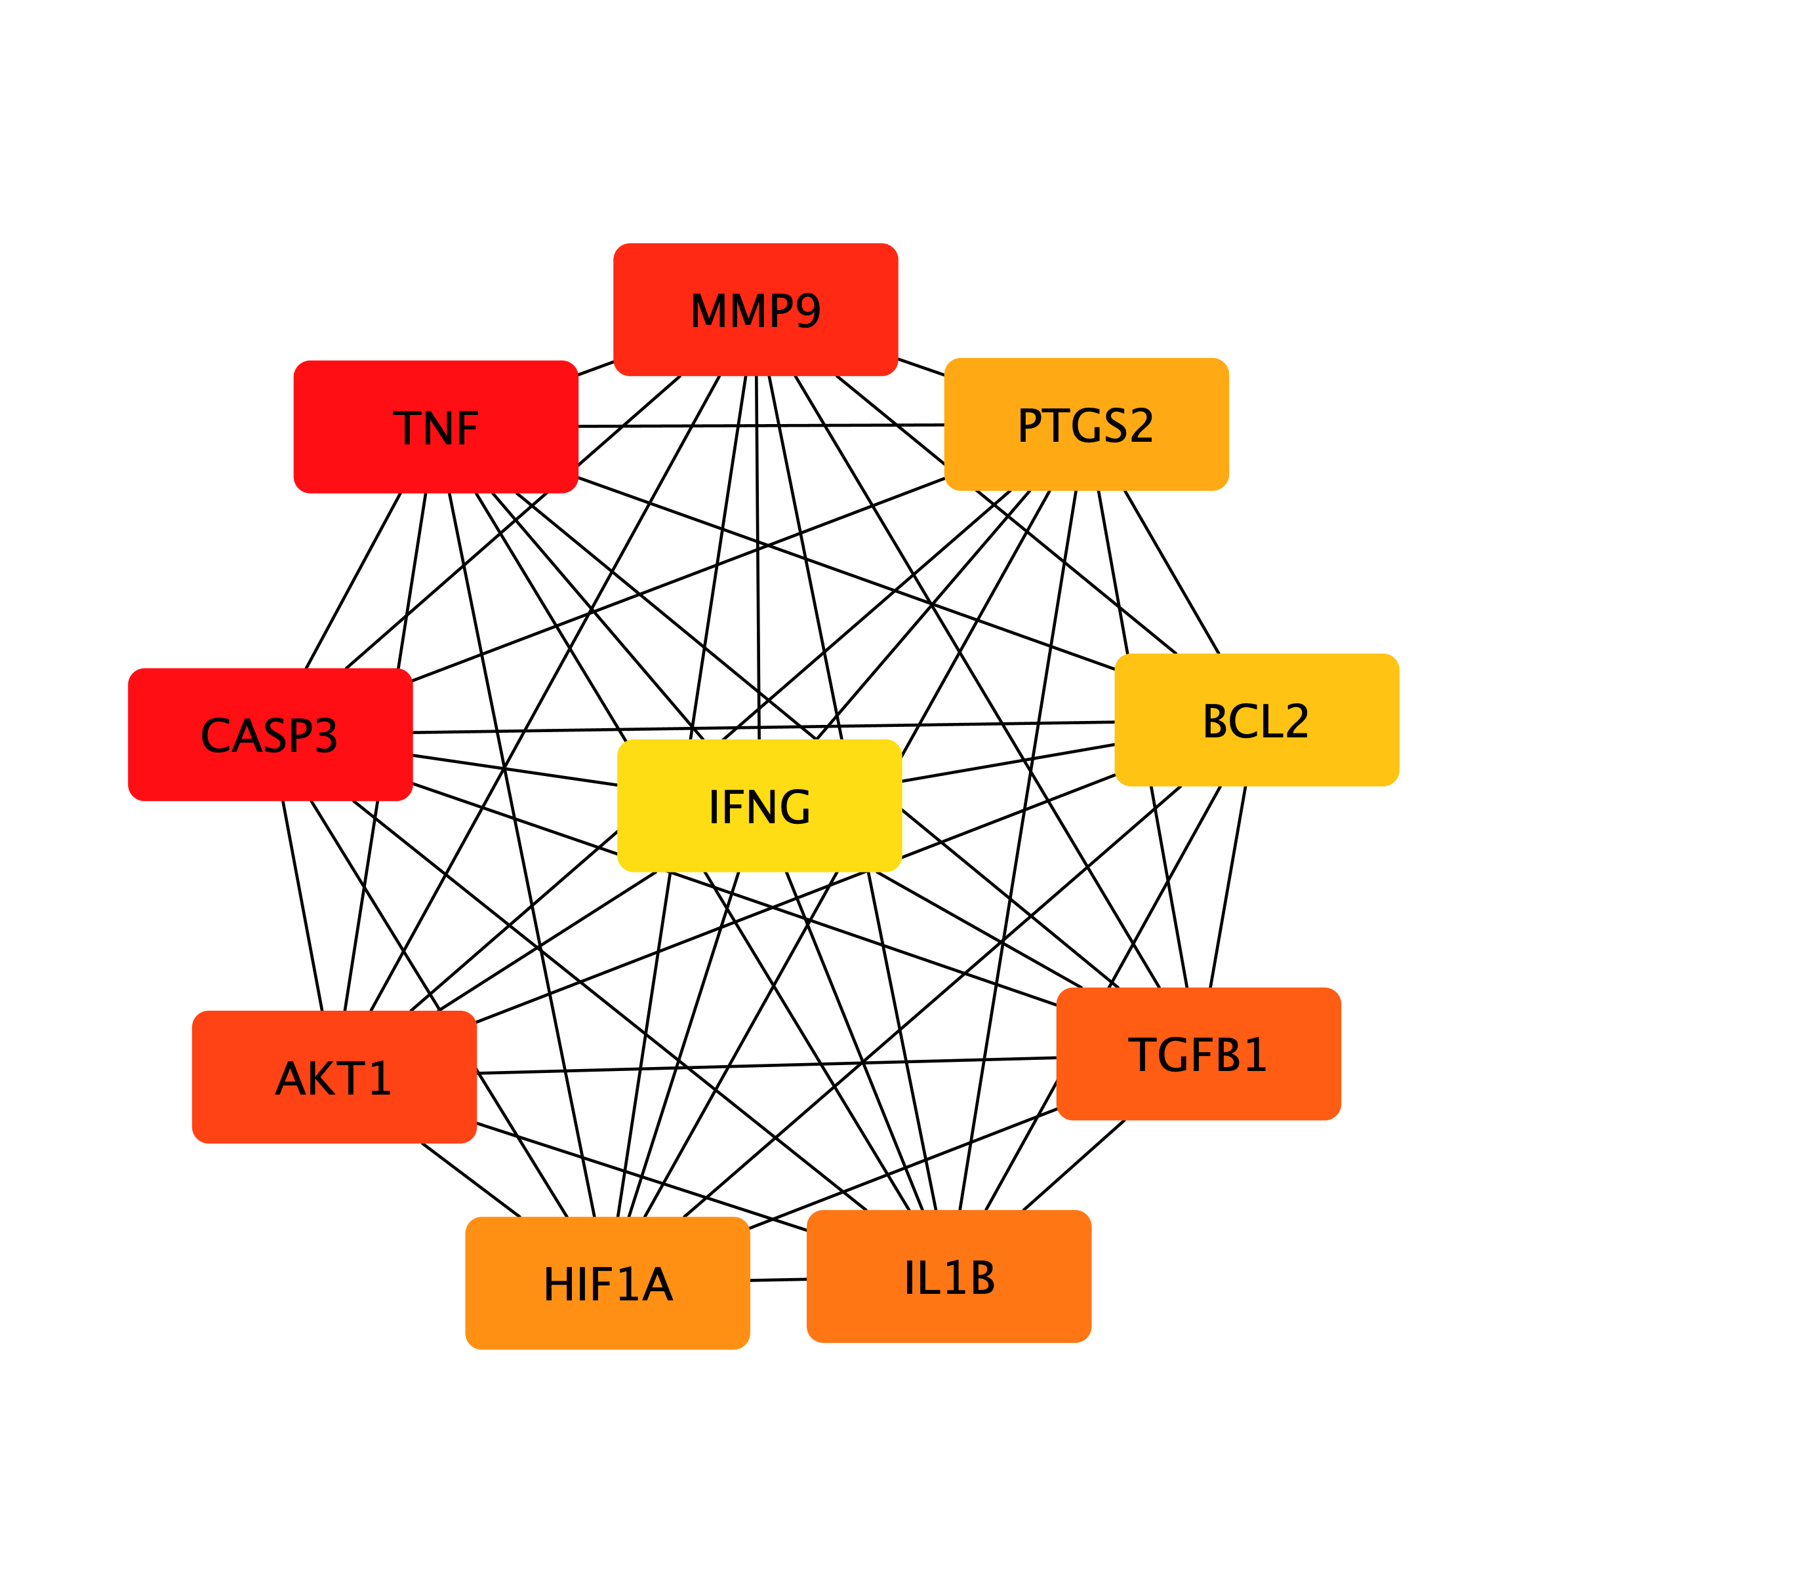
#node1 | node2 | hub gene
ACACA | TGFB1 | IL1B
ACACA | TP53 | CASP3
ACACA | PPARG | TNF
ACACA | HK2 | PTGS2
ACACA | PPARD | MMP9
ACACA | PPARA | TGFB1
ACACA | TNF | AKT1
ACACA | AKT1 | IFNG
ACHE | HMOX1 | BCL2
ACHE | PON1 | HIF1A
ACHE | IFNG
ACHE | IL1B
ACHE | PPARG
ACHE | NFE2L2
ACHE | FOS
ACHE | CYP3A4
ACHE | IL10
ACHE | BCL2
ACHE | CAV1
ACHE | AKT1
ACHE | PTGS2
ACHE | TNF
ACHE | CASP3
ACPP | AR
ACPP | NKX3-1
ADRB2 | NFKBIA
ADRB2 | IFNG
ADRB2 | IL1B
ADRB2 | ICAM1
ADRB2 | EGF
ADRB2 | TP53
ADRB2 | ERBB2
ADRB2 | PPARG
ADRB2 | NOS3
ADRB2 | MMP9
ADRB2 | IL10
ADRB2 | F2R
ADRB2 | PTGS2
ADRB2 | CXCL8
...

