Table_S11
Table_S11 | Results of one-way ANOVAs on log-transformed correlation coefficients (log r) for significant trait-climate correlations, considering the mean climate of species’ native ranges, to test differences in numbers of significant correlations among mean annual (MA) climate variables, among mean growing season (GS) climate variables, and between annual and growing season variables of each type. Analyses were performed using species native climate data for 8 climate variables for GS and MA (aridity index [AI], precipitation [P], temperature [T], and potential evapotranspiration [PET]). When ANOVAs were significant, post hoc Tukey’s HSD tests were used to identify pairwise differences; groups that do not share a letter are significantly different at the 95% confidence level.

Growing season and mean annual |  |  | MAAI and GSAI |  | MAT and GST |  | PET and GST |  | MAP and GSP

Df Sum Sq Mean Sq F value Pr(>F) |  |  | Df Sum Sq Mean Sq F value. Pr(>F) |  | Df Sum Sq Mean Sq F value Pr(>F) |  | Df Sum Sq Mean Sq F value Pr(>F) |  | Df Sum Sq Mean Sq F value Pr(>F)
ClimateVar 7 9.71 1.387 8.462 1.31e-09 *** |  |  | ClimateVar 1 3.129 3.1290 20.15. 2.09e-05 *** |  | ClimateVar 1 2.419 2.4192 18.41 5.12e-05 *** |  | ClimateVar 1 0.371 0.3713 2.091 0.151 |  | ClimateVar 1 0.016 0.01637 0.089 0.766
Residuals 367 60.18 0.164 |  |  | Residuals 91 14.131 0.1553 |  | Residuals 77 10.118 0.1314 |  | Residuals 97 17.219 0.1775 |  | Residuals 102 18.707 0.18341
--- |  |  | --- |  | ---
Signif. codes: 0 ‘***’ 0.001 ‘**’ 0.01 ‘*’ 0.05 ‘.’ 0.1 ‘ ’ 1 |  |  | Signif. codes: |  | Signif. codes:
 |  |  | 0 ‘***’ 0.001 ‘**’ 0.01 ‘*’ 0.05 ‘.’ 0.1 ‘ ’ 1 |  | 0 ‘***’ 0.001 ‘**’ 0.01 ‘*’ 0.05 ‘.’ 0.1 ‘ ’ 1
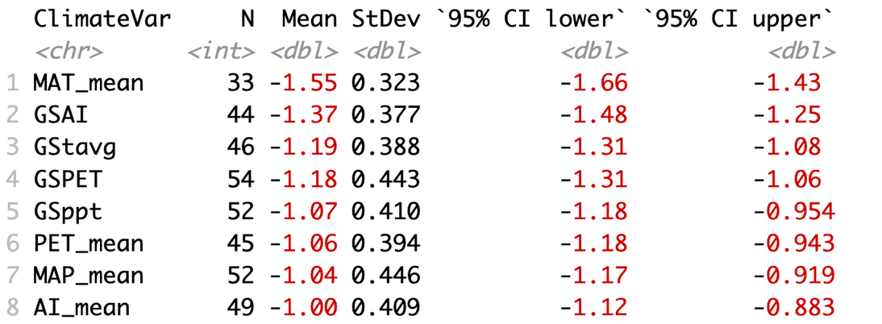

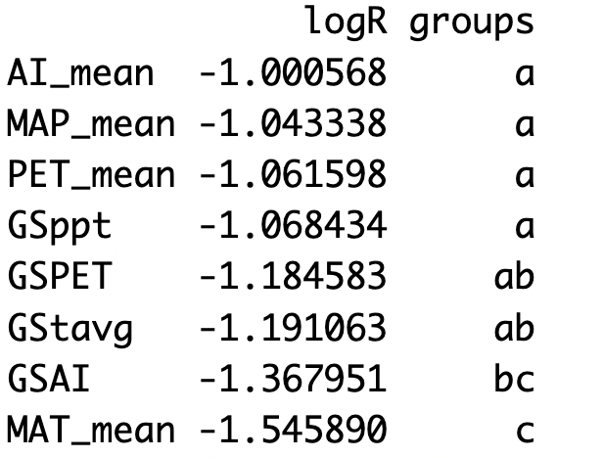
 |  |  |  |  |  |  |  | SD: 0.4213237 |  | SD: 0.4282599
 |  |  |  | SD: 0.3940685 |  | SD: 0.3624975 |  | R: 0.1452783 |  | R: 0.02957245
 |  | SD: 0.4011208 |  | R: 0.4257716 |  | R: 0.4392748 |  | R Sq: 0.0211058 |  | R Sq: 0.0008745299
 |  | R: 0.3727833 |  | R Sq: 0.1812814 |  | R Sq: 0.1929623
 |  | R Sq: 0.1389674

Just mean annual variables

Df Sum Sq Mean Sq F value Pr(>F)
ClimateVar 3 7.13 2.3765 14.69 1.42e-08 ***
Residuals 175 28.31 0.1618
---
Signif. codes: 0 ‘***’ 0.001 ‘**’ 0.01 ‘*’ 0.05 ‘.’ 0.1 ‘ ’ 1

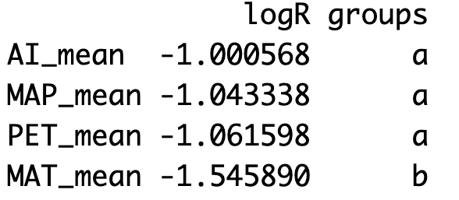
 |  | SD: 0.4022198
 |  | R: 0.3727833
 |  | R Sq: 0.1389674

Just growing season

Df Sum Sq Mean Sq F value Pr(>F)
ClimateVar 3 2.16 0.7184 4.329 0.00559 **
Residuals 192 31.86 0.1660
---
Signif. codes: 0 ‘***’ 0.001 ‘**’ 0.01 ‘*’ 0.05 ‘.’ 0.1 ‘ ’ 1

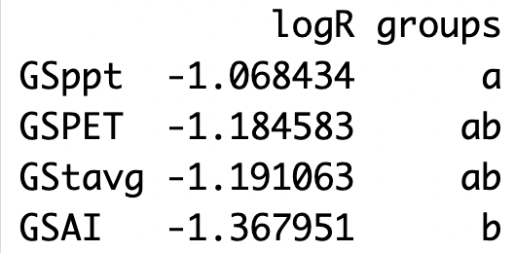
 |  | SD:0.407381
 |  | R:0.3727833
 |  | R Sq: 0.1389674

Table_S14
Table_S14 | Results of one-way ANOVAs on log-transformed correlation coefficients (log r) for significant trait-climate correlations, considering site climates, to test differences in numbers of significant correlations among mean annual (MA) climate variables, among mean growing season (GS) climate variables, and between annual and growing season variables of each type. Analyses were performed using species native climate data for 8 climate variables for GS and MA (aridity index [AI], precipitation [P], temperature [T], and potential evapotranspiration [PET]). When ANOVAs were significant, post hoc Tukey’s HSD tests were used to identify pairwise differences; groups that do not share a letter are significantly different at the 95% confidence level.

Growing season and mean annual |  |  | MAAI and GSAI |  | MAT and GST |  | PET and GSPET |  | MAP and GSP

Df Sum Sq Mean Sq F value Pr(>F) |  |  | Df Sum Sq Mean Sq F value. Pr(>F) |  | Df Sum Sq Mean Sq F value Pr(>F) |  | Df Sum Sq Mean Sq F value Pr(>F) |  | Df Sum Sq Mean Sq F value Pr(>F)
ClimateVar 7 9.88 1.4121 8.591 9.13e-10 *** |  |  | ClimateVar 1 3.129 3.1290 20.15. 2.09e-05 *** |  | ClimateVar 1 2.34 2.3396 12.18 0.000757 *** |  | ClimateVar 1 0.042 0.04174 0.261 0.611 |  | ClimateVar 1 0.01 0.00988 0.063 0.802
Residuals 368 60.49 0.1644 |  |  | Residuals 91 14.131 0.1553 |  | Residuals 88 16.90 0.1921 |  | Residuals 97 15.538 0.16019 |  | Residuals 96 14.96 0.15587
--- |  |  | --- |  | ---
Signif. codes: |  |  | Signif. codes: |  | Signif. codes:
0 ‘***’ 0.001 ‘**’ 0.01 ‘*’ 0.05 ‘.’ 0.1 ‘ ’ 1 |  |  | 0 ‘***’ 0.001 ‘**’ 0.01 ‘*’ 0.05 ‘.’ 0.1 ‘ ’ 1 |  | 0 ‘***’ 0.001 ‘**’ 0.01 ‘*’ 0.05 ‘.’ 0.1 ‘ ’ 1
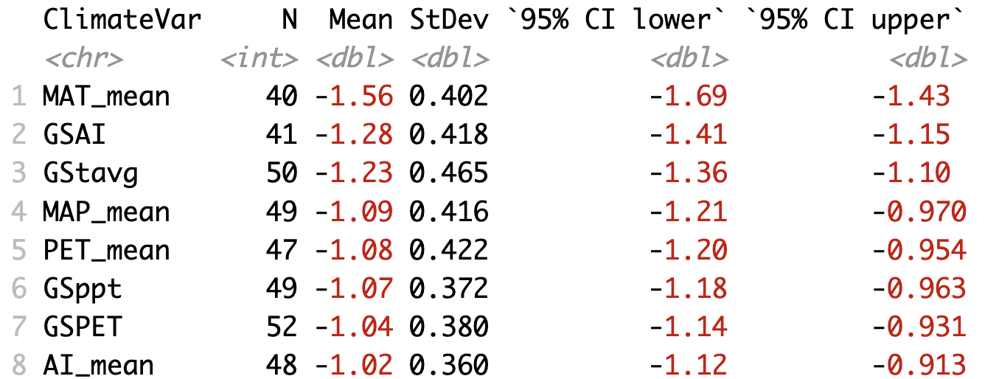

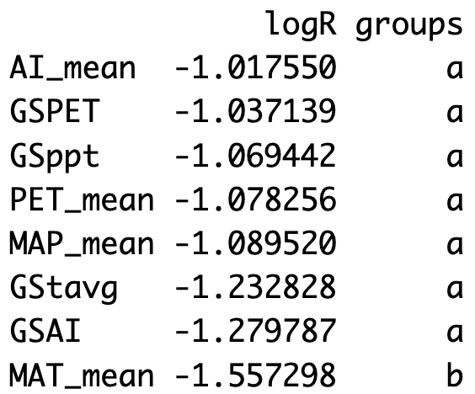
 |  |  |  |  |  |  |  | SD: 0.4213237 |  | SD: 0.3948011
 |  |  |  | SD: 0.3940685 |  | SD: 0.4382614 |  | R: 0.1452783 |  | R: 0.02568227
 |  | SD: 0.4016275 |  | R: 0.4257716 |  | R: 0.3486925 |  | R Sq: 0.0211058 |  | R Sq: 0.000659579
 |  | R: 0.3747823 |  | R Sq: 0.1812814 |  | R Sq: 0.1215865
 |  | R Sq: 0.1404618

Just mean annual variables

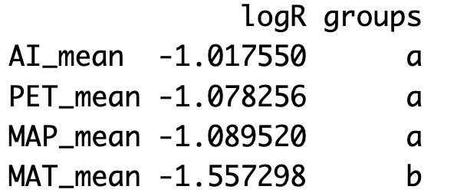

 |  | SD: 0.4006956
 |  | R: 0.3747823
 |  | R Sq: 0.1404618

Df Sum Sq Mean Sq F value Pr(>F)
ClimateVar 3 7.828 2.6095 16.25 2.16e-09 ***
Residuals 180 28.900 0.1606
---
Signif. codes: 0 ‘***’ 0.001 ‘**’ 0.01 ‘*’ 0.05 ‘.’ 0.1 ‘ ’ 1

Just growing season

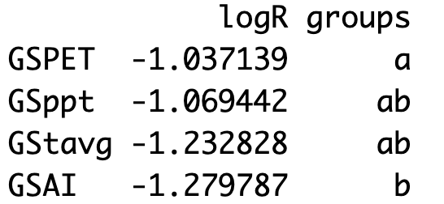

 |  | SD:0.4099105
 |  | R: 0.3747823
 |  | R Sq: 0.1404618

Df Sum Sq Mean Sq F value Pr(>F)
ClimateVar 3 2.013 0.6711 3.994 0.0087 **
Residuals 188 31.589 0.1680
---
Signif. codes: 0 ‘***’ 0.001 ‘**’ 0.01 ‘*’ 0.05 ‘.’ 0.1 ‘ ’ 1

