Fig. S1
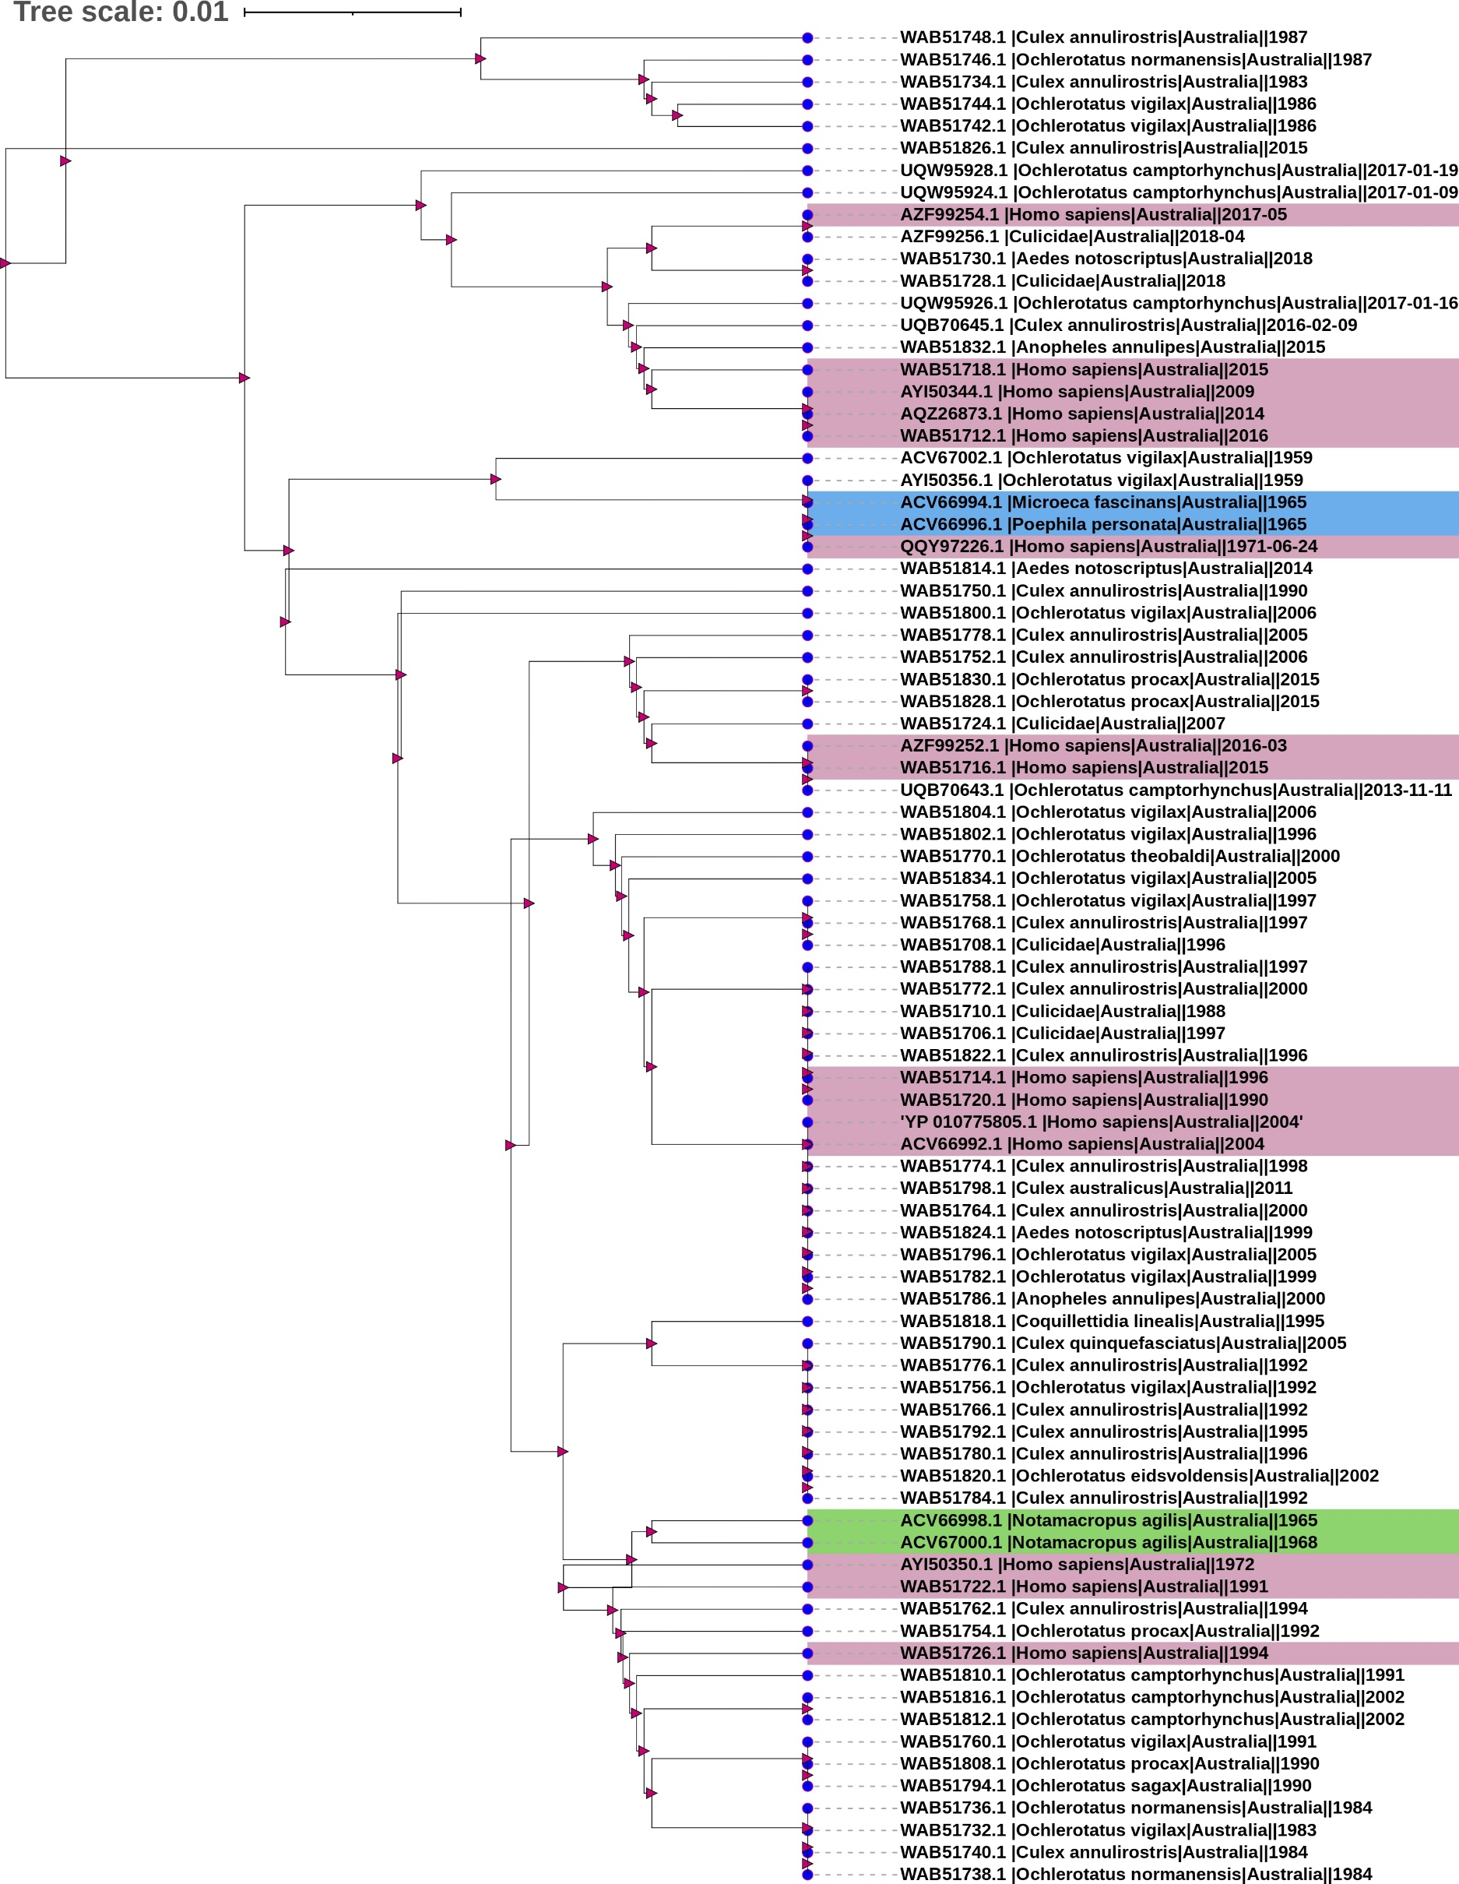

human

birds
Animal

Fig. S1. Strucutral polyprotein based phylogenetic analysis of 85 RRV isolates in Australia.

