Cell line
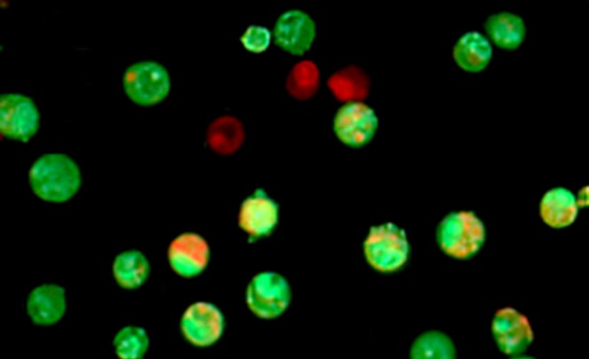
MCF-7
breast

 |  |  | MEAN |  |  |  | SE
 | µg/ml |  |  | 50%+50%
 |  | Q | S | Q+S |  | Q | S | Q+S
 | 200 | 32.24 | 51.56 | 24.17 |  | 3.45 | 3.23 | 3.23
 | 100 | 40.86 | 59.30 | 42.25 |  | 3.97 | 3.50 | 4.08
 | 50 | 69.31 | 78.03 | 54.96 |  | 5.90 | 3.68 | 5.31
 | 25 | 86.13 | 95.29 | 61.60 |  | 6.38 | 4.13 | 5.77

 | Slope | -0.29 | -0.23 | -0.21
 | intercept | 84.64 | 92.52 | 65.61
 | IC50 | 118.07 | 185.61 | 73.67

HCT-116
colon
 |  |  | MEAN |  |  |  | SE
 | µg/ml
 |  | Q | S | Q+S |  | Q | S | Q+S
 | 200 | 31.81 | 59.01 | 26.92 |  | 3.78 | 1.72 | 1.04
 | 100 | 48.95 | 64.51 | 28.12 |  | 4.77 | 1.80 | 2.13
 | 50 | 50.51 | 75.03 | 46.61 |  | 4.80 | 2.98 | 2.23
 | 25 | 52.05 | 88.36 | 68.44 |  | 5.02 | 4.38 | 3.33

 | Slope | -0.12 | -0.15 | -0.21
 | intercept | 56.80 | 85.73 | 61.87
 | IC50 | 58.11 | 239.19 | 57.53

HepG2
liver
 |  |  | MEAN |  |  |  | SE
 | µg/ml
 |  | Q | S | Q+S |  | Q | S | Q+S
 | 200 | 65.97 | 50.37 | 41.66 |  | 4.92 | 3.82 | 2.71
 | 100 | 70.64 | 71.49 | 58.78 |  | 5.05 | 3.26 | 3.75
 | 50 | 83.99 | 85.74 | 64.79 |  | 5.50 | 4.64 | 5.21
 | 25 | 95.90 | 92.30 | 78.72 |  | 5.72 | 4.88 | 5.33

 | Slope | -0.16 | -0.24 | -0.19
 | intercept | 93.82 | 97.40 | 79.87
 | IC50 | 279.55 | 198.13 | 153.36

PC3
prostate |  |  | MEAN |  |  |  | SE
 | µg/ml
 |  | Q | S | Q+S |  | Q | S | Q+S
 | 200 | 52.74 | 51.38 | 45.90 |  | 4.78 | 4.75 | 4.81
 | 100 | 60.61 | 65.36 | 62.12 |  | 5.05 | 5.50 | 5.13
 | 50 | 76.96 | 77.24 | 67.95 |  | 5.17 | 6.89 | 5.16
 | 25 | 87.70 | 81.12 | 88.64 |  | 5.44 | 5.94 | 5.88

 | Slope | -0.19 | -0.17 | -0.21
 | intercept | 87.31 | 84.89 | 85.99
 | IC50 | 196.42 | 202.96 | 170.10

30% of the IC50 |  |  |  |  | Apoptosis /necrosis

 | MCF-7 |  |  |  |  |  |  |  |  | HCT-116
 | breast |  |  |  |  |  |  |  |  | colon

 | Control | S | S+Q | Q |  |  |  |  |  | Control | S | Q | S+Q
Vital | 93.6 | 75.4 | 60.3 | 67.6 |  |  |  |  | Vital | 91.9 | 76.0 | 67.5 | 65.0
necrotic | 4.2 | 9.7 | 4.5 | 11.2 |  |  |  |  | necrotic | 5.6 | 11.6 | 9.4 | 8.8
apoptotic | 2.2 | 14.9 | 35.2 | 21.2 |  |  |  |  | apoptotic | 2.5 | 12.4 | 23.1 | 26.2

 | HepG2 |  |  |  |  |  |  |  |  | PC3
 | liver |  |  |  |  |  |  |  |  | prostate

 | Control | S | S+Q | Q |  |  |  |  |  | Control | S | S+Q | Q
Vital | 89.0 | 71.0 | 60.3 | 79.8 |  |  |  |  | Vital | 92.6 | 75.3 | 62.4 | 73.7
necrotic | 6.2 | 22.6 | 17.7 | 9.8 |  |  |  |  | necrotic | 4.1 | 19.9 | 11.2 | 12.4
apoptotic | 4.8 | 6.4 | 22.0 | 10.4 |  |  |  |  | apoptotic | 3.3 | 4.8 | 26.4 | 13.9

PCR
 |  |  |  | Real time PCR
 |  | Raw data Cas3

 |  |  | Cas3 Aver Ct | Delta Ct | Delta delta Ct | Fold change | SE
 |  | Nor | 31.84 | 5.93 | 0 | 1 | 0.09
 |  | EAC | 31.8 | 4.52 | -1.41 | 2.66 | 0.08
 |  | EAC+Q | 30.1 | 3.26 | -2.67 | 6.36 | 0.12
 |  | EAC+S | 30.33 | 3.8 | -2.13 | 4.38 | 0.12
 |  | EAC +S+Q200 | 29.71 | 2.89 | -3.04 | 8.22 | 0.21

 | Raw data NFkB gene
 |  |  | NFkB Aver Ct | Delta Ct | Delta delta Ct | Fold change | SE
 |  | Nor | 38.53 | 10.82 | 0 | 1 | 0.03
 |  | EAC | 35.08 | 8.26 | -2.56 | 5.9 | 0.25
 |  | EAC+Q | 36.59 | 9.17 | -1.65 | 3.14 | 0.17
 |  | EAC+S | 36.17 | 8.73 | -2.09 | 4.26 | 0.2
 |  | EAC+S+Q200 | 36.59 | 9.91 | -0.91 | 1.88 | 0.08
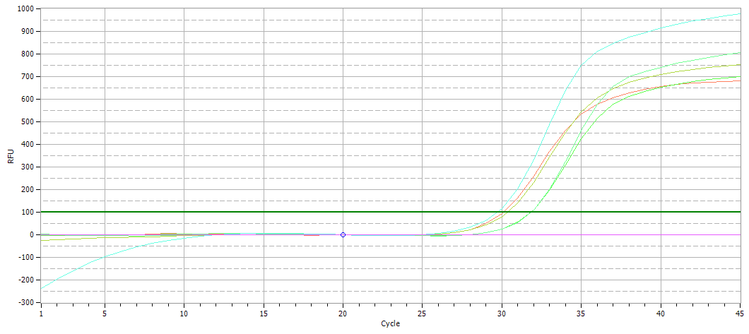

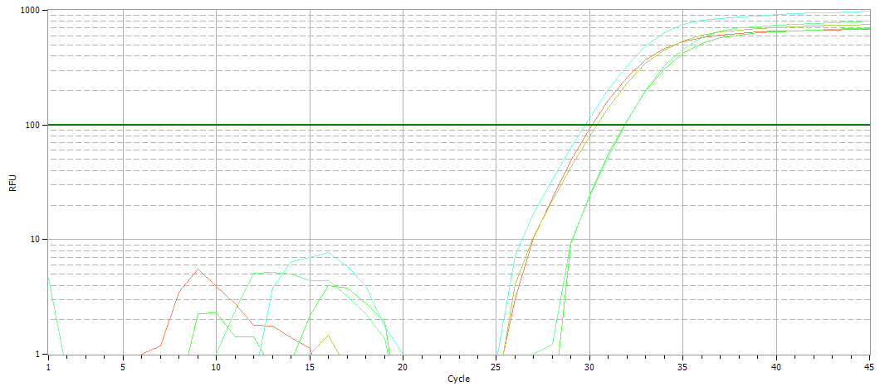

Linear (upper) and log (lower) views of the amplification curves representing the Ct values of caspase3 gene in mice liver after administration of Q and/or S

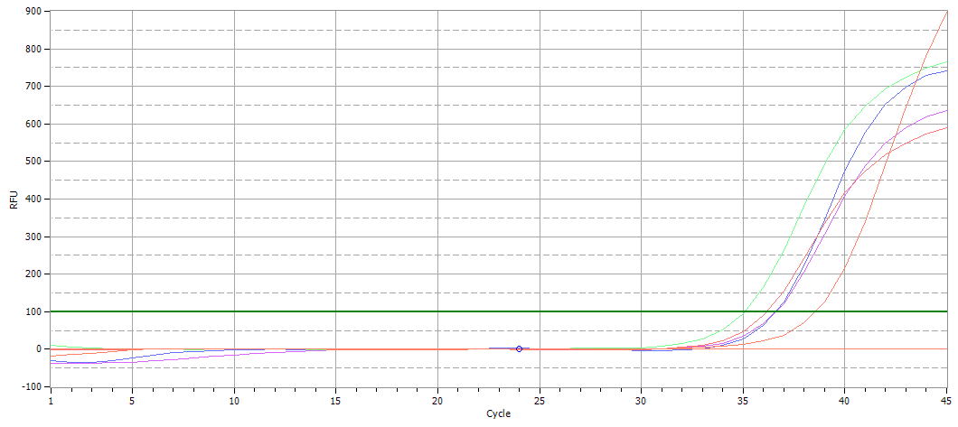

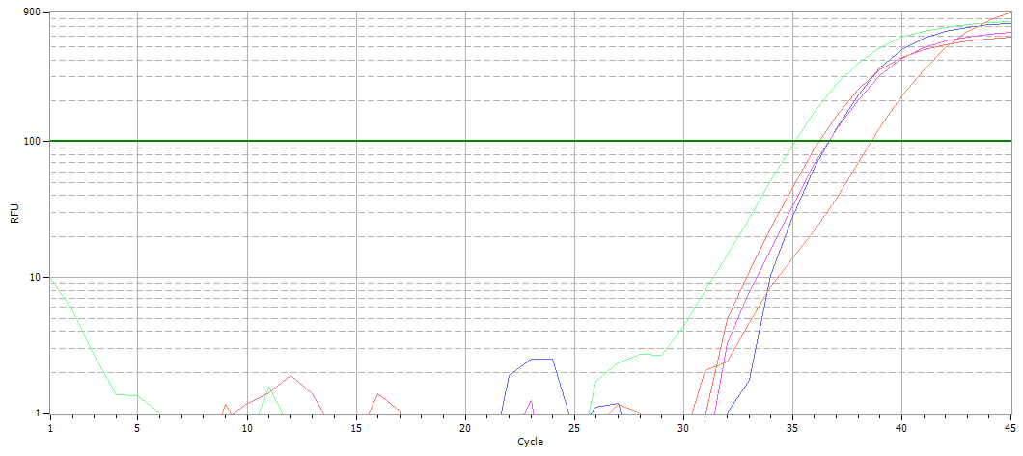

 | Linear (upper) and log (lower) views of the amplification curves representing the Ct values of NFkB gene in mice liver after administration of Q and/or S

Western blot
Casp3 control | Casp3 S | Casp3 Q | Casp3 S+Q |  | NFKB control | NFKB S | NFKB Q | NFKB S+Q
Caspase3 |  |  |  |  | NFKB
0.079 | 0.344 | 0.227 | 0.403 |  | 0.691 | 0.387 | 0.419 | 0.261
0.056 | 0.453 | 0.143 | 0.512 |  | 0.87 | 0.463 | 0.621 | 0.103
0.088 | 0.321 | 0.301 | 0.384 |  | 0.499 | 0.299 | 0.354 | 0.331
0.074333333333 | 0.37266666667 | 0.22366666667 | 0.433 |  | 0.68666666667 | 0.383 | 0.46466666667 | 0.23166666667
0.00953 | 0.0407 | 0.0456 | 0.0399 | SEM | 0.107 | 0.0474 | 0.0804 | 0.0674
Caspase3 | 0.074333333333
 | 0.37266666667
 | 0.22366666667
 | 0.433
NFKB | 0.68666666667
 | 0.383
 | 0.46466666667
 | 0.23166666667

