Supp Table 6. quast
Supplementary Table 6. Quality statistics of final assembly using Quast.
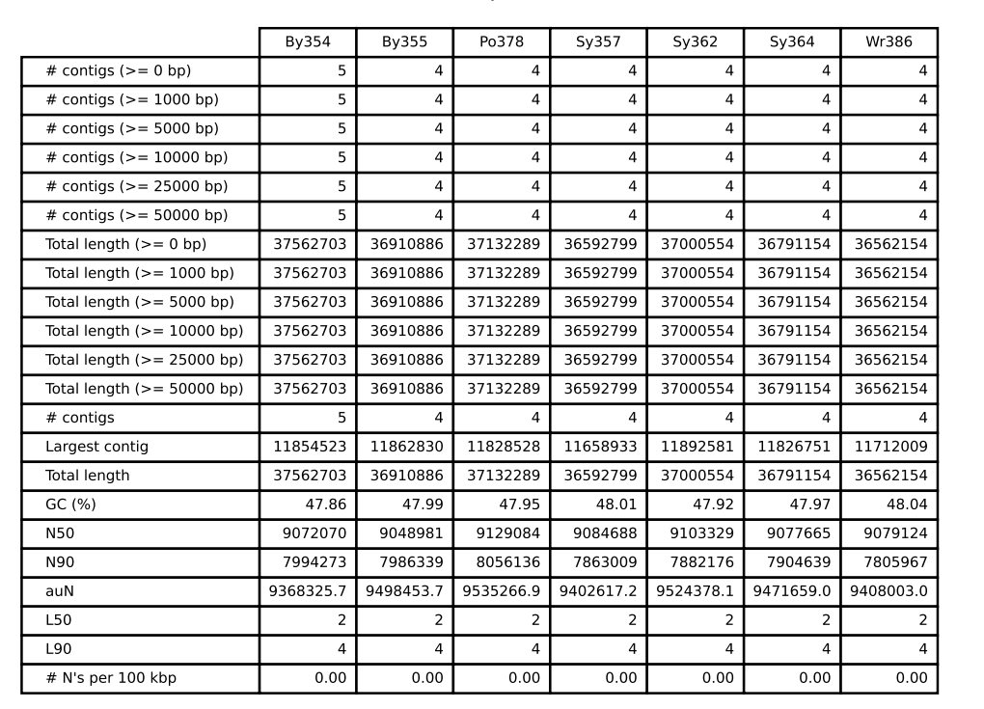

Supp Figure 1. TRI8 alignment
Supplementary Figure 1. TRI8 protein sequence alignment of cross-infectivity and chemotype reference isolates. Isolates identified as 3-ADON by mycotoxin analysis grouped with 3-ADON reference strains, while 15-ADON isolates clustered with 15-ADON references.
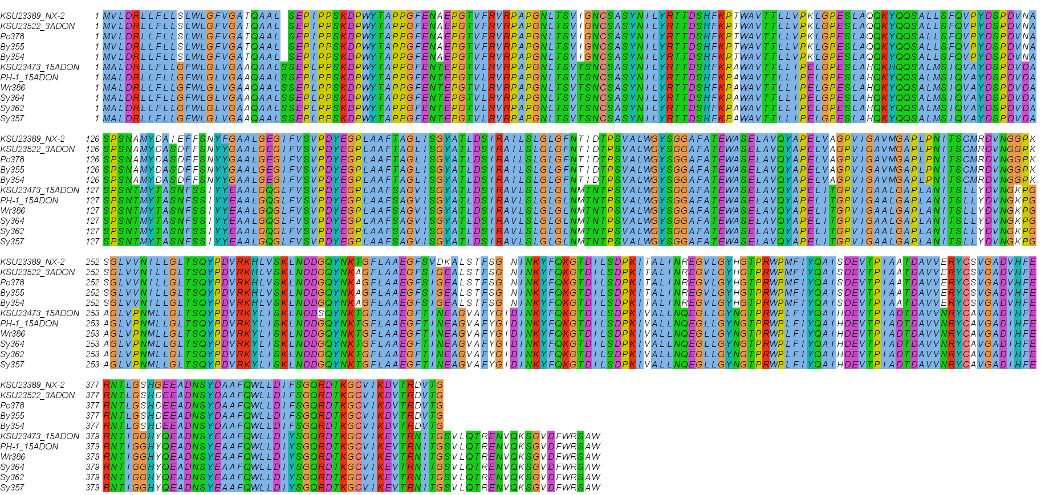

Supplementary Figure 1. Multiple sequence alignment of the TRI8 protein from Fusarium graminearum cross-infectivity isolates and reference strains representing known chemotypes. Protein sequences were aligned using MAFFT v.7525 and visualized in Jalview v2.11.5.1. Isolates confirmed by mycotoxin analysis as 3-ADON and 15-ADON chemotypes cluster with their corresponding reference alleles (KSU23522 for 3ADON and KSU23473 and PH-1 for 15ADON), supporting chemotype assignments inferred from TRI8 sequence similarity. Conserved regions are shared across all sequences, while distinct amino-acid substitutions differentiate 3-ADON and 15-ADON backgrounds.

Supp Figure 2. TRI Tree
Supplementary Figure 2. Phylogenetic relationships inferred from TRI8 protein sequences of Fusarium graminearum cross-infectivity isolates and reference strains with known chemotypes. The tree was constructed from the MAFFT-aligned TRI8 protein sequences using a distance-based method (neighbor-joining) and visualized in Jalview version 2.11.5.1. Isolates confirmed as 3-ADON and 15-ADON chemotypes by mycotoxin tests cluster with their corresponding reference strains, providing genetic support for chemotype assignments determined by LC/MS.
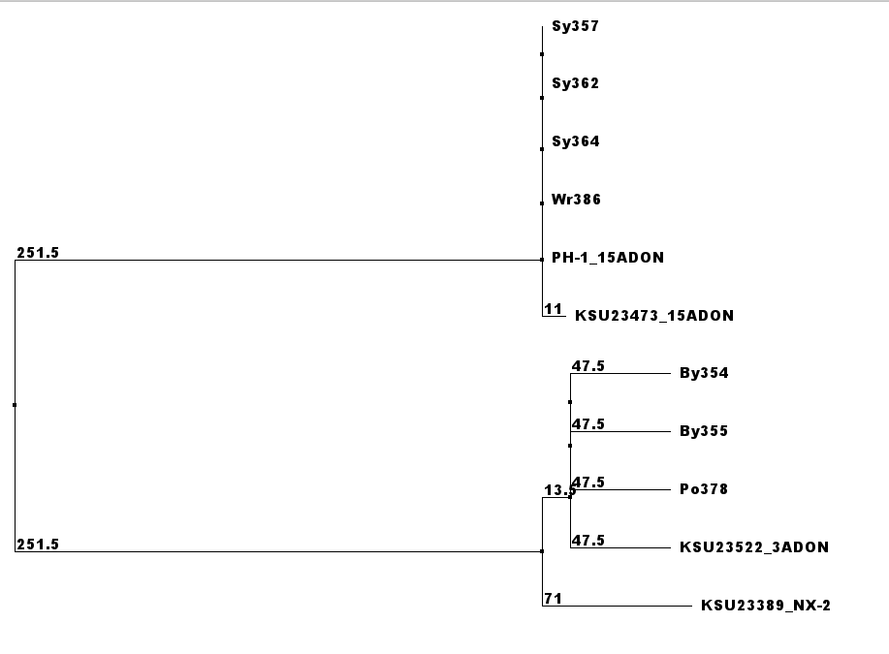

Supp Figure 3. Fast_slow_assign
Supplementary Figure 3. Genome-wide fast (red) and slow (gray) subgenome assignments of seven cross-infectivity isolates. Each horizontal track represents an individual isolate, with a consensus track indicating the majority subgenome state per genomic window. All chromosomes are displayed on a shared genomic axis where subgenome regions extend only to the boundaries of each chromosome.
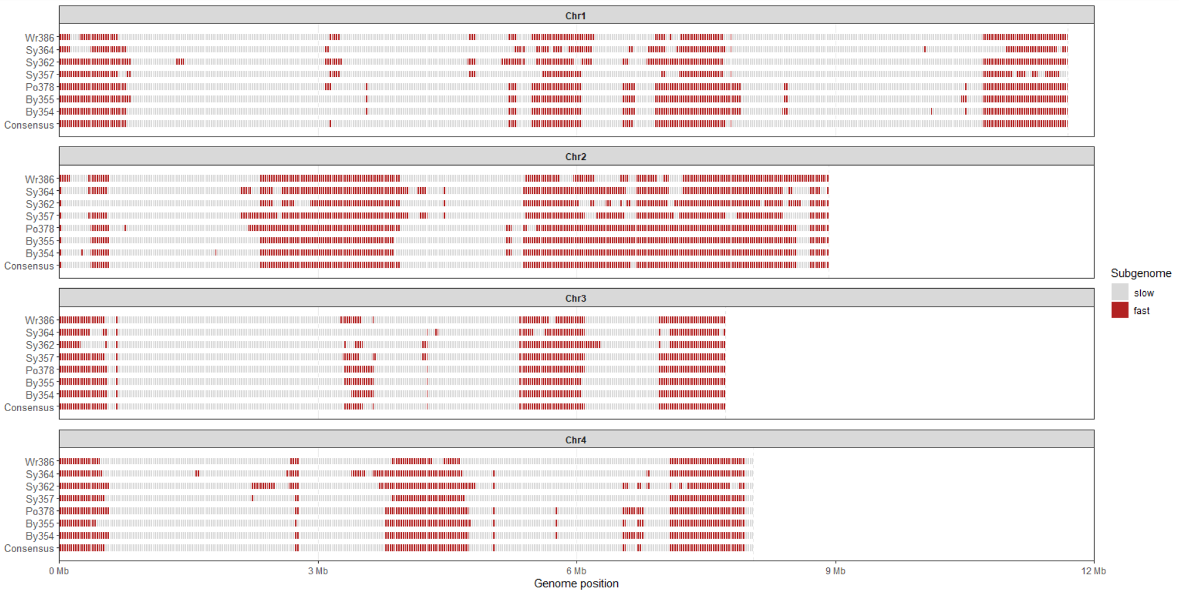

Supp Figure 4. exclusive_genes_
Supplementary Figure 4. Proportion and counts of isolate-exclusive genes with and without BLAST hits against UniProt Swiss-Prot curated protein database across cross-infectivity isolates. Bars show the percentage and counts of exclusive genes per isolate that returned BLAST hits (light purple) or had no detectable BLAST hits (dark purple).
