Sheet1
triangluar cross section for the root
L= Long root
s= Short root
U= normal root form
V= V shape root form
Thin= a larger lab-ling dimension for the root
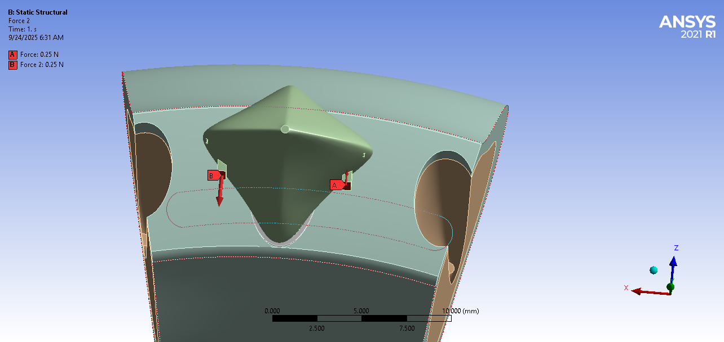
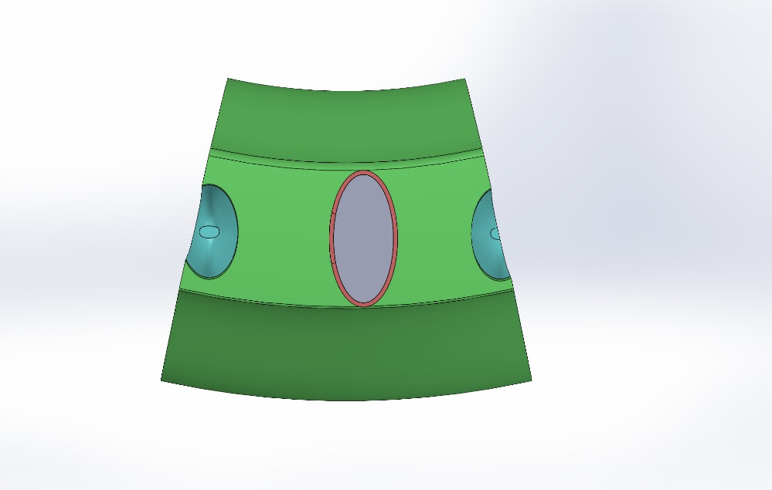
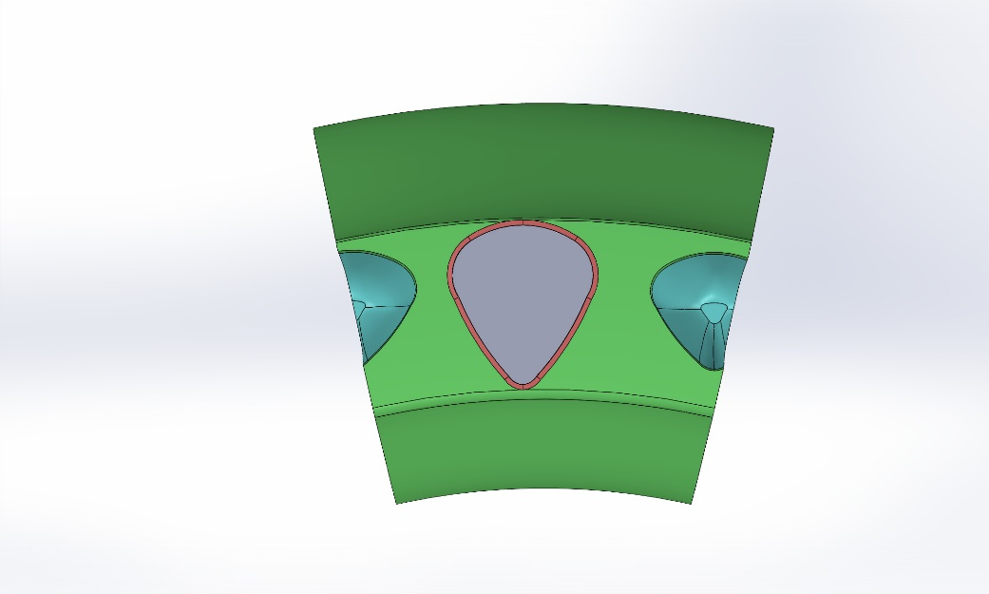

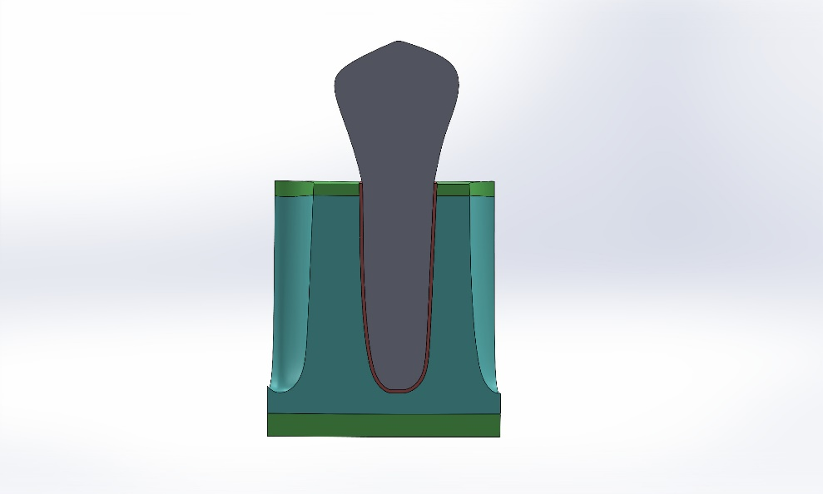
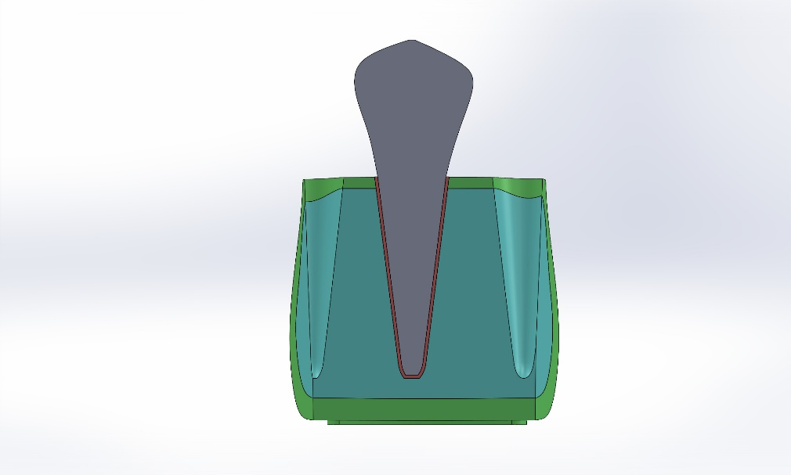

 |  | Force application
 |  | Distal Labial | Mesial Lingual

 |  | Triangle L | U-shaped L | conical L | elipsoid L
 | Distal | -2.08E-05 | 1.05E-06 | -2.30E-05 | -1.56E-07
Vertical Displacement in Rotation Correction
 | Triangle L | U-shaped L | conical L | elipsoid L
Distal | -2.08E-05 | 1.05E-06 | -2.30E-05 | -1.56E-07
 |  | 8.04E-07 | -2.02E-05
 | -1.67E-05 | 7.27E-07 | -1.92E-05 | -6.52E-08
 | -1.57E-05 | 6.50E-07 | -1.83E-05 | -3.67E-08
 | -1.47E-05 | 5.72E-07 | -1.74E-05 | -8.88E-09
 | -1.36E-05 | 4.91E-07 | -1.64E-05 | 1.74E-08
 | -1.26E-05 | 4.07E-07 | -1.55E-05 | 4.21E-08
10 | -1.16E-05 | 3.24E-07 | -1.45E-05 | 6.74E-08
 | -1.06E-05 | 2.40E-07 | -1.36E-05 | 9.03E-08
 | -9.53E-06 | 1.56E-07 | -1.27E-05 | 1.13E-07
 | -8.50E-06 | 7.41E-08 | -1.17E-05 | 1.36E-07
 | -7.47E-06 | -8.18E-09 | -1.08E-05 | 1.59E-07
 | -6.44E-06 | -8.96E-08 | -9.84E-06 | 1.81E-07
 | -5.40E-06 | -1.70E-07 | -8.89E-06 | 2.08E-07
 | -4.36E-06 | -2.50E-07 | -7.95E-06 | 2.33E-07
 | -3.32E-06 | -3.28E-07 | -7.01E-06 | 2.58E-07
 | -2.28E-06 | -4.07E-07 | -6.06E-06 | 2.83E-07
20 | -1.24E-06 | -4.84E-07 | -5.11E-06 | 3.10E-07
 | -1.98E-07 | -5.61E-07 | -4.17E-06 | 3.37E-07
 | 8.46E-07 | -6.37E-07 | -3.22E-06 | 3.65E-07
 | 1.89E-06 | -7.13E-07 | -2.28E-06 | 3.93E-07
 | 2.94E-06 | -7.89E-07 | -1.33E-06 | 4.21E-07
 | 3.98E-06 | -8.65E-07 | -3.81E-07 | 4.48E-07
 | 5.03E-06 | -9.41E-07 | 5.67E-07 | 4.76E-07
 | 6.08E-06 | -1.02E-06 | 1.51E-06 | 5.03E-07
 | 7.12E-06 | -1.09E-06 | 2.46E-06 | 5.30E-07
 | 8.17E-06 | -1.17E-06 | 3.41E-06 | 5.57E-07
30 | 9.21E-06 | -1.25E-06 | 4.35E-06 | 5.83E-07
 | 1.03E-05 | -1.32E-06 | 5.30E-06 | 6.09E-07
 | 1.13E-05 | -1.40E-06 | 6.24E-06 | 6.34E-07
 | 1.23E-05 | -1.48E-06 | 7.19E-06 | 6.57E-07
 | 1.34E-05 | -1.56E-06 | 8.13E-06 | 6.79E-07
 | 1.44E-05 | -1.64E-06 | 9.07E-06 | 6.99E-07
 | 1.54E-05 | -1.72E-06 | 1.00E-05 | 7.20E-07
 | 1.65E-05 | -1.81E-06 | 1.10E-05 | 7.41E-07
 | 1.75E-05 | -1.89E-06 | 1.19E-05 | 7.62E-07
 | 1.85E-05 | -1.97E-06 | 1.28E-05 | 7.82E-07
40 | 1.95E-05 | -2.05E-06 | 1.38E-05 | 8.01E-07
 | 2.06E-05 | -2.14E-06 | 1.47E-05 | 8.19E-07
 | 2.16E-05 | -2.22E-06 | 1.57E-05 | 8.42E-07
 | 2.26E-05 | -2.30E-06 | 1.66E-05 | 8.70E-07
 | 2.37E-05 | -2.37E-06 | 1.75E-05 | 8.98E-07
 | 2.47E-05 | -2.45E-06 | 1.85E-05 | 9.24E-07
 |  | -2.53E-06 | 1.94E-05
Mesial | 2.88E-05 | -2.79E-06 | 2.22E-05 | 1.01E-06

Extrusion (mm.)
 |  |  | 8.04E-07 | -2.02E-05
 |  | -1.67E-05 | 7.27E-07 | -1.92E-05 | -6.52E-08
 |  | -1.57E-05 | 6.50E-07 | -1.83E-05 | -3.67E-08
 |  | -1.47E-05 | 5.72E-07 | -1.74E-05 | -8.88E-09
 |  | -1.36E-05 | 4.91E-07 | -1.64E-05 | 1.74E-08
 |  | -1.26E-05 | 4.07E-07 | -1.55E-05 | 4.21E-08
 | 10 | -1.16E-05 | 3.24E-07 | -1.45E-05 | 6.74E-08
 |  | -1.06E-05 | 2.40E-07 | -1.36E-05 | 9.03E-08
 |  | -9.53E-06 | 1.56E-07 | -1.27E-05 | 1.13E-07
 |  | -8.50E-06 | 7.41E-08 | -1.17E-05 | 1.36E-07
 |  | -7.47E-06 | -8.18E-09 | -1.08E-05 | 1.59E-07
 |  | -6.44E-06 | -8.96E-08 | -9.84E-06 | 1.81E-07
 |  | -5.40E-06 | -1.70E-07 | -8.89E-06 | 2.08E-07
Intrusion (mm.)
 |  | -4.36E-06 | -2.50E-07 | -7.95E-06 | 2.33E-07
 |  | -3.32E-06 | -3.28E-07 | -7.01E-06 | 2.58E-07
 |  | -2.28E-06 | -4.07E-07 | -6.06E-06 | 2.83E-07
 | 20 | -1.24E-06 | -4.84E-07 | -5.11E-06 | 3.10E-07
 |  | -1.98E-07 | -5.61E-07 | -4.17E-06 | 3.37E-07
 |  | 8.46E-07 | -6.37E-07 | -3.22E-06 | 3.65E-07
 |  | 1.89E-06 | -7.13E-07 | -2.28E-06 | 3.93E-07
 |  | 2.94E-06 | -7.89E-07 | -1.33E-06 | 4.21E-07
 |  | 3.98E-06 | -8.65E-07 | -3.81E-07 | 4.48E-07
 |  | 5.03E-06 | -9.41E-07 | 5.67E-07 | 4.76E-07
 |  | 6.08E-06 | -1.02E-06 | 1.51E-06 | 5.03E-07
 |  | 7.12E-06 | -1.09E-06 | 2.46E-06 | 5.30E-07
 |  | 8.17E-06 | -1.17E-06 | 3.41E-06 | 5.57E-07
 | 30 | 9.21E-06 | -1.25E-06 | 4.35E-06 | 5.83E-07
 |  | 1.03E-05 | -1.32E-06 | 5.30E-06 | 6.09E-07
 |  | 1.13E-05 | -1.40E-06 | 6.24E-06 | 6.34E-07
 |  | 1.23E-05 | -1.48E-06 | 7.19E-06 | 6.57E-07
 |  | 1.34E-05 | -1.56E-06 | 8.13E-06 | 6.79E-07
 |  | 1.44E-05 | -1.64E-06 | 9.07E-06 | 6.99E-07
 |  | 1.54E-05 | -1.72E-06 | 1.00E-05 | 7.20E-07
 |  | 1.65E-05 | -1.81E-06 | 1.10E-05 | 7.41E-07
 |  | 1.75E-05 | -1.89E-06 | 1.19E-05 | 7.62E-07
 |  | 1.85E-05 | -1.97E-06 | 1.28E-05 | 7.82E-07
 | 40 | 1.95E-05 | -2.05E-06 | 1.38E-05 | 8.01E-07
 |  | 2.06E-05 | -2.14E-06 | 1.47E-05 | 8.19E-07
 |  | 2.16E-05 | -2.22E-06 | 1.57E-05 | 8.42E-07
 |  | 2.26E-05 | -2.30E-06 | 1.66E-05 | 8.70E-07
 |  | 2.37E-05 | -2.37E-06 | 1.75E-05 | 8.98E-07
 |  | 2.47E-05 | -2.45E-06 | 1.85E-05 | 9.24E-07
 |  |  | -2.53E-06 | 1.94E-05

 | Mesial | 2.88E-05 | -2.79E-06 | 2.22E-05 | 1.01E-06

 |  | Triangle S | U-shaped S | conical S | ellipsoid S
 |  | -3.29E-05 | -1.51E-06 | -3.84E-05 | -2.11E-07
Vertical Displacement in Rotation Correction
 | Triangle S -3.29E-05 | U-shaped S -1.51E-06 -1.83E-06 | conical S -3.84E-05 -3.42E-05 | ellipsoid S -2.11E-07
Distal | -2.64E-05 | -1.93E-06 | -3.27E-05 | -3.74E-07
 | -2.47E-05 | -2.04E-06 | -3.13E-05 | -4.09E-07
 | -2.31E-05 | -2.14E-06 | -2.99E-05 | -4.45E-07
 | -2.15E-05 | -2.25E-06 | -2.84E-05 | -4.82E-07
 | -1.98E-05 | -2.35E-06 | -2.70E-05 | -5.22E-07
 | -1.82E-05 | -2.46E-06 | -2.56E-05 | -5.62E-07
 | -1.66E-05 | -2.56E-06 | -2.42E-05 | -6.01E-07
 | -1.49E-05 | -2.67E-06 | -2.27E-05 | -6.43E-07
 | -1.33E-05 | -2.78E-06 | -2.13E-05 | -6.85E-07
10 | -1.16E-05 | -2.89E-06 | -1.99E-05 | -7.27E-07
 | -1.00E-05 | -2.99E-06 | -1.85E-05 | -7.68E-07
 | -8.35E-06 | -3.09E-06 | -1.70E-05 | -8.07E-07
 | -6.70E-06 | -3.20E-06 | -1.56E-05 | -8.45E-07
 | -5.05E-06 | -3.30E-06 | -1.42E-05 | -8.83E-07
 | -3.40E-06 | -3.40E-06 | -1.28E-05 | -9.22E-07
 | -1.75E-06 | -3.50E-06 | -1.13E-05 | -9.59E-07
 | -9.35E-08 | -3.60E-06 | -9.90E-06 | -9.96E-07
 | 1.56E-06 | -3.71E-06 | -8.47E-06 | -1.03E-06
 | 3.22E-06 | -3.81E-06 | -7.04E-06 | -1.07E-06
20 | 4.88E-06 | -3.91E-06 | -5.60E-06 | -1.11E-06
 | 6.54E-06 | -4.01E-06 | -4.17E-06 | -1.14E-06
 | 8.19E-06 | -4.11E-06 | -2.74E-06 | -1.18E-06
 | 9.85E-06 | -4.21E-06 | -1.31E-06 | -1.22E-06
 | 1.15E-05 | -4.31E-06 | 1.21E-07 | -1.25E-06
 | 1.32E-05 | -4.41E-06 | 1.55E-06 | -1.29E-06
 | 1.48E-05 | -4.51E-06 | 2.98E-06 | -1.33E-06
 | 1.65E-05 | -4.61E-06 | 4.41E-06 | -1.37E-06
 | 1.81E-05 | -4.71E-06 | 5.84E-06 | -1.41E-06
 | 1.98E-05 | -4.81E-06 | 7.27E-06 | -1.45E-06
30 | 2.14E-05 | -4.92E-06 | 8.70E-06 | -1.49E-06
 | 2.31E-05 | -5.02E-06 | 1.01E-05 | -1.53E-06
 | 2.47E-05 | -5.13E-06 | 1.15E-05 | -1.58E-06
 | 2.64E-05 | -5.23E-06 | 1.30E-05 | -1.62E-06
 | 2.80E-05 | -5.34E-06 | 1.44E-05 | -1.66E-06
 | 2.96E-05 | -5.45E-06 | 1.58E-05 | -1.71E-06
 | 3.13E-05 | -5.55E-06 | 1.72E-05 | -1.75E-06
 | 3.29E-05 | -5.66E-06 | 1.87E-05 | -1.79E-06
 | 3.45E-05 | -5.76E-06 | 2.01E-05 | -1.84E-06
 | 3.62E-05 | -5.87E-06 | 2.15E-05 | -1.87E-06
40 | 3.78E-05 | -5.97E-06 | 2.30E-05 | -1.91E-06
 | 3.95E-05 | -6.08E-06 | 2.44E-05 | -1.95E-06
 |  | -6.18E-06 | 2.58E-05
 | 4.60E-05 | -6.51E-06 | 3.01E-05 | -2.12E-06
Mesial

 |  |  | -1.83E-06 | -3.42E-05
 | Distal | -2.64E-05 | -1.93E-06 | -3.27E-05 | -3.74E-07
 |  | -2.47E-05 | -2.04E-06 | -3.13E-05 | -4.09E-07
 |  | -2.31E-05 | -2.14E-06 | -2.99E-05 | -4.45E-07
 |  | -2.15E-05 | -2.25E-06 | -2.84E-05 | -4.82E-07
 |  | -1.98E-05 | -2.35E-06 | -2.70E-05 | -5.22E-07
 |  | -1.82E-05 | -2.46E-06 | -2.56E-05 | -5.62E-07
 |  | -1.66E-05 | -2.56E-06 | -2.42E-05 | -6.01E-07
 |  | -1.49E-05 | -2.67E-06 | -2.27E-05 | -6.43E-07
 |  | -1.33E-05 | -2.78E-06 | -2.13E-05 | -6.85E-07
 | 10 | -1.16E-05 | -2.89E-06 | -1.99E-05 | -7.27E-07
 |  | -1.00E-05 | -2.99E-06 | -1.85E-05 | -7.68E-07
 |  | -8.35E-06 | -3.09E-06 | -1.70E-05 | -8.07E-07
 |  | -6.70E-06 | -3.20E-06 | -1.56E-05 | -8.45E-07
 |  | -5.05E-06 | -3.30E-06 | -1.42E-05 | -8.83E-07
 |  | -3.40E-06 | -3.40E-06 | -1.28E-05 | -9.22E-07
 |  | -1.75E-06 | -3.50E-06 | -1.13E-05 | -9.59E-07
 |  | -9.35E-08 | -3.60E-06 | -9.90E-06 | -9.96E-07
 |  | 1.56E-06 | -3.71E-06 | -8.47E-06 | -1.03E-06
 |  | 3.22E-06 | -3.81E-06 | -7.04E-06 | -1.07E-06
 | 20 | 4.88E-06 | -3.91E-06 | -5.60E-06 | -1.11E-06
 |  | 6.54E-06 | -4.01E-06 | -4.17E-06 | -1.14E-06
 |  | 8.19E-06 | -4.11E-06 | -2.74E-06 | -1.18E-06
 |  | 9.85E-06 | -4.21E-06 | -1.31E-06 | -1.22E-06
 |  | 1.15E-05 | -4.31E-06 | 1.21E-07 | -1.25E-06
 |  | 1.32E-05 | -4.41E-06 | 1.55E-06 | -1.29E-06
 |  | 1.48E-05 | -4.51E-06 | 2.98E-06 | -1.33E-06
 |  | 1.65E-05 | -4.61E-06 | 4.41E-06 | -1.37E-06
 |  | 1.81E-05 | -4.71E-06 | 5.84E-06 | -1.41E-06
 |  | 1.98E-05 | -4.81E-06 | 7.27E-06 | -1.45E-06
 | 30 | 2.14E-05 | -4.92E-06 | 8.70E-06 | -1.49E-06
 |  | 2.31E-05 | -5.02E-06 | 1.01E-05 | -1.53E-06
 |  | 2.47E-05 | -5.13E-06 | 1.15E-05 | -1.58E-06
 |  | 2.64E-05 | -5.23E-06 | 1.30E-05 | -1.62E-06
 |  | 2.80E-05 | -5.34E-06 | 1.44E-05 | -1.66E-06
 |  | 2.96E-05 | -5.45E-06 | 1.58E-05 | -1.71E-06
 |  | 3.13E-05 | -5.55E-06 | 1.72E-05 | -1.75E-06
 |  | 3.29E-05 | -5.66E-06 | 1.87E-05 | -1.79E-06
 |  | 3.45E-05 | -5.76E-06 | 2.01E-05 | -1.84E-06
 |  | 3.62E-05 | -5.87E-06 | 2.15E-05 | -1.87E-06
 | 40 | 3.78E-05 | -5.97E-06 | 2.30E-05 | -1.91E-06
 |  | 3.95E-05 | -6.08E-06 | 2.44E-05 | -1.95E-06
 |  |  | -6.18E-06 | 2.58E-05

 |  | 4.60E-05 | -6.51E-06 | 3.01E-05 | -2.12E-06

The Ratio of Vertical dsipalcement in Mesial and distal of The crown

 | Mesial

 |  | Triangle L | Triangle S | U form L | U From S | conical L | conical S | ellipsoid L | ellipsoid S
 | 1 | -2.08E-05 | -3.29E-05 | 1.05E-06 | -1.51E-06 | -2.30E-05 | -3.84E-05 | -1.56E-07 | -2.11E-07
 | 49 | 2.88E-05 | 4.60E-05 | -2.79E-06 | -6.51E-06 | 2.22E-05 | 3.01E-05 | 1.01E-06 | -2.12E-06

 | Mesial | -20.494083 | -32.447732 | 1.038363 | -1.490138 | -22.693294 | -37.899408 | -0.154250 | -0.207811
 | Distal | 28.362919 | 45.346154 | -2.746943 | -6.415680 | 21.940828 | 29.667653 | 1.000000 | -2.089842

 |  | Triangle L | Triangle S | U-Shaped L | U-shaped S | conical L | conical S | ellipsoid L | ellipsoid S
 | Mesial | -20.49 | -32.44 | 1.03 | -1.49 | -22.69 | -37.89 | -0.15 | -0.21
 | Distal | 28.36 | 45.34 | -2.74 | -6.41 | 21.94 | 29.66 | 1.00 | -2.09

Max. SEQV (MPa)
 |  | PDL
 |  | Max. SEQV
 | ellipsoid L | 4.17E-03
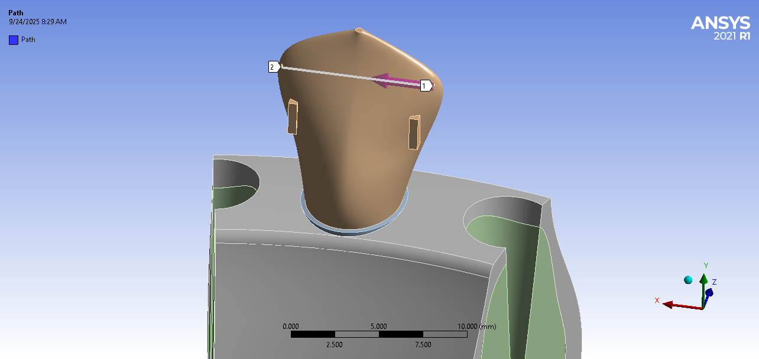
 | ellipsoid S | 4.98E-03
 | Triangular L | 6.26E-03
 | Triangular S | 7.13E-03
 | U-shaped L | 6.15E-03
 | U-shaped S | 7.18E-03
 | conical L | 7.26E-03
 | conical S | 9.90E-03

