ShinyGO UP FC >2
Enrichment FDR | nGenes | Pathway Genes | Fold Enrichment | Pathways (click for details) | Genes
1.60E-06 | 4 | 94 | 112.9 | GO:0009607 Response to biotic stimulus | OE9A038120 OE9A047084 OE9A051438 OE9A096921
2.30E-05 | 4 | 217 | 48.9 | GO:0006952 Defense response | OE9A038120 OE9A047084 OE9A051438 OE9A096921
4.90E-05 | 5 | 664 | 20 | GO:0005506 Iron ion binding | OE9A013138 OE9A030206 OE9A090761 OE9A119429 OE9A120982
5.50E-05 | 5 | 722 | 18.4 | GO:0020037 Heme binding | OE9A013138 OE9A030206 OE9A090761 OE9A119429 OE9A120982
1.10E-04 | 4 | 406 | 26.1 | GO:0016705 Oxidoreductase activity, acting on paired donors, with incorporation or reduction of mole | OE9A030206 OE9A090761 OE9A119429 OE9A120982
3.40E-04 | 2 | 33 | 160.8 | GO:0010427 Abscisic acid binding | OE9A031523 OE9A035730
3.40E-04 | 2 | 34 | 156.1 | GO:0004864 Protein phosphatase inhibitor activity | OE9A031523 OE9A035730
3.40E-04 | 2 | 33 | 160.8 | GO:0004872 Receptor activity | OE9A031523 OE9A035730
7.00E-04 | 3 | 291 | 27.4 | GO:0004497 Monooxygenase activity | OE9A030206 OE9A090761 OE9A120982
8.50E-04 | 2 | 60 | 88.5 | GO:0080163 Reg. of protein serine/threonine phosphatase activity | OE9A031523 OE9A035730
1.30E-03 | 6 | 2739 | 5.8 | GO:0055114 Oxidation-reduction process | OE9A013138 OE9A030206 OE9A060994 OE9A090761 OE9A119429 OE9A120982
3.00E-03 | 2 | 130 | 40.8 | GO:0080043 Quercetin 3-O-glucosyltransferase activity | OE9A055796 OE9A112727
3.00E-03 | 2 | 130 | 40.8 | GO:0080044 Quercetin 7-O-glucosyltransferase activity | OE9A055796 OE9A112727
3.20E-03 | 2 | 139 | 38.2 | GO:0052696 Flavonoid glucuronidation | OE9A055796 OE9A112727
4.40E-03 | 2 | 168 | 31.6 | GO:0009813 Flavonoid biosynthetic process | OE9A055796 OE9A112727
5.30E-03 | 2 | 192 | 27.6 | GO:0009738 Abscisic acid-activated signaling pathway | OE9A031523 OE9A035730
1.60E-02 | 1 | 20 | 132.7 | GO:0004089 Carbonate dehydratase activity | OE9A066969
2.80E-02 | 1 | 37 | 71.7 | GO:0008378 Galactosyltransferase activity | OE9A025758
3.30E-02 | 2 | 538 | 9.9 | GO:0043231 Intracellular membrane-bounded organelle | OE9A055796 OE9A112727
3.30E-02 | 1 | 51 | 52 | GO:0006730 One-carbon metabolic process | OE9A066969
 |  |  |  |  |  | http://amigo.geneontology.org/amigo/term/GO:0006807 | OE9A066969
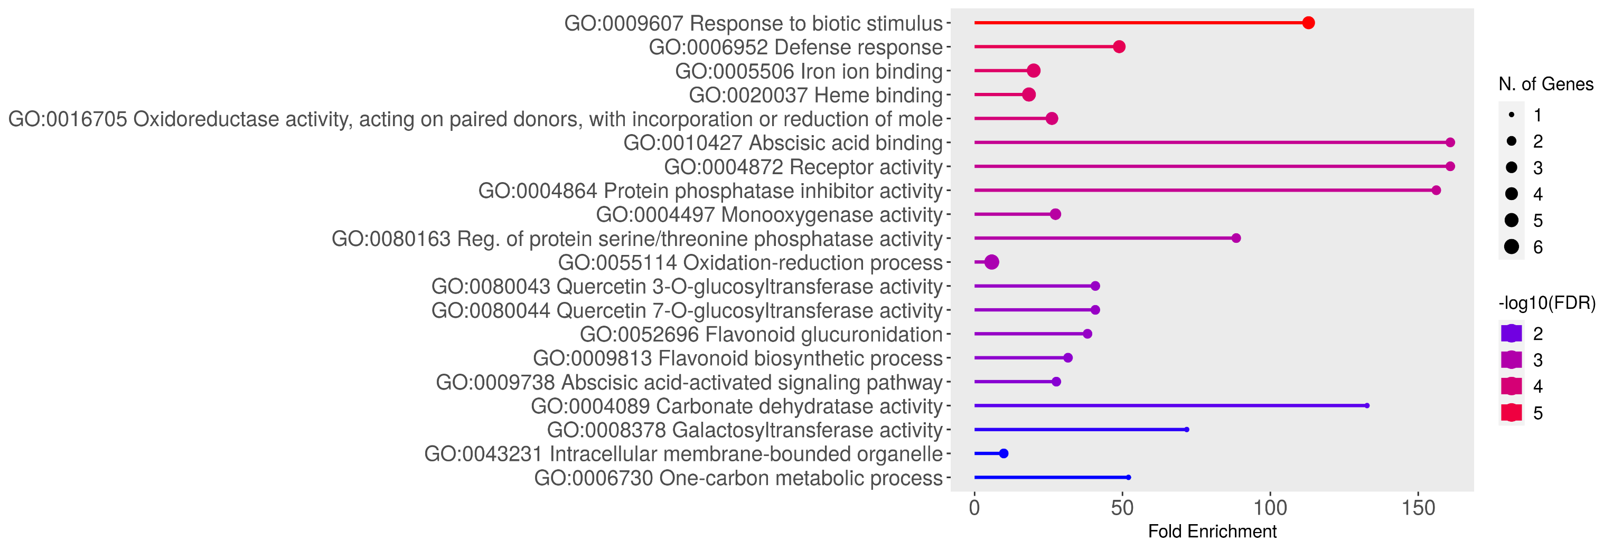
 |  |  |  |  |  | http://amigo.geneontology.org/amigo/term/GO:0022857 | OE9A085366
 |  |  |  |  |  | http://amigo.geneontology.org/amigo/term/GO:0016709 | OE9A013138
 |  |  |  |  |  | http://amigo.geneontology.org/amigo/term/GO:0044550 | OE9A013138
 |  |  |  |  |  | http://amigo.geneontology.org/amigo/term/GO:0004185 | OE9A046683
 |  |  |  |  |  | http://amigo.geneontology.org/amigo/term/GO:0006486 | OE9A025758
 |  |  |  |  |  | http://amigo.geneontology.org/amigo/term/GO:0051213 | OE9A060994
 |  |  |  |  |  | http://amigo.geneontology.org/amigo/term/GO:0000139 | OE9A025758

