Results
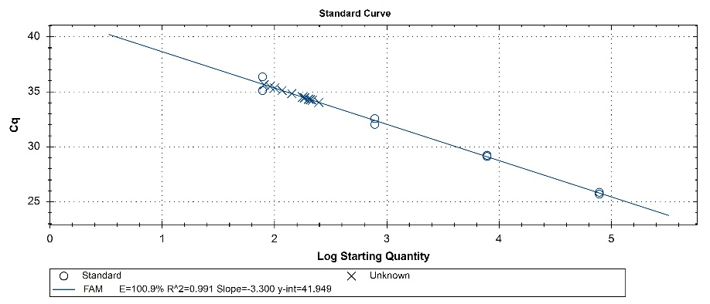
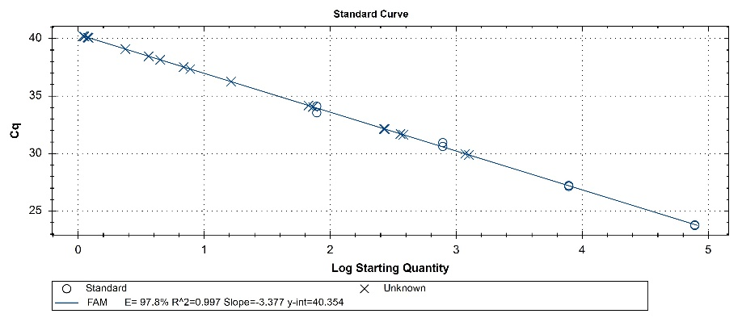
ISAV |  | Cq Mean (n = 2) | Cq Std. Dev | SQ Mean = expected DNA copies in 5 µL | SQ Std. Dev. |  |  |  |  | PRV1 |  | Cq Mean (n = 2) | Cq Std. Dev | SQ Mean = expected DNA copies in 5 µL | SQ Std. Dev.
For standard curve | gBlock Std^4_1:1 | 25.79 | 0.12 | 78130.00 | 0.00 |  |  |  |  | For standard curve | gBlock Std^4_1:1 | 23.78 | 0.04 | 78130.00 | 0.00
 | gBlock Std^4_1:10 | 29.18 | 0.08 | 7813.00 | 0.00 |  |  |  |  |  | gBlock Std^4_1:10 | 27.19 | 0.06 | 7813.00 | 0.00
 | gBlock Std^4_1:100 | 32.31 | 0.37 | 781.30 | 0.00 |  |  |  |  |  | gBlock Std^4_1:100 | 30.79 | 0.24 | 781.30 | 0.00
 | gBlock Std^4_1:1000 | 35.75 | 0.88 | 78.13 | 0.00 |  |  |  |  |  | gBlock Std^4_1:1000 | 33.83 | 0.40 | 78.13 | 0.00

 |  |  |  |  |  |  | Conversion to copies/L: |  | Copy numbers measured in 5 µL of extract were converted to copies per litre of water using:
Sample | Description | Group | Cq Mean | Cq Std. Dev. | SQ Mean | SQ Std. Dev. | SQ Mean | SQ Std. Dev. | copies per L = copies in 5 µL x (100 µL elution volume/ 5 µL) x (1 L / 0.5 L filtration volume)
Sample_01 | Outlet water (Feb/23) | Hatchery | 35.39 | 0.37 | 98.80 | 25.31 | 3952.00 | 1012.58
Sample_02 | Tank water (Feb/23) | Hatchery | 35.42 | 0.09 | 95.60 | 6.36 | 3824.20 | 254.28 | 5 µL used in the qPCR
Sample_03 | Inlet water (Feb/23) | Hatchery | 34.68 | 0.23 | 160.35 | 25.24 | 6414.00 | 1009.75 | 100 µL total elution volume after nucleic acid extraction
Sample_04 | Control (Feb/23) | Hatchery | N/A | N/A | N/A | N/A | N/A | N/A | 0.5 L (500 mL) water filtered
Sample_05 | Outlet water (May/23) | Hatchery | 34.30 | 0.08 | 209.25 | 11.10 | 8370.00 | 444.06
Sample_06 | Tank water (May/23) | Hatchery | 34.25 | 0.30 | 217.50 | 43.84 | 8700.00 | 1753.62
Sample_07 | Inlet water (May/23) | Hatchery | 34.38 | 0.12 | 197.10 | 16.55 | 7884.00 | 661.85
Sample_08 | Control (May/23) | Hatchery | N/A | N/A | N/A | N/A | N/A | N/A
Sample_09 | 1km from cage - 1m depth (Apr/23) | Seawater sites | N/A | N/A | N/A | N/A | N/A | N/A
Sample_10 | 1km from cage - 20m depth (Apr/23) | Seawater sites | N/A | N/A | N/A | N/A | N/A | N/A
Sample_11 | Seawater cage (Apr/23) | Seawater sites | N/A | N/A | N/A | N/A | N/A | N/A
Sample_12 | Control (Apr/23) | Seawater sites | N/A | N/A | N/A | N/A | N/A | N/A
Sample_13 | 1km from cage - 1m depth (May/23) | Seawater sites | N/A | N/A | N/A | N/A | N/A | N/A
Sample_14 | 1km from cage - 20m depth (May/23) | Seawater sites | N/A | N/A | N/A | N/A | N/A | N/A
Sample_15 | Seawater cage (May/23) | Seawater sites | N/A | N/A | N/A | N/A | N/A | N/A
Sample_16 | Control (May/23) | Seawater sites | N/A | N/A | N/A | N/A | N/A | N/A
Sample_17 | Seawater cage (Jun/23) | Seawater sites | N/A | N/A | N/A | N/A | N/A | N/A
Sample_21 | Seawater cage (Jul/23) | Seawater sites | N/A | N/A | N/A | N/A | N/A | N/A
Sample_18 | Seawater cage (Aug/23) | Seawater sites | 38.00 | 0.66 | 5.25 | 2.29 | 209.94 | 91.78
Sample_19 | Control (Aug/23) | Seawater sites | N/A | N/A | N/A | N/A | N/A | N/A
Sample_20 | Seawater cage (Sep/23) | Seawater sites | 31.68 | 0.06 | 370.65 | 13.93 | 14826.00 | 557.20
Sample_22 | 1km from cage - 1m depth (Oct/23) | Seawater sites | N/A | N/A | N/A | N/A | N/A | N/A
Sample_23 | 1km from cage - 20m depth (Oct/23) | Seawater sites | N/A | N/A | N/A | N/A | N/A | N/A
Sample_24 | Seawater cage (Oct/23) | Seawater sites | 34.12 | 0.08 | 70.02 | 4.07 | 2800.80 | 162.92
Sample_25 | Control (Oct/23) | Seawater sites | N/A | N/A | N/A | N/A | N/A | N/A
Sample_26 | Wellboat before treatment (Nov/23) | Wellboat | 36.81 | 0.77 | 12.04 | 6.07 | 481.78 | 242.99
Sample_27 | Wellboat after treatment (Nov/23) | Wellboat | 29.93 | 0.07 | 1219.00 | 57.98 | 48760.00 | 2319.31
Sample_28 | Seawater cage (Dec/23) | Seawater sites | 32.14 | 0.02 | 269.25 | 3.32 | 10770.00 | 132.94
Sample_30 | 1km from cage - 1m depth (Feb/24) | Seawater sites | N/A | N/A | N/A | N/A | N/A | N/A
Sample_31 | 1km from cage - 20m depth (Feb/24) | Seawater sites | N/A | N/A | N/A | N/A | N/A | N/A
Sample_32 | Seawater cage (Feb/24) | Seawater sites | 39.19 | 1.46 | 2.78 | 2.39 | 111.30 | 95.69
Sample_33 | Control (Feb/24) | Seawater sites | N/A | N/A | N/A | N/A | N/A | N/A
Sample_34 | 200m from cage - 1m depth (Feb/24) | Seawater sites | 40.09 | 0.01 | 1.20 | 0.01 | 47.80 | 0.45
Sample_35 | 200m from cage - 20m depth (Feb/24) | Seawater sites | N/A | N/A | N/A | N/A | N/A | N/A

