supp_figureS1_pcafunction
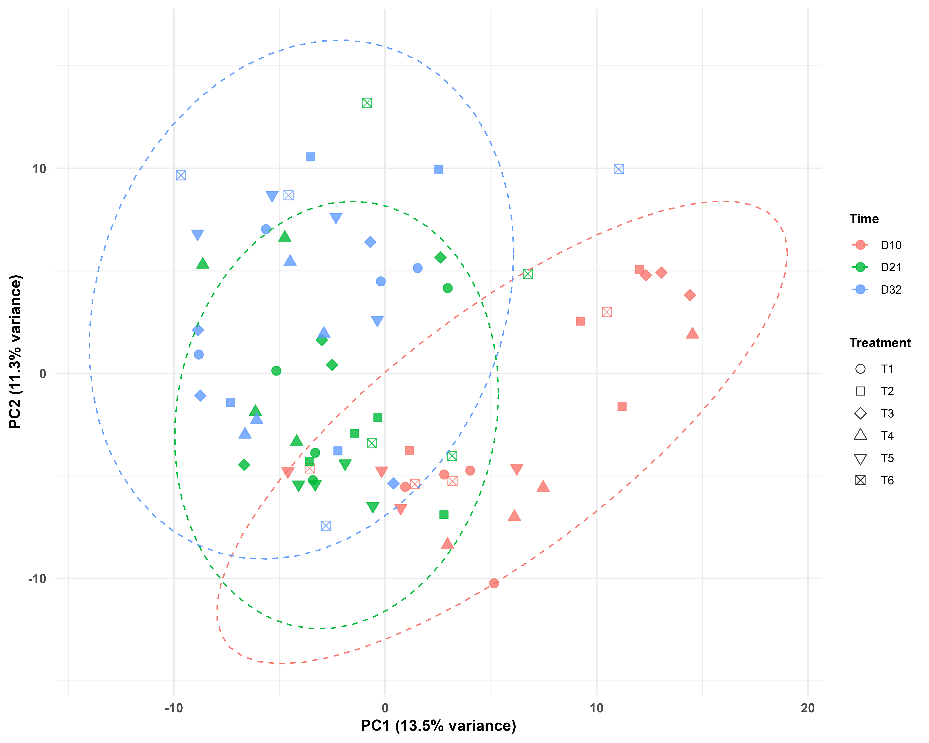
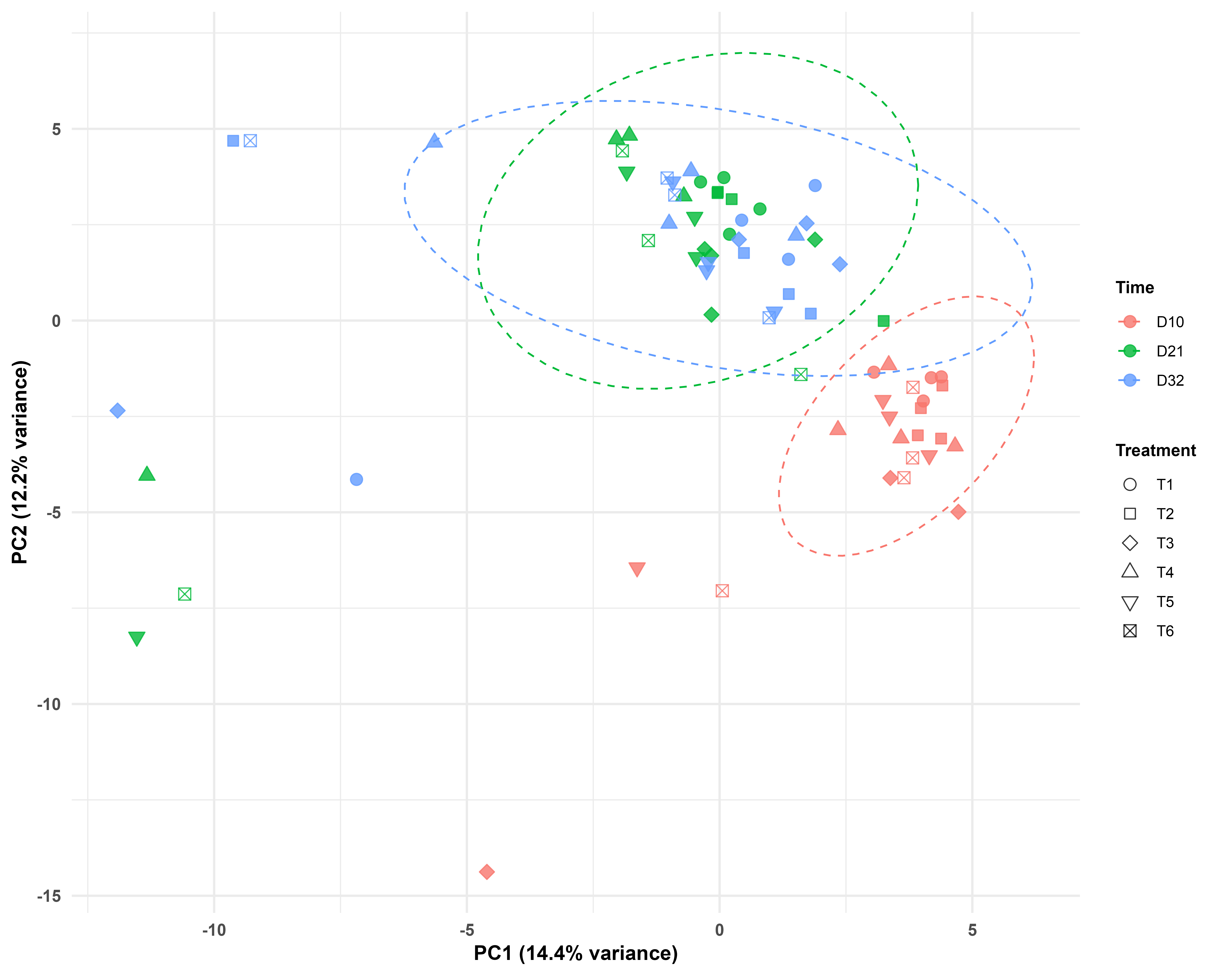
A: CAZy | B:KEGG pathway

C:ENZYME Commision
