Sheet2
Combined salt alkali stress of NaCl and Na2CO3

 | T1 | T2 | T3 | T4 | T5
0mol/l | 0.20422960725 | 0.29720575783 | 0.28148148148 | 0.34340499709 | 0.45325630252
40mol/l | 0.23814380418 | 0.30982567353 | 0.47860962567 | 0.68632075472 | 0.69546436285
80mol/l | 0.22798188223 | 0.21863419799 | 0.39558823529 | 0.85692307692 | 0.81398601399
120mol/l | 0.27608440797 | 0.83672883788 | 0.71536523929 | 0.80199115044 | 0.82209944751
160mol/l | 0.24831081081 | 0.76351351351 | 0.81347150259 | 0.95968534907 | 0.87867975022
a
a
a
a
a
a
a
b
b
a
a
ab
b
b
a
b
b
b
b
a
b
b
b
b
conductivity |  | 0mol/l | 40mol/l | 80mol/l | 120mol/l | 160mol/l
 | T1 | 0.17804002052 | 0.18057663126 | 0.24365207996 | 0.26124460875 | 0.28367579909
 |  | 0.20422960725 | 0.23814380418 | 0.22798188223 | 0.27608440797 | 0.24831081081
 |  | 0.30285714286 | 0.22435512897 | 0.22111344538 | 0.23338916806 | 0.20883534137
 | T2 | 0.30306988896 | 0.29512893983 | 0.29236499069 | 0.98502994012 | 0.63811659193
 |  | 0.29720575783 | 0.30982567353 | 0.21863419799 | 0.83672883788 | 0.76351351351
 |  | 0.37909992372 | 0.24190213646 | 0.23049853372 | 0.76466328747 | 0.96045918367
 | T3 | 0.28148148148 | 0.47860962567 | 0.39558823529 | 0.71536523929 | 0.81347150259
 |  | 0.36098981077 | 0.19705093834 | 0.70477568741 | 0.72700296736 | 0.5042158516
 |  | 0.37292634373 | 0.38386648122 | 0.34449518011 | 0.57473684211 | 0.77486910995
 | T4 | 0.56535433071 | 0.94610778443 | 0.98613037448 | 0.89856557377 | 0.85393258427
 |  | 0.45325630252 | 0.69546436285 | 0.81398601399 | 0.82209944751 | 0.87867975022
 |  | 0.34340499709 | 0.68632075472 | 0.85692307692 | 0.80199115044 | 0.95968534907
 | T5 | 0.32354330709 | 0.94610778443 | 0.98613037448 | 0.89856557377 | 0.85393258427
 |  | 0.45325630252 | 0.69546436285 | 0.81398601399 | 0.82209944751 | 0.87867975022
 |  | 0.34340499709 | 0.68632075472 | 0.85692307692 | 0.80199115044 | 0.95968534907

 | T1 | T2 | T3 | T4 | T5
0mol/L | 0.2579613 | 0.3711555 | 0.21394875 | 0.1813403 | 0.17748995
40mol/L | 0.2239023 | 0.2650611 | 0.1802832 | 0.1608409 | 0.1548762
80mol/L | 0.23841315 | 0.2316204 | 0.14708895 | 0.10955775 | 0.1156371
120mol/L | 0.1592217 | 0.2349972 | 0.1522364 | 0.06644895 | 0.132111
160mol/L | 0.21191655 | 0.14324505 | 0.0454566 | 0.0560619 | 0.02653545
a
a
a
b
b
a
ab
a
b
b
b
a
a
a
b
a
b
b
a
b
b
b
a
a
a
Chl |  | 0mol/l | 40mol/l | 80mol/l | 120mol/l | 160mol/l
 | T1 | 0.14986485 | 0.1816236 | 0.16026375 | 0.166836 | 0.19013295
 |  | 0.2579613 | 0.2239023 | 0.23841315 | 0.1592217 | 0.21191655
 |  | 0.2341239 | 0.1924419 | 0.19824885 | 0.19988325 | 0.2167809
 | T2 | 0.35528265 | 0.37163115 | 0.3205578 | 0.16577235 | 0.2493957
 |  | 0.3711555 | 0.2650611 | 0.2316204 | 0.2349972 | 0.14324505
 |  | 0.36645975 | 0.34425255 | 0.310881 | 0.263232 | 0.3082173
 | T3 | 0.21394875 | 0.1802832 | 0.14708895 | 0.1522364 | 0.0454566
 |  | 0.1511274 | 0.18295965 | 0.18075435 | 0.0572781 | 0.150816
 |  | 0.1237401 | 0.1829121 | 0.1860642 | 0.1023975 | 0.1149366
 | T4 | 0.1037898 | 0.1290498 | 0.07491525 | 0.1255041 | 0.07938585
 |  | 0.1813403 | 0.1608409 | 0.10955775 | 0.06644895 | 0.0560619
 |  | 0.08198025 | 0.10558845 | 0.1757604 | 0.10750815 | 0.0521673
 | T5 | 0.21748995 | 0.1548762 | 0.1156371 | 0.132111 | 0.02653545
 |  | 0.16963785 | 0.25056735 | 0.08443185 | 0.13054575 | 0.02432595
 |  | 0.17043345 | 0.15597015 | 0.17057595 | 0.22688985 | 0.07192725

 | T1 | T2 | T3 | T4 | T5
0mol/L | 1.5905 | 26.354 | 14.16 | 24.945 | 27.4515
40mol/L | 10.5235 | 24.4275 | 16.9815 | 32.079 | 41.7495
80mol/L | 2.437 | 30.4565 | 21.786 | 73.1275 | 50.7875
120mol/L | 4.8315 | 40.432 | 24.1055 | 80.5715 | 90.1945
160mol/L | 5.043 | 47.9115 | 56.167 | 95.91 | 138.02
a
a
ab
a
ab
ab
a
a
a
ab
a
a
b
a
ab
a
b
b
a
b
b
b
b
b
ab
MDA |  | 0mol/l | 40mol/l | 80mol/l | 120mol/l | 160mol/l
 | T1 | 1.5905 | 10.5235 | 2.437 | 4.8315
 |  | 1.9445 | 11.2835 | 6.7375 | 2.64 | 6.7355
 |  | 3.009 | 7.7025 | 1.742 | 2.89 | 21.712
 | T2 | 29.935 | 24.635 | 16.339 | 29.679 | 52.4015
 |  | 39.722 | 26.8055 | 15.3625 | 48.961 | 24.5715
 |  | 26.354 | 24.4275 | 30.4565 | 40.432 | 47.9115
 | T3 | 11.7465 | 16.9725 | 18.3285 | 20.8415 | 47.678
 |  | 17.404 | 10.7375 | 23.0315 | 24.698 | 25.675
 |  | 14.16 | 16.9815 | 21.786 | 24.1055 | 56.167
 | T4 | 51.727 | 18.415 | 76.664 | 61.4005 | 40.327
 |  | 36.543 | 21.708 | 38.63 | 46.494 | 57.4785
 |  | 24.945 | 32.079 | 73.1275 | 80.5715 | 95.91
 | T5 | 84.7625 | 50.055 | 68.7985 | 54.103 | 121.063
 |  | 39.424 | 40.7575 | 113.134 | 61.178 | 101.7225
 |  | 47.4515 | 41.7495 | 50.7875 | 90.1945 | 138.02

 | T1 | T2 | T3 | T4 | T5
0mol/L | 93.740902475 | 98.981077147 | 89.519650655 | 96.215429403 | 95.342066958
40mol/L | 346.51162791 | 400 | 772.22222222 | 823.07692308 | 534.375
80mol/L | 300.66914498 | 500 | 496.94656489 | 1167.7419355 | 1287
120mol/L | 127.96934866 | 1574.2857143 | 1891.6666667 | 2226.6666667 | 2575
160mol/L | 257.89473684 | 438.23529412 | 900 | 1224.5283019 | 1683.3333333
a
a
a
a
a
a
b
ab
b
b
a
b
bc
b
b
a
a
bc
b
ab
a
b
c
c
b
SOD |  | 0mol/l | 40mol/l | 80mol/l | 120mol/l | 160mol/l
 | T1 | 12.081513828 | 39.238410596 | 48.666666667 | 47.863247863 | 48.164146868
 |  | 26.9286754 | 134.26294821 | 129.30769231 | 128.32369942 | 187.61904762
 |  | 93.740902475 | 346.51162791 | 30.669144981 | 127.96934866 | 257.89473684
 | T2 | 99.272197962 | 1680 | 1665.0485437 | 1600 | 1377.037037
 |  | 93.449781659 | 1460 | 2226.6666667 | 1552.6315789 | 1908.3333333
 |  | 98.981077147 | 800 | 500 | 1574.2857143 | 1438.2352941
 | T3 | 89.519650655 | 772.22222222 | 496.94656489 | 1891.6666667 | 2900
 |  | 74.963609898 | 392.44186047 | 1875 | 1181.981982 | 3006.557377
 |  | 97.234352256 | 1557.8947368 | 2990.9090909 | 2421.4285714 | 2200
 | T4 | 97.088791849 | 1185 | 1038 | 383.92857143 | 3611.9047619
 |  | 92.576419214 | 1296.0784314 | 2469.2307692 | 1508.8888889 | 3300
 |  | 96.215429403 | 2523.0769231 | 2167.7419355 | 2226.6666667 | 3224.5283019
 | T5 | 96.652110626 | 2821.7391304 | 1734.2105263 | 2400 | 3220
 |  | 95.342066958 | 2034.375 | 2875 | 3575 | 3683.3333333
 |  | 97.671033479 | 2687.5 | 2684.5360825 | 2882.6086957 | 2729.1666667

 | T1 | T2 | T3 | T4 | T5
0mol/L | 470 | 660 | 330 | 320 | 1060
40mol/L | 550 | 630 | 150 | 960 | 2320
80mol/L | 320 | 370 | 1010 | 1020 | 2070
120mol/L | 210 | 400 | 460 | 2060 | 3420
160mol/L | 240 | 610 | 470 | 2030 | 2300
b
a
a
a
c
ab
a
a
a
b
ab
a
a
a
bc
cd
a
bc
a
a
d
c
ab
a
a
POD |  | 0mol/l | 40mol/l | 80mol/l | 120mol/l | 160mol/l
 | T1 | 430 | 520 | 140 | 200 | 270
 |  | 470 | 550 | 320 | 210 | 240
 |  | 500 | 670 | 310 | 170 | 280
 | T2 | 620 | 490 | 550 | 10 | 280
 |  | 660 | 630 | 370 | 400 | 610
 |  | 410 | 610 | 560 | 410 | 300
 | T3 | 90 | 440 | 730 | 80 | 510
 |  | 330 | 150 | 1010 | 460 | 470
 |  | 40 | 400 | 590 | 350 | 360
 | T4 | 440 | 830 | 820 | 870 | 1090
 |  | 940 | 960 | 940 | 1260 | 1920
 |  | 320 | 960 | 1020 | 2060 | 2030
 | T5 | 380 | 1800 | 2350 | 3760 | 3950
 |  | 1240 | 1140 | 2730 | 3620 | 2910
 |  | 1060 | 2320 | 2070 | 3420 | 2300

 | T1 | T2 | T3 | T4 | T5
0mol/L | 115.40035 | 121.68285 | 117.4646 | 124.80615 | 111.218
40mol/L | 175.19456 | 277.13316 | 283.37976 | 294.96828 | 267.70236
80mol/L | 171.63616 | 365.71984 | 384.10064 | 452.1096 | 361.81392
120mol/L | 159.3756 | 455.4266 | 446.9542 | 495.9936 | 464.1144
160mol/L | 146.15208 | 400.12632 | 415.18278 | 455.24718 | 410.01318
ab
a
b
a
a
a
a
b
ab
a
a
a
b
a
b
ab
a
a
a
a
b
a
a
ab
a
CAT |  | 0mol/l | 40mol/l | 80mol/l | 120mol/l | 160mol/l
 | T1 | 0.2304058 | 0.22818 | 0.2263132 | 0.2322008 | 0.2370473
 |  | 0.2308007 | 0.2293288 | 0.2322726 | 0.2296878 | 0.2311956
 |  | 0.2361857 | 0.226026 | 0.2326675 | 0.2323444 | 0.2426118
 | T2 | 0.2433657 | 0.2309443 | 0.2285749 | 0.2277133 | 0.2222924
 |  | 0.2272825 | 0.227103 | 0.2222206 | 0.2299032 | 0.2254157
 |  | 0.226744 | 0.230334 | 0.2300468 | 0.2268158 | 0.2261696
 | T3 | 0.2349292 | 0.2361498 | 0.2400629 | 0.2234771 | 0.2306571
 |  | 0.2402424 | 0.2413194 | 0.2415348 | 0.2235489 | 0.2250567
 |  | 0.2427913 | 0.2309443 | 0.2321649 | 0.229975 | 0.2269953
 | T4 | 0.2412476 | 0.2468121 | 0.2642954 | 0.2524843 | 0.2584078
 |  | 0.2496123 | 0.2458069 | 0.2825685 | 0.2479968 | 0.2529151
 |  | 0.2466326 | 0.2509765 | 0.2510483 | 0.2528433 | 0.2556076
 | T5 | 0.2282877 | 0.2225437 | 0.2313392 | 0.2286108 | 0.2313751
 |  | 0.2246259 | 0.2244823 | 0.2222565 | 0.2234412 | 0.2230463
 |  | 0.222436 | 0.2230853 | 0.2261337 | 0.2320572 | 0.2277851

 | T1 | T2 | T3 | T4 | T5
0mol/L | 0.11037 | 0.22137 | 0.20139 | 0.16365 | 0.24579
40mol/L | 0.114144 | 0.14811 | 0.41229 | 0.36567 | 0.48333
80mol/L | 0.091278 | 0.18807 | 0.40513 | 0.71715 | 0.97173
120mol/L | 0.200625 | 0.76083 | 0.55437 | 1.00725 | 1.24379
160mol/L | 0.27909 | 0.52329 | 0.34125 | 0.84519 | 1.58505
ab
a
a
a
a
ab
a
ab
a
a
a
b
ab
b
c
ab
a
ab
b
cd
b
a
b
b
d
PRO |  | 0mol/l | 40mol/l | 80mol/l | 120mol/l | 160mol/l
 | T1 | 0.11037 | 0.114144 | 0.091278 | 0.200625 | 0.27909
 |  | 0.13923 | 0.10593 | 0.08595 | 0.06597 | 0.06819
 |  | 0.26133 | 0.42783 | 0.18363 | 0.10371 | 0.17919
 | T2 | 0.29241 | 0.36123 | 0.21471 | 0.28353 | 0.62541
 |  | 0.22137 | 0.14811 | 0.18807 | 0.76083 | 0.52329
 |  | 0.16143 | 0.73641 | 0.20139 | 0.70977 | 0.43005
 | T3 | 0.23025 | 0.22137 | 0.38121 | 0.557335 | 0.60099
 |  | 0.20139 | 0.41229 | 0.40513 | 0.55437 | 0.34125
 |  | 0.33237 | 0.25245 | 0.388807 | 0.25911 | 0.55881
 | T4 | 0.39453 | 0.35013 | 0.78525 | 0.889747 | 0.88293
 |  | 0.16365 | 0.36567 | 0.71715 | 1.00725 | 0.84519
 |  | 0.34125 | 0.31683 | 0.84791 | 0.80383 | 1.02501
 | T5 | 0.18363 | 0.67203 | 1.45791 | 1.02723 | 1.37133
 |  | 0.24579 | 0.48333 | 0.97173 | 1.24379 | 1.58505
 |  | 0.21693 | 0.96507 | 1.24823 | 0.92511 | 1.75075

 | T1 | T2 | T3 | T4 | T5
0mol/L | 0.48775573963 | 1.9085813519 | 2.0570127173 | 1.9739917841 | 1.9639286407
40mol/L | 0.46494545073 | 2.0834284687 | 2.0834284687 | 1.9890864992 | 1.9903443921
80mol/L | 0.5152611678 | 2.1211652565 | 2.0922337192 | 1.9702181053 | 1.9538654973
120mol/L | 0.15456681567 | 2.1048126485 | 2.1085863273 | 1.9714759982 | 2.0079548931
160mol/L | 0.14135893994 | 2.0469495738 | 2.0507232526 | 1.9664444265 | 1.9400286751
a
b
a
a
a
a
a
a
ab
ab
a
a
a
a
a
a
b
b
a
a
b
a
b
a
ab
Soluble sugar |  | 0mol/l | 40mol/l | 80mol/l | 120mol/l | 160mol/l
 | T1 | 2.66 | 10.13 | 10.93 | 11.28 | 9.49
 |  | 6.69 | 0.1 | 0.89 | 0.12 | 0.46
 |  | 0.35 | 17.21 | 0.1 | 2.43 | 0.1
 | T2 | 35.34 | 35.41 | 35.48 | 36.51 | 34.88
 |  | 35.18 | 35.05 | 35.1 | 35.11 | 34.7
 |  | 33.81 | 35.2 | 35.5 | 35.73 | 34.91
 | T3 | 34.99 | 35.2 | 35.27 | 35.4 | 34.94
 |  | 34.57 | 34.63 | 34.57 | 34.67 | 34.68
 |  | 35.35 | 35.53 | 35.09 | 35.36 | 34.84
 | T4 | 34.33 | 34.45 | 34.66 | 35.31 | 34.27
 |  | 34.89 | 34.86 | 34.68 | 34.26 | 34.06
 |  | 34.99 | 34.99 | 34.78 | 35.84 | 34.67
 | T5 | 34.25 | 34.46 | 34.17 | 34.6 | 34.06
 |  | 34.98 | 34.7 | 35.1 | 34.89 | 34.62
 |  | 35.21 | 34.86 | 35.09 | 34.63 | 34.67

 | T1 | T2 | T3 | T4 | T5
0mol/L | 46.176470588 | 33.823529412 | 51.764705882 | 40.294117647 | 55.588235294
40mol/L | 42.356687898 | 39.565217391 | 53.409090909 | 31.02189781 | 50
80mol/L | 33.195488722 | 59.340659341 | 58.244680851 | 66.791044776 | 79.365079365
120mol/L | 45.0997151 | 83.425925926 | 60.273972603 | 87.647058824 | 55.833333333
160mol/L | 49.006622517 | 62.857142857 | 57.007575758 | 65.363128492 | 71.641791045
a
sPRO |  | 0mol/l | 40mol/l | 80mol/l | 120mol/l | 160mol/l
 | T1 | 45.882352941 | 56.730769231 | 47.175141243 | 42.51497006 | 56.690140845
 |  | 46.176470588 | 42.356687898 | 33.195488722 | 45.0997151 | 49.006622517
 |  | 62.058823529 | 48.341232227 | 37.990196078 | 52.903225806 | 43.902439024
 | T2 | 30.588235294 | 16.346153846 | 105.88235294 | 85.416666667 | 58.943089431
 |  | 33.823529412 | 39.565217391 | 59.340659341 | 113.42592593 | 62.857142857
 |  | 17.941176471 | 56.557377049 | 97.101449275 | 130.97014925 | 49.715099715
 | T3 | 45.588235294 | 60.967741935 | 51.322751323 | 71.391752577 | 62.093862816
 |  | 51.764705882 | 53.409090909 | 58.244680851 | 60.273972603 | 57.007575758
 |  | 53.823529412 | 58.743169399 | 46.744186047 | 43.781094527 | 129.26136364
 | T4 | 40.294117647 | 25.912408759 | 102.81690141 | 16.511627907 | 121.83098592
 |  | 40.294117647 | 31.02189781 | 66.791044776 | 117.64705882 | 65.363128492
 |  | 78.823529412 | 105.2238806 | 14.539007092 | 136.58536585 | 57.8125
 | T5 | 67.941176471 | 48.917748918 | 82.96460177 | 42.266666667 | 68.769716088
 |  | 44.117647059 | 66.333333333 | 31.124807396 | 50.123762376 | 51.481481481
 |  | 55.588235294 | 50 | 79.365079365 | 55.833333333 | 71.641791045

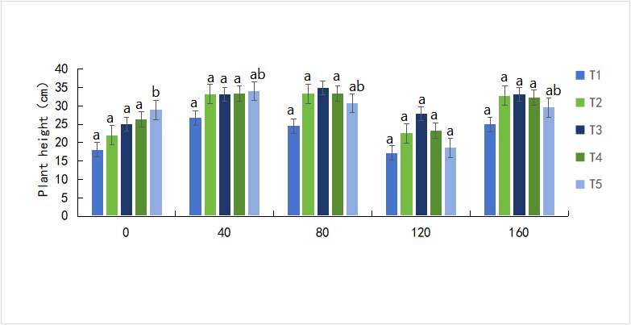
Plant height |  | T1 | T2 | T3 | T4 | T5
 | 0 | 18.06 | 22 | 25.08 | 26.35 | 28.89
 |  | 29.16 | 30 | 33.22 | 34.85 | 37.5
 |  | 29.13 | 35 | 37.1 | 39.35 | 41.27
 | 40 | 26.76 | 33.2 | 33.06 | 33.38 | 34
 |  | 23.05 | 29 | 30.84 | 33.77 | 36.11
 |  | 26.2 | 23 | 25.5 | 26.055 | 28.69
 | 80 | 24.5 | 33.3 | 35.01 | 33.47 | 30.79
 |  | 22.42 | 30.2 | 31.4 | 30.27 | 28.84
 |  | 28.05 | 34.6 | 33.43 | 32.53 | 31.03
 | 120 | 17.25 | 22.6 | 27.8 | 23.275 | 18.62
 |  | 21.25 | 25.5 | 25.55 | 22.735 | 21.33
 |  | 31 | 34 | 37.22 | 34.395 | 31.84
 | 160 | 25 | 32.8 | 33.13 | 32.3 | 29.57
 |  | 24 | 31 | 32.44 | 30.16 | 30.61
 |  | 25.7 | 28 | 27.76 | 26.82 | 26.2

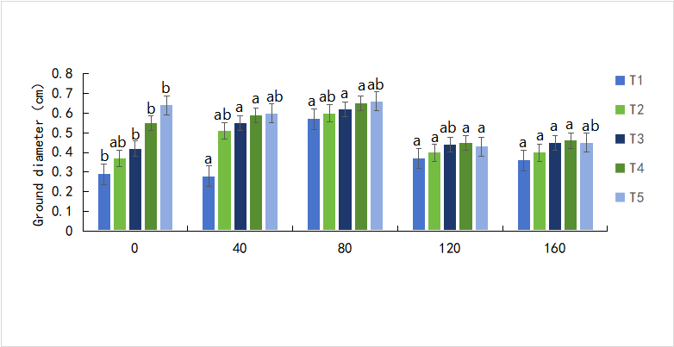
Ground diameter |  | T1 | T2 | T3 | T4 | T5
 | 0 | 0.29 | 0.37 | 0.42 | 0.55 | 0.64
 |  | 0.27 | 0.32 | 0.42 | 0.46 | 0.47
 |  | 0.41 | 0.44 | 0.54 | 0.57 | 0.63
 | 40 | 0.28 | 0.51 | 0.55 | 0.59 | 0.60
 |  | 0.28 | 0.35 | 0.41 | 0.46 | 0.48
 |  | 0.27 | 0.34 | 0.37 | 0.39 | 0.43
 | 80 | 0.57 | 0.60 | 0.62 | 0.65 | 0.66
 |  | 0.28 | 0.32 | 0.37 | 0.41 | 0.41
 |  | 0.33 | 0.38 | 0.45 | 0.46 | 0.47
 | 120 | 0.37 | 0.40 | 0.44 | 0.45 | 0.43
 |  | 0.25 | 0.33 | 0.37 | 0.35 | 0.35
 |  | 0.38 | 0.41 | 0.42 | 0.42 | 0.41
 | 160 | 0.36 | 0.40 | 0.45 | 0.46 | 0.45
 |  | 0.37 | 0.42 | 0.48 | 0.47 | 0.45
 |  | 0.36 | 0.38 | 0.42 | 0.42 | 0.4
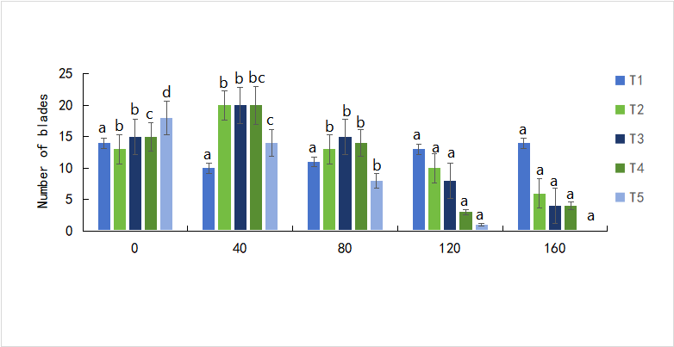
Number of blades |  | T1 | T2 | T3 | T4 | T5
 | 0 | 14 | 13 | 15 | 15 | 18
 |  | 21 | 19 | 23 | 23 | 21
 |  | 13 | 16 | 18 | 23 | 26
 | 40 | 10 | 20 | 20 | 20 | 14
 |  | 14 | 17 | 18 | 18 | 15
 |  | 14 | 14 | 14 | 17 | 12
 | 80 | 11 | 13 | 15 | 14 | 8
 |  | 13 | 16 | 17 | 15 | 7
 |  | 14 | 17 | 18 | 16 | 9
 | 120 | 13 | 10 | 8 | 3 | 1
 |  | 13 | 6 | 5 | 3 | 3
 |  | 14 | 7 | 6 | 6 | 3
 | 160 | 14 | 6 | 4 | 4 | 0
 |  | 13 | 4 | 4 | 3 | 0
 |  | 14 | 6 | 4 | 0 | 0
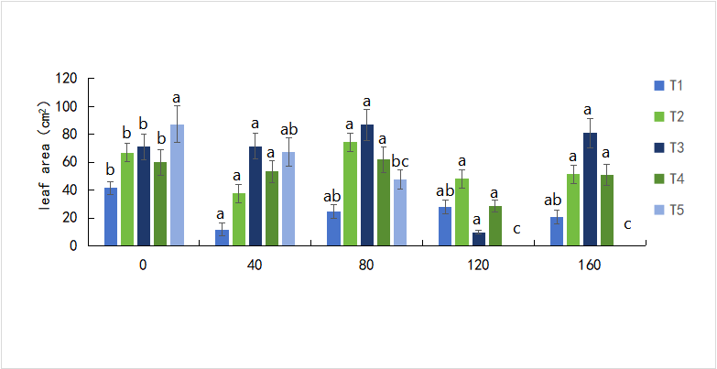
leaf area |  | T1 | T2 | T3 | T4 | T5
 | 0 | 41.47 | 66.97 | 71.24 | 59.89 | 87.26
 |  | 24.66 | 27.93 | 39.9 | 40.05 | 45.53
 |  | 25.6 | 32.8 | 38.9 | 52.54 | 61.74
 | 40 | 11.82 | 37.72 | 71.65 | 53.4 | 67.26
 |  | 24.29 | 42.39 | 61.47 | 42.72 | 48.86
 |  | 20.77 | 35.06 | 42.4 | 32.74 | 57.49
 | 80 | 24.47 | 74.31 | 86.87 | 61.88 | 47.73
 |  | 31.07 | 41.38 | 76.13 | 49.53 | 55.68
 |  | 26.61 | 38.9 | 83.93 | 49.81 | 57.55
 | 120 | 27.77 | 48.23 | 9.81 | 28.6 | 0
 |  | 33.03 | 34.32 | 39.89 | 35.75 | 36.66
 |  | 26.77 | 58.78 | 103.13 | 62.89 | 44.64
 | 160 | 20.87 | 51.38 | 81 | 51.08 | 0
 |  | 22.17 | 23.71 | 47.01 | 30.96 | 0
 |  | 22.17 | 31.78 | 29.17 | 27.7 | 0

Sheet3
 | T1 | T2 | T3 | T4 | T5
0 | 0.15570415 | 0.17630955 | 0.2315295 | 0.125368 | 0.15570415
200 | 0.11839795 | 0.2248854 | 0.16157385 | 0.1752885 | 0.21839795
400 | 0.14432815 | 0.12972 | 0.2357431 | 0.2353172 | 0.14432815
600 | 0.13827475 | 0.2875581 | 0.2360955 | 0.19282015 | 0.13827475
800 | 0.17031445 | 0.21004425 | 0.1559961 | 0.2084206 | 0.17031445
1000 | 0.1356199 | 0.23883255 | 0.22296825 | 0.18842925 | 0.2356199
a
a
a
a
a
a
ab
a
a
a
a
a
a
a
a
a
a
a
Saline alkali stress after different concentrations of melatonin treatment
chlorophyll |  | 0 | 200 | 400 | 600 | 800 | 1000
 | T1 | 0.15570415 | 0.11839795 | 0.14432815 | 0.13827475 | 0.17031445 | 0.1356199
 |  | 0.1216711 | 0.16954915 | 0.15037285 | 0.1414441 | 0.15994365 | 0.1861332
 |  | 0.1232104 | 0.1356631 | 0.1779006 | 0.12162355 | 0.1292638 | 0.17354005
 | T2 | 0.38593875 | 0.30330555 | 0.4023867 | 0.26060745 | 0.10254885 | 0.1103664
 |  | 0.32435835 | 0.27026685 | 0.24502425 | 0.4161624 | 0.48267615 | 0.31980975
 |  | 0.17630955 | 0.2248854 | 0.12972 | 0.2875581 | 0.21004425 | 0.23883255
 | T3 | 0.25468815 | 0.2110257 | 0.38045175 | 0.28502865 | 0.3123294 | 0.11223
 |  | 0.2315295 | 0.16157385 | 0.2357431 | 0.2360955 | 0.1559961 | 0.22296825
 |  | 0.17695165 | 0.17136955 | 0.20642085 | 0.2365467 | 0.302432 | 0.3676185
 | T4 | 0.2169705 | 0.2397059 | 0.1805188 | 0.21640035 | 0.16519075 | 0.1647151
 |  | 0.1928245 | 0.190422 | 0.1884574 | 0.2971224 | 0.16064635 | 0.16278015
 |  | 0.125368 | 0.1752885 | 0.2353172 | 0.19282015 | 0.2084206 | 0.18842925
 | T5 | 0.15570415 | 0.21839795 | 0.14432815 | 0.16827475 | 0.17031445 | 0.2356199
 |  | 0.1216711 | 0.06954915 | 0.05037285 | 0.0414441 | 0.15994365 | 0.1861332
 |  | 0.2232104 | 0.2356631 | 0.1779006 | 0.2162355 | 0.292638 | 0.17354005

 | T1 | T2 | T3 | T4 | T5
0 | 119.21125 | 113.85325 | 91.17425 | 118.74175 | 124.37725
200 | 54.75525 | 55.87925 | 70.14375 | 99.75825 | 83.77975
400 | 102.85975 | 72.26225 | 75.33575 | 103.85925 | 95.29425
600 | 113.30375 | 115.97225 | 89.91375 | 118.23125 | 115.59275
800 | 125.54475 | 115.20375 | 80.96125 | 119.68025 | 135.85725
1000 | 140.77075 | 127.34425 | 98.20675 | 126.00975 | 139.85675
b
c
c
a
b
a
a
ab
a
a
a
c
a
bc
b
d
b
c
d
b
cd
b
a
b
a
ab
a
a
b
a
MDA |  | 0 | 200 | 400 | 600 | 800 | 1000
 | T1 | 175.27325 | 150.12825 | 160.41175 | 173.45925 | 174.05575 | 177.90225
 |  | 169.21125 | 104.75525 | 152.85975 | 163.30375 | 175.54475 | 190.77075
 |  | 94.47775 | 82.37325 | 80.44725 | 120.66325 | 81.28625 | 114.35125
 | T2 | 110.89875 | 72.85575 | 96.27475 | 77.04725 | 99.22775 | 88.37925
 |  | 152.87425 | 199.72525 | 185.68875 | 101.89375 | 107.09425 | 47.67525
 |  | 163.85325 | 105.87925 | 122.26225 | 165.97225 | 165.20375 | 177.34425
 | T3 | 130.07725 | 145.99475 | 137.47925 | 152.76225 | 166.37275 | 136.09925
 |  | 141.32375 | 137.57075 | 119.55975 | 151.43875 | 151.64525 | 117.08625
 |  | 141.17425 | 120.14375 | 125.33575 | 139.91375 | 130.96125 | 148.20675
 | T4 | 172.18475 | 156.03175 | 164.01325 | 150.20375 | 144.38025 | 133.43425
 |  | 168.74175 | 149.75825 | 153.85925 | 168.23125 | 169.68025 | 176.00975
 |  | 168.07725 | 157.01425 | 162.07575 | 155.78875 | 139.25975 | 151.38275
 | T5 | 153.41275 | 164.25475 | 170.28025 | 146.20475 | 138.56025 | 135.14425
 |  | 174.37725 | 133.77975 | 145.29425 | 165.59275 | 185.85725 | 189.85675
 |  | 152.63725 | 151.36675 | 169.10025 | 122.63725 | 147.45075 | 134.01825

 | T1 | T2 | T3 | T4 | T5
0 | 64.337700106 | 63.071320556 | 70.716157205 | 82.532751092 | 90.905385735
200 | 91.008030934 | 81.800909054 | 86.855563319 | 92.721575622 | 59.272157562
400 | 71.266375506 | 90.905385735 | 83.256943231 | 83.260553126 | 67.576710331
600 | 64.337700106 | 74.308588064 | 73.588355167 | 75.81077107 | 75.250730713
800 | 63.588355167 | 57.816593886 | 62.532751092 | 60.080309341 | 83.588355167
1000 | 51.266375506 | 55.633187773 | 61.557056361 | 58.544355924 | 71.266375506
ab
ab
bc
ab
ab
a
b
c
d
c
c
ab
c
cd
bc
b
ab
b
bc
abc
b
ab
a
ab
ab
a
a
a
a
a
a
SOD |  | 0 | 200 | 400 | 600 | 800 | 1000
 | T1 | 64.337700106 | 91.008030934 | 91.266375506 | 64.337700106 | 83.588355167 | 91.266375506
 |  | 90.538573508 | 50.876273654 | 58.544355924 | 69.43231441 | 76.266375506 | 91.266375506
 |  | 55.633187773 | 57.816593886 | 62.154294032 | 94.177583657 | 69.43231441 | 65.793304221
 | T2 | 94.177583657 | 83.588355167 | 51.565065502 | 87.627365357 | 86.171761281 | 93.405781659
 |  | 75.250730713 | 66.521106259 | 55.633187773 | 82.532751092 | 76.710330789 | 57.055675767
 |  | 90.905385735 | 57.816593886 | 63.071320556 | 55.633187773 | 74.308588064 | 81.800909054
 | T3 | 57.569141194 | 57.088791809 | 65.065502183 | 57.088791809 | 57.088791809 | 91.594177584
 |  | 70.160116408 | 70.160116408 | 91.008030934 | 72.852583588 | 86.171761281 | 89.155705636
 |  | 92.721575622 | 58.544355924 | 60.080309341 | 82.532751092 | 83.260553126 | 85.81077107
 | T4 | 80.716157205 | 91.557056361 | 83.256943231 | 83.588355167 | 82.532751092 | 86.855563319
 |  | 85.443559243 | 57.787081801 | 69.43231441 | 78.165938861 | 81.800909054 | 90.905385735
 |  | 64.337700106 | 57.787081801 | 90.538573508 | 92.721575622 | 64.337700106 | 62.882056066
 | T5 | 83.260553126 | 70.526928675 | 60.658685556 | 91.266375506 | 83.588355167 | 83.260553126
 |  | 90.905385735 | 59.272157562 | 67.576710331 | 75.250730713 | 83.588355167 | 91.266375506
 |  | 56.360585811 | 87.627365357 | 93.405781659 | 80.716157205 | 93.405781659 | 51.237263064

 | T1 | T2 | T3 | T4 | T5
0 | 950 | 1560 | 1530 | 1120 | 1780
200 | 1800 | 2510 | 2910 | 2210 | 2820
400 | 1140 | 2190 | 2070 | 1800 | 2410
600 | 1060 | 1910 | 1750 | 1370 | 2130
800 | 900 | 1280 | 1380 | 950 | 1520
1000 | 790 | 770 | 950 | 840 | 1280
bc
c
c
c
b
a
a
a
a
a
a
b
b
b
b
ab
b
bc
bc
ab
ab
ab
ab
ab
b
c
c
c
c
b
POD |  | 0 | 200 | 400 | 600 | 800 | 1000
 | T1 | 950 | 1800 | 1140 | 1060 | 900 | 790
 |  | 1620 | 2600 | 2130 | 1730 | 1510 | 930
 |  | 1690 | 2960 | 2220 | 1900 | 1680 | 820
 | T2 | 1560 | 2510 | 2190 | 1910 | 1280 | 770
 |  | 1200 | 2210 | 1690 | 1410 | 1120 | 870
 |  | 1660 | 3150 | 2670 | 1830 | 1360 | 800
 | T3 | 1530 | 2910 | 2070 | 1750 | 1380 | 950
 |  | 1440 | 2870 | 2050 | 1490 | 1220 | 810
 |  | 1150 | 2590 | 1960 | 1620 | 1030 | 1130
 | T4 | 1120 | 2210 | 1800 | 1370 | 950 | 840
 |  | 1520 | 2620 | 1940 | 1610 | 1380 | 1260
 |  | 1370 | 2620 | 2160 | 1600 | 1240 | 980
 | T5 | 1780 | 2820 | 2410 | 2130 | 1520 | 1280
 |  | 1530 | 2290 | 2040 | 1830 | 1660 | 1240
 |  | 1410 | 3130 | 2500 | 2190 | 1480 | 1150

 | T1 | T2 | T3 | T4 | T5
0 | 1204 | 1281 | 1232 | 973 | 877
200 | 1560 | 1362 | 1449 | 1134 | 1107
400 | 871 | 1106 | 1198 | 889 | 825
600 | 799 | 688 | 1033 | 759 | 760
800 | 576 | 480 | 988 | 616 | 675
1000 | 458 | 413 | 716 | 601 | 525
b
cd
c
ab
d
c
d
d
b
e
c
cd
cd
ab
d
b
bc
b
ab
c
b
b
b
ab
b
a
a
a
a
a
CAT |  | 0 | 200 | 400 | 600 | 800 | 1000
 | T1 | 1204 | 1560 | 871 | 799 | 576 | 458
 |  | 1311 | 1778 | 1260 | 765 | 682 | 573
 |  | 1128 | 1339 | 998 | 770 | 620 | 481
 | T2 | 1281 | 1362 | 1106 | 688 | 480 | 413
 |  | 1460 | 1582 | 754 | 485 | 462 | 444
 |  | 1126 | 1280 | 737 | 561 | 414 | 405
 | T3 | 1232 | 1449 | 1198 | 1033 | 988 | 716
 |  | 1280 | 1557 | 1287 | 1197 | 751 | 728
 |  | 1465 | 1814 | 1215 | 1072 | 741 | 630
 | T4 | 973 | 1134 | 889 | 759 | 616 | 601
 |  | 782 | 1147 | 1012 | 796 | 749 | 654
 |  | 896 | 1358 | 897 | 807 | 646 | 579
 | T5 | 877 | 1107 | 825 | 760 | 675 | 525
 |  | 826 | 839 | 595 | 661 | 567 | 465
 |  | 757 | 1137 | 641 | 585 | 391 | 378

 | T1 | T2 | T3 | T4 | T5
0 | 0.18203250793 | 0.18951697084 | 0.19398249073 | 0.18882512973 | 0.19492591042
200 | 0.18373066338 | 0.19379380679 | 0.19417117467 | 0.18888802438 | 0.1988253785
400 | 0.18517724024 | 0.19568064618 | 0.19480012113 | 0.18957986549 | 0.19945432496
600 | 0.18662381711 | 0.19586933012 | 0.19599511941 | 0.19039749589 | 0.20027195536
800 | 0.1867496064 | 0.19781906416 | 0.19857379991 | 0.19429696396 | 0.20159274294
1000 | 0.18712697428 | 0.19813353739 | 0.19976879819 | 0.19687564446 | 0.20197011081
c
cd
b
bc
b
a
a
a
a
a
b
ab
a
ab
a
c
bc
b
bc
b
c
cd
b
bc
b
d
d
c
c
c
Soluble sugar |  | 0 | 200 | 400 | 600 | 800 | 1000
 | T1 | 0.18203250793 | 0.18373066338 | 0.18517724024 | 0.18662381711 | 0.1867496064 | 0.18712697428
 |  | 0.18951697084 | 0.19008302266 | 0.19008302266 | 0.19077486377 | 0.19083775841 | 0.19146670488
 |  | 0.18524013489 | 0.18744144751 | 0.18788171004 | 0.18857355114 | 0.191089337 | 0.19121512629
 | T2 | 0.18951697084 | 0.19379380679 | 0.19568064618 | 0.19586933012 | 0.19781906416 | 0.19813353739
 |  | 0.18964276013 | 0.19203275669 | 0.1927245978 | 0.19297617639 | 0.19303907103 | 0.19360512285
 |  | 0.19593222477 | 0.19693853911 | 0.19737880163 | 0.19844801062 | 0.19920274638 | 0.20197011081
 | T3 | 0.19398249073 | 0.19417117467 | 0.19480012113 | 0.19599511941 | 0.19857379991 | 0.19976879819
 |  | 0.19146670488 | 0.19291328174 | 0.19303907103 | 0.19391959608 | 0.19391959608 | 0.19511459436
 |  | 0.19297617639 | 0.19322775497 | 0.19492591042 | 0.19498880507 | 0.19561775153 | 0.19561775153
 | T4 | 0.18882512973 | 0.18888802438 | 0.18957986549 | 0.19039749589 | 0.19429696396 | 0.19687564446
 |  | 0.18586908135 | 0.18656092246 | 0.18763013145 | 0.18920249761 | 0.19303907103 | 0.19662406588
 |  | 0.18838486721 | 0.1893282869 | 0.19090065306 | 0.19266170316 | 0.19486301578 | 0.19807064274
 | T5 | 0.19492591042 | 0.1988253785 | 0.19945432496 | 0.20027195536 | 0.20159274294 | 0.20197011081
 |  | 0.19297617639 | 0.19580643547 | 0.19656117123 | 0.19737880163 | 0.19832222133 | 0.19863669456
 |  | 0.20090090183 | 0.20291353051 | 0.2030393198 | 0.20335379303 | 0.20442300202 | 0.20524063242

 | T1 | T2 | T3 | T4 | T5
0 | 132.05882353 | 170.58823529 | 178.82352941 | 226.47058824 | 290.29411765
200 | 74.117647059 | 127.64705882 | 112.05882353 | 139.11764706 | 182.94117647
400 | 79.117647059 | 147.35294118 | 113.52941176 | 167.35294118 | 198.52941176
600 | 100.58823529 | 148.82352941 | 143.23529412 | 179.41176471 | 205.29411765
800 | 113.82352941 | 160.88235294 | 154.11764706 | 202.94117647 | 241.17647059
1000 | 181.47058824 | 174.41176471 | 179.70588235 | 242.64705882 | 315.88235294
cd
bc
bc
b
ab
a
a
a
a
a
b
ab
ab
a
a
a
bc
ab
b
b
b
d
c
c
b
bc
e
c
d
c
c
soluble protein |  | 0 | 200 | 400 | 600 | 800 | 1000
 | T1 | 132.05882353 | 74.117647059 | 79.117647059 | 100.58823529 | 113.82352941 | 181.47058824
 |  | 120.29411765 | 59.411764706 | 101.17647059 | 105.58823529 | 114.41176471 | 151.76470588
 |  | 146.17647059 | 53.823529412 | 115.88235294 | 116.17647059 | 131.17647059 | 166.76470588
 | T2 | 170.58823529 | 127.64705882 | 147.35294118 | 148.82352941 | 160.88235294 | 174.41176471
 |  | 151.17647059 | 116.17647059 | 130.88235294 | 139.41176471 | 140.58823529 | 155.58823529
 |  | 161.76470588 | 110 | 121.76470588 | 122.35294118 | 145.29411765 | 201.17647059
 | T3 | 178.82352941 | 112.05882353 | 113.52941176 | 143.23529412 | 154.11764706 | 179.70588235
 |  | 135.29411765 | 80 | 112.64705882 | 120.88235294 | 122.94117647 | 248.82352941
 |  | 197.05882353 | 52.941176471 | 97.941176471 | 104.70588235 | 113.52941176 | 215.88235294
 | T4 | 226.47058824 | 139.11764706 | 167.35294118 | 179.41176471 | 202.94117647 | 242.64705882
 |  | 243.82352941 | 201.17647059 | 205.88235294 | 215.29411765 | 222.35294118 | 253.23529412
 |  | 255 | 99.117647059 | 180 | 216.47058824 | 217.35294118 | 280.88235294
 | T5 | 290.29411765 | 182.94117647 | 198.52941176 | 205.29411765 | 241.17647059 | 315.88235294
 |  | 257.94117647 | 177.94117647 | 226.76470588 | 234.41176471 | 239.11764706 | 260
 |  | 314.41176471 | 207.35294118 | 251.76470588 | 255.88235294 | 267.05882353 | 316.47058824

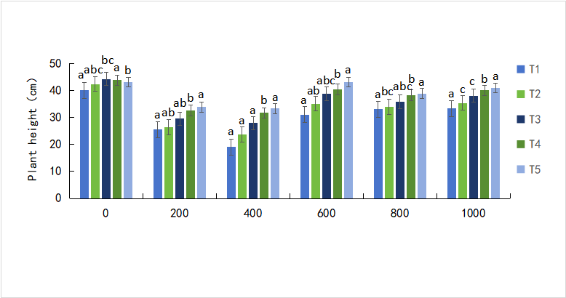
Plant height |  | T1 | T2 | T3 | T4 | T5
 | 0 | 40.05 | 42.4 | 44.33 | 43.84 | 43.11
 |  | 33.74 | 34.76 | 36.48 | 36.21 | 36.29
 |  | 30.34 | 31.14 | 31.25 | 31.75 | 31.31
 | 200 | 25.53 | 26.45 | 29.52 | 32.65 | 33.84
 |  | 26.08 | 27.73 | 32.04 | 38.94 | 41.05
 |  | 28.37 | 29.53 | 29.97 | 31.05 | 32.06
 | 400 | 19.04 | 23.66 | 27.94 | 31.69 | 33.31
 |  | 25.96 | 28.46 | 30.04 | 33.45 | 35.34
 |  | 24.28 | 27.66 | 32.7 | 38.85 | 40.92
 | 600 | 31.07 | 35.14 | 38.79 | 40.43 | 43.1
 |  | 28.89 | 29.35 | 33.5 | 42.68 | 44.1
 |  | 19.07 | 21.34 | 25.23 | 26.17 | 28.94
 | 800 | 33.1 | 33.94 | 35.83 | 38.22 | 38.91
 |  | 27.34 | 30.59 | 31.66 | 33.93 | 36.99
 |  | 32.68 | 34.18 | 36.45 | 39 | 39.46
 | 1000 | 33.38 | 35.4 | 38.13 | 40.09 | 41.01
 |  | 29.63 | 40.05 | 40.06 | 40.9 | 41.29
 |  | 31.8 | 32.95 | 34.55 | 34.56 | 35.68

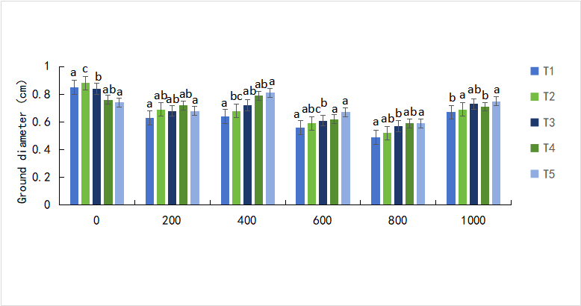
Ground diameter |  | T1 | T2 | T3 | T4 | T5
 | 0 | 0.85 | 0.88 | 0.84 | 0.76 | 0.74
 |  | 0.69 | 0.7 | 0.67 | 0.64 | 0.61
 |  | 0.47 | 0.48 | 0.44 | 0.42 | 0.38
 | 200 | 0.63 | 0.69 | 0.68 | 0.72 | 0.68
 |  | 0.47 | 0.8 | 0.71 | 0.93 | 0.78
 |  | 0.63 | 0.8 | 0.73 | 0.77 | 0.94
 | 400 | 0.64 | 0.68 | 0.72 | 0.79 | 0.81
 |  | 0.62 | 0.69 | 0.73 | 0.76 | 0.77
 |  | 0.69 | 0.73 | 0.75 | 0.78 | 0.78
 | 600 | 0.56 | 0.59 | 0.61 | 0.62 | 0.67
 |  | 0.61 | 0.64 | 0.67 | 0.81 | 0.83
 |  | 0.57 | 0.63 | 0.65 | 0.69 | 0.70
 | 800 | 0.49 | 0.52 | 0.57 | 0.59 | 0.59
 |  | 0.42 | 0.48 | 0.53 | 0.58 | 0.61
 |  | 0.57 | 0.58 | 0.73 | 0.76 | 0.78
 | 1000 | 0.67 | 0.69 | 0.73 | 0.71 | 0.75
 |  | 0.66 | 0.65 | 0.68 | 0.71 | 0.74
 |  | 0.68 | 0.71 | 0.73 | 0.76 | 0.73

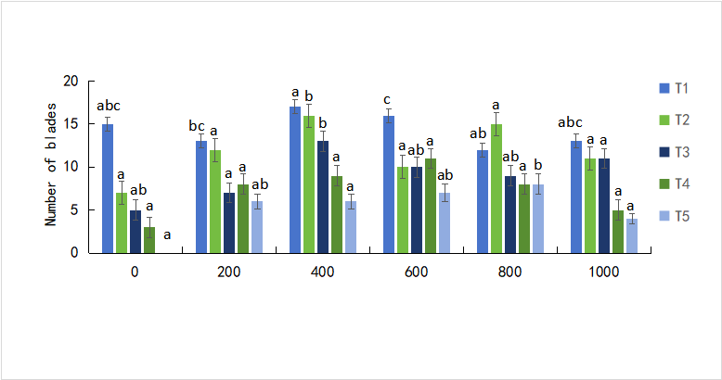
Number of blades |  | T1 | T2 | T3 | T4 | T5
 | 0 | 15 | 7 | 5 | 3 | 0
 |  | 14 | 7 | 3 | 0 | 0
 |  | 11 | 5 | 3 | 2 | 0
 | 200 | 13 | 12 | 7 | 8 | 6
 |  | 14 | 14 | 11 | 5 | 6
 |  | 20 | 12 | 6 | 10 | 7
 | 400 | 17 | 16 | 13 | 9 | 6
 |  | 13 | 11 | 9 | 8 | 5
 |  | 12 | 17 | 12 | 8 | 7
 | 600 | 16 | 10 | 10 | 11 | 7
 |  | 15 | 13 | 10 | 7 | 7
 |  | 18 | 13 | 8 | 5 | 6
 | 800 | 12 | 15 | 9 | 8 | 8
 |  | 12 | 10 | 12 | 7 | 8
 |  | 13 | 13 | 9 | 10 | 9
 | 1000 | 13 | 11 | 11 | 5 | 4
 |  | 12 | 14 | 7 | 9 | 8
 |  | 13 | 14 | 9 | 5 | 5

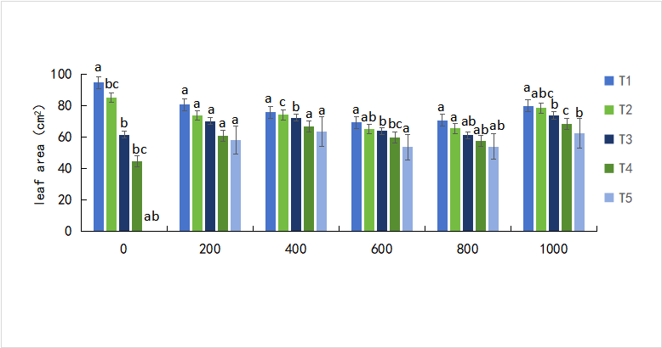
leaf area |  | T1 | T2 | T3 | T4 | T5
 | 0 | 94.75 | 85.09 | 61.61 | 44.59 | 0
 |  | 81.33 | 64.38 | 53.48 | 34.46 | 0
 |  | 68.9 | 45.22 | 45.93 | 26.09 | 0
 | 200 | 80.76 | 73.77 | 70.29 | 61.07 | 58.17
 |  | 76.06 | 75.01 | 67.12 | 55.32 | 41.45
 |  | 89.66 | 82.94 | 66.38 | 55.85 | 42.35
 | 400 | 75.7 | 74.18 | 72.45 | 66.8 | 63.59
 |  | 81.83 | 76.65 | 74.37 | 69.38 | 65.86
 |  | 70.6 | 66.84 | 64.59 | 60.64 | 55.22
 | 600 | 69.36 | 65.25 | 63.93 | 59.91 | 53.84
 |  | 80.72 | 77.42 | 70.4 | 66.11 | 63.31
 |  | 72.67 | 73.81 | 71.6 | 67.87 | 64.57
 | 800 | 70.75 | 65.47 | 61.2 | 57.54 | 53.88
 |  | 64.01 | 62.43 | 58.7 | 55.03 | 50.26
 |  | 77.69 | 74.54 | 69.75 | 66.75 | 62.3
 | 1000 | 80 | 78.44 | 73.74 | 68.5 | 62.34
 |  | 81.06 | 75.17 | 70.91 | 64.23 | 58.99
 |  | 90.07 | 83.25 | 75.35 | 70.78 | 64.4

Sheet1
 | T1 | T2 | T3 | T4 | T5
0 | 0.2533089 | 0.2307816 | 0.131709 | 0.2851542 | 0.18270075
200 | 0.16675395 | 0.10966605 | 0.23813655 | 0.1269618 | 0.1509072
400 | 0.30172755 | 0.117609 | 0.1779354 | 0.1397781 | 0.14286685
600 | 0.2974641 | 0.1998618 | 0.1583829 | 0.1449943 | 0.157349
800 | 0.16451415 | 0.16440615 | 0.1594293 | 0.1053381 | 0.16013645
1000 | 0.28489905 | 0.19719375 | 0.182856 | 0.1416043 | 0.118509
a
a
a
a
a
a
a
a
a
a
a
a
a
a
a
a
a
a
a
a
a
a
a
a
a
a
a
a
a
a
Different concentrations of melatonin treatment after saline alkali stress
 | 0 | 200 | 400 | 600 | 800 | 1000
T1 | 0.2533089 | 0.16675395 | 0.30172755 | 0.2974641 | 0.16451415 | 0.28489905
 | 0.2126214 | 0.2527467 | 0.13186905 | 0.1747314 | 0.1895235 | 0.3367335
 | 0.2111817 | 0.25279875 | 0.2780241 | 0.14529465 | 0.24972015 | 0.2633835
T2 | 0.2307816 | 0.10966605 | 0.117609 | 0.1998618 | 0.16440615 | 0.19719375
 | 0.2145282 | 0.27731925 | 0.18027465 | 0.2552376 | 0.1623567 | 0.18889215
 | 0.12022065 | 0.20839695 | 0.3532635 | 0.20016435 | 0.1733304 | 0.2637813
T3 | 0.131709 | 0.23813655 | 0.1779354 | 0.1583829 | 0.1594293 | 0.182856
 | 0.1860513 | 0.1967529 | 0.23035785 | 0.12446655 | 0.13470975 | 0.1353888
 | 0.1807999 | 0.33371085 | 0.33375855 | 0.2843757 | 0.17033835 | 0.1844688
T4 | 0.2851542 | 0.1269618 | 0.1397781 | 0.1449943 | 0.1053381 | 0.1416043
 | 0.124692 | 0.12668115 | 0.1159878 | 0.18274395 | 0.1724032 | 0.1642767
 | 0.1272858 | 0.1897291 | 0.172477 | 0.1582143 | 0.3387486 | 0.3191529
T5 | 0.18270075 | 0.1509072 | 0.14286685 | 0.157349 | 0.16013645 | 0.118509
 | 0.1434289 | 0.14111575 | 0.14243235 | 0.1463199 | 0.1690958 | 0.12557385
 | 0.15240085 | 0.17820565 | 0.1042272 | 0.1815585 | 0.1402336 | 0.3224475

 | T1 | T2 | T3 | T4 | T5
0 | 116.25175 | 130.57975 | 154.90875 | 174.38575 | 181.73325
200 | 91.83875 | 117.48325 | 125.80675 | 158.80525 | 152.41525
400 | 82.58325 | 91.79325 | 117.56225 | 151.61475 | 167.55325
600 | 75.08275 | 82.32725 | 92.70325 | 149.90125 | 126.98475
800 | 55.63125 | 73.29525 | 75.89775 | 145.09025 | 106.97575
1000 | 40.80475 | 65.17325 | 65.58325 | 97.73475 | 79.07175
b
c
d
d
d
b
b
c
cd
cd
a
ab
c
bcd
bc
a
ab
bc
bc
ab
a
a
ab
ab
a
a
a
a
a
a
 | 0 | 200 | 400 | 600 | 800 | 1000
T1 | 116.25175 | 91.83875 | 82.58325 | 75.08275 | 55.63125 | 40.80475
 | 117.51125 | 97.46925 | 38.23575 | 46.78525 | 42.97875 | 43.59775
 | 137.04525 | 118.26125 | 80.05475 | 53.97625 | 47.37525 | 56.61075
T2 | 130.57975 | 117.48325 | 91.79325 | 82.32725 | 73.29525 | 65.17325
 | 133.00625 | 116.21425 | 88.19625 | 86.88725 | 85.11875 | 78.34275
 | 142.72275 | 86.57825 | 72.58175 | 69.21075 | 59.12175 | 49.33075
T3 | 154.90875 | 125.80675 | 117.56225 | 92.70325 | 75.89775 | 65.58325
 | 161.73075 | 127.55175 | 123.21525 | 113.16775 | 98.33275 | 82.33125
 | 158.45225 | 126.48425 | 132.91225 | 129.25975 | 100.14275 | 85.84125
T4 | 174.38575 | 158.80525 | 151.61475 | 149.90125 | 145.09025 | 97.73475
 | 169.36675 | 155.48275 | 129.23275 | 114.10175 | 86.73925 | 82.83725
 | 188.42525 | 156.25925 | 137.16525 | 124.17025 | 105.77075 | 85.54425
T5 | 181.73325 | 152.41525 | 167.55325 | 126.98475 | 106.97575 | 79.07175
 | 225.00375 | 177.15475 | 157.82125 | 125.31525 | 109.89725 | 84.63825
 | 184.2975 | 163.55625 | 127.38825 | 96.83425 | 92.32275 | 87.09525

 | T1 | T2 | T3 | T4 | T5
0 | 83.013100437 | 86.506550218 | 77.336244541 | 76.899563319 | 88.689956332
200 | 36.72489083 | 65.545851528 | 59.868995633 | 32.794759825 | 68.165938865
400 | 48.951965066 | 78.64628821 | 63.362445415 | 55.502183406 | 85.19650655
600 | 71.659388646 | 79.956331878 | 74.279475983 | 62.489082969 | 85.633187773
800 | 81.703056769 | 86.069868996 | 75.065502183 | 75.589519651 | 88.689956332
1000 | 89.563318777 | 89.126637555 | 81.266375546 | 85.633187773 | 89.126637555
c
d
e
d
c
bc
cd
d
c
b
ab
bc
c
b
b
ab
b
bc
ab
a
ab
ab
ab
ab
a
a
a
a
a
a
 | 0 | 200 | 400 | 600 | 800 | 1000
T1 | 83.013100437 | 36.72489083 | 48.951965066 | 71.659388646 | 81.703056769 | 89.563318777
 | 86.943231441 | 69.912663755 | 74.716157205 | 77.336244541 | 84.759825328 | 89.126637555
 | 85.633187773 | 64.410480349 | 61.528384279 | 65.982532751 | 82.576419214 | 87.816593886
T2 | 86.506550218 | 65.545851528 | 78.64628821 | 79.956331878 | 86.069868996 | 89.126637555
 | 85.19650655 | 68.165938865 | 68.602620087 | 70.786026201 | 75.589519651 | 88.253275109
 | 84.759825328 | 62.489082969 | 79.082969432 | 80.829694323 | 84.323144105 | 87.816593886
T3 | 77.336244541 | 59.868995633 | 63.362445415 | 74.279475983 | 75.065502183 | 81.266375546
 | 84.323144105 | 31.92139738 | 66.855895197 | 76.026200873 | 77.336244541 | 85.633187773
 | 84.759825328 | 62.052401747 | 67.292576419 | 82.139737991 | 83.013100437 | 87.379912664
T4 | 76.899563319 | 32.794759825 | 55.502183406 | 62.489082969 | 75.589519651 | 85.633187773
 | 86.506550218 | 62.925764192 | 73.84279476 | 75.152838428 | 77.772925764 | 88.253275109
 | 84.759825328 | 36.72489083 | 55.938864629 | 79.082969432 | 80.829694323 | 88.253275109
T5 | 88.689956332 | 68.165938865 | 85.19650655 | 85.633187773 | 88.689956332 | 89.126637555
 | 86.069868996 | 47.205240175 | 76.462882096 | 77.336244541 | 81.703056769 | 88.253275109
 | 86.943231441 | 61.179039301 | 79.519650655 | 80.829694323 | 86.506550218 | 88.253275109

 | T1 | T2 | T3 | T4 | T5
0 | 2660 | 1440 | 1660 | 1840 | 510
200 | 3850 | 2900 | 2440 | 2830 | 1790
400 | 3080 | 2830 | 2020 | 2060 | 1000
600 | 3020 | 1780 | 1730 | 1870 | 970
800 | 2580 | 1300 | 1560 | 1760 | 450
1000 | 2510 | 1100 | 1550 | 550 | 400
a
b
ab
ab
a
ab
a
ab
a
b
a
ab
ab
ab
b
ab
ab
ab
ab
a
ab
ab
ab
c
a
a
b
a
a
 | 0 | 200 | 400 | 600 | 800 | 1000
T1 | 2660 | 3850 | 3080 | 3020 | 2580 | 2510
 | 2490 | 3880 | 2890 | 2870 | 2380 | 2220
 | 1620 | 2920 | 1980 | 1660 | 1610 | 530
T2 | 1440 | 2900 | 2830 | 1780 | 1300 | 1100
 | 1400 | 2690 | 2030 | 1980 | 960 | 790
 | 1500 | 2640 | 2360 | 1560 | 1340 | 1300
T3 | 1660 | 2440 | 2020 | 1730 | 1560 | 1550
 | 1970 | 2440 | 2350 | 2050 | 1850 | 1510
 | 2180 | 2830 | 2800 | 2380 | 1760 | 1160
T4 | 1840 | 2830 | 2060 | 1870 | 1760 | 550
 | 860 | 1870 | 1530 | 1230 | 620 | 520
 | 790 | 1840 | 1480 | 1150 | 530 | 500
T5 | 510 | 1790 | 1000 | 970 | 450 | 400
 | 450 | 1220 | 950 | 930 | 440 | 470
 | 670 | 970 | 850 | 720 | 480 | 460

 | T1 | T2 | T3 | T4 | T5
0 | 575.499 | 848.339 | 707.252 | 626.118 | 706.893
200 | 688.225 | 1024.608 | 809.926 | 660.223 | 743.152
400 | 629.349 | 855.519 | 727.715 | 648.376 | 720.176
600 | 535.65 | 766.487 | 556.113 | 597.757 | 590.218
800 | 522.726 | 682.481 | 546.779 | 589.859 | 589.5
1000 | 455.234 | 650.171 | 512.315 | 486.467 | 533.496
c
c
c
c
c
b
c
d
d
d
c
b
bc
c
bc
d
a
b
bc
abc
ab
a
a
ab
ab
a
a
a
a
a
 | 0 | 200 | 400 | 600 | 800 | 1000
T1 | 575.499 | 688.225 | 629.349 | 535.65 | 522.726 | 455.234
 | 531.342 | 654.12 | 596.321 | 528.47 | 523.085 | 491.852
 | 608.168 | 690.738 | 671.352 | 576.576 | 574.063 | 501.904
T2 | 848.339 | 1024.608 | 855.519 | 766.487 | 682.481 | 650.171
 | 966.091 | 1084.202 | 1076.304 | 950.295 | 659.864 | 465.645
 | 945.628 | 993.734 | 954.962 | 821.773 | 804.9 | 573.345
T3 | 707.252 | 809.926 | 727.715 | 556.113 | 546.779 | 512.315
 | 697.918 | 766.846 | 730.228 | 648.735 | 626.118 | 588.423
 | 690.738 | 763.256 | 701.508 | 648.017 | 598.116 | 430.104
T4 | 626.118 | 660.223 | 648.376 | 597.757 | 589.859 | 486.467
 | 525.957 | 605.655 | 547.856 | 522.008 | 518.777 | 436.566
 | 536.368 | 1222.776 | 674.224 | 532.419 | 482.877 | 419.693
T5 | 706.893 | 743.152 | 720.176 | 590.218 | 589.5 | 533.496
 | 677.814 | 760.384 | 706.175 | 637.247 | 562.216 | 531.342
 | 686.43 | 766.487 | 688.225 | 644.427 | 581.961 | 496.519

 | T1 | T2 | T3 | T4 | T5
0 | 3.9438023539 | 3.9677023195 | 3.8280762046 | 3.9463181397 | 3.7161237341
200 | 3.8098392448 | 3.7368814551 | 3.6827920592 | 3.8199023882 | 3.6035448049
400 | 3.8624813175 | 3.8272603156 | 3.7454972753 | 3.8687707821 | 3.6373184836
600 | 3.9362549963 | 3.9136129236 | 3.8154972753 | 3.941286568 | 3.7123500553
800 | 3.9601549619 | 4.009212786 | 3.8356235622 | 3.9500918185 | 3.717381627
1000 | 4.0239917841 | 4.0730496082 | 3.8956867056 | 4.007639176 | 3.8378236309
ab
ab
ab
ab
ab
ab
ab
ab
ab
ab
ab
ab
ab
ab
ab
ab
ab
ab
ab
ab
ab
ab
ab
ab
ab
ab
ab
ab
ab
ab
 | 0 | 200 | 400 | 600 | 800 | 1000
T1 | 3.9438023539 | 3.8098392448 | 3.8624813175 | 3.9362549963 | 3.9601549619 | 4.0239917841
 | 3.9085813519 | 3.7846813863 | 3.8184550651 | 3.9085813519 | 3.9224181741 | 4.007639176
 | 3.9261918529 | 3.7695866712 | 3.8159392792 | 3.9148708165 | 3.9287076387 | 3.9988339256
T2 | 3.9677023195 | 3.7368814551 | 3.8272603156 | 3.9136129236 | 4.009212786 | 4.0730496082
 | 3.8859392792 | 3.7519761702 | 3.7932972065 | 3.8645550995 | 3.8947445297 | 3.9673866024
 | 3.9802812487 | 3.7985182085 | 3.8977023195 | 3.9765075699 | 4.010470679 | 4.0730496082
T3 | 3.8280762046 | 3.6827920592 | 3.7454972753 | 3.8154972753 | 3.8356235622 | 3.8956867056
 | 3.8180130612 | 3.67021313 | 3.7027289158 | 3.8004025602 | 3.8343656692 | 3.8856235622
 | 3.8607814207 | 3.7079499178 | 3.7568183117 | 3.8519761702 | 3.9022918873 | 3.9598392448
T4 | 3.9463181397 | 3.8199023882 | 3.8687707821 | 3.941286568 | 3.9500918185 | 4.007639176
 | 3.8846813863 | 3.7758761358 | 3.8058761358 | 3.8771340287 | 3.889712958 | 3.9535497802
 | 4.0079548931 | 3.8161287095 | 3.9077654629 | 3.9903443921 | 4.010470679 | 4.0743075012
T5 | 3.7161237341 | 3.6035448049 | 3.6373184836 | 3.7123500553 | 3.717381627 | 3.8378236309
 | 3.7941130956 | 3.5997711261 | 3.6498974129 | 3.7437973785 | 3.7966288814 | 3.9283919217
 | 3.7978867744 | 3.6513447361 | 3.716565738 | 3.7953709885 | 3.8054341319 | 3.9132972065

 | T1 | T2 | T3 | T4 | T5
0 | 1042.9411765 | 1233.5294118 | 1170 | 2160 | 2223.5294118
200 | 833.82352941 | 513.52941176 | 645.88235294 | 1614.7058824 | 1551.1764706
400 | 974.11764706 | 828.52941176 | 839.11764706 | 1672.9411765 | 1834.4117647
600 | 1024.4117647 | 913.23529412 | 1066.7647059 | 2141.4705882 | 2136.1764706
800 | 1183.2352941 | 1236.1764706 | 1244.1176471 | 2366.4705882 | 2347.9411765
1000 | 1365.8823529 | 1318.2352941 | 1479.7058824 | 2408.8235294 | 2496.1764706
a
a
a
a
a
a
a
ab
ab
a
a
a
ab
ab
a
a
a
a
b
a
ab
 | 0 | 200 | 400 | 600 | 800 | 1000
T1 | 1042.9411765 | 833.82352941 | 974.11764706 | 1024.4117647 | 1183.2352941 | 1365.8823529
 | 1172.6470588 | 677.64705882 | 923.82352941 | 1061.4705882 | 1249.4117647 | 1429.4117647
 | 1072.0588235 | 794.11764706 | 878.82352941 | 955.58823529 | 1183.2352941 | 1220.2941176
T2 | 1233.5294118 | 513.52941176 | 828.52941176 | 913.23529412 | 1236.1764706 | 1318.2352941
 | 1114.4117647 | 857.64705882 | 868.23529412 | 1024.4117647 | 1463.8235294 | 1839.7058824
 | 1498.2352941 | 1093.2352941 | 1122.3529412 | 1143.5294118 | 1575 | 1585.5882353
T3 | 1170 | 645.88235294 | 839.11764706 | 1066.7647059 | 1244.1176471 | 1479.7058824
 | 1050.8823529 | 516.17647059 | 627.35294118 | 918.52941176 | 1193.8235294 | 1530
 | 1119.7058824 | 812.64705882 | 844.41176471 | 1119.7058824 | 1355.2941176 | 1371.1764706
T4 | 2160 | 1614.7058824 | 1672.9411765 | 2141.4705882 | 2366.4705882 | 2408.8235294
 | 2128.2352941 | 942.35294118 | 1985.2941176 | 2059.4117647 | 2130.8823529 | 2787.3529412
 | 1672.9411765 | 1273.2352941 | 1400.2941176 | 1665 | 1829.1176471 | 2649.7058824
T5 | 2223.5294118 | 1551.1764706 | 1834.4117647 | 2136.1764706 | 2347.9411765 | 2496.1764706
 | 2263.2352941 | 1400.2941176 | 2157.3529412 | 2223.5294118 | 2342.6470588 | 2700
 | 2043.5294118 | 627.35294118 | 1720.5882353 | 1731.1764706 | 2284.4117647 | 2692.0588235

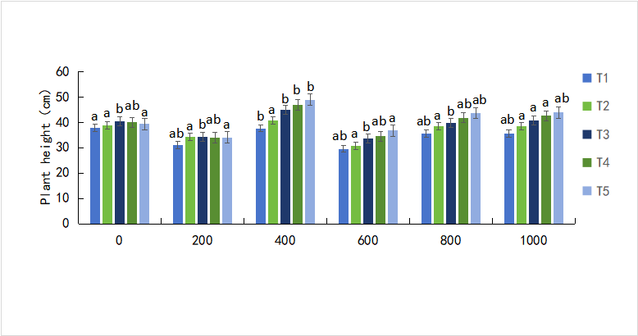
 | T1 | T2 | T3 | T4 | T5
0 | 37.91 | 38.86 | 40.46 | 39.97 | 39.35
 | 32 | 34.01 | 35.11 | 35.74 | 35.18
 | 34.52 | 37.27 | 38.29 | 38.95 | 38.06
200 | 30.96 | 34.23 | 34.24 | 34.01 | 34.08
 | 25.91 | 38.29 | 41.74 | 35.91 | 27.07
 | 34.56 | 38.85 | 41.69 | 35.66 | 35.27
400 | 37.65 | 40.64 | 44.82 | 46.88 | 48.89
 | 32.88 | 39.34 | 42.81 | 43.6 | 45.71
 | 35 | 39.87 | 40.81 | 41.61 | 42.59
600 | 29.57 | 30.8 | 33.52 | 34.49 | 36.78
 | 30.92 | 33.07 | 36.9 | 38.17 | 39.82
 | 30.18 | 33.87 | 35.5 | 38.86 | 39.23
800 | 35.58 | 38.49 | 39.67 | 41.82 | 43.61
 | 39.18 | 41.25 | 43.64 | 45.11 | 47.69
 | 34.77 | 36.42 | 38.03 | 41.87 | 42.2
1000 | 35.7 | 38.58 | 40.77 | 42.59 | 43.88
 | 33.22 | 35.94 | 37.45 | 38.62 | 40.23
 | 26.53 | 27.82 | 29.51 | 31.55 | 33.27

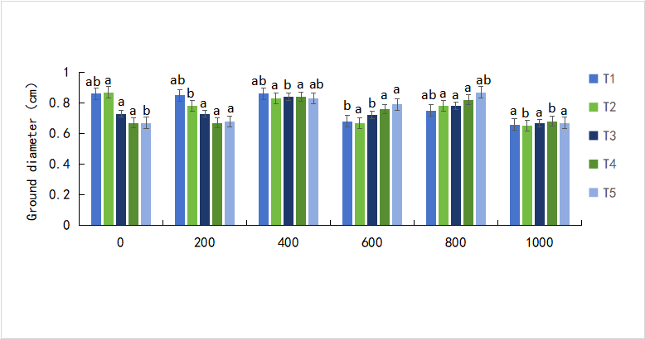
 | T1 | T2 | T3 | T4 | T5
0 | 0.86 | 0.87 | 0.73 | 0.67 | 0.67
 | 0.78 | 0.81 | 0.77 | 0.77 | 0.77
 | 0.55 | 0.59 | 0.63 | 0.6 | 0.6
200 | 0.85 | 0.78 | 0.73 | 0.67 | 0.68
 | 0.73 | 0.87 | 0.78 | 0.72 | 0.7
 | 0.85 | 0.80 | 0.76 | 0.73 | 0.66
400 | 0.86 | 0.83 | 0.84 | 0.84 | 0.83
 | 0.77 | 0.76 | 0.95 | 0.61 | 0.8
 | 0.68 | 0.83 | 0.77 | 0.81 | 0.73
600 | 0.68 | 0.67 | 0.72 | 0.76 | 0.79
 | 0.79 | 0.75 | 0.76 | 0.78 | 0.71
 | 1.03 | 0.67 | 0.91 | 0.69 | 0.74
800 | 0.75 | 0.78 | 0.78 | 0.82 | 0.87
 | 0.68 | 0.71 | 0.72 | 0.76 | 0.77
 | 0.76 | 0.81 | 0.88 | 0.9 | 0.89
1000 | 0.66 | 0.65 | 0.67 | 0.68 | 0.67
 | 0.79 | 0.78 | 0.81 | 0.85 | 0.86
 | 0.72 | 0.73 | 0.75 | 0.72 | 0.69

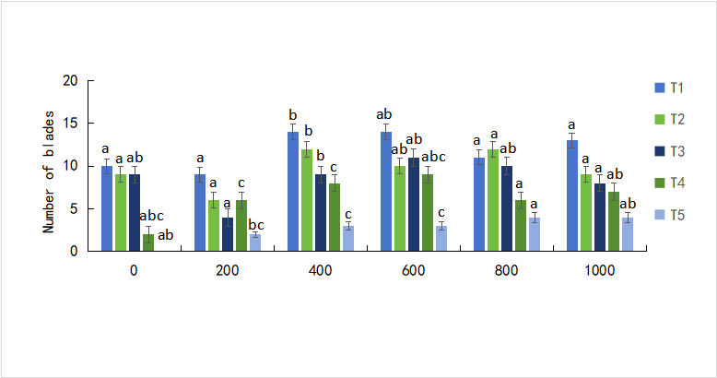
 | T1 | T2 | T3 | T4 | T5
0 | 10 | 9 | 9 | 2 | 0
 | 8 | 7 | 6 | 2 | 0
 | 12 | 7 | 8 | 1 | 0
200 | 9 | 6 | 4 | 6 | 2
 | 12 | 10 | 7 | 9 | 0
 | 14 | 11 | 9 | 11 | 4
400 | 14 | 12 | 9 | 8 | 3
 | 16 | 13 | 11 | 8 | 3
 | 11 | 9 | 8 | 9 | 3
600 | 14 | 10 | 11 | 9 | 3
 | 15 | 8 | 8 | 8 | 2
 | 14 | 11 | 7 | 5 | 3
800 | 11 | 12 | 10 | 6 | 4
 | 13 | 6 | 6 | 3 | 3
 | 11 | 9 | 7 | 5 | 4
1000 | 13 | 9 | 8 | 7 | 4
 | 12 | 10 | 5 | 3 | 3
 | 11 | 8 | 6 | 5 | 3

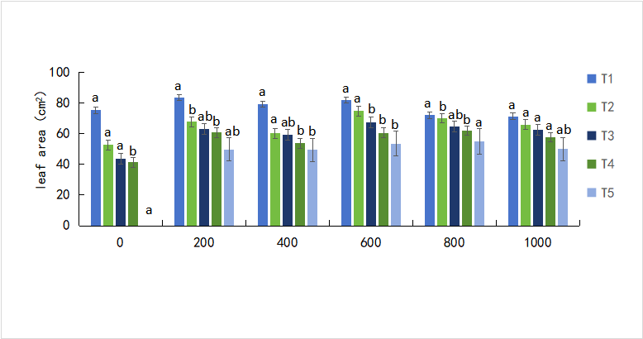
 | T1 | T2 | T3 | T4 | T5
0 | 75.28 | 52.71 | 43.63 | 41.31 | 0
 | 82.33 | 61.62 | 49.31 | 35.56 | 0
 | 71.35 | 50.73 | 40.14 | 37 | 0
200 | 83.53 | 67.86 | 63.04 | 60.86 | 49.74
 | 86.51 | 76.27 | 68.33 | 39.64 | 0
 | 59.99 | 53.9 | 49.01 | 43.93 | 40.02
400 | 79.29 | 60.31 | 59.1 | 53.74 | 49.46
 | 74.86 | 68.85 | 61.9 | 53.83 | 48.15
 | 87.42 | 76.87 | 70.81 | 67.63 | 59.37
600 | 81.9 | 74.87 | 67.39 | 60.45 | 53.6
 | 76.41 | 70.49 | 63.04 | 55.71 | 48.58
 | 77.89 | 72.38 | 67.03 | 61.92 | 56.75
800 | 72.15 | 70.08 | 64.79 | 61.97 | 55
 | 89.21 | 86.07 | 81.92 | 77.21 | 69
 | 78.59 | 73.6 | 67.03 | 62.93 | 57
1000 | 71.36 | 66.02 | 62.42 | 57.63 | 50
 | 89.11 | 80.47 | 76.66 | 69.54 | 57.94
 | 87.13 | 80.64 | 72.29 | 66.88 | 59.54

