Ligands
Ligand | Structure | SMILES | Formal Charge
CC-885 | 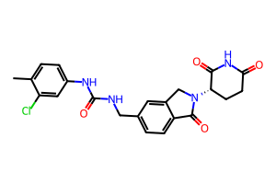 | Cc1ccc(NC(=O)NCc2ccc3c(c2)CN([C@H]2CCC(=O)NC2=O)C3=O)cc1Cl | 0
CC-90009 | 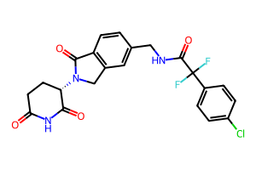 | O=C1CC[C@H](N2Cc3cc(CNC(=O)C(F)(F)c4ccc(Cl)cc4)ccc3C2=O)C(=O)N1 | 0
MG_1 | 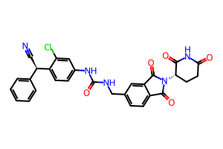 | N#C[C@H](c1ccccc1)c1ccc(NC(=O)NCc2ccc3c(c2)C(=O)N([C@H]2CCC(=O)NC2=O)C3=O)cc1Cl | 0
MG_10 | 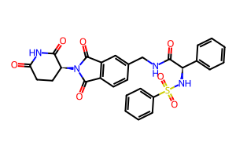 | O=C1CC[C@H](N2C(=O)c3ccc(CNC(=O)[C@H](NS(=O)(=O)c4ccccc4)c4ccccc4)cc3C2=O)C(=O)N1 | 0
MG_11 | 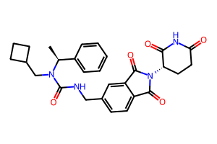 | C[C@@H](c1ccccc1)N(CC1CCC1)C(=O)NCc1ccc2c(c1)C(=O)N([C@H]1CCC(=O)NC1=O)C2=O | 0
MG_12 | 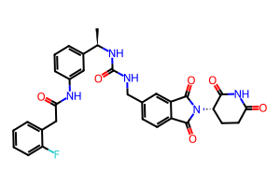 | C[C@@H](NC(=O)NCc1ccc2c(c1)C(=O)N([C@H]1CCC(=O)NC1=O)C2=O)c1cccc(NC(=O)Cc2ccccc2F)c1 | 0
MG_13 | 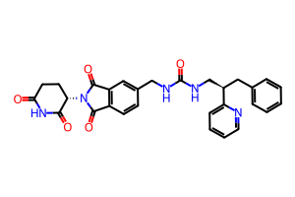 | O=C1CC[C@H](N2C(=O)c3ccc(CNC(=O)NC[C@@H](Cc4ccccc4)c4ccccn4)cc3C2=O)C(=O)N1 | 0
MG_14 | 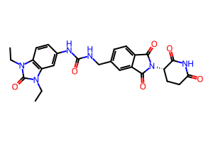 | CCn1c(=O)n(CC)c2cc(NC(=O)NCc3ccc4c(c3)C(=O)N([C@H]3CCC(=O)NC3=O)C4=O)ccc21 | 0
MG_15 | 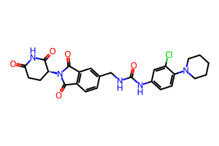 | O=C1CC[C@H](N2C(=O)c3ccc(CNC(=O)Nc4ccc(N5CCCCC5)c(Cl)c4)cc3C2=O)C(=O)N1 | 0
MG_16 | 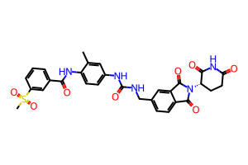 | Cc1cc(NC(=O)NCc2ccc3c(c2)C(=O)N([C@H]2CCC(=O)NC2=O)C3=O)ccc1NC(=O)c1cccc(S(C)(=O)=O)c1 | 0
MG_17 | 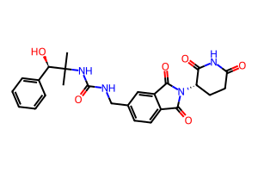 | CC(C)(NC(=O)NCc1ccc2c(c1)C(=O)N([C@H]1CCC(=O)NC1=O)C2=O)[C@H](O)c1ccccc1 | 0
MG_18 | 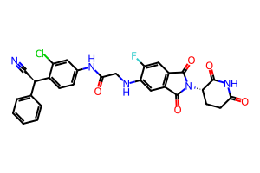 | N#C[C@H](c1ccccc1)c1ccc(NC(=O)CNc2cc3c(cc2F)C(=O)N([C@H]2CCC(=O)NC2=O)C3=O)cc1Cl | 0
MG_19 | 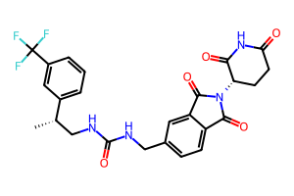 | C[C@@H](CNC(=O)NCc1ccc2c(c1)C(=O)N([C@H]1CCC(=O)NC1=O)C2=O)c1cccc(C(F)(F)F)c1 | 0
MG_2 | 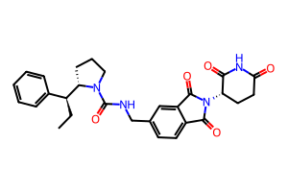 | CC[C@@H](c1ccccc1)[C@@H]1CCCN1C(=O)NCc1ccc2c(c1)C(=O)N([C@H]1CCC(=O)NC1=O)C2=O | 0
MG_20 | 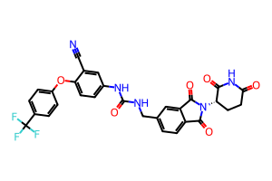 | N#Cc1cc(NC(=O)NCc2ccc3c(c2)C(=O)N([C@H]2CCC(=O)NC2=O)C3=O)ccc1Oc1ccc(C(F)(F)F)cc1 | 0
MG_21 | 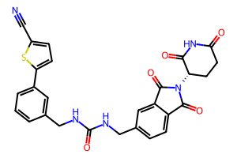 | N#Cc1ccc(-c2cccc(CNC(=O)NCc3ccc4c(c3)C(=O)N([C@H]3CCC(=O)NC3=O)C4=O)c2)s1 | 0
MG_22 | 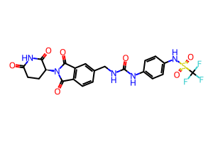 | O=C1CC[C@H](N2C(=O)c3ccc(CNC(=O)Nc4ccc(NS(=O)(=O)C(F)(F)F)cc4)cc3C2=O)C(=O)N1 | 0
MG_23 | 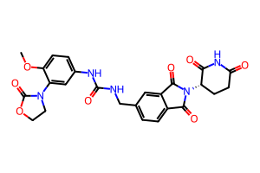 | COc1ccc(NC(=O)NCc2ccc3c(c2)C(=O)N([C@H]2CCC(=O)NC2=O)C3=O)cc1N1CCOC1=O | 0
MG_24 | 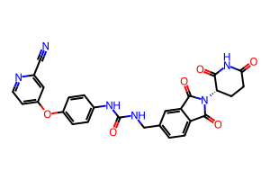 | N#Cc1cc(Oc2ccc(NC(=O)NCc3ccc4c(c3)C(=O)N([C@H]3CCC(=O)NC3=O)C4=O)cc2)ccn1 | 0
MG_25 | 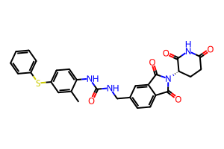 | Cc1cc(Sc2ccccc2)ccc1NC(=O)NCc1ccc2c(c1)C(=O)N([C@H]1CCC(=O)NC1=O)C2=O | 0
MG_26 | 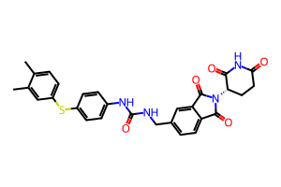 | Cc1ccc(Sc2ccc(NC(=O)NCc3ccc4c(c3)C(=O)N([C@H]3CCC(=O)NC3=O)C4=O)cc2)cc1C | 0
MG_27 | 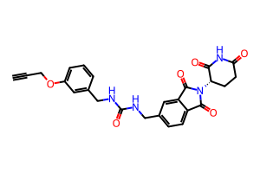 | C#CCOc1cccc(CNC(=O)NCc2ccc3c(c2)C(=O)N([C@H]2CCC(=O)NC2=O)C3=O)c1 | 0
MG_28 | 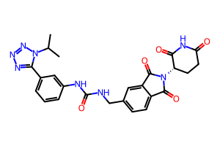 | CC(C)n1nnnc1-c1cccc(NC(=O)NCc2ccc3c(c2)C(=O)N([C@H]2CCC(=O)NC2=O)C3=O)c1 | 0
MG_29 | 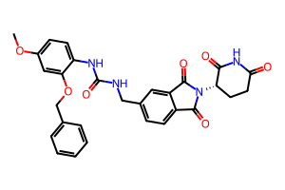 | COc1ccc(NC(=O)NCc2ccc3c(c2)C(=O)N([C@H]2CCC(=O)NC2=O)C3=O)c(OCc2ccccc2)c1 | 0
MG_3 | 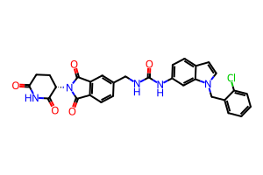 | O=C1CC[C@H](N2C(=O)c3ccc(CNC(=O)Nc4ccc5ccn(Cc6ccccc6Cl)c5c4)cc3C2=O)C(=O)N1 | 0
MG_30 | 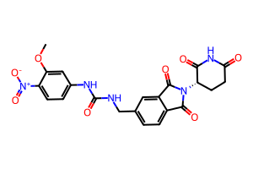 | COc1cc(NC(=O)NCc2ccc3c(c2)C(=O)N([C@H]2CCC(=O)NC2=O)C3=O)ccc1[N+](=O)[O-] | 0
MG_4 | 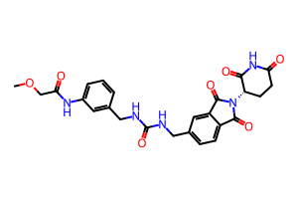 | COCC(=O)Nc1cccc(CNC(=O)NCc2ccc3c(c2)C(=O)N([C@H]2CCC(=O)NC2=O)C3=O)c1 | 0
MG_5 | 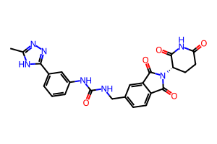 | Cc1nnc(-c2cccc(NC(=O)NCc3ccc4c(c3)C(=O)N([C@H]3CCC(=O)NC3=O)C4=O)c2)[nH]1 | 0
MG_6 | 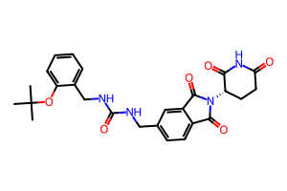 | CC(C)(C)Oc1ccccc1CNC(=O)NCc1ccc2c(c1)C(=O)N([C@H]1CCC(=O)NC1=O)C2=O | 0
MG_7 | 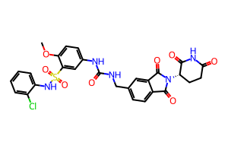 | COc1ccc(NC(=O)NCc2ccc3c(c2)C(=O)N([C@H]2CCC(=O)NC2=O)C3=O)cc1S(=O)(=O)Nc1ccccc1Cl | 0
MG_8 | 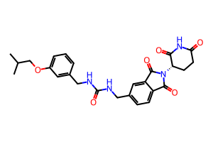 | CC(C)COc1cccc(CNC(=O)NCc2ccc3c(c2)C(=O)N([C@H]2CCC(=O)NC2=O)C3=O)c1 | 0
MG_9 | 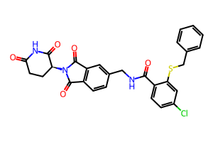 | O=C1CC[C@H](N2C(=O)c3ccc(CNC(=O)c4ccc(Cl)cc4SCc4ccccc4)cc3C2=O)C(=O)N1 | 0

Force Fields
Ligand | Atomic Charges | Formal Charge
CC-885 | 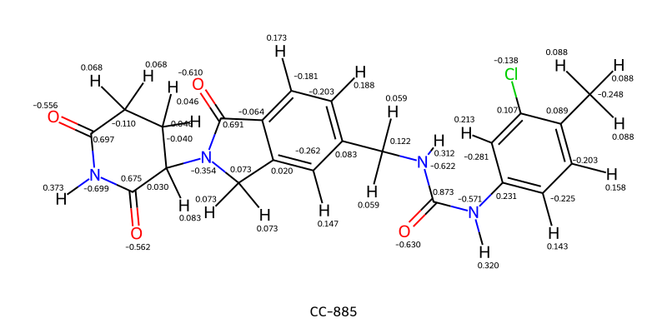 | 0
CC-90009 | 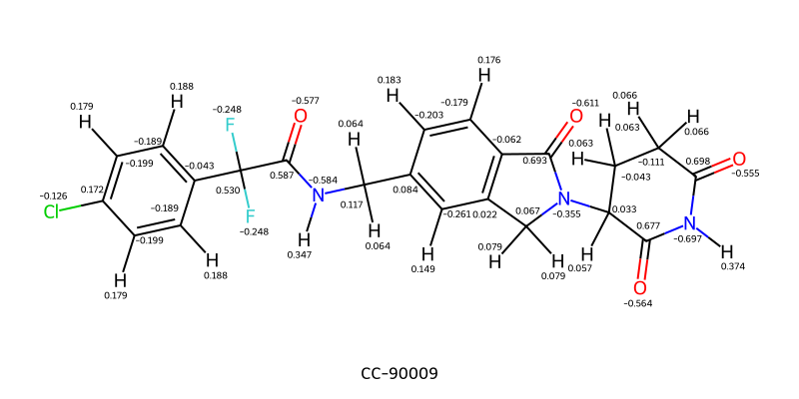 | 0
MG_1 | 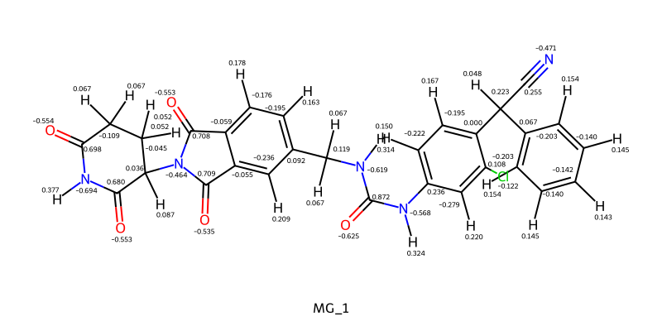 | 0
MG_10 | 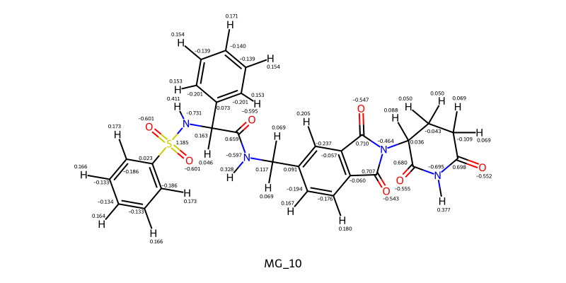 | 0
MG_11 | 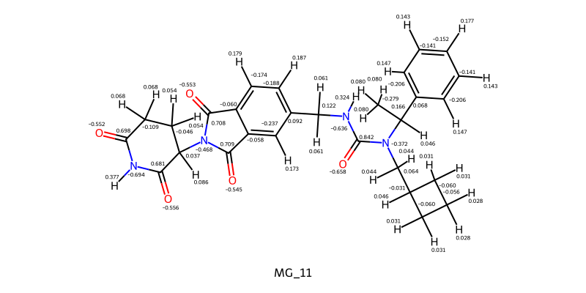 | 0
MG_12 | 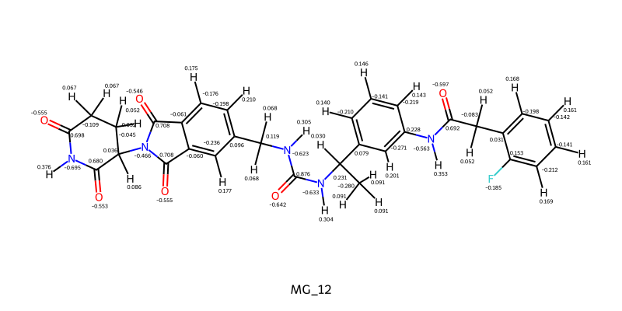 | 0
MG_13 | 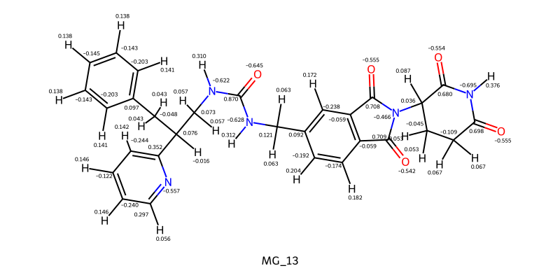 | 0
MG_14 | 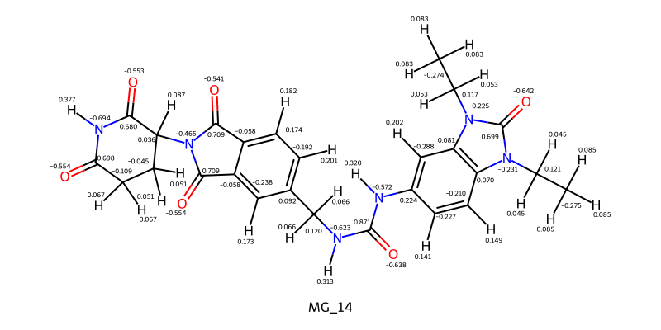 | 0
MG_15 | 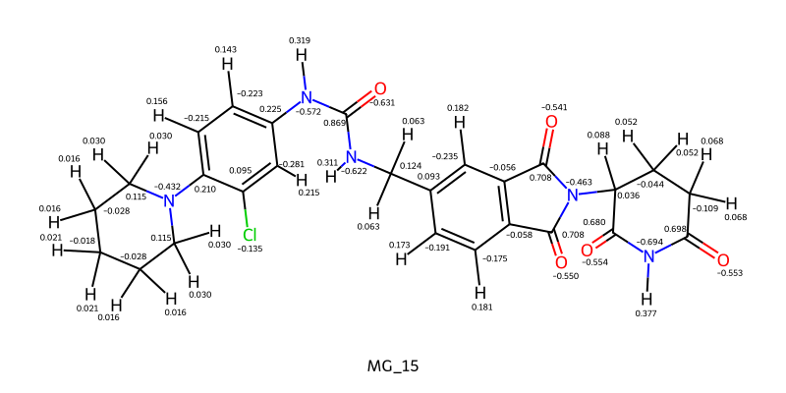 | 0
MG_16 | 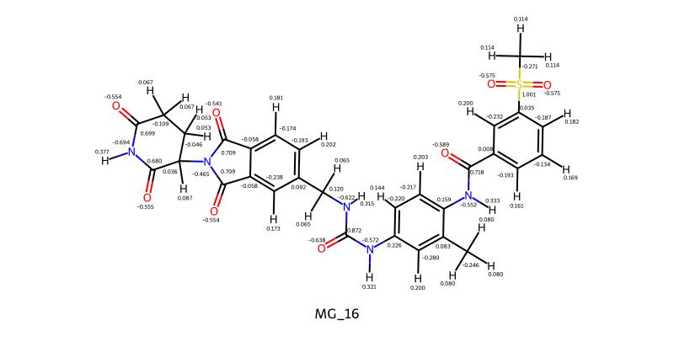 | 0
MG_17 | 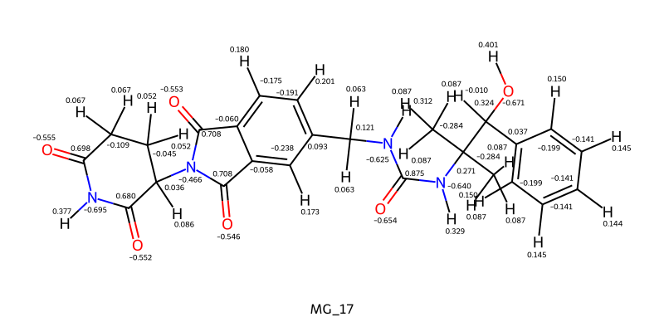 | 0
MG_18 | 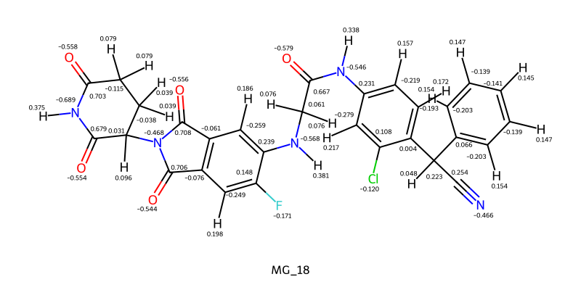 | 0
MG_19 | 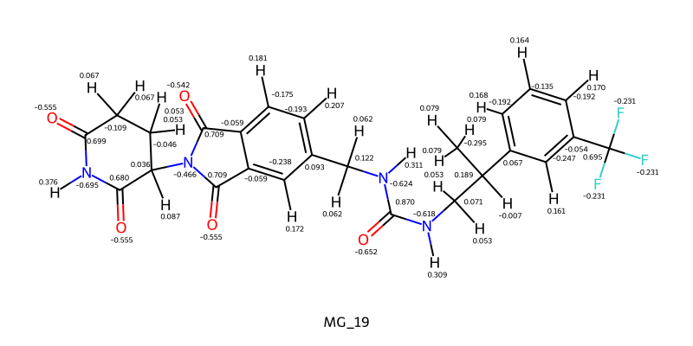 | 0
MG_2 | 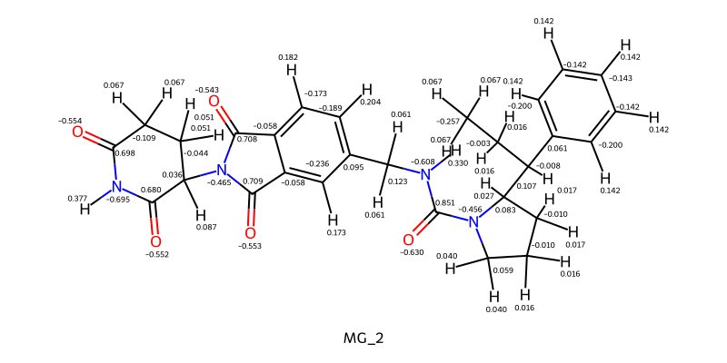 | 0
MG_20 | 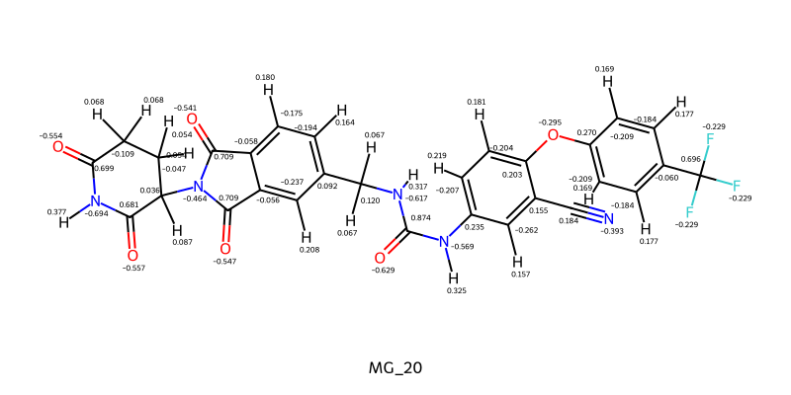 | 0
MG_21 | 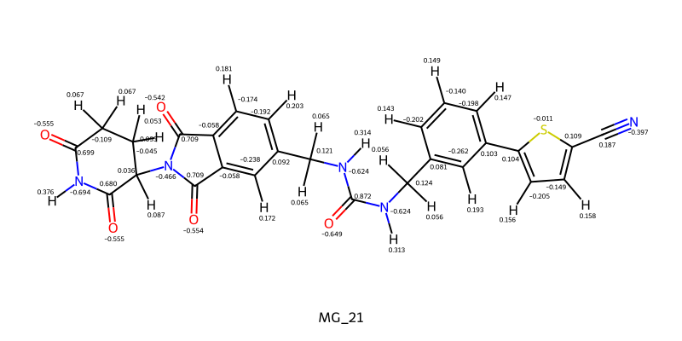 | 0
MG_22 | 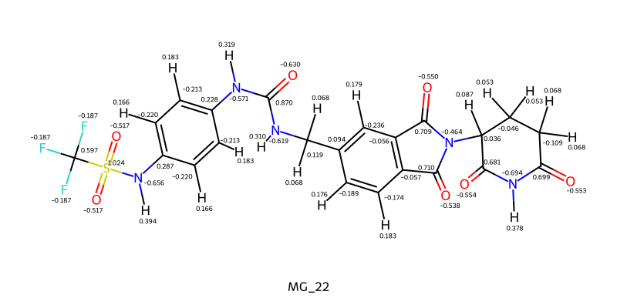 | 0
MG_23 | 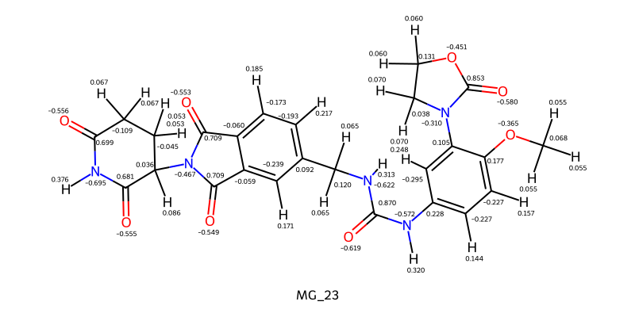 | 0
MG_24 |  | 0
MG_25 |  | 0
MG_26 |  | 0
MG_27 |  | 0
MG_28 |  | 0
MG_29 |  | 0
MG_3 |  | 0
MG_30 |  | 0
MG_4 |  | 0
MG_5 |  | 0
MG_6 |  | 0
MG_7 |  | 0
MG_8 |  | 0
MG_9 |  | 0

