Monazite Figures Spots
Overview monazite assemblage (spots 1-12, 20-24) |  | (blue: monazite; purple: apatite; bright green: magnesite; brown: dolomite
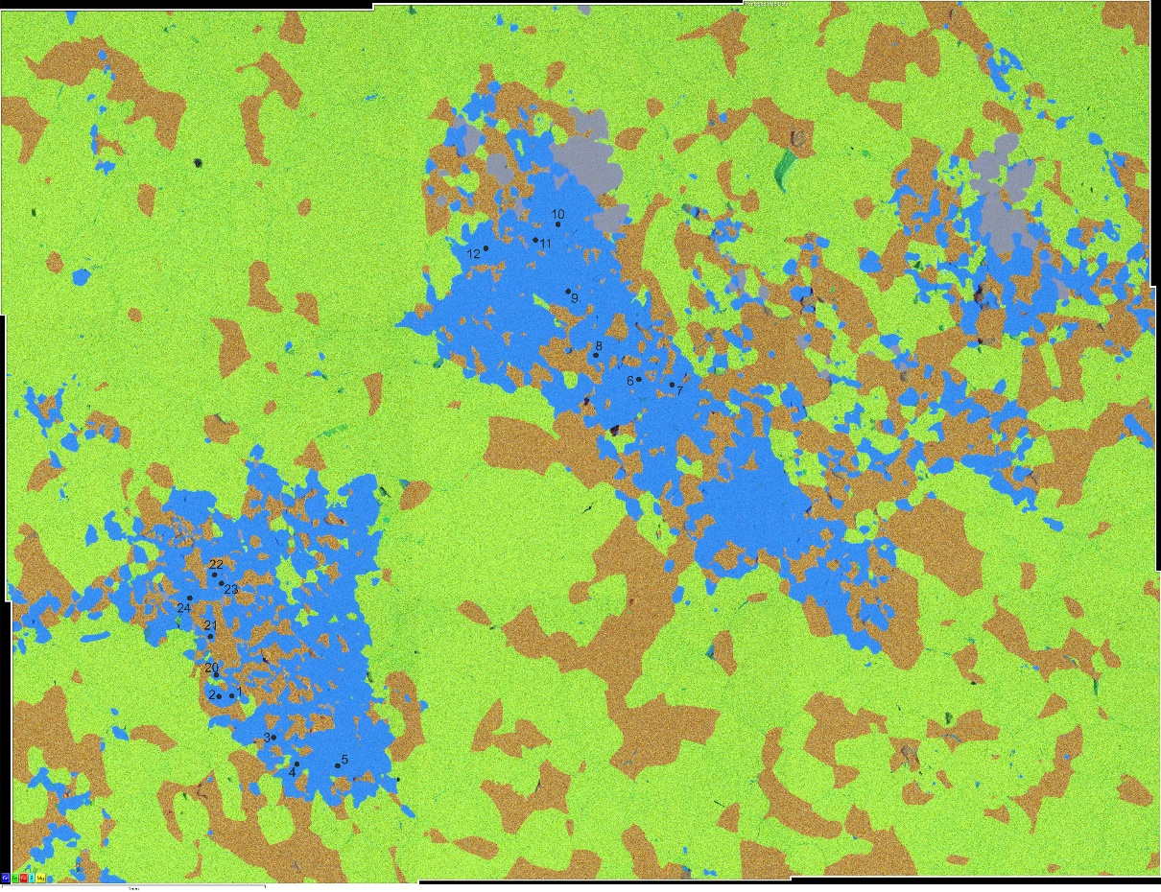

monazite spots 1-5, 20-24 | (dark: carbonates; medium grey: apatite; light grey: sulfide) |  | monazite spots 6-12 | (dark: carbonates; medium grey: apatite; light grey: sulfide) | monazite (white)-columbite (grey) assemblage within dol-mgs (dark)
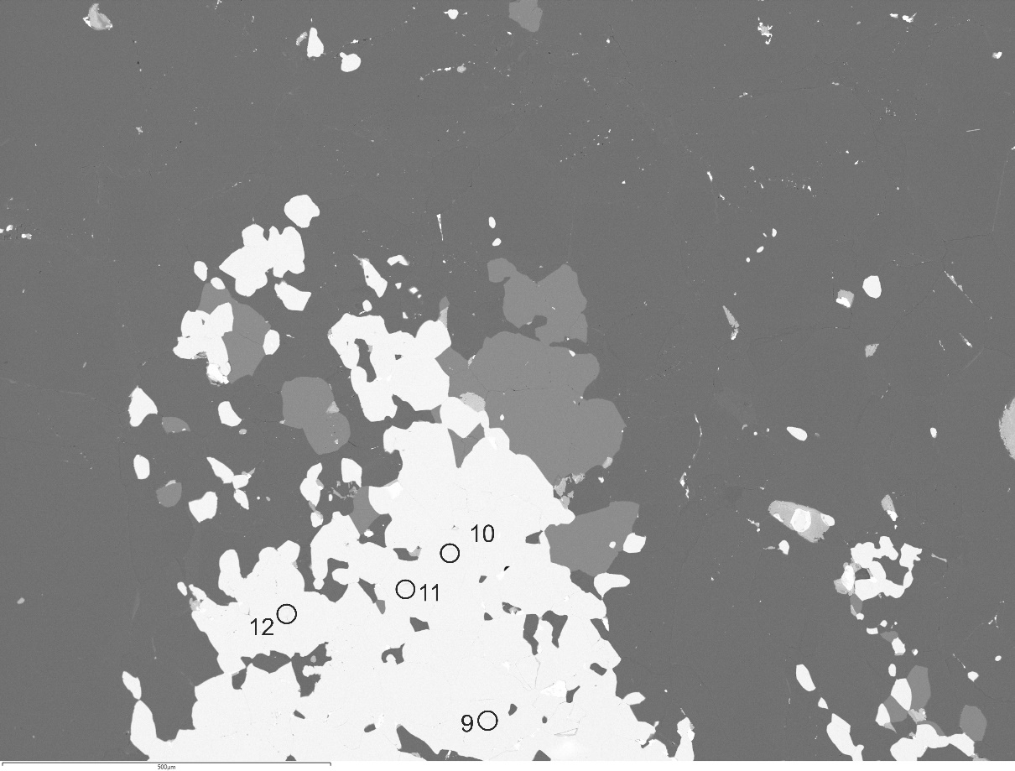
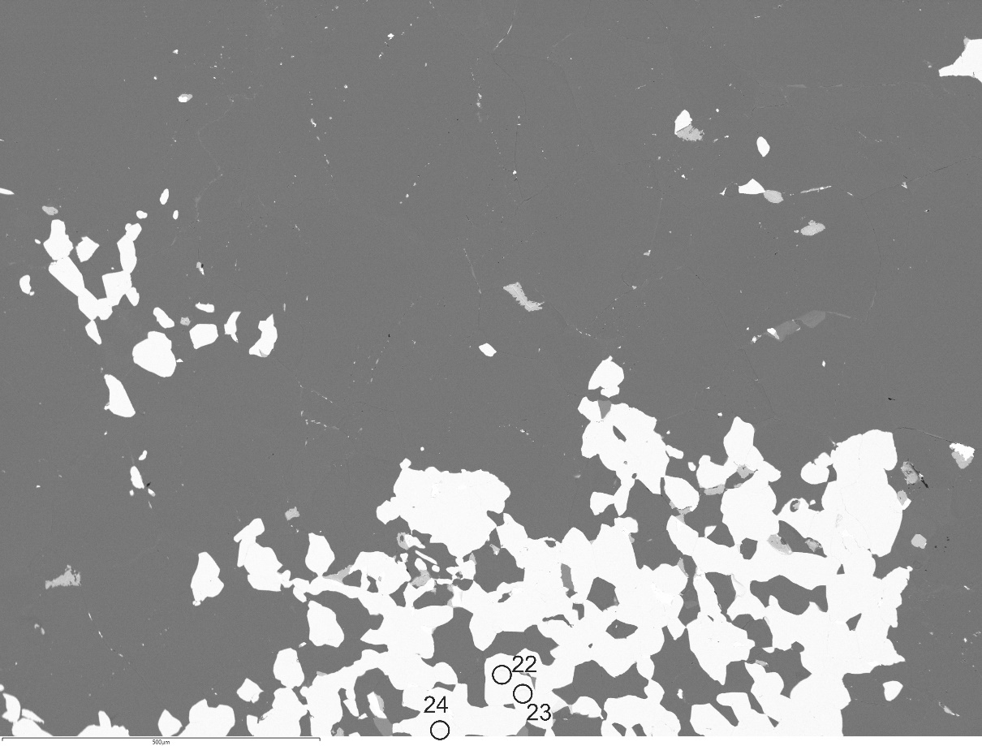
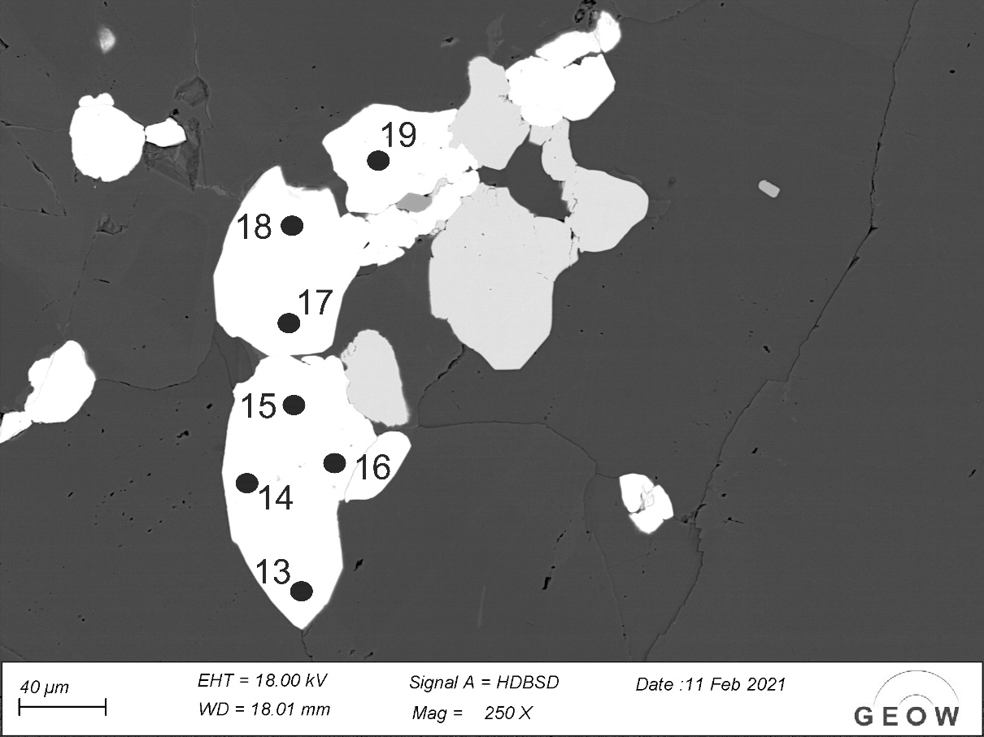

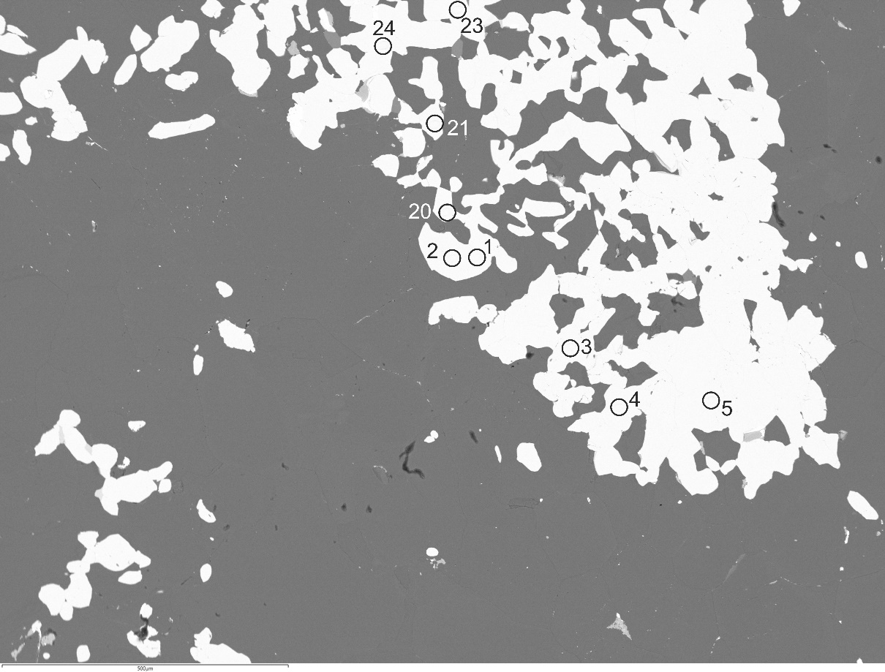
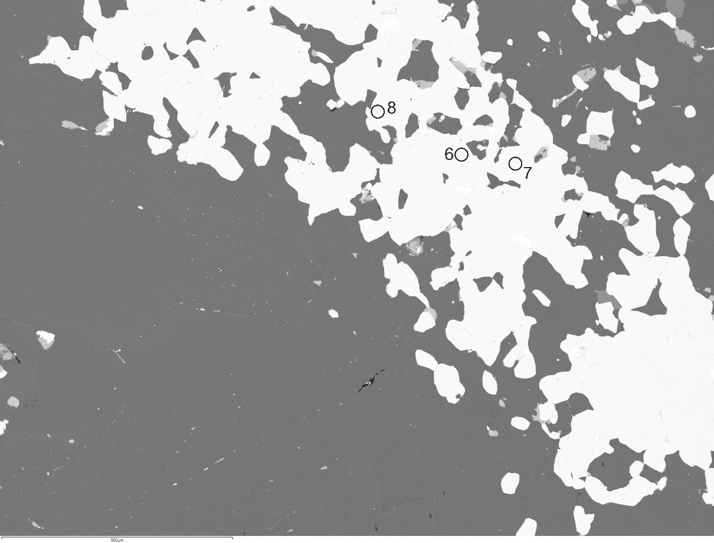

SIMS U-TH-PB Data zircon
Parameters: |  |  |  | Age (Ma) | Age (Ma) | Age (Ma) | Age (Ma) | Age (Ma) | Age (Ma) |  |  |  |  |  |  |  |  |  |  |  | Corr. Coeff. |  |  | U/ |  | Common | Common | Common
 |  |  | Sample spot-ID | 206Pb/238U | 1se | 207Pb/235U | 1se | 207Pb/206Pb | 1se | rad. 206Pb (%) | 206Pb*/238U | 1se | 207Pb*/235U | 1se | 207Pb*/206Pb* | 1se | 207Pb/235U | 1se | 206Pb/238U | 1se | of Concordia | Th/U | 1se | U/94Zr2O | 1se | 206Pb/204Pb | 207Pb/204Pb | 208Pb/204Pb | Blocksize
Decay constants (1/Ma) |  |  |  |  |  |  |  |  |  |  |  |  |  |  |  |  |  |  |  |  | Ellipses
238U | 1.55E-04
235U | 9.85E-04 |  | #1 | 137.1 | 3.77 | 223.5 | 5.55 | 1272 | 17 | 97.97 | 2.15E-02 | 5.98E-04 | 2.46E-01 | 6.81E-03 | 8.31E-02 | 7.25E-04 | 2.51E-01 | 6.94E-03 | 2.19E-02 | 6.10E-04 | 9.51E-01 | 8.83E-03 | 9.62E-05 | 1.01E+02 | 1.50E+00 | 15.16 | 15.19 | 34.8 | 6
232Th | 4.95E-05 |  | #2 | 115.9 | 3.14 | 192.8 | 5.03 | 1283 | 22.4 | 98.1 | 1.81E-02 | 4.96E-04 | 2.09E-01 | 5.98E-03 | 8.36E-02 | 9.61E-04 | 2.13E-01 | 6.08E-03 | 1.85E-02 | 5.06E-04 | 9.17E-01 | 1.31E-02 | 2.29E-04 | 1.01E+02 | 3.46E+00 | 15.16 | 15.19 | 34.8 | 6
 |  |  | #3 | 104.1 | 2.77 | 176.4 | 4.68 | 1305 | 19.5 | 98.05 | 1.63E-02 | 4.36E-04 | 1.90E-01 | 5.48E-03 | 8.45E-02 | 8.48E-04 | 1.93E-01 | 5.58E-03 | 1.66E-02 | 4.45E-04 | 9.38E-01 | 1.06E-02 | 1.38E-04 | 1.04E+02 | 7.13E+00 | 15.16 | 15.19 | 34.8 | 6
238U/235U | 137.88 |  | #4 | 114.1 | 3.29 | 188.4 | 5.39 | 1263 | 21.7 | 98 | 1.79E-02 | 5.20E-04 | 2.04E-01 | 6.39E-03 | 8.28E-02 | 9.21E-04 | 2.08E-01 | 6.51E-03 | 1.82E-02 | 5.31E-04 | 9.35E-01 | 9.60E-03 | 1.11E-04 | 9.12E+01 | 3.03E+00 | 15.16 | 15.19 | 34.8 | 6
 |  |  | #5 | 107.8 | 2.86 | 184.1 | 4.62 | 1326 | 16.1 | 97.99 | 1.69E-02 | 4.51E-04 | 1.99E-01 | 5.45E-03 | 8.55E-02 | 7.12E-04 | 2.02E-01 | 5.55E-03 | 1.72E-02 | 4.60E-04 | 9.53E-01 | 9.68E-03 | 1.28E-04 | 1.35E+02 | 2.97E+00 | 15.16 | 15.19 | 34.8 | 6
Standard : | Age (Ma) | (N analyses)
91500 | 1065.0 | 1
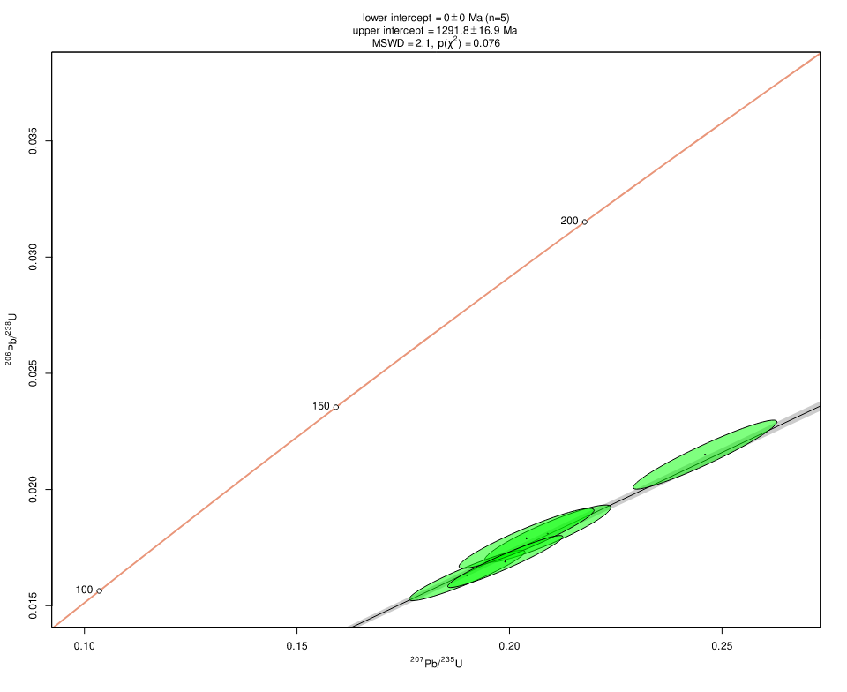
AS3 | 1099.1 | 12

Two-point Linear Drift Correction

Zircon Figure spots
Newania Ne-5: metamict zircon grain with numbered spot positions (15 µm diameter) | Same without spots:
#1
#2
#5
#4
#3

