Figure 1f
effector

RT

Figure 2e
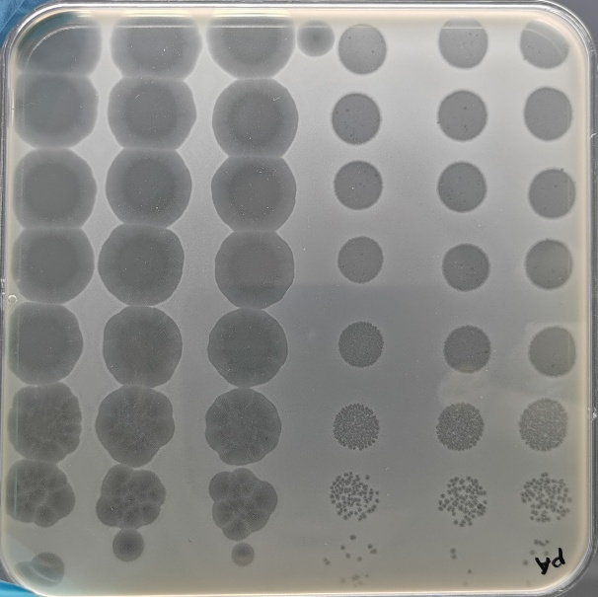
Empty Vector
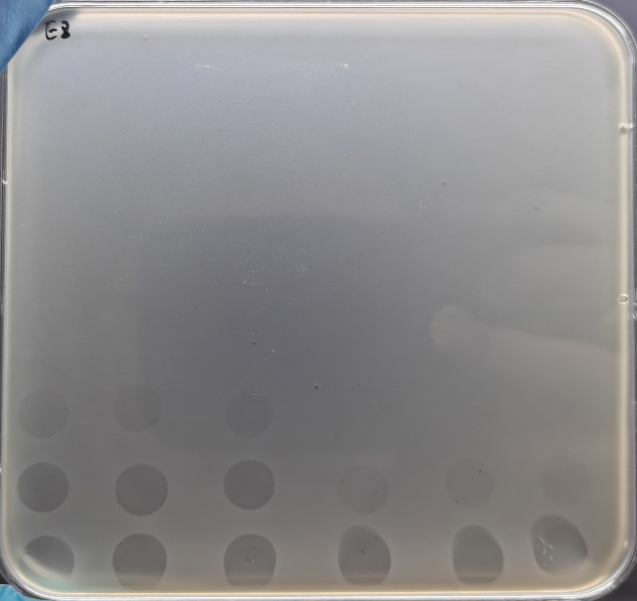
Retron Eco8
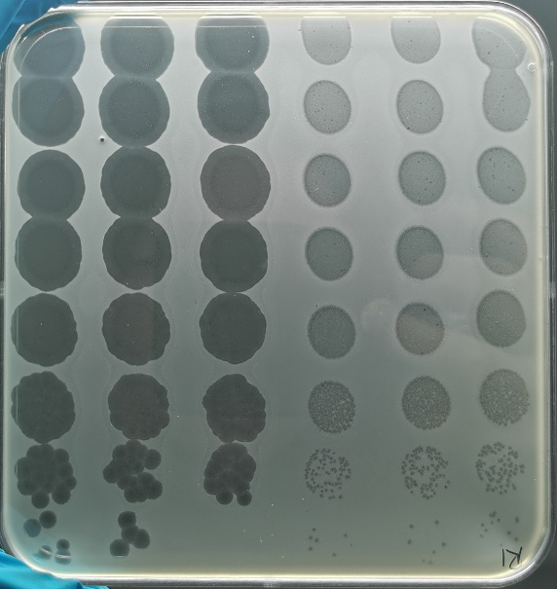
YADD
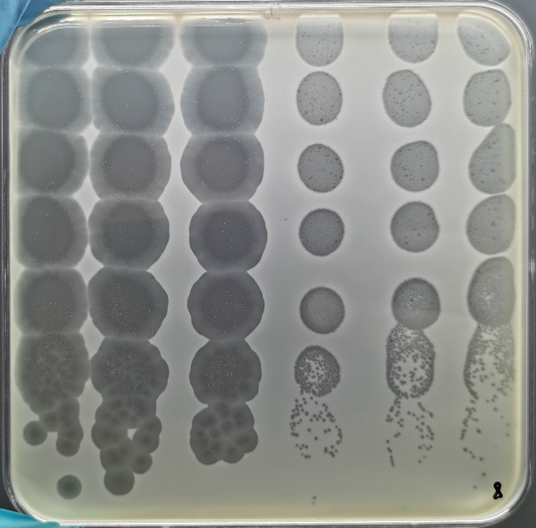
ING
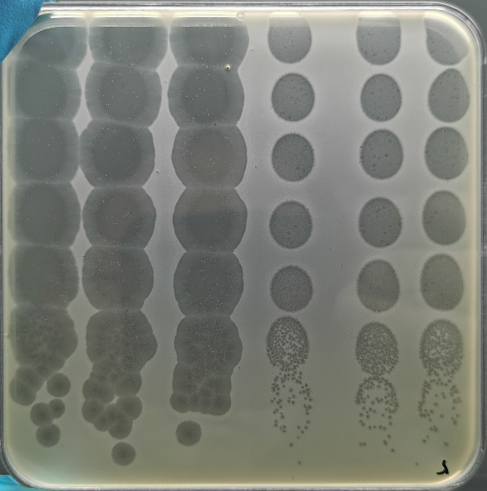
PMG

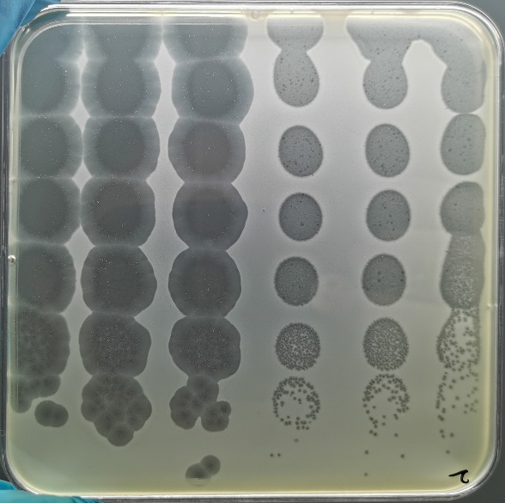
D107A
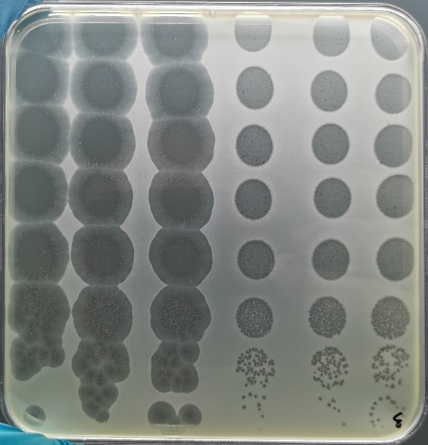
F112A

Figure 3e
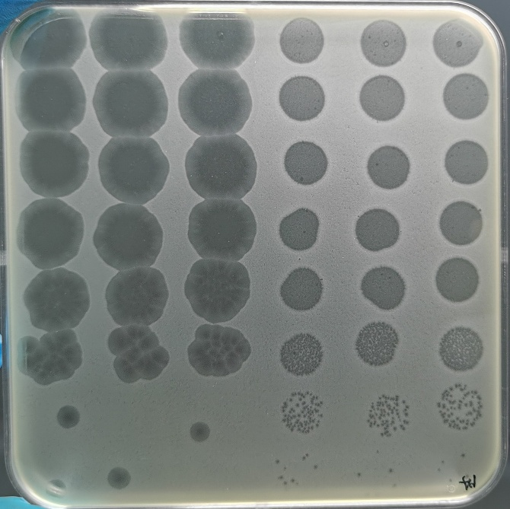
Empty Vector
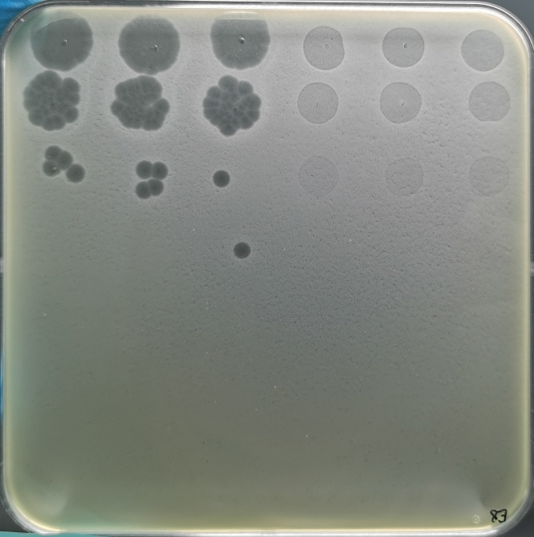
Retron Eco8
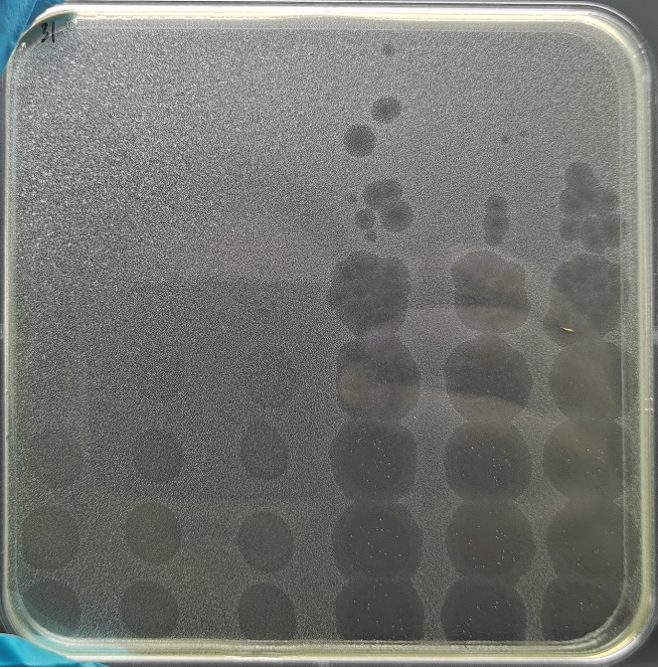
R178A
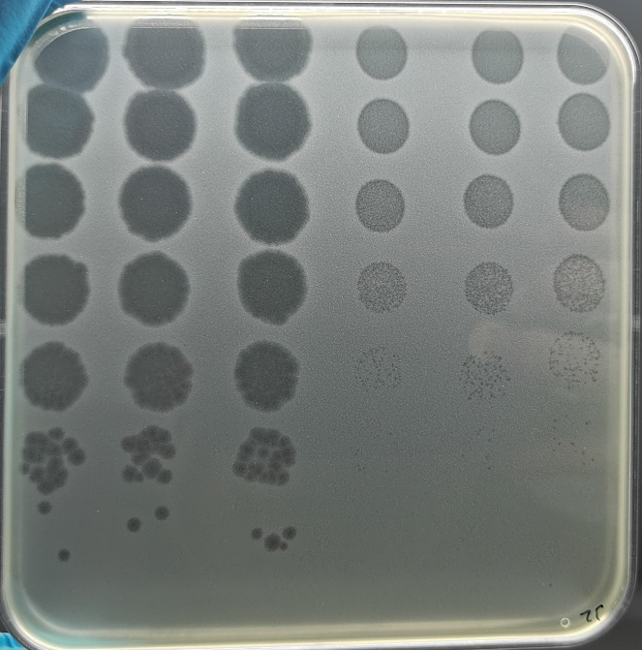
Y217A
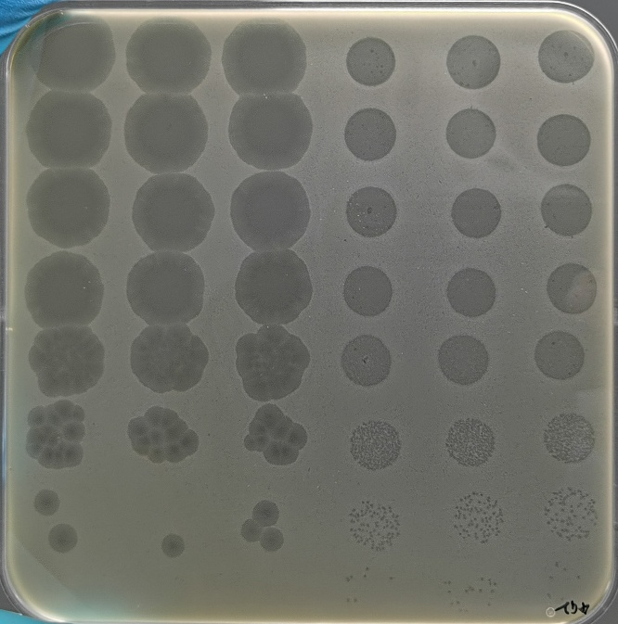
D*D

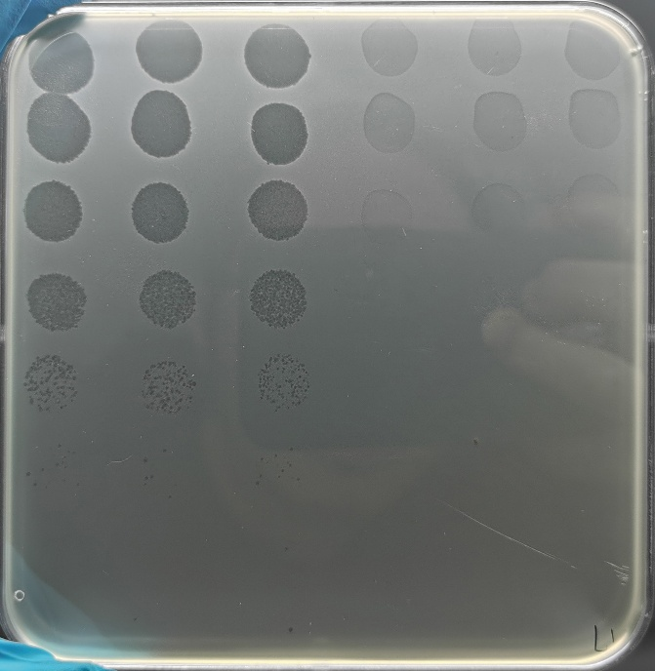
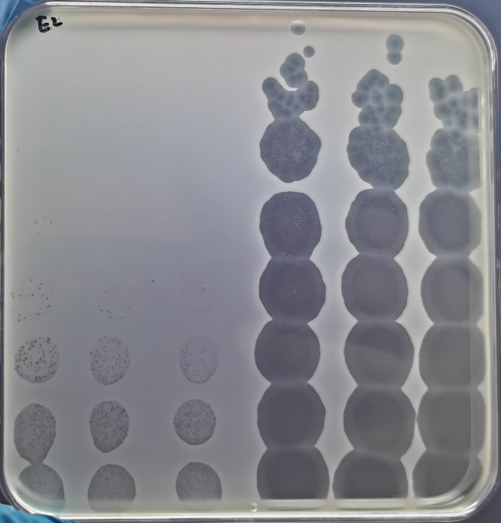
N379A
E297A
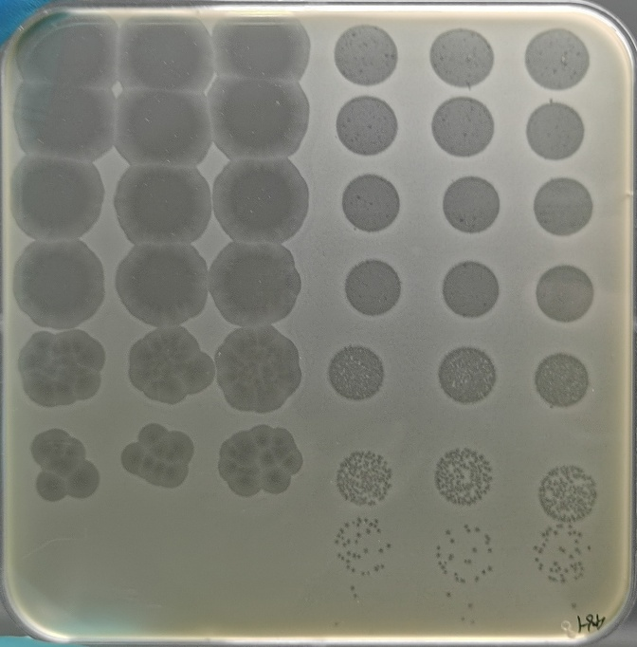
P*P
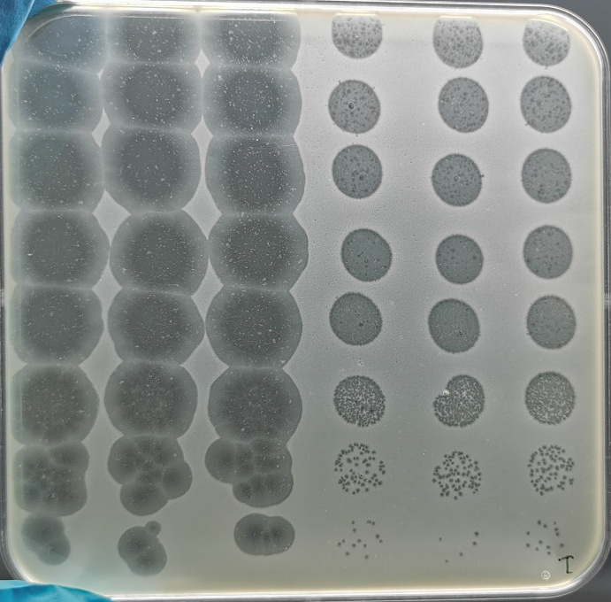
Insertion

Figure 4a
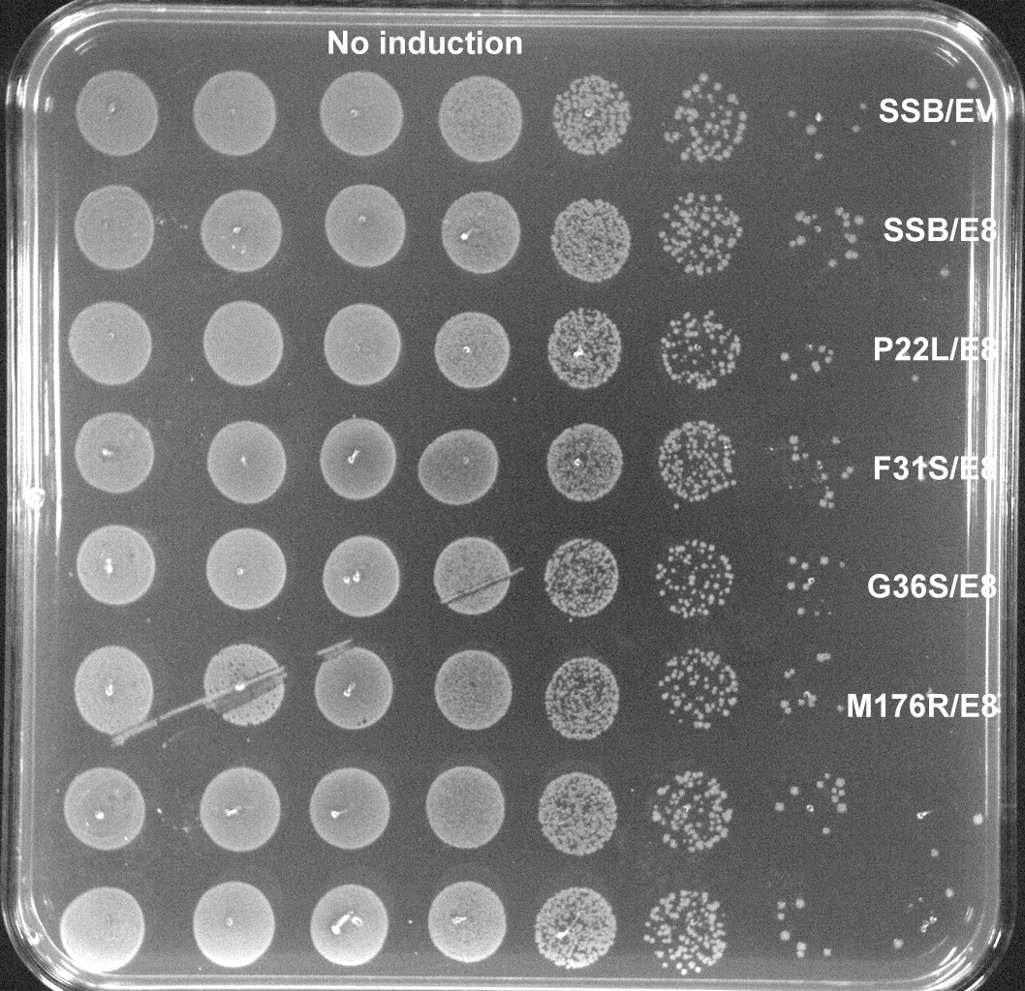
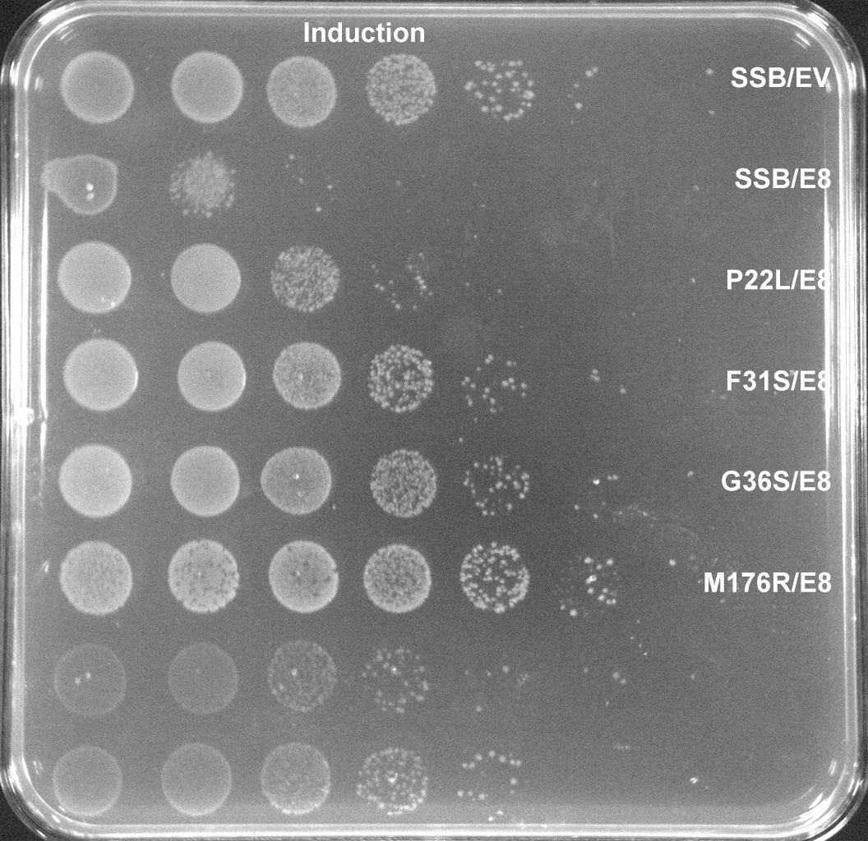
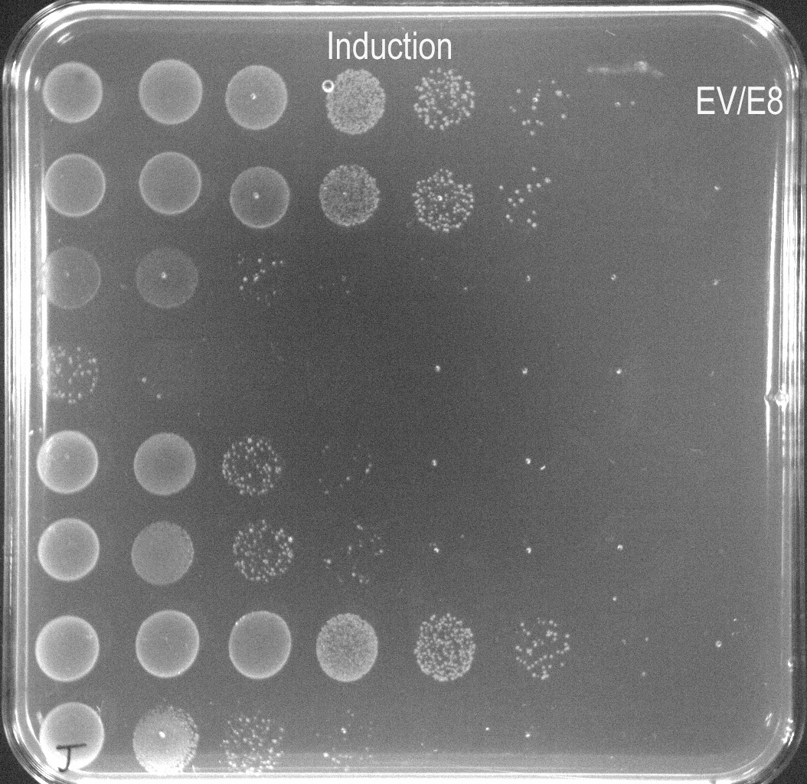
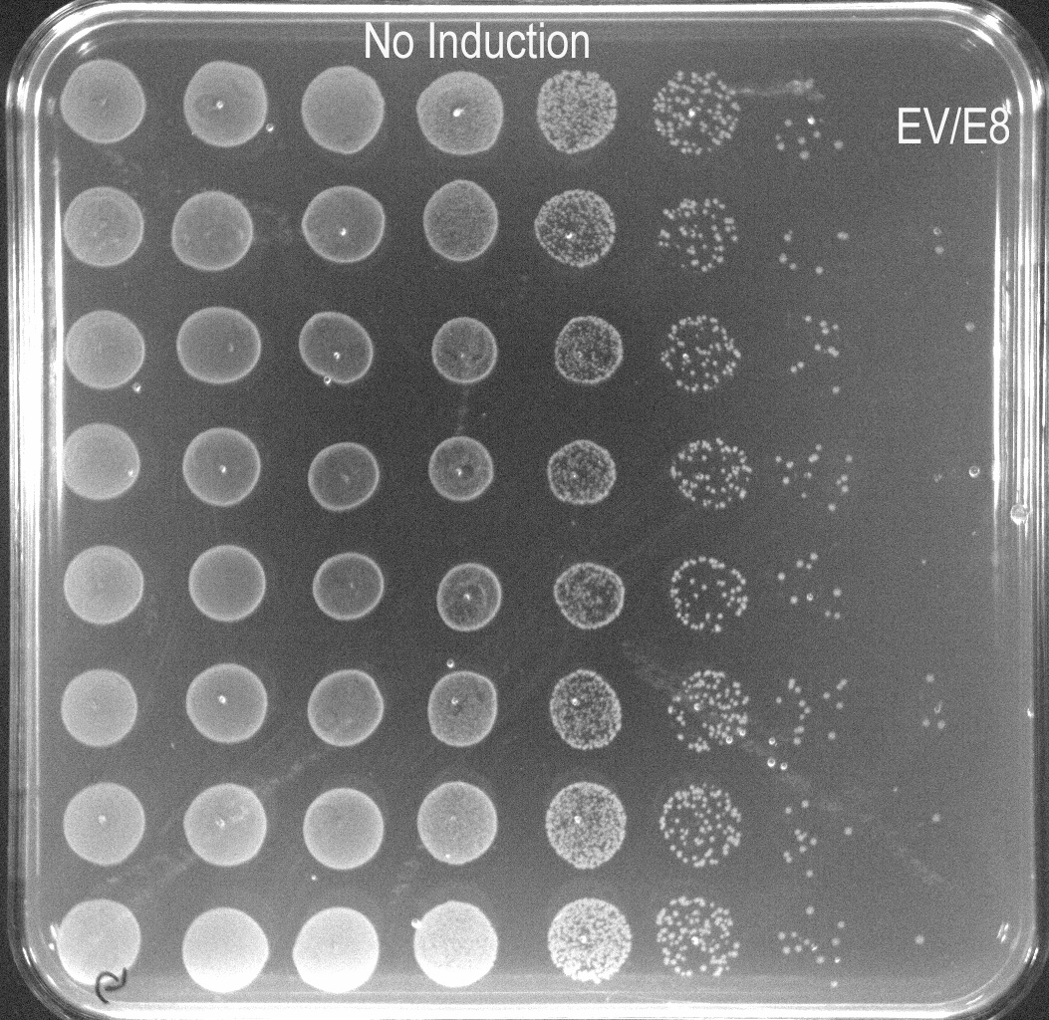

Figure 4b
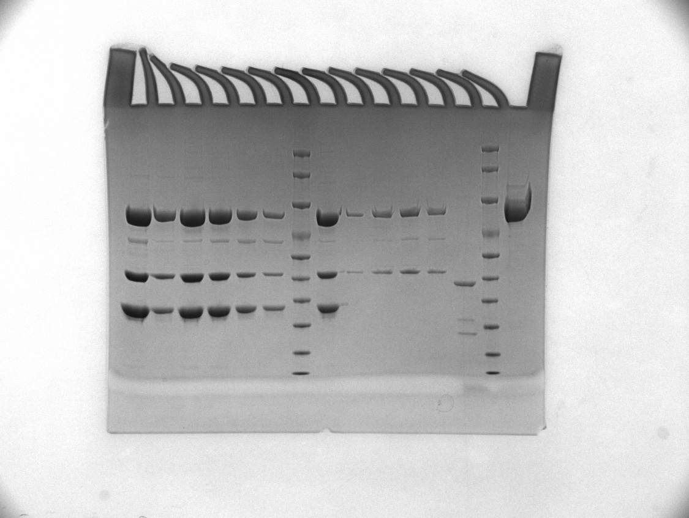

Eco8+SSB(M176R)
Eco8+SSB(Y158A)
SSB-Load
Flow
Wash
Elution
Eco8
ΔSL(1+2)+SSB

effector

RT

T7-SSB
Eco8+T7-SSB

Figure 5a
EV/EV
Retron-Eco8/T7-SSB

Retron-Eco8/T7-SSB
RT^{YADD mut}

Retron-Eco8/T7-SSB
effector^{D450A/D452A mut}

Figure 5b
NC
Eco8
SSB
Eco8-SSB
Eco8*-SSB
SSB
Eco8
Eco8*-SSB
Eco8-SSB
NC

T4
Ecoli

Figure 5c
Toprim*
Toprim
Toprim
Toprim*
NC
NC

T4
Ecoli

Figure 5f
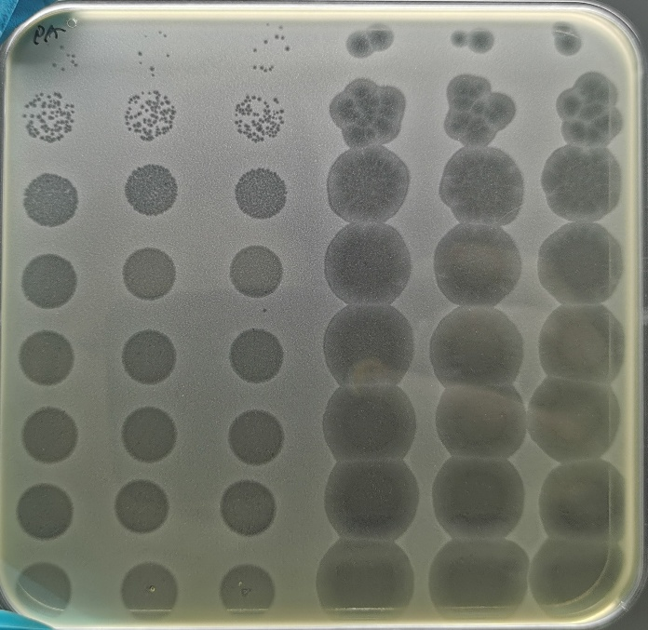
Empty Vector
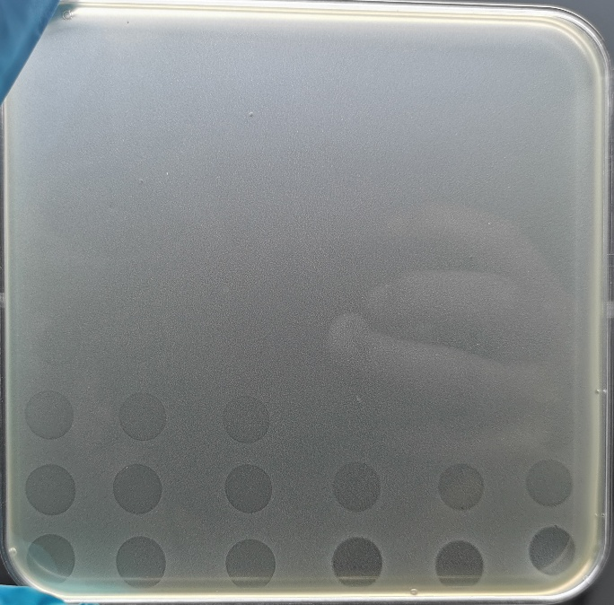
Retron-Eco8
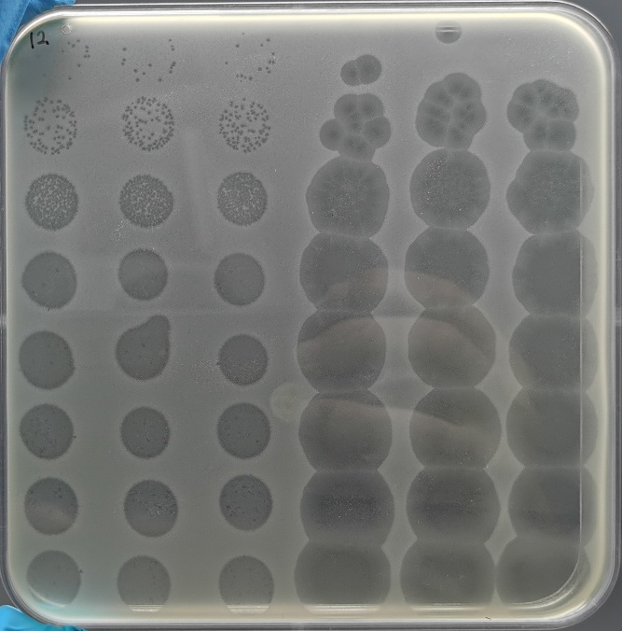
E398A
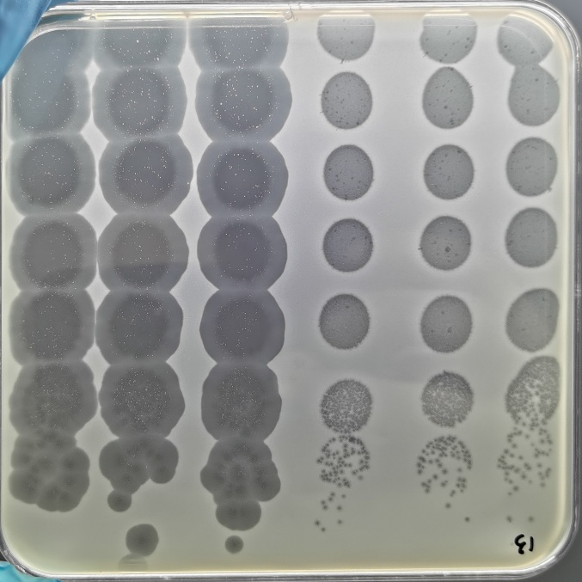
D450A/D452A
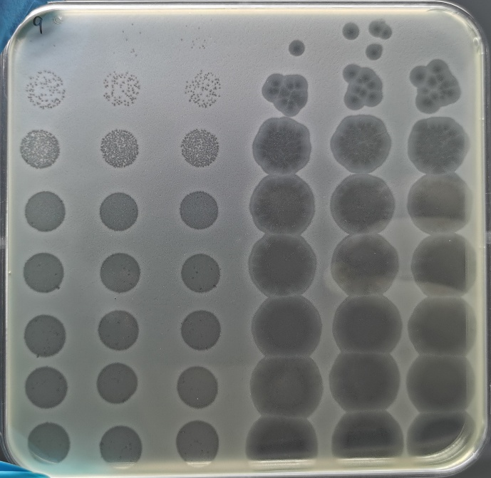
K460A/K463A

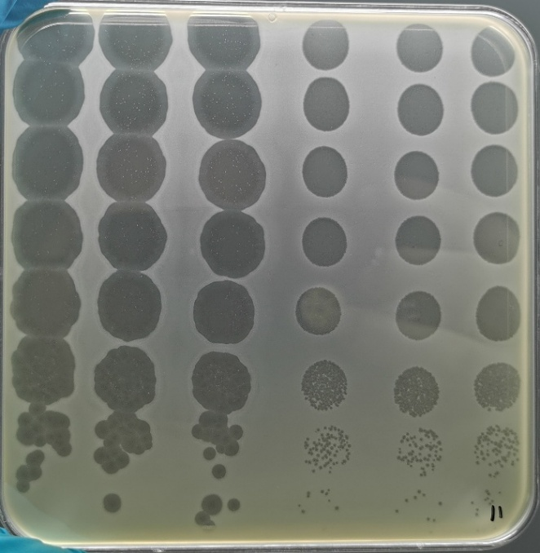
K693A
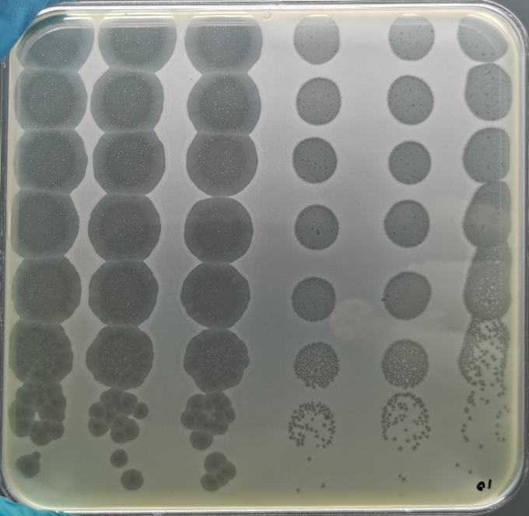
K662A/K664A/K665A

Figure 6c
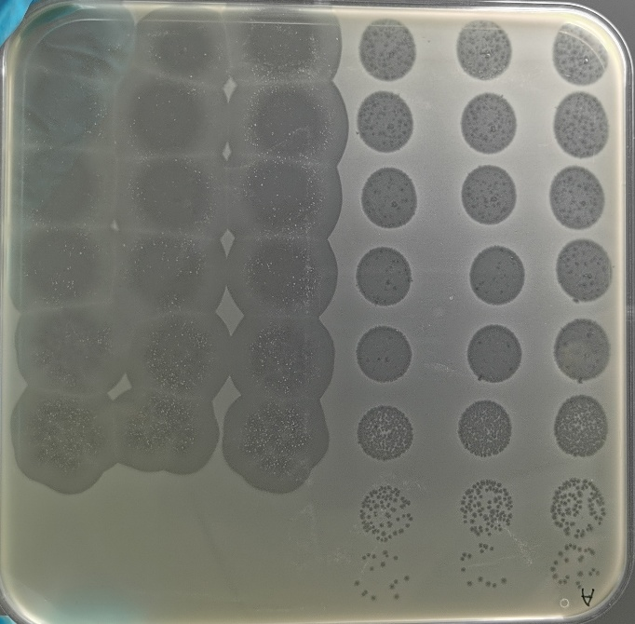
Empty Vector
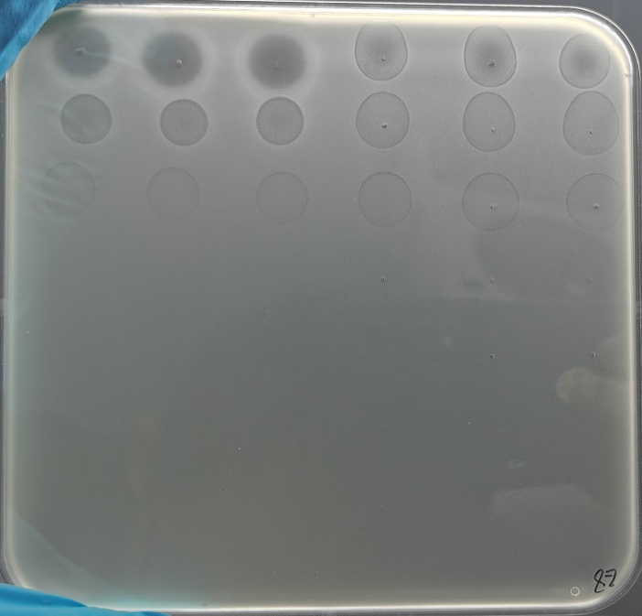
Retron-Eco8
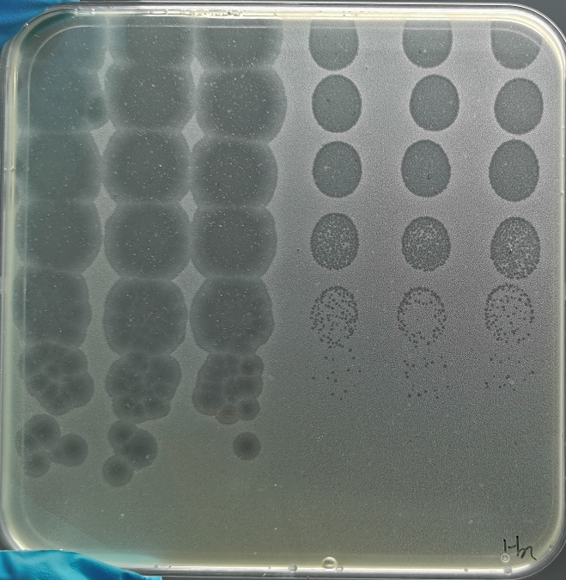
FDYYY*
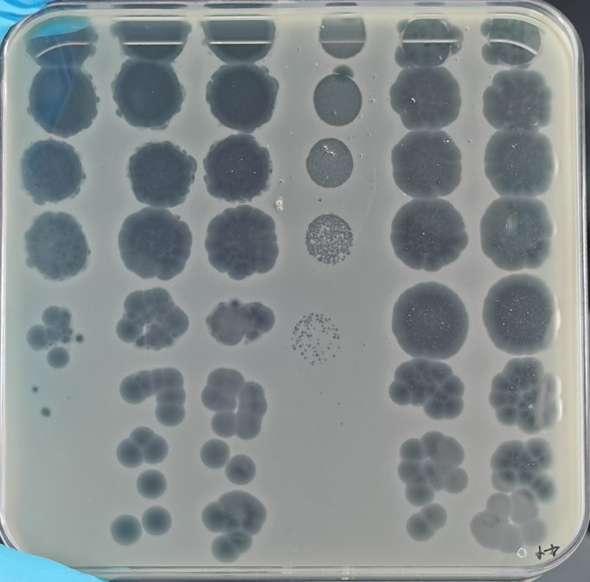
F92A
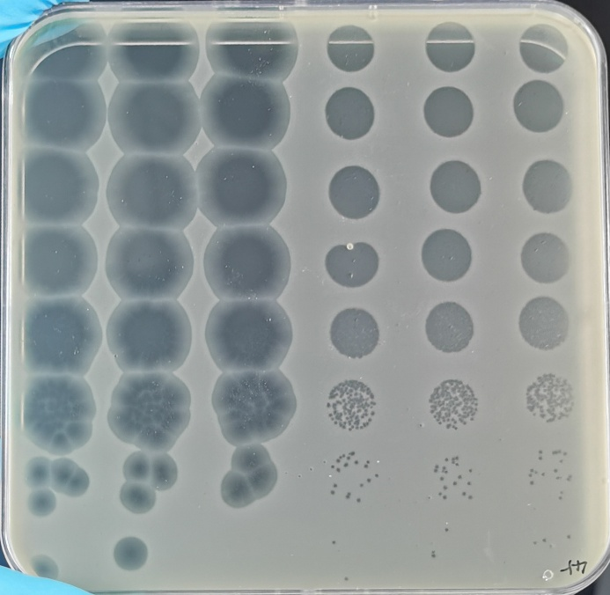
H95A

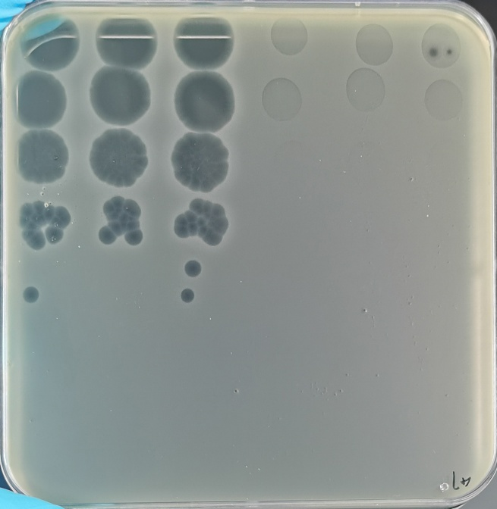
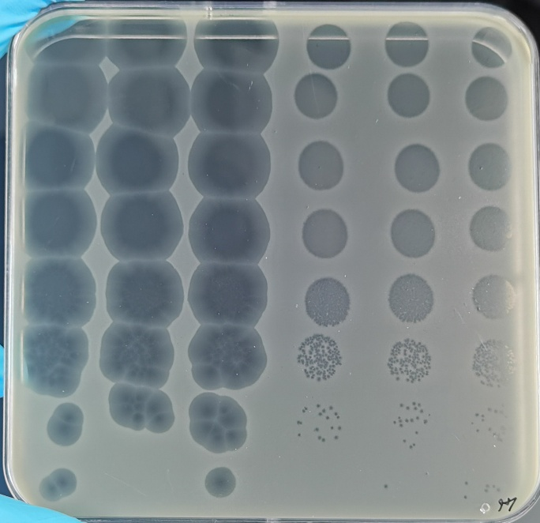
Y97A
K102A

Extended Data Fig 4a
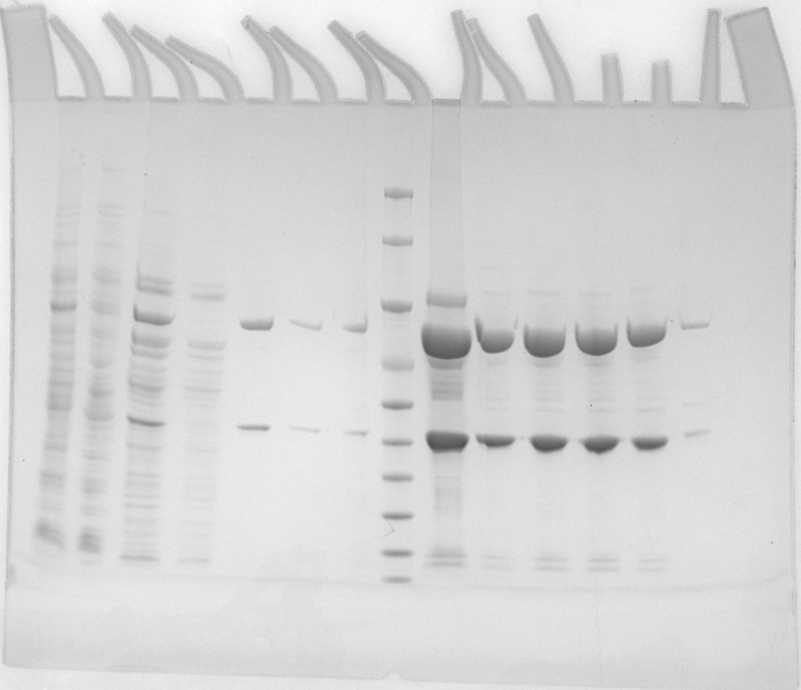

effector

RT

Extended Data Fig 5c
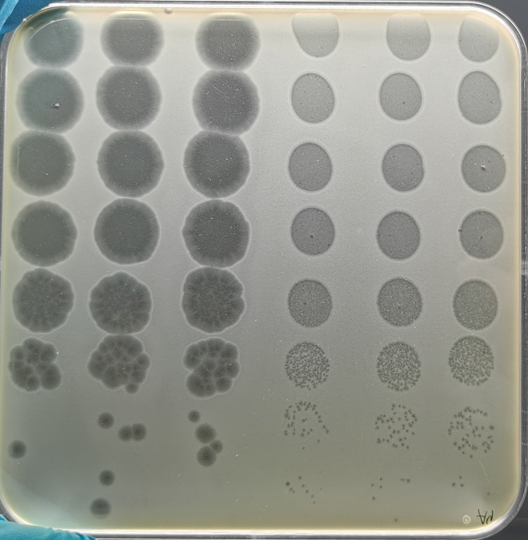
Empty Vector
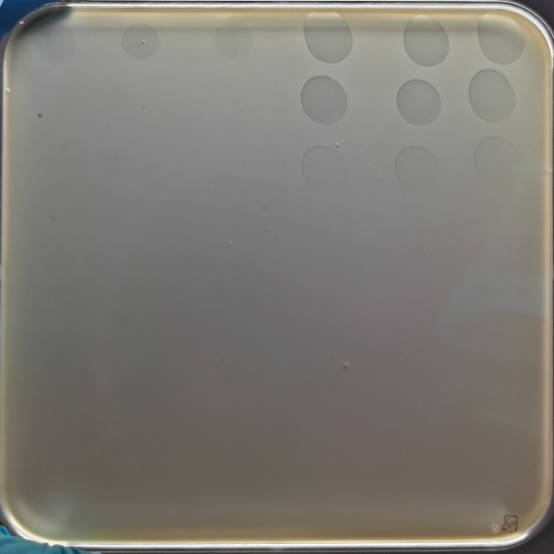
Retron-Eco8
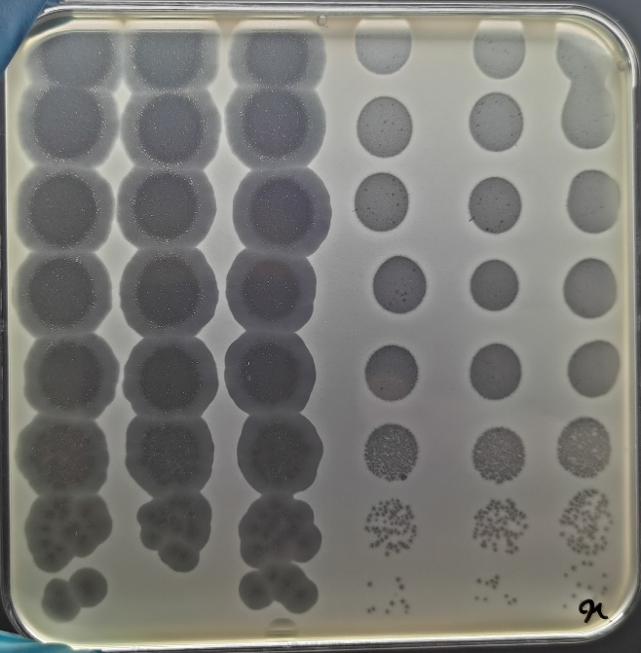
K36A
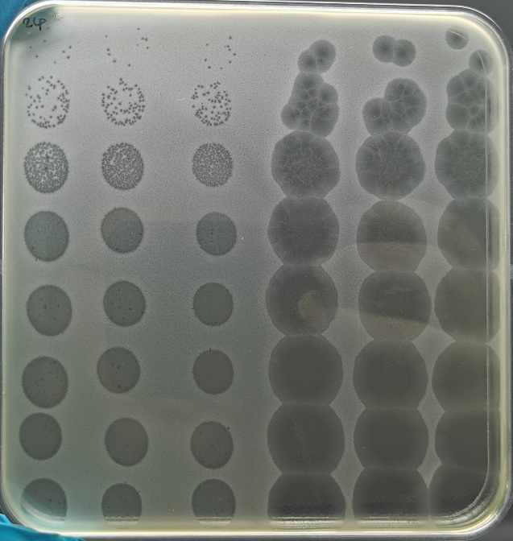
D285A/D286A
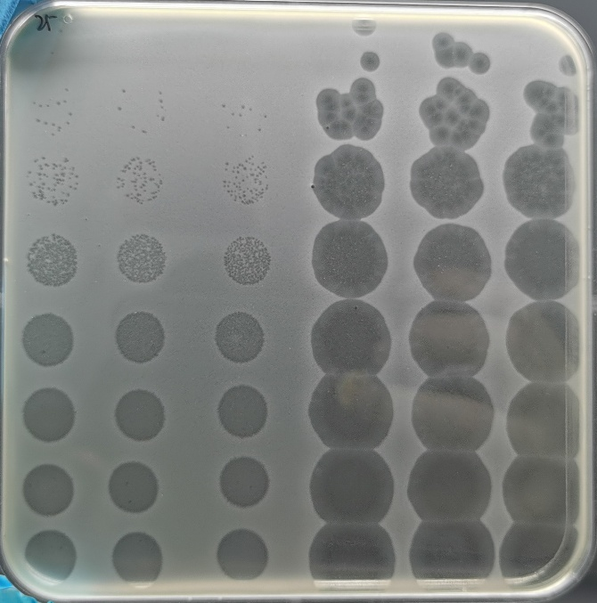
H334A

Extended Data Fig 5d
NC
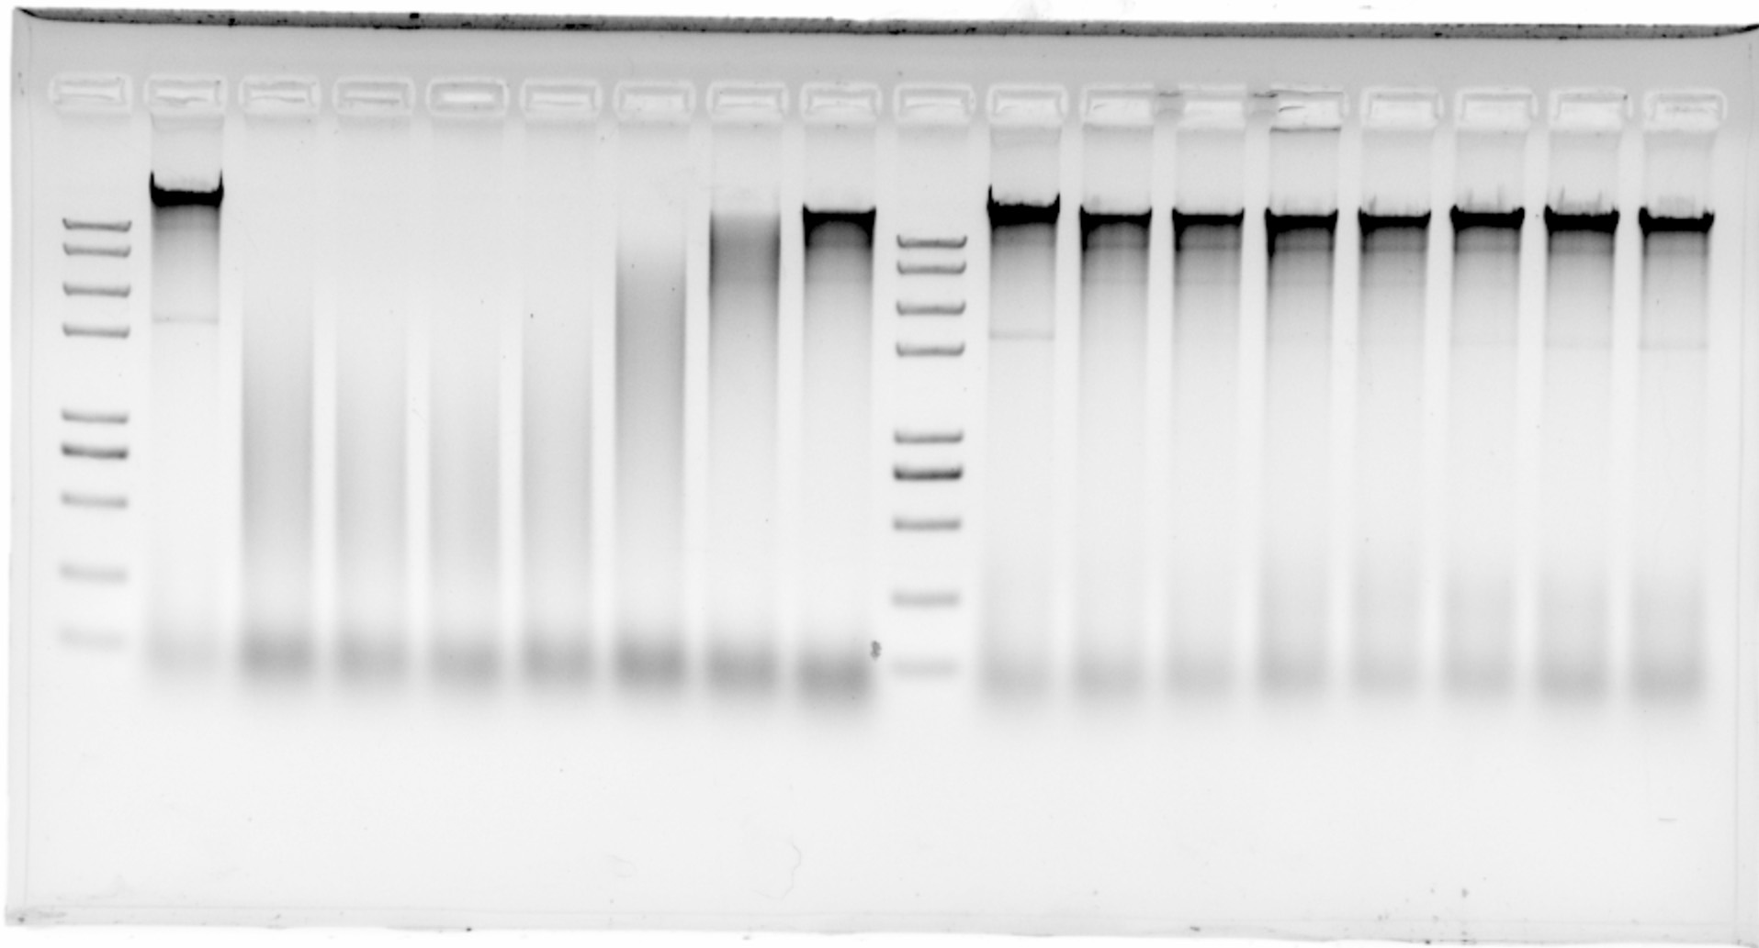
0
0.5
1
2
3
4
5

ATP Concentration (mM)

