SI Figures
Natural Habitat Modified Habitat
Critical Habitat
IFC PS6 requirements Triggered
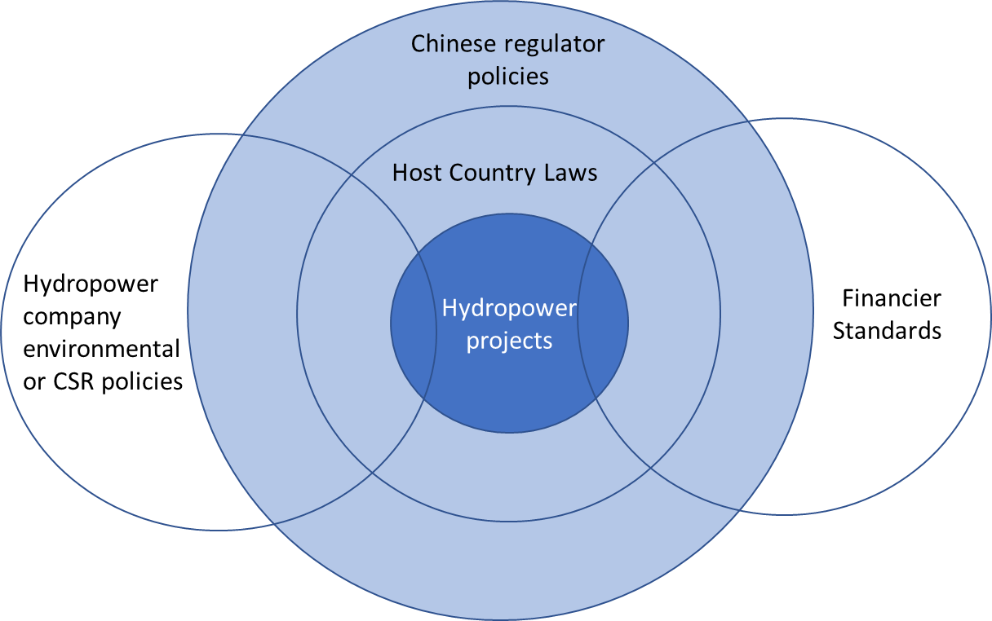

Human Footprint

Biodiversity Value

Fig.1. Regulatory landscape governing Chinese-funded hydropower projects in BRI countries | Fig.1. IFC's three-tiered habitat classification

