Fig. 1c
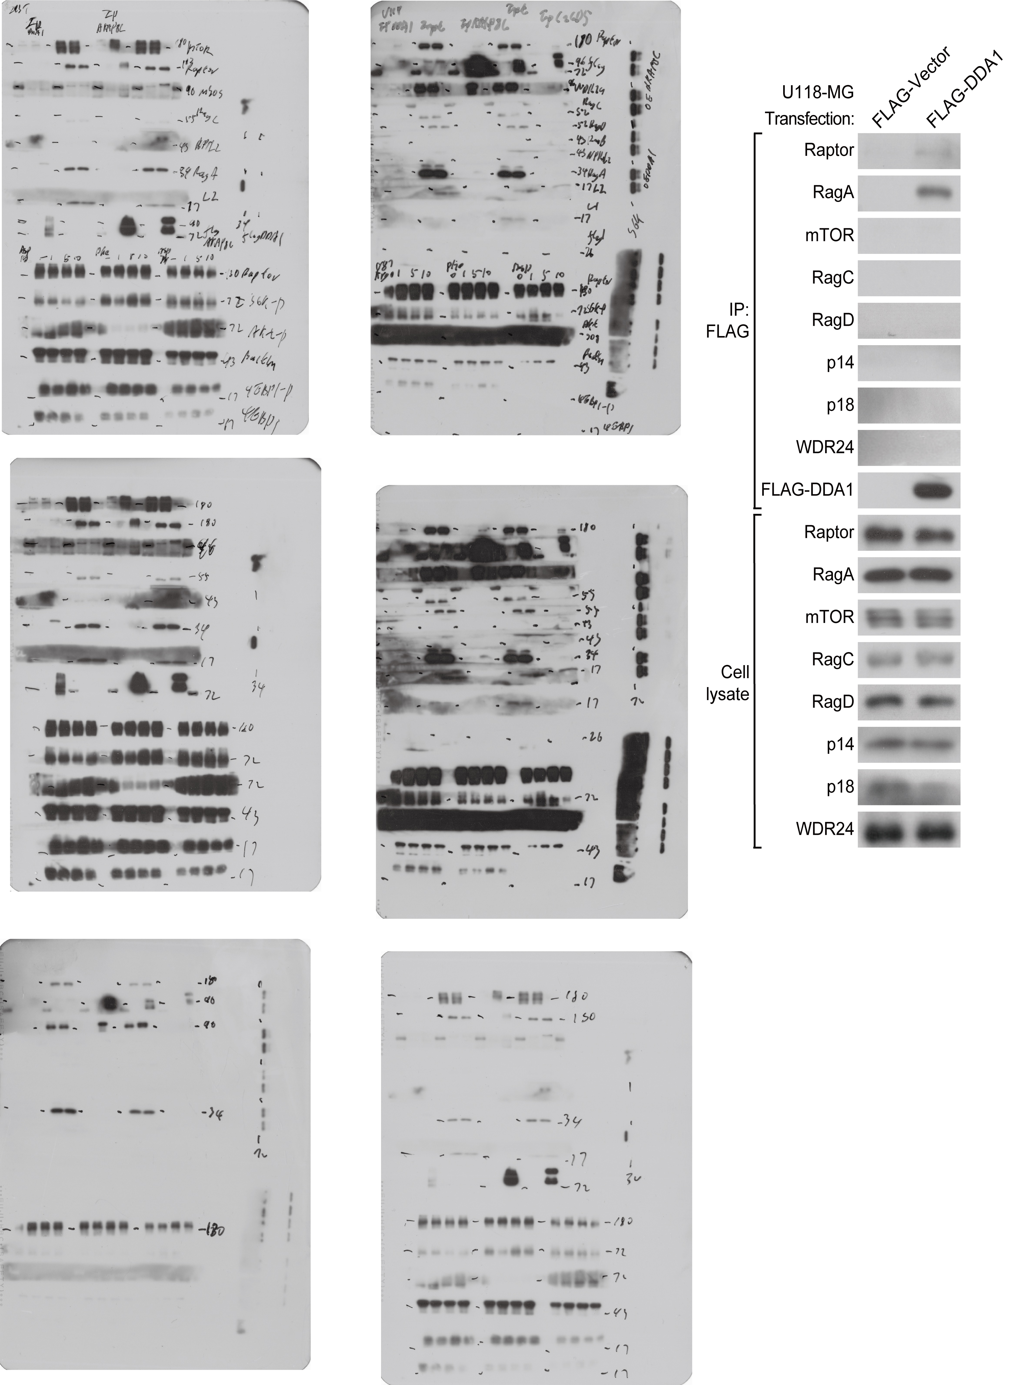

Fig. 1d
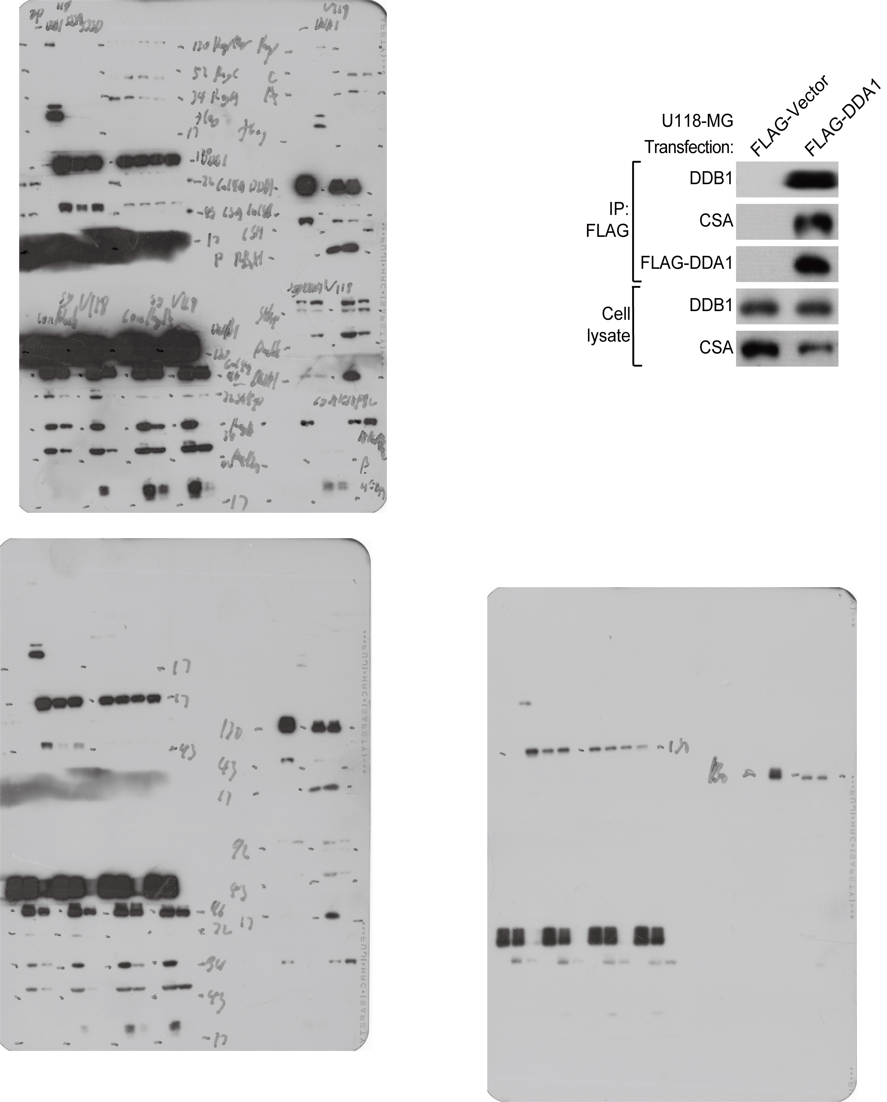

Fig. 1e
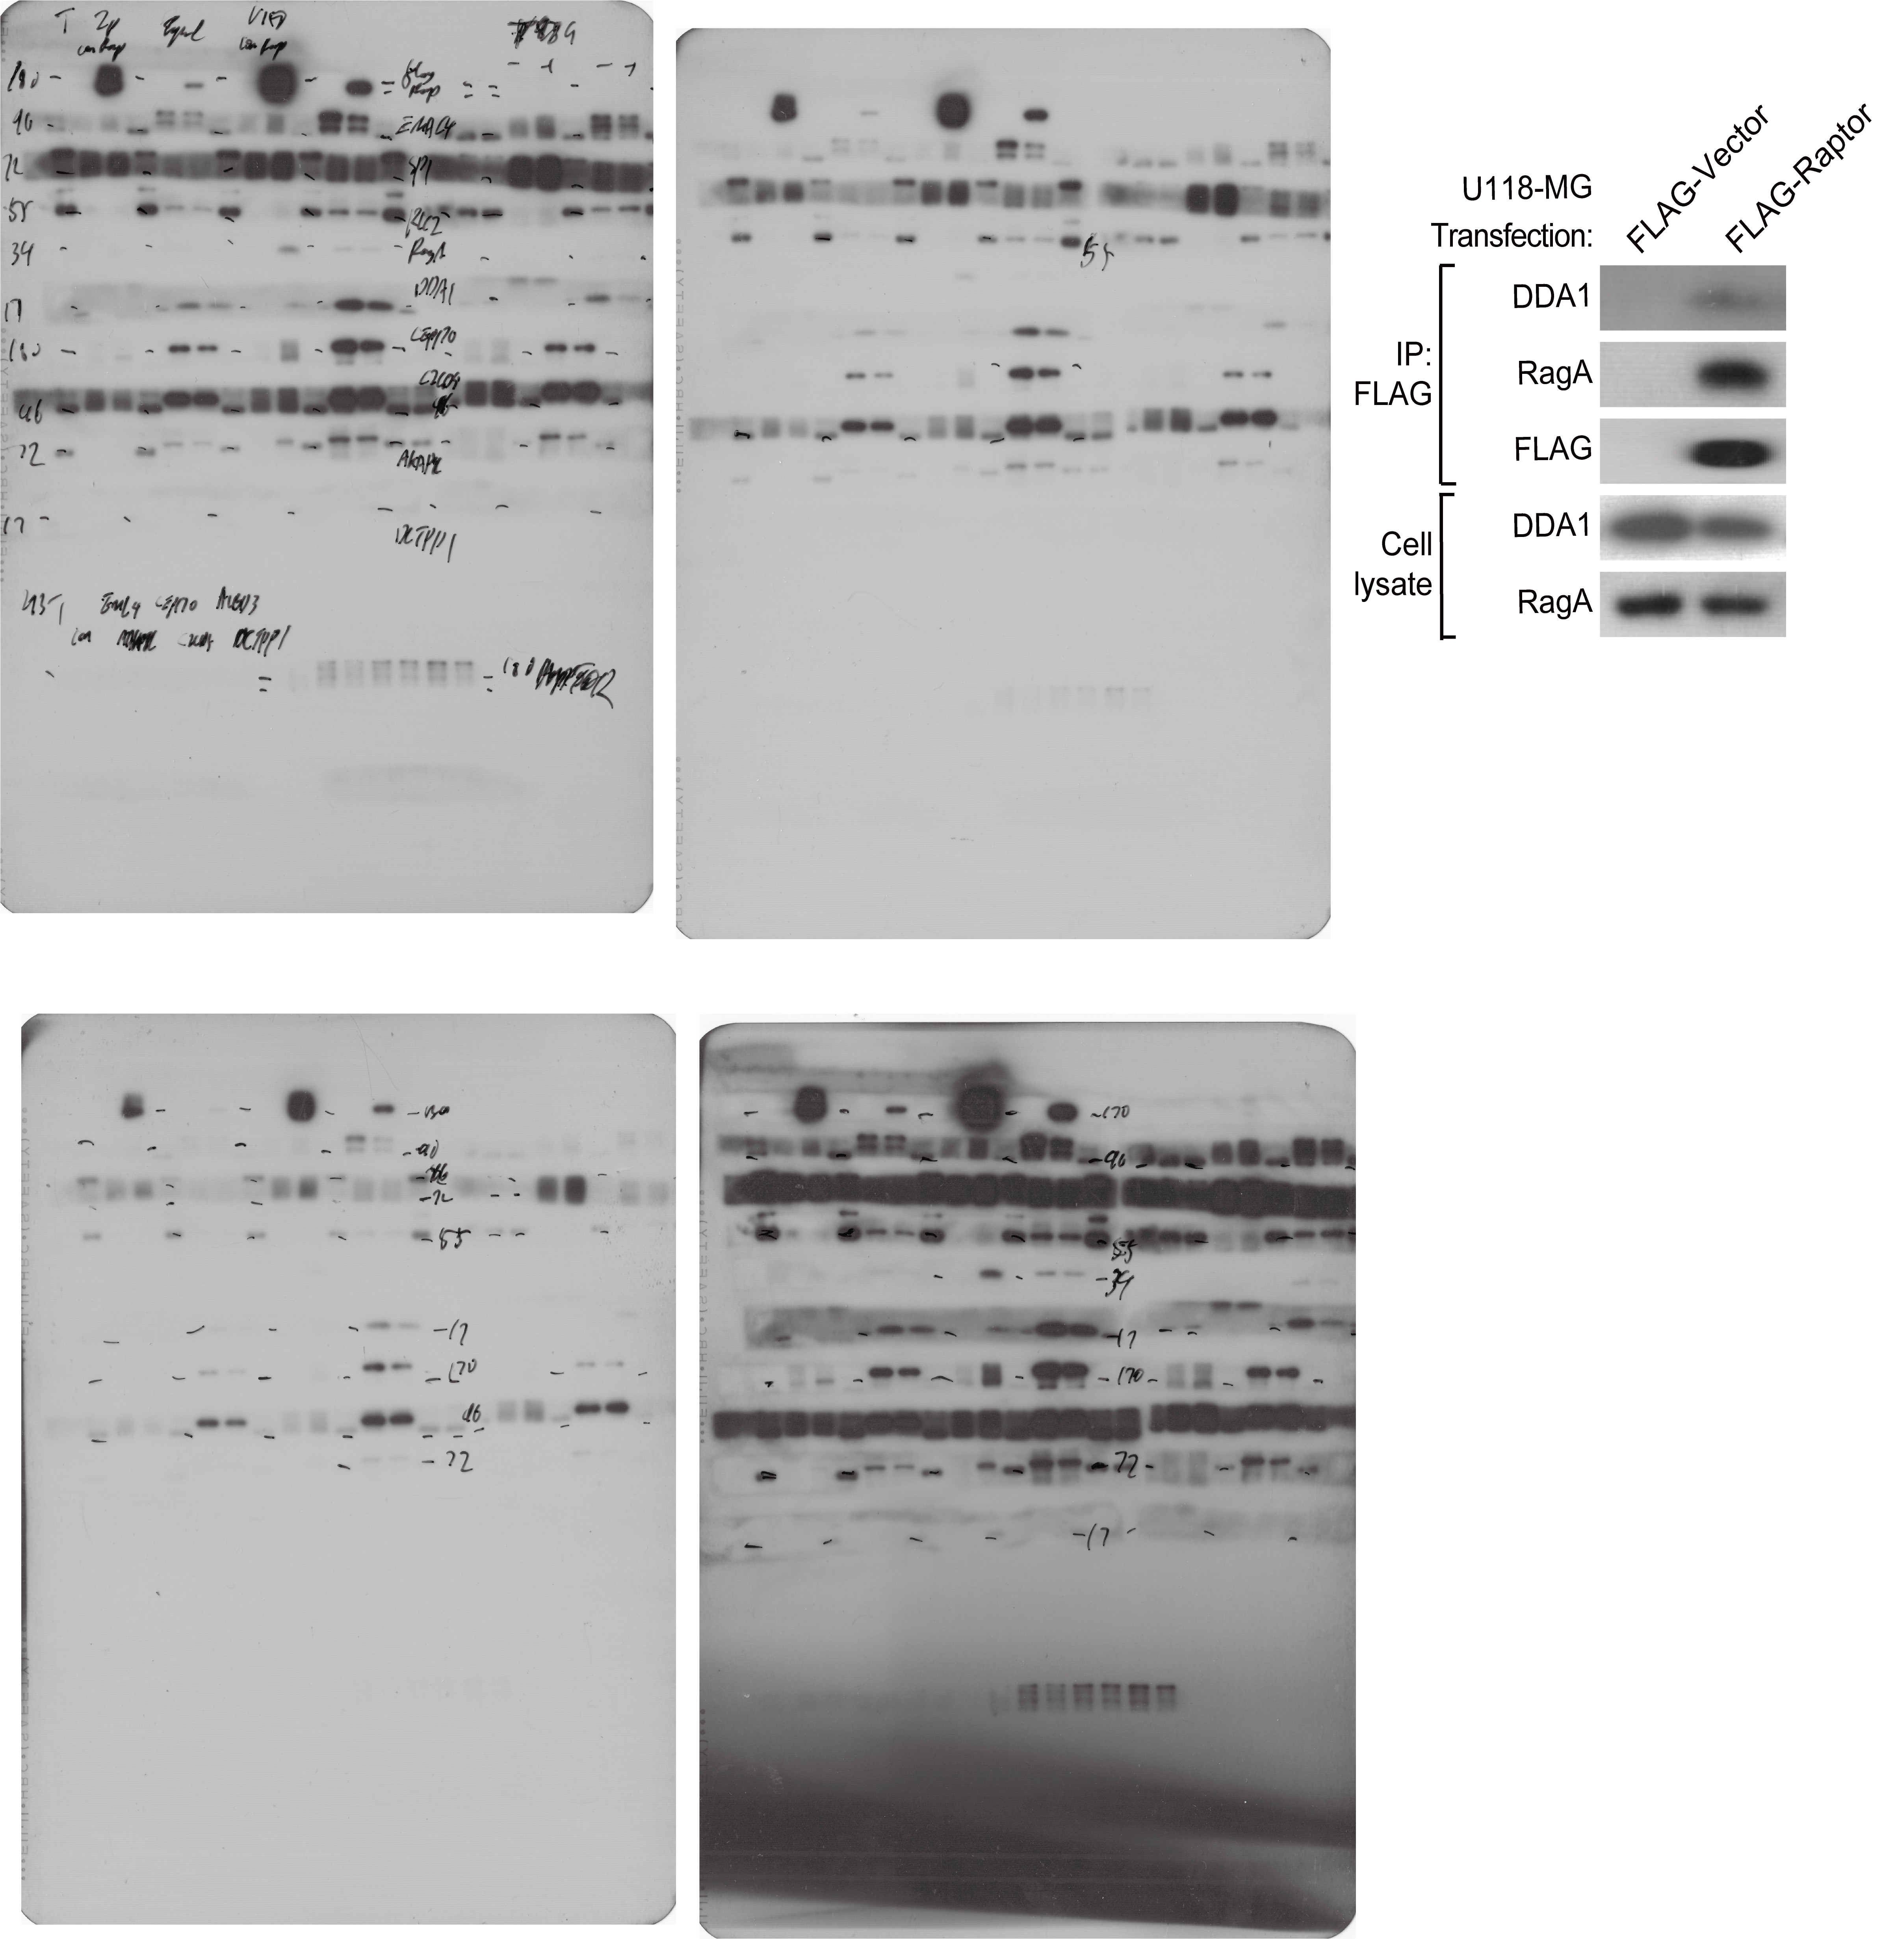

Fig. 1g
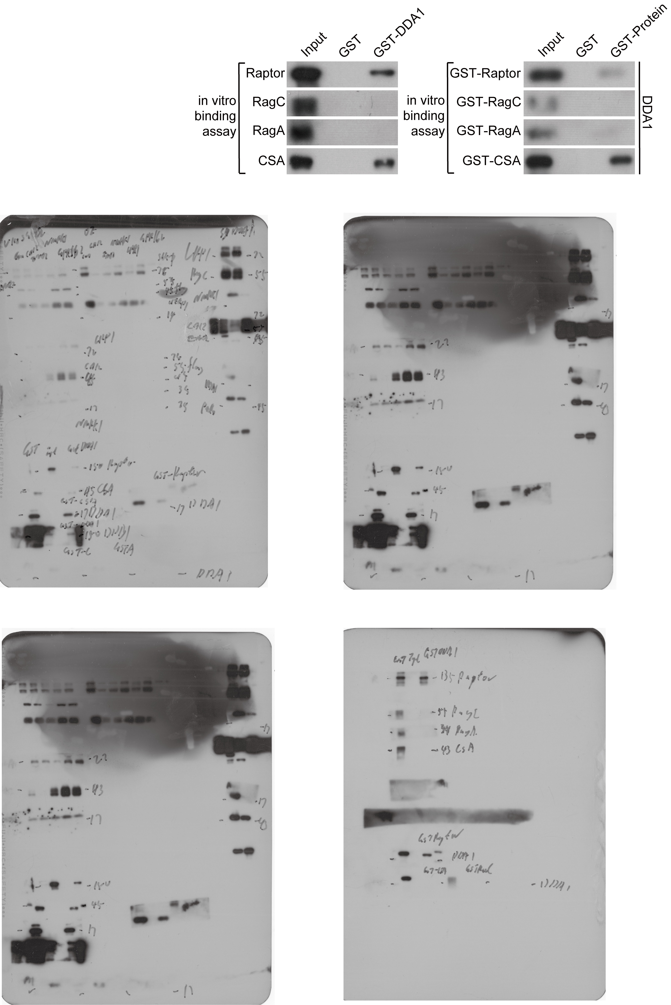

Fig. 2a
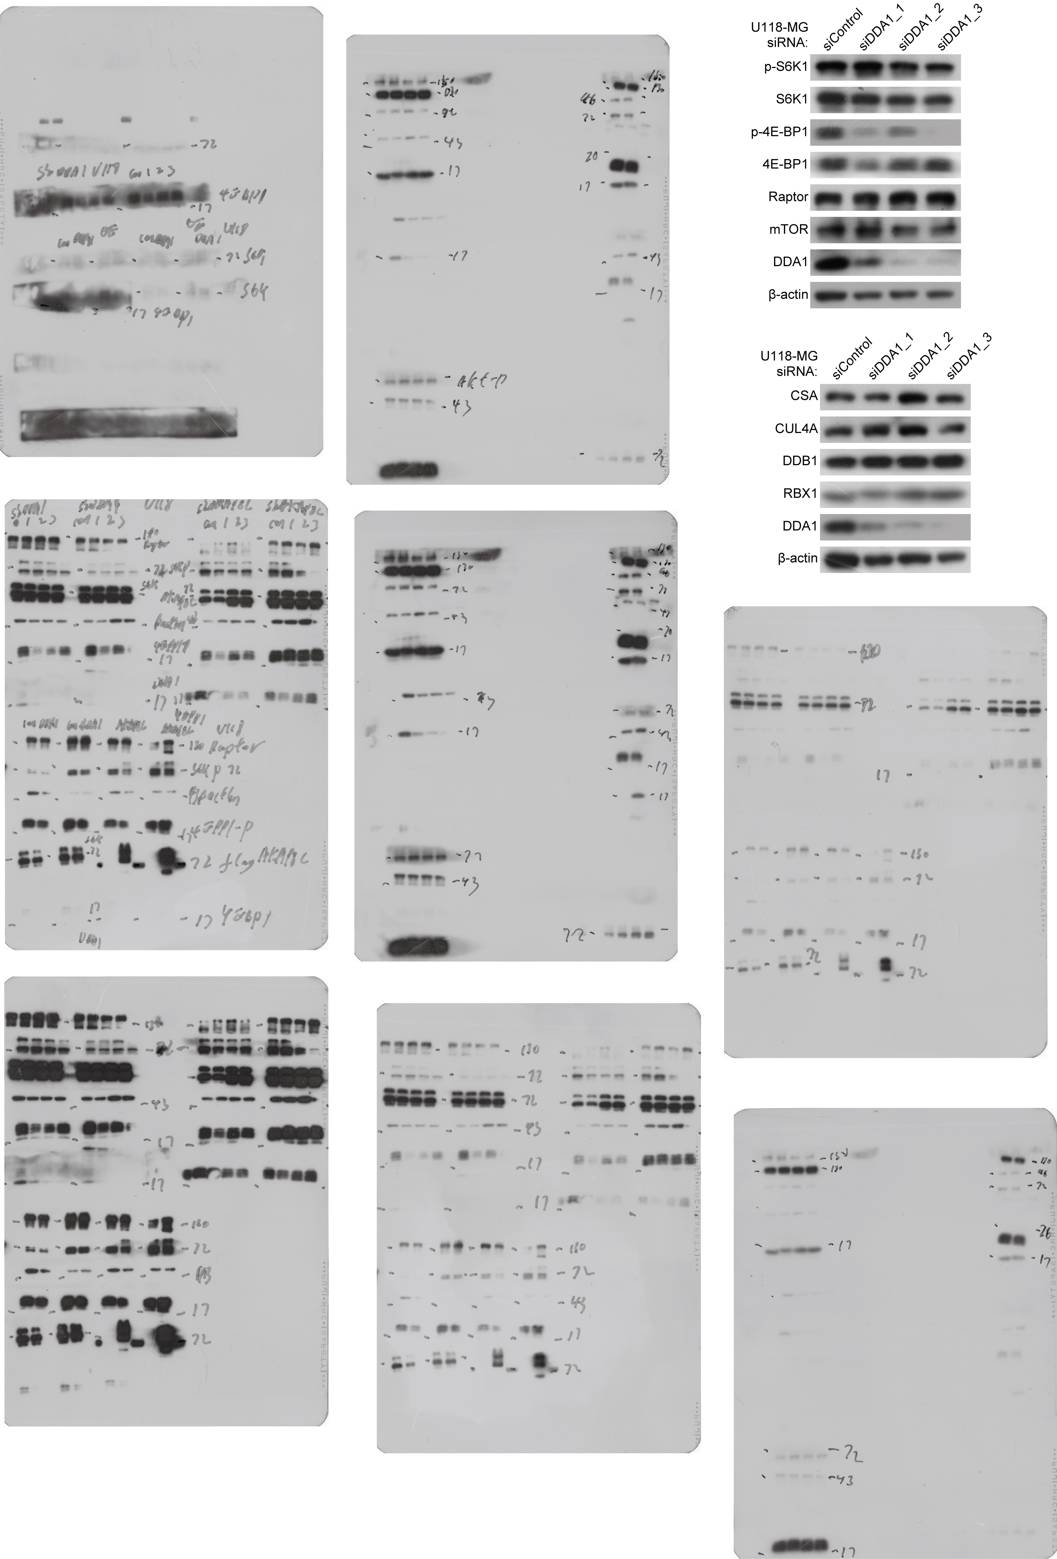

Fig. 2b
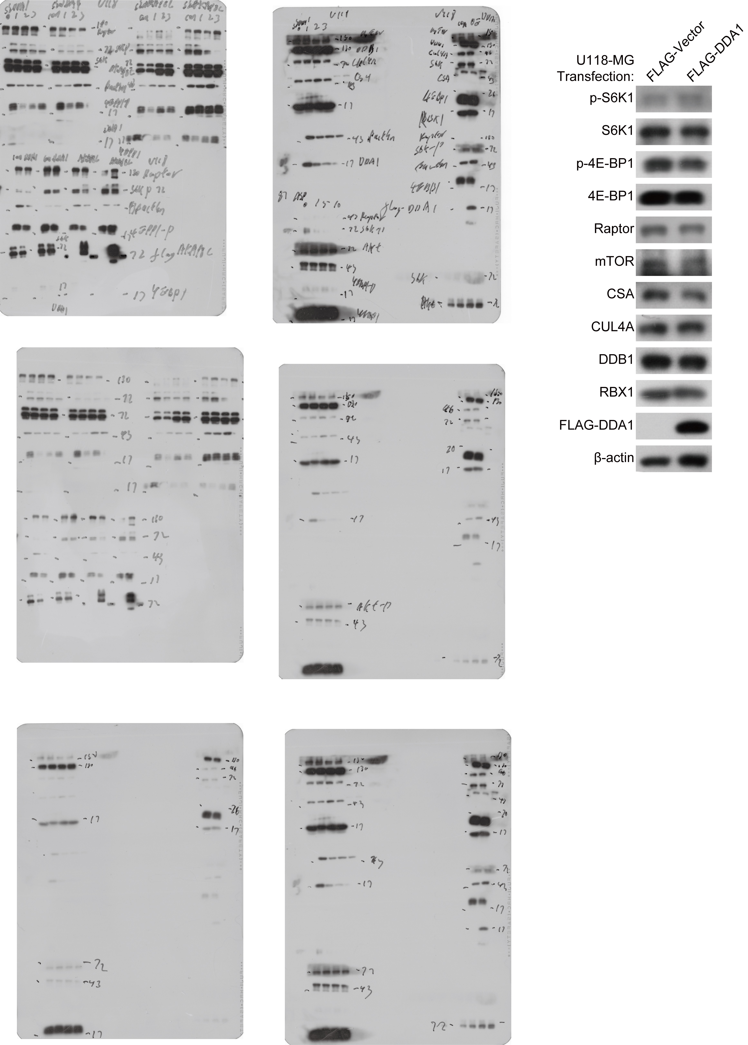

Fig. 2e
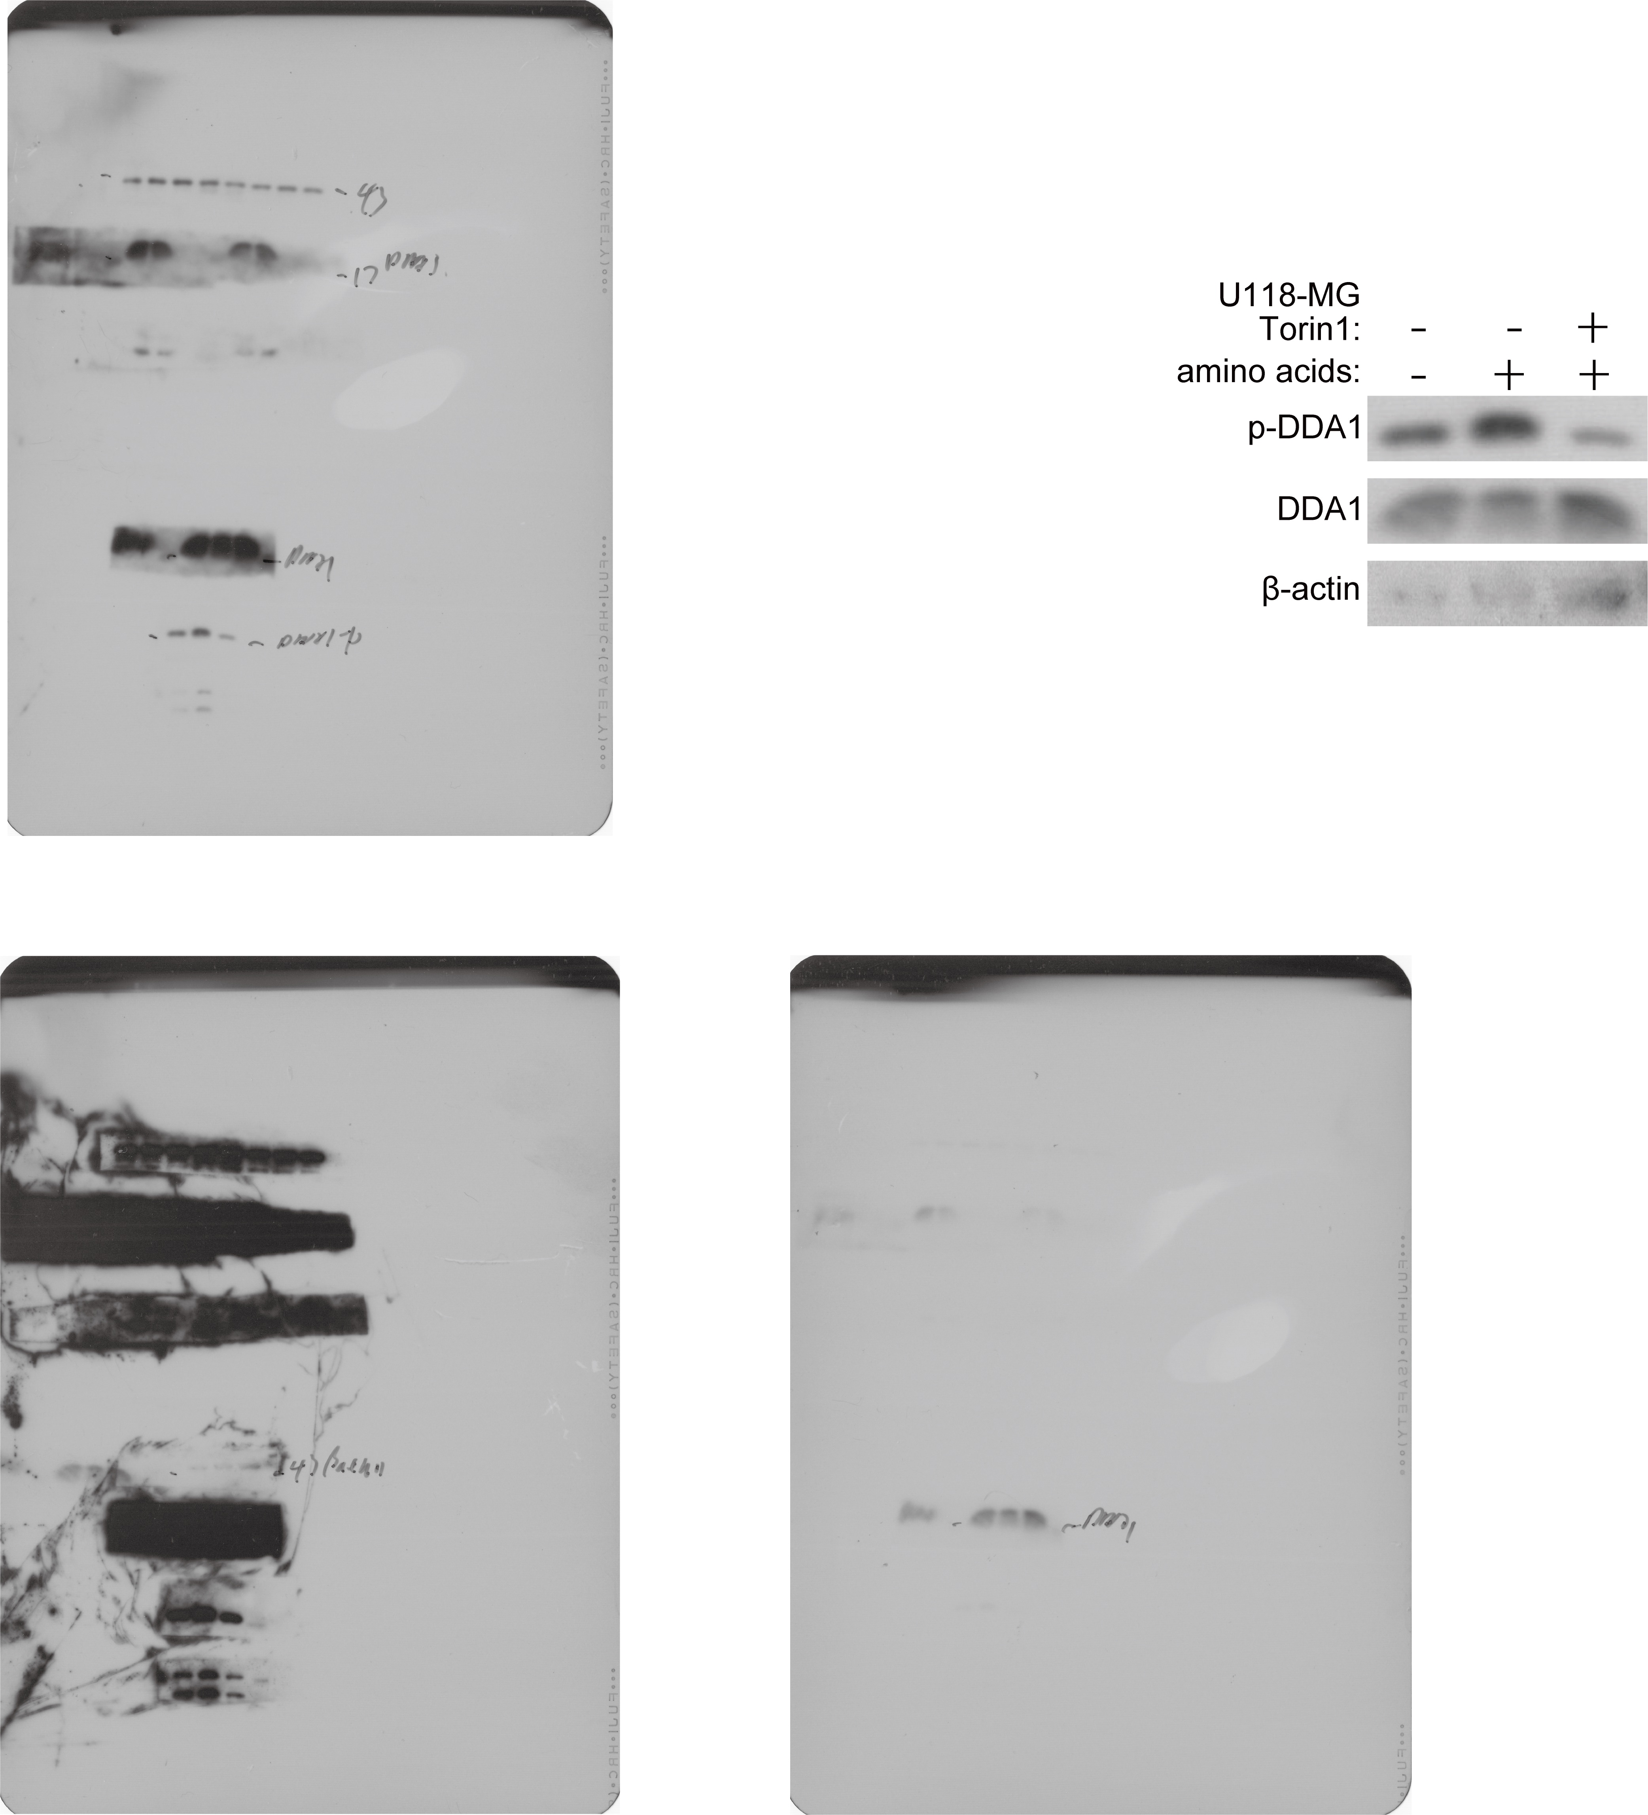

Fig. 2f
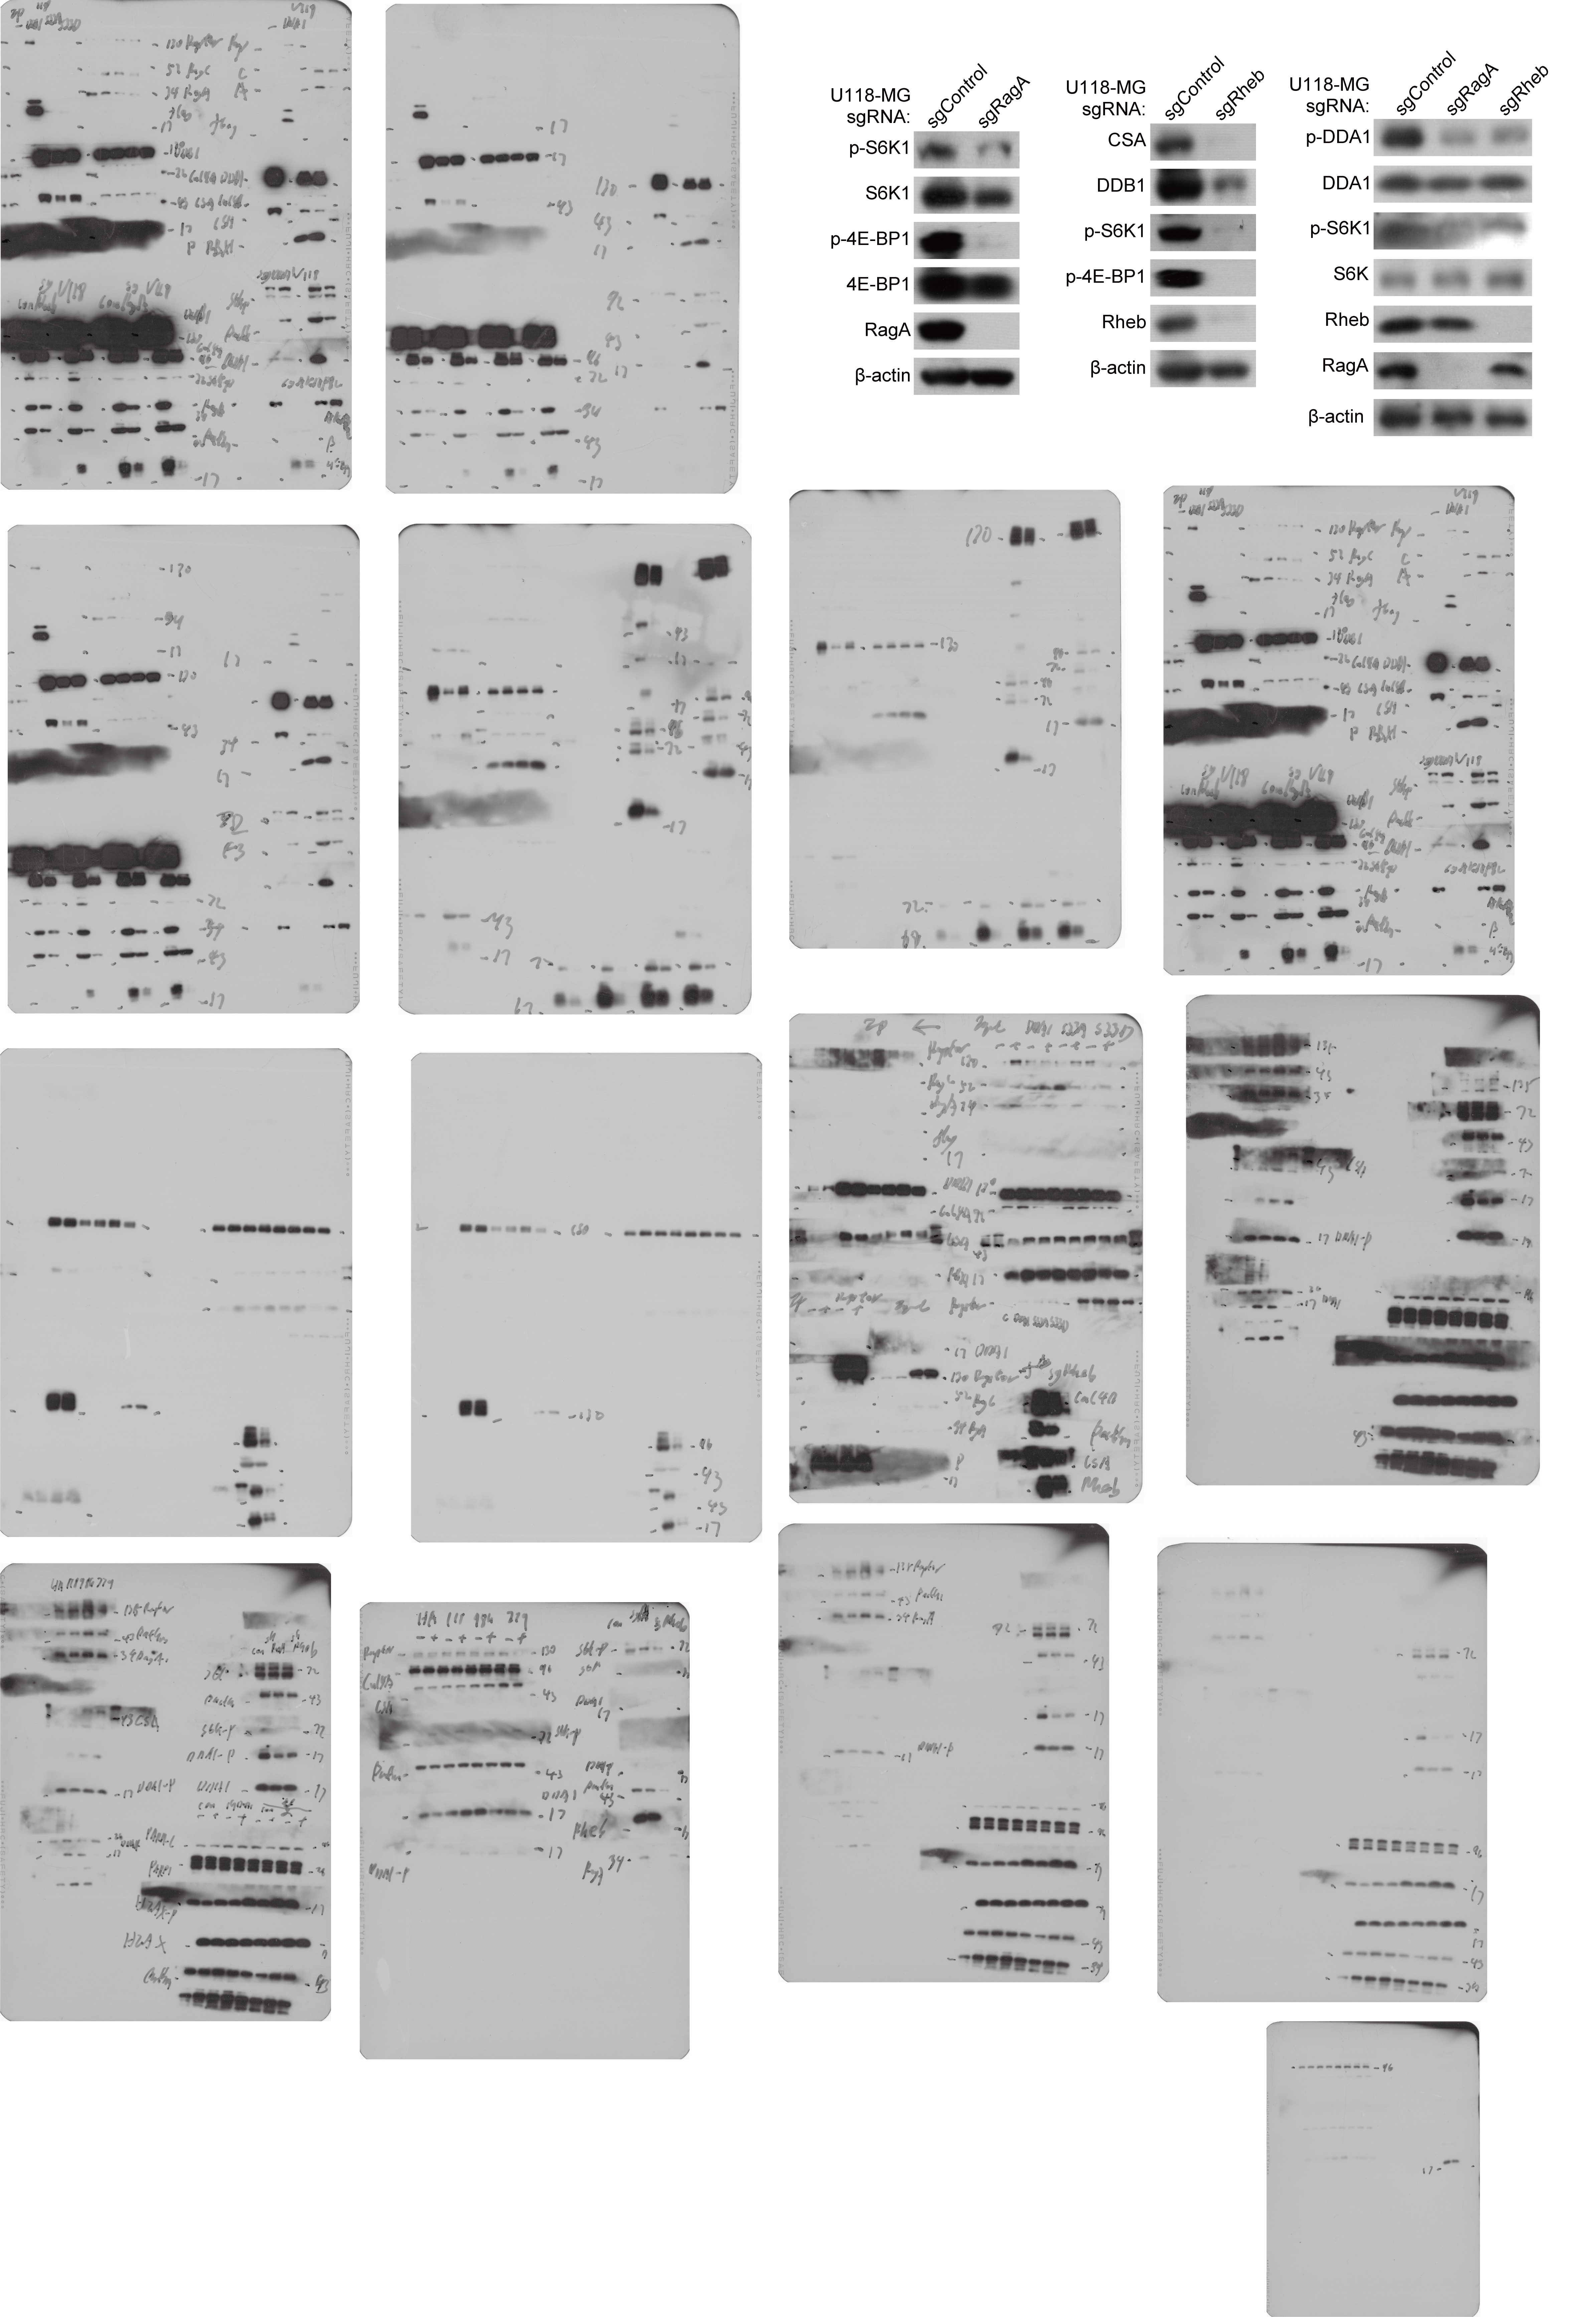

Fig. 3a
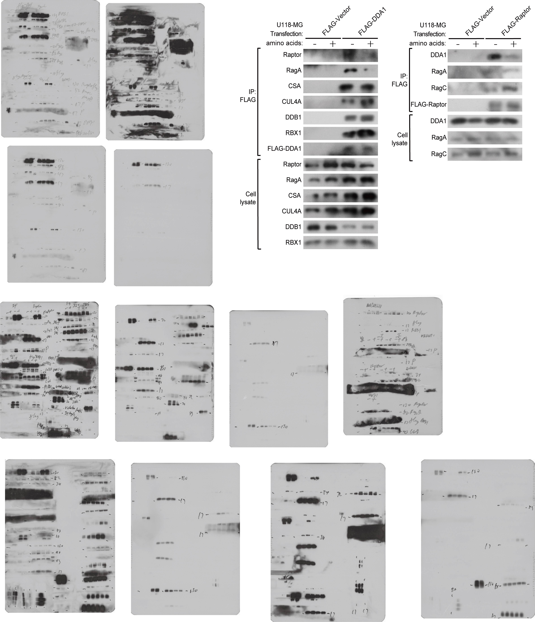

Fig. 3b
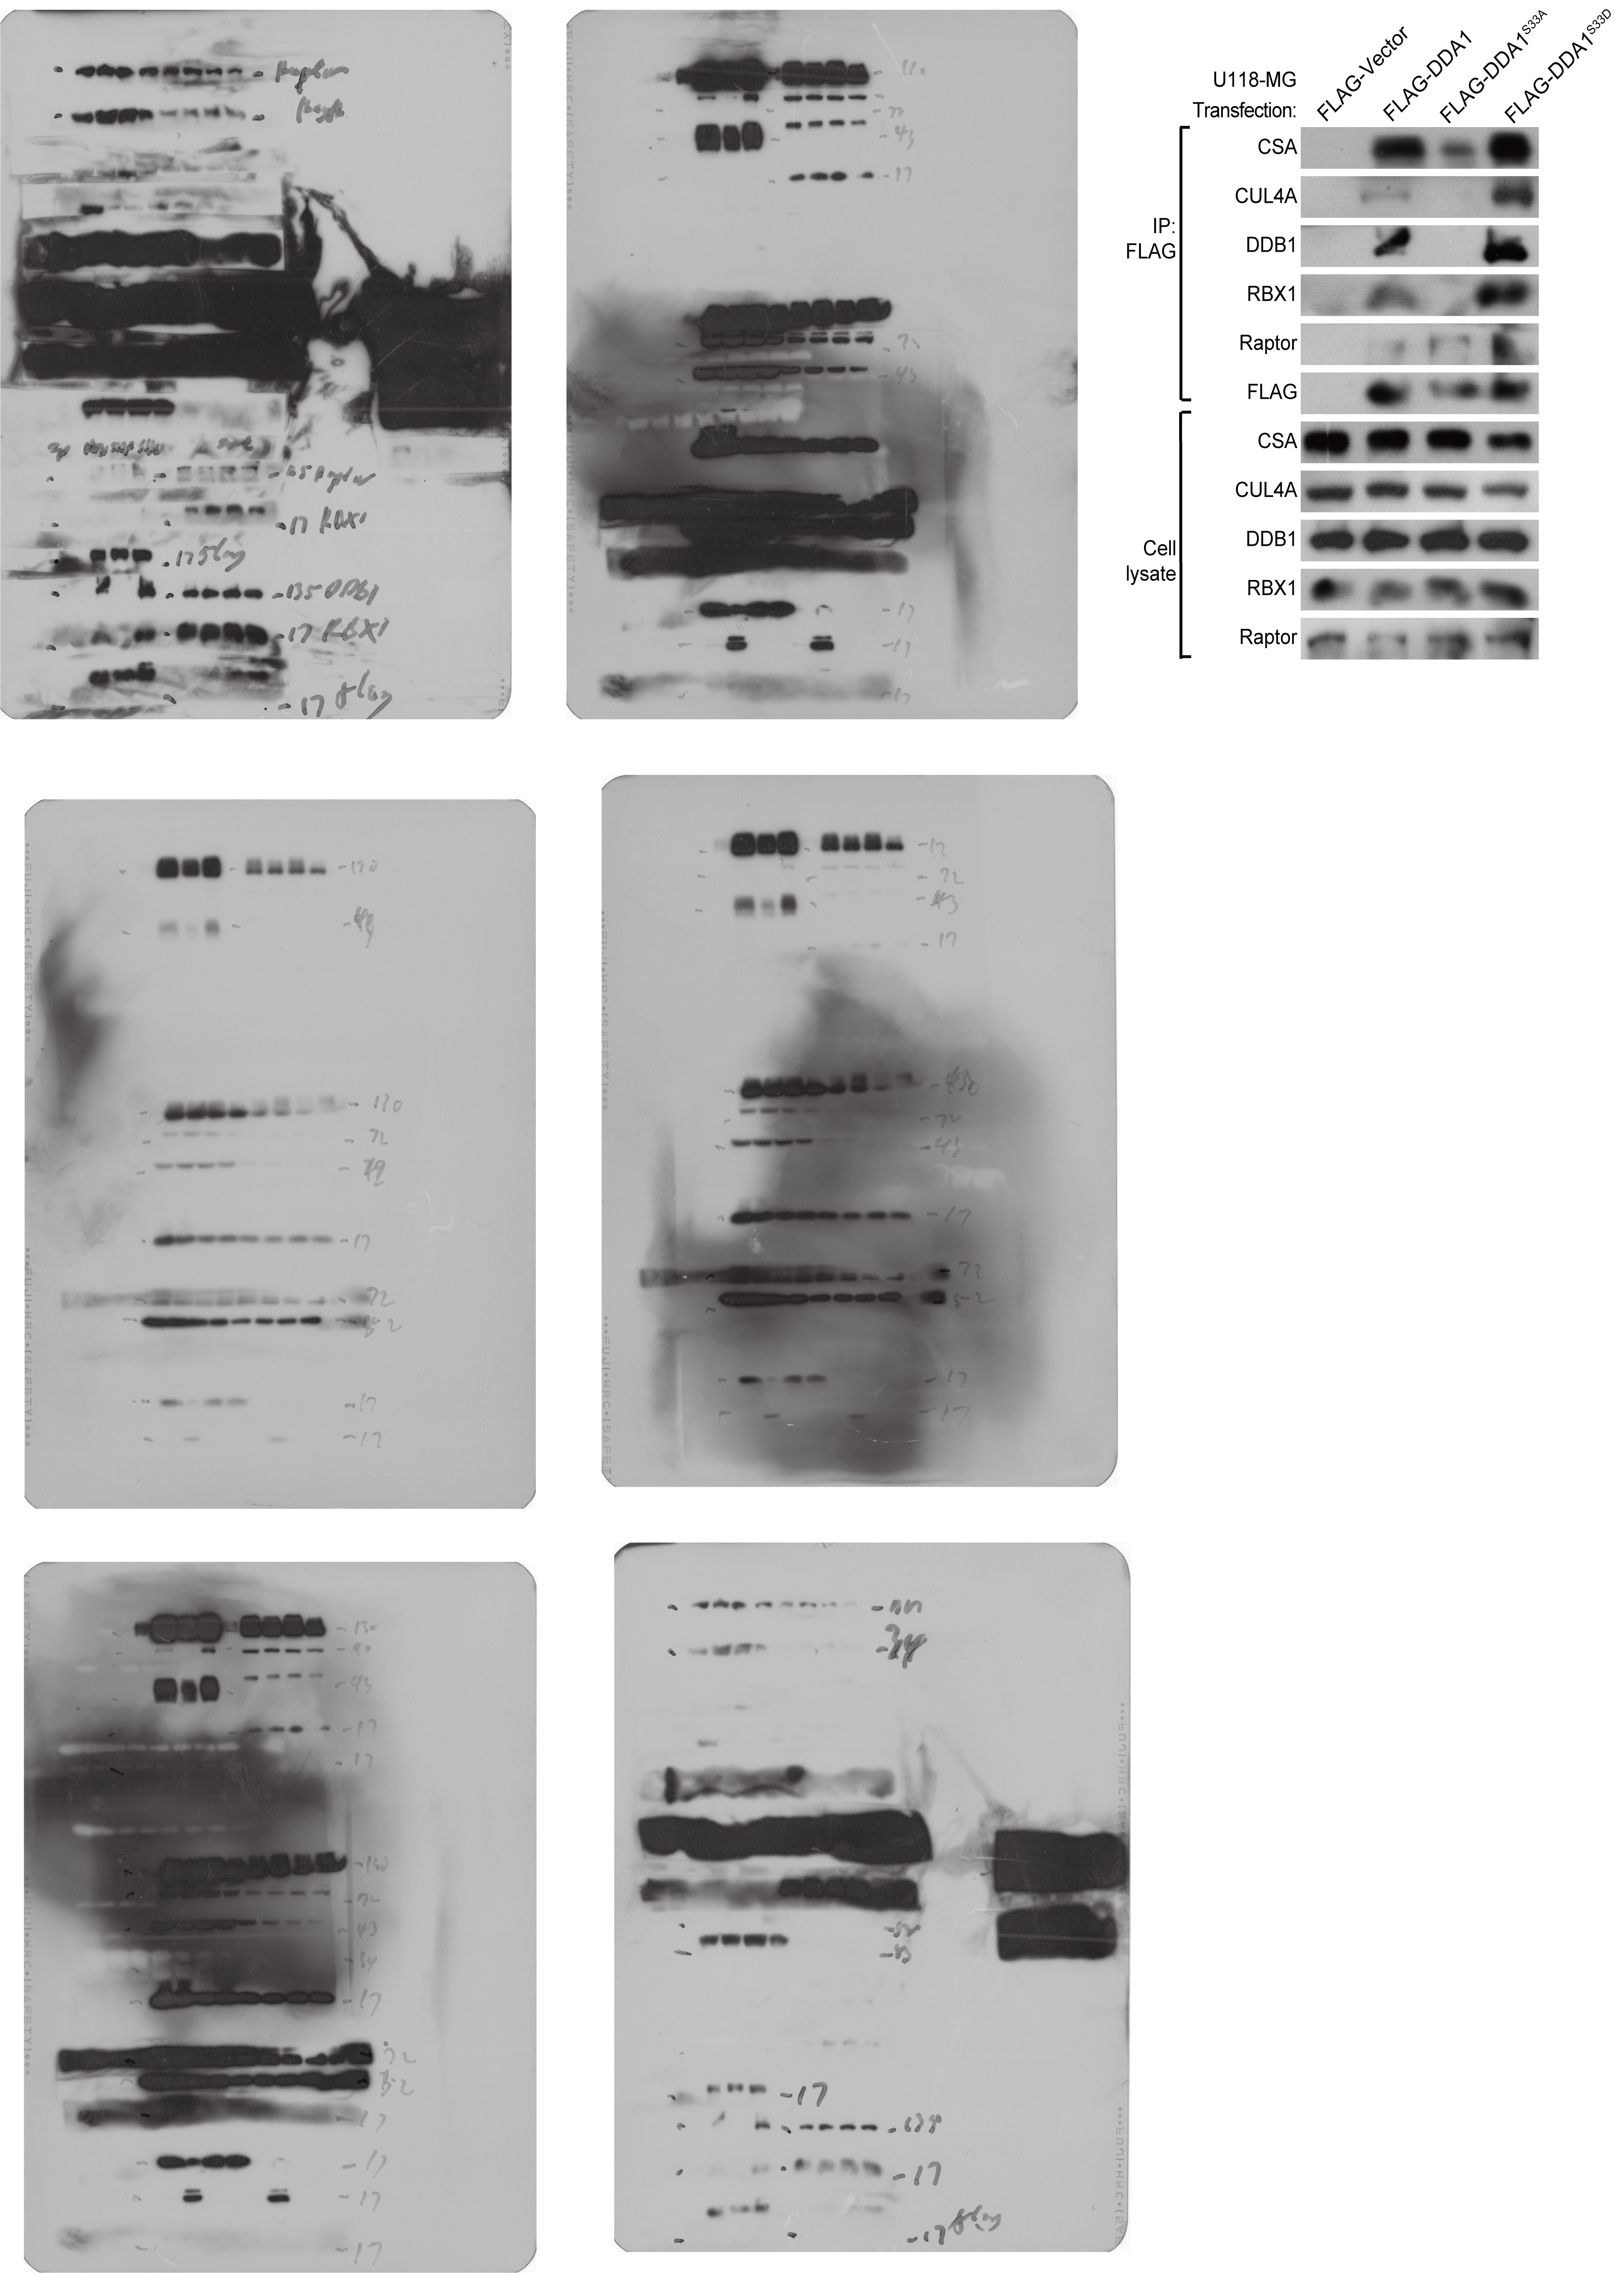

Fig. 3f
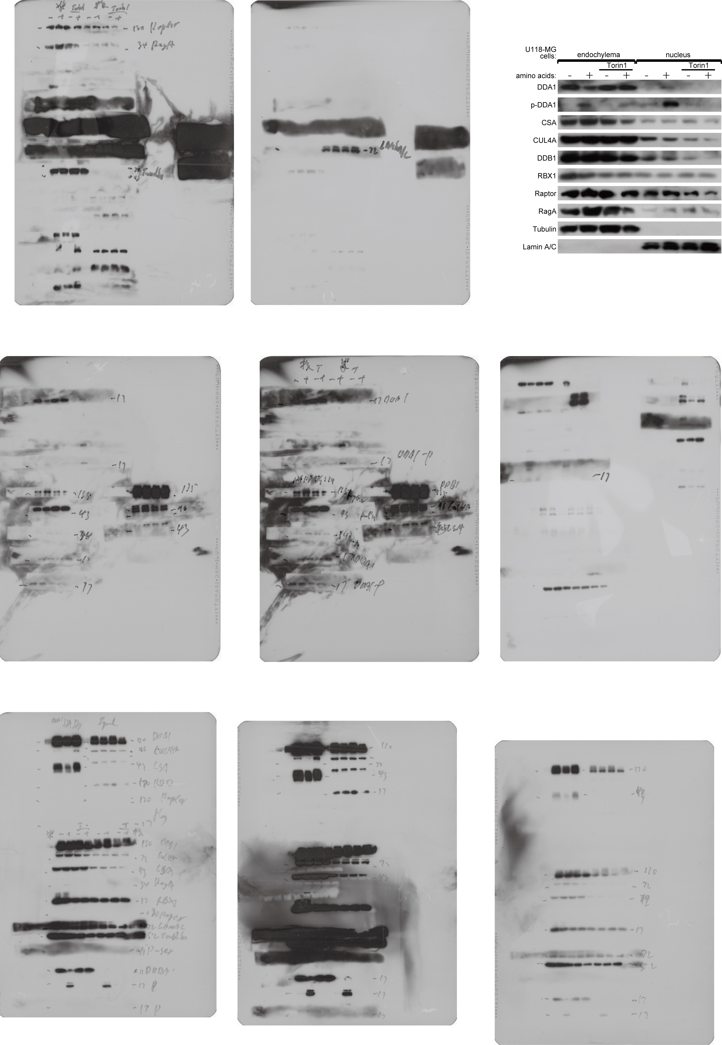

Fig. 4a
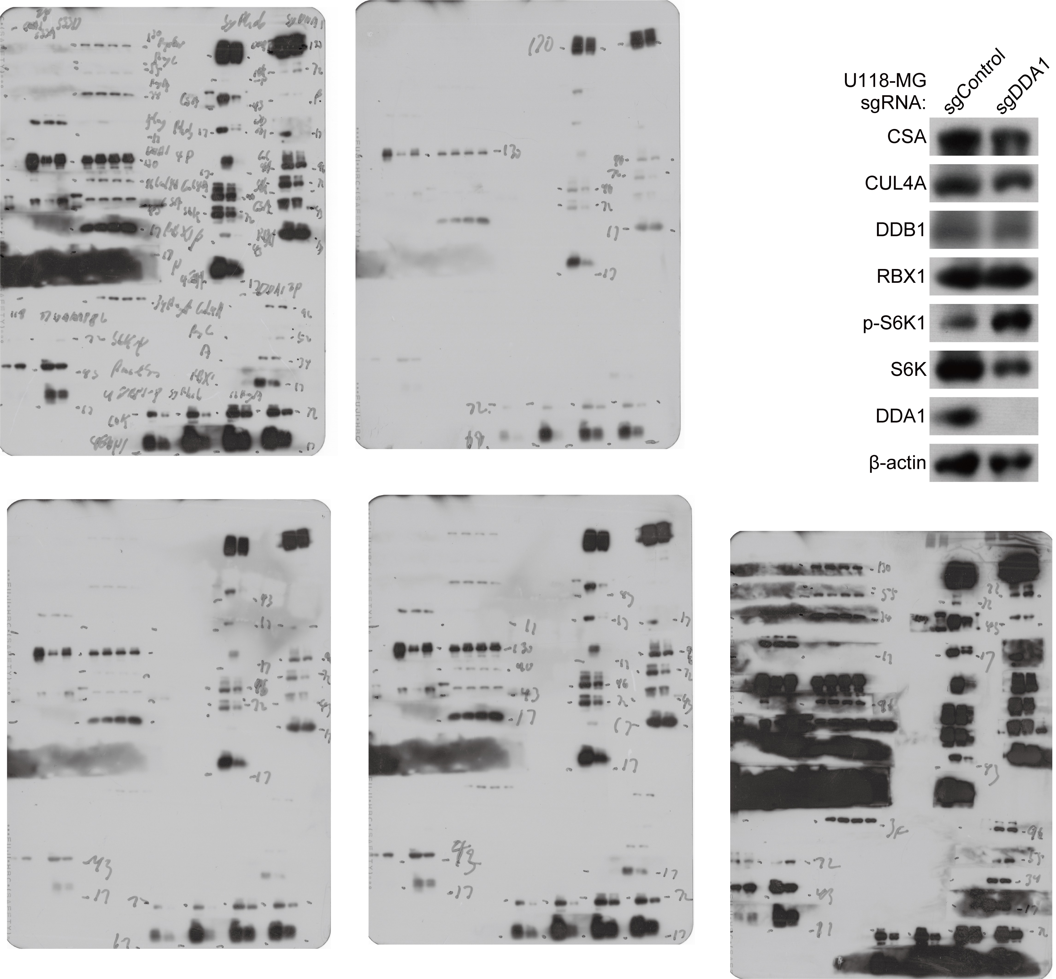

Fig. 4b
Experiment File Path: | D:\407\CX\2024-11-27.xpt
Protocol File Path:
Plate Number | Plate 3
Date | 2024-11-27
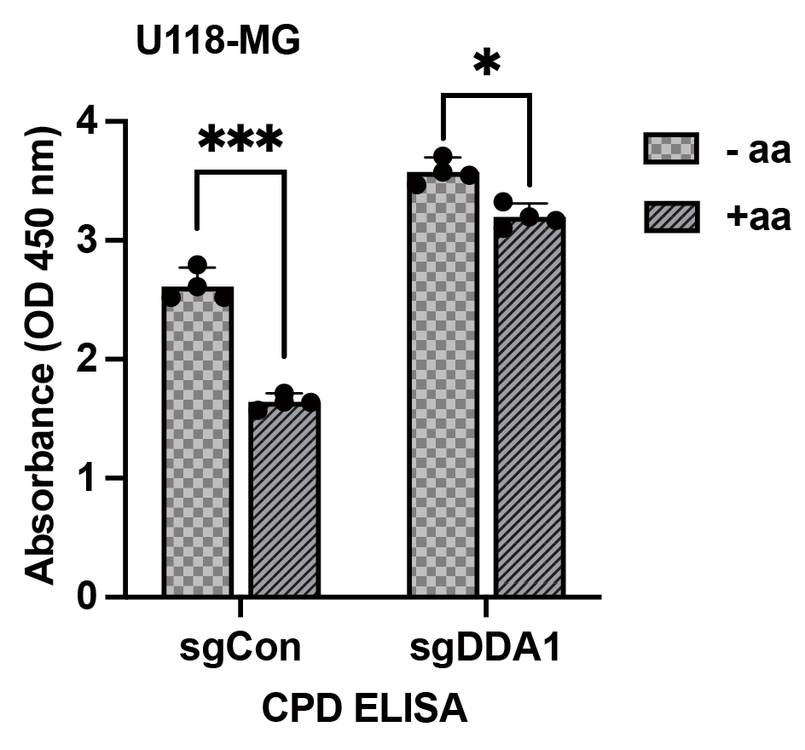
Time | 12:52:26
Reader Type: | Synergy H1
Reader Serial Number: | 271245
Reading Type | Reader

Procedure Details
Plate Type | 96 WELL PLATE
Eject plate on completion
Set Temperature | Setpoint 37°C
 | Preheat before moving to next step
Read | Absorbance Endpoint
 | Full Plate
 | Wavelengths: 450
 | Read Speed: Normal, Delay: 100 msec, Measurements/Data Point: 8

Results
Actual Temperature: | 37

 |  | 1 | 2 | 3 | 4 | 5 | 6 | 7 | 8 | 9 | 10 | 11 | 12
 | A | 3.874 | 3.089 | 2.172 | 1.352 | 0.754 | 0.41 | 0.224 | 0.162 | 0.059 | 0.043 | 0.044 | 0.04 | 450
 | B | OVRFLW | 2.953 | 1.966 | 1.352 | 0.728 | 0.378 | 0.232 | 0.073 | 0.04 | 0.04 | 0.044 | 0.046 | 450
 | C | 3.661 | 2.886 | 1.976 | 1.359 | 0.736 | 0.427 | 0.238 | 0.081 | 0.041 | 0.041 | 0.042 | 0.05 | 450
 | D | 0.043 | 0.045 | 0.041 | 0.042 | 0.042 | 0.043 | 0.042 | 0.045 | 0.041 | 0.041 | 0.04 | 0.041 | 450
 | E | 3.025 | 1.852 | 3.615 | 3.183 | 0.049 | 2.771 | 1.644 | 3.695 | 3.293 | 0.042 | 0.044 | 0.042 | 450
 | F | 3.099 | 1.867 | 3.599 | 3.477 | 0.042 | 2.527 | 1.604 | 3.333 | 3.132 | 0.042 | 0.042 | 0.054 | 450
 | G | 2.975 | 1.883 | 3.809 | 3.47 | 0.044 | 2.333 | 1.717 | 3.46 | 3.051 | 0.042 | 0.043 | 0.042 | 450
 | H | 0.046 | 0.042 | 0.041 | 0.042 | 0.046 | 0.041 | 0.041 | 0.059 | 0.041 | 0.045 | 0.042 | 0.044 | 450

Fig. 4e
Software Version | 2.07.17

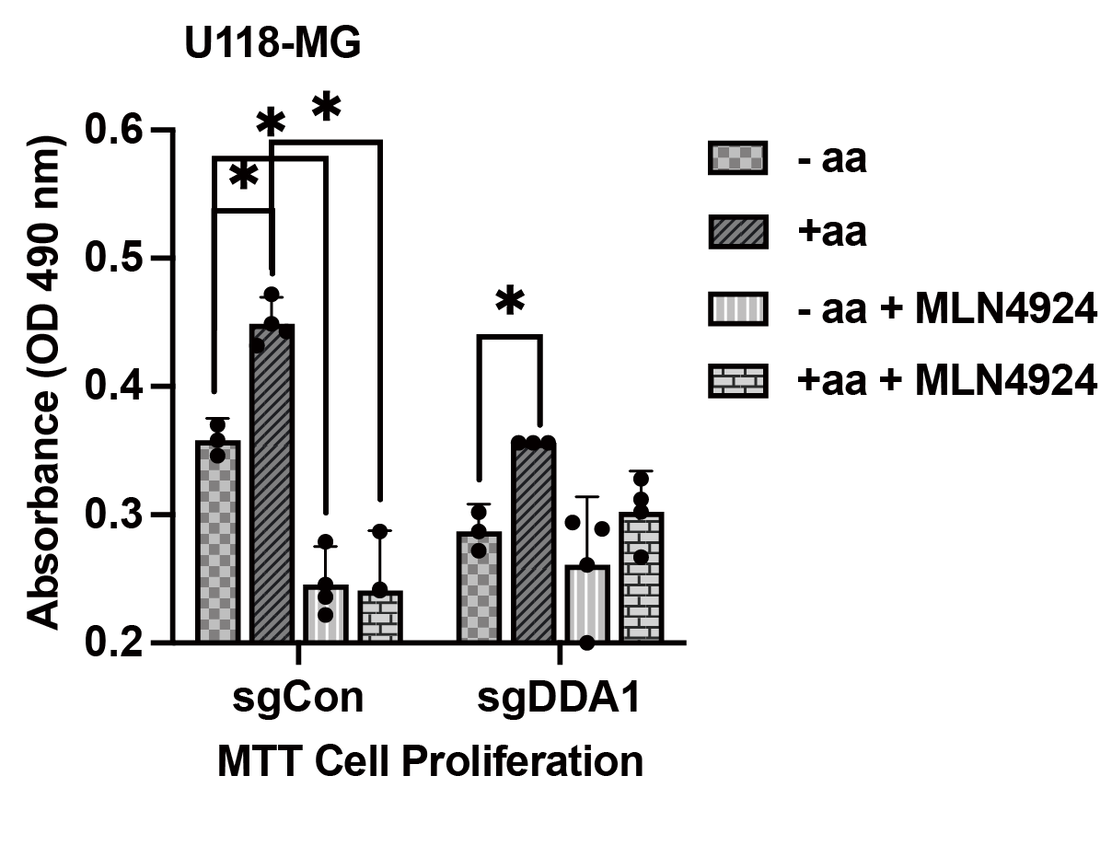
Experiment File Path: | D:\407\损失实验2024-11-19.xpt
Protocol File Path:
Plate Number | Plate 2
Date | 2024-11-19
Time | 14:16:01
Reader Type: | Synergy H1
Reader Serial Number: | 271245
Reading Type | Reader

Procedure Details
Plate Type | 96 WELL PLATE
Eject plate on completion
Read | Absorbance Endpoint
 | Full Plate
 | Wavelengths: 490
 | Read Speed: Normal, Delay: 100 msec, Measurements/Data Point: 8

Results
Actual Temperature: | 30.3

 |  | 1 | 2 | 3 | 4 | 5 | 6 | 7 | 8 | 9 | 10 | 11 | 12
 | A | 0.222 | 0.279 | 0.236 | 0.048 | 0.287 | 0.242 | 0.194 | 0.049 | 0.168 | 0.262 | 0.126 | 0.045 | 490
 | B | 0.346 | 0.37 | 0.227 | 0.043 | 0.443 | 0.472 | 0.432 | 0.048 | 0.561 | 0.509 | 0.309 | 0.048 | 490
 | C | 0.294 | 0.2 | 0.289 | 0.048 | 0.267 | 0.328 | 0.312 | 0.049 | 0.287 | 0.327 | 0.235 | 0.048 | 490
 | D | 0.302 | 0.272 | 0.112 | 0.043 | 0.356 | 0.095 | 0.356 | 0.049 | 0.561 | 0.475 | 0.2 | 0.049 | 490
 | E | 0.049 | 0.048 | 0.048 | 0.049 | 0.049 | 0.049 | 0.049 | 0.049 | 0.049 | 0.049 | 0.049 | 0.048 | 490
 | F | 0.05 | 0.049 | 0.05 | 0.049 | 0.049 | 0.048 | 0.049 | 0.049 | 0.05 | 0.049 | 0.049 | 0.049 | 490
 | G | 0.051 | 0.051 | 0.049 | 0.051 | 0.049 | 0.048 | 0.049 | 0.049 | 0.051 | 0.049 | 0.049 | 0.049 | 490
 | H | 0.048 | 0.048 | 0.06 | 0.048 | 0.048 | 0.048 | 0.048 | 0.048 | 0.049 | 0.053 | 0.05 | 0.048 | 490

Fig. 4g
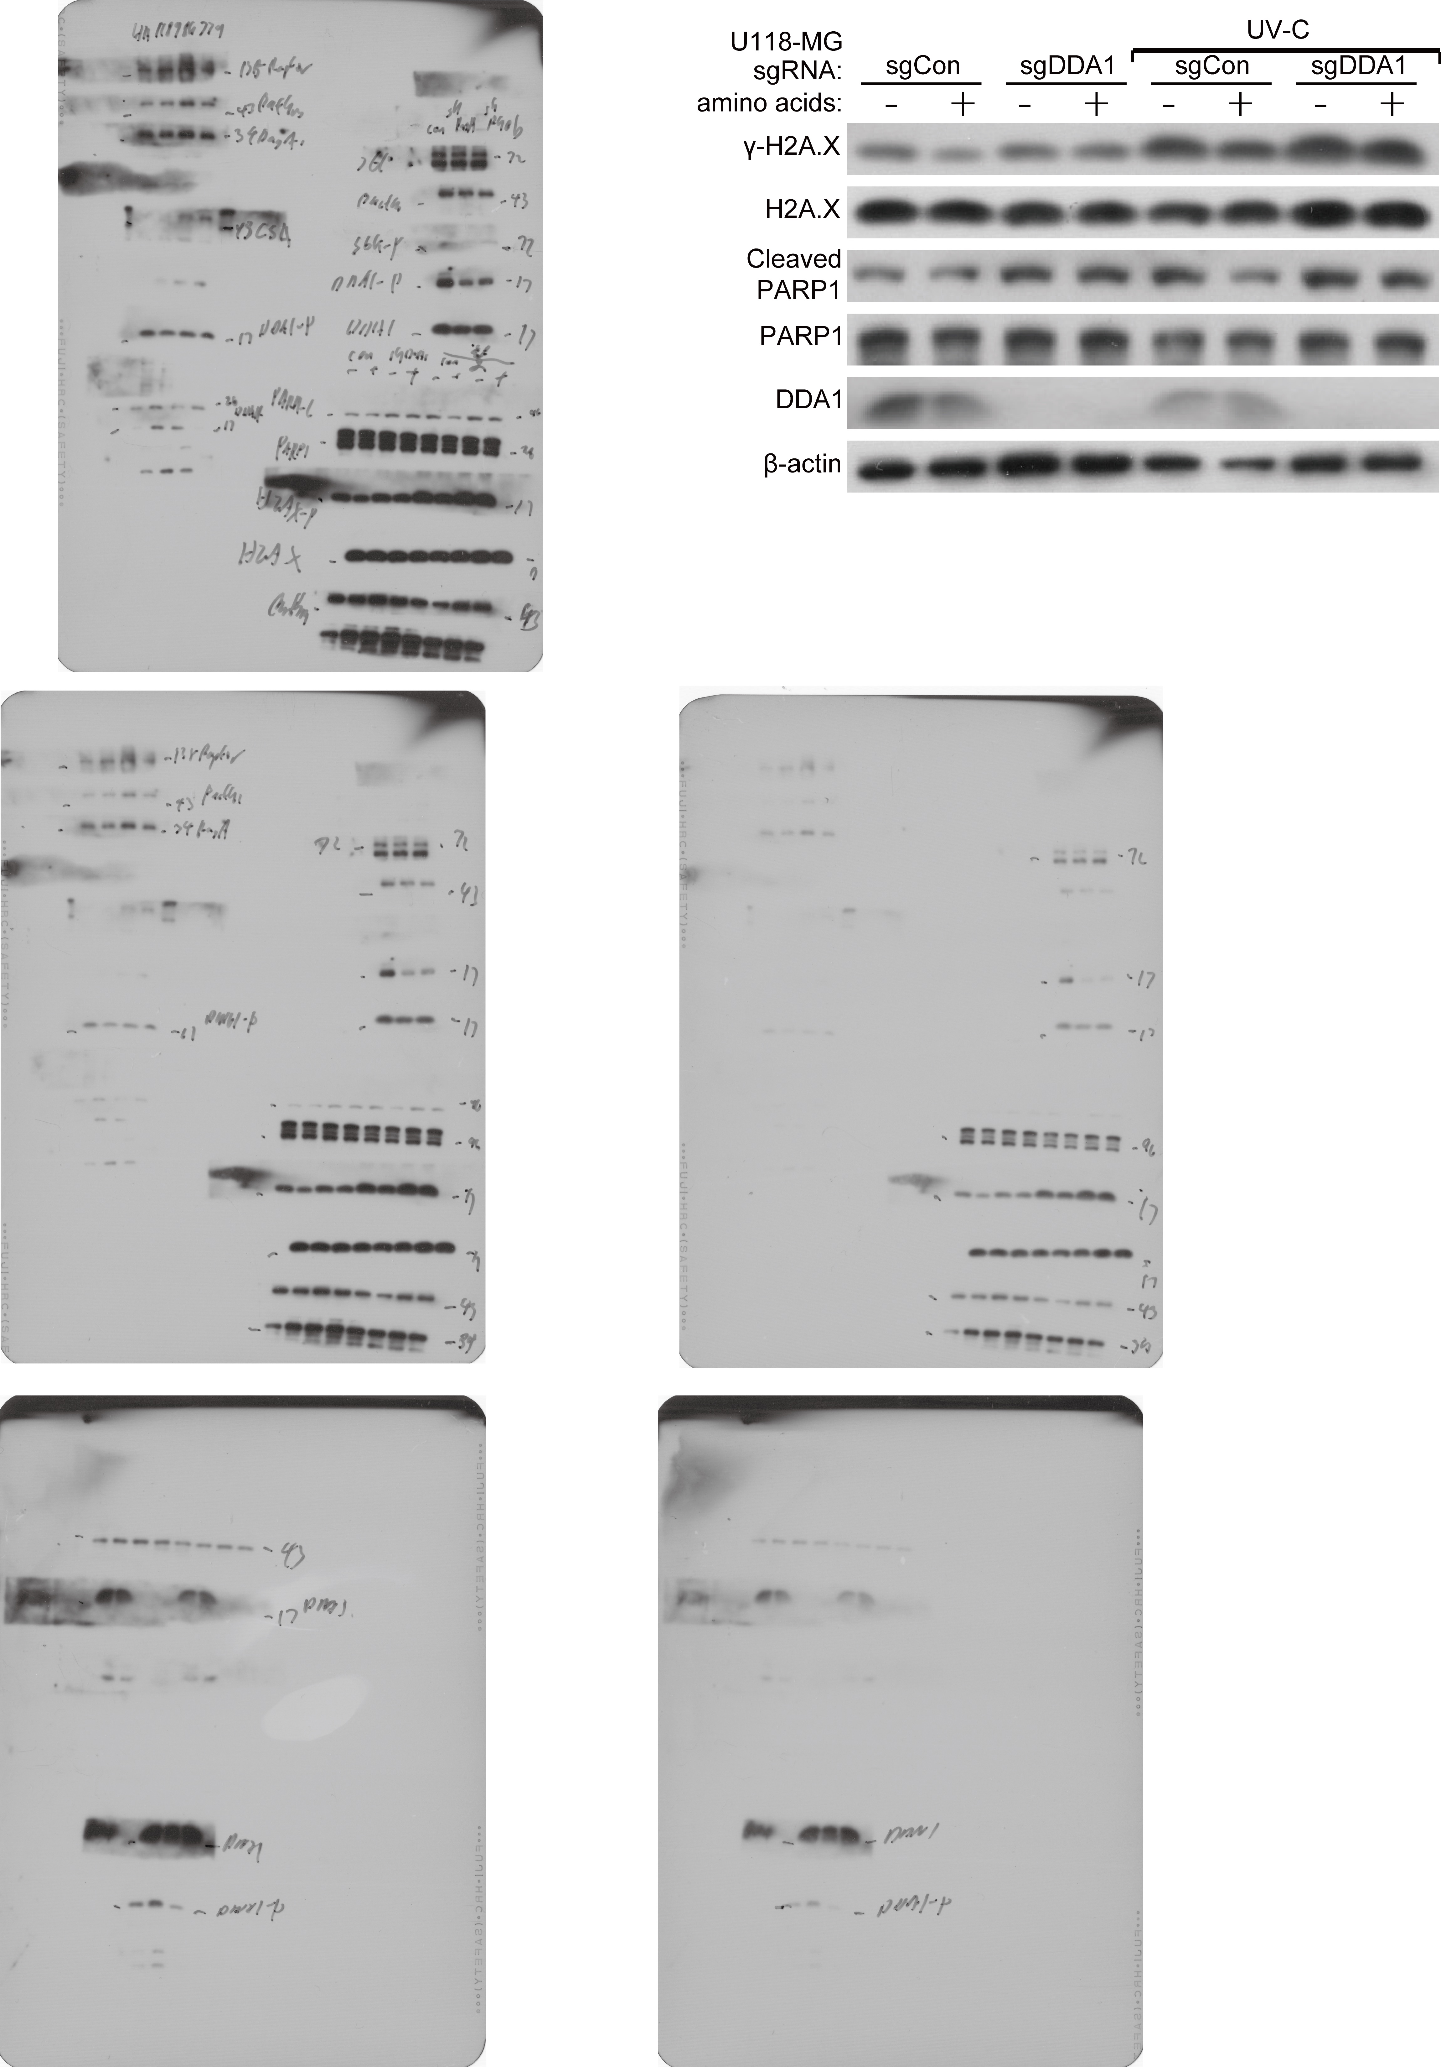

Fig. 5b and c
U118 | CA12 Ct1 | CA12 Ct2 | CA12 Ct3 | actin Ct1 | actin Ct2 | actin Ct3 | Avg目标Ct | Avg内参Ct | ΔCt | ΔΔCt | Fold Change (2^-ΔΔCt)
对照组sgCon | 26.61 | 26.5 | 26.71 | 17.68 | 17.63 | 17.49 | 26.606666667 | 17.6 | 9.0066666667 | -0.044444444444 | 1.0312859734 | Experiment: CX20250414 Selected Filter: SYBR Green I / HRM Dye (465-510) |  |  |  |  |  |  |  | Experiment: cx2025415 Selected Filter: SYBR Green I / HRM Dye (465-510)
对照组sgCon | 26.64 | 26.51 | 26.56 | 17.66 | 17.51 | 17.43 | 26.57 | 17.533333333 | 9.0366666667 | -0.014444444444 | 1.010062415 | Include | Color | Pos | Name | Cp | Concentration | Standard | Status | Include | Color | Pos | Name | Cp | Concentration | Standard | Status
对照组sgCon | 26.7 | 26.59 | 26.64 | 17.57 | 17.51 | 17.52 | 26.643333333 | 17.533333333 | 9.11 | 0.058888888889 | 0.96000319414 | TRUE | 255 | A1 | Sample 1 | 26.61 |  | 0 |  | TRUE | 255 | A1 | Sample 1 | 28.83 |  | 0
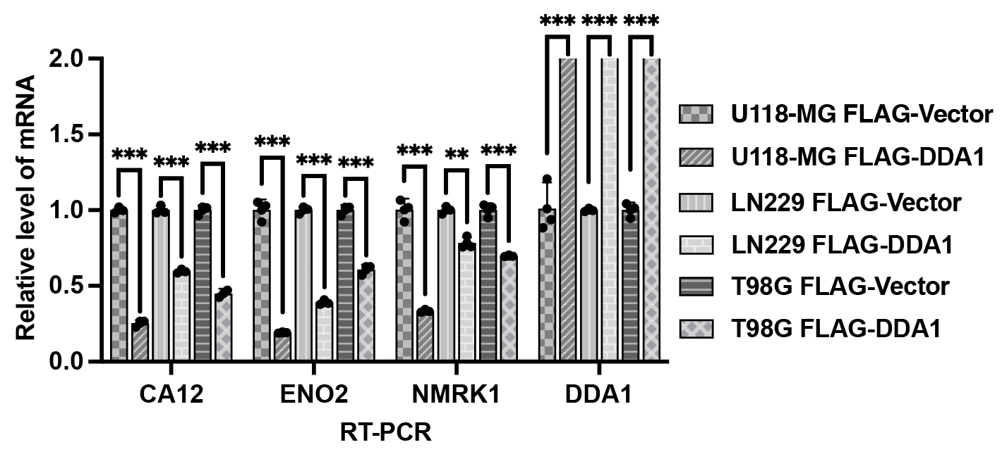
实验组sgDDA1 | 25.79 | 25.78 | 25.76 | 17.68 | 17.76 | 17.62 | 25.776666667 | 17.686666667 | 8.09 | -0.96111111111 | 1.9468086786 | TRUE | 255 | A2 | Sample 2 | 26.64 |  | 0 |  | TRUE | 255 | A2 | Sample 2 | 28.02 |  | 0
实验组sgDDA1 | 25.72 | 25.76 | 25.72 | 17.7 | 17.78 | 17.65 | 25.733333333 | 17.71 | 8.0233333333 | -1.0277777778 | 2.0388812874 | TRUE | 255 | A3 | Sample 3 | 26.7 |  | 0 |  | TRUE | 255 | A3 | Sample 3 | 28.88 |  | 0
实验组sgDDA1 | 25.85 | 25.84 | 25.69 | 17.72 | 17.71 | 17.58 | 25.793333333 | 17.67 | 8.1233333333 | -0.92777777778 | 1.902343507 | TRUE | 255 | A4 | Sample 4 | 25.79 |  | 0 |  | TRUE | 255 | A4 | Sample 4 | 27.1 |  | 0
 |  |  |  |  |  |  |  |  |  |  |  | TRUE | 255 | A5 | Sample 5 | 25.72 |  | 0 |  | TRUE | 255 | A5 | Sample 5 | 27.04 |  | 0
 |  |  |  |  |  |  |  |  |  |  |  | TRUE | 255 | A6 | Sample 6 | 25.85 |  | 0 |  | TRUE | 255 | A6 | Sample 6 | 27.11 |  | 0
 |  |  |  |  |  |  |  |  |  |  |  | TRUE | 255 | A7 | Sample 7 | 26.33 |  | 0 |  | TRUE | 255 | A7 | Sample 7 | 27.07 |  | 0
LN229 | CA12 Ct1 | CA12 Ct2 | CA12 Ct3 | actin Ct1 | actin Ct2 | actin Ct3 | Avg目标Ct | Avg内参Ct | ΔCt | ΔΔCt | Fold Change (2^-ΔΔCt) | TRUE | 255 | A8 | Sample 8 | 26.2 |  | 0 |  | TRUE | 255 | A8 | Sample 8 | 27.34 |  | 0
对照组sgCon | 26.33 | 26.45 | 26.31 | 17.71 | 17.74 | 17.8 | 26.363333333 | 17.75 | 8.6133333333 | 0.0033333333333 | 0.99769217653 | TRUE | 255 | A9 | Sample 9 | 26.48 |  | 0 |  | TRUE | 255 | A9 | Sample 9 | 27.11 |  | 0
对照组sgCon | 26.2 | 26.36 | 26.33 | 17.73 | 17.8 | 17.78 | 26.296666667 | 17.77 | 8.5266666667 | -0.083333333333 | 1.0594630944 | TRUE | 255 | A10 | Sample 10 | 25.8 |  | 0 |  | TRUE | 255 | A10 | Sample 10 | 27.26 |  | 0
对照组sgCon | 26.48 | 26.28 | 26.43 | 17.68 | 17.71 | 17.73 | 26.396666667 | 17.706666667 | 8.69 | 0.08 | 0.94605764673 | TRUE | 255 | A11 | Sample 11 | 26.04 |  | 0 |  | TRUE | 255 | A11 | Sample 11 | 27.15 |  | 0
实验组sgDDA1 | 25.8 | 25.88 | 26.13 | 18.22 | 18.54 | 18.5 | 25.936666667 | 18.42 | 7.5166666667 | -1.0933333333 | 2.1336644859 | TRUE | 255 | A12 | Sample 12 | 25.89 |  | 0 |  | TRUE | 255 | A12 | Sample 12 | 27.13 |  | 0
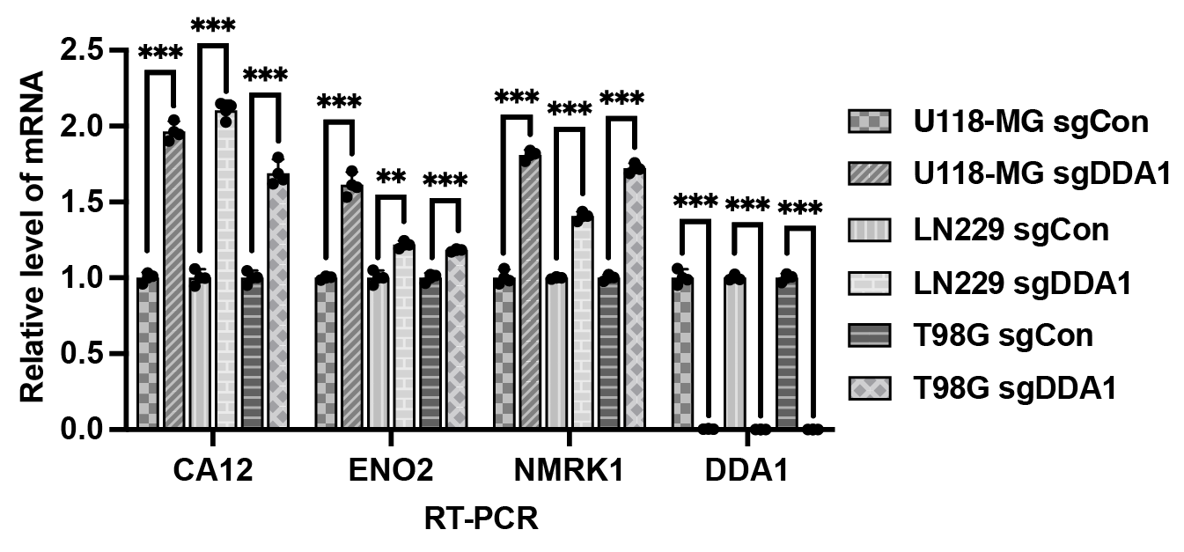
实验组sgDDA1 | 26.04 | 26.06 | 25.88 | 18.17 | 18.49 | 18.55 | 25.993333333 | 18.403333333 | 7.59 | -1.02 | 2.0279189596 | TRUE | 255 | A13 | Sample 13 | 26.35 |  | 0 |  | TRUE | 255 | A13 | Sample 13 | 26.97 |  | 0
实验组sgDDA1 | 25.89 | 26.05 | 25.98 | 18.43 | 18.51 | 18.46 | 25.973333333 | 18.466666667 | 7.5066666667 | -1.1033333333 | 2.148505296 | TRUE | 255 | A14 | Sample 14 | 26.43 |  | 0 |  | TRUE | 255 | A14 | Sample 14 | 27.13 |  | 0
 |  |  |  |  |  |  |  |  |  |  |  | TRUE | 255 | A15 | Sample 15 | 26.34 |  | 0 |  | TRUE | 255 | A15 | Sample 15 | 27.16 |  | 0
 |  |  |  |  |  |  |  |  |  |  |  | TRUE | 255 | A16 | Sample 16 | 25.85 |  | 0 |  | TRUE | 255 | A16 | Sample 16 | 28.18 |  | 0
 |  |  |  |  |  |  |  |  |  |  |  | TRUE | 255 | A17 | Sample 17 | 26.03 |  | 0 |  | TRUE | 255 | A17 | Sample 17 | 27.87 |  | 0
T98G | CA12 Ct1 | CA12 Ct2 | CA12 Ct3 | actin Ct1 | actin Ct2 | actin Ct3 | Avg目标Ct | Avg内参Ct | ΔCt | ΔΔCt | Fold Change (2^-ΔΔCt) | TRUE | 255 | A18 | Sample 18 | 26.06 |  | 0 |  | TRUE | 255 | A18 | Sample 18 | 24.73 |  | 0
对照组sgCon | 26.35 | 26.29 | 26.47 | 17.71 | 17.58 | 17.6 | 26.37 | 17.63 | 8.74 | -0.066666666667 | 1.0472941228 | TRUE | 255 | A19 | Sample 19 | 17.71 |  | 0 |  | TRUE | 255 | A19 | Sample 19 | 19.51 |  | 0
对照组sgCon | 26.43 | 26.48 | 26.49 | 17.63 | 17.78 | 17.58 | 26.466666667 | 17.663333333 | 8.8033333333 | -0.0033333333333 | 1.0023131618 | TRUE | 255 | A20 | Sample 20 | 17.63 |  | 0 |  | TRUE | 255 | A20 | Sample 20 | 19.68 |  | 0
对照组sgCon | 26.34 | 26.5 | 26.32 | 17.77 | 17.57 | 17.19 | 26.386666667 | 17.51 | 8.8766666667 | 0.07 | 0.95263799804 | TRUE | 255 | A21 | Sample 21 | 17.77 |  | 0 |  | TRUE | 255 | A21 | Sample 21 | 19.74 |  | 0
实验组sgDDA1 | 25.85 | 25.83 | 25.94 | 17.91 | 17.94 | 17.88 | 25.873333333 | 17.91 | 7.9633333333 | -0.84333333333 | 1.7941908175 | TRUE | 255 | A22 | Sample 22 | 17.68 |  | 0 |  | TRUE | 255 | A22 | Sample 22 | 17.89 |  | 0
实验组sgDDA1 | 26.03 | 26.01 | 25.99 | 17.92 | 17.95 | 17.9 | 26.01 | 17.923333333 | 8.0866666667 | -0.72 | 1.6471820345 | TRUE | 255 | A23 | Sample 23 | 17.66 |  | 0 |  | TRUE | 255 | A23 | Sample 23 | 18.1 |  | 0
实验组sgDDA1 | 26.06 | 26 | 25.9 | 17.86 | 17.86 | 17.91 | 25.986666667 | 17.876666667 | 8.11 | -0.69666666667 | 1.6207557224 | TRUE | 255 | A24 | Sample 24 | 17.57 |  | 0 |  | TRUE | 255 | A24 | Sample 24 | 18.04 |  | 0
 |  |  |  |  |  |  |  |  |  |  |  | TRUE | 255 | B1 | Sample 25 | 26.5 |  | 0 |  | TRUE | 255 | B1 | Sample 25 | 28.53 |  | 0
 |  |  |  |  |  |  |  |  |  |  |  | TRUE | 255 | B2 | Sample 26 | 26.51 |  | 0 |  | TRUE | 255 | B2 | Sample 26 | 28.9 |  | 0
U118 | LRP1 Ct1 | LRP1 Ct2 | LRP1 Ct3 | actin Ct1 | actin Ct2 | actin Ct3 | Avg目标Ct | Avg内参Ct | ΔCt | ΔΔCt | Fold Change (2^-ΔΔCt) | TRUE | 255 | B3 | Sample 27 | 26.59 |  | 0 |  | TRUE | 255 | B3 | Sample 27 | 28.07 |  | 0
对照组sgCon | 25.07 | 25.12 | 25.09 | 17.68 | 17.63 | 17.49 | 25.093333333 | 17.6 | 7.4933333333 | -0.048888888889 | 1.0344679075 | TRUE | 255 | B4 | Sample 28 | 25.78 |  | 0 |  | TRUE | 255 | B4 | Sample 28 | 26.85 |  | 0
对照组sgCon | 25.05 | 25.1 | 25.1 | 17.66 | 17.51 | 17.43 | 25.083333333 | 17.533333333 | 7.55 | 0.0077777777778 | 0.9946233614 | TRUE | 255 | B5 | Sample 29 | 25.76 |  | 0 |  | TRUE | 255 | B5 | Sample 29 | 27.07 |  | 0
对照组sgCon | 25.12 | 25.16 | 25.07 | 17.57 | 17.51 | 17.52 | 25.116666667 | 17.533333333 | 7.5833333333 | 0.041111111111 | 0.97190613243 | TRUE | 255 | B6 | Sample 30 | 25.84 |  | 0 |  | TRUE | 255 | B6 | Sample 30 | 27.25 |  | 0
实验组sgDDA1 | 24.15 | 24.14 | 24.2 | 17.68 | 17.76 | 17.62 | 24.163333333 | 17.686666667 | 6.4766666667 | -1.0655555556 | 2.0929756912 | TRUE | 255 | B7 | Sample 31 | 26.45 |  | 0 |  | TRUE | 255 | B7 | Sample 31 | 26.69 |  | 0
实验组sgDDA1 | 24.34 | 24.09 | 24.28 | 17.7 | 17.78 | 17.65 | 24.236666667 | 17.71 | 6.5266666667 | -1.0155555556 | 2.0216812557 | TRUE | 255 | B8 | Sample 32 | 26.36 |  | 0 |  | TRUE | 255 | B8 | Sample 32 | 26.26 |  | 0
实验组sgDDA1 | 24.16 | 24.09 | 24.43 | 17.72 | 17.71 | 17.58 | 24.226666667 | 17.67 | 6.5566666667 | -0.98555555556 | 1.9800756571 | TRUE | 255 | B9 | Sample 33 | 26.28 |  | 0 |  | TRUE | 255 | B9 | Sample 33 | 26.17 |  | 0
 |  |  |  |  |  |  |  |  |  |  |  | TRUE | 255 | B10 | Sample 34 | 25.88 |  | 0 |  | TRUE | 255 | B10 | Sample 34 | 27.16 |  | 0
 |  |  |  |  |  |  |  |  |  |  |  | TRUE | 255 | B11 | Sample 35 | 26.06 |  | 0 |  | TRUE | 255 | B11 | Sample 35 | 27.11 |  | 0
 |  |  |  |  |  |  |  |  |  |  |  | TRUE | 255 | B12 | Sample 36 | 26.05 |  | 0 |  | TRUE | 255 | B12 | Sample 36 | 27.1 |  | 0
LN229 | LRP1 Ct1 | LRP1 Ct2 | LRP1 Ct3 | actin Ct1 | actin Ct2 | actin Ct3 | Avg目标Ct | Avg内参Ct | ΔCt | ΔΔCt | Fold Change (2^-ΔΔCt) | TRUE | 255 | B13 | Sample 37 | 26.29 |  | 0 |  | TRUE | 255 | B13 | Sample 37 | 26.87 |  | 0
对照组sgCon | 24.59 | 24.62 | 24.59 | 17.68 | 17.63 | 17.49 | 24.6 | 17.6 | 7 | -0.087777777778 | 1.0627319663 | TRUE | 255 | B14 | Sample 38 | 26.48 |  | 0 |  | TRUE | 255 | B14 | Sample 38 | 27.08 |  | 0
对照组sgCon | 24.64 | 24.78 | 24.61 | 17.66 | 17.51 | 17.43 | 24.676666667 | 17.533333333 | 7.1433333333 | 0.055555555556 | 0.96222383689 | TRUE | 255 | B15 | Sample 39 | 26.5 |  | 0 |  | TRUE | 255 | B15 | Sample 39 | 27.17 |  | 0
对照组sgCon | 24.65 | 24.63 | 24.68 | 17.57 | 17.51 | 17.52 | 24.653333333 | 17.533333333 | 7.12 | 0.032222222222 | 0.97791283129 | TRUE | 255 | B16 | Sample 40 | 25.83 |  | 0 |  | TRUE | 255 | B16 | Sample 40 | 27.03 |  | 0
实验组sgDDA1 | 24.84 | 24.72 | 24.85 | 17.68 | 17.76 | 17.62 | 24.803333333 | 17.686666667 | 7.1166666667 | 0.028888888889 | 0.98017490193 | TRUE | 255 | B17 | Sample 41 | 26.01 |  | 0 |  | TRUE | 255 | B17 | Sample 41 | 27.67 |  | 0
实验组sgDDA1 | 24.73 | 24.72 | 24.78 | 17.7 | 17.78 | 17.65 | 24.743333333 | 17.71 | 7.0333333333 | -0.054444444444 | 1.0384591346 | TRUE | 255 | B18 | Sample 42 | 26 |  | 0 |  | TRUE | 255 | B18 | Sample 42 | 26.51 |  | 0
实验组sgDDA1 | 24.73 | 24.73 | 24.64 | 17.72 | 17.71 | 17.58 | 24.7 | 17.67 | 7.03 | -0.057777777778 | 1.0408612587 | TRUE | 255 | B19 | Sample 43 | 17.58 |  | 0 |  | TRUE | 255 | B19 | Sample 43 | 19.64 |  | 0
 |  |  |  |  |  |  |  |  |  |  |  | TRUE | 255 | B20 | Sample 44 | 17.78 |  | 0 |  | TRUE | 255 | B20 | Sample 44 | 19.62 |  | 0
 |  |  |  |  |  |  |  |  |  |  |  | TRUE | 255 | B21 | Sample 45 | 17.57 |  | 0 |  | TRUE | 255 | B21 | Sample 45 | 19.43 |  | 0
 |  |  |  |  |  |  |  |  |  |  |  | TRUE | 255 | B22 | Sample 46 | 17.63 |  | 0 |  | TRUE | 255 | B22 | Sample 46 | 17.93 |  | 0
T98G | LRP1 Ct1 | LRP1 Ct2 | LRP1 Ct3 | actin Ct1 | actin Ct2 | actin Ct3 | Avg目标Ct | Avg内参Ct | ΔCt | ΔΔCt | Fold Change (2^-ΔΔCt) | TRUE | 255 | B23 | Sample 47 | 17.51 |  | 0 |  | TRUE | 255 | B23 | Sample 47 | 17.93 |  | 0
对照组sgCon | 24.82 | 24.74 | 24.76 | 17.68 | 17.63 | 17.49 | 24.773333333 | 17.6 | 7.1733333333 | -0.026666666667 | 1.01865581 | TRUE | 255 | B24 | Sample 48 | 17.51 |  | 0 |  | TRUE | 255 | B24 | Sample 48 | 17.83 |  | 0
对照组sgCon | 24.83 | 24.74 | 24.65 | 17.66 | 17.51 | 17.43 | 24.74 | 17.533333333 | 7.2066666667 | 0.0066666666667 | 0.9953896791 | TRUE | 255 | C1 | Sample 49 | 26.71 |  | 0 |  | TRUE | 255 | C1 | Sample 49 | 28.95 |  | 0
对照组sgCon | 24.71 | 24.78 | 24.77 | 17.57 | 17.51 | 17.52 | 24.753333333 | 17.533333333 | 7.22 | 0.02 | 0.98623270449 | TRUE | 255 | C2 | Sample 50 | 26.56 |  | 0 |  | TRUE | 255 | C2 | Sample 50 | 28.88 |  | 0
实验组sgDDA1 | 25.02 | 24.82 | 24.83 | 17.68 | 17.76 | 17.62 | 24.89 | 17.686666667 | 7.2033333333 | 0.0033333333333 | 0.99769217653 | TRUE | 255 | C3 | Sample 51 | 26.64 |  | 0 |  | TRUE | 255 | C3 | Sample 51 | 28.77 |  | 0
实验组sgDDA1 | 24.74 | 24.91 | 24.84 | 17.7 | 17.78 | 17.65 | 24.83 | 17.71 | 7.12 | -0.08 | 1.0570180406 | TRUE | 255 | C4 | Sample 52 | 25.76 |  | 0 |  | TRUE | 255 | C4 | Sample 52 | 27.2 |  | 0
实验组sgDDA1 | 24.75 | 24.84 | 24.84 | 17.72 | 17.71 | 17.58 | 24.81 | 17.67 | 7.14 | -0.06 | 1.0424657608 | TRUE | 255 | C5 | Sample 53 | 25.72 |  | 0 |  | TRUE | 255 | C5 | Sample 53 | 27.13 |  | 0
 |  |  |  |  |  |  |  |  |  |  |  | TRUE | 255 | C6 | Sample 54 | 25.69 |  | 0 |  | TRUE | 255 | C6 | Sample 54 | 27.05 |  | 0
 |  |  |  |  |  |  |  |  |  |  |  | TRUE | 255 | C7 | Sample 55 | 26.31 |  | 0 |  | TRUE | 255 | C7 | Sample 55 | 26.8 |  | 0
U118 | NMRK1 Ct1 | NMKRK1 Ct2 | NMRK1 Ct3 | actin Ct1 | actin Ct2 | actin Ct3 | Avg目标Ct | Avg内参Ct | ΔCt | ΔΔCt | Fold Change (2^-ΔΔCt) | TRUE | 255 | C8 | Sample 56 | 26.33 |  | 0 |  | TRUE | 255 | C8 | Sample 56 | 26.75 |  | 0
对照组sgCon | 25.08 | 25.07 | 25.31 | 17.68 | 17.63 | 17.49 | 25.153333333 | 17.6 | 7.5533333333 | -0.085555555556 | 1.0610962715 | TRUE | 255 | C9 | Sample 57 | 26.43 |  | 0 |  | TRUE | 255 | C9 | Sample 57 | 27.22 |  | 0
对照组sgCon | 25 | 25.14 | 25.46 | 17.66 | 17.51 | 17.43 | 25.2 | 17.533333333 | 7.6666666667 | 0.027777777778 | 0.98093008767 | TRUE | 255 | C10 | Sample 58 | 26.13 |  | 0 |  | TRUE | 255 | C10 | Sample 58 | 27.09 |  | 0
对照组sgCon | 25.1 | 25.16 | 25.43 | 17.57 | 17.51 | 17.52 | 25.23 | 17.533333333 | 7.6966666667 | 0.057777777778 | 0.96074283838 | TRUE | 255 | C11 | Sample 59 | 25.88 |  | 0 |  | TRUE | 255 | C11 | Sample 59 | 27.18 |  | 0
实验组sgDDA1 | 24.52 | 24.46 | 24.53 | 17.68 | 17.76 | 17.62 | 24.503333333 | 17.686666667 | 6.8166666667 | -0.82222222222 | 1.7681273906 | TRUE | 255 | C12 | Sample 60 | 25.98 |  | 0 |  | TRUE | 255 | C12 | Sample 60 | 27.25 |  | 0
实验组sgDDA1 | 24.51 | 24.45 | 24.45 | 17.7 | 17.78 | 17.65 | 24.47 | 17.71 | 6.76 | -0.87888888889 | 1.838958457 | TRUE | 255 | C13 | Sample 61 | 26.47 |  | 0 |  | TRUE | 255 | C13 | Sample 61 | 27.18 |  | 0
实验组sgDDA1 | 24.55 | 24.34 | 24.45 | 17.72 | 17.71 | 17.58 | 24.446666667 | 17.67 | 6.7766666667 | -0.86222222222 | 1.8178362176 | TRUE | 255 | C14 | Sample 62 | 26.49 |  | 0 |  | TRUE | 255 | C14 | Sample 62 | 24.99 |  | 0
 |  |  |  |  |  |  |  |  |  |  |  | TRUE | 255 | C15 | Sample 63 | 26.32 |  | 0 |  | TRUE | 255 | C15 | Sample 63 | 26.44 |  | 0
 |  |  |  |  |  |  |  |  |  |  |  | TRUE | 255 | C16 | Sample 64 | 25.94 |  | 0 |  | TRUE | 255 | C16 | Sample 64 | 27.63 |  | 0
 |  |  |  |  |  |  |  |  |  |  |  | TRUE | 255 | C17 | Sample 65 | 25.99 |  | 0 |  | TRUE | 255 | C17 | Sample 65 | 24.58 |  | 0
...

Fig. 5d
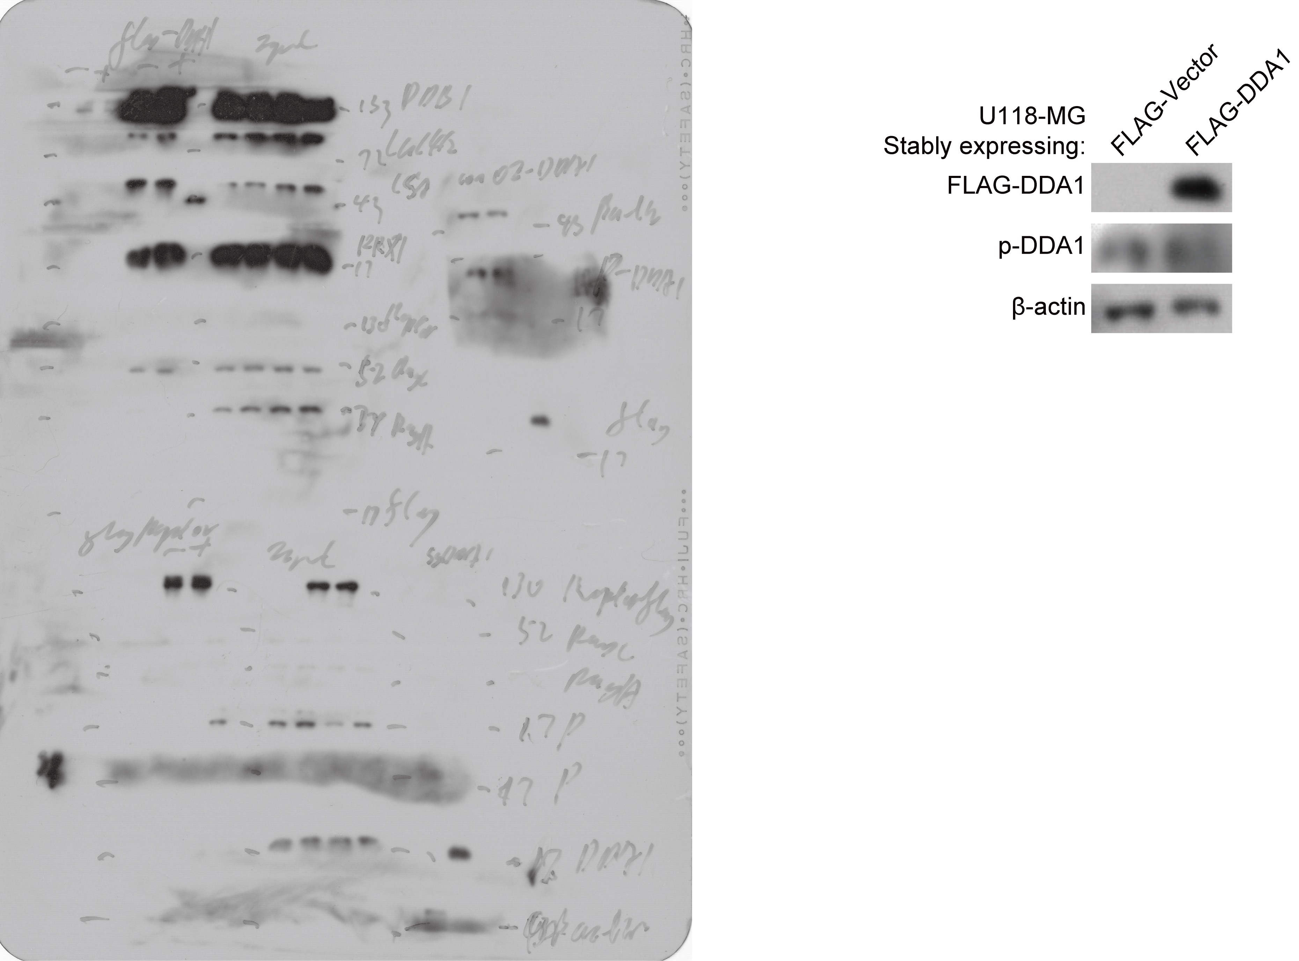

Figure 5e and f
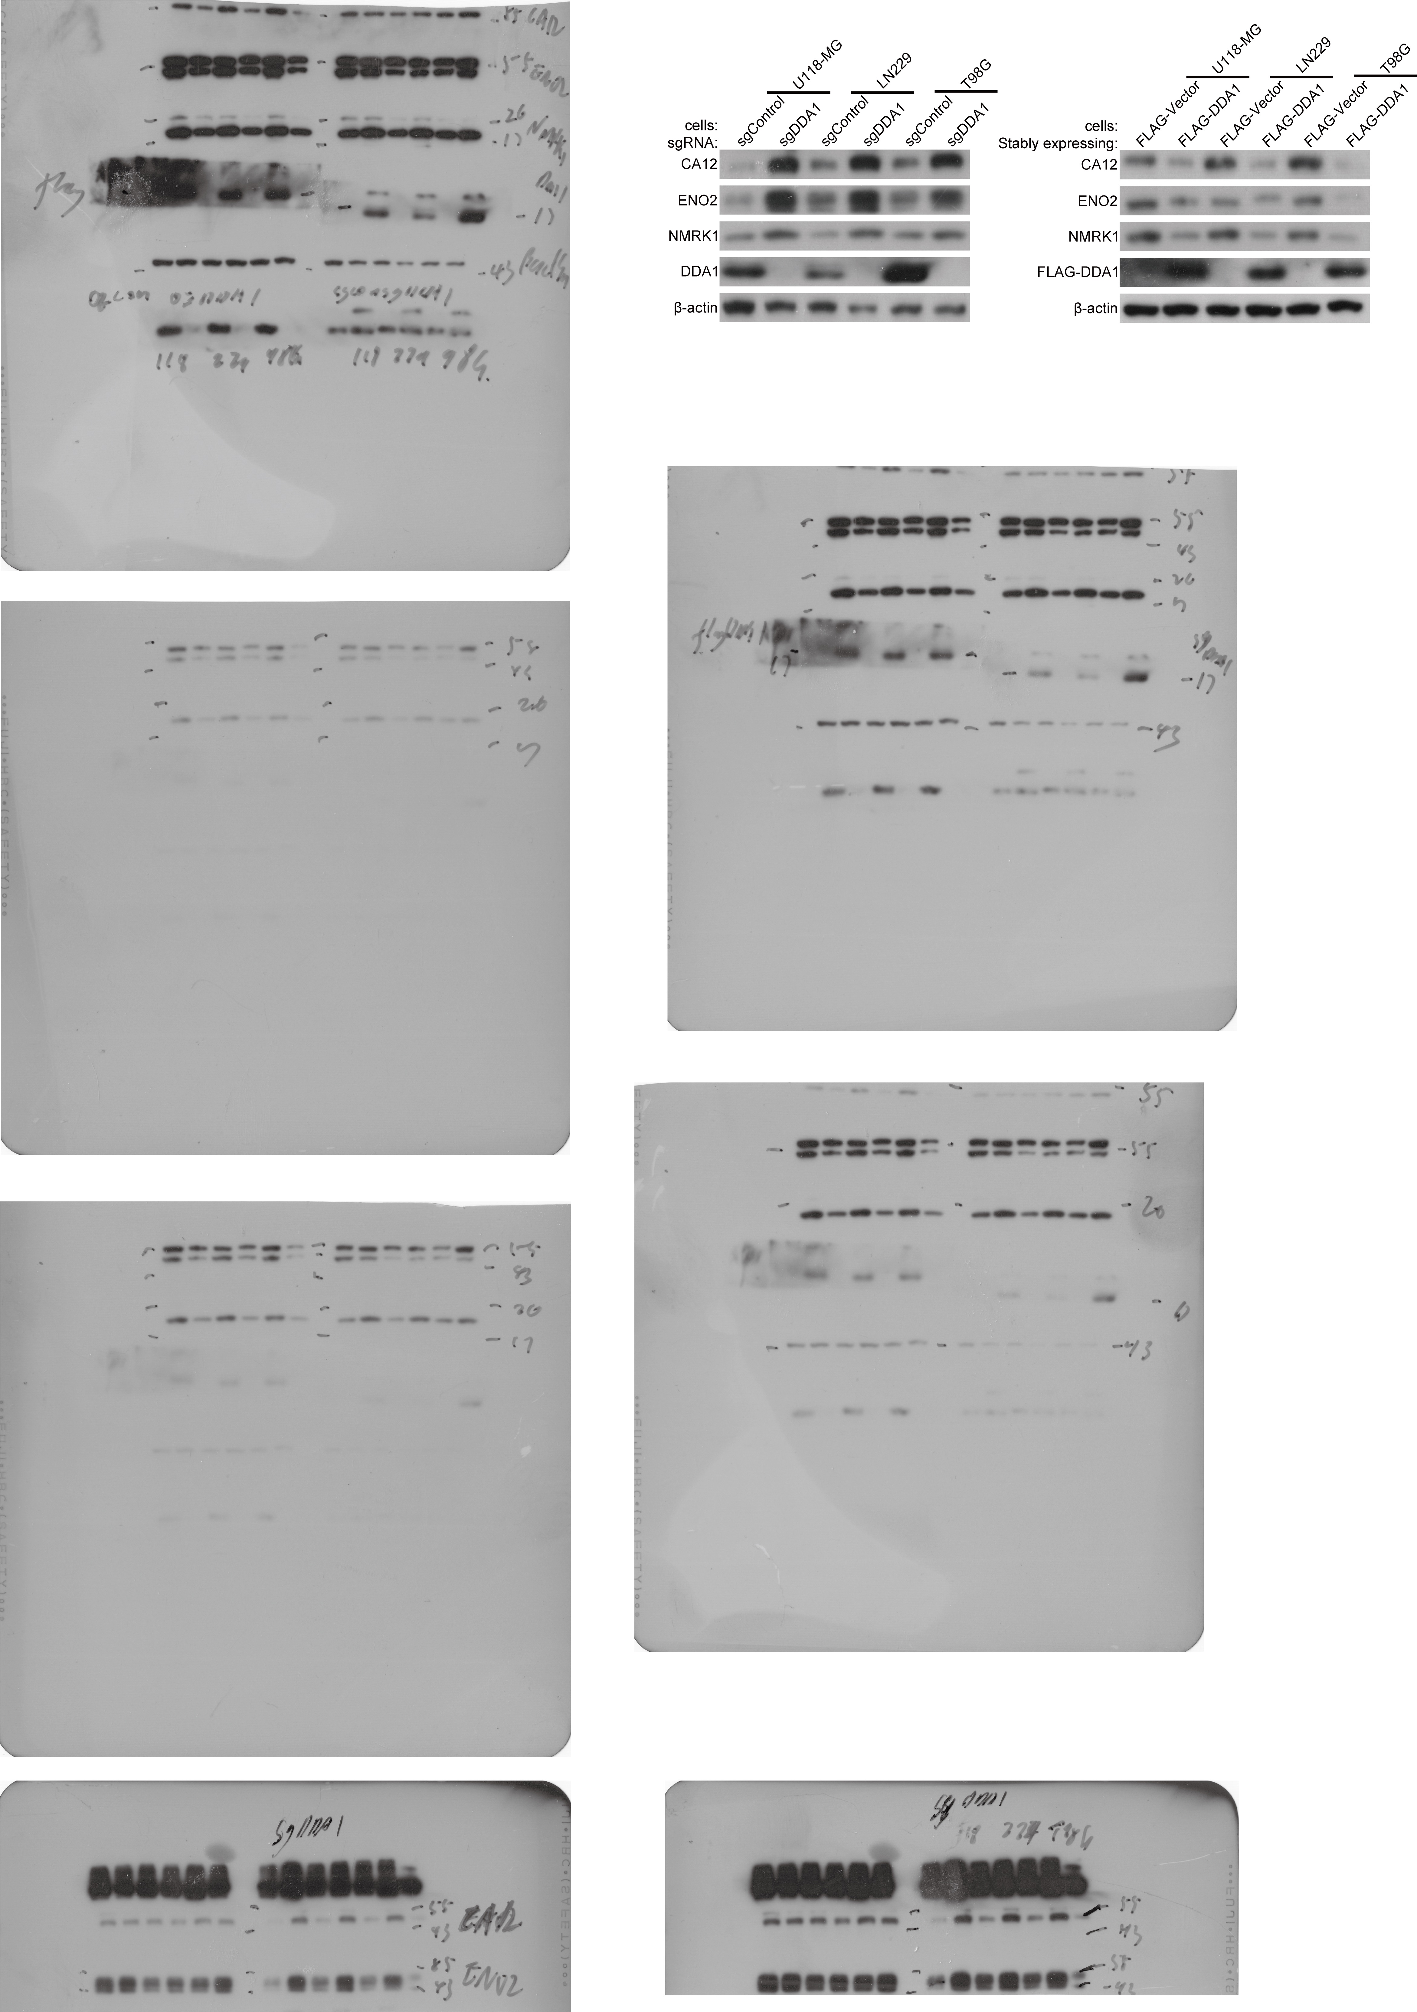

Fig.6a
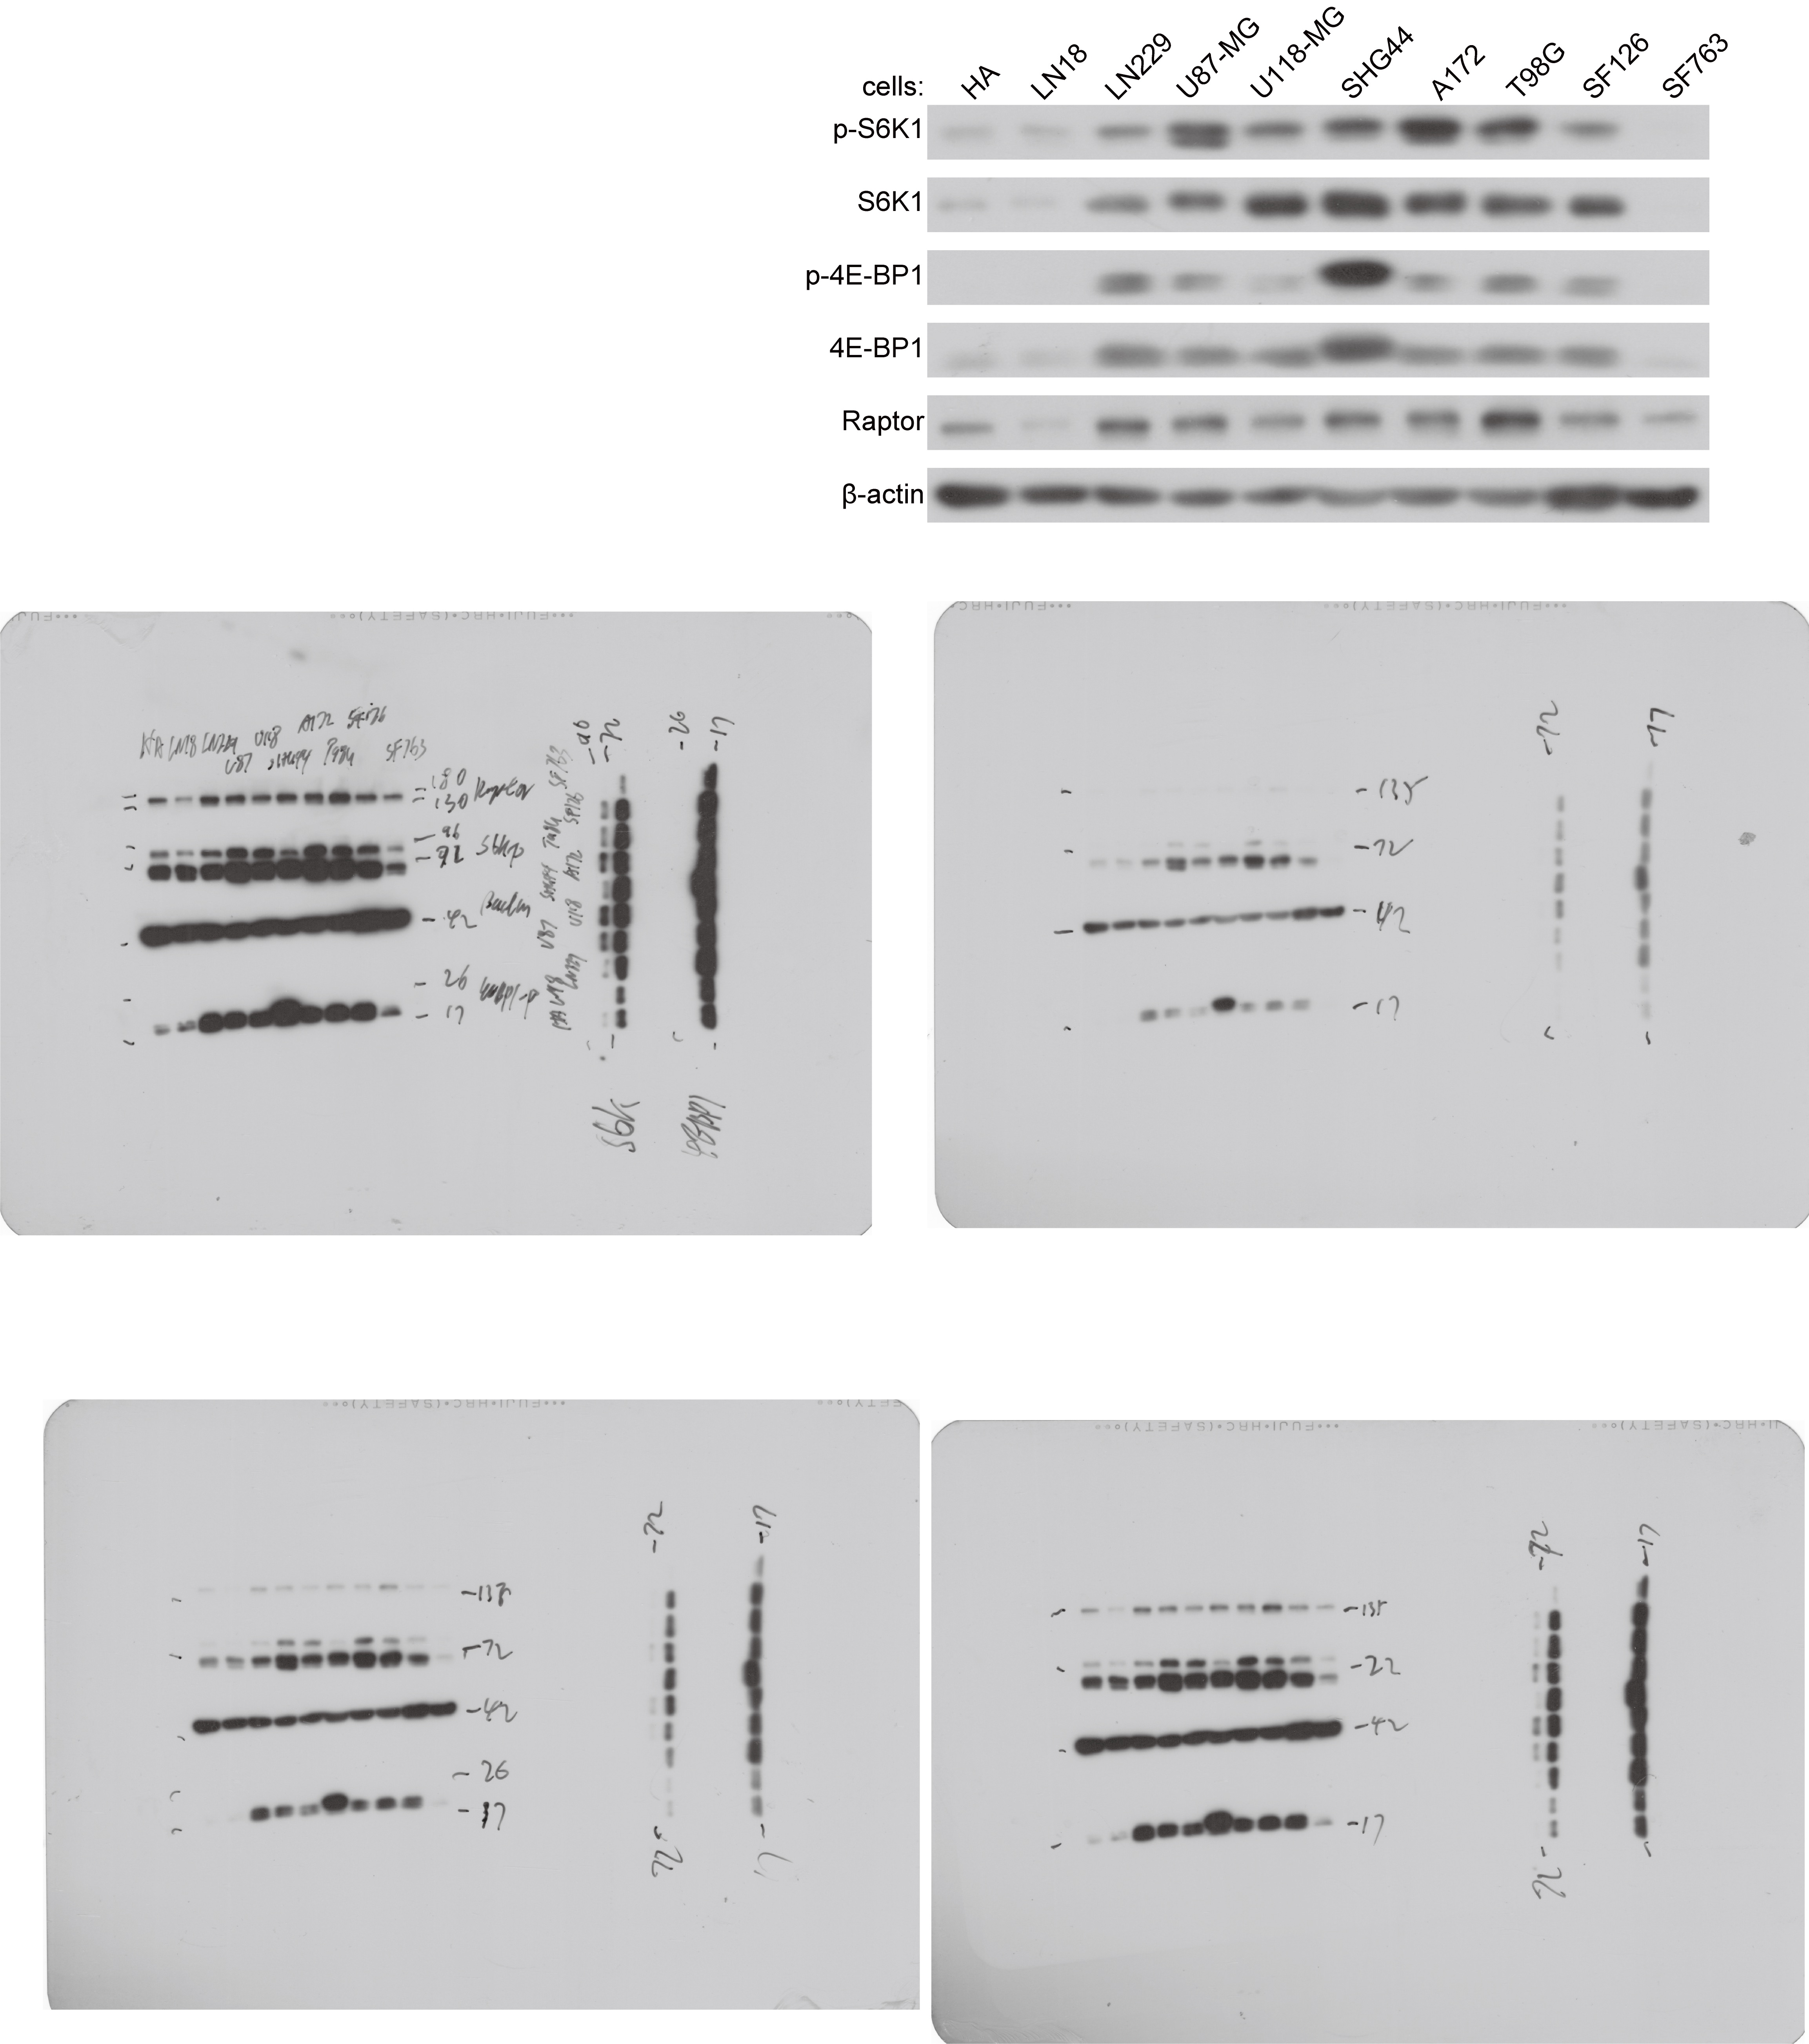

Fig. 6b
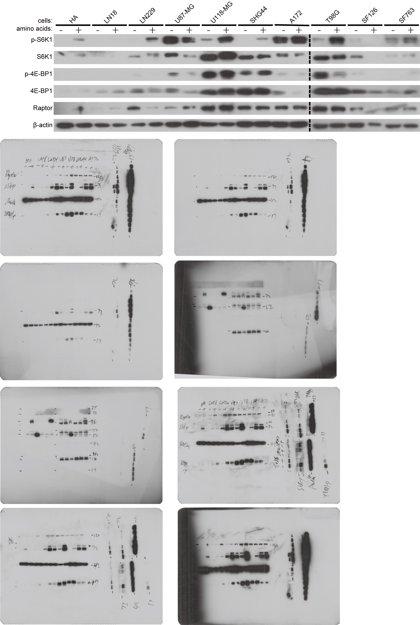

Fig. 6c
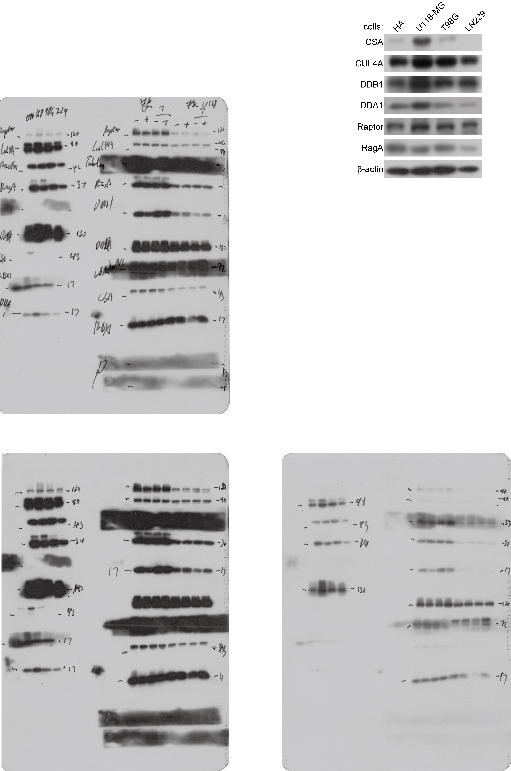

Fig. 6d
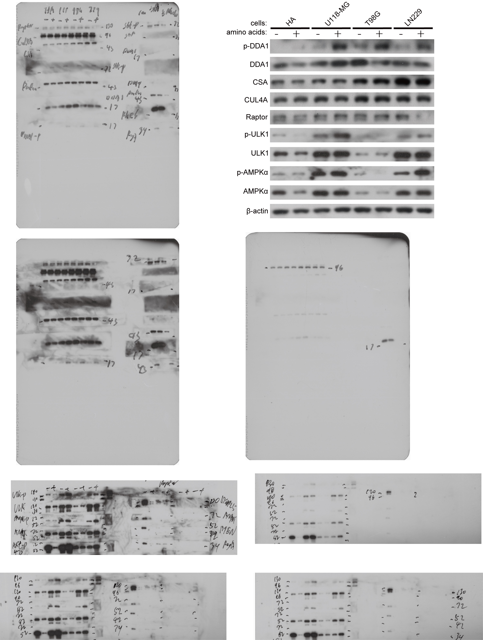

Fig. 6e
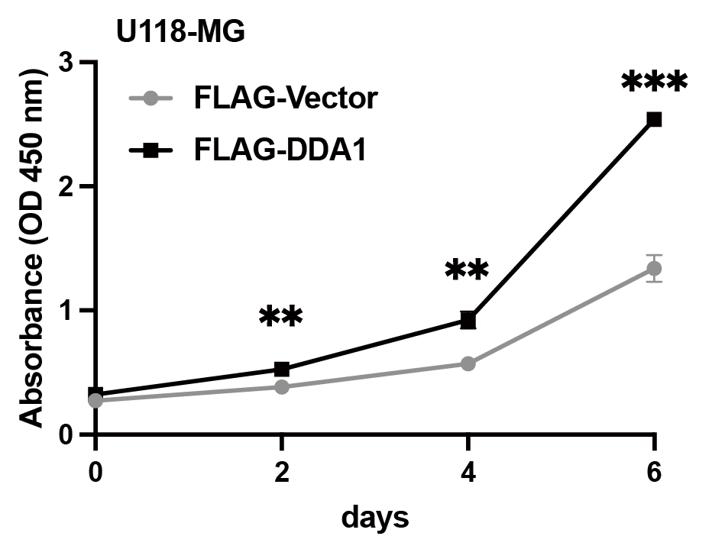
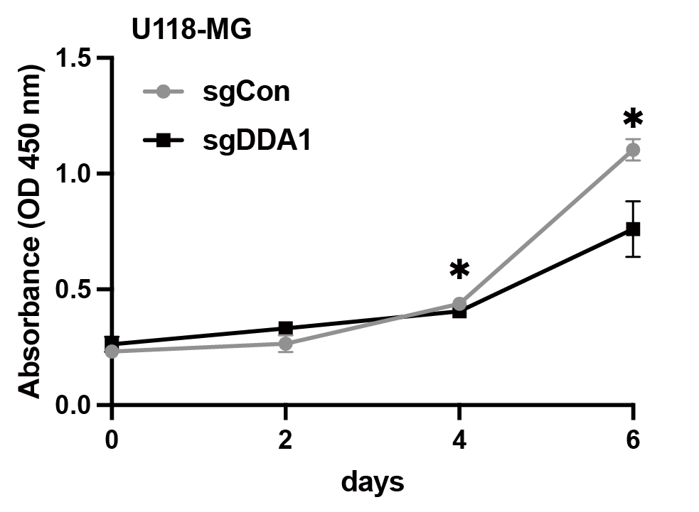
实验文件路径: | D:\！new407\CX\cck8 2023.05.31.xpt
方案文件路径: | D:\DYX\abs450-elisa.prt
板编号 | 板 9
日期 | 2024-04-19
时间 | 15:40:44
检测仪类型: | Synergy Neo2
检测仪序列号: | 2112302A
检测类型 | 检测仪

程序详细信息
板类型 | 96 WELL PLATE (使用板盖)
完成后弹出板
检测 | 吸收光 终点
 | 全板
 | 波长: 450
 | 检测速度: 正常, 延迟: 50 msec, 测量值/数据点: 8

结果
实际温度: | 22.2

 |  | 1 | 2 | 3 | 4 | 5 | 6 | 7 | 8 | 9 | 10 | 11 | 12
 | A | 0.206 | 0.206 | 0.223 | 0.209 | 0.228 | 0.049 | 0.301 | 0.288 | 0.277 | 0.287 | 0.049 | 0.049 | 450
 | B | 0.21 | 0.234 | 0.242 | 0.227 | 0.267 | 0.051 | 0.299 | 0.333 | 0.326 | 0.325 | 0.049 | 0.049 | 450
 | C | 0.198 | 0.233 | 0.238 | 0.236 | 0.245 | 0.05 | 0.326 | 0.331 | 0.345 | 0.334 | 0.049 | 0.049 | 450
...

Fig. 7b
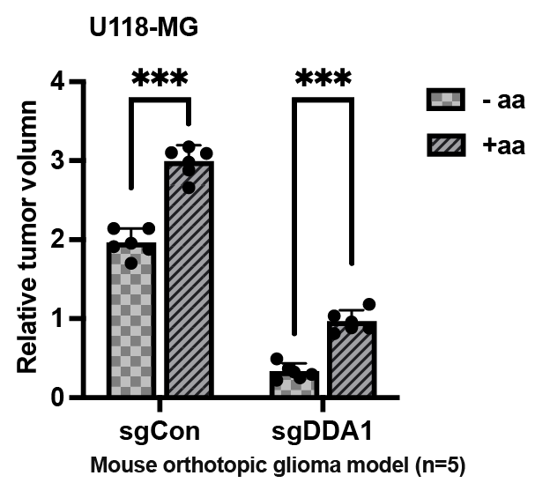
Min | Max | IntDen | RawIntDen
3753 | 7877 | 2578310302.7 | 349116 | 170319.824
3869 | 9074 | 3064917297.4 | 415005 | 187705.078
5774 | 11045 | 3208649108.9 | 434467 | 214172.364
5194 | 8528 | 4015525024.4 | 543722 | 214172.363
3274 | 7048 | 4521348449.7 | 612213 | 191098.633
2977 | 7029 | 1575540527.3 | 213336 | 309262.695
3879 | 10735 | 4235147705.1 | 573460 | 317565.918
3606 | 7641 | 3561280212.4 | 482215 | 288024.902
2962 | 6454 | 2452022460.9 | 332016 | 310180.664
3669 | 7921 | 4892213745.1 | 662430 | 265869.14
1474 | 7877 | 3347033996.6 | 453205 | 25229.492
4453 | 9656 | 3924775024.4 | 531434 | 36926.269
2423 | 6602 | 3799654052.7 | 514492 | 29541.016
3938 | 7307 | 4432718017.6 | 600212 | 22155.761
3050 | 5451 | 1433330078.1 | 194080 | 49082.031
2383 | 7823 | 3576146728.5 | 484228 | 81237.793
3328 | 6838 | 3424741638.2 | 463727 | 88623.047
221 | 7197 | 3133947265.6 | 424352 | 103393.555
3781 | 8864 | 5300965393.1 | 717777 | 118164.062
1640 | 6233 | 2950519714.4 | 399515 | 88164.062

