Fig2 HMM clone tree annotations
 | 1p_Gain_1 | 1p_Loss_1 | 1q_Loss_1 | 1q_Loss_2 | 2p_Gain_1 | 2q_Loss | 2p_Gain_2 | 3p_Gain_1 | 3p_Loss | 3p_Gain_2 | 4p_Gain_1 | 4p_Gain_2 | 4q_Gain_1 | 4q_Loss | 5p_Gain_1 | 5p_Gain_2 | 5q_Loss | 6p_Gain | 6p_Loss | 6q_loss_2 | 7p_Gain | 7p_Loss | Whole7_amp | 8p_Loss | 8q_Gain | 9p_Gain | 9q_Gain | 9q_Loss | 10p_Loss | 10q_Loss | 10q_gain | 11p_Loss_1 | 11p_Gain_1 | 11p_Loss_2 | 11p_Gain_2 | 11q_Gain_1 | 11_Gain_2 | 11q_Loss | 12p_Loss_1 | 12p_Loss_2 | 12p_Gain | 12q_Gain_1 | 12q_Gain_2 | 13p_Loss | 13q_Loss | 13q_Gain | 14p_Gain | 15p_Loss | 16p_Gain_1 | 16p_Gain_2 | 16q_Loss_1 | 17p_Gain | 17q_Gain | 18q_Gain | 19p_Loss | 19p_Gain_1 | 19p_Gain_2 | 19q_Gain_1 | 19q_Gain_2 | 20p_Loss | 20q_Gain | 21p_Gain | 22p_Loss | ChrX_Gain | ChrX_Loss
Clone A |  |  |  |  | HMM |  | HMM | HMM |  | HMM |  | HMM | HMM |  |  | HMM |  |  | Manual |  |  |  |  |  | HMM | HMM |  | HMM |  |  | HMM | HMM |  |  |  |  | HMM |  |  |  |  | HMM |  |  |  |  | HMM |  |  |  |  |  |  |  | HMM |  |  |  |  |  |  | HMM | HMM
Clone B |  |  |  | HMM |  |  |  |  |  |  |  |  |  |  |  |  |  |  |  | HMM |  |  |  |  |  |  |  |  | HMM |  |  |  |  |  |  |  |  |  |  |  |  |  |  |  |  |  |  |  | HMM |  |  |  | HMM |  |  |  |  | HMM
Clone C |  |  |  | HMM |  | HMM |  |  | Manual |  | HMM |  |  | HMM |  |  |  |  |  | HMM | HMM |  |  | HMM | HMM |  |  |  | Manual | HMM |  |  | HMM |  | HMM |  |  | HMM |  |  |  |  | HMM |  | HMM |  |  | HMM | HMM | HMM | HMM | HMM | HMM |  |  | HMM | HMM | HMM |  |  | HMM
Clone D | HMM |  |  | HMM |  | HMM |  |  | Manual |  | HMM |  |  | HMM |  |  | Manual |  |  | HMM | HMM |  | HMM | HMM | HMM |  |  |  | Manual | HMM |  |  | HMM |  | HMM |  |  | HMM |  |  |  |  | HMM |  | HMM |  |  | Manual | HMM | HMM | HMM | HMM | HMM |  |  | HMM | HMM | HMM |  |  | HMM
Clone E |  |  |  |  |  |  |  |  | Manual |  |  |  |  |  |  |  | Manual | HMM |  | HMM | HMM | Manual |  | Manual | HMM |  | HMM |  | Manual |  |  |  |  |  |  |  |  |  |  |  |  |  |  |  |  |  |  | Manual |  |  | HMM |  |  |  |  |  |  |  |  |  |  | HMM
Clone F |  |  |  |  |  |  |  |  | Manual |  |  |  |  |  |  |  | Manual |  |  | HMM | HMM | Manual |  | Manual | HMM |  | HMM |  | Manual |  |  |  |  |  |  |  |  |  |  |  |  |  | HMM |  |  |  |  |  |  |  | HMM
Clone G |  | Manual |  |  |  |  |  |  | Manual |  |  |  |  |  |  |  | Manual |  |  | Manual | HMM | Manual |  | HMM | HMM |  |  |  | Manual |  |  |  |  |  |  |  |  |  |  |  |  |  |  |  |  |  |  | Manual |  |  | HMM |  | HMM |  |  |  |  | HMM |  |  |  | HMM |  | HMM
Clone H |  | Manual |  |  |  | Manual |  |  | Manual |  |  |  |  |  |  |  | HMM |  | Manual | HMM |  | Manual |  | Manual | HMM |  |  |  | Manual | Manual |  |  |  |  |  |  |  |  |  |  | HMM |  | HMM |  | Manual |  |  | Manual | HMM | HMM | HMM |  | HMM |  |  |  | Manual | HMM |  | Manual
Clone I |  | Manual |  |  |  | Manual |  |  | Manual |  | HMM |  | HMM |  |  |  |  |  | HMM | HMM | HMM | Manual |  | HMM | HMM |  |  |  |  | Manual |  |  |  |  |  | Manual |  |  | Manual | Manual | Manual |  | HMM | HMM | Manual | HMM |  | Manual | HMM | HMM | HMM |  |  | HMM |  |  |  |  |  | Manual |  |  | Manual | HMM | Manual
Clone J |  | HMM |  |  |  | Manual |  |  | Manual |  | HMM |  | HMM |  |  |  |  |  | Manual | HMM | HMM | Manual |  | HMM | HMM |  |  |  | Manual | HMM |  |  |  |  |  | Manual |  |  | Manual | Manual | Manual |  | HMM |  | Manual |  |  | HMM | HMM |  | HMM |  |  |  |  |  | Manual | HMM | HMM | Manual |  |  | Manual |  | Manual
Clone K |  | Manual | HMM |  |  | Manual |  |  | Manual |  | HMM |  | HMM |  | HMM |  |  |  | HMM | HMM | HMM | Manual |  | HMM | HMM |  | HMM |  |  | Manual | HMM | HMM |  | HMM |  | HMM |  |  | Manual | HMM |  |  | HMM |  |  | HMM |  | Manual |  |  |  |  |  | HMM |  |  |  |  |  | Manual |  |  |  | HMM | Manual

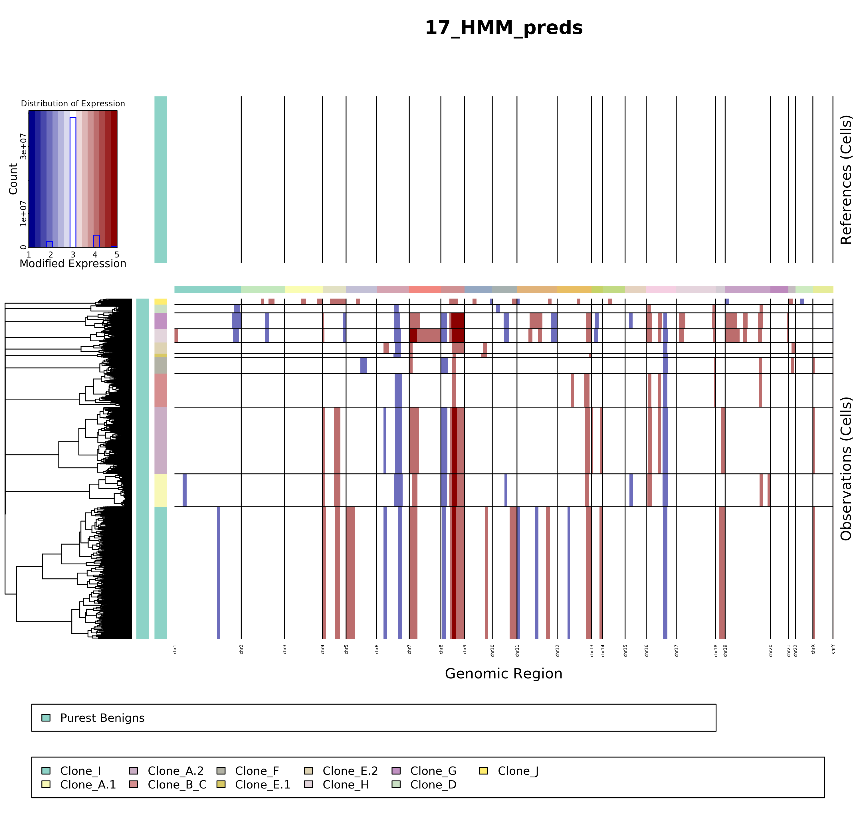

 |  |  |  |  |  |  |  |  |  |  |  |  |  |  |  |  |  |  |  |  |  |  |  |  |  |  |  |  |  |  |  |  |  |  |  |  |  |  |  |  |  |  |  |  |  |  |  |  |  |  |  |  |  |  |  |  |  |  |  |  |  |  |  |  |  | 1

