Fig3 HMM clone tree annotations
 | 1q_Loss | 2q_Loss | 3q Gain | 4p_Gain | 4q_Loss | 6p_Loss_1 | 6q_loss_2 | 7p_Gain | Whole7_amp | 8p_Loss | 8q_Gain1 | 9q gain | 10_Loss | 11p_Gain_2 | 11q_Loss | 12p_gain | 12q_gain | 13p_Loss | 15p_Loss_1 | 15p_Loss_2 | 16p_Gain_1 | 16p_Gain_2 | 16q_Loss_1 | 16q_gain | 16q_Loss_2 | 17p_Gain | 17q_Gain | 18q_Gain | 19p_Gain_1 | 19p_Gain_2 | 19q_Gain_1 | 20q_Gain | 21p_Gain | ChrX_Gain
Clone A
Clone B |  |  |  |  |  |  |  | HMM |  |  | HMM | HMM |  |  |  |  |  |  |  | HMM | HMM | HMM |  |  |  |  | HMM |  | HMM | HMM | HMM
Clone C | HMM | HMM | HMM |  |  |  | HMM |  |  | HMM | HMM |  | HMM |  | HMM |  |  | HMM | HMM | HMM | HMM | HMM | HMM |  |  | HMM |  |  |  |  |  |  | HMM
Clone D |  |  |  |  |  |  |  | HMM |  |  | HMM |  |  |  | HMM | HMM |  |  |  | Manual |  |  | HMM |  |  |  |  |  |  |  |  |  |  | HMM
Clone E |  |  |  |  |  | HMM |  | HMM |  | HMM | HMM |  | HMM |  | HMM |  | HMM |  |  | Manual |  |  | HMM |  |  |  | HMM | HMM |  |  |  | HMM
Clone F | HMM | HMM |  |  | HMM |  | HMM | HMM |  | HMM | HMM |  | HMM | HMM | HMM |  | HMM | HMM |  | HMM | HMM | HMM |  |  |  | HMM | HMM |  | HMM | HMM | HMM | HMM
Clone G | HMM | HMM |  | HMM | HMM | HMM | HMM |  |  | HMM | HMM |  | HMM | HMM | HMM |  |  | HMM |  | Manual | HMM | HMM |  | HMM | HMM | HMM | HMM | HMM |  | HMM |  | HMM
Clone H | HMM | HMM |  | HMM |  |  | HMM | HMM | HMM | HMM | HMM |  | HMM |  | HMM |  |  | HMM |  | Manual | HMM | HMM | HMM |  |  | HMM | HMM |  | HMM | HMM | HMM | HMM

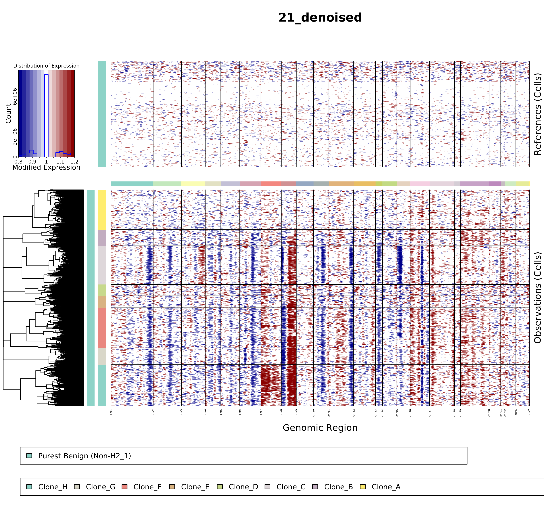

 |  |  |  |  |  |  |  |  |  |  |  |  |  |  |  |  |  |  |  |  |  |  |  |  |  |  |  |  |  |  |  |  |  |  | 1

