Economic_Allocation
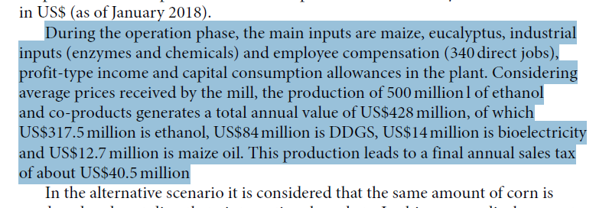

Moreira et al. (2020) |  | US$ million
 | ethanol and co-products | 428.2
 | ethanol | 317.5 | 77% | 74%
 | DDGS | 84 | 20% | 20%
 | bioelectricity | 14 |  | 3% | Fraction allocated to ethanol
 | maize oil | 12.7 | 3% | 3%

