Figure1
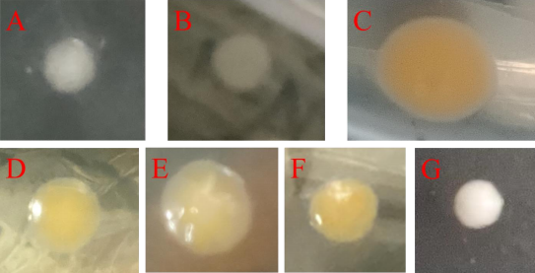

Fig.1 Colony morphology of endophytic bacteria in M. persicae and A. gifuensis
A: Lysinibacillus fusiformis; B: Bacillus cereus; C: Stenotrophomonas maltophilia; D: Bacillus pumilus; E: Bacillus subtilis; F: Acinetobacter radioresistens; G: Exiguobacterium sibiricum

Figure2
Fecundity rate | Bacillus subtilis | Lysinibacillus fusiformis | Bacillus pumilus | Acinetobacter radioresistens | Exiguobacterium sibiricum | Bacillus cereus | Stenotrophomonas maltophilia
Ck | 46 | 46 | 46.31 | 42 | 45 | 46 | 46
Ck | 48 | 43 | 45 | 43 | 44 | 47 | 42
Ck | 42 | 44 | 47 | 43 | 45 | 44 | 47
0.97×1010 | 29 | 32.333333333 | 29 | 31.666666667 | 38.333333333 | 24.666666667 | 50
0.97×1010 | 25.667 | 46.333 | 27 | 32 | 40 | 27 | 51
0.97×1010 | 27.667 | 35.333 | 36 | 33 | 37 | 25 | 45
0.97×109 | 55 | 50 | 61 | 24.333333333 | 35.666666667 | 55 | 85
0.97×109 | 51 | 52 | 67 | 24 | 37 | 54.333333333 | 87
0.97×109 | 53.333 | 54 | 62.333 | 21 | 33 | 56 | 82.333
0.97×108 | 40 | 45 | 35 | 26.667 | 30 | 40 | 65
0.97×108 | 41 | 48 | 32 | 26 | 31.333 | 40 | 62
0.97×108 | 44 | 51 | 36 | 25.333 | 32 | 37 | 55
0.97×107 | 42 | 42 | 29 | 21.667 | 30 | 33.333 | 57
0.97×107 | 41 | 42.333 | 27.667 | 22 | 31 | 35 | 57
0.97×107 | 40 | 46 | 21 | 24 | 31.333 | 40 | 60
0.97×106 | 37 | 35 | 28 | 22.333 | 37 | 39.333 | 60
0.97×106 | 37 | 32.333 | 28 | 25 | 37.667 | 36 | 51
0.97×106 | 35 | 36 | 27 | 24 | 34 | 34 | 61
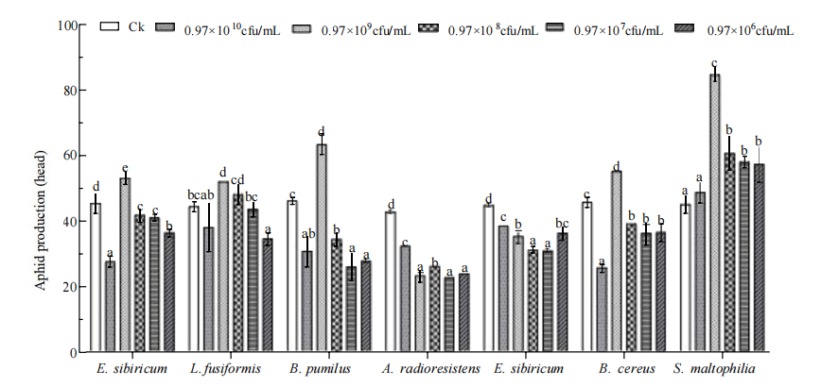

 |  | Fig. 2 Effect of different endophytic bacteria on the offspring number of M. persicae.

Figure3、Table1、Table2
Standard Curve：y = 7.3614x + 0.0328

 | Protein content（μg） | 0 | 0.02 | 0.04 | 0.06 | 0.08 | 0.1
 | OD value | 0 | 0.226 | 0.323 | 0.471 | 0.621 | 0.764

 | OD值
0 | 0
0.02 | 0.226
0.04 | 0.323
0.06 | 0.471
0.08 | 0.621
0.1 | 0.764

 |  |  | Fig. 3 standard curve of bovine serum albumin

Acinetobacter radioresistens |  |  |  |  |  |  |  |  |  | An aphid weighs 3.6 mg
Carboxylesterase |  |  |  |  |  | Phenoloxidase |  |  |  |  |  |  | Superoxide dismutase
 | Content absorbance | Content | Activity absorbance | Activity |  |  | Content absorbance | Content | Activity absorbance1 | Activity absorbance2 | Activity Δabsorbance | Activity |  | Content absorbance | Content | Control Absorbance | Test sample absorbance | Activity
ck | 0.671 | 0.086695465536 | 0.051 | 2.5099351927 |  | ck | 0.701 | 0.090770777298 | 0.511 | 0.513 | 0.002 | 1.0582010582 | ck | 0.62 | 0.079767435542 | 0.88 | 0.223 | 12.443181818
ck | 0.673 | 0.086967152987 | 0.053 | 2.6002154327 |  | ck | 0.71 | 0.091993370826 | 0.514 | 0.517 | 0.003 | 1.5873015873 | ck | 0.622 | 0.080039122993 | 0.882 | 0.238 | 12.169312169
ck | 0.671 | 0.086695465536 | 0.05 | 2.4607207772 |  | ck | 0.706 | 0.091449995925 | 0.512 | 0.514 | 0.002 | 1.0582010582 | ck | 0.632 | 0.081397560247 | 0.887 | 0.232 | 12.307403232
0.97×1010 | 0.677 | 0.087510527889 | 0.054 | 2.6328260789 |  | 0.97×1010 | 0.711 | 0.092129214552 | 0.516 | 0.517 | 0.001 | 0.5291005291 | 0.97×1010 | 0.653 | 0.08425027848 | 0.886 | 0.234 | 12.264860798
0.97×1010 | 0.677 | 0.087510527889 | 0.053 | 2.5840700404 |  | 0.97×1010 | 0.712 | 0.092265058277 | 0.515 | 0.517 | 0.002 | 1.0582010582 | 0.97×1010 | 0.651 | 0.083978591029 | 0.883 | 0.228 | 12.363155908
0.97×1010 | 0.678 | 0.087646371614 | 0.054 | 2.6287454433 |  | 0.97×1010 | 0.709 | 0.091857527101 | 0.51 | 0.513 | 0.003 | 1.5873015873 | 0.97×1010 | 0.653 | 0.08425027848 | 0.877 | 0.219 | 12.504751045
0.97×109 | 0.667 | 0.086152090635 | 0.052 | 2.5752905708 |  | 0.97×109 | 0.706 | 0.091449995925 | 0.521 | 0.523 | 0.002 | 1.0582010582 | 0.97×109 | 0.655 | 0.08452196593 | 0.889 | 0.22 | 12.542182227
0.97×109 | 0.668 | 0.08628793436 | 0.053 | 2.6206831234 |  | 0.97×109 | 0.707 | 0.09158583965 | 0.524 | 0.525 | 0.001 | 0.5291005291 | 0.97×109 | 0.656 | 0.084657809656 | 0.884 | 0.224 | 12.443438914
0.97×109 | 0.667 | 0.086152090635 | 0.055 | 2.7238650268 |  | 0.97×109 | 0.703 | 0.091042464749 | 0.525 | 0.526 | 0.001 | 0.5291005291 | 0.97×109 | 0.652 | 0.084114434754 | 0.888 | 0.216 | 12.612612613
0.97×108 | 0.671 | 0.086695465536 | 0.056 | 2.7560072704 |  | 0.97×108 | 0.706 | 0.091449995925 | 0.517 | 0.518 | 0.001 | 0.5291005291 | 0.97×108 | 0.651 | 0.083978591029 | 0.885 | 0.229 | 12.354048964
0.97×108 | 0.671 | 0.086695465536 | 0.057 | 2.805221686 |  | 0.97×108 | 0.711 | 0.092129214552 | 0.516 | 0.518 | 0.002 | 1.0582010582 | 0.97×108 | 0.65 | 0.083842747304 | 0.878 | 0.23 | 12.300683371
0.97×108 | 0.67 | 0.086559621811 | 0.055 | 2.7110408035 |  | 0.97×108 | 0.712 | 0.092265058277 | 0.513 | 0.517 | 0.004 | 2.1164021164 | 0.97×108 | 0.653 | 0.08425027848 | 0.881 | 0.236 | 12.202043133
0.97×107 | 0.677 | 0.087510527889 | 0.051 | 2.4865579634 |  | 0.97×107 | 0.712 | 0.092265058277 | 0.516 | 0.517 | 0.001 | 0.5291005291 | 0.97×107 | 0.649 | 0.083706903578 | 0.89 | 0.218 | 12.584269663
0.97×107 | 0.676 | 0.087374684163 | 0.052 | 2.5392557214 |  | 0.97×107 | 0.713 | 0.092400902002 | 0.518 | 0.519 | 0.001 | 0.5291005291 | 0.97×107 | 0.651 | 0.083978591029 | 0.876 | 0.231 | 12.271689498
0.97×107 | 0.679 | 0.087782215339 | 0.051 | 2.4788620241 |  | 0.97×107 | 0.711 | 0.092129214552 | 0.515 | 0.517 | 0.002 | 1.0582010582 | 0.97×107 | 0.652 | 0.084114434754 | 0.875 | 0.221 | 12.457142857
0.97×106 | 0.673 | 0.086967152987 | 0.053 | 2.6002154327 |  | 0.97×106 | 0.711 | 0.092129214552 | 0.514 | 0.516 | 0.002 | 1.0582010582 | 0.97×106 | 0.651 | 0.083978591029 | 0.879 | 0.237 | 12.172923777
0.97×106 | 0.674 | 0.087102996713 | 0.051 | 2.4981918902 |  | 0.97×106 | 0.714 | 0.092536745728 | 0.515 | 0.517 | 0.002 | 1.0582010582 | 0.97×106 | 0.654 | 0.084386122205 | 0.877 | 0.225 | 12.39072596
0.97×106 | 0.671 | 0.086695465536 | 0.052 | 2.5591496083 |  | 0.97×106 | 0.713 | 0.092400902002 | 0.517 | 0.52 | 0.003 | 1.5873015873 | 0.97×106 | 0.652 | 0.084114434754 | 0.88 | 0.226 | 12.386363636

 |  |  |  | Table 1 Effect of A. radioresistens on the content and activity of enzymes related to growth and development of the offspring of M. persicae
 |  |  |  | Note: The data in the table are mean ± standard error; different lowercase letters after the data in the same column indicate significant differences (one-way ANOVA, Duncan's new multiple range method for variance analysis, P<0.05), the same applies below

 |  |  |  | （cfu/ml） | （mg/mL） | (μmol/(min·mg)) | （mg/mL） | (U/(mg·min)) | (mg/mL) | (U/(mg·min))
 |  |  |  | Concentrantion | Carboxylesterase | Carboxylesterase activity | Phenoloxidase content | Phenoloxidase activity | SOD activity | SOD activity
 |  |  |  |  | content
 |  |  |  | Ck | 0.0868 ±0.0002b | 2.5236 ±0.0707a | 0.0914±0.0004a | 1.2346±0.1764a | 0.0804±0.0005a | 12.3066±0.0791ab
 |  |  |  | 0.97×1010 | 0.0876±0.0001c | 2.6152±0.0270a | 0.0921±0.0001b | 1.0582±0.3055a | 0.0842±0.0001b | 12.3776±0.0696ab
 |  |  |  | 0.97×109 | 0.0862±0.0001a | 2.6399±0.0761ab | 0.0914±0.0002a | 0.7055±0.1764a | 0.0844±0.0002b | 12.5327±0.0491b
 |  |  |  | 0.97×108 | 0.0867±0.0001b | 2.7574±0.0471b | 0.0919±0.0003ab | 1.2346±0.4666a | 0.0840±0.0001b | 12.2856±0.0445a
 |  |  |  | 0.97×107 | 0.0876 ±0.0002c | 2.5016±0.0329a | 0.0923±0.0001b | 0.7055±0.1764a | 0.0839±0.0001b | 12.4377±0.0908ab
 |  |  |  | 0.97×106 | 0.0869±0.0002b | 2.5525±0.0513a | 0.0924±0.0001b | 1.2346±0.1764a | 0.0842±0.0001b | 12.3167±0.0719ab

Stenotrophomonas maltophilia |  |  |  |  |  |  |  |  |  | An aphid weighs 3.6 mg
Carboxylesterase |  |  |  |  |  | Phenoloxidase |  |  |  |  |  |  | Superoxide dismutase
 | Content absorbance | Content | Activity absorbance | Activity |  |  | Content absorbance | Content | Activity absorbance1 | Activity absorbance2 | Activity Δabsorbance | Activity |  | Content absorbance | Content | Control Absorbance | Test sample absorbance | Activity
ck | 0.677 | 0.087510527889 | 0.051 | 2.4865579634 |  | ck | 0.701 | 0.090770777298 | 0.51 | 0.514 | 0.004 | 2.1164021164 | ck | 0.622 | 0.080039122993 | 0.882 | 0.233 | 12.263794407
ck | 0.674 | 0.087102996713 | 0.053 | 2.5961601996 |  | ck | 0.711 | 0.092129214552 | 0.513 | 0.517 | 0.004 | 2.1164021164 | ck | 0.623 | 0.080174966718 | 0.883 | 0.234 | 12.249905625
ck | 0.675 | 0.087238840438 | 0.054 | 2.6410254749 |  | ck | 0.708 | 0.091721683375 | 0.511 | 0.516 | 0.005 | 2.6455026455 | ck | 0.629 | 0.080990029071 | 0.885 | 0.236 | 12.222222222
0.97×1010 | 0.679 | 0.087782215339 | 0.053 | 2.5760722996 |  | 0.97×1010 | 0.719 | 0.093215964355 | 0.52 | 0.524 | 0.004 | 2.1164021164 | 0.97×1010 | 0.642 | 0.0827559975 | 0.886 | 0.234 | 12.264860798
0.97×1010 | 0.68 | 0.087918059065 | 0.053 | 2.5720919654 |  | 0.97×1010 | 0.719 | 0.093215964355 | 0.519 | 0.527 | 0.008 | 4.2328042328 | 0.97×1010 | 0.639 | 0.082348466324 | 0.881 | 0.231 | 12.296632614
...

