S2.5 Coding SNPs
Overview of amino acid properties
modified from Wikipedia "Amino acid" [2025/03], based on:
Kyte J, Doolittle RF (May 1982). "A simple method for displaying the hydropathic character of a protein". Journal of Molecular Biology. 157 (1): 105–132. doi:10.1016/0022-2836(82)90515-0
Freifelder D (1983). Physical Biochemistry (2nd ed.). W. H. Freeman and Company. ISBN 978-0-7167-1315-9
Kozlowski LP (January 2017). "Proteome-pI: proteome isoelectric point database". Nucleic Acids Research. 45 (D1): D1112 – D1116. doi:10.1093/nar/gkw978
Hausman RE, Cooper GM (2004). The cell: a molecular approach. Washington, D.C.: ASM Press. p. 51. ISBN 978-0-87893-214-6.
https://en.wikipedia.org/wiki/Amino_acid

Name | 3 letter code | 1 letter code | Class | Chemical polarity | Net charge at pH 7.4 | Hydropho-bicity index | Molecular mass [Da] | Abundance in proteins [%] | Standard genetic coding
Alanine | Ala | A | Aliphatic | Nonpolar | Neutral | 1.8 | 89.094 | 8.76 | GCN
Arginine | Arg | R | Fixed cation | Basic polar | Positive | −4.5 | 174.203 | 5.78 | MGR, CGY
Asparagine | Asn | N | Amide | Polar | Neutral | −3.5 | 132.119 | 3.93 | AAY
Aspartate | Asp | D | Anion | Brønsted base | Negative | −3.5 | 133.104 | 5.49 | GAY
Cysteine | Cys | C | Thiol | Brønsted acid | Neutral | 2.5 | 121.154 | 1.38 | UGY
Glutamine | Gln | Q | Amide | Polar | Neutral | −3.5 | 146.146 | 3.9 | CAR
Glutamate | Glu | E | Anion | Brønsted base | Negative | −3.5 | 147.131 | 6.32 | GAR
Glycine | Gly | G | Aliphatic | Nonpolar | Neutral | −0.4 | 75.067 | 7.03 | GGN
Histidine | His | H | Cationic | Brønsted acid and base | 10% Positive | −3.2 | 155.156 | 2.26 | CAY
 |  |  |  |  | 90% Neutral
Isoleucine | Ile | I | Aliphatic | Nonpolar | Neutral | 4.5 | 131.175 | 5.49 | AUH
Leucine | Leu | L | Aliphatic | Nonpolar | Neutral | 3.8 | 131.175 | 9.68 | YUR, CUY
Lysine | Lys | K | Cation | Brønsted acid | Positive | −3.9 | 146.189 | 5.19 | AAR
Methionine | Met | M | Thioether | Nonpolar | Neutral | 1.9 | 149.208 | 2.32 | AUG
Phenylalanine | Phe | F | Aromatic | Nonpolar | Neutral | 2.8 | 165.192 | 3.87 | UUY
Proline | Pro | P | Cyclic | Nonpolar | Neutral | −1.6 | 115.132 | 5.02 | CCN
Serine | Ser | S | Hydroxylic | Polar | Neutral | −0.8 | 105.093 | 7.14 | UCN, AGY
Threonine | Thr | T | Hydroxylic | Polar | Neutral | −0.7 | 119.119 | 5.53 | ACN
Tryptophan | Trp | W | Aromatic | Nonpolar | Neutral | −0.9 | 204.228 | 1.25 | UGG
Tyrosine | Tyr | Y | Aromatic | Brønsted acid | Neutral | −1.3 | 181.191 | 2.91 | UAY
Valine | Val | V | Aliphatic | Nonpolar | Neutral | 4.2 | 117.148 | 6.73 | GUN

Similarity network of amino acid properties
modified from Stephenson & Freeland 2013, Figure 3
https://pmc.ncbi.nlm.nih.gov/articles/PMC6763418/#Fig3

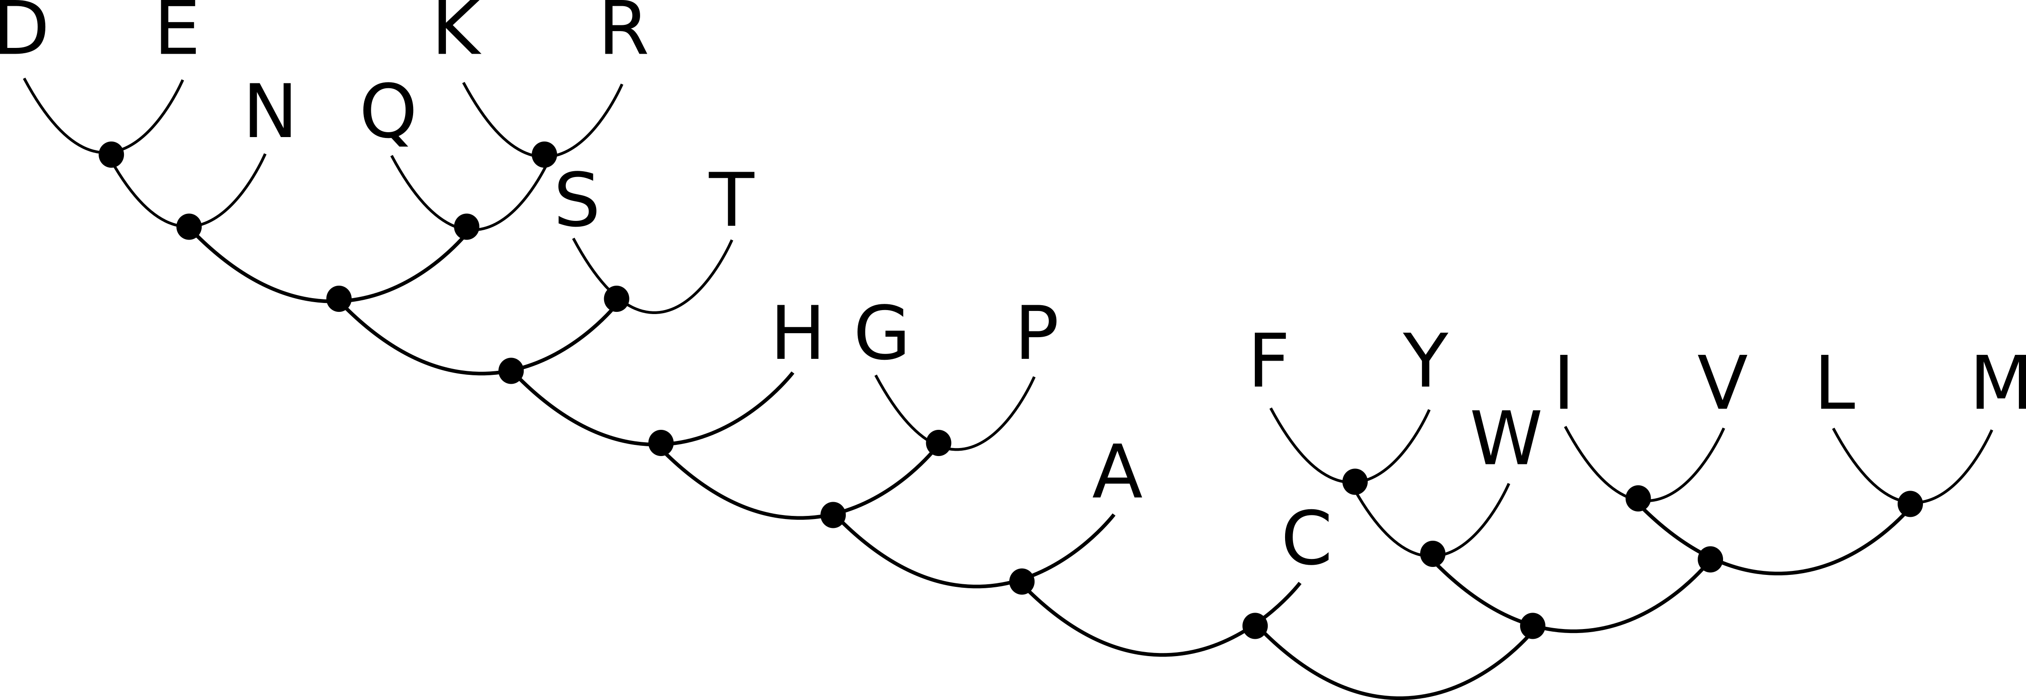

Changes in amino acid properties caused by plastome coding SNPs in A. montana
Dissimilarity (node distance) between original and alternate amino acid, change polymorphic within single samples or not
IB/CNE: amino acid changes associated with the split between Iberian samples and Central and Northern European samples

 | Change | Code | Node distance | IB/CNE
 | Lys>Gln | K>Q | 2 | 1
 | Thr>Pro | T>P | 5 | 0
 | Glu>Asp | E>D | 1 | 1
 | Lys>Asn | K>N | 4 | 0
 | Glu>Gln | E>Q | 4 | 0
 | Phe>Ile | F>I | 5 | 1
 | Ile>Met | I>M | 3 | 1
 | Met>Ile | M>I | 3 | 1
 | Phe>Leu | F>L | 5 | 1
 | Asn>Lys | N>K | 4 | 0
 | Lys>Asn | K>N | 4 | 1
 | Glu>Asp | E>D | 1 | 0
 | Gly>Glu | G>E | 7 | 1
 | Tyr>Ser | Y>S | 9 | 1
 | Gln>Lys | K>Q | 2 | 1

 | Changes
 | all |  |  | 15
 | IB/CNE |  |  | 10

 | Average node distances
 | all |  | 3.9
 | IB/CNE |  | 4.1
 | other |  | 3.6

