Cercariae (PNGase F)
S. haematobium cercariae - N-glycans
Th. m/z1 | Composition2 | Proposed structure3 | HF4 |  |  |  | Digestion5 |  |  |  |  | In Figure6
 |  |  | Treatment product composition | Exp m/z |  |  | Exoglycosidase | Treatment product composition | Exp m/z
 |  |  |  | Untreat. | +HF | Δm/z |  |  | Undig. | +Enzyme | Δm/z
1014.3784 | F1H2N2-AA |  | NS |  |  |  | α1-2,3,6 mannosidase | F1H1N2-AA | 1014.325 | - | - | S5.A
1176.4312 | F1H3N2-AA |  | NS |  |  |  | α1-2,3,6 mannosidase | F1H1N2-AA | 1176.371 | - | - | S5.A
1308.4734 | F1H3N2X1-AA |  | NS |  |  |  | α1-2,3,6 mannosidase | F1H1N2X1-AA | 1308.403 | 984.501 | 323.902 | S5.A
1354.4789 | H5N2-AA |  | NS |  |  |  | α1-2,3,6 mannosidase | H1N2-AA | 1354.405 | - | - | S5.A
1379.4742 | F1H3N3-AA |  | NS |  |  |  | α1-2,3,6 mannosidase β-GlcNAcase | F1H2N3 F1H3N2-AA | 1379.435 | 1217.619 1176.561 | 161.816 202.874 | S5.A
1516.5317 | H6N2-AA |  | NS |  |  |  | α1-2,3,6 mannosidase | H1N2-AA | 1516.428 | - | - | S5.A
1525.5685 | F2H3N3-AA |  | F1H3N3-AA | 1525.684 | 1379.598 | 146.086 | NS |  |  |  |  | S5.A
1541.5634 | F1H4N3-AA |  | NS |  |  |  | β1-4 galactosidase + β-GlcNAcase | F1H3N2-AA | 1541.471 | 1176.561 | 364.910 | S5.A
1582.5899 | F1H3N4-AA |  | NS |  |  |  | β-GlcNAcase | F1H3N2-AA | 1582.490 | 1176.561 | 405.929 | S5.A
1678.5846 | H7N2-AA |  | NS |  |  |  | α1-2,3,6 mannosidase | H1N2-AA | 1678.462 | - | - | S5.A
1687.6213 | F2H4N3-AA |  | F1H4N3-AA | 1687.749 | 1541.661 | 146.088 | NS |  |  |  |  | S5.A
1744.6427 | F1H4N4-AA |  | NS |  |  |  | β1-4 galactosidase + β-GlcNAcase | F1H3N2-AA | 1744.522 | 1176.561 | 567.961 | S5.A
1840.6374 | H8N2-AA |  | NS |  |  |  | α1-2,3,6 mannosidase | H1N2-AA | 1840.508 | - | - | S5.A
1890.7007 | F2H4N4-AA |  | F1H4N4-AA | 1890.847 | 1744.749 | 146.098 | β1-4 galactosidase + β-GlcNAcase | F2H4N3-AA | 1890.565 | 1687.805 | 202.760 | S5.A
1906.6956 | F1H5N4-AA |  | NS |  |  |  | β1-4 galactosidase + β-GlcNAcase | F1H3N2-AA | 1906.557 | 1176.561 | 729.996 | S5.A
2002.6902 | H9N2-AA |  | NS |  |  |  | α1-2,3,6 mannosidase | H1N2-AA | 2002.534 | - | - | S5.A

(1) Th. m/z |  | Theoretical m/z of the AA-labeled glycan in negative ion mode [M-H]-
(2) Composition |  | Determined glycan composition: AA= AA label, H = Hexose, N= N-acetylhexosamine, F = Fucose, X = Xylose
(3) Proposed structure |  | based on structural characterization performed using MALDI-TOF-MS, glycan sequencing techniques and information from literature
 |  | Structures are represented using the CFG nomenclature:
 |  | 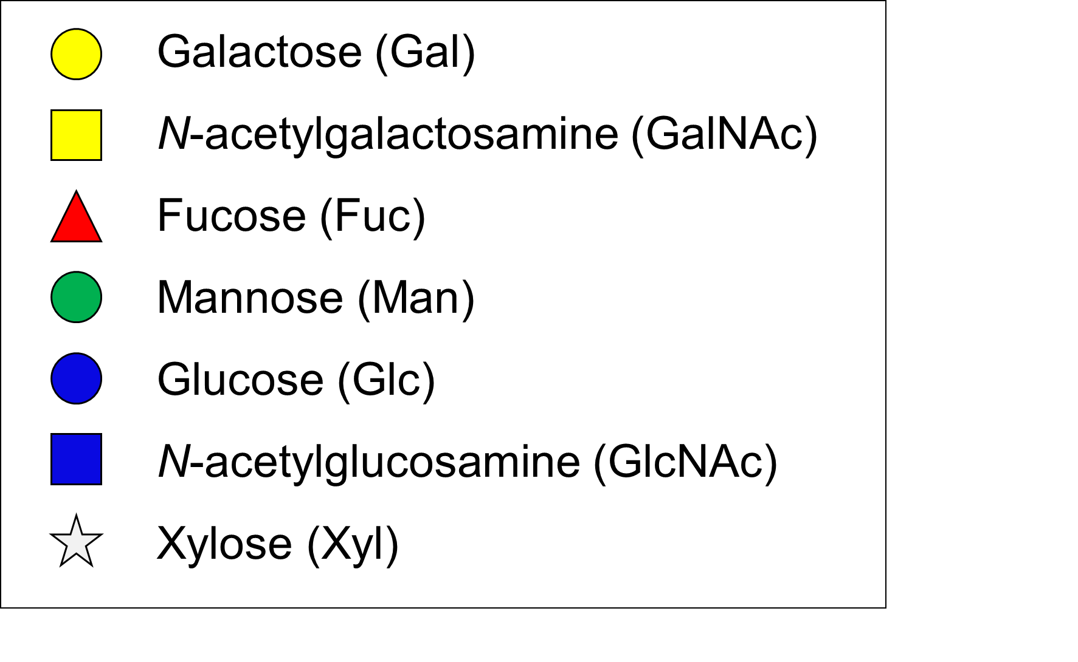

(4) HF |  | Treatment with hydrofluoric acid, structural changes resulting from the treatment and corresponding experimental (exp.) m/z are detailed - NS = Not sensitive to treatment
(5) Digestion |  | Treatment with specified exoglycosidases, structural changes resulting from the treatment and corresponding experimental (exp.) m/z are detailed - NS = not sensitive to treatment
(6) In figure |  | Figure showing experimental data corresponding to HF and exoglycosidase treatments

