Sh cercariae
S. haematobium cercariae - GSL glycans
Th. m/z1 | Composition2 | Proposed structure3 | HF4 |  |  |  | Digestion5 |  |  |  |  | In Figure6 | MALDI-TOF-MS/MS7
 |  |  | Treatment product composition | Exp m/z |  |  | Exoglycosidase | Treatment product composition | Exp m/z
 |  |  |  | Untreat. | +HF | Δm/z |  |  | Undig. | +Enzyme | Δm/z
989.35 | H4N1-AA |  | NS |  |  |  | β1-4 galactosidase | H3N1-AA | 989.20 | - | - | Fig S2-A | -
1135.40 | H4N1F1-AA |  | H4N1-AA | 1135.27 | 989.16 | 146.12 | NS |  |  |  |  | Fig S2-A | Fig S3-A
1151.40 | H5N1-AA |  | NS |  |  |  | β1-4 galactosidase | H4N1-AA | 1151.26 | 989.22 | 162.05 | Fig S2-A | Fig S3-A
1176.43 | H3N2F1-AA |  | H3N2-AA | 1176.29 | 1030.18 | 146.12 | NS |  |  |  |  | Fig S2-A | Fig S3-A
1322.49 | H3N2F2-AA |  | H3N2-AA | 1322.34 | 1030.18 | 292.16 | NS |  |  |  |  | Fig S2-A | Fig S3-A
1468.55 | H3N2F3-AA |  | H3N2-AA | 1468.36 | 1030.18 | 438.19 | NS |  |  |  |  | Fig S2-A | Fig S3-A
1516.53 | H5N2-AA |  | NS |  |  |  | β1-4 galactosidase | H4N2-AA | 1516.34 | 1354.33 | 162.01 | Fig S2-A | Fig S3-A
1614.60 | H3N2F4-AA |  | H3N2-AA | 1614.41 | 1030.18 | 584.23 | NS |  |  |  |  | Fig S2-A | Fig S3-A
1646.59 | H5N2F2-AA |  | H5N2-AA | 1646.38 | 1354.21 | 292.17 | NS |  |  |  |  | Fig S2-A | Fig S3-A
1678.58 | H7N2-AA |  | NS |  |  |  | β1-4 galactosidase | H5N2-AA | 1678.37 | 1516.37 | 162.00 | Fig S2-A | Fig S3-A
1760.66 | H3N2F5-AA |  | H3N2-AA | 1760.44 | 1030.18 | 730.27 | NS |  |  |  |  | Fig S2-A | Fig S3-A
1963.74 | H3N3F5-AA |  | H3N3-AA | 1963.50 | 1233.21 | 730.29 | NS |  |  |  |  | Fig S2-A | Fig S3-A
2166.82 | H3N4F5-AA |  | H3N4-AA | 2166.57 | 1436.24 | 730.33 | NS |  |  |  |  | Fig S2-A | Fig S3-A
2312.88 | H3N4F6-AA |  | H3N4-AA | 2312.62 | 1436.24 | 876.38 | NS |  |  |  |  | Fig S2-A | Fig S3-A
2515.96 | H3N5F6-AA |  | H3N5-AA | 2515.68 | 1639.28 | 876.41 | NS |  |  |  |  | Fig S2-A | -

(1) Th. m/z | Theoretical m/z of the AA-labeled glycan in negative ion mode [M-H]-
(2) Composition | Determined glycan composition: AA= AA label, H = Hexose, N= N-acetylhexosamine, F = Fucose
(3) Proposed structure | based on structural characterization performed using MALDI-TOF-MS/MS and glycan sequencing techniques
 | Structures are represented using the CFG nomenclature:
 | 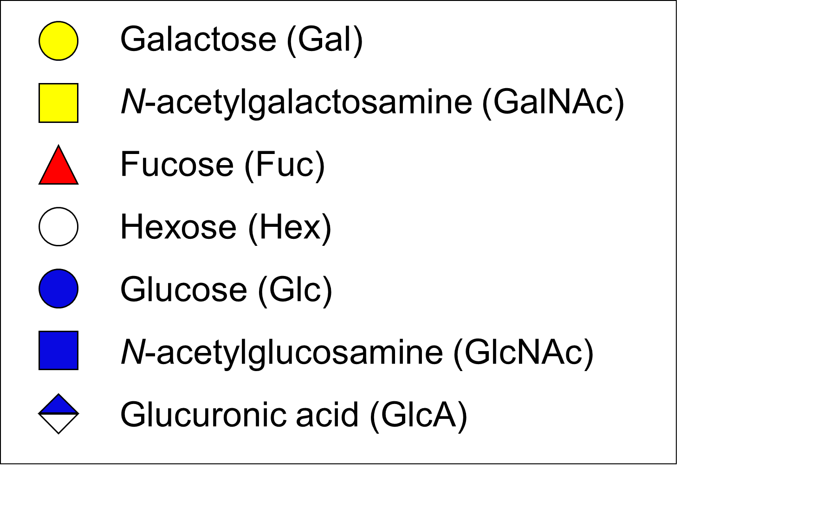

(4) HF | Treatment with hydrofluoric acid, structural changes resulting from the treatment and corresponding experimental (exp.) m/z are detailed - NS = Not sensitive to treatment
(5) Digestion | Treatment with specified exoglycosidases, structural changes resulting from the treatment and corresponding experimental (exp.) m/z are detailed - NS = not sensitive to treatment
(6) In figure | Figure showing experimental data corresponding to HF and exoglycosidase treatments
(7) MALDI-TOF-MS/MS | Figure in which MALDI-TOF-MS/MS analysis of the ion species is displayed, when applicable

Sh eggs
S. haematobium eggs - GSL glycans
Ref0 | Th. m/z1 | Composition2 | Proposed structure3 | HF4 |  |  |  | Digestion5 |  |  |  |  | In Figure6 | MALDI-TOF-MS/MS7 | PGC-nano-LC-MS/MS8
 |  |  |  | Treatment product composition | Exp m/z |  |  | Exoglycosidase | Treatment product composition | Exp m/z
 |  |  |  |  | Untreat. | +HF | Δm/z |  |  | Undig. | +Enzyme | Δm/z
N-1 | 1030.37 | H3N2-AA |  | NS |  |  |  | β-HexNAcase | H3-AA | 1030.258 | - | - | Fig S2-C | - | Fig. S4-D1
N-2 | 1176.43 | H3N2F1-AA |  | H3N2-AA | 1176.314 | 1030.293 | 146.021 | Partial β-HexNAcase | H3N3F1-AA | 1176.314 | 973.268 | 203.046 | Fig S2-C | - | Fig. S4-D2 a-b 2 isomeric structures
N-3 | 1436.53 | H3N4-AA |  | NS |  |  |  | β-HexNAcase | H3-AA | 1436.392 | - | - | Fig S2-C | - | Fig. S4-D3
N-4 T-1 | 1582.59 | H3N4F1-AA |  | H3N4-AA | 1582.437 | 1436.435 | 146.002 | β-HexNAcase | H3N1F1 H3N3F1-AA | 1582.437 | 973.259 1379.426 | 609.178 203.011 | Fig S2-C | - | Fig. S4-D4 a-b 2 isomeric structures
A-1 T-2 | 1612.56 | H3N4A1-AA |  | NS |  |  |  | β-HexNAcase | H3N3A1-AA | 1612.409 | 1409.395 | 203.014 | Fig S2-C | - | -
N-5 | 1785.67 | H3N5F1-AA |  | H3N5-AA | 1785.502 | 1639.503 | 145.999 | β-HexNAcase | H3N4F1-AA | 1785.502 | 1582.488 | 203.014 | Fig S2-C | - | -
A-2 T-3 | 1815.64 | H3N5A1-AA |  | NS |  |  |  | β-HexNAcase | H3N4A1-AA | 1815.478 | 1612.461 | 203.017 | Fig S2-C | Fig S3-C | -
N-6 | 1849.67 | H5N3F2-AA |  | H5N3-AA | 1849.505 | 1557.457 | 292.048 | β-HexNAcase | H5N2F2-AA | 1849.505 | 1646.484 | 203.021 | Fig S2-C | - | Fig. S4-D5
N-7 T-4 | 1931.73 | H3N5F2-AA |  | H3N5-AA | 1931.553 | 1639.503 | 292.05 | β-HexNAcase | H3N2F2-AA | 1931.553 | 1322.407 | 609.146 | Fig S2-C | - | Fig. S4-D6
A-3 T-5 | 1961.70 | H3N5A1F1-AA |  | H3N5A1-AA | 1961.534 | 1815.532 | 146.002 | β-HexNAcase | H3N4A1F1-AA | 1961.534 | 1758.514 | 203.02 | Fig S2-C | Fig S3-C | Fig. S4-C1
A-4 T-6 | 2018.72 | H3N6A1-AA |  | NS |  |  |  | β-HexNAcase | H3N5A1-AA | 2018.553 | 1815.534 | 203.019 | Fig S2-C | Fig S3-C | Fig. S4-C2
N-8 T-7 | 2134.81 | H3N6F2-AA |  | H3N6-AA | 2134.63 | 1842.574 | 292.056 | β-HexNAcase | H3N3F2-AA | 2134.63 | 1525.472 | 609.158 | Fig S2-C | Fig S3-C | -
A-5 T-8 | 2164.78 | H3N6A1F1-AA |  | H3N6A1-AA | 2164.611 | 2018.611 | 146.000 | β-HexNAcase | H3N5A1F1-AA | 2164.611 | 1961.594 | 203.017 | Fig S2-C | - | Fig. S4-C3
A-6 T-9 | 2221.80 | H3N7A1-AA |  | NS |  |  |  | β-HexNAcase | H3N6A1-AA | 2221.63 | 2018.614 | 203.016 | Fig S2-C | Fig S3-C | Fig. S4-C4
N-9 T-10 | 2280.86 | H3N6F3-AA |  | H3N6-AA | 2280.684 | 1842.574 | 438.11 | β-HexNAcase | H3N3F3-AA | 2280.684 | 1671.521 | 609.163 | Fig S2-C | Fig S3-C | -
A-7 T-11 | 2310.84 | H3N6A1F2-AA |  | H3N6A1-AA | 2310.663 | 2018.611 | 292.052 | β-HexNAcase | H3N5A1F2-AA | 2310.663 | 2107.65 | 203.013 | Fig S2-C | Fig S3-C | Fig. S4-C5
A-8 T-12 | 2368.86 | H3N7A1F1-AA |  | H3N7A1-AA | 2367.688 | 2221.698 | 145.99 | β-HexNAcase | H3N5A1F1-AA | 2367.688 | 2164.677 | 203.011 | Fig S2-C | - | Fig. S4-C6
N-10 T-13 | 2483.94 | H3N7F3-AA |  | H3N7-AA | 2483.755 | 2045.653 | 438.102 | β-HexNAcase | H3N4F3-AA | 2483.755 | 1874.598 | 609.157 | Fig S2-C | Fig S3-C | -
A-9 T-14 | 2513.92 | H3N7A1F2-AA |  | H3N7A1-AA | 2513.743 | 2221.698 | 292.045 | β-HexNAcase | H3N6A1F2-AA | 2513.743 | 2310.734 | 203.009 | Fig S2-C | Fig S3-C | Fig. S4-C7
A-10 T-15 | 2659.98 | H3N7A1F3-AA |  | H3N7A1-AA | 2659.791 | 2221.698 | 438.093 | β-HexNAcase | H3N6A1F3-AA | 2659.791 | 2456.787 | 203.004 | Fig S2-C | Fig S3-C | Fig. S4-C8

(0) Ref |  | Reference assigned to corresponding ion species.
 |  | T = indicates that ion yields one of the 15 most major signals in the total MALDI-TOF-MS profile
 |  | A = indicates that ion yields one of the 10 major signals in the MALDI-TOF-MS profile of the acidic fraction of the egg GSL glycans
 |  | N = indicates that ion yields one of the 10 major signals in the MALDI-TOF-MS profile of the neutral fraction of the egg GSL glycans
(1) Th. m/z |  | Theoretical m/z of the AA-labeled glycan in negative ion mode [M-H]-
(2) Composition |  | Determined glycan composition: AA= AA label, H = Hexose, N= N-acetylhexosamine, A = Hexuronic acid, F = Fucose
(3) Proposed structure |  | based on structural characterization performed using MALDI-TOF-MS/MS, glycan sequencing techniques and PGC-nano-LC-MS/MS. GlcA has been found linked to either GlcNAc or GalNAc. Based on analogy with S. mansoni, HexNAcs in the GSL glycan backbone are presumed to be GlcNAc.
 |  | Structures are represented using the CFG nomenclature:
 |  | 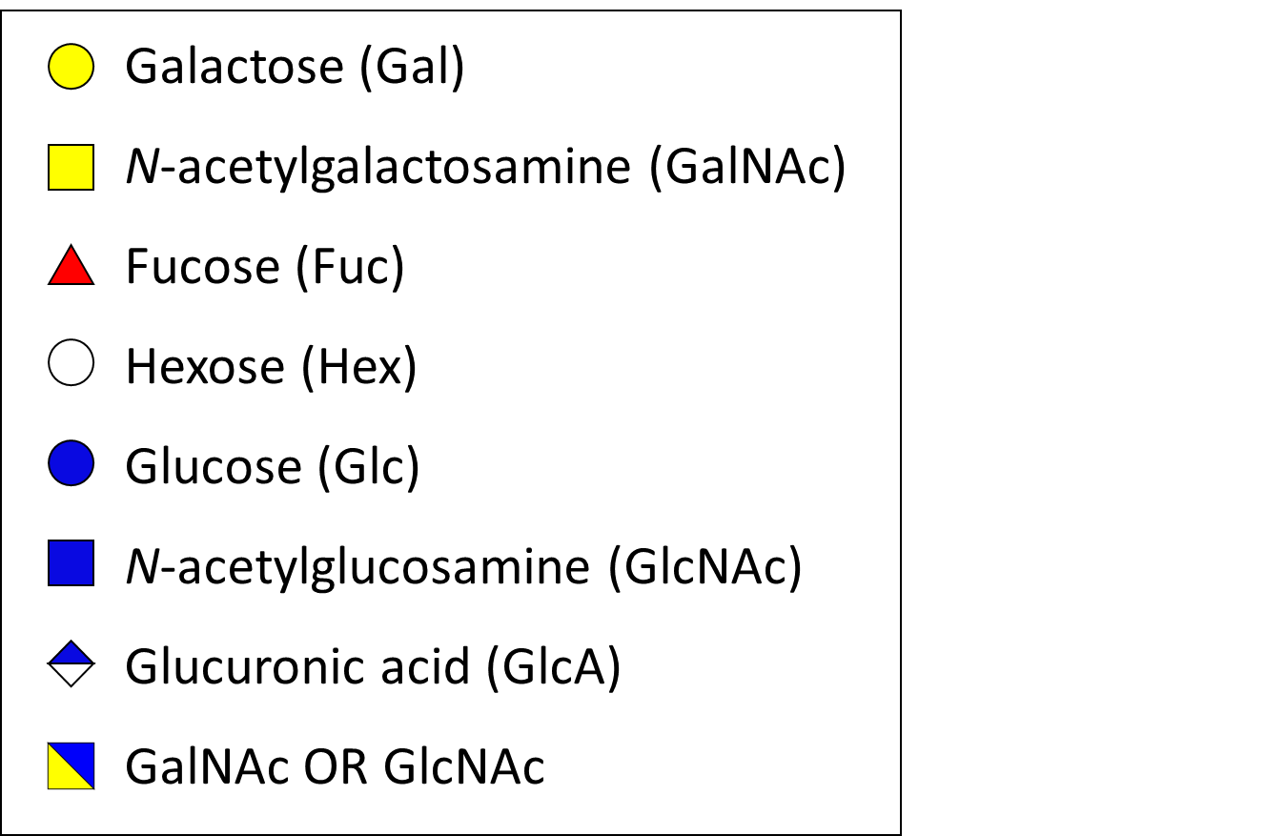

(4) HF |  | Treatment with hydrofluoric acid, structural changes resulting from the treatment and corresponding experimental (exp.) m/z are detailed - NS = Not sensitive to treatment
(5) Digestion |  | Treatment with specified exoglycosidases, structural changes resulting from the treatment and corresponding experimental (exp.) m/z are detailed - NS = not sensitive to treatment
(6) In figure |  | Figure showing experimental data corresponding to HF and exoglycosidase treatments
(7) MALDI-TOF-MS/MS |  | Figure in which MALDI-TOF-MS/MS analysis of the ion species is displayed, when applicable
(8) PGC-nano-LC-MS/MS |  | Figure in which PGC-nano-LC-MS/MS analysis of the ion species is displayed, when applicable

