Cercariae
S. haematobium cercariae - O-glycans
Th. m/z1 | Composition2 | Proposed structure3 | MALDI-TOF-MS/MS4
738.39 | H2N1 |  | S7.A
942.49 | H3N1 |  | S7.A
983.51 | H2N2 |  | S7.A
1157.60 | F1H2N2 |  | S7.A
1187.61 | H3N2 |  | S7.A
1361.70 | F1H3N2 |  | S7.A
1391.71 | H4N2 |  | S7.A
1565.80 | F1H4N2 |  | S7.A
1720.90 | F4H1N3 |  | S7.A
2907.42 | F8H1N5 |  | S7.A

(1) Th. m/z |  | Theoretical m/z of the reduced, permethylated glycan in positive ion mode [M+Na]+
(2) Composition |  | Determined glycan composition: H = Hexose, N= N-acetylhexosamine, F = Fucose.
(3) Proposed structure |  | based on structural characterization performed using MALDI-TOF-MS/MS (column D) and information from litterature
 |  | Structures are represented using the CFG nomenclature:
 |  | 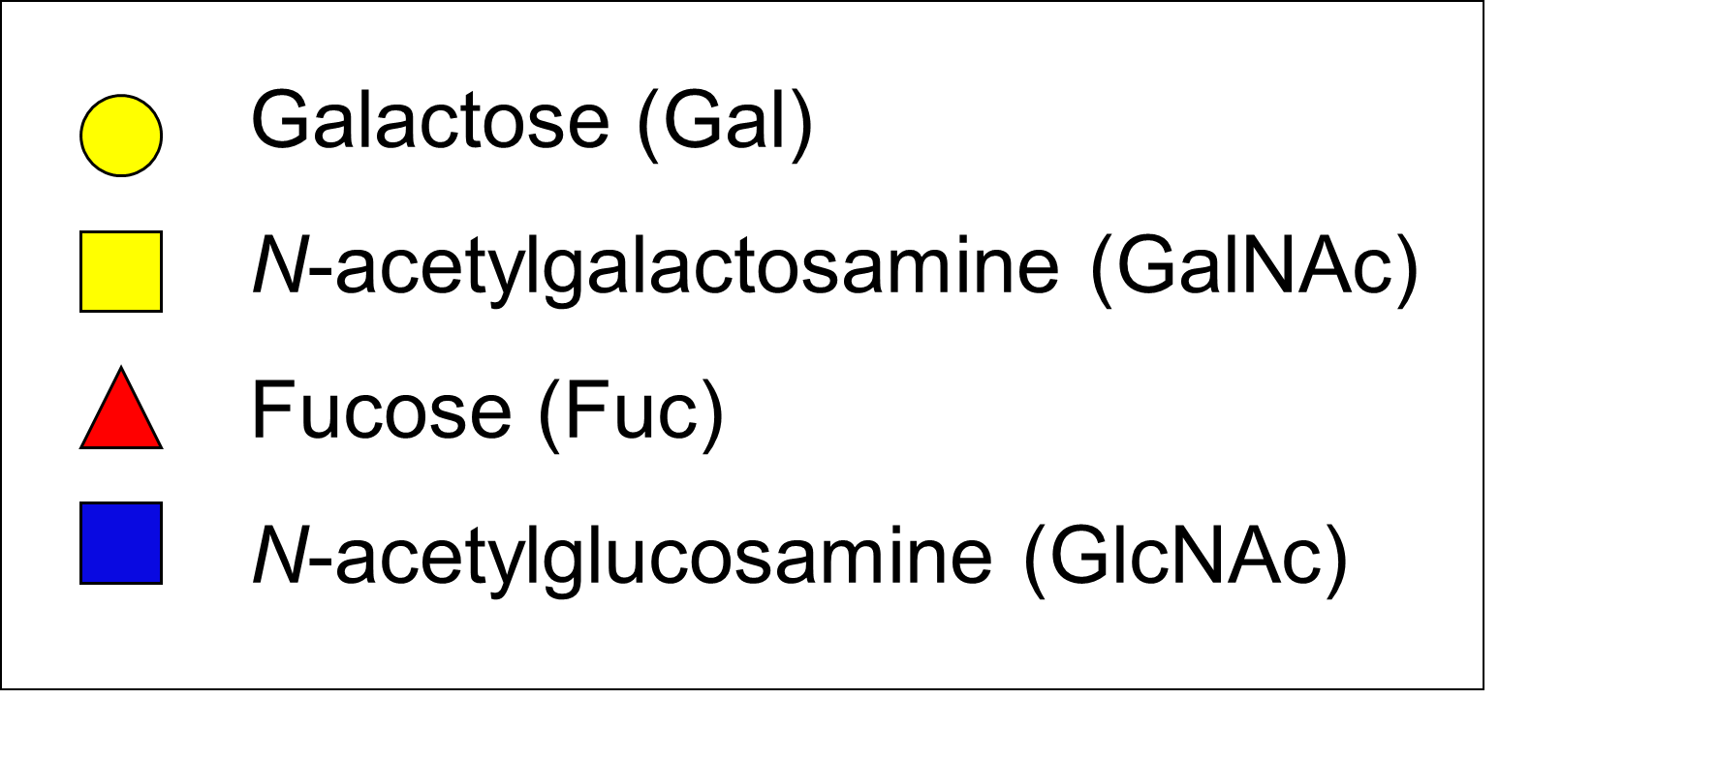

(4) MALDI-TOF-MS/MS |  | Figure in which MALDI-TOF-MS/MS analysis of the ion species is displayed, when applicable

