Table S1
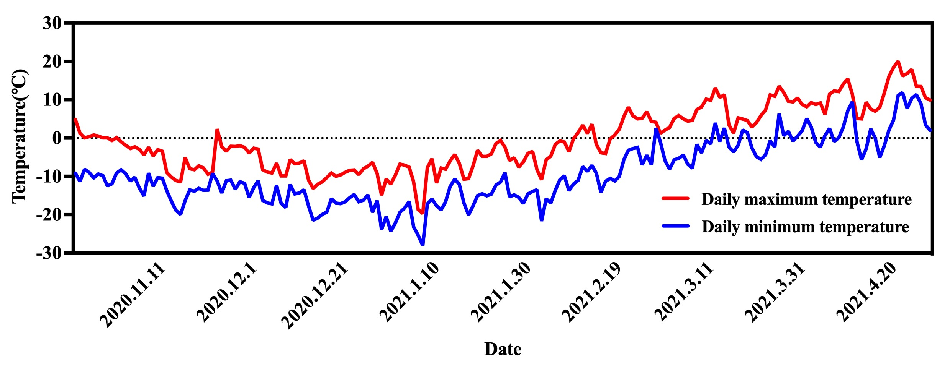
Table S1-Temperature and humidity recorder
Date | Temperature ℃ |  |  | Humidity %
 | Max | Min | Mean | Max | Min | Mean
2020.10.23 | 18.92 | -9.16 | 4.88 | 76.11 | 36.15 | 56.13
2020.10.24 | 13.87 | -11.32 | 1.27 | 80.69 | 36.09 | 58.39
2020.10.25 | 8.25 | -8.13 | 0.06 | 90.52 | 40.49 | 65.51
2020.10.26 | 9.80 | -9.00 | 0.40 | 90.03 | 42.07 | 66.05
2020.10.27 | 11.98 | -10.36 | 0.81 | 94.41 | 37.77 | 66.09
2020.10.28 | 10.44 | -9.40 | 0.52 | 83.61 | 38.69 | 61.15
2020.10.29 | 10.03 | -9.84 | 0.09 | 82.03 | 37.35 | 59.69
2020.10.30 | 12.61 | -12.50 | 0.05 | 90.87 | 36.40 | 63.64
2020.10.31 | 10.64 | -11.94 | -0.65 | 82.68 | 37.92 | 60.30
2020.11.1 | 9.38 | -9.13 | 0.13 | 75.97 | 34.78 | 55.38
2020.11.2 | 6.28 | -8.26 | -0.99 | 83.04 | 36.40 | 59.72
2020.11.3 | 5.61 | -9.34 | -1.86 | 74.11 | 47.93 | 61.02
2020.11.4 | 5.76 | -11.25 | -2.75 | 82.48 | 43.17 | 62.83
2020.11.5 | 5.67 | -10.23 | -2.28 | 90.00 | 50.42 | 70.21
2020.11.6 | 7.21 | -13.04 | -2.91 | 83.51 | 47.62 | 65.57
2020.11.7 | 6.34 | -15.14 | -4.40 | 88.19 | 48.97 | 68.58
2020.11.8 | 4.33 | -9.10 | -2.39 | 91.05 | 55.76 | 73.41
2020.11.9 | 3.26 | -12.59 | -4.67 | 84.71 | 59.11 | 71.91
2020.11.10 | 4.33 | -10.34 | -3.01 | 84.50 | 50.23 | 67.37
2020.11.11 | 3.57 | -10.46 | -3.45 | 86.11 | 47.39 | 66.75
2020.11.12 | -4.24 | -13.72 | -8.98 | 71.87 | 27.53 | 49.70
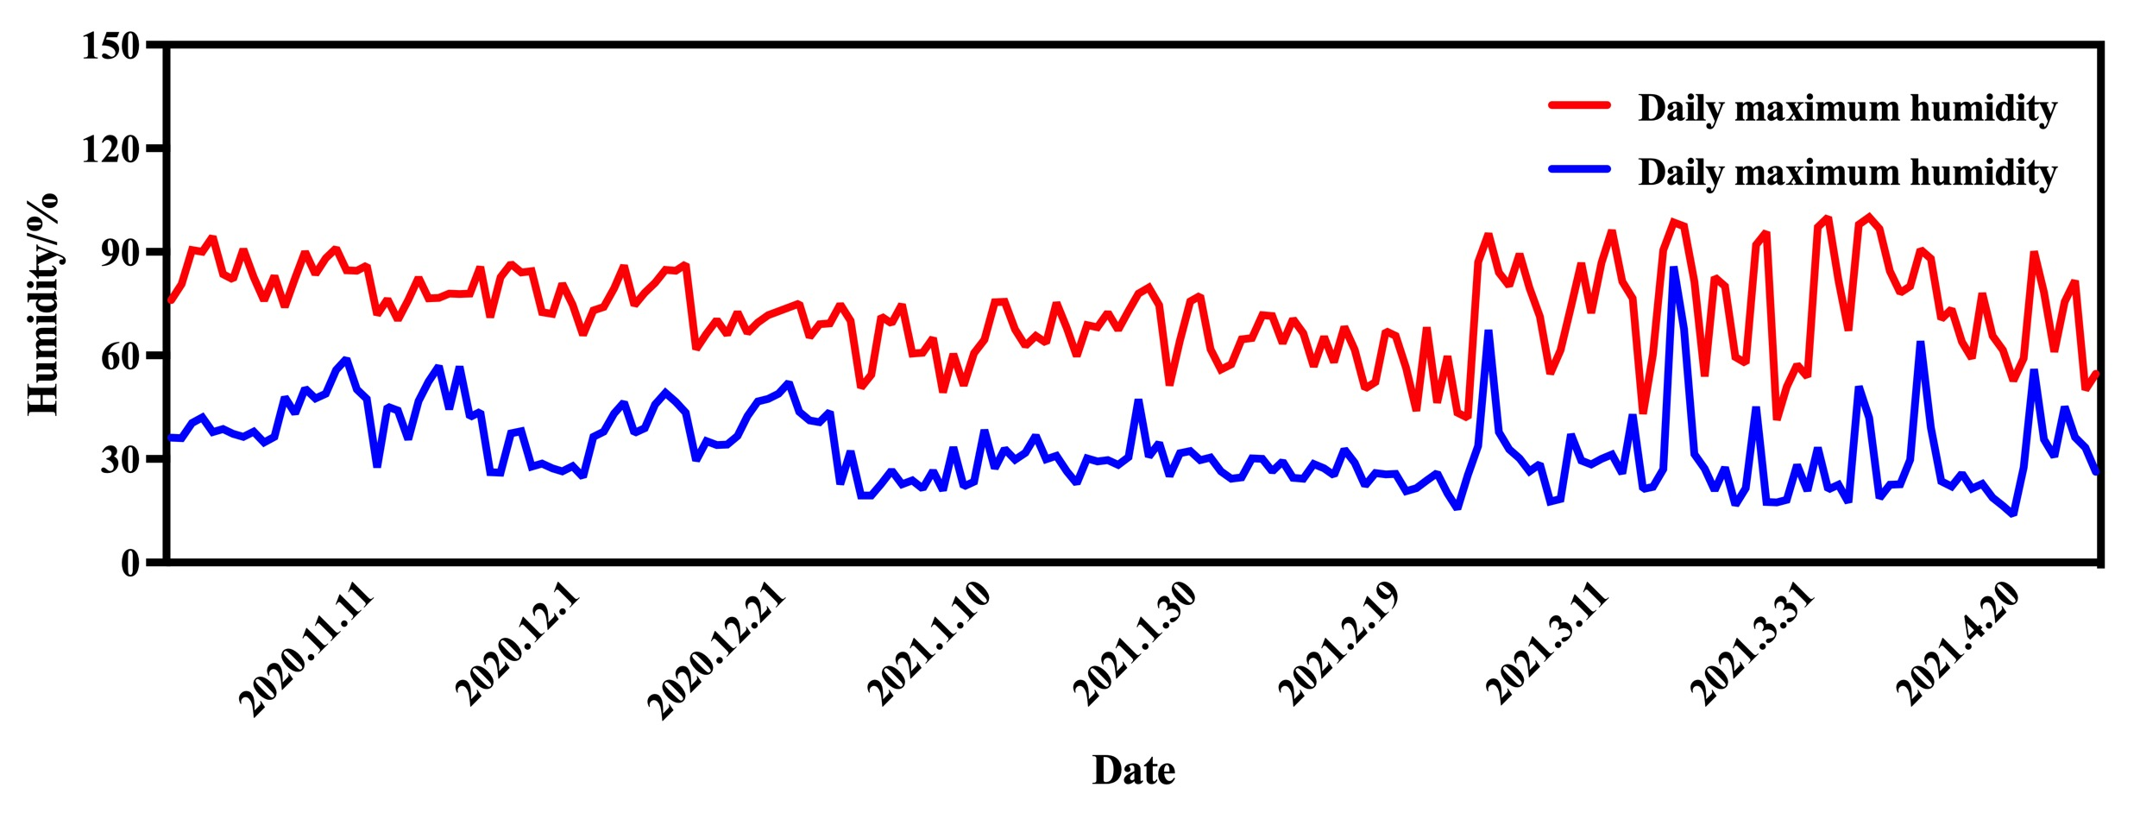
2020.11.13 | -3.88 | -16.49 | -10.18 | 76.25 | 45.15 | 60.70
2020.11.14 | -3.19 | -18.90 | -11.05 | 70.32 | 44.11 | 57.21
2020.11.15 | -2.90 | -19.94 | -11.42 | 76.09 | 35.72 | 55.91
2020.11.16 | 6.25 | -16.34 | -5.05 | 82.53 | 46.78 | 64.66
2020.11.17 | -2.42 | -13.54 | -7.98 | 76.53 | 52.40 | 64.47
2020.11.18 | -2.66 | -13.87 | -8.27 | 76.73 | 56.95 | 66.84
2020.11.19 | -1.30 | -13.11 | -7.21 | 77.92 | 44.38 | 61.15
2020.11.20 | -1.90 | -13.64 | -7.77 | 77.84 | 56.79 | 67.32
2020.11.21 | -5.24 | -13.57 | -9.41 | 77.90 | 42.19 | 60.05
2020.11.22 | -8.67 | -9.23 | -8.95 | 85.68 | 43.72 | 64.70
2020.11.23 | 15.91 | -11.18 | 2.37 | 71.11 | 26.15 | 48.63
2020.11.24 | 9.91 | -14.32 | -2.21 | 82.69 | 26.09 | 54.39
2020.11.25 | 4.28 | -11.13 | -3.43 | 86.52 | 37.49 | 62.00
2020.11.26 | 6.80 | -11.00 | -2.10 | 84.03 | 38.07 | 61.05
2020.11.27 | 8.98 | -13.36 | -2.19 | 84.41 | 27.77 | 56.09
2020.11.28 | 7.44 | -11.40 | -1.98 | 72.61 | 28.69 | 50.65
2020.11.29 | 7.03 | -11.84 | -2.41 | 72.03 | 27.35 | 49.69
2020.11.30 | 7.61 | -15.50 | -3.95 | 80.87 | 26.40 | 53.64
2020.12.1 | 7.64 | -12.94 | -2.65 | 74.68 | 27.92 | 51.30
2020.12.2 | 5.38 | -11.13 | -2.88 | 65.97 | 24.78 | 45.38
2020.12.3 | -0.28 | -16.26 | -8.27 | 73.04 | 36.40 | 54.72
2020.12.4 | -0.80 | -16.92 | -8.86 | 74.11 | 37.93 | 56.02
2020.12.5 | -1.06 | -17.20 | -9.13 | 79.48 | 43.17 | 61.33
2020.12.6 | -0.72 | -12.34 | -6.53 | 86.00 | 46.42 | 66.21
2020.12.7 | -2.76 | -17.04 | -9.90 | 74.51 | 37.62 | 56.07
2020.12.8 | -1.62 | -18.14 | -9.88 | 78.19 | 38.97 | 58.58
2020.12.9 | 0.88 | -12.10 | -5.61 | 81.05 | 45.76 | 63.41
2020.12.10 | 1.28 | -14.59 | -6.66 | 84.81 | 49.18 | 67.00
2020.12.11 | 1.30 | -14.34 | -6.52 | 84.50 | 46.61 | 65.56
2020.12.12 | 1.57 | -13.46 | -5.95 | 86.49 | 43.39 | 64.94
2020.12.13 | -4.24 | -17.72 | -10.98 | 61.87 | 29.50 | 45.69
2020.12.14 | -4.88 | -21.49 | -13.18 | 66.25 | 35.15 | 50.70
2020.12.15 | -3.15 | -20.90 | -12.02 | 70.32 | 34.11 | 52.21
2020.12.16 | -2.90 | -19.94 | -11.42 | 66.09 | 34.22 | 50.16
2020.12.17 | -1.25 | -19.34 | -10.30 | 72.53 | 36.64 | 54.59
2020.12.18 | -2.42 | -15.84 | -9.13 | 66.53 | 42.40 | 54.47
2020.12.19 | -2.98 | -16.96 | -9.97 | 69.53 | 46.65 | 58.09
2020.12.20 | -2.16 | -17.11 | -9.64 | 71.67 | 47.38 | 59.53
2020.12.21 | -1.20 | -16.64 | -8.92 | 72.84 | 48.89 | 60.87
2020.12.22 | -1.24 | -15.57 | -8.41 | 73.90 | 52.19 | 63.05
2020.12.23 | -1.87 | -14.74 | -8.31 | 75.06 | 43.72 | 59.39
2020.12.24 | -2.40 | -16.64 | -9.52 | 65.37 | 41.23 | 53.30
2020.12.25 | 0.14 | -16.21 | -8.04 | 69.11 | 40.74 | 54.93
2020.12.26 | 0.20 | -14.82 | -7.31 | 69.30 | 43.72 | 56.51
2020.12.27 | 6.70 | -19.38 | -6.34 | 74.77 | 22.68 | 48.72
2020.12.28 | -2.26 | -16.32 | -9.29 | 70.07 | 32.33 | 51.20
2020.12.29 | -5.92 | -23.90 | -14.91 | 50.72 | 19.46 | 35.09
2020.12.30 | -0.84 | -20.50 | -10.67 | 54.41 | 19.38 | 36.89
2020.12.31 | 0.30 | -24.33 | -12.01 | 71.37 | 22.80 | 47.09
2021.1.1 | 2.81 | -22.20 | -9.70 | 69.29 | 26.70 | 48.00
2021.1.2 | 5.80 | -19.38 | -6.79 | 74.77 | 22.68 | 48.72
2021.1.3 | 4.11 | -18.28 | -7.09 | 60.56 | 23.81 | 42.19
2021.1.4 | 1.44 | -16.54 | -7.55 | 60.82 | 21.45 | 41.14
2021.1.5 | 0.43 | -23.14 | -11.36 | 65.11 | 26.61 | 45.86
2021.1.6 | -12.00 | -25.36 | -18.68 | 49.30 | 20.98 | 35.14
2021.1.7 | -11.34 | -28.04 | -19.69 | 60.49 | 33.45 | 46.97
2021.1.8 | 1.78 | -17.20 | -7.71 | 51.37 | 22.09 | 36.73
2021.1.9 | 5.12 | -15.92 | -5.40 | 60.65 | 23.43 | 42.04
2021.1.10 | -5.74 | -17.68 | -11.71 | 64.50 | 38.45 | 51.48
2021.1.11 | 3.06 | -18.74 | -7.84 | 75.38 | 27.33 | 51.36
2021.1.12 | 0.38 | -16.60 | -8.11 | 75.56 | 32.98 | 54.27
2021.1.13 | 0.66 | -12.60 | -5.97 | 67.62 | 29.80 | 48.71
2021.1.14 | 2.14 | -10.66 | -4.26 | 62.85 | 31.82 | 47.34
2021.1.15 | -1.14 | -12.15 | -6.65 | 65.68 | 36.84 | 51.26
2021.1.16 | -4.52 | -16.98 | -10.75 | 63.69 | 29.94 | 46.82
2021.1.17 | -1.05 | -20.06 | -10.56 | 75.31 | 30.94 | 53.13
2021.1.18 | 3.05 | -17.71 | -7.33 | 67.92 | 26.46 | 47.19
2021.1.19 | 8.67 | -15.02 | -3.18 | 59.77 | 22.94 | 41.36
2021.1.20 | 4.96 | -14.52 | -4.78 | 68.78 | 30.15 | 49.47
2021.1.21 | 5.53 | -15.06 | -4.77 | 68.15 | 29.30 | 48.73
2021.1.22 | 6.32 | -14.62 | -4.15 | 72.39 | 29.72 | 51.06
2021.1.23 | 9.43 | -12.28 | -1.42 | 67.38 | 28.26 | 47.82
2021.1.24 | 10.19 | -11.47 | -0.64 | 72.89 | 30.60 | 51.75
2021.1.25 | 4.27 | -9.01 | -2.37 | 77.98 | 47.31 | 62.65
2021.1.26 | 3.60 | -15.33 | -5.87 | 79.64 | 30.64 | 55.14
2021.1.27 | 4.60 | -14.80 | -5.10 | 74.51 | 34.70 | 54.61
2021.1.28 | 0.36 | -15.50 | -7.57 | 51.25 | 25.03 | 38.14
2021.1.29 | 4.58 | -17.05 | -6.24 | 64.28 | 31.72 | 48.00
2021.1.30 | 6.62 | -14.56 | -3.97 | 75.64 | 32.26 | 53.95
2021.1.31 | 6.96 | -13.92 | -3.48 | 77.25 | 29.63 | 53.44
2021.2.1 | -3.00 | -13.46 | -8.23 | 61.79 | 30.39 | 46.09
2021.2.2 | -0.06 | -21.70 | -10.88 | 55.99 | 26.48 | 41.24
2021.2.3 | 4.48 | -15.80 | -5.66 | 57.46 | 24.26 | 40.86
2021.2.4 | 7.48 | -16.96 | -4.74 | 64.74 | 24.64 | 44.69
2021.2.5 | 10.31 | -13.56 | -1.63 | 65.11 | 30.13 | 47.62
2021.2.6 | 9.35 | -10.84 | -0.75 | 71.71 | 30.03 | 50.87
2021.2.7 | 7.74 | -9.80 | -1.03 | 71.41 | 26.46 | 48.94
2021.2.8 | 6.70 | -13.74 | -3.52 | 63.52 | 29.27 | 46.40
2021.2.9 | 11.75 | -11.97 | -0.11 | 70.51 | 24.62 | 47.57
2021.2.10 | 13.96 | -11.01 | 1.48 | 66.47 | 24.31 | 45.39
2021.2.11 | 14.14 | -7.42 | 3.36 | 56.87 | 28.51 | 42.69
2021.2.12 | 11.07 | -8.68 | 1.20 | 65.41 | 27.35 | 46.38
2021.2.13 | 14.32 | -7.10 | 3.61 | 58.03 | 25.27 | 41.65
2021.2.14 | 5.88 | -9.20 | -1.66 | 68.25 | 32.75 | 50.50
2021.2.15 | 6.54 | -14.16 | -3.81 | 61.71 | 28.93 | 45.32
2021.2.16 | 3.22 | -11.26 | -4.02 | 50.43 | 22.25 | 36.34
2021.2.17 | 10.10 | -10.52 | -0.21 | 52.32 | 25.95 | 39.14
2021.2.18 | 12.82 | -11.16 | 0.83 | 67.11 | 25.56 | 46.34
2021.2.19 | 14.57 | -9.96 | 2.30 | 65.67 | 25.65 | 45.66
2021.2.20 | 16.92 | -5.56 | 5.68 | 56.40 | 20.72 | 38.56
2021.2.21 | 19.35 | -3.19 | 8.08 | 43.97 | 21.62 | 32.80
2021.2.22 | 14.34 | -2.74 | 5.80 | 68.18 | 23.82 | 46.00
2021.2.23 | 12.47 | -2.41 | 5.03 | 46.28 | 25.92 | 36.10
2021.2.24 | 17.33 | -6.98 | 5.17 | 59.85 | 20.06 | 39.96
2021.2.25 | 18.20 | -4.46 | 6.87 | 43.39 | 15.56 | 29.48
2021.2.26 | 15.62 | -6.91 | 4.35 | 41.97 | 25.29 | 33.63
2021.2.27 | 5.68 | 2.56 | 4.12 | 87.03 | 33.81 | 60.42
2021.2.28 | 3.52 | -1.00 | 1.26 | 95.36 | 67.48 | 81.42
2021.3.1 | 9.97 | -5.84 | 2.07 | 84.03 | 37.76 | 60.89
2021.3.2 | 13.70 | -8.13 | 2.78 | 80.16 | 32.80 | 56.48
2021.3.3 | 15.90 | -5.67 | 5.12 | 89.47 | 30.13 | 59.80
2021.3.4 | 17.00 | -5.26 | 5.87 | 79.53 | 26.46 | 53.00
2021.3.5 | 14.50 | -4.44 | 5.03 | 71.31 | 28.53 | 49.92
2021.3.6 | 15.70 | -6.82 | 4.44 | 54.71 | 17.72 | 36.22
2021.3.7 | 17.17 | -7.90 | 4.64 | 61.55 | 18.41 | 39.98
2021.3.8 | 16.52 | -1.60 | 7.46 | 74.01 | 37.20 | 55.61
2021.3.9 | 20.15 | -3.86 | 8.15 | 86.83 | 29.52 | 58.18
2021.3.10 | 20.98 | -0.64 | 10.17 | 72.37 | 28.38 | 50.38
2021.3.11 | 21.24 | -1.52 | 9.86 | 86.95 | 30.08 | 58.52
2021.3.12 | 22.25 | 3.95 | 13.10 | 96.26 | 31.32 | 63.79
2021.3.13 | 22.16 | -0.92 | 10.62 | 81.48 | 25.76 | 53.62
2021.3.14 | 19.91 | 2.64 | 11.28 | 76.57 | 42.98 | 59.77
2021.3.15 | 9.25 | -2.32 | 3.47 | 43.12 | 21.33 | 32.22
2021.3.16 | 6.20 | -3.64 | 1.28 | 60.33 | 21.99 | 41.16
2021.3.17 | 12.42 | -1.88 | 5.27 | 90.57 | 27.09 | 58.83
2021.3.18 | 7.82 | 2.11 | 4.97 | 98.60 | 85.83 | 92.22
2021.3.19 | 7.72 | 1.44 | 4.58 | 97.46 | 67.71 | 82.59
2021.3.20 | 8.27 | -2.48 | 2.89 | 81.39 | 31.47 | 56.43
2021.3.21 | 12.86 | -4.84 | 4.01 | 53.94 | 27.15 | 40.55
2021.3.22 | 17.35 | -5.56 | 5.90 | 82.63 | 20.95 | 51.79
2021.3.23 | 19.03 | -4.37 | 7.33 | 80.06 | 27.57 | 53.82
2021.3.24 | 23.23 | -0.68 | 11.28 | 59.51 | 16.73 | 38.12
...

Table S4
Table S4 RNA-Seq assembly quality
Genes Number | GC % | N50 Number of Unigene | N50 Length of Unigene (bp) | Max Length of Unigene (bp) | Min Length of Unigene (bp) | Average Length of Unigene (bp) | Total Assembled Bases
76194 | 35.0836 | 9764 | 1839 | 41827 | 201 | 944 | 71933873

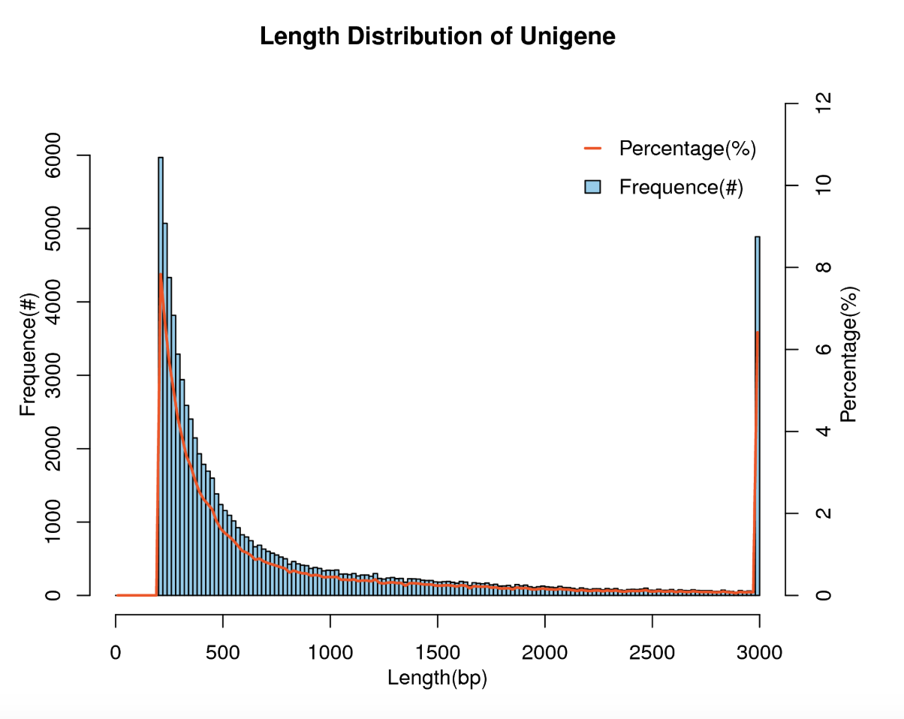

Table S5
Table S5 Database Annotation Statistics Table
Total Unigenes | Nr | KEGG | KOG | SwissProt | Annotation genes | Without annotation gene
76194 | 37020 | 31632 | 15419 | 16994 | 37446 | 38748

