SI_Table3
Site Focus | Taxanomic Focus | Stable Isotope | Shapiro | Normality | ANOVA P Value | Kruskal–Wallis | Rank-based Generalized Linear Model (GLM) | Ttest | Mann–Whitney | Significant Difference | Interpretation | R Code | Results (Shapiro) | Results (ANOVA or Kruskal–Wallis, Ttest or Wilcox or Mann–Whitney) | Pairwise
Colombia (All) | Gomph vs. Equus | d13C enamel (bulk) | 0.01042 | Not Normal |  |  |  |  | 0.9039 | No | Results from Shapiro indicate that carbon values of Megafauna (Gomph vs. Equus) from Colombian Pleistocene sites are not normally distributed (p < 0.05). From Mann-Whitney, with a p value > 0.05 we fail to reject the null hypothesis that there is no signicant difference between the Megafauna (Gomph vs. Equus) from Colombian Pleistocene sites. | shapiro.test(One_Col_Stats$C13VPDB); wilcox.test(C13VPDB ~Taxa, One_Col_Stats); | Shapiro-Wilk normality test data: One_Col_Stats$C13VPDB W = 0.8616, p-value = 0.01042 | Wilcoxon rank sum exact test data: C13VPDB by Taxa W = 46, p-value = 0.9039 alternative hypothesis: true location shift is not equal to 0
Colombia (All) | Gomph vs. Equus | d18O enamel (bulk) | 0.4153 | Normal |  |  |  | 0.2898 |  | No | Results from Shapiro indicate that carbon values of Megafauna (Gomph vs. Equus) from Colombian Pleistocene sites are normally distributed (p > 0.05). From TTest, with a p value > 0.05 we fail reject the null hypothesis that there is no signicant difference between the Megafauna (Gomph vs. Equus) from Colombian Pleistocene sites. | shapiro.test(One_Col_Stats$O18VPDB) wilcox.test(O18VPDB ~Taxa, One_Col_Stats) | Shapiro-Wilk normality test data: One_Col_Stats$O18VPDB W = 0.95127, p-value = 0.4153 | Welch Two Sample t-test data: O18VPDB by Taxa t = 1.1269, df = 8.7355, p-value = 0.2898 alternative hypothesis: true difference in means between group Equus and group Gomphotheriidae is not equal to 0 95 percent confidence interval: -1.854411 5.502219 sample estimates: mean in group Equus mean in group Gomphotheriidae -5.216047 -7.039951
Colombia (Tibito) | Gomph vs. Equus | d13C enamel (bulk) | 0.5682 | Normal |  |  |  | 0.917 |  | No | Results from Shapiro indicate that carbon values of Megafauna (Gomph vs. Equus) from the Tibito paleaeontological site are normally distributed (p > 0.05). From TTest, with a p value > 0.05 we fail reject the null hypothesis that there is no signicant difference between the Megafauna (Gomph vs. Equus) from the Tibito paleaeontological site. | shapiro.test(Two_Tib_Stats$C13VPDB) t.test(C13VPDB ~Taxa, Two_Tib_Stats) | Shapiro-Wilk normality test data: Two_Tib_Stats$C13VPDB W = 0.94397, p-value = 0.5682 | Welch Two Sample t-test data: C13VPDB by Taxa t = 0.10802, df = 6.9906, p-value = 0.917 alternative hypothesis: true difference in means between group Equus and group Gomphotheriidae is not equal to 0 95 percent confidence interval: -2.786222 3.052889 sample estimates: mean in group Equus mean in group Gomphotheriidae -10.73667 -10.87000
Colombia (Tibito) | Gomph vs. Equus | d18O enamel (bulk) | 0.6765 | Normal |  |  |  | 0.936 |  | No | Results from Shapiro indicate that carbon values of Megafauna (Gomph vs. Equus) from the Tibito paleaeontological site are normally distributed (p > 0.05). From TTest, with a p value > 0.05 we fail reject the null hypothesis that there is no signicant difference between the Megafauna (Gomph vs. Equus) from the Tibito paleaeontological site. | shapiro.test(Two_Tib_Stats$O18VPDB) t.test(O18VPDB ~Taxa, Two_Tib_Stats) | Shapiro-Wilk normality test data: Two_Tib_Stats$O18VPDB W = 0.95254, p-value = 0.6765 | Welch Two Sample t-test data: O18VPDB by Taxa t = -0.08284, df = 8.0645, p-value = 0.936 alternative hypothesis: true difference in means between group Equus and group Gomphotheriidae is not equal to 0 95 percent confidence interval: -3.570955 3.322955 sample estimates: mean in group Equus mean in group Gomphotheriidae -7.030 -6.906
Colombia (All) | Equus (2 Groups/Time Ranges) | d13C enamel (bulk) | 0.0791 | Normal |  |  |  | 0.003337 |  | Yes | Results from Shapiro indicate that carbon values of Megafauna (Equus) from the Colombia paleaeontological site are normally distributed (p > 0.05). From TTest, with a p value < 0.05 we reject the null hypothesis that there is no signicant difference between Equus Carbon values from Colombia during the LP-EH transition. | shapiro.test(TimeEquus$C13VPDB) t.test(C13VPDB ~Age, TimeEquus) | Shapiro-Wilk normality test data: TimeEquus$C13VPDB W = 0.84207, p-value = 0.0791 | Welch Two Sample t-test data: C13VPDB by Age t = 9.2726, df = 2.8323, p-value = 0.003337 alternative hypothesis: true difference in means between group Late Pleistocene and group Late Pleistocene-Holocene is not equal to 0 95 percent confidence interval: 5.989917 12.583417 sample estimates: mean in group Late Pleistocene mean in group Late Pleistocene-Holocene -1.45000 -10.73667
Colombia (All) | Equus (2 Groups/Time Ranges) | d18O enamel (bulk) | 0.9593 | Normal |  |  |  | 0.01844 |  | Yes | Results from Shapiro indicate that oxygen values of Megafauna (Equus) from the Colombia paleaeontological site are normally distributed (p > 0.05). From TTest, with a p value < 0.05 we reject the null hypothesis that there is no signicant difference between Equus Oxygen values from Colombia during the LP-EH transition. | shapiro.test(TimeEquus$O18VPDB) t.test(O18VPDB ~Age, TimeEquus) | Shapiro-Wilk normality test data: TimeEquus$O18VPDB W = 0.97928, p-value = 0.9593 | Welch Two Sample t-test data: O18VPDB by Age t = 4.1249, df = 3.5605, p-value = 0.01844 alternative hypothesis: true difference in means between group Late Pleistocene and group Late Pleistocene-Holocene is not equal to 0 95 percent confidence interval: 2.124784 12.386839 sample estimates: mean in group Late Pleistocene mean in group Late Pleistocene-Holocene 0.2258115 -7.0300000
Colombia (All) | Gomp (2 Groups/Time Ranges) | d13C enamel (bulk) | 0.07469 | Normal |  |  |  | 0.7364 |  | No | Results from Shapiro indicate that carbon values of Megafauna (Gomp) from the Colombia paleaeontological site are normally distributed (p > 0.05). From TTest, with a p value > 0.05 we fail to reject the null hypothesis that there is no signicant difference between Gomp Carbon values from Colombia during the LP-EH transition. | shapiro.test(TimeGomp$C13VPDB) t.test(C13VPDB ~Age, TimeGomp) | Shapiro-Wilk normality test data: TimeGomp$C13VPDB W = 0.86874, p-value = 0.07469 | Welch Two Sample t-test data: C13VPDB by Age t = 0.36533, df = 3.4124, p-value = 0.7364 alternative hypothesis: true difference in means between group Late Pleistocene and group Late Pleistocene-Holocene is not equal to 0 95 percent confidence interval: -7.617598 9.749967 sample estimates: mean in group Late Pleistocene mean in group Late Pleistocene-Holocene -7.628732 -8.694917
...
 |  |  |  |  |  |  |  |  |  |  |  |  |  |  |  | Gomphotheriidae.PB-LP
...
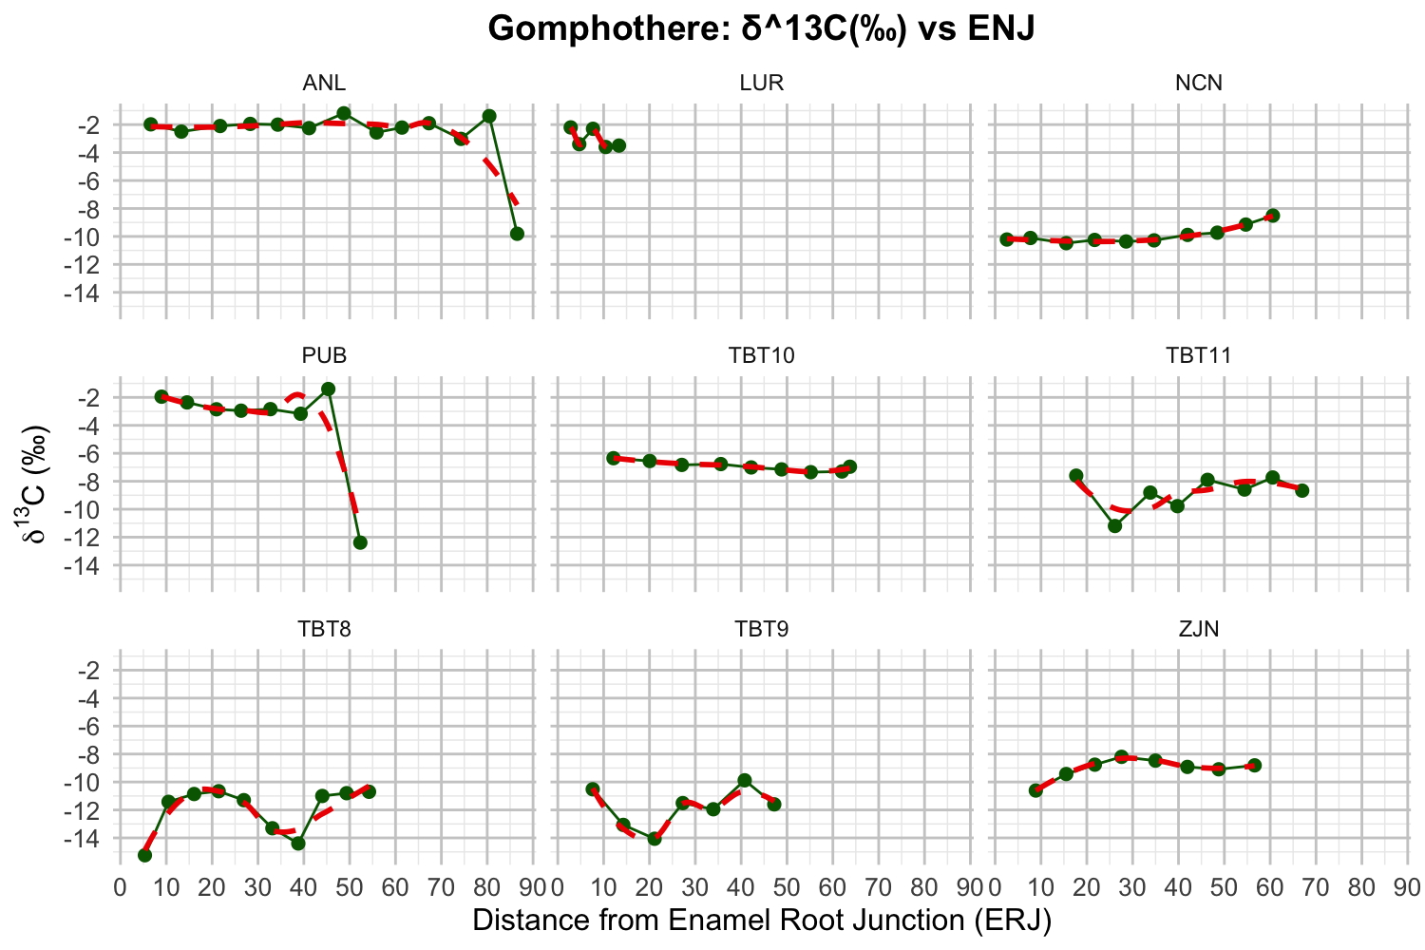
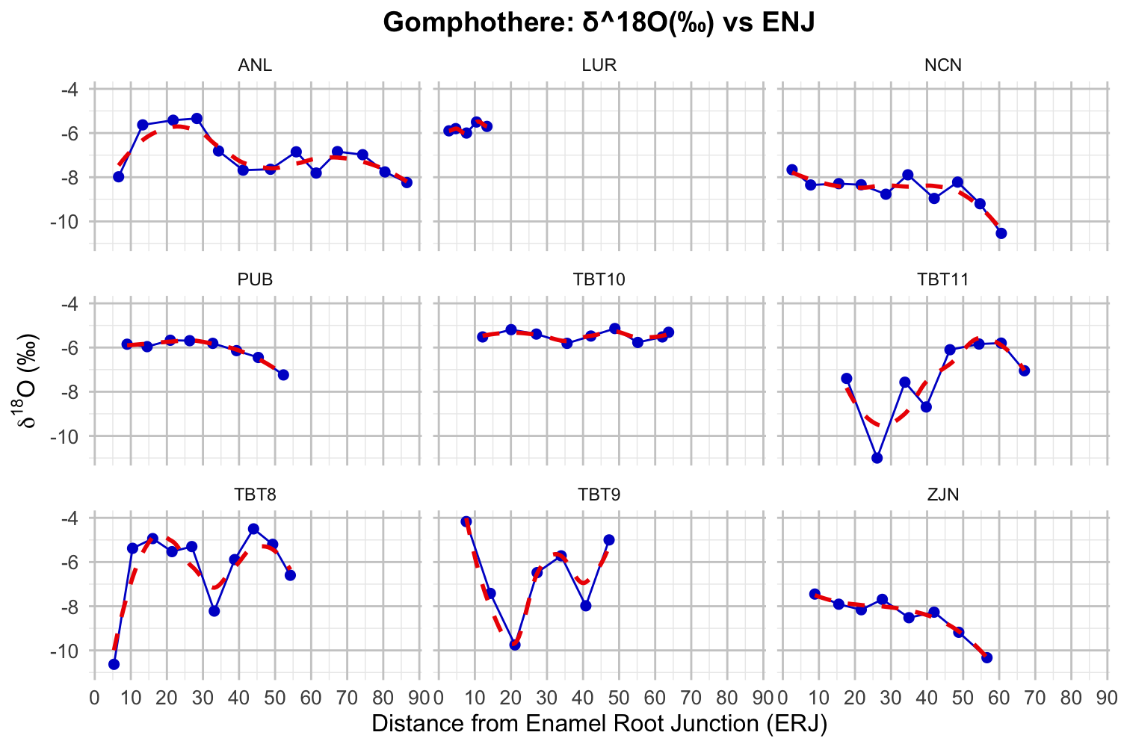
 |  |  |  |  |  |  |  |  |  |  |  |  |  |  |  | Gomphotheriidae.SA-LP
...
 |  |  |  |  |  |  |  |  |  |  |  |  |  |  |  | Gomphotheriidae.SA-LP-EH
...
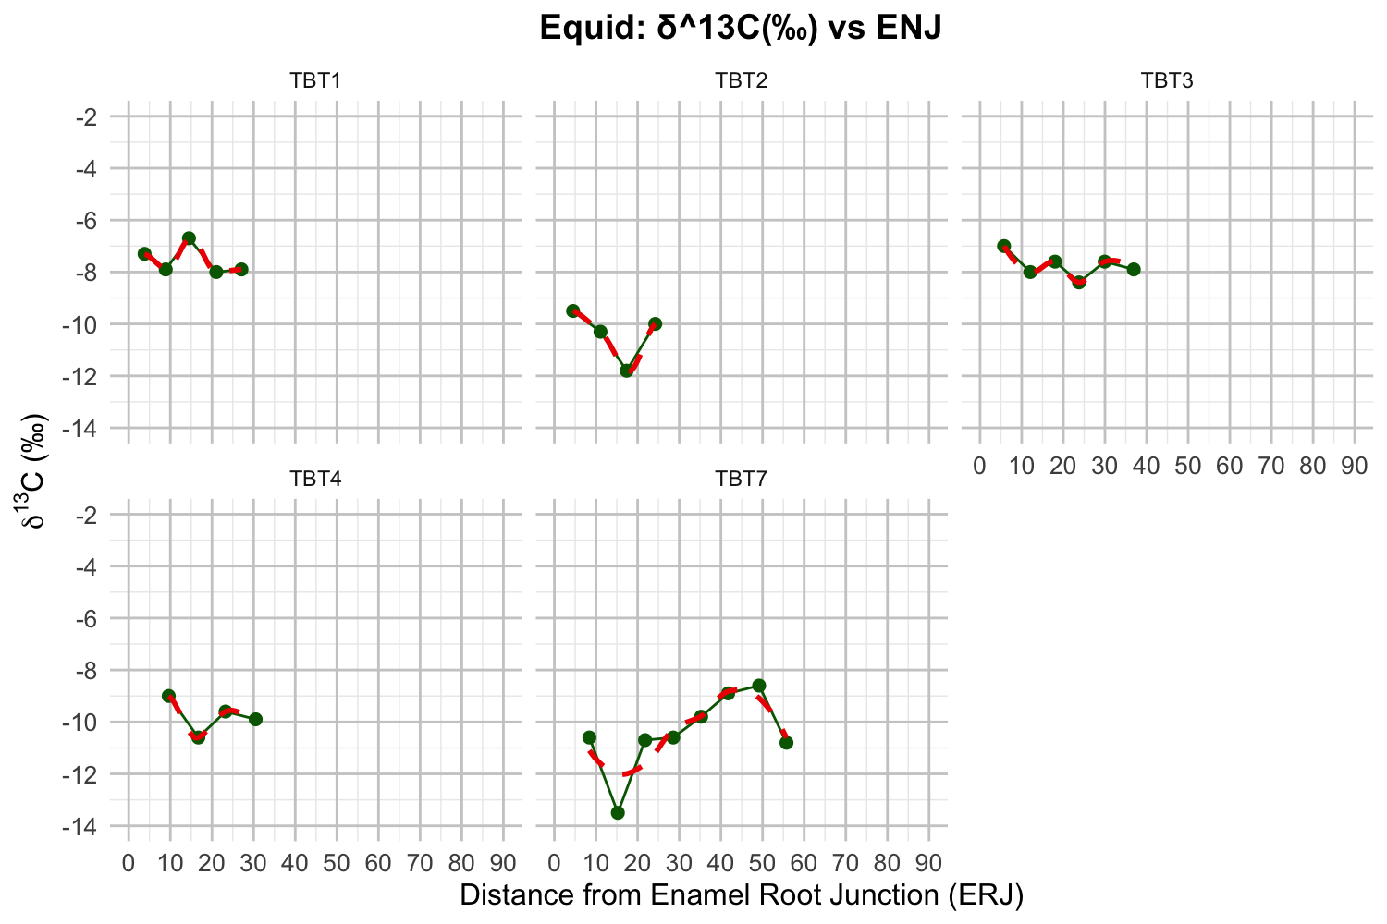
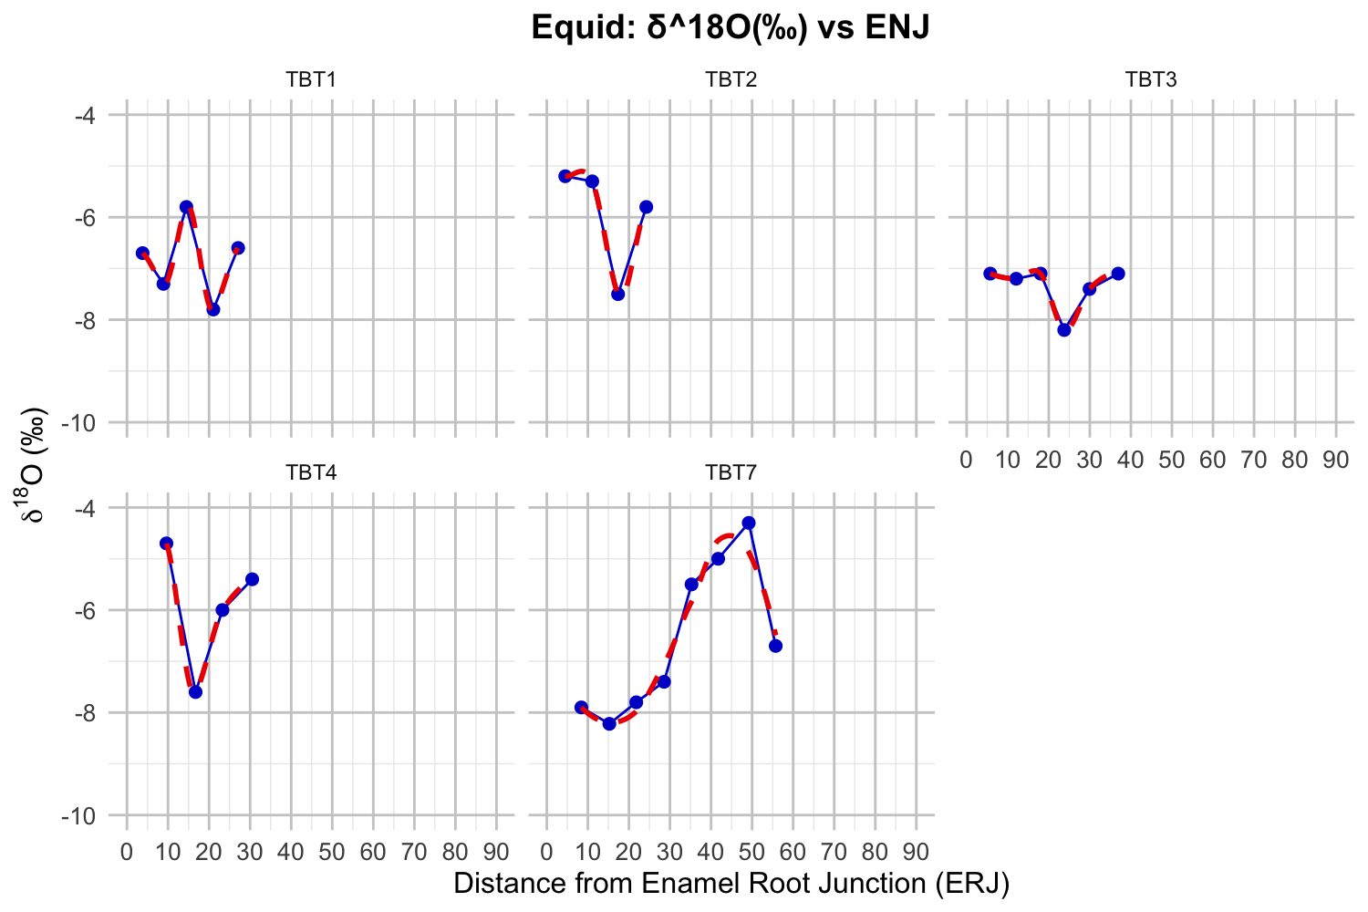

Tequendama | Deer | d13C enamel | 0.099 | Normal | 0.528 | N/A |  | N/A | N/A | No | Results from Shapiro indicate that carbon values of deer from tequendama zones of occupation are normally distributed (p > 0.05), but ANOVA (p > 0.05) indicates that there is not enough evidence to conclude that the group means are not equal. So TurkeyHSD test would not be appropriate to run. More specifically, this would indicate that there is no strong difference between Carbon values of Deer from Teq Zones of Occupation. | shapiro.test(TeqDeerStats$dC13); LM1 <- lm(dC13 ~Zone, TeqDeerStats); aov(LM1); summary(aov(LM1)) | Shapiro-Wilk normality test data: TeqDeerStats$dC13 W = 0.9324, p-value = 0.09875 | Aov(LM1) aov(formula = LM1) Terms: Zone Residuals Sum of Squares 1.731825 15.891391 Deg. of Freedom 3 21 Residual standard error: 0.869904 Estimated effects may be unbalanced Summary Df Sum Sq Mean Sq F value Pr(>F) Zone 3 1.732 0.5773 0.763 0.528 Residuals 21 15.891 0.7567
Tequendama | Deer | d18O enamel | 0.464 | Normal | 0.221 | N/A |  | N/A | N/A | No | Results from Shapiro indicate that oxygen values of deer from tequendama zones of occupation are normally distributed (p > 0.05), but ANOVA (p > 0.05) indicates that there is not enough evidence to conclude that the group means are not equal. So TurkeyHSD test would not be appropriate to run. More specifically, this would indicate that there is no strong difference between oxygen values of Deer from Teq Zones of Occupation. | shapiro.test(TeqDeerStats$dO18); LM2 <- lm(dO18 ~Zone, TeqDeerStats); aov(LM2); summary(aov(LM2)) | Shapiro-Wilk normality test data: TeqDeerStats$dO18 W = 0.96237, p-value = 0.4638 | aov(formula = LM2) Terms: Zone Residuals Sum of Squares 14.31332 62.82868 Deg. of Freedom 3 21 Residual standard error: 1.729694 Estimated effects may be unbalanced > summary(aov(LM2)) Df Sum Sq Mean Sq F value Pr(>F) Zone 3 14.31 4.771 1.595 0.221 Residuals 21 62.83 2.992
Tequendama | Cavia | d13C enamel | 0.553 | Normal | 0.71 | N/A |  | N/A | N/A | No | Results from Shapiro indicate that carbon values of cavia from tequendama zones of occupation are normally distributed (p > 0.05), but ANOVA (p > 0.05) indicates that there is not enough evidence to conclude that the group means are not equal. So TurkeyHSD test would not be appropriate to run. More specifically, this would indicate that there is no strong difference between Carbon values of cavia from Teq Zones of Occupation. | shapiro.test(TeqCaviaStats$dC13); LM3 <- lm(dC13 ~Zone, TeqCaviaStats); aov(LM3); summary(aov(LM3)) | Shapiro-Wilk normality test data: TeqCaviaStats$dC13 W = 0.97478, p-value = 0.5525 | aov(formula = LM3) Terms: Zone Residuals Sum of Squares 2.72508 64.65355 Deg. of Freedom 3 33 Residual standard error: 1.399714 Estimated effects may be unbalanced > summary(aov(LM3)) Df Sum Sq Mean Sq F value Pr(>F) Zone 3 2.73 0.9084 0.464 0.71 Residuals 33 64.65 1.9592 |  | Gomphotheriidae.NA-LP
Tequendama | Cavia | d18O enamel | 0.534 | Normal | 0.159 | N/A |  | N/A | N/A | No | Results from Shapiro indicate that oxygen values of cavia from tequendama zones of occupation are normally distributed (p > 0.05), but ANOVA (p > 0.05) indicates that there is not enough evidence to conclude that the group means are not equal. So TurkeyHSD test would not be appropriate to run. More specifically, this would indicate that there is no strong difference between oxygen values of Deer from Teq Zones of Occupation. | shapiro.test(TeqCaviaStats$dO18); LM4 <- lm(dC13 ~Zone, TeqCaviaStats); aov(LM4); summary(aov(LM4)) | Shapiro-Wilk normality test data: TeqCaviaStats$dO18 W = 0.97421, p-value = 0.5338 | aov(formula = LM4) Terms: Zone Residuals Sum of Squares 14.69172 87.68436 Deg. of Freedom 3 33 Residual standard error: 1.630062 Estimated effects may be unbalanced > summary(aov(LM4)) Df Sum Sq Mean Sq F value Pr(>F) Zone 3 14.69 4.897 1.843 0.159 Residuals 33 87.68 2.657
Teq with Aqz | Deer | d13C enamel | 0.171 | Normal | 0.297 | N/A |  | N/A | N/A | No | Results from Shapiro indicate that carbon values of deer from tequendama vs aquazuque zones of occupation are normally distributed (p > 0.05), but ANOVA (p > 0.05) indicates that there is not enough evidence to conclude that the group means are not equal. So TurkeyHSD test would not be appropriate to run. More specifically, this would indicate that there is no strong difference between deer carbon of Deer from Teq Zones of Occupation. | shapiro.test(TeqAqzDeerStats$dC13); LM5 <- lm(dC13 ~Zone, TeqAqzDeerStats); aov(LM5); summary(aov(LM5)) | Shapiro-Wilk normality test data: TeqAqzDeerStats$dC13 W = 0.95143, p-value = 0.171 | aov(formula = LM5) Terms: Zone Residuals Sum of Squares 3.679228 18.451391 Deg. of Freedom 4 26 Residual standard error: 0.8424185 Estimated effects may be unbalanced > summary(aov(LM5)) Df Sum Sq Mean Sq F value Pr(>F) Zone 4 3.679 0.9198 1.296 0.297 Residuals 26 18.451 0.7097
Teq with Aqz | Deer | d18O enamel | 0.3384 | Normal | 0.122 | N/A |  | N/A | N/A | No | Results from Shapiro indicate that oxygen values of deer from tequendama vs aquazuque zones of occupation are normally distributed (p > 0.05), but ANOVA (p > 0.05) indicates that there is not enough evidence to conclude that the group means are not equal. So TurkeyHSD test would not be appropriate to run. More specifically, this would indicate that there is no strong difference between oxygen values of Deer from Teq Zones of Occupation. | shapiro.test(TeqAqzDeerStats$dO18); LM6 <- lm(dO18 ~Zone, TeqAqzDeerStats) aov(LM6) summary(aov(LM6)) | Shapiro-Wilk normality test data: TeqAqzDeerStats$dO18 W = 0.96246, p-value = 0.3384 | aov(formula = LM6) Terms: Zone Residuals Sum of Squares 19.82902 64.05076 Deg. of Freedom 4 26 Residual standard error: 1.569551 Estimated effects may be unbalanced > summary(aov(LM6)) Df Sum Sq Mean Sq F value Pr(>F) Zone 4 19.83 4.957 2.012 0.122 Residuals 26 64.05 2.463
Teq vs Aqz | Human | d13C enamel | 0.000397 | Not Normal | N/A | N/A < 3 Groups Compared |  | N/A | 0.028 | Yes | Results from Shapiro indicate that carbon values of Humans from Teuendama vs Aqazuque are not normally distributed (p < 0.05). From Mann-Whitney, with a p value < 0.05 we reject the null hypothesis that there is no signicant difference between Human Carbon values from Teq vs Aqz. | shapiro.test(TeqAqzHumanStats$dC13); wilcox.test(dC13 ~Zone, TeqAqzHumanStats) | Shapiro-Wilk normality test data: TeqAqzHumanStats$dC13 W = 0.54637, p-value = 3.966e-05 | Wilcoxon rank sum exact test data: dC13 by Zone W = 29, p-value = 0.02828 alternative hypothesis: true location shift is not equal to 0 |  | Gomphotheriidae.NA-LP-EH
...

