Fig. 1B
Fig. 1B
Separate culture repeats (n = 6) |  |  |  |  |  |  |  |  |  |  |  |  |  |  |  |  |  |  |  |  |  |  |  |  |  |  | Experiment date: 5/12/2022 |  |  |  |  |  |  |  |  |  |  |  |  |  |  |  | Experiment date: 6/28/2023
CD38/Actin |  |  |  |  |  |  |  |  |  |  |  |  |  |  |  |  |  |  |  |  |  |  |  |  |  |  | Separate culture repeats (n = 2) |  |  |  |  |  |  |  |  |  |  |  |  |  |  |  | Separate culture repeats (n = 4)
 | Control |  |  |  |  |  | Rab4A+ |  |  |  |  |  | Rab4ADN |  |  |  |  |  | All 6 repeats put together |  |  |  |  |  |  |  | Wells | 1 | 2 | 3 | 4 | 5 | 6 | 7 | 8 | 9 | 10 | 11 | 12 | 13 | 14 | 15 | Wells | 1 | 2 | 3 | 4 | 5 | 6 | 7 | 8 | 9 | 10 | 11 | 12 | 13 | 14 | 15 | Wells | 1 | 2 | 3 | 4 | 5 | 6 | 7 | 8 | 9 | 10 | 11 | 12 | 13 | 14 | 15
No DOXY | 0.162272 | 0.127521 | 0.386517 | 0.328013 | 0.05104 | 0.058039 | 0.362187 | 0.368129 | 1.13599 | 1.176856 | 0.454446 | 0.263413 | 0.17032 | 0.166094 | 0.395016 | 0.484868 | 0.07645 | 0.077814 |  | Experiment Date | 2022-05-12 |  | 2023-06-28 |  |  |  | Gel 2 | ladder | 4480 | 4480 DOXY | 6678 | 6678 DOXY | 9035 | 9035 DOXY | ladder | 4480 | 4480 DOXY | 6678 | 6678 DOXY | 9035 | 9035 DOXY | blank | Gel 1 | ladder | 4480 | 4480 DOXY | 6678 | 6678 DOXY | 9035 | 9035 DOXY | ladder | 4480 | 4480 DOXY | 6678 | 6678 DOXY | 9035 | 9035 DOXY | blank | Gel 2 | ladder | 4480 | 4480 DOXY | 6678 | 6678 DOXY | 9035 | 9035 DOXY | ladder | 4480 | 4480 DOXY | 6678 | 6678 DOXY | 9035 | 9035 DOXY | blank
DOXY | 0.158419 | 0.129877 | 0.614701 | 0.483252 | 0.051423 | 0.058743 | 0.425813 | 0.470346 | 1.448566 | 1.288506 | 0.552756 | 0.478057 | 0.18058 | 0.14685 | 0.602884 | 0.44024 | 0.08973 | 0.08738 |  | Repeat | Repeat 1 | Repeat 2 | Repeat 1 | Repeat 2 | Repeat 3 | Repeat 4 |  |  | Control | Control with doxy | Rab4A+ | Rab4A+ with doxy | Rab4A DN | Rab4A DN with doxy |  | Control | Control with doxy | Rab4A+ | Rab4A+ with doxy | Rab4A DN | Rab4A DN with doxy |  |  |  | Control | Control with doxy | Rab4A+ | Rab4A+ with doxy | Rab4A DN | Rab4A DN with doxy |  | Control | Control with doxy | Rab4A+ | Rab4A+ with doxy | Rab4A DN | Rab4A DN with doxy |  |  |  | Control | Control with doxy | Rab4A+ | Rab4A+ with doxy | Rab4A DN | Rab4A DN with doxy |  | Control | Control with doxy | Rab4A+ | Rab4A+ with doxy | Rab4A DN | Rab4A DN with doxy
 |  |  |  |  |  |  |  |  |  |  |  |  |  |  |  |  |  |  | CD38 | Control | 25365 | 24973 | 163296 | 167400 | 22456 | 34758 |  |  | Repeat 1 |  |  |  |  |  |  | Repeat 2 |  |  |  |  |  |  |  |  | Repeat 1 |  |  |  |  |  |  | Repeat 2 |  |  |  |  |  |  |  |  | Repeat 3 |  |  |  |  |  |  | Repeat 4
Two-way RM ANOVA | Matching: Across row |  |  |  |  |  |  |  |  |  |  |  |  |  |  |  |  |  |  | Control with doxy | 26563 | 24092 | 283298 | 259085 | 22422 | 32090 |  |  | This repeat used for figure
Assume sphericity? | No |  |  |  |  |  |  |  |  |  |  |  |  |  |  |  |  |  |  | Rab4A+ | 55222 | 46290 | 460136 | 483264 | 182721 | 119011 | CD38 |  |  |  |  |  |  |  |  |  |  |  |  |  |  |  | CD38 |  |  |  |  |  |  |  |  |  |  |  |  |  |  |  | CD38
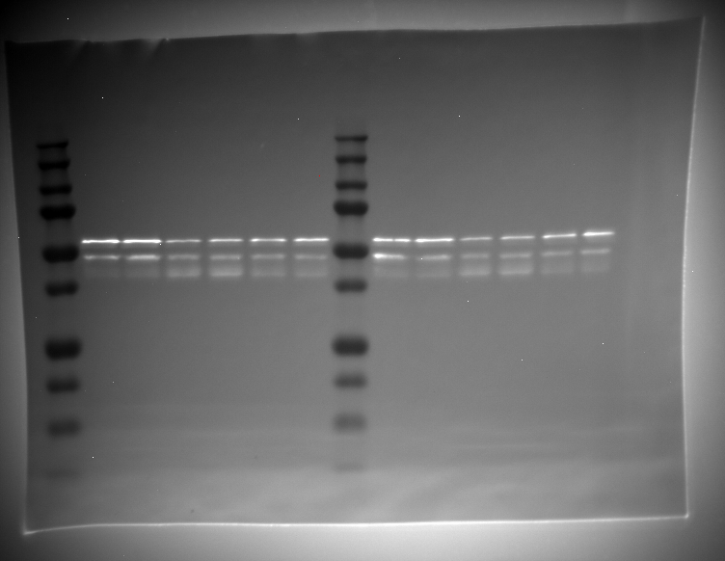
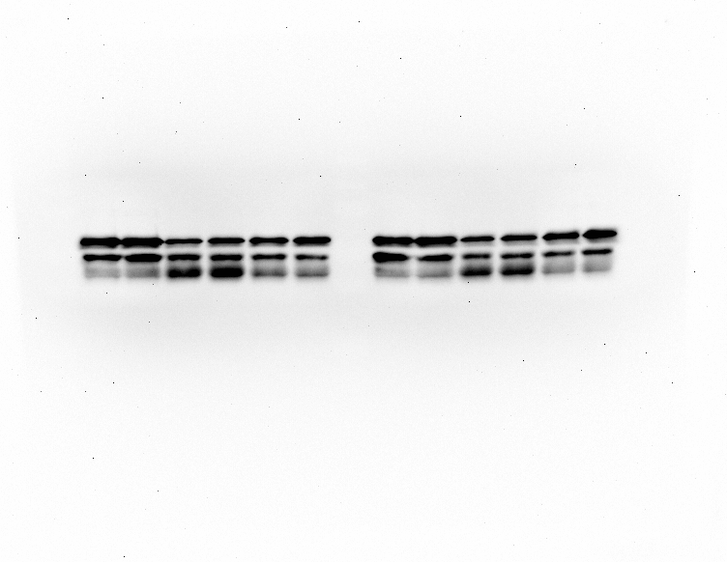
Alpha | 0.05 |  |  |  |  |  |  |  |  |  |  |  |  |  |  |  |  |  |  | Rab4A+ with doxy | 64816 | 51200 | 588012 | 542380 | 264768 | 211065 |  |  |  |  |  |  |  |  |  |  |  | Well Number | Net Intensity |  |  |  |  |  |  |  |  |  |  |  |  |  |  |  | Lane # | Volume |  |  |  |  |  |  |  |  |  |  |  |  |  |  | Lane # | Volume
 |  |  |  |  |  |  |  |  |  |  |  |  |  |  |  |  |  |  |  | Rab4A DN | 35568 | 24658 | 196337 | 245172 | 40166 | 37191 |  |  |  |  |  |  |  |  |  |  |  | 2 | 25365 |  |  |  |  |  |  |  |  |  |  |  |  |  |  |  | L2 | 163296 |  |  |  |  |  |  |  |  |  |  |  |  |  |  | L2 | 22456
Source of Variation | % of total variation | P value | P value summary | Significant? | Geisser-Greenhouse's epsilon |  |  |  |  |  |  |  |  |  |  |  |  |  |  | Rab4A DN with doxy | 31433 | 20300 | 306093 | 204485 | 47243 | 40573 |  |  |  |  |  |  |  |  |  |  |  | 3 | 26563 |  |  |  |  |  |  |  |  |  |  |  |  |  |  |  | L3 | 283298 |  |  |  |  |  |  |  |  |  |  |  |  |  |  | L3 | 22422
Row Factor x Column Factor | 0.5119 | 0.6144 | ns | No |  |  |  |  |  |  |  |  |  |  |  |  |  |  | Actin | Control | 156312 | 195834 | 422481 | 510345 | 439968 | 598870 |  |  |  |  |  |  |  |  |  |  |  | 4 | 55222 |  |  |  |  |  |  |  |  |  |  |  |  |  |  |  | L4 | 460136 |  |  |  |  |  |  |  |  |  |  |  |  |  |  | L4 | 182721
Row Factor | 1.305 | 0.6162 | ns | No |  |  |  |  |  |  |  |  |  |  |  |  |  |  |  | Control with doxy | 167676 | 185499 | 460871 | 536128 | 436029 | 546276 |  |  |  |  |  |  |  |  |  |  |  | 5 | 64816 |  |  |  |  |  |  |  |  |  |  |  |  |  |  |  | L5 | 588012 |  |  |  |  |  |  |  |  |  |  |  |  |  |  | L5 | 264768
Column Factor | 39.16 | <0.0001 | **** | Yes | 0.5226 |  |  |  |  |  |  |  |  |  |  |  |  |  |  | Rab4A+ | 152468 | 125744 | 405053 | 410640 | 402074 | 451804 |  |  |  |  |  |  |  |  |  |  |  | 6 | 35568 |  |  |  |  |  |  |  |  |  |  |  |  |  |  |  | L6 | 196337 |  |  |  |  |  |  |  |  |  |  |  |  |  |  | L6 | 40166
Subject | 48.77 | <0.0001 | **** | Yes |  |  |  |  |  |  |  |  |  |  |  |  |  |  |  | Rab4A+ with doxy | 152217 | 108856 | 405927 | 420937 | 478996 | 441506 |  |  |  |  |  |  |  |  |  |  |  | 7 | 31433 |  |  |  |  |  |  |  |  |  |  |  |  |  |  |  | L7 | 306093 |  |  |  |  |  |  |  |  |  |  |  |  |  |  | L7 | 47243
 |  |  |  |  |  |  |  |  |  |  |  |  |  |  |  |  |  |  |  | Rab4A DN | 208830 | 148458 | 497036 | 505647 | 525391 | 477946 |  |  |  |  |  |  |  |  |  |  |  | 9 | 24973 |  |  |  |  |  |  |  |  |  |  |  |  |  |  |  | L9 | 167400 |  |  |  |  |  |  |  |  |  |  |  |  |  |  | L9 | 34758
Within each row, compare columns (simple effects within rows) |  |  |  |  |  |  |  |  |  |  |  |  |  |  |  |  |  |  |  | Rab4A DN with doxy | 174067 | 138236 | 507715 | 464485 | 526501 | 464330 |  |  |  |  |  |  |  |  |  |  |  | 10 | 24092 |  |  |  |  |  |  |  |  |  |  |  |  |  |  |  | L10 | 259085 |  |  |  |  |  |  |  |  |  |  |  |  |  |  | L10 | 32090
 |  |  |  |  |  |  |  |  |  |  |  |  |  |  |  |  |  |  | CD38/Actin | Control | 0.16227161062 | 0.12752126801 | 0.3865167901 | 0.3280134027 | 0.051040075642 | 0.058039307362 |  |  |  |  |  |  |  |  |  |  |  | 11 | 46290 |  |  |  |  |  |  |  |  |  |  |  |  |  |  |  | L11 | 483264 |  |  |  |  |  |  |  |  |  |  |  |  |  |  | L11 | 119011
Number of families | 2 |  |  |  |  |  |  |  |  |  |  |  |  |  |  |  |  |  |  | Control with doxy | 0.15841861686 | 0.12987671093 | 0.61470129385 | 0.48325213382 | 0.051423185155 | 0.058743199408 |  |  |  |  |  |  |  |  |  |  |  | 12 | 51200 |  |  |  |  |  |  |  |  |  |  |  |  |  |  |  | L12 | 542380 |  |  |  |  |  |  |  |  |  |  |  |  |  |  | L12 | 211065
Number of comparisons per family | 3 |  |  |  |  |  |  |  |  |  |  |  |  |  |  |  |  |  |  | Rab4A+ | 0.3621874754 | 0.36812889681 | 1.1359896112 | 1.17685564 | 0.45444619647 | 0.26341289586 |  |  |  |  |  |  |  |  |  |  |  | 13 | 24658 |  |  |  |  |  |  |  |  |  |  |  |  |  |  |  | L13 | 245172 |  |  |  |  |  |  |  |  |  |  |  |  |  |  | L13 | 37191
Alpha | 0.05 |  |  |  |  |  |  |  |  |  |  |  |  |  |  |  |  |  |  | Rab4A+ with doxy | 0.42581314833 | 0.47034614537 | 1.4485658751 | 1.2885063561 | 0.55275618168 | 0.47805692335 |  |  |  |  |  |  |  |  |  |  |  | 14 | 20300 |  |  |  |  |  |  |  |  |  |  |  |  |  |  |  | L14 | 204485 |  |  |  |  |  |  |  |  |  |  |  |  |  |  | L14 | 40573
 |  |  |  |  |  |  |  |  |  |  |  |  |  |  |  |  |  |  |  | Rab4A DN | 0.17032035627 | 0.16609411416 | 0.39501565279 | 0.48486790192 | 0.07644972982 | 0.077814230059
Tukey's multiple comparisons test | Mean Diff. | 95.00% CI of diff. | Below threshold? | Summary | Adjusted P Value |  |  |  |  |  |  |  |  |  |  |  |  |  |  | Rab4A DN with doxy | 0.18057989165 | 0.14685031396 | 0.60288350748 | 0.4402402661 | 0.089730123969 | 0.087379665324 | Rab4
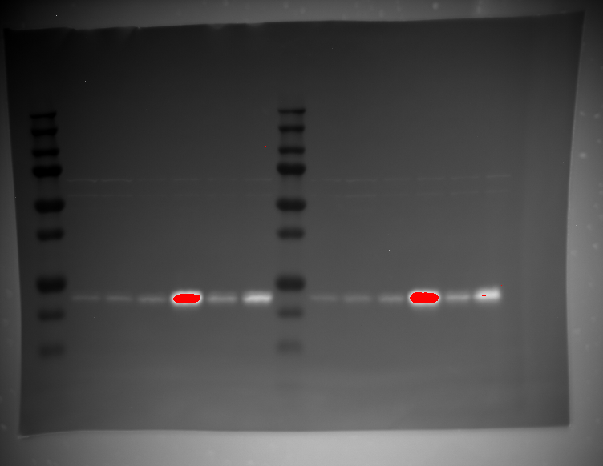
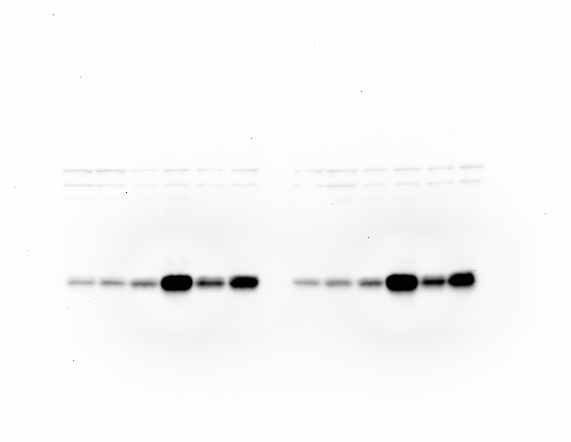
 |  |  |  |  |  |  |  |  |  |  |  |  |  |  |  |  |  |  |  |  |  |  |  |  |  |  |  |  |  |  |  |  |  |  |  |  |  | Well Number | Net Intensity
No DOXY |  |  |  |  |  |  |  |  |  |  |  |  |  |  |  |  |  |  |  |  |  |  |  |  |  |  |  |  |  |  |  |  |  |  |  |  |  | 2 | 68306
Control vs. Rab4A+ | -0.4413 | -0.8248 to -0.05778 | Yes | * | 0.0301 |  |  |  |  |  |  |  |  |  |  |  |  |  | Taken from 5/12/2022 repeat 1 |  |  |  |  |  |  |  |  |  |  |  |  |  |  |  |  |  |  | 3 | 94755
Rab4A^{DN}
Doxycycline
CD38
Rab4A
Actin
CD4
B
-
+
-
+
-
+
Control
Rab4A⁺⁺
Control vs. Rab4ADN | -0.04286 | -0.1186 to 0.03285 | No | ns | 0.2489 |  |  |  |  |  |  |  |  |  |  |  |  |  |  |  |  |  |  |  |  |  |  |  |  |  |  |  |  |  |  |  |  | 4 | 143141
Rab4A+ vs. Rab4ADN | 0.3984 | 0.05690 to 0.7399 | Yes | * | 0.0285 |  |  |  |  |  |  |  |  |  |  |  |  |  |  |  |  |  |  |  |  |  |  |  |  |  |  |  |  |  |  |  |  | 5 | 1231190
 |  |  |  |  |  |  |  |  |  |  |  |  |  |  |  |  |  |  |  |  |  |  |  |  |  |  |  |  |  |  |  |  |  |  |  |  |  | 6 | 255798
DOXY |  |  |  |  |  |  |  |  |  |  |  |  |  |  |  |  |  |  |  |  |  |  |  |  |  |  |  |  |  |  |  |  |  |  |  |  |  | 7 | 590655
Control vs. Rab4A+ | -0.5279 | -0.8457 to -0.2102 | Yes | ** | 0.0068 |  |  |  |  |  |  |  |  |  |  |  |  |  |  |  |  |  |  |  |  |  |  |  |  |  |  |  |  |  |  |  |  | 9 | 80449
Control vs. Rab4ADN | -0.008542 | -0.04892 to 0.03183 | No | ns | 0.7802 |  |  |  |  |  |  |  |  |  |  |  |  |  |  |  |  |  |  |  |  |  |  |  |  |  |  |  |  |  |  |  |  | 10 | 115334 |  |  |  | Rab4 |  |  |  |  |  |  |  |  |  |  |  |  |  |  |  | Rab4
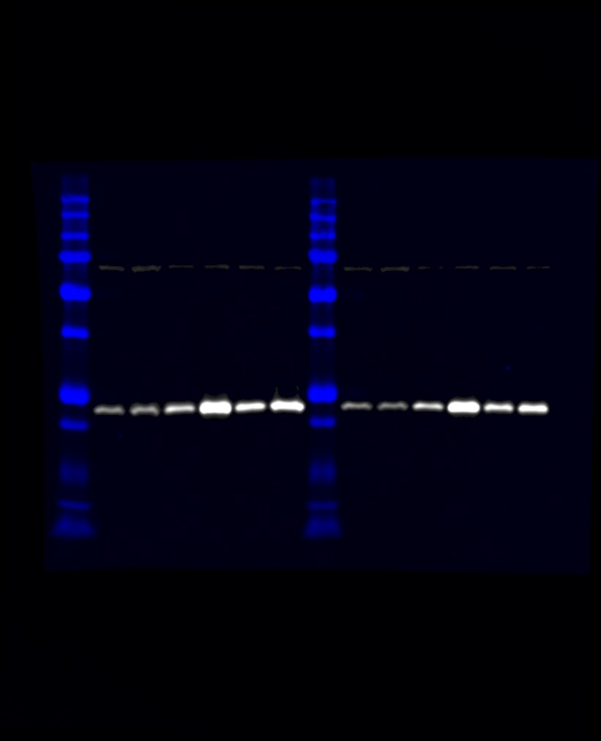
Rab4A+ vs. Rab4ADN | 0.5194 | 0.1690 to 0.8698 | Yes | * | 0.011 |  |  |  |  |  |  |  |  |  |  |  |  |  |  |  |  |  |  |  |  |  |  |  |  |  |  |  |  |  |  |  |  | 11 | 165249 |  |  |  |  |  |  |  |  |  |  |  |  |  |  |  | Lane # | Volume |  |  |  |  |  |  |  |  |  |  |  |  |  |  | Lane # | Volume
 |  |  |  |  |  |  |  |  |  |  |  |  |  |  |  |  |  |  |  |  |  |  |  |  |  |  |  |  |  |  |  |  |  |  |  |  |  | 12 | 1219459 |  |  |  |  |  |  |  |  |  |  |  |  |  |  |  | L2 | 317434 |  |  |  |  |  |  |  |  |  |  |  |  |  |  | L2 | 231562
 |  |  |  |  |  |  |  |  |  |  |  |  |  |  |  |  |  |  |  |  |  |  |  |  |  |  |  |  |  |  |  |  |  |  |  |  |  | 13 | 279446 |  |  |  |  |  |  |  |  |  |  |  |  |  |  |  | L3 | 345188 |  |  |  |  |  |  |  |  |  |  |  |  |  |  | L3 | 301408
 |  |  |  |  |  |  |  |  |  |  |  |  |  |  |  |  |  |  |  |  |  |  |  |  |  |  |  |  |  |  |  |  |  |  |  |  |  | 14 | 598944 |  |  |  |  |  |  |  |  |  |  |  |  |  |  |  | L4 | 544883 |  |  |  |  |  |  |  |  |  |  |  |  |  |  | L4 | 429040
 |  |  |  |  |  |  |  |  |  |  |  |  |  |  |  |  |  |  |  |  |  |  |  |  |  |  |  |  |  |  |  |  |  |  |  |  |  |  |  |  |  |  |  |  |  |  |  |  |  |  |  |  |  |  | L5 | 861928 |  |  |  |  |  |  |  |  |  |  |  |  |  |  | L5 | 868059
 |  |  |  |  |  |  |  |  |  |  |  |  |  |  |  |  |  |  |  |  |  |  |  |  |  |  | Actin |  |  |  |  |  |  |  |  |  |  |  |  |  |  |  |  |  |  |  |  |  |  |  |  |  |  |  | L6 | 689536 |  |  |  |  |  |  |  |  |  |  |  |  |  |  | L6 | 609364
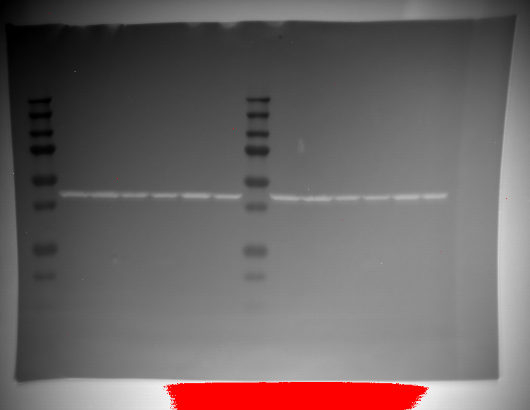
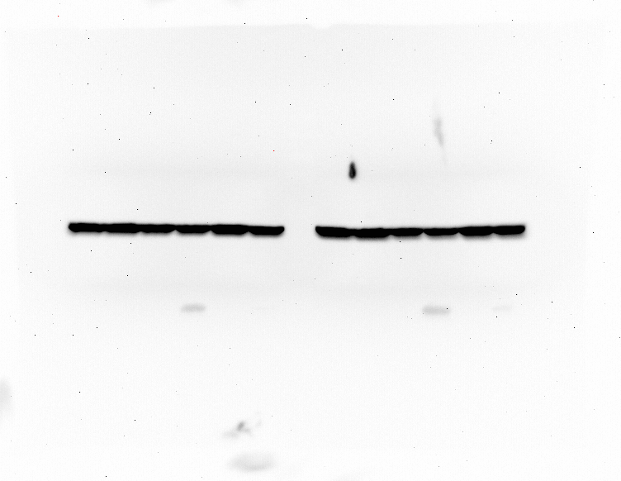
 |  |  |  |  |  |  |  |  |  |  |  |  |  |  |  |  |  |  |  |  |  |  |  |  |  |  |  |  |  |  |  |  |  |  |  |  |  | Well Number | Net Intensity |  |  |  |  |  |  |  |  |  |  |  |  |  |  |  | L7 | 811398 |  |  |  |  |  |  |  |  |  |  |  |  |  |  | L7 | 818662
 |  |  |  |  |  |  |  |  |  |  |  |  |  |  |  |  |  |  |  |  |  |  |  |  |  |  |  |  |  |  |  |  |  |  |  |  |  | 2 | 156312 |  |  |  |  |  |  |  |  |  |  |  |  |  |  |  | L9 | 287432 |  |  |  |  |  |  |  |  |  |  |  |  |  |  | L9 | 241801
 |  |  |  |  |  |  |  |  |  |  |  |  |  |  |  |  |  |  |  |  |  |  |  |  |  |  |  |  |  |  |  |  |  |  |  |  |  | 3 | 167676 |  |  |  |  |  |  |  |  |  |  |  |  |  |  |  | L10 | 262954 |  |  |  |  |  |  |  |  |  |  |  |  |  |  | L10 | 278329
 |  |  |  |  |  |  |  |  |  |  |  |  |  |  |  |  |  |  |  |  |  |  |  |  |  |  |  |  |  |  |  |  |  |  |  |  |  | 4 | 152468 |  |  |  |  |  |  |  |  |  |  |  |  |  |  |  | L11 | 499272 |  |  |  |  |  |  |  |  |  |  |  |  |  |  | L11 | 421403
 |  |  |  |  |  |  |  |  |  |  |  |  |  |  |  |  |  |  |  |  |  |  |  |  |  |  |  |  |  |  |  |  |  |  |  |  |  | 5 | 152217 |  |  |  |  |  |  |  |  |  |  |  |  |  |  |  | L12 | 857700 |  |  |  |  |  |  |  |  |  |  |  |  |  |  | L12 | 855733
 |  |  |  |  |  |  |  |  |  |  |  |  |  |  |  |  |  |  |  |  |  |  |  |  |  |  |  |  |  |  |  |  |  |  |  |  |  | 6 | 208830 |  |  |  |  |  |  |  |  |  |  |  |  |  |  |  | L13 | 596064 |  |  |  |  |  |  |  |  |  |  |  |  |  |  | L13 | 655583
 |  |  |  |  |  |  |  |  |  |  |  |  |  |  |  |  |  |  |  |  |  |  |  |  |  |  |  |  |  |  |  |  |  |  |  |  |  | 7 | 174067 |  |  |  |  |  |  |  |  |  |  |  |  |  |  |  | L14 | 701752 |  |  |  |  |  |  |  |  |  |  |  |  |  |  | L14 | 750807
 |  |  |  |  |  |  |  |  |  |  |  |  |  |  |  |  |  |  |  |  |  |  |  |  |  |  |  |  |  |  |  |  |  |  |  |  |  | 9 | 195834
 |  |  |  |  |  |  |  |  |  |  |  |  |  |  |  |  |  |  |  |  |  |  |  |  |  |  |  |  |  |  |  |  |  |  |  |  |  | 10 | 185499
 |  |  |  |  |  |  |  |  |  |  |  |  |  |  |  |  |  |  |  |  |  |  |  |  |  |  |  |  |  |  |  |  |  |  |  |  |  | 11 | 125744
 |  |  |  |  |  |  |  |  |  |  |  |  |  |  |  |  |  |  |  |  |  |  |  |  |  |  |  |  |  |  |  |  |  |  |  |  |  | 12 | 108856
 |  |  |  |  |  |  |  |  |  |  |  |  |  |  |  |  |  |  |  |  |  |  |  |  |  |  |  |  |  |  |  |  |  |  |  |  |  | 13 | 148458
 |  |  |  |  |  |  |  |  |  |  |  |  |  |  |  |  |  |  |  |  |  |  |  |  |  |  |  |  |  |  |  |  |  |  |  |  |  | 14 | 138236

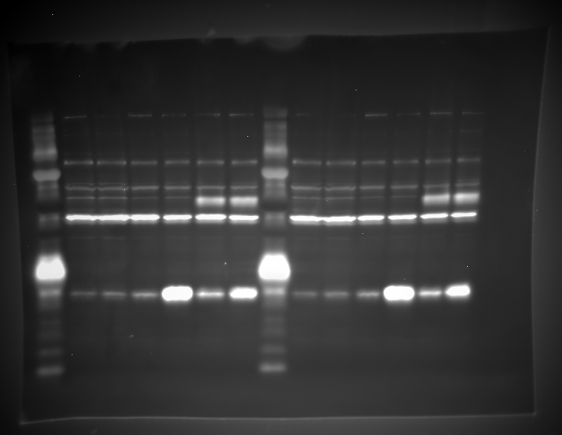
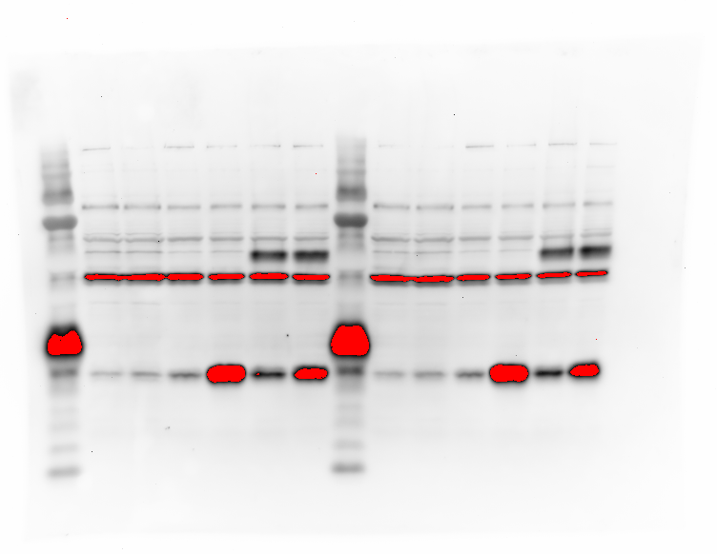
 |  |  |  |  |  |  |  |  |  |  |  |  |  |  |  |  |  |  |  |  |  |  |  |  |  |  | CD4
 |  |  |  |  |  |  |  |  |  |  |  |  |  |  |  |  |  |  |  |  |  |  |  |  |  |  |  |  |  |  |  |  |  |  |  |  |  | Well Number | Net Intensity
 |  |  |  |  |  |  |  |  |  |  |  |  |  |  |  |  |  |  |  |  |  |  |  |  |  |  |  |  |  |  |  |  |  |  |  |  |  | 2 | 86693
 |  |  |  |  |  |  |  |  |  |  |  |  |  |  |  |  |  |  |  |  |  |  |  |  |  |  |  |  |  |  |  |  |  |  |  |  |  | 3 | 81187 |  |  |  | Actin |  |  |  |  |  |  |  |  |  |  |  |  |  |  |  | Actin
 |  |  |  |  |  |  |  |  |  |  |  |  |  |  |  |  |  |  |  |  |  |  |  |  |  |  |  |  |  |  |  |  |  |  |  |  |  | 4 | 35292 |  |  |  |  |  |  |  |  |  |  |  |  |  |  |  | Lane # | Volume |  |  |  |  |  |  |  |  |  |  |  |  |  |  | Lane # | Volume
 |  |  |  |  |  |  |  |  |  |  |  |  |  |  |  |  |  |  |  |  |  |  |  |  |  |  |  |  |  |  |  |  |  |  |  |  |  | 5 | 50750 |  |  |  |  |  |  |  |  |  |  |  |  |  |  |  | L2 | 422481 |  |  |  |  |  |  |  |  |  |  |  |  |  |  | L2 | 439968
 |  |  |  |  |  |  |  |  |  |  |  |  |  |  |  |  |  |  |  |  |  |  |  |  |  |  |  |  |  |  |  |  |  |  |  |  |  | 6 | 613027 |  |  |  |  |  |  |  |  |  |  |  |  |  |  |  | L3 | 460871 |  |  |  |  |  |  |  |  |  |  |  |  |  |  | L3 | 436029
 |  |  |  |  |  |  |  |  |  |  |  |  |  |  |  |  |  |  |  |  |  |  |  |  |  |  |  |  |  |  |  |  |  |  |  |  |  | 7 | 644837 |  |  |  |  |  |  |  |  |  |  |  |  |  |  |  | L4 | 405053 |  |  |  |  |  |  |  |  |  |  |  |  |  |  | L4 | 402074
 |  |  |  |  |  |  |  |  |  |  |  |  |  |  |  |  |  |  |  |  |  |  |  |  |  |  |  |  |  |  |  |  |  |  |  |  |  | 9 | 58419 |  |  |  |  |  |  |  |  |  |  |  |  |  |  |  | L5 | 405927 |  |  |  |  |  |  |  |  |  |  |  |  |  |  | L5 | 478996
 |  |  |  |  |  |  |  |  |  |  |  |  |  |  |  |  |  |  |  |  |  |  |  |  |  |  |  |  |  |  |  |  |  |  |  |  |  | 10 | 52315 |  |  |  |  |  |  |  |  |  |  |  |  |  |  |  | L6 | 497036 |  |  |  |  |  |  |  |  |  |  |  |  |  |  | L6 | 525391
 |  |  |  |  |  |  |  |  |  |  |  |  |  |  |  |  |  |  |  |  |  |  |  |  |  |  |  |  |  |  |  |  |  |  |  |  |  | 11 | 35568 |  |  |  |  |  |  |  |  |  |  |  |  |  |  |  | L7 | 507715 |  |  |  |  |  |  |  |  |  |  |  |  |  |  | L7 | 526501
 |  |  |  |  |  |  |  |  |  |  |  |  |  |  |  |  |  |  |  |  |  |  |  |  |  |  |  |  |  |  |  |  |  |  |  |  |  | 12 | 46791 |  |  |  |  |  |  |  |  |  |  |  |  |  |  |  | L9 | 510345 |  |  |  |  |  |  |  |  |  |  |  |  |  |  | L9 | 598870
 |  |  |  |  |  |  |  |  |  |  |  |  |  |  |  |  |  |  |  |  |  |  |  |  |  |  |  |  |  |  |  |  |  |  |  |  |  | 13 | 555428 |  |  |  |  |  |  |  |  |  |  |  |  |  |  |  | L10 | 536128 |  |  |  |  |  |  |  |  |  |  |  |  |  |  | L10 | 546276
 |  |  |  |  |  |  |  |  |  |  |  |  |  |  |  |  |  |  |  |  |  |  |  |  |  |  |  |  |  |  |  |  |  |  |  |  |  | 14 | 517084 |  |  |  |  |  |  |  |  |  |  |  |  |  |  |  | L11 | 410640 |  |  |  |  |  |  |  |  |  |  |  |  |  |  | L11 | 451804
 |  |  |  |  |  |  |  |  |  |  |  |  |  |  |  |  |  |  |  |  |  |  |  |  |  |  |  |  |  |  |  |  |  |  |  |  |  |  |  |  |  |  |  |  |  |  |  |  |  |  |  |  |  |  | L12 | 420937 |  |  |  |  |  |  |  |  |  |  |  |  |  |  | L12 | 441506
 |  |  |  |  |  |  |  |  |  |  |  |  |  |  |  |  |  |  |  |  |  |  |  |  |  |  |  |  |  |  |  |  |  |  |  |  |  |  |  |  |  |  |  |  |  |  |  |  |  |  |  |  |  |  | L13 | 505647 |  |  |  |  |  |  |  |  |  |  |  |  |  |  | L13 | 477946
 |  |  |  |  |  |  |  |  |  |  |  |  |  |  |  |  |  |  |  |  |  |  |  |  |  |  |  |  |  |  |  |  |  |  |  |  |  |  |  |  |  |  |  |  |  |  |  |  |  |  |  |  |  |  | L14 | 464485 |  |  |  |  |  |  |  |  |  |  |  |  |  |  | L14 | 464330

Fig. 1C-D
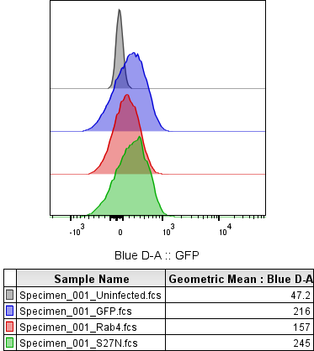
Fig. 1C | Fig. 1D
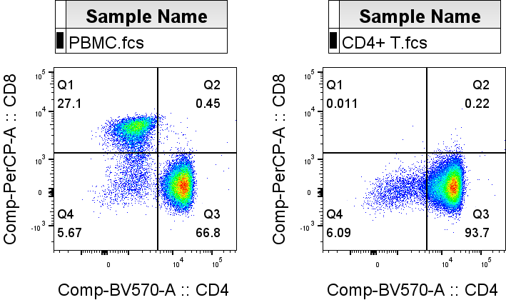

Fig. 1E
Fig. 1E
Healthy donor CD4+ T AAV infection repeats (n = 8 healthy donors) |  |  |  |  |  |  |  |  |  |  |  |  |  |  |  |  | Experiment dates: 5/13/2024, 9/25/2024
Rab4/Actin |  |  |  |  |  |  | All 8 repeats put together |  |  |  |  |  |  |  |  |  | Healthy donor CD4+ T AAV infection repeats (n = 8 healthy donors)
 | Uninfected | GFP | Rab4 | S27N |  |  |  |  |  |  |  |  |  |  |  |  | Wells | 1 | 2 | 3 | 4 | 5 | 6 | 7 | 8 | 9 | 10 | 11 | 12 | 13 | 14 | 15 | Wells | 1 | 2 | 3 | 4 | 5 | 6 | 7 | 8 | 9 | 10 | 11 | 12 | 13 | 14 | 15 | Wells | 1 | 2 | 3 | 4 | 5 | 6 | 7 | 8 | 9 | 10 | 11 | 12 | 13 | 14 | 15 | Wells | 1 | 2 | 3 | 4 | 5 | 6 | 7 | 8 | 9 | 10 | 11 | 12 | 13 | 14 | 15
 | 0.17344 | 0.210548 | 2.167411 | 4.139174 |  |  |  |  | 2024-09-25 | 2024-05-13 | 2024-09-25 | 2024-05-13 | 2024-09-25 | 2024-05-13 | 2024-09-25 | 2024-05-13 | Gel 1A | ladder | Uninfected | GFP | Rab4 | S27N | other AAV | other AAV | ladder | Uninfected | GFP | Rab4 | S27N | other AAV | other AAV | blank | Gel 2A | ladder | Uninfected | GFP | Rab4 | S27N | other AAV | other AAV | ladder | Uninfected | GFP | Rab4 | S27N | other AAV | other AAV | blank | Gel 3A | ladder | Uninfected | GFP | Rab4 | S27N | other AAV | other AAV | ladder | Uninfected | GFP | Rab4 | S27N | other AAV | other AAV | blank | Gel 4A | ladder | Uninfected | GFP | Rab4 | S27N | other AAV | other AAV | ladder | Uninfected | GFP | Rab4 | S27N | other AAV | other AAV | blank
 | 0.072901 | 0.073937 | 0.435448 | 1.161629 |  |  |  |  | Donor A | Donor A | Donor B | Donor B | Donor C | Donor C | Donor E | Donor D |  |  | Donor A CD4+ T 9/25/2024 |  |  |  |  |  |  | Donor A CD4+ T 5/13/2024 |  |  |  |  |  |  |  |  | Donor B CD4+ T 9/25/2024 |  |  |  |  |  |  | Donor B CD4+ T 5/13/2024 |  |  |  |  |  |  |  |  | Donor C CD4+ T 9/25/2024 |  |  |  |  |  |  | Donor C CD4+ T 5/13/2024 |  |  |  |  |  |  |  |  | Donor E CD4+ T 9/25/2024 |  |  |  |  |  |  | Donor D CD4+ T 5/13/2024
 | 0.026507 | 0.036441 | 1.118311 | 2.74025 |  |  | Rab4 | Uninfected | 48032 | 38558 | 12420 | 14695 | 29074 | 42412 | 86801 | 95460 |  |  |  |  |  |  |  |  |  |  |  |  |  |  |  |  |  |  |  |  |  |  |  |  |  |  |  |  |  |  |  |  |  |  |  |  |  |  |  |  |  | This repeat used for figure
 | 0.024533 | 0.059176 | 1.411615 | 2.366288 |  |  |  | GFP | 75602 | 47375 | 20413 | 36176 | 49797 | 70528 | 103120 | 103710 | Rab4 |  |  |  |  |  |  |  |  |  |  |  |  |  |  |  | Rab4 |  |  |  |  |  |  |  |  |  |  |  |  |  |  |  | Rab4 |  |  |  |  |  |  |  |  |  |  |  |  |  |  |  | Rab4
 | 0.049024 | 0.072563 | 1.369801 | 3.908539 |  |  |  | Rab4 | 866000 | 256121 | 601870 | 857155 | 819243 | 1086456 | 484461 | 242093 |  |  |  |  |  |  |  |  |  |  |  |  | Lane |  |  |  |  |  |  |  |  |  |  |  |  |  |  |  | Lane | Volume |  |  |  |  |  |  |  |  |  |  |  |  |  |  | Lane | Volume |  |  |  |  |  |  |  |  |  |  |  |  |  |  | Lane | Volume
 | 0.070361 | 0.117088 | 1.661268 | 2.624091 |  |  |  | S27N | 1510755 | 694159 | 1369673 | 1582854 | 2078725 | 1380500 | 1367527 | 1635826 |  |  |  |  |  |  |  |  |  |  |  |  | L2 | 48032 |  |  |  |  |  |  |  |  |  |  |  |  |  |  | L2 | 12420 |  |  |  |  |  |  |  |  |  |  |  |  |  |  | L2 | 29074 |  |  |  |  |  |  |  |  |  |  |  |  |  |  | L2 | 86801
 | 0.162299 | 0.155718 | 0.783874 | 2.417047 |  |  | Actin | Uninfected | 276937.5 | 528910.5 | 468559 | 598998.5862 | 593061 | 602780.5 | 534820.5714 | 612144 |  |  |  |  |  |  |  |  |  |  |  |  | L3 | 75602 |  |  |  |  |  |  |  |  |  |  |  |  |  |  | L3 | 20413 |  |  |  |  |  |  |  |  |  |  |  |  |  |  | L3 | 49797 |  |  |  |  |  |  |  |  |  |  |  |  |  |  | L3 | 103120
 | 0.155944 | 0.241776 | 0.401083 | 2.707377 |  |  |  | GFP | 359073 | 640747.5 | 560160 | 611332.5484 | 686258.75 | 602350.5 | 662220.9167 | 428950.4545 |  |  |  |  |  |  |  |  |  |  |  |  | L4 | 866000 |  |  |  |  |  |  |  |  |  |  |  |  |  |  | L4 | 601870 |  |  |  |  |  |  |  |  |  |  |  |  |  |  | L4 | 819243 |  |  |  |  |  |  |  |  |  |  |  |  |  |  | L4 | 484461
 |  |  |  |  |  |  |  | Rab4 | 399555 | 588178 | 538195.5 | 607216 | 598074.2787 | 653992 | 618034.1176 | 603598.7143 |  |  |  |  |  |  |  |  |  |  |  |  | L5 | 1510755 |  |  |  |  |  |  |  |  |  |  |  |  |  |  | L5 | 1369673 |  |  |  |  |  |  |  |  |  |  |  |  |  |  | L5 | 2078725 |  |  |  |  |  |  |  |  |  |  |  |  |  |  | L5 | 1367527
Repeated measures ANOVA summary |  |  |  |  |  |  |  | S27N | 364989.5 | 597574 | 499835 | 668918.7143 | 531842 | 526087 | 565784.0909 | 604210.6567 |  |  |  |  |  |  |  |  |  |  |  |  | L6 | 1892706 |  |  |  |  |  |  |  |  |  |  |  |  |  |  | L6 | 1630273 |  |  |  |  |  |  |  |  |  |  |  |  |  |  | L6 | 1806080 |  |  |  |  |  |  |  |  |  |  |  |  |  |  | L6 | 1425248
Assume sphericity? | No |  |  |  |  |  | Rab4/Actin | Uninfected | 0.17343985556 | 0.072900802688 | 0.026506800638 | 0.024532612161 | 0.049023624889 | 0.070360603901 | 0.16229929184 | 0.15594369952 |  |  |  |  |  |  |  |  |  |  |  |  | L7 | 463745 |  |  |  |  |  |  |  |  |  |  |  |  |  |  | L7 | 1549116 |  |  |  |  |  |  |  |  |  |  |  |  |  |  | L7 | 589563 |  |  |  |  |  |  |  |  |  |  |  |  |  |  | L7 | 212771
F | 52.36 |  |  |  |  |  |  | GFP | 0.21054771592 | 0.0739370813 | 0.036441373893 | 0.059175648499 | 0.072563009215 | 0.11708797453 | 0.15571842779 | 0.24177617464 |  |  |  |  |  |  |  |  |  |  |  |  | L9 | 38558 |  |  |  |  |  |  |  |  |  |  |  |  |  |  | L9 | 14695 |  |  |  |  |  |  |  |  |  |  |  |  |  |  | L9 | 42412 |  |  |  |  |  |  |  |  |  |  |  |  |  |  | L9 | 95460
P value | <0.0001 |  |  |  |  |  |  | Rab4 | 2.167411245 | 0.43544811265 | 1.118311097 | 1.4116146478 | 1.3698014263 | 1.6612680277 | 0.7838742008 | 0.40108269661 |  |  |  |  |  |  |  |  |  |  |  |  | L10 | 47375 |  |  |  |  |  |  |  |  |  |  |  |  |  |  | L10 | 36176 |  |  |  |  |  |  |  |  |  |  |  |  |  |  | L10 | 70528 |  |  |  |  |  |  |  |  |  |  |  |  |  |  | L10 | 103710
P value summary | **** |  |  |  |  |  |  | S27N | 4.1391738666 | 1.161628518 | 2.7402502826 | 2.3662875117 | 3.9085386261 | 2.6240906922 | 2.4170474603 | 2.7073769419 |  |  |  |  |  |  |  |  |  |  |  |  | L11 | 256121 |  |  |  |  |  |  |  |  |  |  |  |  |  |  | L11 | 857155 |  |  |  |  |  |  |  |  |  |  |  |  |  |  | L11 | 1086456 |  |  |  |  |  |  |  |  |  |  |  |  |  |  | L11 | 242093
Statistically significant (P < 0.05)? | Yes |  |  |  |  |  |  |  |  |  |  |  |  |  |  |  |  |  |  |  |  |  |  |  |  |  |  |  | L12 | 694159 |  |  |  |  |  |  |  |  |  |  |  |  |  |  | L12 | 1582854 |  |  |  |  |  |  |  |  |  |  |  |  |  |  | L12 | 1380500 |  |  |  |  |  |  |  |  |  |  |  |  |  |  | L12 | 1635826
Geisser-Greenhouse's epsilon | 0.4954 |  |  |  |  |  |  |  |  |  |  |  |  |  |  |  |  |  |  |  |  |  |  |  |  |  |  |  | L13 | 1520066 |  |  |  |  |  |  |  |  |  |  |  |  |  |  | L13 | 1801764 |  |  |  |  |  |  |  |  |  |  |  |  |  |  | L13 | 1102156 |  |  |  |  |  |  |  |  |  |  |  |  |  |  | L13 | 1603561
R squared | 0.8821 |  |  |  |  |  |  |  |  |  |  |  |  |  |  |  |  |  |  |  |  |  |  |  |  |  |  |  | L14 | 523854 |  |  |  |  |  |  |  |  |  |  |  |  |  |  | L14 | 1808836 |  |  |  |  |  |  |  |  |  |  |  |  |  |  | L14 | 183885 |  |  |  |  |  |  |  |  |  |  |  |  |  |  | L14 | 204017
 |  |  |  |  |  |  | Figure made from 5/13/2024 Donor C
Was the matching effective? |  |  |  |  |  |  |  |  |  |  |  |  |  |  |  |  | Actin
E
Rab4A
Actin
Uninfected
GFP
Rab4
S27N
AAV
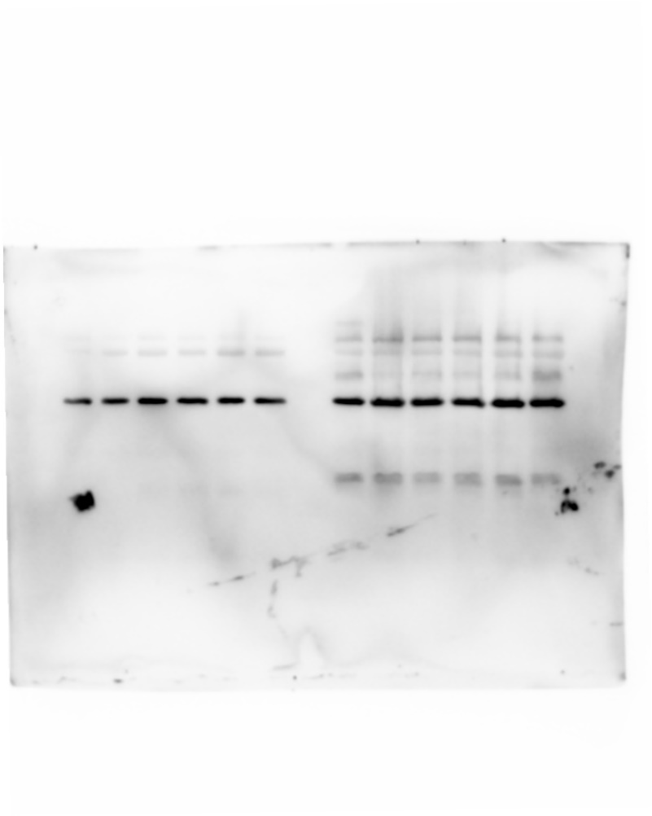
F | 2.211 |  |  |  |  |  |  |  |  |  |  |  |  |  |  |  |  |  |  |  |  |  |  |  |  |  |  |  | Lane | Volume |  |  | Actin |  |  |  |  |  |  |  |  |  |  |  |  |  |  |  | Actin |  |  |  |  |  |  |  |  |  |  |  |  |  |  |  | Actin
P value | 0.0754 |  |  |  |  |  |  |  |  |  |  |  |  |  |  |  |  |  |  |  |  |  |  |  |  |  |  |  | L2 | 276937.5 |  |  |  |  |  |  |  |  |  |  |  |  |  |  | Lane | Volume |  |  |  |  |  |  |  |  |  |  |  |  |  |  | Lane | Volume |  |  |  |  |  |  |  |  |  |  |  |  |  |  | Lane | Volume
P value summary | ns |  |  |  |  |  |  |  |  |  |  |  |  |  |  |  |  |  |  |  |  |  |  |  |  |  |  |  | L3 | 359073 |  |  |  |  |  |  |  |  |  |  |  |  |  |  | L2 | 468559 |  |  |  |  |  |  |  |  |  |  |  |  |  |  | L2 | 593061 |  |  |  |  |  |  |  |  |  |  |  |  |  |  | L2 | 534820.5714
Is there significant matching (P < 0.05)? | No |  |  |  |  |  |  |  |  |  |  |  |  |  |  |  |  |  |  |  |  |  |  |  |  |  |  |  | L4 | 399555 |  |  |  |  |  |  |  |  |  |  |  |  |  |  | L3 | 560160 |  |  |  |  |  |  |  |  |  |  |  |  |  |  | L3 | 686258.75 |  |  |  |  |  |  |  |  |  |  |  |  |  |  | L3 | 662220.9167
R squared | 0.07997 |  |  |  |  |  |  |  |  |  |  |  |  |  |  |  |  |  |  |  |  |  |  |  |  |  |  |  | L5 | 364989.5 |  |  |  |  |  |  |  |  |  |  |  |  |  |  | L4 | 538195.5 |  |  |  |  |  |  |  |  |  |  |  |  |  |  | L4 | 598074.2787 |  |  |  |  |  |  |  |  |  |  |  |  |  |  | L4 | 618034.1176
 |  |  |  |  |  |  |  |  |  |  |  |  |  |  |  |  |  |  |  |  |  |  |  |  |  |  |  |  | L6 | 421934 |  |  |  |  |  |  |  |  |  |  |  |  |  |  | L5 | 499835 |  |  |  |  |  |  |  |  |  |  |  |  |  |  | L5 | 531842 |  |  |  |  |  |  |  |  |  |  |  |  |  |  | L5 | 565784.0909
ANOVA table | SS | DF | MS | F (DFn, DFd) | P value |  |  |  |  |  |  |  |  |  |  |  |  |  |  |  |  |  |  |  |  |  |  |  | L7 | 411031.5 |  |  |  |  |  |  |  |  |  |  |  |  |  |  | L6 | 528687.85 |  |  |  |  |  |  |  |  |  |  |  |  |  |  | L6 | 495293 |  |  |  |  |  |  |  |  |  |  |  |  |  |  | L6 | 601096
Treatment (between columns) | 37.69 | 3 | 12.56 | F (1.486, 10.40) = 52.36 | P<0.0001 |  |  |  |  |  |  |  |  |  |  |  |  |  |  |  |  |  |  |  |  |  |  |  | L9 | 528910.5 |  |  |  |  |  |  |  |  |  |  |  |  |  |  | L7 | 486889.5 |  |  |  |  |  |  |  |  |  |  |  |  |  |  | L7 | 537120.1613 |  |  |  |  |  |  |  |  |  |  |  |  |  |  | L7 | 605944.8182
Individual (between rows) | 3.714 | 7 | 0.5306 | F (7, 21) = 2.211 | P=0.0754 |  |  |  |  |  |  |  |  |  |  |  |  |  |  |  |  |  |  |  |  |  |  |  | L10 | 640747.5 |  |  |  |  |  |  |  |  |  |  |  |  |  |  | L9 | 598998.5862 |  |  |  |  |  |  |  |  |  |  |  |  |  |  | L9 | 602780.5 |  |  |  |  |  |  |  |  |  |  |  |  |  |  | L9 | 612144
Residual (random) | 5.039 | 21 | 0.24 |  |  |  |  |  |  |  |  |  |  |  |  |  |  |  |  |  |  |  |  |  |  |  |  |  | L11 | 588178 |  |  |  |  |  |  |  |  |  |  |  |  |  |  | L10 | 611332.5484 |  |  |  |  |  |  |  |  |  |  |  |  |  |  | L10 | 602350.5 |  |  |  |  |  |  |  |  |  |  |  |  |  |  | L10 | 428950.4545
Total | 46.45 | 31 |  |  |  |  |  |  |  |  |  |  |  |  |  |  |  |  |  |  |  |  |  |  |  |  |  |  | L12 | 597574 |  |  |  |  |  |  |  |  |  |  |  |  |  |  | L11 | 607216 |  |  |  |  |  |  |  |  |  |  |  |  |  |  | L11 | 653992 |  |  |  |  |  |  |  |  |  |  |  |  |  |  | L11 | 603598.7143
 |  |  |  |  |  |  |  |  |  |  |  |  |  |  |  |  |  |  |  |  |  |  |  |  |  |  |  |  | L13 | 611191.5 |  |  |  |  |  |  |  |  |  |  |  |  |  |  | L12 | 668918.7143 |  |  |  |  |  |  |  |  |  |  |  |  |  |  | L12 | 526087 |  |  |  |  |  |  |  |  |  |  |  |  |  |  | L12 | 604210.6567
Number of families | 1 |  |  |  |  |  |  |  |  |  |  |  |  |  |  |  |  |  |  |  |  |  |  |  |  |  |  |  | L14 | 620070 |  |  |  |  |  |  |  |  |  |  |  |  |  |  | L13 | 701416.1905 |  |  |  |  |  |  |  |  |  |  |  |  |  |  | L13 | 585950 |  |  |  |  |  |  |  |  |  |  |  |  |  |  | L13 | 609884.9048
Number of comparisons per family | 6 |  |  |  |  |  |  |  |  |  |  |  |  |  |  |  |  |  |  |  |  |  |  |  |  |  |  |  |  |  |  |  |  |  |  |  |  |  |  |  |  |  |  |  | L14 | 679696 |  |  |  |  |  |  |  |  |  |  |  |  |  |  | L14 | 575535.6667 |  |  |  |  |  |  |  |  |  |  |  |  |  |  | L14 | 641024
Alpha | 0.05

Tukey's multiple comparisons test | Mean Diff. | 95.00% CI of diff. | Below threshold? | Summary | Adjusted P Value
Uninfected vs. GFP | -0.02903 | -0.06353 to 0.005470 | No | ns | 0.0992 | A-B
Uninfected vs. Rab4 | -1.077 | -1.800 to -0.3539 | Yes | ** | 0.0071 | A-C
Uninfected vs. S27N | -2.666 | -3.741 to -1.591 | Yes | *** | 0.0003 | A-D
GFP vs. Rab4 | -1.048 | -1.770 to -0.3255 | Yes | ** | 0.0082 | B-C
GFP vs. S27N | -2.637 | -3.703 to -1.571 | Yes | *** | 0.0003 | B-D
Rab4 vs. S27N | -1.589 | -2.369 to -0.8100 | Yes | ** | 0.0012 | C-D

Fig. 1F
Fig. 1F
Healthy donor CD4+ T AAV infection repeats (n = 8 healthy donors) |  |  |  |  |  |  |  |  |  |  |  |  |  |  |  |  |  | Experiment dates: 5/13/2024, 9/25/2024
CD38/Actin |  |  |  |  |  |  |  | All 8 repeats put together |  |  |  |  |  |  |  |  |  | Healthy donor CD4+ T AAV infection repeats (n = 8 healthy donors)
 | GFP | Rab4 | S27N |  |  |  |  |  |  |  |  |  |  |  |  |  |  | Wells | 1 | 2 | 3 | 4 | 5 | 6 | 7 | 8 | 9 | 10 | 11 | 12 | 13 | 14 | 15 | Wells | 1 | 2 | 3 | 4 | 5 | 6 | 7 | 8 | 9 | 10 | 11 | 12 | 13 | 14 | 15 | Wells | 1 | 2 | 3 | 4 | 5 | 6 | 7 | 8 | 9 | 10 | 11 | 12 | 13 | 14 | 15 | Wells | 1 | 2 | 3 | 4 | 5 | 6 | 7 | 8 | 9 | 10 | 11 | 12 | 13 | 14 | 15
 | 0.733349 | 1.262761 | 0.377638 |  |  |  |  |  |  | 2024-09-25 | 2024-05-13 | 2024-09-25 | 2024-05-13 | 2024-09-25 | 2024-05-13 | 2024-09-25 | 2024-05-13 | Gel 1A | ladder | Uninfected | GFP | Rab4 | S27N | other AAV | other AAV | ladder | Uninfected | GFP | Rab4 | S27N | other AAV | other AAV | blank | Gel 2A | ladder | Uninfected | GFP | Rab4 | S27N | other AAV | other AAV | ladder | Uninfected | GFP | Rab4 | S27N | other AAV | other AAV | blank | Gel 3A | ladder | Uninfected | GFP | Rab4 | S27N | other AAV | other AAV | ladder | Uninfected | GFP | Rab4 | S27N | other AAV | other AAV | blank | Gel 4A | ladder | Uninfected | GFP | Rab4 | S27N | other AAV | other AAV | ladder | Uninfected | GFP | Rab4 | S27N | other AAV | other AAV | blank
 | 0.22366 | 0.250986 | 0.261765 |  |  |  |  |  |  | Donor A | Donor A | Donor B | Donor B | Donor C | Donor C | Donor E | Donor D |  |  | Donor A CD4+ T 9/25/2024 |  |  |  |  |  |  | Donor A CD4+ T 5/13/2024 |  |  |  |  |  |  |  |  | Donor B CD4+ T 9/25/2024 |  |  |  |  |  |  | Donor B CD4+ T 5/13/2024 |  |  |  |  |  |  |  |  | Donor C CD4+ T 9/25/2024 |  |  |  |  |  |  | Donor C CD4+ T 5/13/2024 |  |  |  |  |  |  |  |  | Donor E CD4+ T 9/25/2024 |  |  |  |  |  |  | Donor D CD4+ T 5/13/2024
 | 0.786859 | 0.650206 | 0.683932 |  |  |  |  | CD38 | GFP | 263326 | 143309.4286 | 440767 | 162283.359 | 923169 | 1150777 | 513337.4615 | 57496.3165 |  |  |  |  |  |  |  |  |  |  |  |  |  |  |  |  |  |  |  |  |  |  |  |  |  |  |  |  |  |  |  |  |  |  | This repeat used for Fig. 1F
 | 0.265458 | 0.519547 | 0.447459 |  |  |  |  |  | Rab4 | 504542.5 | 147624.4222 | 349938 | 315477 | 1627712 | 1601224 | 908148.75 | 992856.766 | CD38 |  |  |  |  |  |  |  |  |  |  |  |  |  |  |  | CD38 |  |  |  |  |  |  |  |  |  |  |  |  |  |  |  | CD38 |  |  |  |  |  |  |  |  |  |  |  |  |  |  |  | CD38
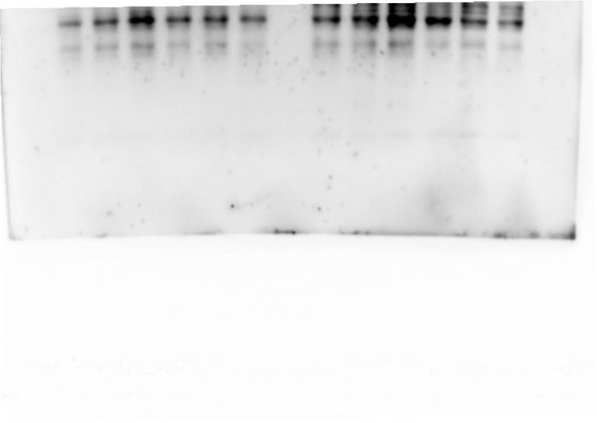
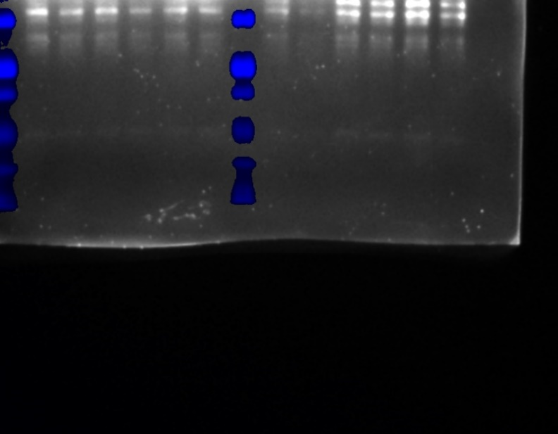
 | 1.34522 | 2.721588 | 1.829634 |  |  |  |  |  | S27N | 137834 | 156424.1304 | 341853 | 299313.6667 | 973076 | 1081413 | 372943.5 | 601894.3814 |  |  |  |  |  |  |  |  |  |  |  |  | Lane | Volume |  |  |  |  |  |  |  |  |  |  |  |  |  |  | Lane | Volume |  |  |  |  |  |  |  |  |  |  |  |  |  |  | Lane | Volume |  |  |  |  |  |  |  |  |  |  |  |  |  |  | Lane | Volume
 | 1.910477 | 2.448385 | 2.055578 |  |  |  |  | Actin | GFP | 359073 | 640747.5 | 560160 | 611332.5484 | 686258.75 | 602350.5 | 662220.9167 | 428950.4545 |  |  |  |  |  |  |  |  |  |  |  |  | L9 | 286312 |  |  |  |  |  |  |  |  |  |  |  |  |  |  | L9 | 180061.8 |  |  |  |  |  |  |  |  |  |  |  |  |  |  | L2 | 570420 |  |  |  |  |  |  |  |  |  |  |  |  |  |  | L2 | 732249.5
 | 0.775176 | 1.469415 | 0.659162 |  |  |  |  |  | Rab4 | 399555 | 588178 | 538195.5 | 607216 | 598074.2787 | 653992 | 618034.1176 | 603598.7143 |  |  |  |  |  |  |  |  |  |  |  |  | L10 | 143309.4286 |  |  |  |  |  |  |  |  |  |  |  |  |  |  | L10 | 162283.359 |  |  |  |  |  |  |  |  |  |  |  |  |  |  | L3 | 923169 |  |  |  |  |  |  |  |  |  |  |  |  |  |  | L3 | 513337.4615
 | 0.13404 | 1.644895 | 0.996166 |  |  |  |  |  | S27N | 364989.5 | 597574 | 499835 | 668918.7143 | 531842 | 526087 | 565784.0909 | 604210.6567 |  |  |  |  |  |  |  |  |  |  |  |  | L11 | 147624.4222 |  |  |  |  |  |  |  |  |  |  |  |  |  |  | L11 | 315477 |  |  |  |  |  |  |  |  |  |  |  |  |  |  | L4 | 1627712 |  |  |  |  |  |  |  |  |  |  |  |  |  |  | L4 | 908148.75
 |  |  |  |  |  |  |  | CD38/Actin | GFP | 0.73334948604 | 0.22365975458 | 0.78685911168 | 0.26545839809 | 1.3452200063 | 1.9104773716 | 0.77517554724 | 0.1340395281 |  |  |  |  |  |  |  |  |  |  |  |  | L12 | 156424.1304 |  |  |  |  |  |  |  |  |  |  |  |  |  |  | L12 | 299313.6667 |  |  |  |  |  |  |  |  |  |  |  |  |  |  | L5 | 973076 |  |  |  |  |  |  |  |  |  |  |  |  |  |  | L5 | 372943.5
Repeated measures ANOVA summary |  |  |  |  |  |  |  |  | Rab4 | 1.2627610717 | 0.25098596377 | 0.6502061054 | 0.51954658639 | 2.7215883678 | 2.4483846897 | 1.469415238 | 1.6448954288 |  |  |  |  |  |  |  |  |  |  |  |  | L13 | 331076.5556 |  |  |  |  |  |  |  |  |  |  |  |  |  |  | L13 | 401529.4828 |  |  |  |  |  |  |  |  |  |  |  |  |  |  | L6 | 950871 |  |  |  |  |  |  |  |  |  |  |  |  |  |  | L6 | 774550.5542
Assume sphericity? | No |  |  |  |  |  |  |  | S27N | 0.37763826083 | 0.26176528832 | 0.68393169746 | 0.44745895174 | 1.829633613 | 2.0555782599 | 0.6591622246 | 0.99616644415 |  |  |  |  |  |  |  |  |  |  |  |  | L14 | 217250.8125 |  |  |  |  |  |  |  |  |  |  |  |  |  |  | L14 | 284755.9298 |  |  |  |  |  |  |  |  |  |  |  |  |  |  | L7 | 866233 |  |  |  |  |  |  |  |  |  |  |  |  |  |  | L7 | 560983.1463
F | 7.146 |  |  |  |  |  |  |  |  |  |  |  |  |  |  |  |  |  |  |  |  |  |  |  |  |  |  |  |  |  |  |  |  |  |  |  |  |  |  |  |  |  |  |  |  |  |  |  |  |  |  |  |  |  |  |  |  |  |  |  |  | L9 | 861653 |  |  |  |  |  |  |  |  |  |  |  |  |  |  | L9 | 403660.9268
P value | 0.0155 |  |  |  |  |  |  |  |  |  |  |  |  |  |  |  |  |  |  |  |  |  |  |  |  |  |  |  |  |  |  |  |  |  |  |  |  |  |  |  |  |  |  |  |  |  |  |  |  |  |  |  |  |  |  |  |  |  |  |  |  | L10 | 1150777 |  |  |  |  |  |  |  |  |  |  |  |  |  |  | L10 | 57496.3165
P value summary | * |  |  |  |  |  |  | Figure made from 9/25/2024 Donor C |  |  |  |  |  |  |  |  |  |  |  |  |  |  |  |  |  |  |  |  |  |  |  |  |  |  |  |  |  |  |  |  |  |  |  |  |  |  |  |  |  |  |  |  |  |  |  |  |  |  |  |  |  | L11 | 1601224 |  |  |  |  |  |  |  |  |  |  |  |  |  |  | L11 | 992856.766
Statistically significant (P < 0.05)? | Yes |  |  |  |  |  |  |  |  |  |  |  |  |  |  |  |  |  |  |  |  |  |  |  |  |  |  |  |  |  |  |  |  |  |  |  |  |  |  |  |  |  |  |  |  |  |  |  |  |  |  |  |  |  |  |  |  |  |  |  |  | L12 | 1081413 |  |  |  |  |  |  |  |  |  |  |  |  |  |  | L12 | 601894.3814
F
CD38
Rab4
Actin
GFP
Rab4
S27N
AAV
Geisser-Greenhouse's epsilon | 0.7416 |  |  |  |  |  |  |  |  |  |  |  |  |  |  |  |  |  |  |  |  |  |  |  |  |  |  |  |  |  |  |  |  |  |  |  |  |  |  |  |  |  |  |  |  |  |  |  |  |  |  |  |  |  |  |  |  |  |  |  |  | L13 | 748433 |  |  |  |  |  |  |  |  |  |  |  |  |  |  | L13 | 1138764.1792
R squared | 0.5052 |  |  |  |  |  |  |  |  |  |  |  |  |  |  |  |  |  |  |  |  |  |  |  |  |  |  |  |  |  |  |  |  |  |  |  |  |  |  |  |  |  |  |  |  |  |  |  |  |  |  |  |  |  |  |  |  |  |  |  |  | L14 | 569515 |  |  |  |  |  |  |  |  |  |  |  |  |  |  | L14 | 579406.2264

Was the matching effective? |  |  |  |  |  |  |  |  |  |  |  |  |  |  |  |  |  |  | Left side of the membrane |  |  |  |  |  |  |  |  |  |  |  |  |  |  |  | Left side of the membrane
F | 12.8 |  |  |  |  |  |  |  |  |  |  |  |  |  |  |  |  |  |  |  |  |  |  |  |  |  |  |  |  | Lane | Volume |  |  |  |  |  |  |  |  |  |  |  |  |  |  | Lane | Volume
P value | <0.0001 |  |  |  |  |  |  |  |  |  |  |  |  |  |  |  |  |  |  |  |  |  |  |  |  |  |  |  |  | L2 | 232179.9231 |  |  |  |  |  |  |  |  |  |  |  |  |  |  | L2 | 527865
P value summary | **** |  |  |  |  |  |  |  |  |  |  |  |  |  |  |  |  |  |  |  |  |  |  |  |  |  |  |  |  | L3 | 263326 |  |  |  |  |  |  |  |  |  |  |  |  |  |  | L3 | 440767
Is there significant matching (P < 0.05)? | Yes |  |  |  |  |  |  |  |  |  |  |  |  |  |  |  |  |  |  |  |  |  |  |  |  |  |  |  |  | L4 | 504542.5 |  |  |  |  |  |  |  |  |  |  |  |  |  |  | L4 | 349938
R squared | 0.76 |  |  |  |  |  |  |  |  |  |  |  |  |  |  |  |  |  |  |  |  |  |  |  |  |  |  |  |  | L5 | 137834 |  |  |  |  |  |  |  |  |  |  |  |  |  |  | L5 | 341853
 |  |  |  |  |  |  |  |  |  |  |  |  |  |  |  |  |  |  |  |  |  |  |  |  |  |  |  |  |  | L6 | 136981 |  |  |  |  |  |  |  |  |  |  |  |  |  |  | L6 | 295734
ANOVA table | SS | DF | MS | F (DFn, DFd) | P value |  |  |  |  |  |  |  |  |  |  |  |  |  |  |  |  |  |  |  |  |  |  |  |  | L7 | 106661.6957 |  |  |  |  |  |  |  |  |  |  |  |  |  |  | L7 | 218803
Treatment (between columns) | 1.568 | 2 | 0.7842 | F (1.483, 10.38) = 7.146 | P=0.0155
Individual (between rows) | 9.832 | 7 | 1.405 | F (7, 14) = 12.80 | P<0.0001
Residual (random) | 1.536 | 14 | 0.1097
Total | 12.94 | 23

Number of families | 1
Number of comparisons per family | 2
Alpha | 0.05 |  |  |  |  |  |  |  |  |  |  |  |  |  |  |  |  | Actin
 |  |  |  |  |  |  |  |  |  |  |  |  |  |  |  |  |  |  |  |  |  |  |  |  |  |  |  |  |  | Lane | Volume |  |  | Actin |  |  |  |  |  |  |  |  |  |  |  |  |  |  |  | Actin |  |  |  |  |  |  |  |  |  |  |  |  |  |  |  | Actin |  |  |  |  |  |  |  |  |  |  |  | Lane | Volume
Dunnett's multiple comparisons test | Mean Diff. | 95.00% CI of diff. | Below threshold? | Summary | Adjusted P Value | B-? |  |  |  |  |  |  |  |  |  |  |  |  |  |  |  |  |  |  |  |  |  |  |  | L2 | 276937.5 |  |  |  |  |  |  |  |  |  |  |  |  |  |  | Lane | Volume |  |  |  |  |  |  |  |  |  |  |  |  |  |  | Lane | Volume |  |  |  |  |  |  |  |  |  |  |  |  |  |  | L2 | 86801
Rab4 vs. GFP | 0.5992 | 0.02471 to 1.174 | Yes | * | 0.0423 | A | GFP |  |  |  |  |  |  |  |  |  |  |  |  |  |  |  |  |  |  |  |  |  |  | L3 | 359073 |  |  |  |  |  |  |  |  |  |  |  |  |  |  | L2 | 468559 |  |  |  |  |  |  |  |  |  |  |  |  |  |  | L2 | 593061 |  |  |  |  |  |  |  |  |  |  |  |  |  |  | L3 | 103120
Rab4 vs. S27N | 0.4571 | 0.06339 to 0.8507 | Yes | * | 0.027 | C | S27N |  |  |  |  |  |  |  |  |  |  |  |  |  |  |  |  |  |  |  |  |  |  | L4 | 399555 |  |  |  |  |  |  |  |  |  |  |  |  |  |  | L3 | 560160 |  |  |  |  |  |  |  |  |  |  |  |  |  |  | L3 | 686258.75 |  |  |  |  |  |  |  |  |  |  |  |  |  |  | L4 | 484461
 |  |  |  |  |  |  |  |  |  |  |  |  |  |  |  |  |  |  |  |  |  |  |  |  |  |  |  |  |  | L5 | 364989.5 |  |  |  |  |  |  |  |  |  |  |  |  |  |  | L4 | 538195.5 |  |  |  |  |  |  |  |  |  |  |  |  |  |  | L4 | 598074.2787 |  |  |  |  |  |  |  |  |  |  |  |  |  |  | L5 | 1367527
 |  |  |  |  |  |  |  |  |  |  |  |  |  |  |  |  |  |  |  |  |  |  |  |  |  |  |  |  |  | L6 | 421934 |  |  |  |  |  |  |  |  |  |  |  |  |  |  | L5 | 499835 |  |  |  |  |  |  |  |  |  |  |  |  |  |  | L5 | 531842 |  |  |  |  |  |  |  |  |  |  |  |  |  |  | L6 | 1425248
 |  |  |  |  |  |  |  |  |  |  |  |  |  |  |  |  |  |  |  |  |  |  |  |  |  |  |  |  |  | L7 | 411031.5 |  |  |  |  |  |  |  |  |  |  |  |  |  |  | L6 | 528687.85 |  |  |  |  |  |  |  |  |  |  |  |  |  |  | L6 | 495293 |  |  |  |  |  |  |  |  |  |  |  |  |  |  | L7 | 212771
 |  |  |  |  |  |  |  |  |  |  |  |  |  |  |  |  |  |  |  |  |  |  |  |  |  |  |  |  |  | L9 | 528910.5 |  |  |  |  |  |  |  |  |  |  |  |  |  |  | L7 | 486889.5 |  |  |  |  |  |  |  |  |  |  |  |  |  |  | L7 | 537120.1613 |  |  |  |  |  |  |  |  |  |  |  |  |  |  | L9 | 95460
 |  |  |  |  |  |  |  |  |  |  |  |  |  |  |  |  |  |  |  |  |  |  |  |  |  |  |  |  |  | L10 | 640747.5 |  |  |  |  |  |  |  |  |  |  |  |  |  |  | L9 | 598998.5862 |  |  |  |  |  |  |  |  |  |  |  |  |  |  | L9 | 602780.5 |  |  |  |  |  |  |  |  |  |  |  |  |  |  | L10 | 103710
 |  |  |  |  |  |  |  |  |  |  |  |  |  |  |  |  |  |  |  |  |  |  |  |  |  |  |  |  |  | L11 | 588178 |  |  |  |  |  |  |  |  |  |  |  |  |  |  | L10 | 611332.5484 |  |  |  |  |  |  |  |  |  |  |  |  |  |  | L10 | 602350.5 |  |  |  |  |  |  |  |  |  |  |  |  |  |  | L11 | 242093
 |  |  |  |  |  |  |  |  |  |  |  |  |  |  |  |  |  |  |  |  |  |  |  |  |  |  |  |  |  | L12 | 597574 |  |  |  |  |  |  |  |  |  |  |  |  |  |  | L11 | 607216 |  |  |  |  |  |  |  |  |  |  |  |  |  |  | L11 | 653992 |  |  |  |  |  |  |  |  |  |  |  |  |  |  | L12 | 1635826
 |  |  |  |  |  |  |  |  |  |  |  |  |  |  |  |  |  |  |  |  |  |  |  |  |  |  |  |  |  | L13 | 611191.5 |  |  |  |  |  |  |  |  |  |  |  |  |  |  | L12 | 668918.7143 |  |  |  |  |  |  |  |  |  |  |  |  |  |  | L12 | 526087 |  |  |  |  |  |  |  |  |  |  |  |  |  |  | L13 | 1603561
 |  |  |  |  |  |  |  |  |  |  |  |  |  |  |  |  |  |  |  |  |  |  |  |  |  |  |  |  |  | L14 | 620070 |  |  |  |  |  |  |  |  |  |  |  |  |  |  | L13 | 701416.1905 |  |  |  |  |  |  |  |  |  |  |  |  |  |  | L13 | 585950 |  |  |  |  |  |  |  |  |  |  |  |  |  |  | L14 | 204017
 |  |  |  |  |  |  |  |  |  |  |  |  |  |  |  |  |  |  |  |  |  |  |  |  |  |  |  |  |  |  |  |  |  |  |  |  |  |  |  |  |  |  |  |  |  | L14 | 679696 |  |  |  |  |  |  |  |  |  |  |  |  |  |  | L14 | 575535.6667

 |  |  |  |  |  |  |  |  |  |  |  |  |  |  |  |  |  |  |  |  |  |  |  |  |  |  |  |  |  |  |  |  |  |  |  |  |  |  |  |  |  |  |  |  |  |  |  |  |  |  |  |  |  |  |  |  |  |  |  |  |  |  |  |  |  |  |  |  |  |  |  |  |  |  |  |  |  | Lane | Volume
 |  |  |  |  |  |  |  |  |  |  |  |  |  |  |  |  |  |  |  |  |  |  |  |  |  |  |  |  |  |  |  |  |  |  |  |  |  |  |  |  |  |  |  |  |  |  |  |  |  |  |  |  |  |  |  |  |  |  |  |  |  |  |  |  |  |  |  |  |  |  |  |  |  |  |  |  |  | L2 | 534820.5714
 |  |  |  |  |  |  |  |  |  |  |  |  |  |  |  |  |  |  |  |  |  |  |  |  |  |  |  |  |  |  |  |  |  |  |  |  |  |  |  |  |  |  |  |  |  |  |  |  |  |  |  |  |  |  |  |  |  |  |  |  |  |  |  |  |  |  |  |  |  |  |  |  |  |  |  |  |  | L3 | 662220.9167
 |  |  |  |  |  |  |  |  |  |  |  |  |  |  |  |  |  |  |  |  |  |  |  |  |  |  |  |  |  |  |  |  |  |  |  |  |  |  |  |  |  |  |  |  |  |  |  |  |  |  |  |  |  |  |  |  |  |  |  |  |  |  |  |  |  |  |  |  |  |  |  |  |  |  |  |  |  | L4 | 618034.1176
 |  |  |  |  |  |  |  |  |  |  |  |  |  |  |  |  |  |  |  |  |  |  |  |  |  |  |  |  |  |  |  |  |  |  |  |  |  |  |  |  |  |  |  |  |  |  |  |  |  |  |  |  |  |  |  |  |  |  |  |  |  |  |  |  |  |  |  |  |  |  |  |  |  |  |  |  |  | L5 | 565784.0909
 |  |  |  |  |  |  |  |  |  |  |  |  |  |  |  |  |  |  |  |  |  |  |  |  |  |  |  |  |  |  |  |  |  |  |  |  |  |  |  |  |  |  |  |  |  |  |  |  |  |  |  |  |  |  |  |  |  |  |  |  |  |  |  |  |  |  |  |  |  |  |  |  |  |  |  |  |  | L6 | 601096
 |  |  |  |  |  |  |  |  |  |  |  |  |  |  |  |  |  |  |  |  |  |  |  |  |  |  |  |  |  |  |  |  |  |  |  |  |  |  |  |  |  |  |  |  |  |  |  |  |  |  |  |  |  |  |  |  |  |  |  |  |  |  |  |  |  |  |  |  |  |  |  |  |  |  |  |  |  | L7 | 605944.8182
 |  |  |  |  |  |  |  |  |  |  |  |  |  |  |  |  |  |  |  |  |  |  |  |  |  |  |  |  |  |  |  |  |  |  |  |  |  |  |  |  |  |  |  |  |  |  |  |  |  |  |  |  |  |  |  |  |  |  |  |  |  |  |  |  |  |  |  |  |  |  |  |  |  |  |  |  |  | L9 | 612144
 |  |  |  |  |  |  |  |  |  |  |  |  |  |  |  |  |  |  |  |  |  |  |  |  |  |  |  |  |  |  |  |  |  |  |  |  |  |  |  |  |  |  |  |  |  |  |  |  |  |  |  |  |  |  |  |  |  |  |  |  |  |  |  |  |  |  |  |  |  |  |  |  |  |  |  |  |  | L10 | 428950.4545
 |  |  |  |  |  |  |  |  |  |  |  |  |  |  |  |  |  |  |  |  |  |  |  |  |  |  |  |  |  |  |  |  |  |  |  |  |  |  |  |  |  |  |  |  |  |  |  |  |  |  |  |  |  |  |  |  |  |  |  |  |  |  |  |  |  |  |  |  |  |  |  |  |  |  |  |  |  | L11 | 603598.7143
 |  |  |  |  |  |  |  |  |  |  |  |  |  |  |  |  |  |  |  |  |  |  |  |  |  |  |  |  |  |  |  |  |  |  |  |  |  |  |  |  |  |  |  |  |  |  |  |  |  |  |  |  |  |  |  |  |  |  |  |  |  |  |  |  |  |  |  |  |  |  |  |  |  |  |  |  |  | L12 | 604210.6567
 |  |  |  |  |  |  |  |  |  |  |  |  |  |  |  |  |  |  |  |  |  |  |  |  |  |  |  |  |  |  |  |  |  |  |  |  |  |  |  |  |  |  |  |  |  |  |  |  |  |  |  |  |  |  |  |  |  |  |  |  |  |  |  |  |  |  |  |  |  |  |  |  |  |  |  |  |  | L13 | 609884.9048
 |  |  |  |  |  |  |  |  |  |  |  |  |  |  |  |  |  |  |  |  |  |  |  |  |  |  |  |  |  |  |  |  |  |  |  |  |  |  |  |  |  |  |  |  |  |  |  |  |  |  |  |  |  |  |  |  |  |  |  |  |  |  |  |  |  |  |  |  |  |  |  |  |  |  |  |  |  | L14 | 641024

Fig. 1G
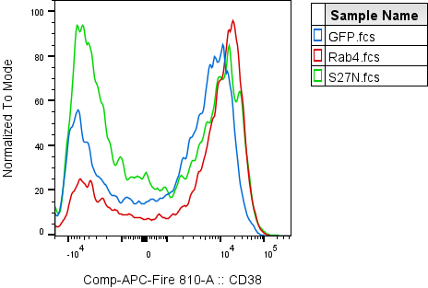
Fig. 1G |  |  |  |  |  |  | CD3/CD28 CD4+ T cells
Healthy donor PBMC AAV infection repeats (n = 9 healthy donors) |  |  |  |  |  |  | CD38 MFI
CD38 MFI |  |  |  |  |  |  | Experiment Date | 2024-05-13 |  |  |  | 2023-08-10 | 2023-11-17
 | GFP | Rab4A | S27N |  |  |  | Donor ID | Donor A | Donor B | Donor C | Donor D | C-01-025-01 | C-01-003-02 | C-01-004-03 | C-01-007-01 | C-01-022-01
 | 145 | 292 | 658 |  |  |  | GFP | 145 | 1691 | 1316 | 3255 | 3797 | 4302 | 4442 | 6835 | 4470
 | 1691 | 1744 | 1443 |  |  |  | Rab4 | 292 | 1744 | 1558 | 3535 | 4434 | 4349 | 4387 | 6890 | 4571
 | 1316 | 1558 | 1403 |  |  |  | S27N | 658 | 1443 | 1403 | 3058 | 3534 | 4233 | 4253 | 6937 | 4658
 | 3255 | 3535 | 3058
 | 3797 | 4434 | 3534
 | 4607 | 5060 | 4204
 | 4619 | 5108 | 5866
 | 7490 | 7493 | 6723
 | 6125 | 6609 | 8130

Repeated measures ANOVA summary
Assume sphericity? | No
F | 0.9029
P value | 0.377
P value summary | ns
Statistically significant (P < 0.05)? | No
Geisser-Greenhouse's epsilon | 0.5444
R squared | 0.1014

Was the matching effective?
F | 69.4
P value | <0.0001
P value summary | ****
Is there significant matching (P < 0.05)? | Yes
R squared | 0.9689

Number of families | 1
Number of comparisons per family | 3
Alpha | 0.05

Tukey's multiple comparisons test | Mean Diff. | 95.00% CI of diff. | Below threshold? | Summary | Adjusted P Value
GFP vs. Rab4A | -309.8 | -517.9 to -101.6 | Yes | ** | 0.007 | A-B
GFP vs. S27N | -219.3 | -1067 to 628.1 | No | ns | 0.748 | A-C
Rab4A vs. S27N | 90.44 | -694.0 to 874.9 | No | ns | 0.9423 | B-C

Fig. S3A
Supplementary Figure S3A
Cell fractionation confirmation
Western blot of transaldolase

Wells | 1 | 2 | 3 | 4 | 5 | 6 | 7 | 8 | 9 | 10 | 11 | 12 | 13 | 14 | 15 | Wells | 1 | 2 | 3 | 4 | 5 | 6 | 7 | 8 | 9 | 10 | 11 | 12 | 13 | 14 | 15 | Wells | 1 | 2 | 3 | 4 | 5 | 6 | 7 | 8 | 9 | 10 | 11 | 12 | 13 | 14 | 15 | Wells | 1 | 2 | 3 | 4 | 5 | 6 | 7 | 8 | 9 | 10 | 11 | 12 | 13 | 14 | 15
Gel 1 | ladder | Control | Control with doxy | Rab4A+ | Rab4A+ with doxy | Rab4A DN | Rab4A DN with doxy | Control | Control with doxy | Rab4A+ | Rab4A+ with doxy | Rab4A DN | Rab4A DN with doxy | blank | Rab4A DN with doxy | Gel 2 | ladder | Control | Control with doxy | Rab4A+ | Rab4A+ with doxy | Rab4A DN | Rab4A DN with doxy | Control | Control with doxy | Rab4A+ | Rab4A+ with doxy | Rab4A DN | Rab4A DN with doxy | blank | Rab4A DN with doxy | Gel 3 | ladder | Control | Control with doxy | Rab4A+ | Rab4A+ with doxy | Rab4A DN | Rab4A DN with doxy | Control | Control with doxy | Rab4A+ | Rab4A+ with doxy | Rab4A DN | Rab4A DN with doxy | blank | Rab4A DN with doxy | Gel 4 | ladder | Control | Control with doxy | Rab4A+ | Rab4A+ with doxy | Rab4A DN | Rab4A DN with doxy | Control | Control with doxy | Rab4A+ | Rab4A+ with doxy | Rab4A DN | Rab4A DN with doxy | blank | Rab4A DN with doxy
 |  | Plasma Membrane |  |  |  |  |  | Organelle Membrane |  |  |  |  |  |  | Whole cell |  |  | Nuclei |  |  |  |  |  | Cytosol |  |  |  |  |  |  | Whole cell |  |  | Plasma Membrane |  |  |  |  |  | Organelle Membrane |  |  |  |  |  |  | Whole cell |  |  | Plasma Membrane |  |  |  |  |  | Organelle Membrane |  |  |  |  |  |  | Whole cell

 | Transaldolase |  |  |  |  |  |  |  |  |  |  |  |  |  |  | Transaldolase |  |  |  |  |  |  |  |  |  |  |  |  |  |  |  |  | Rab4 |  |  |  |  |  |  |  |  |  |  |  |  |  |  | Rab4
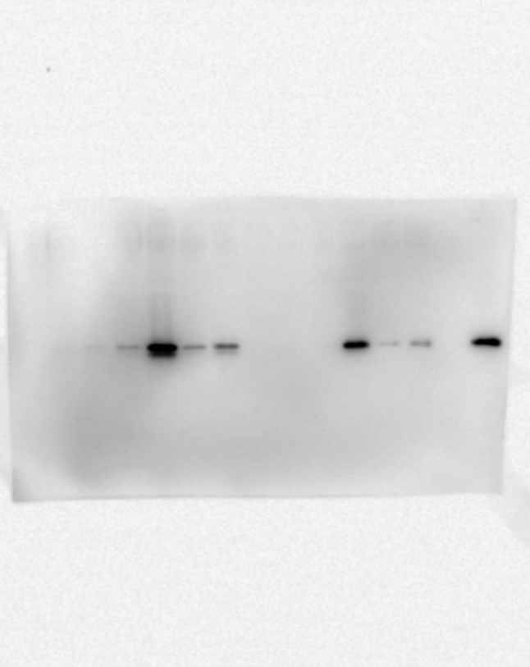
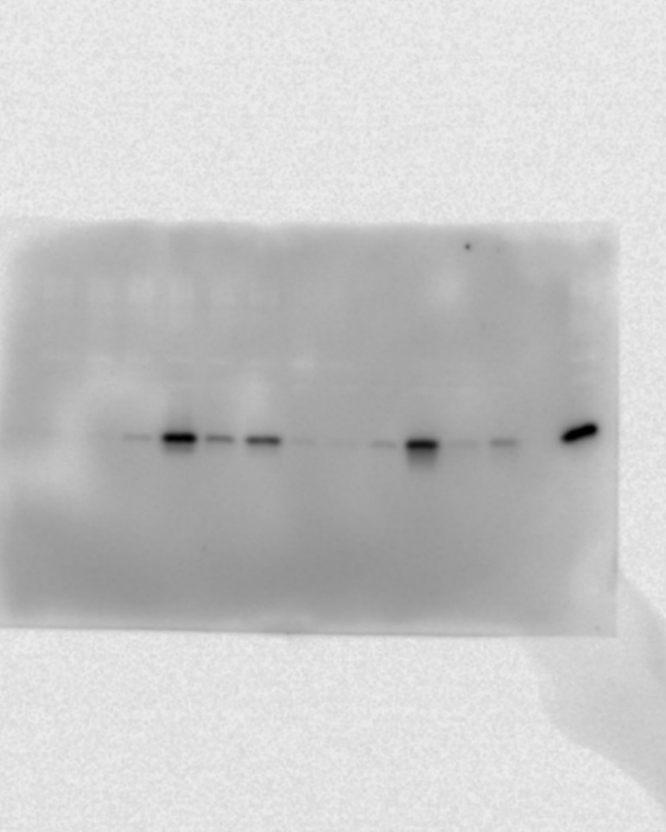

 | Actin |  |  |  |  |  |  |  |  |  |  |  |  |  |  | Actin |  |  |  |  |  |  |  |  |  |  |  |  |  |  |  |  | Actin |  |  |  |  |  |  |  |  |  |  |  |  |  |  | Actin

Fig. 3A
Fig. 3A
Gating strategy, gating on CD38+/- cells within CD4+ T cells

A

CD19
CD8

CD3
CD4
CD38

Fig. S4C
Fig. S4C |  |  | CD38 KO Jurkat repeats (n = 3)
p4E-BP1/Actin |  |  | Experiment date: 3/12/2025

 | Rab4A+ CD38WT | Rab4A+ CD38KO |  |  |  |  |  |  |  | Wells | 1 | 2 | 3 | 4 | 5 | 6 | 7 | 8 | 9 | 10 | 11 | 12 | 13 | 14 | 15 | Wells | 1 | 2 | 3 | 4 | 5 | 6 | 7 | 8 | 9 | 10 | 11 | 12 | 13 | 14 | 15 | Wells | 1 | 2 | 3 | 4 | 5 | 6 | 7 | 8 | 9 | 10 | 11 | 12 | 13 | 14 | 15
 | 1.503508 | 1.189716 |  | Gel | Cell Line | Treatment | p4E-BP1 | Actin | p4E-BP1/Actin | Gel #1 | ladder | 4480 CW | 4480 GE | Rab4A+ CD38WT | Rab4A+ CD38KO | 9035 CW | 9035 GE | ladder | 4480 CW | 4480 GE | Rab4A+ CD38WT | Rab4A+ CD38KO | 9035 CW | 9035 GE |  | Gel #2 | ladder | 4480 CW | 4480 GE | Rab4A+ CD38WT | Rab4A+ CD38KO | 9035 CW | 9035 GE | ladder | 4480 CW | 4480 GE | Rab4A+ CD38WT | Rab4A+ CD38KO | 9035 CW | 9035 GE |  | Gel #3 | ladder | 4480 CW | 4480 GE | Rab4A+ CD38WT | Rab4A+ CD38KO | 9035 CW | 9035 GE | ladder | 4480 CW | 4480 GE | Rab4A+ CD38WT | Rab4A+ CD38KO | 9035 CW | 9035 GE
 | 1.171052 | 0.954479 |  | 1 | Rab4A+ CD38WT | DOXY | 814165.7692 | 541510.6364 | 1.5035083606 |  |  | Unstimulated |  |  |  |  |  |  | DOXY |  |  |  |  |  |  |  |  | Unstimulated |  |  |  |  |  |  | DOXY |  |  |  |  |  |  |  |  | Unstimulated |  |  |  |  |  |  | DOXY
 | 1.594127 | 1.187224 |  | 1 | Rab4A+ CD38KO | DOXY | 674861.1558 | 567245.7353 | 1.1897156978
 |  |  |  | 2 | Rab4A+ CD38WT | DOXY | 707653 | 604288.4545 | 1.1710516637 | p4E-BP1 |  |  |  |  |  |  |  |  |  |  |  |  |  |  |  | p4E-BP1 |  |  |  |  |  |  |  |  |  |  |  |  |  |  |  | p4E-BP1
Paired t test |  |  |  | 2 | Rab4A+ CD38KO | DOXY | 668887.6683 | 700788.3913 | 0.95447880787 |  |  |  |  |  |  |  |  |  |  |  |  | Lane | Volume |  |  |  |  |  |  |  |  |  |  |  |  |  |  | Lane | Volume |  |  |  |  |  |  |  |  |  |  |  |  |  |  | Lane | Volume
P value | 0.0296 |  |  | 3 | Rab4A+ CD38WT | DOXY | 1081884.8636 | 678669.0373 | 1.5941273347 |  |  |  |  |  |  |  |  |  |  |  |  | L2 | 581221.7713 |  |  |  |  |  |  |  |  |  |  |  |  |  |  | L2 | 710515.3298 |  |  |  |  |  |  |  |  |  |  |  |  |  |  | L2 | 927981.507
P value summary | * |  |  | 3 | Rab4A+ CD38KO | DOXY | 693251.3744 | 583926.3538 | 1.1872239879 |  |  |  |  |  |  |  |  |  |  |  |  | L3 | 574347.5294 |  |  |  |  |  |  |  |  |  |  |  |  |  |  | L3 | 763310.3808 |  |  |  |  |  |  |  |  |  |  |  |  |  |  | L3 | 752674.125
Significantly different (P < 0.05)? | Yes |  |  |  |  |  |  |  |  |  |  |  |  |  |  |  |  |  |  |  |  | L4 | 728423.2277 |  |  |  |  |  |  |  |  |  |  |  |  |  |  | L4 | 766299.6753 |  |  |  |  |  |  |  |  |  |  |  |  |  |  | L4 | 963412.3333
One- or two-tailed P value? | Two-tailed |  |  |  |  |  |  |  |  |  |  |  |  |  |  |  |  |  |  |  |  | L5 | 724416.3351 |  |  |  |  |  |  |  |  |  |  |  |  |  |  | L5 | 732148.6907 |  |  |  |  |  |  |  |  |  |  |  |  |  |  | L5 | 833394.5556
t, df | t=5.686, df=2 |  |  |  |  |  |  |  |  |  |  |  |  |  |  |  |  |  |  |  |  | L6 | 516621.911 |  |  |  |  |  |  |  |  |  |  |  |  |  |  | L6 | 502318.7812 |  |  |  |  |  |  |  |  |  |  |  |  |  |  | L6 | 718282
Number of pairs | 3 |  |  | Figure made from gel 3 |  |  |  |  |  |  |  |  |  |  |  |  |  |  |  |  |  | L7 | 566159.4157 |  |  |  |  |  |  |  |  |  |  |  |  |  |  | L7 | 576232.3834 |  |  |  |  |  |  |  |  |  |  |  |  |  |  | L7 | 837427.4528
E
 |  |  |  |  |  |  |  |  |  |  |  |  |  |  |  |  |  |  |  |  |  | L9 | 1013477 |  |  |  |  |  |  |  |  |  |  |  |  |  |  | L9 | 707694 |  |  |  |  |  |  |  |  |  |  |  |  |  |  | L9 | 1017620.4595
p4E-BP1
Actin
CD38^{WT}
CD38^{KO}
Rab4A⁺⁺ Jurkat
 |  |  |  |  |  |  |  |  |  |  |  |  |  |  |  |  |  |  |  |  |  | L10 | 832922 |  |  |  |  |  |  |  |  |  |  |  |  |  |  | L10 | 705793.3171 |  |  |  |  |  |  |  |  |  |  |  |  |  |  | L10 | 811483.5
 |  |  |  |  |  |  |  |  |  |  |  |  |  |  |  |  |  |  |  |  |  | L11 | 814165.7692 |  |  |  |  |  |  |  |  |  |  |  |  |  |  | L11 | 707653 |  |  |  |  |  |  |  |  |  |  |  |  |  |  | L11 | 1081884.8636
 | Rab4A+ |  |  |  |  |  |  |  |  |  |  |  |  |  |  |  |  |  |  |  |  | L12 | 674861.1558 |  |  |  |  |  |  |  |  |  |  |  |  |  |  | L12 | 668887.6683 |  |  |  |  |  |  |  |  |  |  |  |  |  |  | L12 | 693251.3744
 |  |  |  |  |  |  |  |  |  |  |  |  |  |  |  |  |  |  |  |  |  | L13 | 676725.9378 |  |  |  |  |  |  |  |  |  |  |  |  |  |  | L13 | 733155.7327 |  |  |  |  |  |  |  |  |  |  |  |  |  |  | L13 | 554121.8342
 |  |  |  |  |  |  |  |  |  |  |  |  |  |  |  |  |  |  |  |  |  | L14 | 585352.2567 |  |  |  |  |  |  |  |  |  |  |  |  |  |  | L14 | 666342.6769 |  |  |  |  |  |  |  |  |  |  |  |  |  |  | L14 | 456519.8622

 |  |  |  |  |  |  |  |  |  | Actin |  |  |  |  |  |  |  |  |  |  |  |  |  |  |  | Actin |  |  |  |  |  |  |  |  |  |  |  |  |  |  |  | Actin
 |  |  |  |  |  |  |  |  |  |  |  |  |  |  |  |  |  |  |  |  |  | Lane | Volume |  |  |  |  |  |  |  |  |  |  |  |  |  |  | Lane | Volume |  |  |  |  |  |  |  |  |  |  |  |  |  |  | Lane | Volume
 |  |  |  |  |  |  |  |  |  |  |  |  |  |  |  |  |  |  |  |  |  | L2 | 661999.5714 |  |  |  |  |  |  |  |  |  |  |  |  |  |  | L2 | 681749 |  |  |  |  |  |  |  |  |  |  |  |  |  |  | L2 | 724011.3279
 |  |  |  |  |  |  |  |  |  |  |  |  |  |  |  |  |  |  |  |  |  | L3 | 698394.2288 |  |  |  |  |  |  |  |  |  |  |  |  |  |  | L3 | 787833.4167 |  |  |  |  |  |  |  |  |  |  |  |  |  |  | L3 | 687587.3478
 |  |  |  |  |  |  |  |  |  |  |  |  |  |  |  |  |  |  |  |  |  | L4 | 555511 |  |  |  |  |  |  |  |  |  |  |  |  |  |  | L4 | 561004.5714 |  |  |  |  |  |  |  |  |  |  |  |  |  |  | L4 | 580011.0672
 |  |  |  |  |  |  |  |  |  |  |  |  |  |  |  |  |  |  |  |  |  | L5 | 539095.6563 |  |  |  |  |  |  |  |  |  |  |  |  |  |  | L5 | 515476 |  |  |  |  |  |  |  |  |  |  |  |  |  |  | L5 | 507517.1304
 |  |  |  |  |  |  |  |  |  |  |  |  |  |  |  |  |  |  |  |  |  | L6 | 582994.8571 |  |  |  |  |  |  |  |  |  |  |  |  |  |  | L6 | 626026.6667 |  |  |  |  |  |  |  |  |  |  |  |  |  |  | L6 | 641346.137
 |  |  |  |  |  |  |  |  |  |  |  |  |  |  |  |  |  |  |  |  |  | L7 | 581101.6148 |  |  |  |  |  |  |  |  |  |  |  |  |  |  | L7 | 565488.6087 |  |  |  |  |  |  |  |  |  |  |  |  |  |  | L7 | 639633.7826
 |  |  |  |  |  |  |  |  |  |  |  |  |  |  |  |  |  |  |  |  |  | L9 | 700840.2609 |  |  |  |  |  |  |  |  |  |  |  |  |  |  | L9 | 687038.2609 |  |  |  |  |  |  |  |  |  |  |  |  |  |  | L9 | 793595
...

Fig. S4D
...
 | Rab4A+ CD38WT | Rab4A+ CD38KO |  |  |  |  |  |  | Wells
 | 0.877317 | 0.725416 | Gel | Cell Line | Treatment | pAKT1 | Actin | pAKT1/Actin | Gel #7
 | 0.864046 | 0.751825 | 7 | Rab4A+ CD38WT | DOXY | 462280 | 526925 | 0.87731650614
 | 0.873809 | 0.84186 | 7 | Rab4A+ CD38KO | DOXY | 404626 | 557785 | 0.72541570677
 |  |  | 8 | Rab4A+ CD38WT | DOXY | 400050 | 462996 | 0.86404634165 | pAKT1
Column B | Rab4A+ CD38KO |  | 8 | Rab4A+ CD38KO | DOXY | 323593 | 430410 | 0.75182500407 | above 37 kD
vs. | vs. |  | 9 | Rab4A+ CD38WT | DOXY | 489262 | 559919 | 0.87380853302
Column A | Rab4A+ CD38WT |  | 9 | Rab4A+ CD38KO | DOXY | 412520 | 490010 | 0.8418603702
...
pAKT1
Actin
CD38^{WT}
CD38^{KO}
Rab4A⁺⁺ Jurkat
 | Rab4A+ CD38WT | Rab4A+ CD38KO |  |  |  |  |  |  | Wells
Unpaired t test |  |  | Figure made from gel 8
P value | 0.0497
P value summary | *
Significantly different (P < 0.05)? | Yes
One- or two-tailed P value? | Two-tailed
t, df | t=2.782, df=4
...
 | Rab4A+ CD38WT | Rab4A+ CD38KO |  |  |  |  |  |  | Wells
 |  |  |  |  |  |  |  |  | Actin
...

Fig. 7F
Fig. 7F

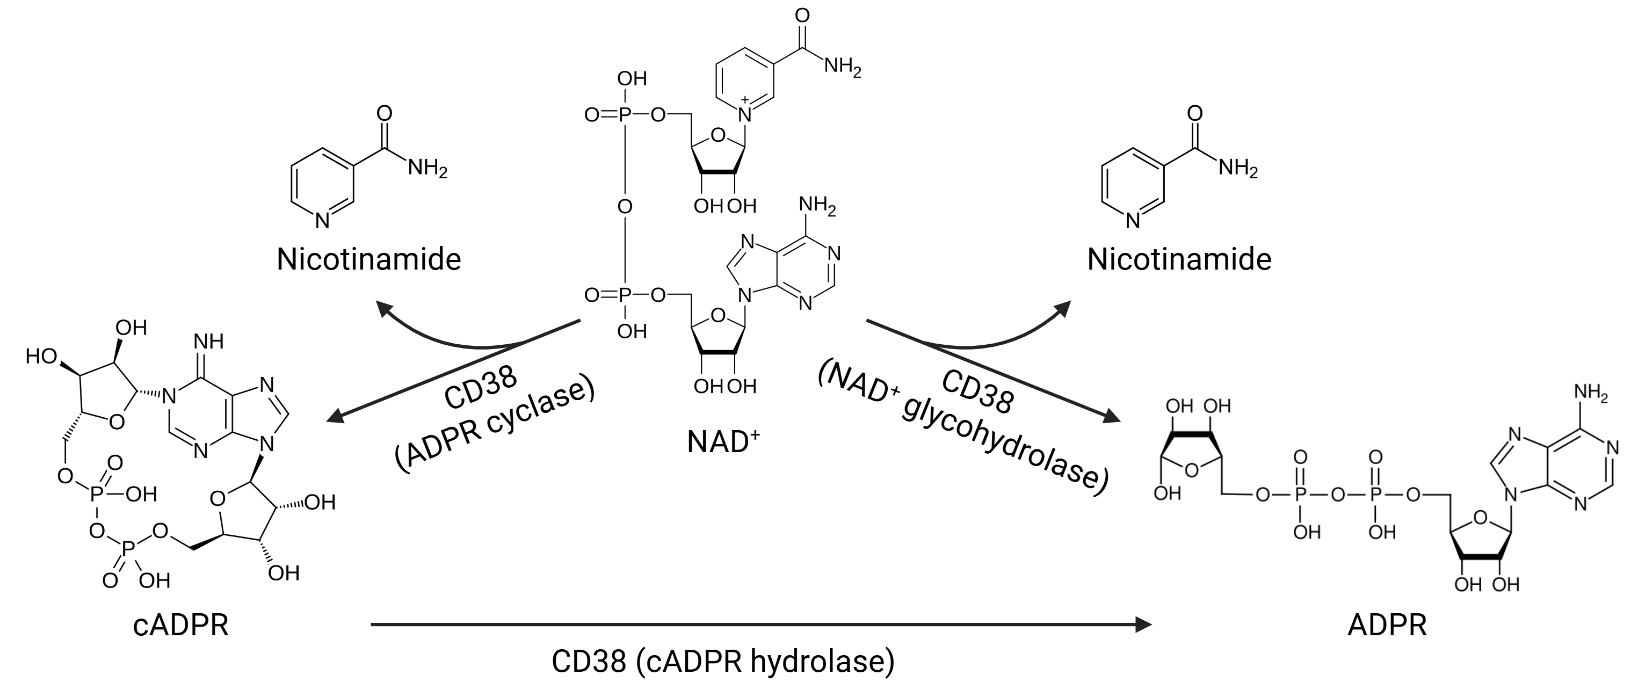

Fig. S7D
Fig. S7D

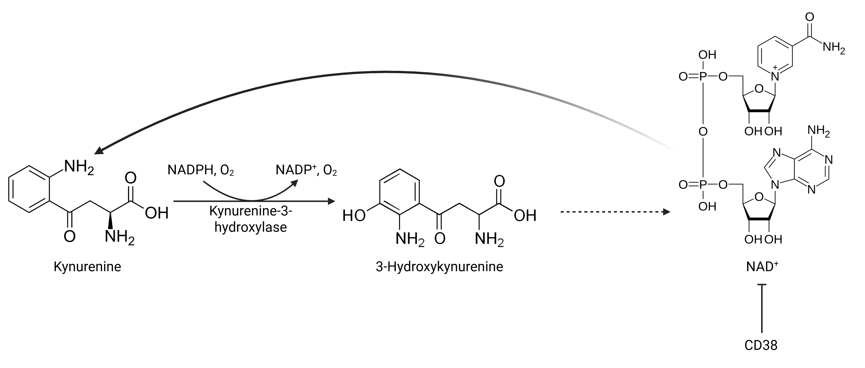

Fig. 8E
 |  |  |  |  | Wells | 1 | 2 | 3 | 4 | 5 | 6 | 7 | 8 | 9 | 10 | 11 | 12 | 13 | 14 | 15 | Wells | 1 | 2 | 3 | 4 | 5 | 6 | 7 | 8 | 9 | 10 | 11 | 12 | 13 | 14 | 15 | Wells | 1 | 2 | 3 | 4 | 5 | 6 | 7 | 8 | 9 | 10 | 11 | 12 | 13 | 14 | 15 | Wells | 1 | 2 | 3 | 4 | 5 | 6 | 7 | 8 | 9 | 10 | 11 | 12 | 13 | 14 | 15
 |  |  |  |  | Gel 1A | ladder | Uninfected | GFP | Rab4 | S27N | Q72L | S204Q | ladder | Uninfected | GFP | Rab4 | S27N | Q72L | S204Q | blank | Gel 2A | ladder | Uninfected | GFP | Rab4 | S27N | Q72L | S204Q | ladder | Uninfected | GFP | Rab4 | S27N | Q72L | S204Q | blank | Gel 3A | ladder | Uninfected | GFP | Rab4 | S27N | Q72L | S204Q | ladder | Uninfected | GFP | Rab4 | S27N | Q72L | S204Q | blank | Gel 4A | ladder | Uninfected | GFP | Rab4 | S27N | Q72L | S204Q | ladder | Uninfected | GFP | Rab4 | S27N | Q72L | S204Q | blank
 |  |  |  |  |  |  | Donor A CD4+ T 9/25/2024 |  |  |  |  |  |  | Donor A CD4+ T 5/13/2024 |  |  |  |  |  |  |  |  | Donor B CD4+ T 9/25/2024 |  |  |  |  |  |  | Donor B CD4+ T 5/13/2024 |  |  |  |  |  |  |  |  | Donor C CD4+ T 9/25/2024 |  |  |  |  |  |  | Donor C CD4+ T 5/13/2024 |  |  |  |  |  |  |  |  | Donor E CD4+ T 9/25/2024 |  |  |  |  |  |  | Donor D CD4+ T 5/13/2024
Donor | AAV | Ac-STAT3 | Actin | Ac-STAT3/Actin
A | GFP | 183942.7895 | 359073 | 0.51227129163 | Ac-STAT3 |  |  |  |  |  |  |  |  |  |  |  |  |  |  |  | Ac-STAT3 |  |  |  |  |  |  |  |  |  |  |  |  |  |  |  | Ac-STAT3 | Left |  |  |  |  |  |  |  |  |  |  |  |  |  |  | Ac-STAT3 | Use right only
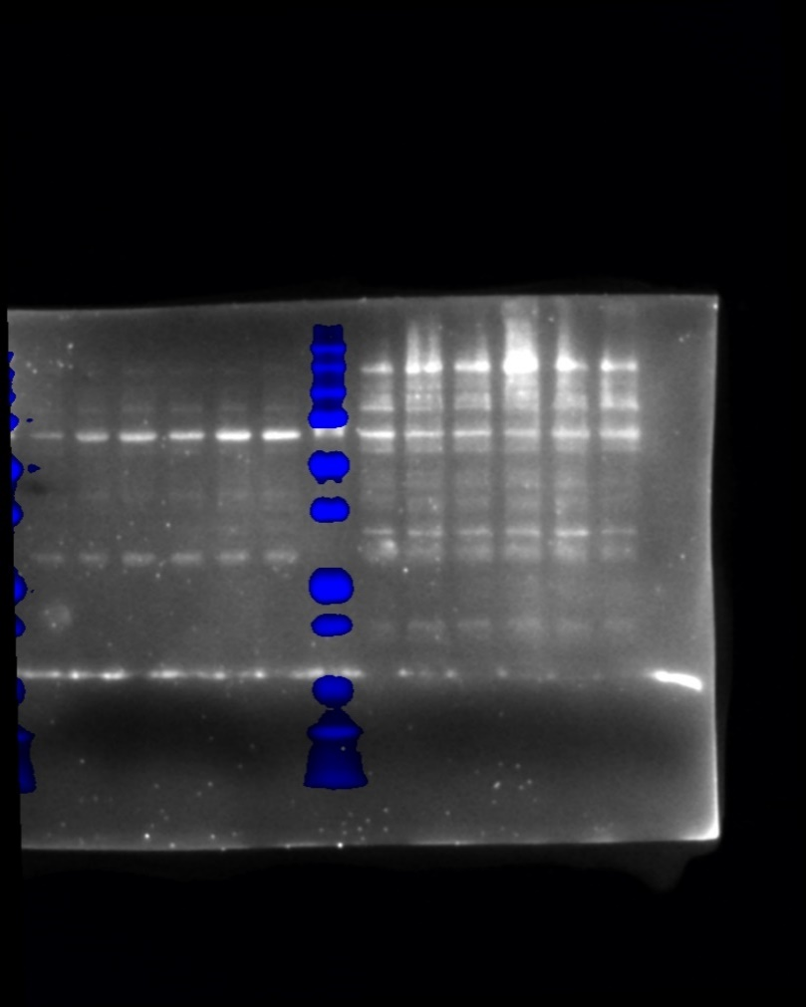
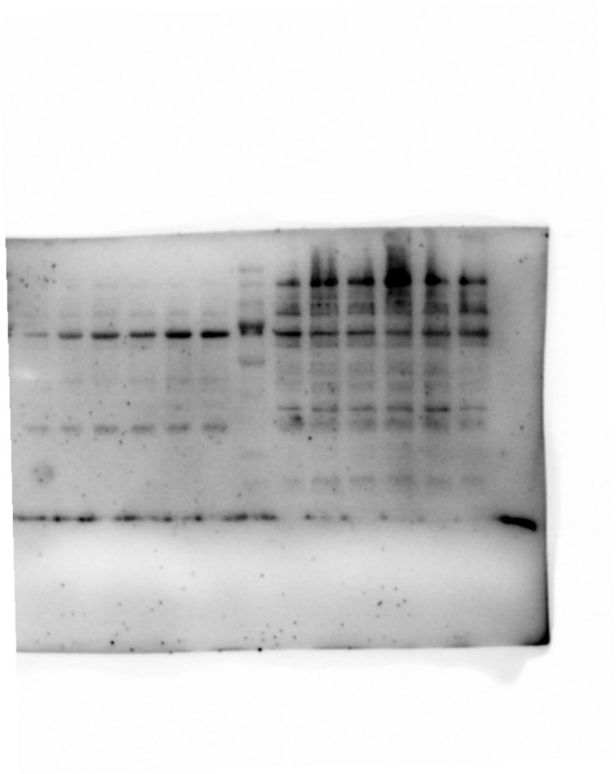
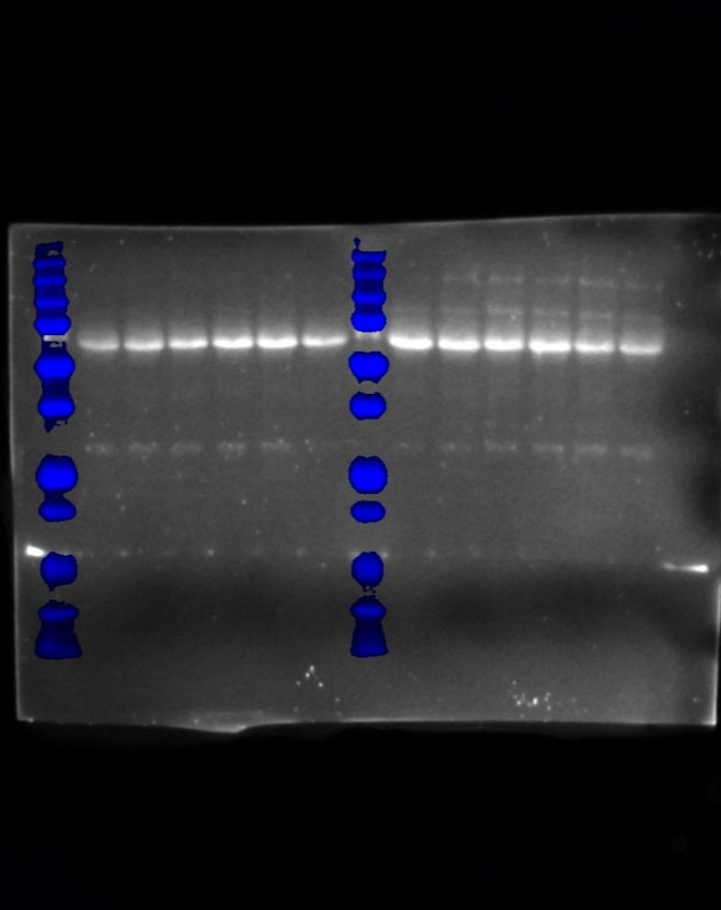
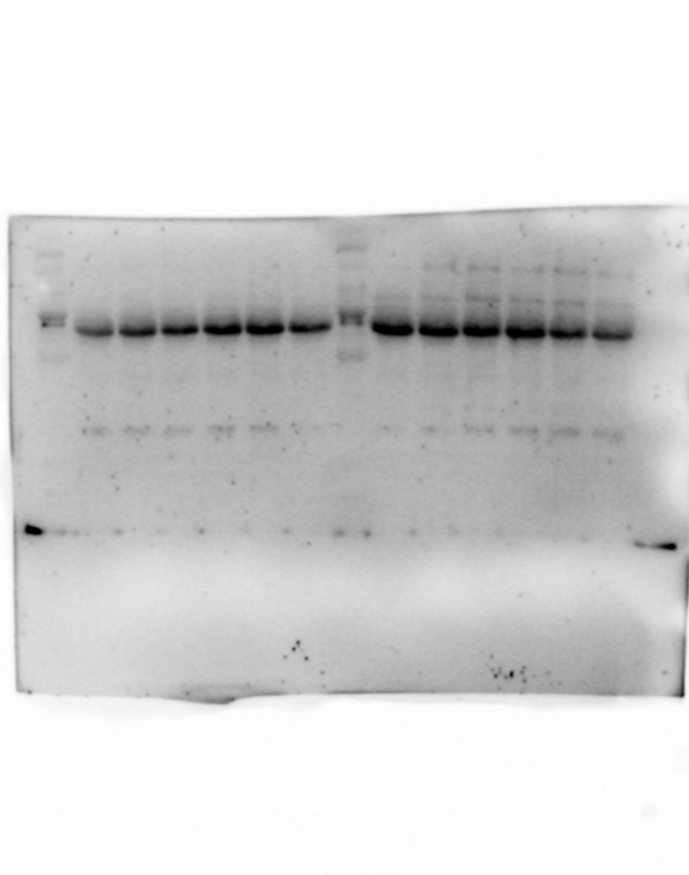
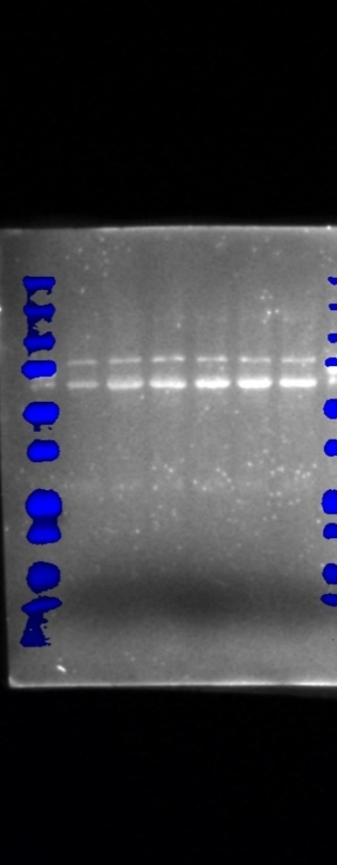
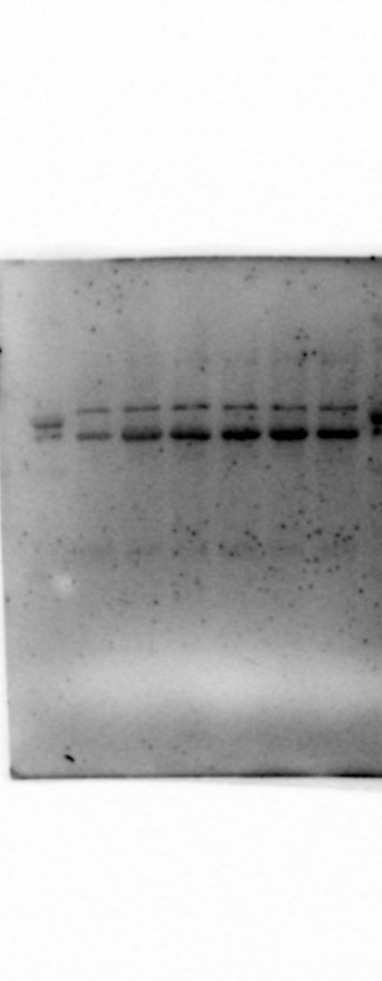
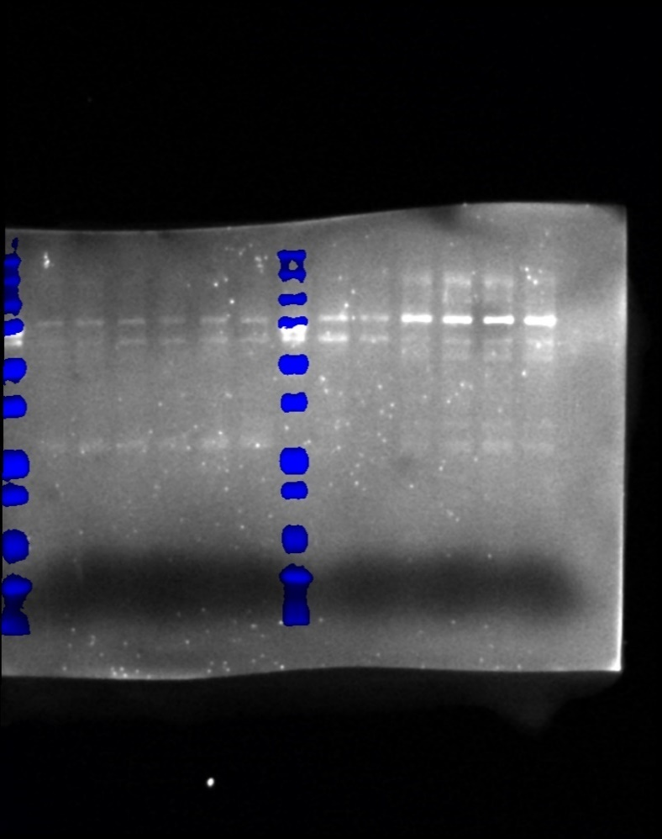
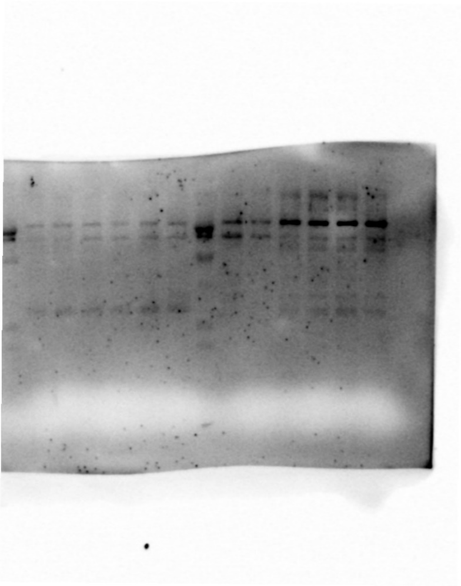
 | Rab4 | 271661.566 | 399555 | 0.67991031523 |  |  |  |  |  |  |  |  |  |  |  |  | Lane | Volume |  |  |  |  |  |  |  |  |  |  |  |  |  |  | Lane | Volume |  |  |  |  |  |  |  |  | Lane | Volume |  |  |  |  |  |  |  |  |  |  |  |  |  |  |  |  |  |  |  |  | Lane | Volume
 | S27N | 206904.9322 | 364989.5 | 0.56687913543 |  |  |  |  |  |  |  |  |  |  |  |  | L2 | 76375.188 |  |  |  |  |  |  |  |  |  |  |  |  |  |  | L2 |  |  |  |  |  |  |  |  |  | L2 | 308691.5095 |  |  |  |  |  |  |  |  |  |  |  |  |  |  |  |  |  |  |  |  | L9 | 160356.357
A | GFP | 205393.1351 | 640747.5 | 0.32055237843 |  |  |  |  |  |  |  |  |  |  |  |  | L3 | 183942.7895 |  |  |  |  |  |  |  |  |  |  |  |  |  |  | L3 |  |  |  |  |  |  |  |  |  | L3 | 348515 |  |  |  |  |  |  |  |  |  |  |  |  |  |  |  |  |  |  |  |  | L10 | 92523.8813
 | Rab4 | 241697.6036 | 588178 | 0.41092595031 |  |  |  |  |  |  |  |  |  |  |  |  | L4 | 271661.566 |  |  |  |  |  |  |  |  |  |  |  |  |  |  | L4 |  |  |  |  |  |  |  |  |  | L4 | 456701.2965 |  |  |  |  |  |  |  |  |  |  |  |  |  |  |  |  |  |  |  |  | L11 | 206822.526
 | S27N | 156375.1319 | 597574 | 0.26168329261 |  |  |  |  |  |  |  |  |  |  |  |  | L5 | 206904.9322 |  |  |  |  |  |  |  |  |  |  |  |  |  |  | L5 |  |  |  |  |  |  |  |  |  | L5 | 396400 |  |  |  |  |  |  |  |  |  |  |  |  |  |  |  |  |  |  |  |  | L12 | 187961.5001
B | GFP | 197088.529 | 611332.5484 | 0.32239168275 |  |  |  |  |  |  |  |  |  |  |  |  | L6 | 371665 |  |  |  |  |  |  |  |  |  |  |  |  |  |  | L6 |  |  |  |  |  |  |  |  |  | L6 | 371927.5 |  |  |  |  |  |  |  |  |  |  |  |  |  |  |  |  |  |  |  |  | L13 | 165330.3554
 | Rab4 | 453300 | 607216 | 0.74652183078 |  |  |  |  |  |  |  |  |  |  |  |  | L7 | 396985.5636 |  |  |  |  |  |  |  |  |  |  |  |  |  |  | L7 |  |  |  |  |  |  |  |  |  | L7 | 482606.4705 |  |  |  |  |  |  |  |  |  |  |  |  |  |  |  |  |  |  |  |  | L14 | 186990.9349
 | S27N | 284125.333 | 668918.7143 | 0.424753153 |  |  |  |  |  |  |  |  |  |  |  |  | L9 | 281842.5405 |  |  |  |  |  |  |  |  |  |  |  |  |  |  | L9 | 136658.939
C | GFP | 348515 | 686258.75 | 0.50784780522 |  |  |  |  |  |  |  |  |  |  |  |  | L10 | 205393.1351 |  |  |  |  |  |  |  |  |  |  |  |  |  |  | L10 | 197088.529
 | Rab4 | 456701.2965 | 598074.2787 | 0.76361969201 |  |  |  |  |  |  |  |  |  |  |  |  | L11 | 241697.6036 |  |  |  |  |  |  |  |  |  |  |  |  |  |  | L11 | 453300
 | S27N | 396400 | 531842 | 0.74533414059 |  |  |  |  |  |  |  |  |  |  |  |  | L12 | 156375.1319 |  |  |  |  |  |  |  |  |  |  |  |  |  |  | L12 | 284125.333
C | GFP | 280140 | 602350.5 | 0.46507805671 |  |  |  |  |  |  |  |  |  |  |  |  | L13 | 191349.7143 |  |  |  |  |  |  |  |  |  |  |  |  |  |  | L13 | 287537.692
 | Rab4 | 459732 | 653992 | 0.70296272737 |  |  |  |  |  |  |  |  |  |  |  |  | L14 | 219499.8131 |  |  |  |  |  |  |  |  |  |  |  |  |  |  | L14 | 116811
 | S27N | 206503.4286 | 526087 | 0.39252714589
E | GFP | 431400.714 | 662220.9167 | 0.65144531548
 | Rab4 | 497708 | 618034.1176 | 0.80530829258
 | S27N | 348000.147 | 565784.0909 | 0.61507587894
D | GFP | 92523.8813 | 428950.4545 | 0.21569829413
 | Rab4 | 206822.526 | 603598.7143 | 0.34264904994
 | S27N | 187961.5001 | 604210.6567 | 0.31108603931
...
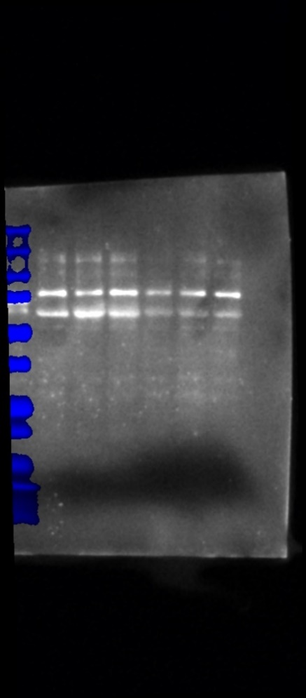
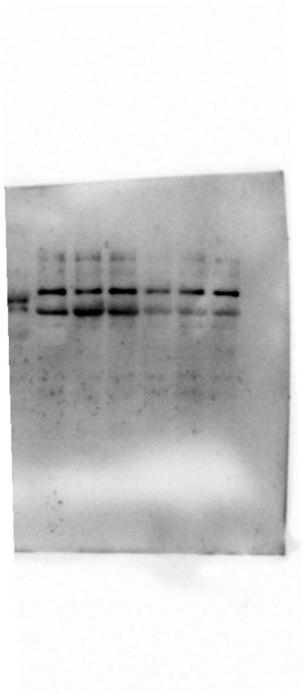
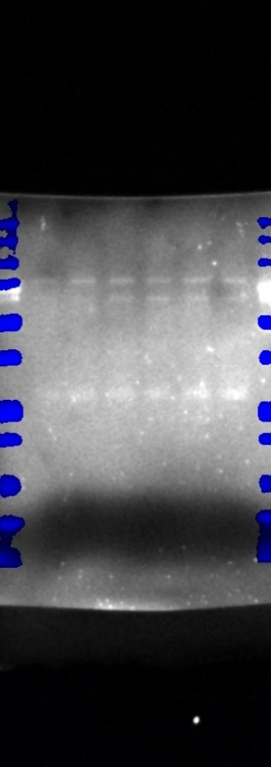
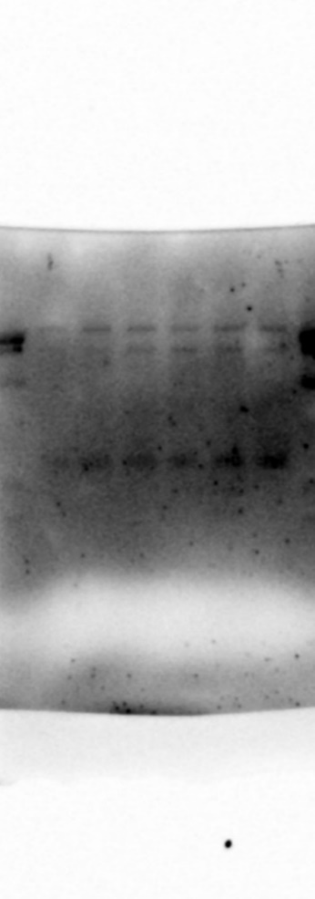
 |  |  |  |  | Wells | 1 | 2 | 3 | 4 | 5 | 6 | 7 | 8 | 9 | 10 | 11 | 12 | 13 | 14 | 15 | Wells | 1 | 2 | 3 | 4 | 5 | 6 | 7 | 8 | 9 | 10 | 11 | 12 | 13 | 14 | 15 | Wells | 1 | 2 | 3 | 4 | 5 | 6 | 7 | 8 | 9 | 10 | 11 | 12 | 13 | 14 | 15 | Wells | 1 | 2 | 3 | 4 | 5 | 6 | 7 | 8 | 9 | 10 | 11 | 12 | 13 | 14 | 15
 |  |  |  |  |  |  |  |  |  |  |  |  |  |  |  |  |  |  |  |  |  |  |  |  |  |  |  |  |  |  |  |  |  |  |  |  | Right |  |  |  |  |  |  |  |  |  |  |  |  |  |  |  | Left
 |  |  |  |  | Actin |  |  |  |  |  |  |  |  |  |  |  |  |  |  |  | Actin |  |  |  |  |  |  |  |  |  |  |  |  |  |  |  |  |  |  |  |  |  | Lane | Volume |  |  |  |  |  |  |  |  |  |  |  |  |  | Lane | Volume
 |  |  |  |  |  |  |  |  |  |  |  |  |  |  |  |  | Lane | Volume |  |  |  |  |  |  |  |  |  |  |  |  |  |  |  |  |  |  |  |  |  |  |  |  | L9 | 398203.5 |  |  |  |  |  |  |  |  |  |  |  |  |  | L2 | 12193.75
 |  |  |  |  |  |  |  |  |  |  |  |  |  |  |  |  | L2 | 276937.5 |  |  |  |  |  |  |  |  |  |  |  |  |  |  |  |  |  |  |  |  |  |  |  |  | L10 | 280140 |  |  |  |  |  |  |  |  |  |  |  |  |  | L3 | 43140.0714
 |  |  |  |  |  |  |  |  |  |  |  |  |  |  |  |  | L3 | 359073 |  |  |  |  |  |  |  |  |  |  |  |  |  |  |  |  |  |  |  |  |  |  |  |  | L11 | 459732 |  |  |  |  |  |  |  |  |  |  |  |  |  | L4 | 49770.8
 |  |  |  |  |  |  |  |  |  |  |  |  |  |  |  |  | L4 | 399555 |  |  |  |  |  |  |  |  |  |  |  |  |  |  |  |  |  |  |  |  |  |  |  |  | L12 | 206503.4286 |  |  |  |  |  |  |  |  |  |  |  |  |  | L5 | 34800.0147
 |  |  |  |  |  |  |  |  |  |  |  |  |  |  |  |  | L5 | 364989.5 |  |  |  |  |  |  |  |  |  |  |  |  |  |  |  |  |  |  |  |  |  |  |  |  | L13 | 295906.7241 |  |  |  |  |  |  |  |  |  |  |  |  |  | L6 | 56071.069
 |  |  |  |  |  |  |  |  |  |  |  |  |  |  |  |  | L6 | 421934 |  |  |  |  |  |  |  |  |  |  |  |  |  |  |  |  |  |  |  |  |  |  |  |  | L14 | 350335.0508 |  |  |  |  |  |  |  |  |  |  |  |  |  | L7 | 47916.3529
 |  |  |  |  |  |  |  |  |  |  |  |  |  |  |  |  | L7 | 411031.5
 |  |  |  |  |  |  |  |  |  |  |  |  |  |  |  |  | L9 | 528910.5
 |  |  |  |  |  |  |  |  |  |  |  |  |  |  |  |  | L10 | 640747.5
...
 |  |  |  |  |  |  |  |  |  |  |  |  |  |  |  |  |  |  |  |  |  |  |  |  |  |  |  |  |  |  |  |  |  |  |  |  | Actin |  |  |  |  |  |  |  |  |  |  |  |  |  |  |  | Actin
 |  |  |  |  |  |  |  |  |  |  |  |  |  |  |  |  |  |  |  |  |  |  |  |  |  |  |  |  |  |  |  |  |  |  |  |  |  |  |  |  |  |  |  |  |  |  |  |  | Lane | Volume
 |  |  |  |  |  |  |  |  |  |  |  |  |  |  |  |  |  |  |  |  |  |  |  |  |  |  |  |  |  |  |  |  |  |  |  |  |  |  |  |  |  |  |  |  |  |  |  |  | L2 | 593061
 |  |  |  |  |  |  |  |  |  |  |  |  |  |  |  |  |  |  |  |  |  |  |  |  |  |  |  |  |  |  |  |  |  |  |  |  |  |  |  |  |  |  |  |  |  |  |  |  | L3 | 686258.75
 |  |  |  |  |  |  |  |  |  |  |  |  |  |  |  |  |  |  |  |  |  |  |  |  |  |  |  |  |  |  |  |  |  |  |  |  |  |  |  |  |  |  |  |  |  |  |  |  | L4 | 598074.2787
 |  |  |  |  |  |  |  |  |  |  |  |  |  |  |  |  |  |  |  |  |  |  |  |  |  |  |  |  |  |  |  |  |  |  |  |  |  |  |  |  |  |  |  |  |  |  |  |  | L5 | 531842
 |  |  |  |  |  |  |  |  |  |  |  |  |  |  |  |  |  |  |  |  |  |  |  |  |  |  |  |  |  |  |  |  |  |  |  |  |  |  |  |  |  |  |  |  |  |  |  |  | L6 | 495293
 |  |  |  |  |  |  |  |  |  |  |  |  |  |  |  |  |  |  |  |  |  |  |  |  |  |  |  |  |  |  |  |  |  |  |  |  |  |  |  |  |  |  |  |  |  |  |  |  | L7 | 537120.1613
 |  |  |  |  |  |  |  |  |  |  |  |  |  |  |  |  |  |  |  |  |  |  |  |  |  |  |  |  |  |  |  |  |  |  |  |  |  |  |  |  |  |  |  |  |  |  |  |  | L9 | 602780.5
...

Fig. 9B
 |  |  |  | Wells | 1 | 2 | 3 | 4 | 5 | 6 | 7 | 8 | 9 | 10 | 11 | 12 | 13 | 14 | 15 | Wells | 1 | 2 | 3 | 4 | 5 | 6 | 7 | 8 | 9 | 10 | 11
 |  |  |  | Gel #6 | ladder | Control CD38WT | Control CD38KO | Rab4A+ CD38WT | Rab4A+ CD38KO | Rab4ADN CD38WT | Rab4ADN CD38KO | ladder | Control CD38WT | Control CD38KO | Rab4A+ CD38WT | Rab4A+ CD38KO | Rab4ADN CD38WT | Rab4ADN CD38KO |  | Gel #7 | ladder | Control CD38WT | Control CD38KO | Rab4A+ CD38WT | Rab4A+ CD38KO | Rab4ADN CD38WT | Rab4ADN CD38KO | ladder | Control CD38WT | Control CD38KO | Rab4A+ CD38WT
 |  |  |  |  |  | Unstimulated |  |  |  |  |  |  | DOXY |  |  |  |  |  |  |  |  | Unstimulated |  |  |  |  |  |  | DOXY

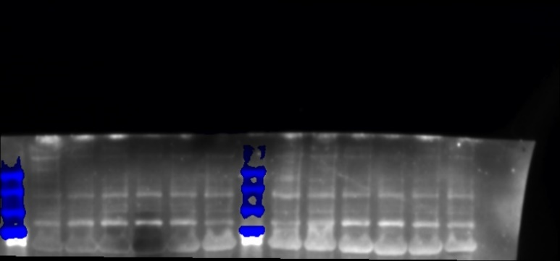
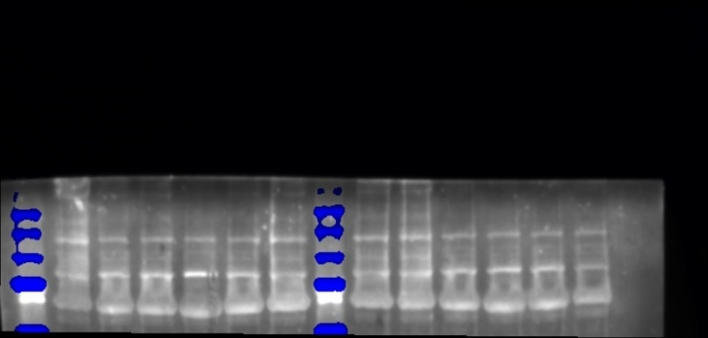
Rab4ADN CD38KO |  |  |  | Ac-STAT3 |  |  |  |  |  |  |  |  |  |  |  |  |  |  |  | Ac-STAT3
0.78734 | 0.655858 | 0.679046 | 1.858181 |  |  |  |  |  |  |  |  |  |  |  |  | Lane | Volume
0.31139 | 0.313813 | 0.737241 | 1.300225 |  |  |  |  |  |  |  |  |  |  |  |  | L2 | 425337
 |  |  |  |  |  |  |  |  |  |  |  |  |  |  |  | L3 | 491778
 |  |  |  |  |  |  |  |  |  |  |  |  |  |  |  | L4 | 506287
 |  |  |  |  |  |  |  |  |  |  |  |  |  |  |  | L5 | 425370
 |  |  |  |  |  |  |  |  |  |  |  |  |  |  |  | L6 | 485617
 |  |  |  |  |  |  |  |  |  |  |  |  |  |  |  | L7 | 366741
 |  |  |  |  |  |  |  |  |  |  |  |  |  |  |  | L9 | 394031
 |  |  |  |  |  |  |  |  |  |  |  |  |  |  |  | L10 | 464863
 |  |  |  |  |  |  |  |  |  |  |  |  |  |  |  | L11 | 671925
 |  |  |  |  |  |  |  |  |  |  |  |  |  |  |  | L12 | 653683
 |  |  |  |  |  |  |  |  |  |  |  |  |  |  |  | L13 | 508886
 |  |  |  |  |  |  |  |  |  |  |  |  |  |  |  | L14 | 505642
...
 |  |  |  | Actin |  |  |  |  |  |  |  |  |  |  |  |  |  |  |  | Actin
 |  |  |  |  |  |  |  |  |  |  |  |  |  |  |  | Lane | Volume
 |  |  |  |  |  |  |  |  |  |  |  |  |  |  |  | L2 | 491362
 |  |  |  |  |  |  |  |  |  |  |  |  |  |  |  | L3 | 462485
 |  |  |  |  |  |  |  |  |  |  |  |  |  |  |  | L4 | 408366
...

Fig. 9D
Wells | 1 | 2 | 3 | 4 | 5 | 6 | 7 | 8 | 9 | 10 | 11 | 12 | 13 | 14 | 15 | Wells | 1 | 2 | 3 | 4 | 5 | 6 | 7 | 8 | 9 | 10 | 11 | 12 | 13 | 14 | 15 | Wells | 1 | 2 | 3 | 4 | 5 | 6 | 7 | 8 | 9 | 10 | 11 | 12 | 13 | 14 | 15
Gel #5 | ladder | Control CD38WT | Control CD38KO | Rab4A+ CD38WT | Rab4A+ CD38KO | Rab4ADN CD38WT | Rab4ADN CD38KO | ladder | Control CD38WT | Control CD38KO | Rab4A+ CD38WT | Rab4A+ CD38KO | Rab4ADN CD38WT | Rab4ADN CD38KO |  | Gel #6 | ladder | Control CD38WT | Control CD38KO | Rab4A+ CD38WT | Rab4A+ CD38KO | Rab4ADN CD38WT | Rab4ADN CD38KO | ladder | Control CD38WT | Control CD38KO | Rab4A+ CD38WT | Rab4A+ CD38KO | Rab4ADN CD38WT | Rab4ADN CD38KO |  | Gel #7 | ladder | Control CD38WT | Control CD38KO | Rab4A+ CD38WT | Rab4A+ CD38KO | Rab4ADN CD38WT | Rab4ADN CD38KO | ladder | Control CD38WT | Control CD38KO | Rab4A+ CD38WT | Rab4A+ CD38KO | Rab4ADN CD38WT | Rab4ADN CD38KO
 |  | Unstimulated |  |  |  |  |  |  | DOXY |  |  |  |  |  |  |  |  | Unstimulated |  |  |  |  |  |  | DOXY |  |  |  |  |  |  |  |  | Unstimulated |  |  |  |  |  |  | DOXY

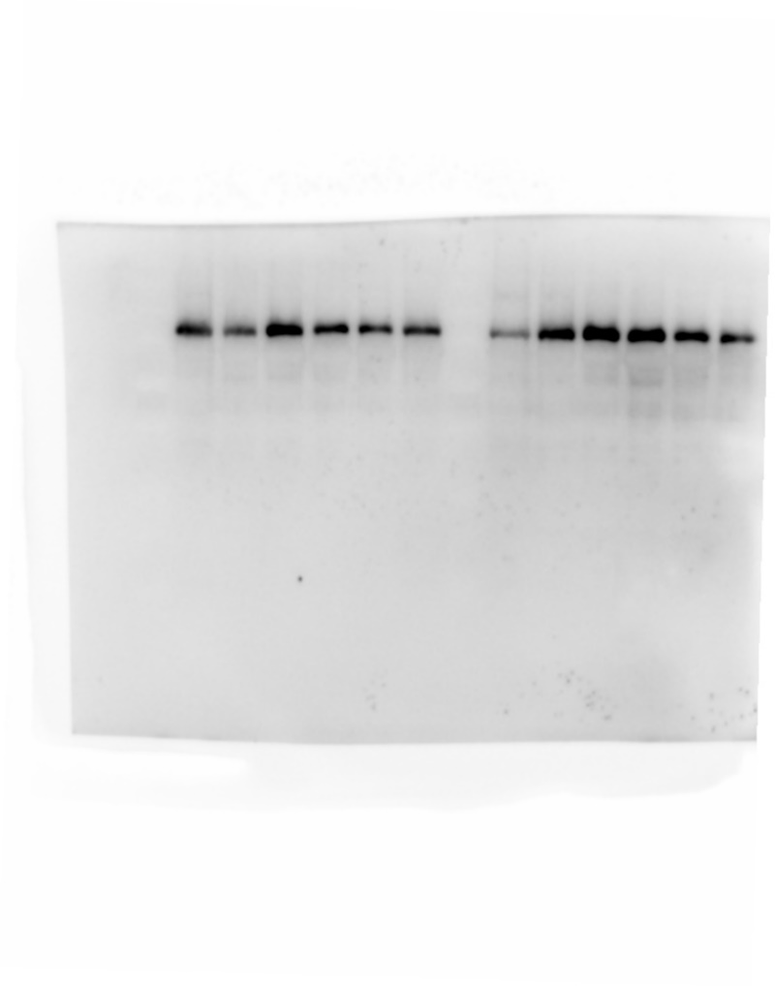
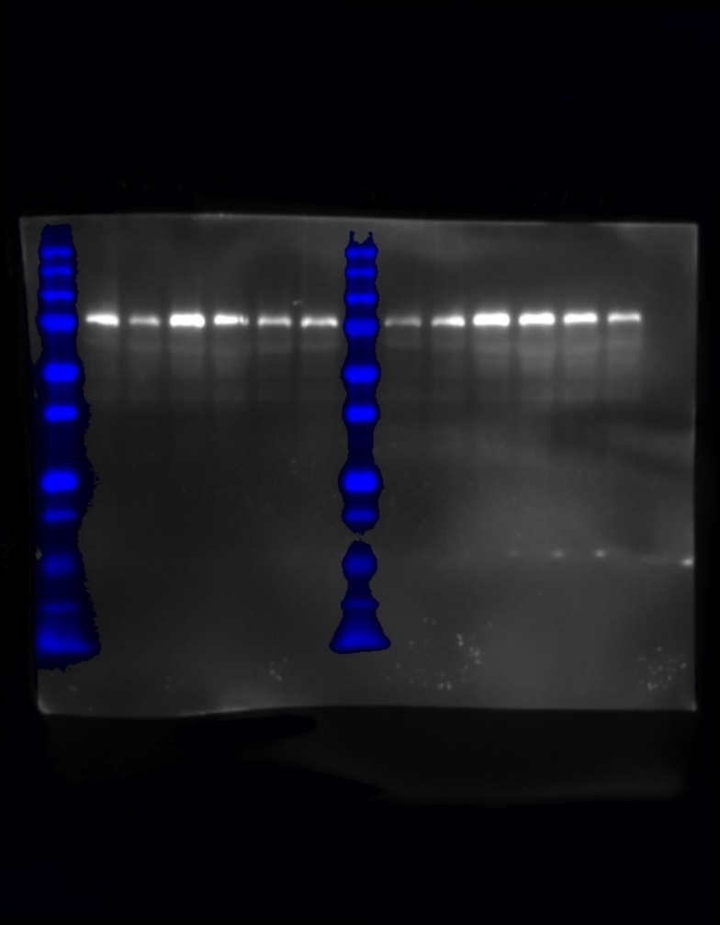
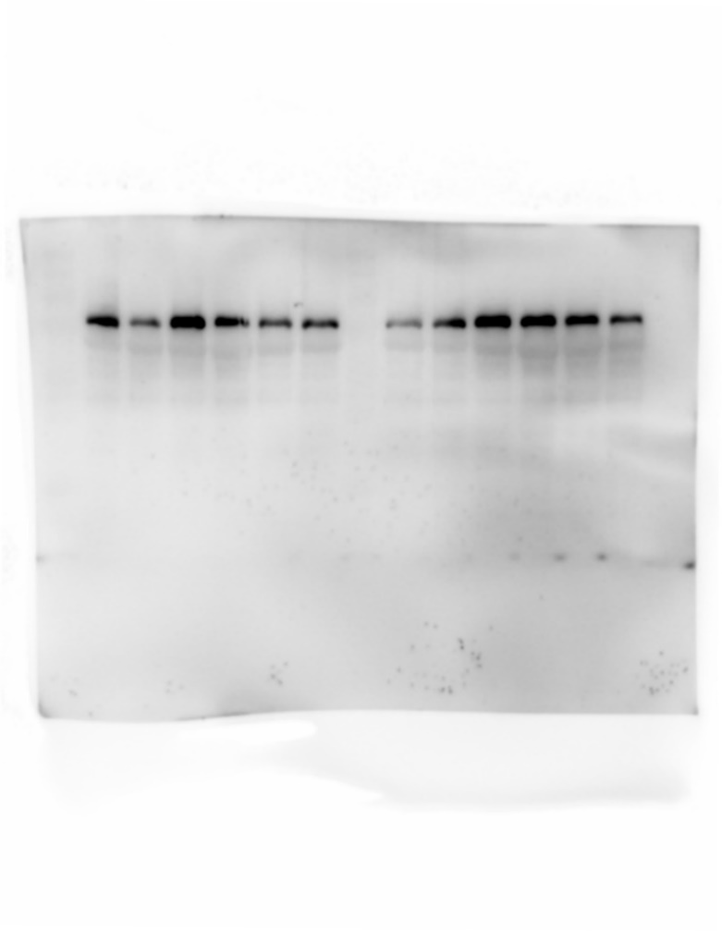
FOXO1 |  |  |  |  |  |  |  |  |  |  |  |  |  |  |  | FOXO1 |  |  |  |  |  |  |  |  |  |  |  |  |  |  |  | FOXO1
 |  |  |  |  |  |  |  |  |  |  |  | Lane | Volume |  |  |  |  |  |  |  |  |  |  |  |  |  |  | Lane | Volume |  |  |  |  |  |  |  |  |  |  |  |  |  |  | Lane | Volume
 |  |  |  |  |  |  |  |  |  |  |  | L2 | 729998 |  |  |  |  |  |  |  |  |  |  |  |  |  |  | L2 | 253634 |  |  |  |  |  |  |  |  |  |  |  |  |  |  | L2 | 491433
 |  |  |  |  |  |  |  |  |  |  |  | L3 | 499954 |  |  |  |  |  |  |  |  |  |  |  |  |  |  | L3 | 162730 |  |  |  |  |  |  |  |  |  |  |  |  |  |  | L3 | 280933
 |  |  |  |  |  |  |  |  |  |  |  | L4 | 960283 |  |  |  |  |  |  |  |  |  |  |  |  |  |  | L4 | 591969 |  |  |  |  |  |  |  |  |  |  |  |  |  |  | L4 | 601655
 |  |  |  |  |  |  |  |  |  |  |  | L5 | 574848 |  |  |  |  |  |  |  |  |  |  |  |  |  |  | L5 | 610802 |  |  |  |  |  |  |  |  |  |  |  |  |  |  | L5 | 389272
 |  |  |  |  |  |  |  |  |  |  |  | L6 | 540799 |  |  |  |  |  |  |  |  |  |  |  |  |  |  | L6 | 405839 |  |  |  |  |  |  |  |  |  |  |  |  |  |  | L6 | 338038
 |  |  |  |  |  |  |  |  |  |  |  | L7 | 501730 |  |  |  |  |  |  |  |  |  |  |  |  |  |  | L7 | 298090 |  |  |  |  |  |  |  |  |  |  |  |  |  |  | L7 | 332686
 |  |  |  |  |  |  |  |  |  |  |  | L9 | 324172 |  |  |  |  |  |  |  |  |  |  |  |  |  |  | L9 | 176861 |  |  |  |  |  |  |  |  |  |  |  |  |  |  | L9 | 201739
 |  |  |  |  |  |  |  |  |  |  |  | L10 | 865618 |  |  |  |  |  |  |  |  |  |  |  |  |  |  | L10 | 467262 |  |  |  |  |  |  |  |  |  |  |  |  |  |  | L10 | 415230
 |  |  |  |  |  |  |  |  |  |  |  | L11 | 1028004 |  |  |  |  |  |  |  |  |  |  |  |  |  |  | L11 | 557327 |  |  |  |  |  |  |  |  |  |  |  |  |  |  | L11 | 592702
 |  |  |  |  |  |  |  |  |  |  |  | L12 | 834373 |  |  |  |  |  |  |  |  |  |  |  |  |  |  | L12 | 531771 |  |  |  |  |  |  |  |  |  |  |  |  |  |  | L12 | 502353
 |  |  |  |  |  |  |  |  |  |  |  | L13 | 704062 |  |  |  |  |  |  |  |  |  |  |  |  |  |  | L13 | 458961 |  |  |  |  |  |  |  |  |  |  |  |  |  |  | L13 | 492489
 |  |  |  |  |  |  |  |  |  |  |  | L14 | 540568 |  |  |  |  |  |  |  |  |  |  |  |  |  |  | L14 | 350745 |  |  |  |  |  |  |  |  |  |  |  |  |  |  | L14 | 354602
...
Actin |  |  |  |  |  |  |  |  |  |  |  |  |  |  |  | Actin |  |  |  |  |  |  |  |  |  |  |  |  |  |  |  | Actin
 |  |  |  |  |  |  |  |  |  |  |  | Lane | Volume |  |  |  |  |  |  |  |  |  |  |  |  |  |  | Lane | Volume |  |  |  |  |  |  |  |  |  |  |  |  |  |  | Lane | Volume
 |  |  |  |  |  |  |  |  |  |  |  | L2 | 897595 |  |  |  |  |  |  |  |  |  |  |  |  |  |  | L2 | 491362 |  |  |  |  |  |  |  |  |  |  |  |  |  |  | L2 | 293201
 |  |  |  |  |  |  |  |  |  |  |  | L3 | 756098 |  |  |  |  |  |  |  |  |  |  |  |  |  |  | L3 | 462485 |  |  |  |  |  |  |  |  |  |  |  |  |  |  | L3 | 262034
 |  |  |  |  |  |  |  |  |  |  |  | L4 | 768981 |  |  |  |  |  |  |  |  |  |  |  |  |  |  | L4 | 408366 |  |  |  |  |  |  |  |  |  |  |  |  |  |  | L4 | 269810
 |  |  |  |  |  |  |  |  |  |  |  | L5 | 747326 |  |  |  |  |  |  |  |  |  |  |  |  |  |  | L5 | 456737 |  |  |  |  |  |  |  |  |  |  |  |  |  |  | L5 | 281836
 |  |  |  |  |  |  |  |  |  |  |  | L6 | 854835 |  |  |  |  |  |  |  |  |  |  |  |  |  |  | L6 | 567516 |  |  |  |  |  |  |  |  |  |  |  |  |  |  | L6 | 297757
 |  |  |  |  |  |  |  |  |  |  |  | L7 | 921062 |  |  |  |  |  |  |  |  |  |  |  |  |  |  | L7 | 540083 |  |  |  |  |  |  |  |  |  |  |  |  |  |  | L7 | 305813
 |  |  |  |  |  |  |  |  |  |  |  | L9 | 863380 |  |  |  |  |  |  |  |  |  |  |  |  |  |  | L9 | 541556 |  |  |  |  |  |  |  |  |  |  |  |  |  |  | L9 | 332309
 |  |  |  |  |  |  |  |  |  |  |  | L10 | 817327
...

