Sheet1
Goal | Goal title | Target type | Target # | Could MPAs influence the target?
1 | No Poverty | Outcome | 1.01 | Yes | Count of Could MPAs influence the target? |  | Could MPAs influence the target?
1 | No Poverty | Outcome | 1.02 | Yes | Goal | Goal title | No | Grand Total | SDG | No | Yes | Total | Proportion
1 | No Poverty | Outcome | 1.03 | No |  | Partnerships for the goals | 1 | 1 | 1 | 3 | 4 | 7 | 0.57142857143
1 | No Poverty | Outcome | 1.04 | Yes | Total |  | 1 | 1 | 2 | 5 | 3 | 8 | 0.375
1 | No Poverty | Outcome | 1.05 | Yes | Grand Total |  | 1 | 1 | 3 | 11 | 2 | 13 | 0.15384615385
1 | No Poverty | Means of Implementation | 1.A | No |  |  |  |  | 4 | 8 | 2 | 10 | 0.2
1 | No Poverty | Means of Implementation | 1.B | No |  |  |  |  | 5 | 6 | 3 | 9 | 0.33333333333
2 | Zero hunger | Outcome | 2.01 | Yes |  |  |  |  | 6 | 6 | 2 | 8 | 0.25
2 | Zero hunger | Outcome | 2.02 | No |  |  |  |  | 7 | 4 | 1 | 5 | 0.2
2 | Zero hunger | Outcome | 2.03 | Yes |  |  |  |  | 8 | 7 | 5 | 12 | 0.41666666667
2 | Zero hunger | Outcome | 2.04 | Yes |  |  |  |  | 9 | 5 | 3 | 8 | 0.375
2 | Zero hunger | Outcome | 2.05 | No |  |  |  |  | 10 | 6 | 4 | 10 | 0.4
2 | Zero hunger | Means of Implementation | 2.A | No |  |  |  |  | 11 | 5 | 5 | 10 | 0.5
2 | Zero hunger | Means of Implementation | 2.B | No |  |  |  |  | 12 | 6 | 5 | 11 | 0.45454545455
2 | Zero hunger | Means of Implementation | 2.C | No |  |  |  |  | 13 | 3 | 2 | 5 | 0.4
3 | Good health and well-being | Outcome | 3.01 | No |  |  |  |  | 14 | 4 | 6 | 10 | 0.6
3 | Good health and well-being | Outcome | 3.02 | Yes |  |  |  |  | 15 | 6 | 6 | 12 | 0.5
3 | Good health and well-being | Outcome | 3.03 | No |  |  |  |  | 16 | 8 | 4 | 12 | 0.33333333333
3 | Good health and well-being | Outcome | 3.04 | Yes |  |  |  |  | 17 | 16 | 2 | 18 | 0.11111111111
3 | Good health and well-being | Outcome | 3.05 | No |  |  |  |  | TOTAL | 109 | 59 | 168 | 0.35119047619
3 | Good health and well-being | Outcome | 3.06 | No
3 | Good health and well-being | Outcome | 3.07 | No
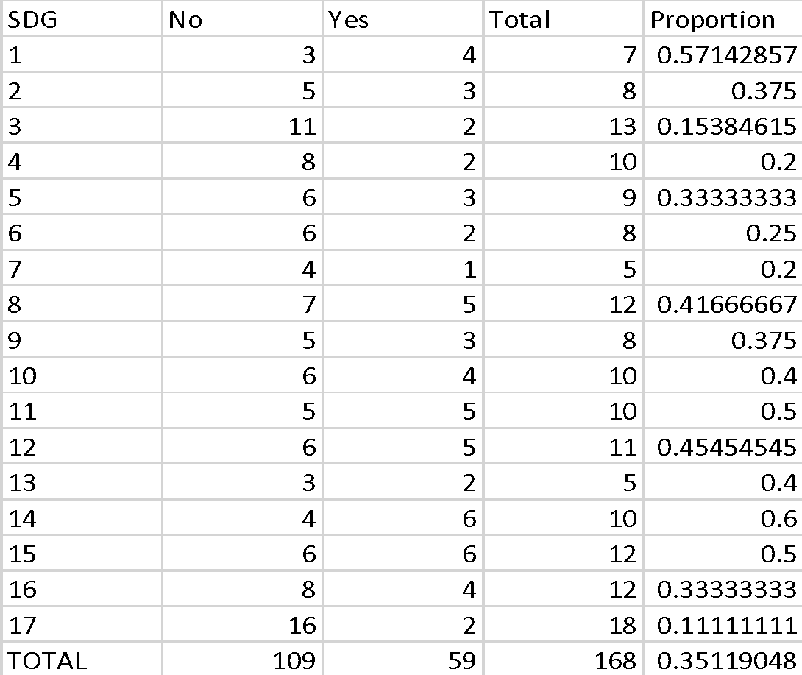
3 | Good health and well-being | Outcome | 3.08 | No
3 | Good health and well-being | Outcome | 3.09 | No
3 | Good health and well-being | Means of Implementation | 3.A | No
3 | Good health and well-being | Means of Implementation | 3.B | No
3 | Good health and well-being | Means of Implementation | 3.C | No
3 | Good health and well-being | Means of Implementation | 3.D | No
4 | Quality education | Outcome | 4.01 | No
4 | Quality education | Outcome | 4.02 | No
4 | Quality education | Outcome | 4.03 | No
4 | Quality education | Outcome | 4.04 | Yes
4 | Quality education | Outcome | 4.05 | No
4 | Quality education | Outcome | 4.06 | No
4 | Quality education | Outcome | 4.07 | Yes
4 | Quality education | Means of Implementation | 4.A | No
4 | Quality education | Means of Implementation | 4.B | No
4 | Quality education | Means of Implementation | 4.C | No
5 | Gender equality | Outcome | 5.01 | Yes
5 | Gender equality | Outcome | 5.02 | No
5 | Gender equality | Outcome | 5.03 | No
5 | Gender equality | Outcome | 5.04 | No
5 | Gender equality | Outcome | 5.05 | Yes
5 | Gender equality | Outcome | 5.06 | No
5 | Gender equality | Means of Implementation | 5.A | Yes
5 | Gender equality | Means of Implementation | 5.B | No
5 | Gender equality | Means of Implementation | 5.C | No
6 | Clean water and sanitation | Outcome | 6.01 | No
6 | Clean water and sanitation | Outcome | 6.02 | No
6 | Clean water and sanitation | Outcome | 6.03 | Yes
6 | Clean water and sanitation | Outcome | 6.04 | No
6 | Clean water and sanitation | Outcome | 6.05 | No
6 | Clean water and sanitation | Outcome | 6.06 | Yes
6 | Clean water and sanitation | Means of Implementation | 6.A | No
6 | Clean water and sanitation | Means of Implementation | 6.B | No
7 | Affordable and clean energy | Outcome | 7.01 | No
7 | Affordable and clean energy | Outcome | 7.02 | No
7 | Affordable and clean energy | Outcome | 7.03 | No
7 | Affordable and clean energy | Means of Implementation | 7.A | No
7 | Affordable and clean energy | Means of Implementation | 7.B | Yes
8 | Decent work and economic growth | Outcome | 8.01 | Yes
8 | Decent work and economic growth | Outcome | 8.02 | Yes
8 | Decent work and economic growth | Outcome | 8.03 | No
8 | Decent work and economic growth | Outcome | 8.04 | Yes
8 | Decent work and economic growth | Outcome | 8.05 | Yes
8 | Decent work and economic growth | Outcome | 8.06 | No
8 | Decent work and economic growth | Outcome | 8.07 | No
8 | Decent work and economic growth | Outcome | 8.08 | No
8 | Decent work and economic growth | Outcome | 8.09 | Yes
8 | Decent work and economic growth | Outcome | 8.1 | No
8 | Decent work and economic growth | Means of Implementation | 8.A | No
8 | Decent work and economic growth | Means of Implementation | 8.B | No
9 | Industries, innovation and infrastructure | Outcome | 9.01 | Yes
9 | Industries, innovation and infrastructure | Outcome | 9.02 | No
9 | Industries, innovation and infrastructure | Outcome | 9.03 | No
9 | Industries, innovation and infrastructure | Outcome | 9.04 | No
9 | Industries, innovation and infrastructure | Outcome | 9.05 | Yes
9 | Industries, innovation and infrastructure | Means of Implementation | 9.A | Yes
9 | Industries, innovation and infrastructure | Means of Implementation | 9.B | No
9 | Industries, innovation and infrastructure | Means of Implementation | 9.C | No
10 | Reduced inequalities | Outcome | 10.01 | Yes
10 | Reduced inequalities | Outcome | 10.02 | Yes
10 | Reduced inequalities | Outcome | 10.03 | Yes
10 | Reduced inequalities | Outcome | 10.04 | No
10 | Reduced inequalities | Outcome | 10.05 | No
10 | Reduced inequalities | Outcome | 10.06 | Yes
10 | Reduced inequalities | Outcome | 10.07 | No
10 | Reduced inequalities | Means of Implementation | 10.A | No
10 | Reduced inequalities | Means of Implementation | 10.B | No
10 | Reduced inequalities | Means of Implementation | 10.C | No
11 | Sustainable cities and communities | Outcome | 11.01 | Yes
11 | Sustainable cities and communities | Outcome | 11.02 | No
11 | Sustainable cities and communities | Outcome | 11.03 | No
11 | Sustainable cities and communities | Outcome | 11.04 | Yes
11 | Sustainable cities and communities | Outcome | 11.05 | Yes
11 | Sustainable cities and communities | Outcome | 11.06 | No
11 | Sustainable cities and communities | Outcome | 11.07 | Yes
11 | Sustainable cities and communities | Means of Implementation | 11.A | No
11 | Sustainable cities and communities | Means of Implementation | 11.B | Yes
11 | Sustainable cities and communities | Means of Implementation | 11.C | No
12 | Responsible consumption and production | Outcome | 12.01 | No
12 | Responsible consumption and production | Outcome | 12.02 | Yes
12 | Responsible consumption and production | Outcome | 12.03 | No
12 | Responsible consumption and production | Outcome | 12.04 | Yes
12 | Responsible consumption and production | Outcome | 12.05 | No
12 | Responsible consumption and production | Outcome | 12.06 | No
12 | Responsible consumption and production | Outcome | 12.07 | No
12 | Responsible consumption and production | Outcome | 12.08 | Yes
12 | Responsible consumption and production | Means of Implementation | 12.A | Yes
12 | Responsible consumption and production | Means of Implementation | 12.B | Yes
12 | Responsible consumption and production | Means of Implementation | 12.C | No
13 | Climate action | Outcome | 13.01 | Yes
13 | Climate action | Outcome | 13.02 | No
13 | Climate action | Outcome | 13.03 | Yes
13 | Climate action | Means of Implementation | 13.A | No
13 | Climate action | Means of Implementation | 13.B | No
14 | Life below water | Outcome | 14.01 | Yes
14 | Life below water | Outcome | 14.02 | Yes
14 | Life below water | Outcome | 14.03 | No
14 | Life below water | Outcome | 14.04 | Yes
14 | Life below water | Outcome | 14.05 | Yes
14 | Life below water | Outcome | 14.06 | No
14 | Life below water | Outcome | 14.07 | Yes
14 | Life below water | Means of Implementation | 14.A | No
14 | Life below water | Means of Implementation | 14.B | Yes
14 | Life below water | Means of Implementation | 14.C | No
15 | Life on land | Outcome | 15.01 | No
15 | Life on land | Outcome | 15.02 | No
15 | Life on land | Outcome | 15.03 | No
15 | Life on land | Outcome | 15.04 | No
15 | Life on land | Outcome | 15.05 | Yes
15 | Life on land | Outcome | 15.06 | No
...

