Data S1
Data S1. Source data corresponding to Figure 1.

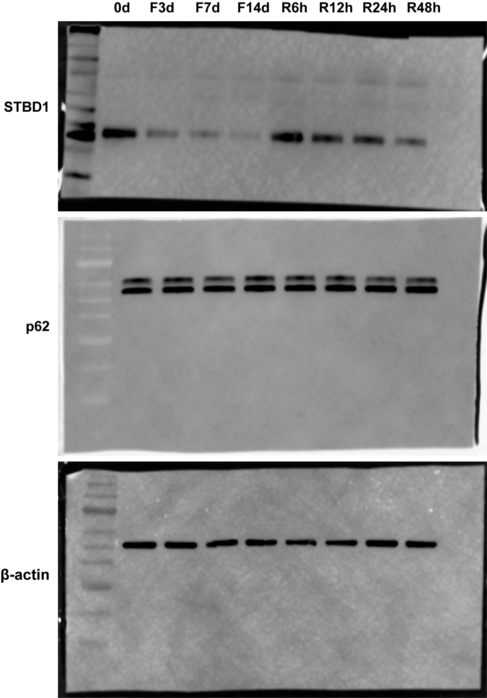
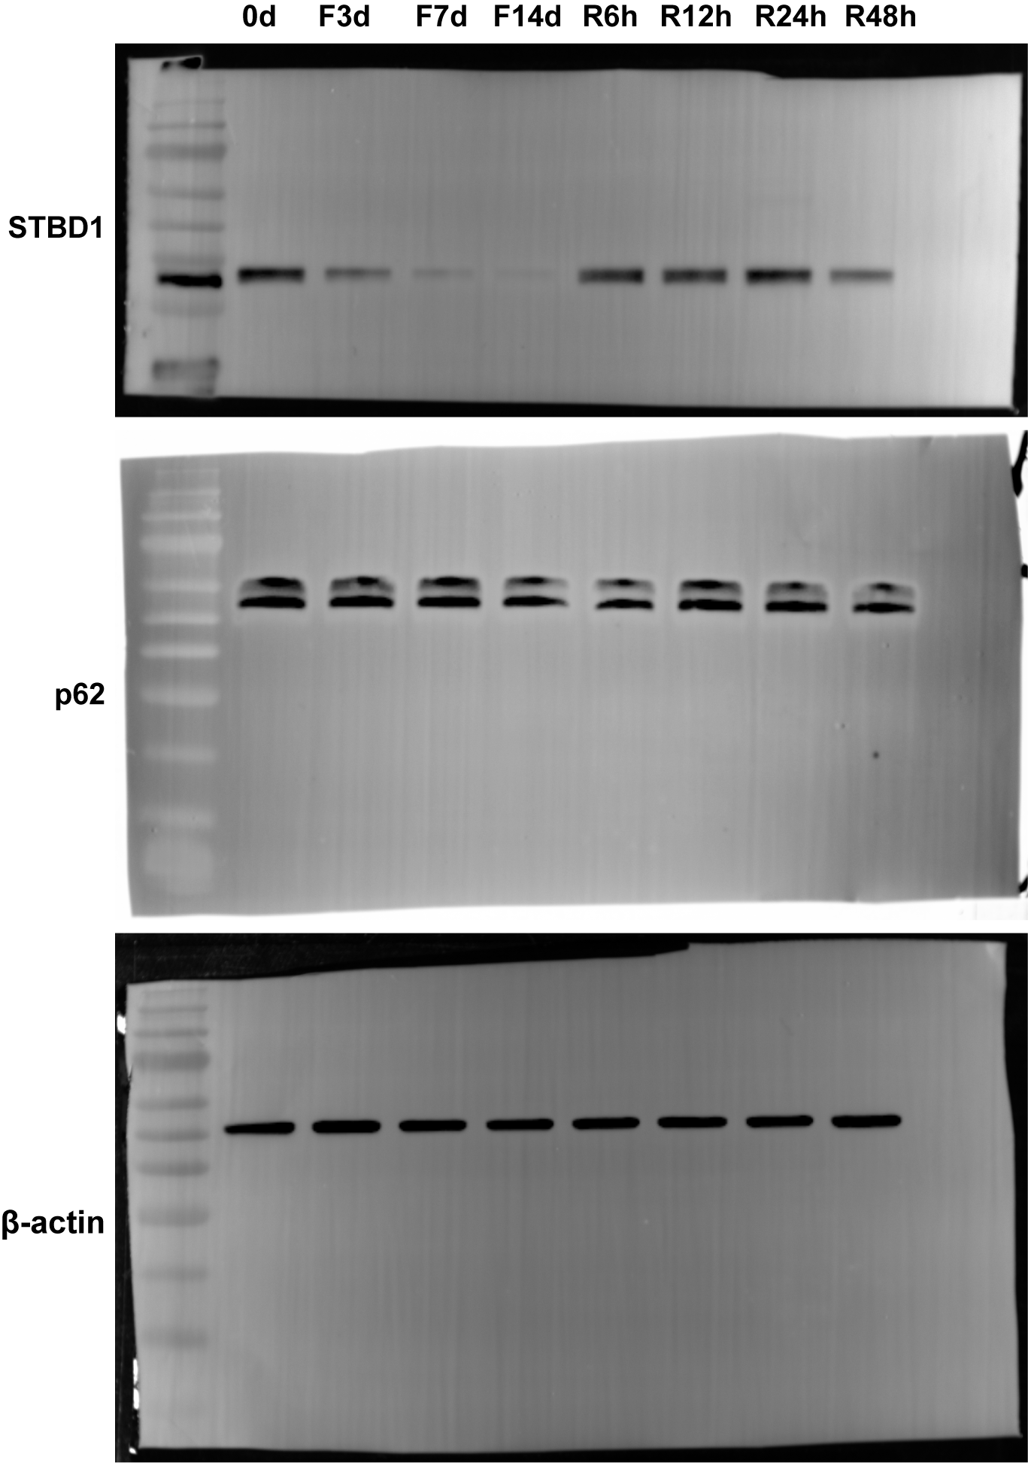
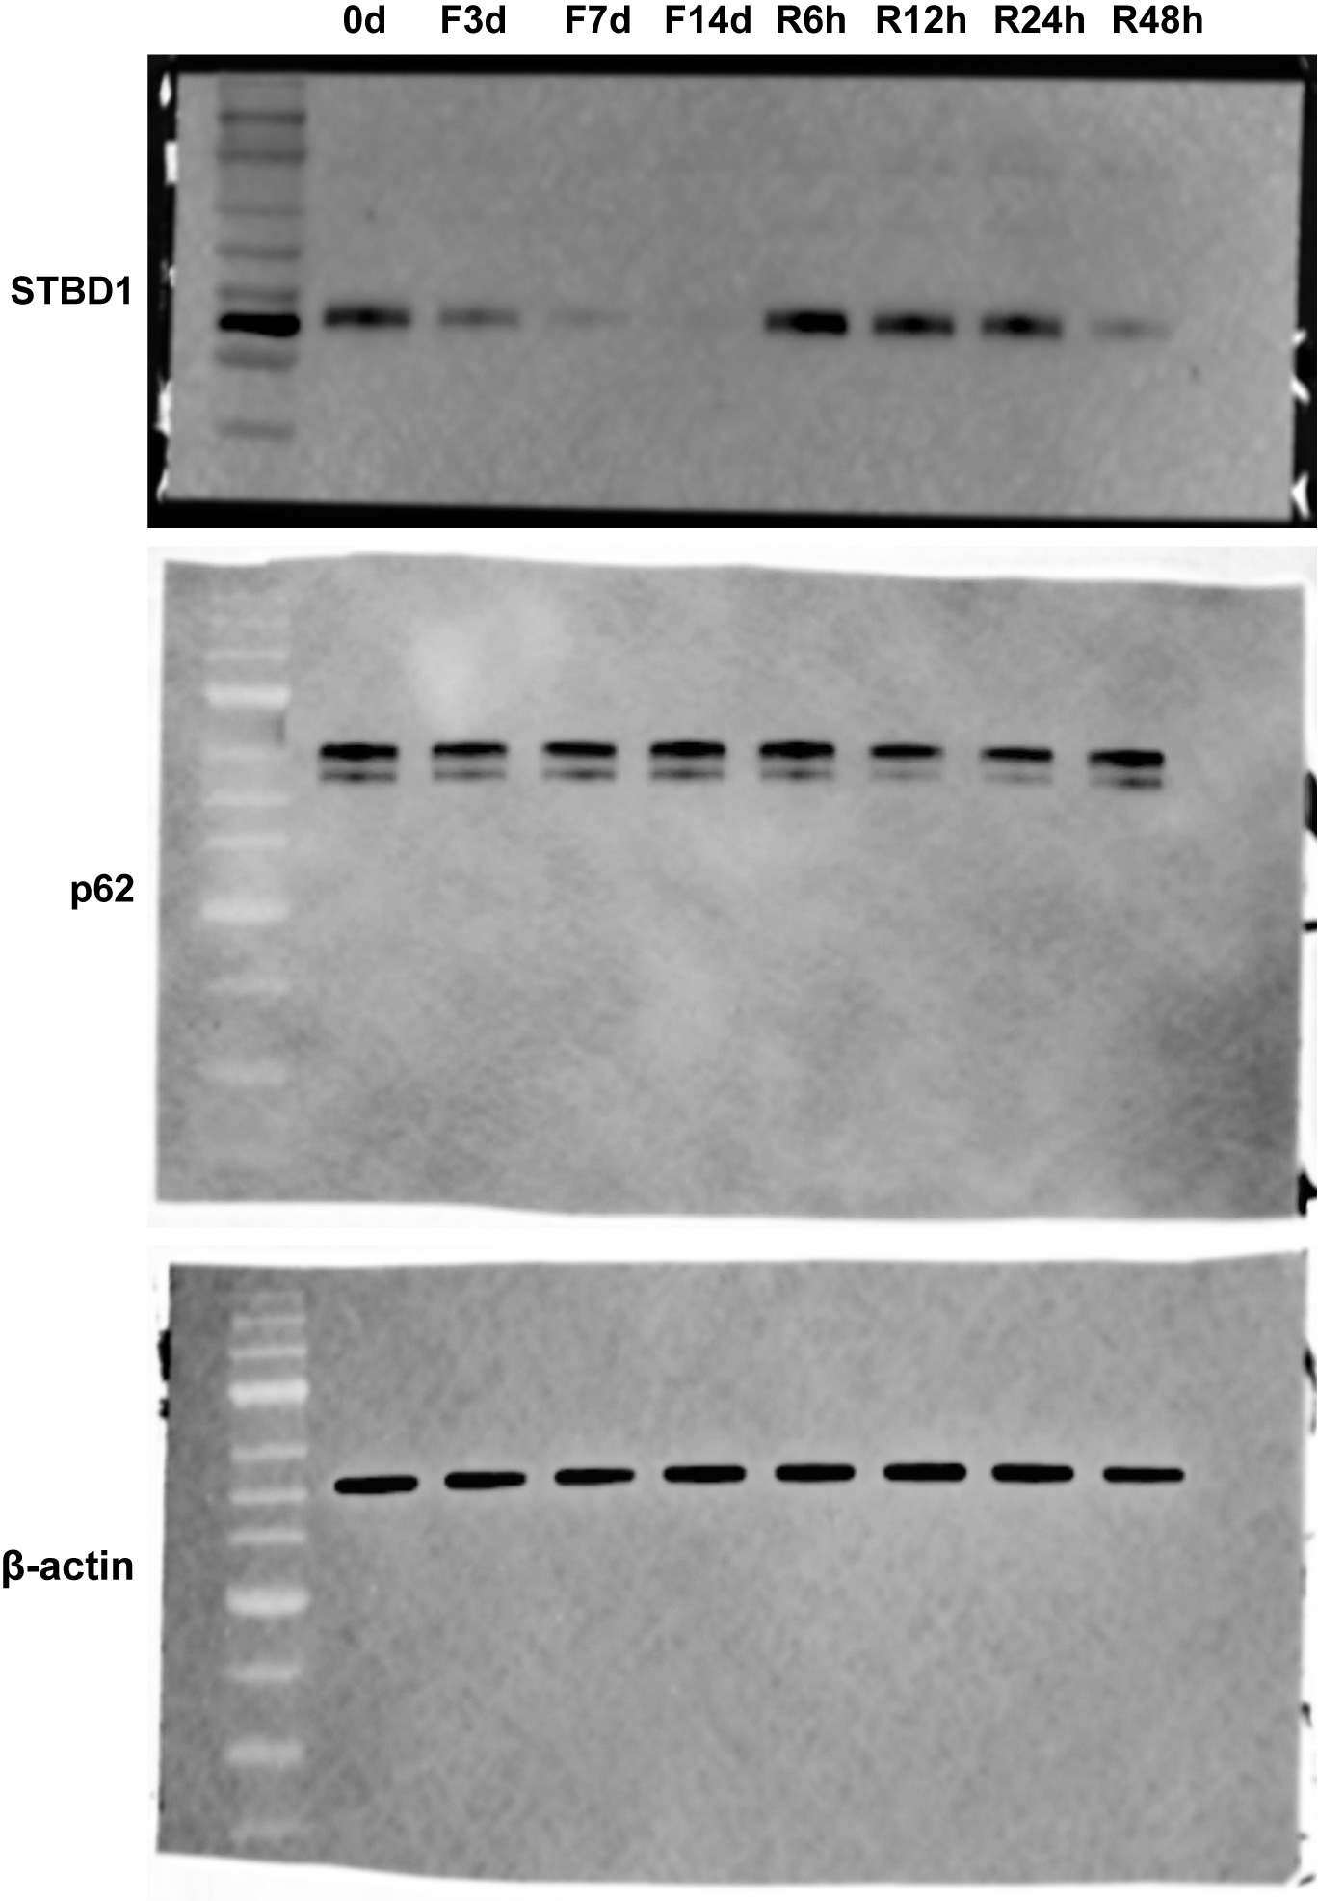
Figure 1D

Estimated protein levels of STBD1 and p62 during fasting and refeeding.
Tinme points | STBD1 protein level (fold changes related to β-actin) | Average value | Standard deviation | p62 protein level (fold changes related to β-actin) | Average value | Standard deviation
0d-1 | 0.86 | 0.81 | 0.0451 | 0.8 | 0.83 | 0.0416
0d-2 | 0.77 |  |  | 0.82
0d-3 | 0.81 |  |  | 0.88
F3d-1 | 0.31 | 0.39 | 0.1274 | 0.82 | 0.79 | 0.0289
F3d-2 | 0.33 |  |  | 0.77
F3d-3 | 0.54 |  |  | 0.77
F7d-1 | 0.24 | 0.22 | 0.1069 | 0.83 | 0.81 | 0.0346
F7d-2 | 0.1 |  |  | 0.77
F7d-3 | 0.31 |  |  | 0.83
F14d-1 | 0.12 | 0.12 | 0.0300 | 0.85 | 0.82 | 0.0265
F14d-2 | 0.09 |  |  | 0.8
F14d-3 | 0.15 |  |  | 0.81
R6h-1 | 0.93 | 0.98 | 0.0781 | 0.85 | 0.85 | 0.0252
R6h-2 | 0.94 |  |  | 0.83
R6h-3 | 1.07 |  |  | 0.88
R12h-1 | 0.64 | 0.71 | 0.0755 | 0.88 | 0.81 | 0.0700
R12h-2 | 0.7 |  |  | 0.74
R12h-3 | 0.79 |  |  | 0.81
R24h-1 | 0.58 | 0.70 | 0.1258 | 0.8 | 0.78 | 0.0265
R24h-2 | 0.68 |  |  | 0.75
R24h-3 | 0.83 |  |  | 0.79
R48h-1 | 0.28 | 0.27 | 0.1002 | 0.89 | 0.85 | 0.0379
R48h-2 | 0.17 |  |  | 0.83
R48h-3 | 0.37 |  |  | 0.82

Tukey's multiple comparisons test | Mean Diff. | 95.00% CI of diff. | Summary | Adjusted P Value
STBD1
0d vs. F3d | 0.42 | 0.2325 to 0.6075 | **** | <0.0001
0d vs. F7d | 0.59 | 0.4025 to 0.7775 | **** | <0.0001
0d vs. F14d | 0.69 | 0.5025 to 0.8775 | **** | <0.0001
0d vs. R6h | -0.17 | -0.3575 to 0.01748 | ns | 0.0981
0d vs. R12h | 0.1 | -0.08748 to 0.2875 | ns | 0.67
0d vs. R24h | 0.11 | -0.07748 to 0.2975 | ns | 0.5604
0d vs. R48h | 0.54 | 0.3525 to 0.7275 | **** | <0.0001

Tukey's multiple comparisons test | Mean Diff. | 95.00% CI of diff. | Summary | Adjusted P Value
p62
0d vs. F3d | 0.04 | -0.1475 to 0.2275 | ns | 0.9967
0d vs. F7d | 0.02 | -0.1675 to 0.2075 | ns | >0.9999
0d vs. F14d | 0.01 | -0.1775 to 0.1975 | ns | >0.9999
0d vs. R6h | -0.02 | -0.2075 to 0.1675 | ns | >0.9999
0d vs. R12h | 0.02 | -0.1675 to 0.2075 | ns | >0.9999
0d vs. R24h | 0.05 | -0.1375 to 0.2375 | ns | 0.9873
0d vs. R48h | -0.02 | -0.2075 to 0.1675 | ns | >0.9999

Data S2
Data S2. Source data corresponding to Figure 2.

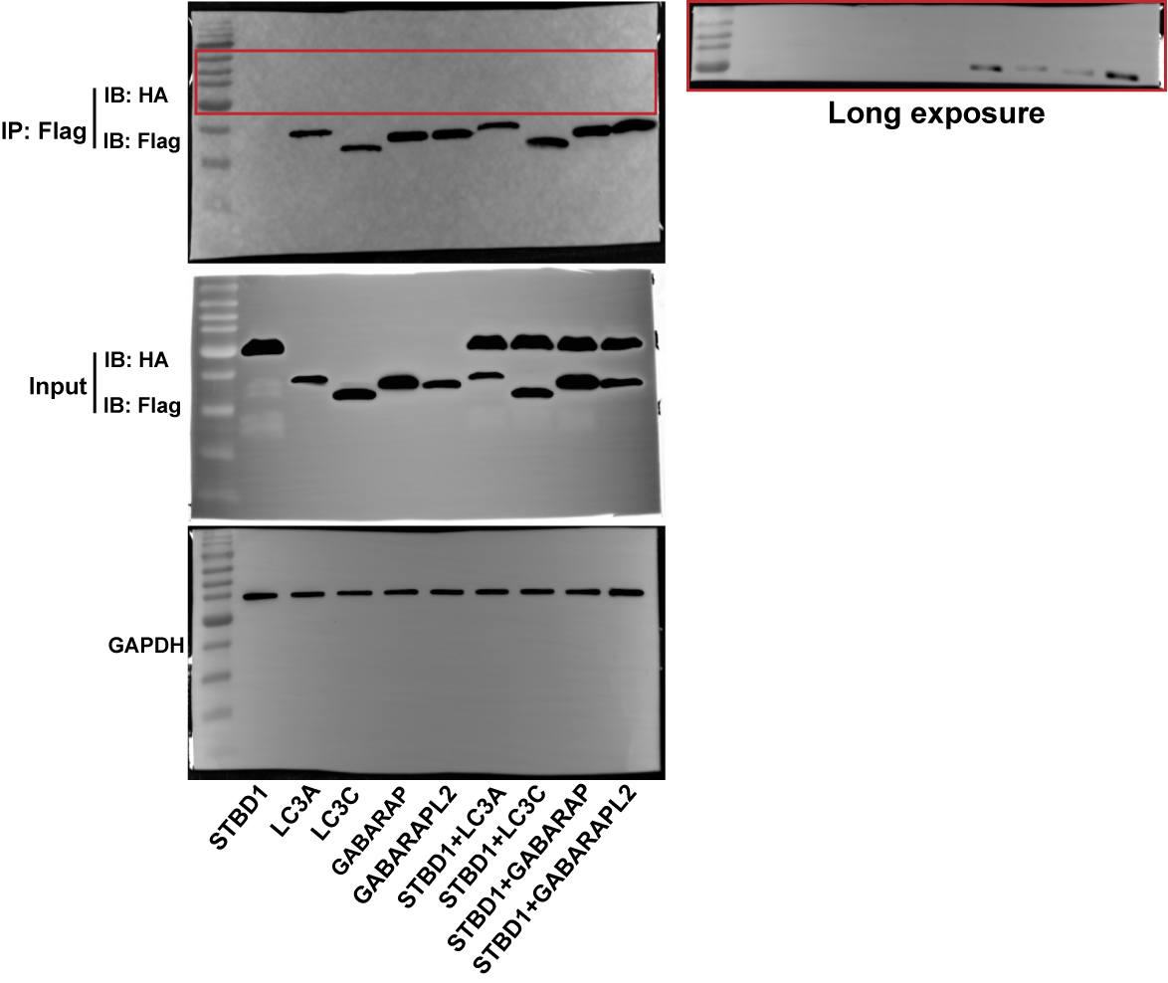
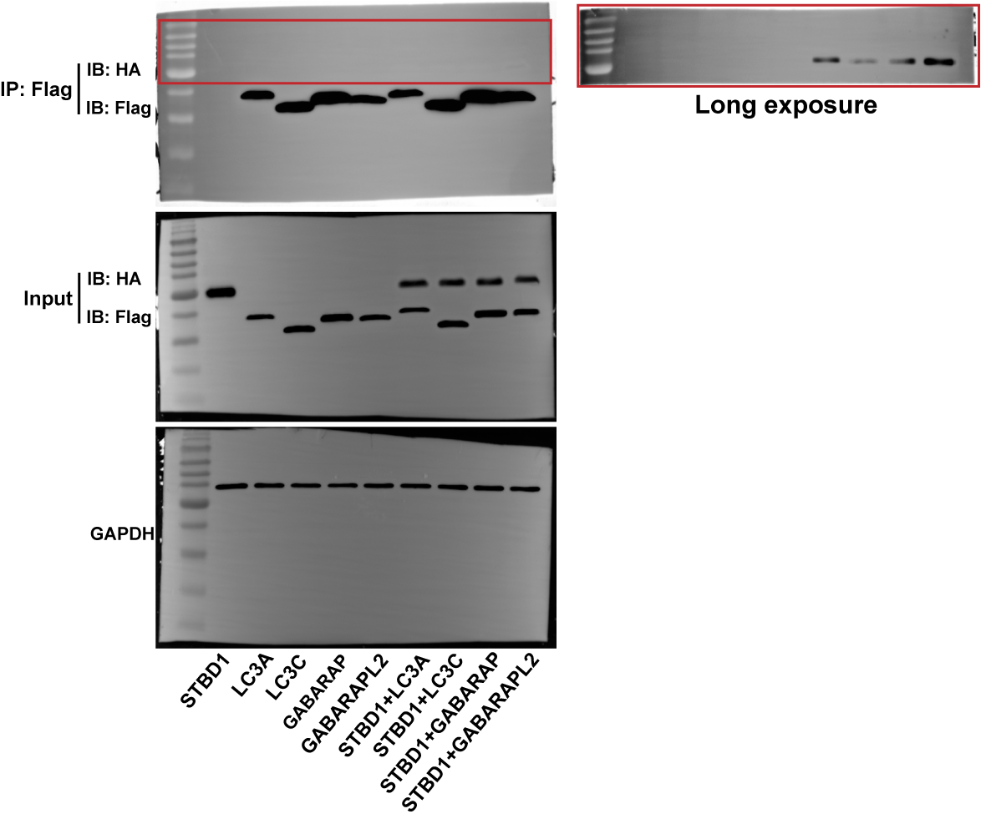
Figure 2D

Estimated protein levels of STBD1 in complex with either LC3A, LC3C, GABARAP or GABARAPL2, respectively.
Interactive Atg8 family member | Combined STBD1 protein level (fold changes related to GAPDH) | Average value | Standard deviation
LC3A-1 | 0.45 | 0.575 | 0.1768
LC3A-2 | 0.7
LC3C-1 | 0.154 | 0.158 | 0.0057
LC3C-2 | 0.162
GABARAP-1 | 0.19 | 0.171 | 0.0269
GABARAP-2 | 0.152
GABARAPL2-1 | 1.161 | 1.323 | 0.2291
GABARAPL2-2 | 1.485

 | P value
LC3A vs. LC3C | 0.01506
LC3A vs. GABARAP | 0.017352
LC3A vs. GABARAPL2 | 0.011016
LC3C vs. GABARAP | 0.458842
LC3C vs. GABARAPL2 | 0.000918
GABARAP vs. GABARAPL2 | 0.000983

Data S3
Data S3. Source data corresponding to Figure 3.

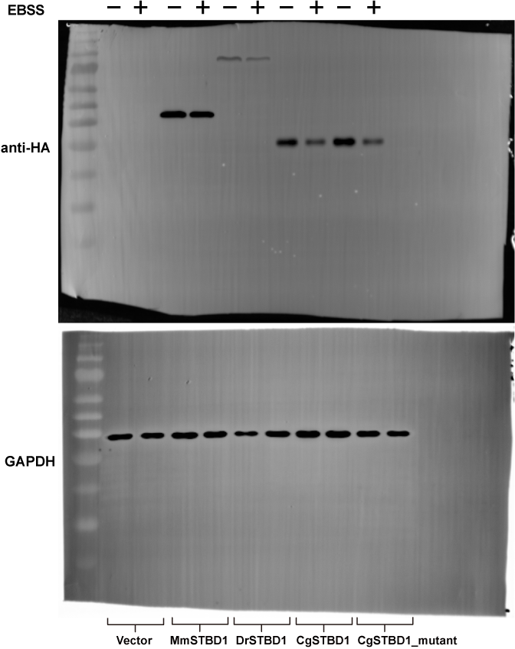
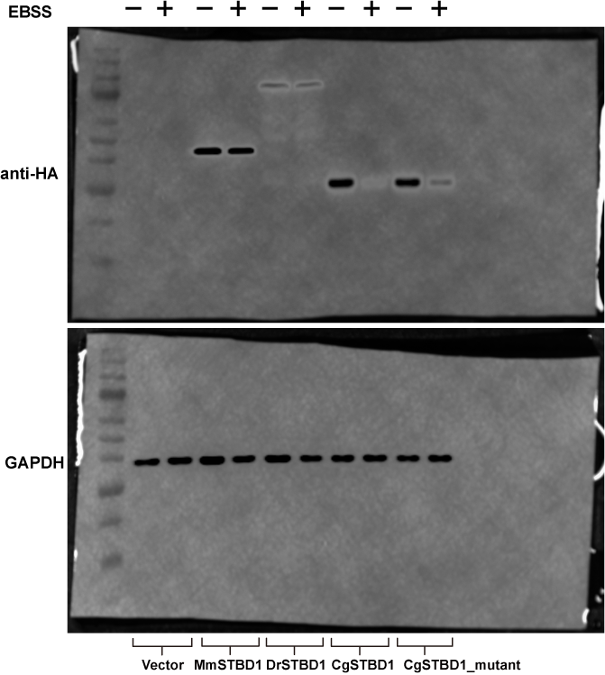
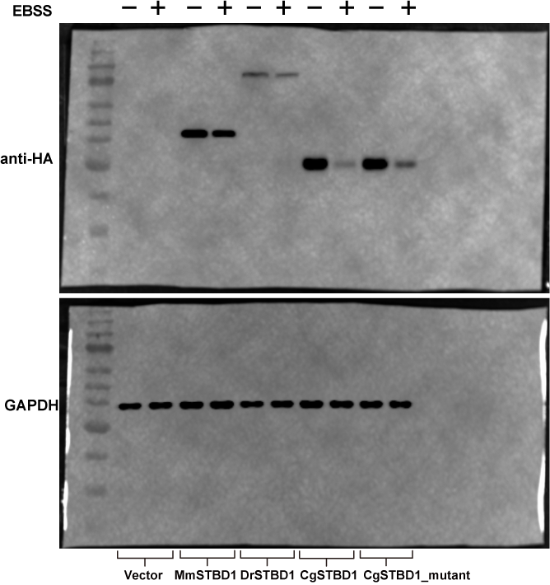
Figure 3F |  |  |  |  |  | Figure 3G

 |  |  |  |  |  |  | Estimated abundance of protein levels for STBD1 from mouse, zebrafish, wide-type M. gigas and a mutant M. gigas STBD1 overexpressed in 293T cells with or without EBSS treatments.
 |  |  |  |  |  |  | Treatments | STBD1 proteins | STBD1 protein level expressed in 293T cells (fold changes related to GAPDH) | Average value | Standard deviation
 |  |  |  |  |  |  | Control | MmSTBD1-1 | 0.99 | 0.92 | 0.0666
 |  |  |  |  |  |  |  | MmSTBD1-2 | 0.86
 |  |  |  |  |  |  |  | MmSTBD1-3 | 0.90
 |  |  |  |  |  |  |  | DrSTBD1-1 | 0.49 | 0.44 | 0.0473
 |  |  |  |  |  |  |  | DrSTBD1-2 | 0.42
 |  |  |  |  |  |  |  | DrSTBD1-3 | 0.40
 |  |  |  |  |  |  |  | CgSTBD1-1 | 1.16 | 1.15 | 0.0709
 |  |  |  |  |  |  |  | CgSTBD1-2 | 1.07
 |  |  |  |  |  |  |  | CgSTBD1-3 | 1.21
 |  |  |  |  |  |  |  | CgSTBD1_mutant-1 | 1.24 | 1.14 | 0.1193
 |  |  |  |  |  |  |  | CgSTBD1_mutant-2 | 1.01
 |  |  |  |  |  |  |  | CgSTBD1_mutant-3 | 1.18
 |  |  |  |  |  |  | EBSS | MmSTBD1-1 | 0.79 | 0.70 | 0.1007
 |  |  |  |  |  |  |  | MmSTBD1-2 | 0.71
 |  |  |  |  |  |  |  | MmSTBD1-3 | 0.59
 |  |  |  |  |  |  |  | DrSTBD1-1 | 0.27 | 0.23 | 0.0586
 |  |  |  |  |  |  |  | DrSTBD1-2 | 0.25
 |  |  |  |  |  |  |  | DrSTBD1-3 | 0.16
 |  |  |  |  |  |  |  | CgSTBD1-1 | 0.32 | 0.21 | 0.1060
 |  |  |  |  |  |  |  | CgSTBD1-2 | 0.19
 |  |  |  |  |  |  |  | CgSTBD1-3 | 0.11
 |  |  |  |  |  |  |  | CgSTBD1_mutant-1 | 0.59 | 0.43 | 0.1473
Estimated abundance of binding between glycogen and STBD1 from mouse, zebrafish, wide-type M. gigas and a mutant M. gigas STBD1. |  |  |  |  |  |  |  | CgSTBD1_mutant-2 | 0.40
Treatments | Groups | STBD1 proteins | STBD1 protein level bound to glycogen (fold changes related to PET32a vector) | Average value | Standard deviation |  |  | CgSTBD1_mutant-3 | 0.30
Glycogen- | Input | MmSTBD1-1 | 1.538 | 1.339 | 0.235
 |  | MmSTBD1-2 | 1.079 |  |  |  | Šídák's multiple comparisons test | Mean Diff. | 95.00% CI of diff. | Summary | Adjusted P Value
 |  | MmSTBD1-3 | 1.399 |  |  |  | Control - EBSS
 |  | DrSTBD1-1 | 1.121 | 1.285 | 0.144 |  | Vector | 0 | -0.1971 to 0.1971 | ns | >0.9999
 |  | DrSTBD1-2 | 1.343 |  |  |  | MmSTBD1 | 0.22 | 0.02291 to 0.4171 | * | 0.0241
 |  | DrSTBD1-3 | 1.391 |  |  |  | DrSTBD1 | 0.21 | 0.01291 to 0.4071 | * | 0.0332
 |  | CgSTBD1-1 | 1 | 1.174 | 0.170 |  | CgSTBD1 | 0.94 | 0.7429 to 1.137 | **** | <0.0001
 |  | CgSTBD1-2 | 1.184 |  |  |  | CgSTBD1_mutant | 0.71 | 0.5129 to 0.9071 | **** | <0.0001
 |  | CgSTBD1-3 | 1.339
 |  | CgSTBD1_mutant-1 | 0.968 | 1.134 | 0.200 |  | Tukey's multiple comparisons test | Mean Diff. | 95.00% CI of diff. | Summary | Adjusted P Value
 |  | CgSTBD1_mutant-2 | 1.078 |  |  |  | EBSS
 |  | CgSTBD1_mutant-3 | 1.356 |  |  |  | Vector vs. MmSTBD1 | -0.7 | -0.9080 to -0.4920 | **** | <0.0001
 | Supernatant | MmSTBD1-1 | 1.295 | 1.136 | 0.181 |  | Vector vs. DrSTBD1 | -0.23 | -0.4380 to -0.02205 | * | 0.0257
 |  | MmSTBD1-2 | 0.939 |  |  |  | Vector vs. CgSTBD1 | -0.21 | -0.4180 to -0.002050 | * | 0.0471
 |  | MmSTBD1-3 | 1.173 |  |  |  | Vector vs. CgSTBD1_mutant | -0.43 | -0.6380 to -0.2220 | **** | <0.0001
 |  | DrSTBD1-1 | 1.614 | 1.340 | 0.238 |  | MmSTBD1 vs. DrSTBD1 | 0.47 | 0.2620 to 0.6780 | **** | <0.0001
 |  | DrSTBD1-2 | 1.216 |  |  |  | MmSTBD1 vs. CgSTBD1 | 0.49 | 0.2820 to 0.6980 | **** | <0.0001
 |  | DrSTBD1-3 | 1.189 |  |  |  | MmSTBD1 vs. CgSTBD1_mutant | 0.27 | 0.06205 to 0.4780 | ** | 0.0073
 |  | CgSTBD1-1 | 1.609 | 1.369 | 0.208 |  | DrSTBD1 vs. CgSTBD1 | 0.02 | -0.1880 to 0.2280 | ns | 0.9984
 |  | CgSTBD1-2 | 1.243 |  |  |  | DrSTBD1 vs. CgSTBD1_mutant | -0.2 | -0.4080 to 0.007950 | ns | 0.063
 |  | CgSTBD1-3 | 1.254 |  |  |  | CgSTBD1 vs. CgSTBD1_mutant | -0.22 | -0.4280 to -0.01205 | * | 0.0349
 |  | CgSTBD1_mutant-1 | 1.819 | 1.473 | 0.301
 |  | CgSTBD1_mutant-2 | 1.269
 |  | CgSTBD1_mutant-3 | 1.332
 | Pellet | MmSTBD1-1 | 0 | 0.000 | 0.000
 |  | MmSTBD1-2 | 0
 |  | MmSTBD1-3 | 0
 |  | DrSTBD1-1 | 0 | 0.000 | 0.000
 |  | DrSTBD1-2 | 0
 |  | DrSTBD1-3 | 0
 |  | CgSTBD1-1 | 0 | 0.000 | 0.000
 |  | CgSTBD1-2 | 0
 |  | CgSTBD1-3 | 0
 |  | CgSTBD1_mutant-1 | 0 | 0.000 | 0.000
 |  | CgSTBD1_mutant-2 | 0
 |  | CgSTBD1_mutant-3 | 0
Glycogen+ | Input | MmSTBD1-1 | 1.568 | 1.242 | 0.286
 |  | MmSTBD1-2 | 1.032
 |  | MmSTBD1-3 | 1.126
 |  | DrSTBD1-1 | 1.499 | 1.302 | 0.178
 |  | DrSTBD1-2 | 1.255
 |  | DrSTBD1-3 | 1.153
 |  | CgSTBD1-1 | 1.277 | 1.188 | 0.086
 |  | CgSTBD1-2 | 1.181
 |  | CgSTBD1-3 | 1.105
 |  | CgSTBD1_mutant-1 | 1.04 | 1.031 | 0.044
 |  | CgSTBD1_mutant-2 | 0.984
 |  | CgSTBD1_mutant-3 | 1.07
 | Supernatant | MmSTBD1-1 | 0 | 0.000 | 0.000
 |  | MmSTBD1-2 | 0
 |  | MmSTBD1-3 | 0
 |  | DrSTBD1-1 | 0 | 0.000 | 0.000
 |  | DrSTBD1-2 | 0
 |  | DrSTBD1-3 | 0
 |  | CgSTBD1-1 | 0 | 0.000 | 0.000
 |  | CgSTBD1-2 | 0
 |  | CgSTBD1-3 | 0
 |  | CgSTBD1_mutant-1 | 0 | 0.000 | 0.000
 |  | CgSTBD1_mutant-2 | 0
 |  | CgSTBD1_mutant-3 | 0
 | Pellet | MmSTBD1-1 | 0.902 | 0.950 | 0.232
 |  | MmSTBD1-2 | 1.203
 |  | MmSTBD1-3 | 0.746
 |  | DrSTBD1-1 | 0.956 | 0.753 | 0.178
 |  | DrSTBD1-2 | 0.621
 |  | DrSTBD1-3 | 0.683
 |  | CgSTBD1-1 | 2.036 | 2.029 | 0.178
 |  | CgSTBD1-2 | 1.847
 |  | CgSTBD1-3 | 2.203
 |  | CgSTBD1_mutant-1 | 1.558 | 1.353 | 0.365
 |  | CgSTBD1_mutant-2 | 1.569
 |  | CgSTBD1_mutant-3 | 0.931

Tukey's multiple comparisons test | Mean Diff. | 95.00% CI of diff. | Summary | Adjusted P Value
Pellet-Glycogen(+)
MmSTBD1 vs. DrSTBD1 | 0.196 | -0.1832 to 0.5752 | ns | 0.5205
MmSTBD1 vs. CgSTBD1 | -1.079 | -1.458 to -0.6998 | **** | <0.0001
MmSTBD1 vs. CgSTBD1_mutant | -0.403 | -0.7822 to -0.02382 | * | 0.0333
DrSTBD1 vs. CgSTBD1 | -1.275 | -1.654 to -0.8958 | **** | <0.0001
DrSTBD1 vs. CgSTBD1_mutant | -0.599 | -0.9782 to -0.2198 | *** | 0.0006
...

