Sheet3
Group Statistics
Procedure |  | N | Mean | Std. Deviation | Std. Error Mean
Duration | 1.00 | 32 | 5.063 | 3.8766 | 0.6853
 | 2.00 | 24 | 6.000 | 4.5397 | 0.9267

Independent Samples Test
 |  | Levene's Test for Equality of Variances |  | t-test for Equality of Means
 |  | F | Sig. | t | df | Significance |  | Mean Difference | Std. Error Difference | 95% Confidence Interval of the Difference
 |  |  |  |  |  | One-Sided p | Two-Sided p |  |  | Lower | Upper
Duration | Equal variances assumed | 0.007 | 0.936 | -0.832 | 54 | 0.204 | 0.409 | -0.9375 | 1.1266 | -3.1961 | 1.3211
 | Equal variances not assumed |  |  | -0.813 | 45.042 | 0.210 | 0.420 | -0.9375 | 1.1525 | -3.2588 | 1.3838

Independent Samples Effect Sizes
 |  | Standardizera | Point Estimate | 95% Confidence Interval
 |  |  |  | Lower | Upper
Duration | Cohen's d | 4.1719 | -0.225 | -0.755 | 0.307
 | Hedges' correction | 4.2310 | -0.222 | -0.744 | 0.303
 | Glass's delta | 4.5397 | -0.207 | -0.737 | 0.328
a. The denominator used in estimating the effect sizes. Cohen's d uses the pooled standard deviation. Hedges' correction uses the pooled standard deviation, plus a correction factor. Glass's delta uses the sample standard deviation of the control group.

Independent-Samples Mann-Whitney U Test

Duration across Procedure

Independent-Samples Mann-Whitney U Test Summary
Total N | 56
Mann-Whitney U | 451.000
Wilcoxon W | 751.000
Test Statistic | 451.000
Standard Error | 59.917
Standardized Test Statistic | 1.118
Asymptotic Sig.(2-sided test) | 0.263

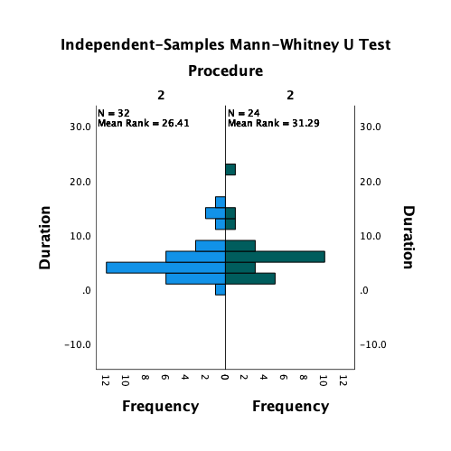

Oneway

ANOVA
Duration
 | Sum of Squares | df | Mean Square | F | Sig.
Between Groups | 389.781 | 3 | 129.927 | 2.076 | 0.112
Within Groups | 4067.176 | 65 | 62.572
Total | 4456.957 | 68

Post Hoc Tests

Multiple Comparisons
Dependent Variable: | Duration
(I) Apache_Categ | (J) Apache_Categ |  | Mean Difference (I-J) | Std. Error | Sig. | 95% Confidence Interval
 |  |  |  |  |  | Lower Bound | Upper Bound
Tukey HSD | 1.00 | 2.00 | -1.4812 | 2.7862 | 0.951 | -8.828 | 5.865
 |  | 3.00 | -5.4286 | 2.5471 | 0.154 | -12.145 | 1.288
 |  | 4.00 | -0.2286 | 4.1211 | 1.000 | -11.095 | 10.638
 | 2.00 | 1.00 | 1.4812 | 2.7862 | 0.951 | -5.865 | 8.828
 |  | 3.00 | -3.9474 | 2.3047 | 0.325 | -10.024 | 2.130
 |  | 4.00 | 1.2526 | 3.9759 | 0.989 | -9.231 | 11.736
 | 3.00 | 1.00 | 5.4286 | 2.5471 | 0.154 | -1.288 | 12.145
 |  | 2.00 | 3.9474 | 2.3047 | 0.325 | -2.130 | 10.024
 |  | 4.00 | 5.2000 | 3.8122 | 0.526 | -4.852 | 15.252
 | 4.00 | 1.00 | 0.2286 | 4.1211 | 1.000 | -10.638 | 11.095
 |  | 2.00 | -1.2526 | 3.9759 | 0.989 | -11.736 | 9.231
 |  | 3.00 | -5.2000 | 3.8122 | 0.526 | -15.252 | 4.852
LSD | 1.00 | 2.00 | -1.4812 | 2.7862 | 0.597 | -7.046 | 4.083
 |  | 3.00 | -5.4286* | 2.5471 | 0.037 | -10.516 | -0.342
 |  | 4.00 | -0.2286 | 4.1211 | 0.956 | -8.459 | 8.002
 | 2.00 | 1.00 | 1.4812 | 2.7862 | 0.597 | -4.083 | 7.046
 |  | 3.00 | -3.9474 | 2.3047 | 0.092 | -8.550 | 0.655
 |  | 4.00 | 1.2526 | 3.9759 | 0.754 | -6.688 | 9.193
 | 3.00 | 1.00 | 5.4286* | 2.5471 | 0.037 | 0.342 | 10.516
 |  | 2.00 | 3.9474 | 2.3047 | 0.092 | -0.655 | 8.550
 |  | 4.00 | 5.2000 | 3.8122 | 0.177 | -2.413 | 12.813
 | 4.00 | 1.00 | 0.2286 | 4.1211 | 0.956 | -8.002 | 8.459
 |  | 2.00 | -1.2526 | 3.9759 | 0.754 | -9.193 | 6.688
 |  | 3.00 | -5.2000 | 3.8122 | 0.177 | -12.813 | 2.413
Bonferroni | 1.00 | 2.00 | -1.4812 | 2.7862 | 1.000 | -9.063 | 6.101
 |  | 3.00 | -5.4286 | 2.5471 | 0.221 | -12.360 | 1.503
 |  | 4.00 | -0.2286 | 4.1211 | 1.000 | -11.444 | 10.987
 | 2.00 | 1.00 | 1.4812 | 2.7862 | 1.000 | -6.101 | 9.063
 |  | 3.00 | -3.9474 | 2.3047 | 0.549 | -10.219 | 2.325
 |  | 4.00 | 1.2526 | 3.9759 | 1.000 | -9.567 | 12.073
 | 3.00 | 1.00 | 5.4286 | 2.5471 | 0.221 | -1.503 | 12.360
 |  | 2.00 | 3.9474 | 2.3047 | 0.549 | -2.325 | 10.219
 |  | 4.00 | 5.2000 | 3.8122 | 1.000 | -5.175 | 15.575
 | 4.00 | 1.00 | 0.2286 | 4.1211 | 1.000 | -10.987 | 11.444
 |  | 2.00 | -1.2526 | 3.9759 | 1.000 | -12.073 | 9.567
 |  | 3.00 | -5.2000 | 3.8122 | 1.000 | -15.575 | 5.175
*. The mean difference is significant at the 0.05 level.

Homogeneous Subsets

Duration
Apache_Categ |  | N | Subset for alpha = 0.05
 |  |  | 1
Tukey HSDa,b | 1.00 | 14 | 3.571
 | 4.00 | 5 | 3.800
 | 2.00 | 19 | 5.053
 | 3.00 | 31 | 9.000
 | Sig. |  | 0.371
Means for groups in homogeneous subsets are displayed.
a. Uses Harmonic Mean Sample Size = 11.226.
b. The group sizes are unequal. The harmonic mean of the group sizes is used. Type I error levels are not guaranteed.

Crosstabs

Apache_Categ * Death Crosstabulation
 |  |  | Death |  | Total
 |  |  | 1 | 0
Apache_Categ | 1.00 | Count | 0 | 14 | 14
 |  | % within Apache_Categ | 0.0% | 100.0% | 100.0%
 |  | % within Death | 0.0% | 25.9% | 20.3%
 | 2.00 | Count | 0 | 19 | 19
 |  | % within Apache_Categ | 0.0% | 100.0% | 100.0%
 |  | % within Death | 0.0% | 35.2% | 27.5%
 | 3.00 | Count | 11 | 20 | 31
 |  | % within Apache_Categ | 35.5% | 64.5% | 100.0%
 |  | % within Death | 73.3% | 37.0% | 44.9%
 | 4.00 | Count | 4 | 1 | 5
 |  | % within Apache_Categ | 80.0% | 20.0% | 100.0%
 |  | % within Death | 26.7% | 1.9% | 7.2%
Total |  | Count | 15 | 54 | 69
 |  | % within Apache_Categ | 21.7% | 78.3% | 100.0%
 |  | % within Death | 100.0% | 100.0% | 100.0%

Chi-Square Tests
 | Value | df | Asymptotic Significance (2-sided)
Pearson Chi-Square | 22.585a | 3 | 0.000
Likelihood Ratio | 26.927 | 3 | 0.000
N of Valid Cases | 69
a. 4 cells (50.0%) have expected count less than 5. The minimum expected count is 1.09.

Calcin Dindo
 |  | Frequency | Percent | Valid Percent | Cumulative Percent
Valid |  | 44 | 63.8 | 63.8 | 63.8
 | 1 | 6 | 8.7 | 8.7 | 72.5
 | 1d | 1 | 1.4 | 1.4 | 73.9
 | 2 | 4 | 5.8 | 5.8 | 79.7
 | 3b | 1 | 1.4 | 1.4 | 81.2
 | 4a | 1 | 1.4 | 1.4 | 82.6
 | 5 | 12 | 17.4 | 17.4 | 100.0
 | Total | 69 | 100.0 | 100.0

Independent-Samples Kruskal-Wallis Test

Duration across Calcin Dindo

Independent-Samples Kruskal-Wallis Test Summary
Total N | 69
Test Statistic | 7.796a,b
Degree Of Freedom | 6
Asymptotic Sig.(2-sided test) | 0.253
a. The test statistic is adjusted for ties.
b. Multiple comparisons are not performed because the overall test does not show significant differences across samples.

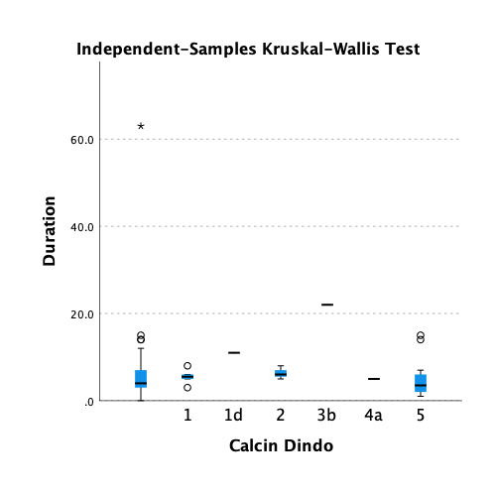
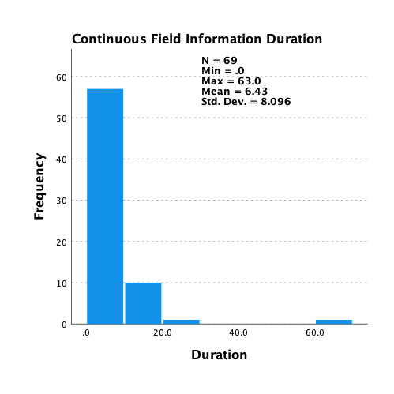
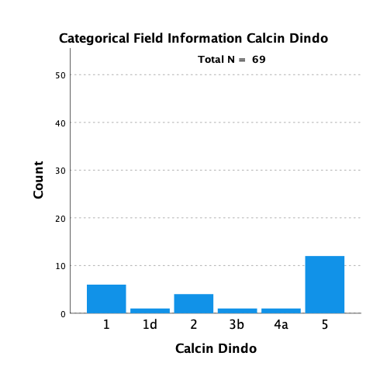

Oneway

ANOVA
Duration
 | Sum of Squares | df | Mean Square | F | Sig.
Between Groups | 4.841 | 2 | 2.420 | 0.171 | 0.844
Within Groups | 268.250 | 19 | 14.118
Total | 273.091 | 21

Post Hoc Tests

Multiple Comparisons
Dependent Variable: | Duration
(I) Calcin Dindo | (J) Calcin Dindo |  | Mean Difference (I-J) | Std. Error | Sig. | 95% Confidence Interval
 |  |  |  |  |  | Lower Bound | Upper Bound
Tukey HSD | 1 | 2 | -0.7500 | 2.4254 | 0.949 | -6.912 | 5.412
 |  | 5 | 0.5000 | 1.8787 | 0.962 | -4.273 | 5.273
 | 2 | 1 | 0.7500 | 2.4254 | 0.949 | -5.412 | 6.912
 |  | 5 | 1.2500 | 2.1694 | 0.834 | -4.261 | 6.761
 | 5 | 1 | -0.5000 | 1.8787 | 0.962 | -5.273 | 4.273
 |  | 2 | -1.2500 | 2.1694 | 0.834 | -6.761 | 4.261
LSD | 1 | 2 | -0.7500 | 2.4254 | 0.761 | -5.826 | 4.326
 |  | 5 | 0.5000 | 1.8787 | 0.793 | -3.432 | 4.432
 | 2 | 1 | 0.7500 | 2.4254 | 0.761 | -4.326 | 5.826
 |  | 5 | 1.2500 | 2.1694 | 0.571 | -3.291 | 5.791
 | 5 | 1 | -0.5000 | 1.8787 | 0.793 | -4.432 | 3.432
 |  | 2 | -1.2500 | 2.1694 | 0.571 | -5.791 | 3.291
Bonferroni | 1 | 2 | -0.7500 | 2.4254 | 1.000 | -7.117 | 5.617
 |  | 5 | 0.5000 | 1.8787 | 1.000 | -4.432 | 5.432
 | 2 | 1 | 0.7500 | 2.4254 | 1.000 | -5.617 | 7.117
 |  | 5 | 1.2500 | 2.1694 | 1.000 | -4.445 | 6.945
 | 5 | 1 | -0.5000 | 1.8787 | 1.000 | -5.432 | 4.432
 |  | 2 | -1.2500 | 2.1694 | 1.000 | -6.945 | 4.445

Apache_Categ * colon perforation Crosstabulation
 |  |  | colon perforation |  | Total
 |  |  | no | yes
Apache_Categ | 1.00 | Count | 14 | 0 | 14
 |  | % within Apache_Categ | 100.0% | 0.0% | 100.0%
 |  | % within colon perforation | 23.7% | 0.0% | 20.3%
 | 2.00 | Count | 19 | 0 | 19
 |  | % within Apache_Categ | 100.0% | 0.0% | 100.0%
 |  | % within colon perforation | 32.2% | 0.0% | 27.5%
 | 3.00 | Count | 23 | 8 | 31
 |  | % within Apache_Categ | 74.2% | 25.8% | 100.0%
 |  | % within colon perforation | 39.0% | 80.0% | 44.9%
 | 4.00 | Count | 3 | 2 | 5
 |  | % within Apache_Categ | 60.0% | 40.0% | 100.0%
 |  | % within colon perforation | 5.1% | 20.0% | 7.2%
Total |  | Count | 59 | 10 | 69
 |  | % within Apache_Categ | 85.5% | 14.5% | 100.0%
 |  | % within colon perforation | 100.0% | 100.0% | 100.0%

Chi-Square Tests
 | Value | df | Asymptotic Significance (2-sided)
Pearson Chi-Square | 11.420a | 3 | 0.010
Likelihood Ratio | 14.972 | 3 | 0.002
N of Valid Cases | 69
a. 5 cells (62.5%) have expected count less than 5. The minimum expected count is .72.

Procedure * Death Crosstabulation
 |  |  | Death |  | Total
 |  |  | 1 | 0
Procedure | 1.00 | Count | 1 | 31 | 32
 |  | % within Procedure | 3.1% | 96.9% | 100.0%
 |  | % within Death | 8.3% | 70.5% | 57.1%
 | 2.00 | Count | 11 | 13 | 24
 |  | % within Procedure | 45.8% | 54.2% | 100.0%
 |  | % within Death | 91.7% | 29.5% | 42.9%
Total |  | Count | 12 | 44 | 56
 |  | % within Procedure | 21.4% | 78.6% | 100.0%
 |  | % within Death | 100.0% | 100.0% | 100.0%

Chi-Square Tests
 | Value | df | Asymptotic Significance (2-sided) | Exact Sig. (2-sided) | Exact Sig. (1-sided)
Pearson Chi-Square | 14.857a | 1 | 0.000
Continuity Correctionb | 12.429 | 1 | 0.000
Likelihood Ratio | 16.189 | 1 | 0.000
Fisher's Exact Test |  |  |  | 0.000 | 0.000
N of Valid Cases | 56
a. 0 cells (0.0%) have expected count less than 5. The minimum expected count is 5.14.
b. Computed only for a 2x2 table

Oneway

ANOVA
Duration
 | Sum of Squares | df | Mean Square | F | Sig.
Between Groups | 297.146 | 5 | 59.429 | 4.204 | 0.009
Within Groups | 282.700 | 20 | 14.135
Total | 579.846 | 25

Frequencies

CalvinDindo
 |  | Frequency | Percent | Valid Percent | Cumulative Percent
...

