Ext Fig_2a
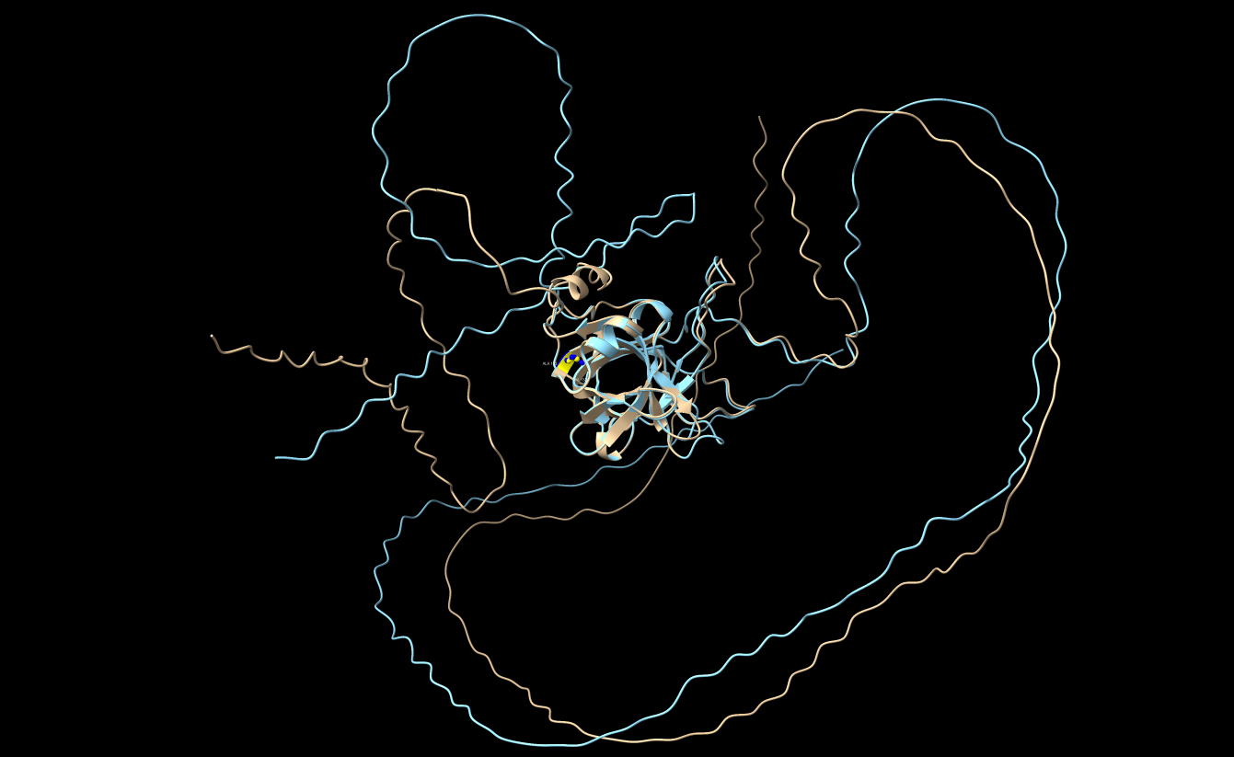
AlphaFold3
Sll0518 vs. Sll0518_{A133V}
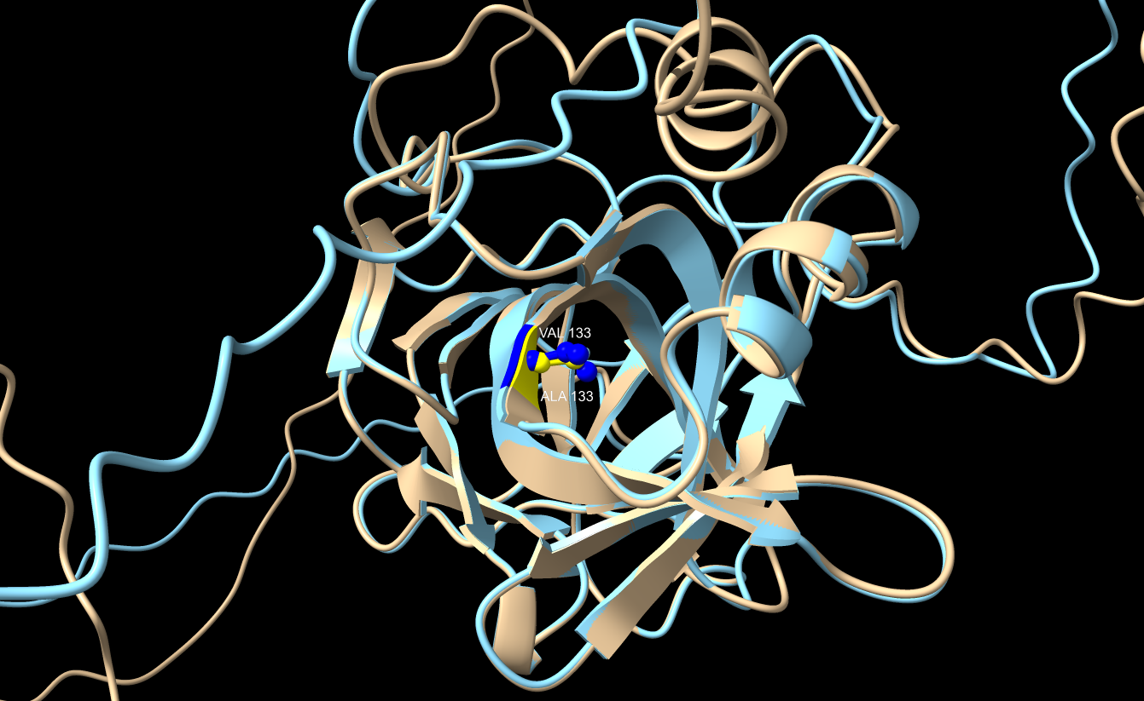

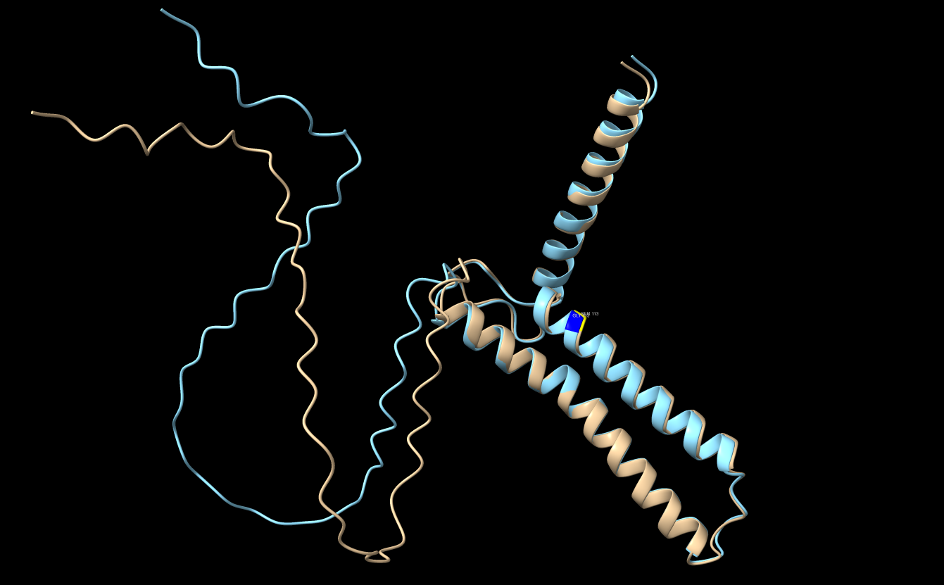
AlphaFold3
PAM68 vs. PAM68_{S113G}
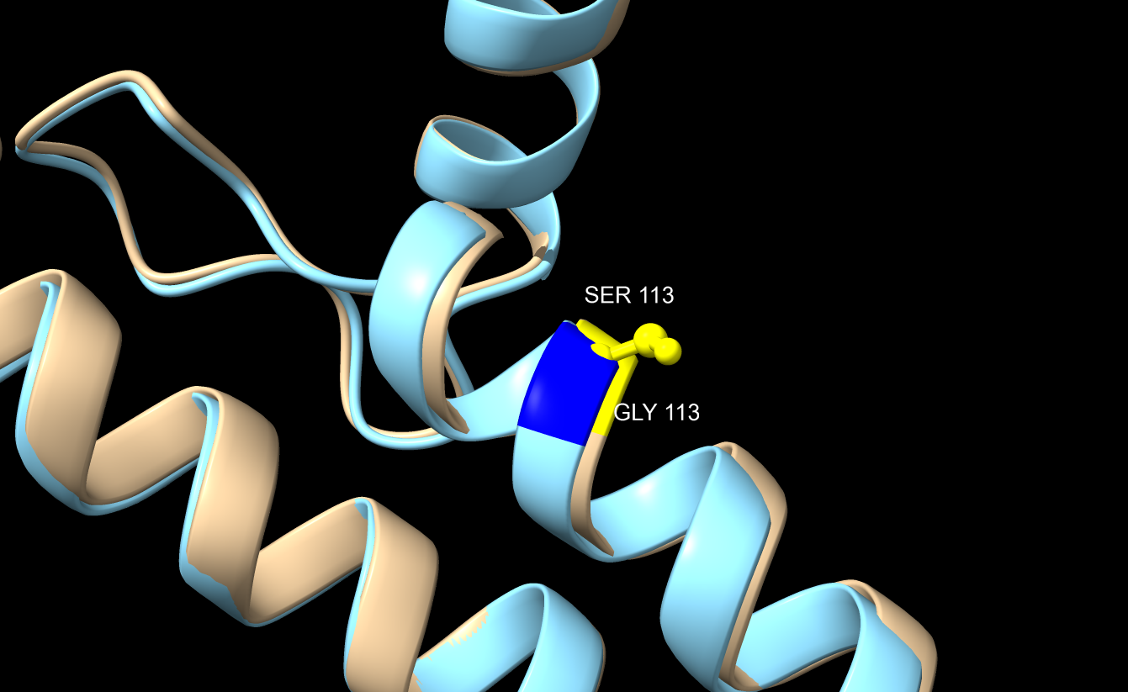

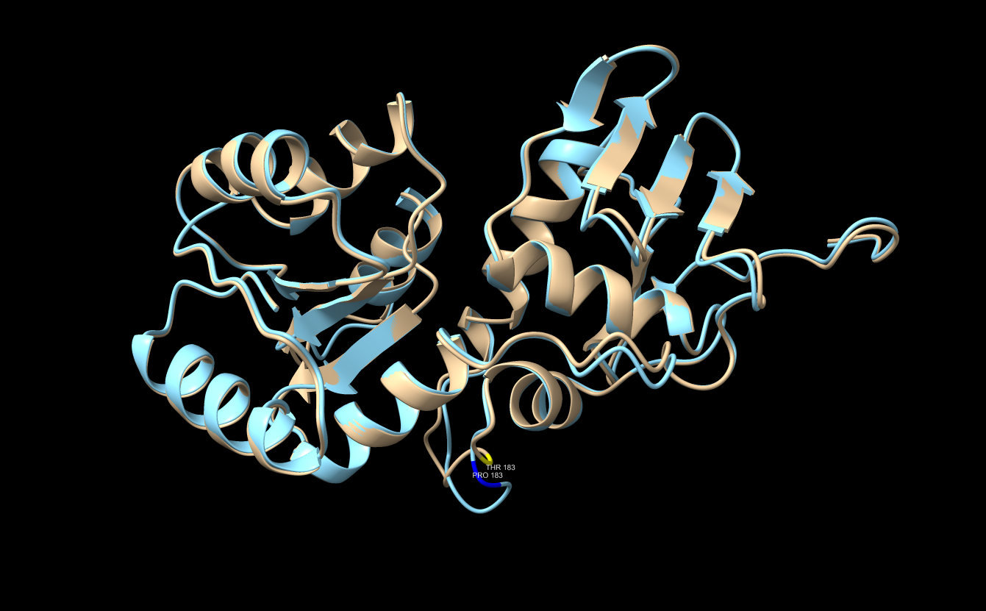
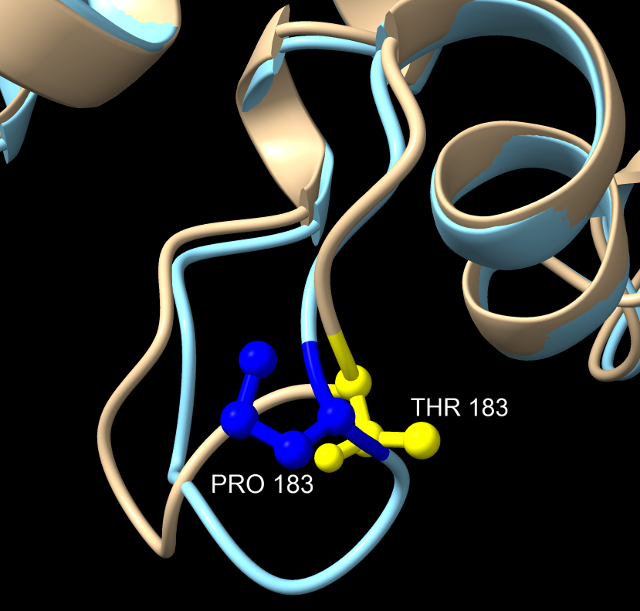
AlphaFold3
RpaB vs. RpaB_{T183P}

