Garnet 3M_3N
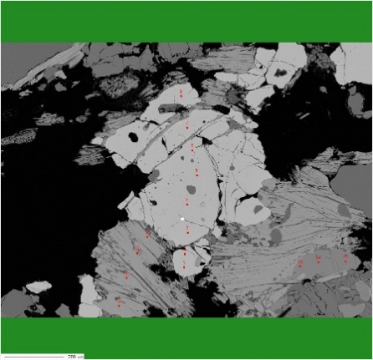
Sample | Petrology | Analysis | CR | Na2O | F | SiO2 | Al2O3 | MgO | BaO | CaO | FeO | Cl | Cr2O3 | P2O5 | TiO2 | K2O | MnO | SrO | Total
100-29B_C1_01_Grt-1 | Gr-pelitic gneiss | 5 | Core | 0.061 | 0 | 38.324 | 21.057 | 4.802 | 0.045 | 1.29 | 31.492 | 0 | 0.065 | 0 | 0.007 | 0 | 2 | 0 | 99.143 | C1
100-29B_C1_01_Grt-2 | Gr-pelitic gneiss | 4 | Core | 0.077 | 0 | 38.012 | 21.285 | 4.757 | 0.025 | 1.29 | 31.263 | 0 | 0.041 | 0 | 0.019 | 0 | 2.12 | 0 | 98.889
 | Gr-pelitic gneiss | C1 | C1 core | 0.069 | 0 | 38.168 | 21.171 | 4.7795 | 0.035 | 1.29 | 31.3775 | 0 | 0.053 | 0 | 0.013 | 0 | 2.06 | 0 | 99.016
100-29B_C1_01_Grt-3 | Gr-pelitic gneiss | 3 | Rim | 0.035 | 0 | 38.003 | 21.198 | 4.198 | 0.051 | 1.299 | 31.958 | 0.003 | 0.051 | 0.087 | 0.015 | 0.004 | 2.497 | 0 | 99.398
100-29B_C1_01_Grt-4 | Gr-pelitic gneiss | 6 | Rim | 0.026 | 0 | 39.031 | 20.987 | 4.195 | 0 | 1.291 | 31.261 | 0.008 | 0.047 | 0 | 0.006 | 0.003 | 2.514 | 0 | 99.367
100-29B_C1_01_Grt-5 | Gr-pelitic gneiss | 2 | Rim | 0.043 | 0 | 38.135 | 21.286 | 4.105 | 0 | 1.399 | 32.232 | 0.015 | 0.056 | 0.016 | 0.004 | 0 | 2.6 | 0 | 99.888
100-29B_C1_01_Grt-6 | Gr-pelitic gneiss | 7 | Rim | 0.063 | 0 | 38.286 | 21.394 | 4.061 | 0.036 | 1.328 | 31.55 | 0.004 | 0.058 | 0 | 0 | 0 | 2.567 | 0 | 99.346
100-29B_C1_01_Grt-7 | Gr-pelitic gneiss | 8 | Rim | 0.06 | 0.069 | 39.094 | 21.21 | 4.014 | 0.055 | 1.205 | 31.202 | 0.01 | 0.06 | 0.069 | 0 | 0 | 2.659 | 0 | 99.676
100-29B_C1_01_Grt-8 | Gr-pelitic gneiss | 1 | Rim | 0.034 | 0 | 37.829 | 21.354 | 3.966 | 0.011 | 1.464 | 32.783 | 0.005 | 0.041 | 0.022 | 0.021 | 0.012 | 2.603 | 0 | 100.144
 | Gr-pelitic gneiss | C1 | C1 rim | 0.0435 | 0.0115 | 38.396333333 | 21.238166667 | 4.0898333333 | 0.0255 | 1.331 | 31.831 | 0.0075 | 0.052166666667 | 0.032333333333 | 0.0076666666667 | 0.0031666666667 | 2.5733333333 | 0 | 99.6365
100-29B_C2_01_Grt-1 | Gr-pelitic gneiss | 31 | Core | 0 | 0.05 | 38.624 | 21.373 | 6.552 | 0 | 1.055 | 30.033 | 0 | 0.034 | 0.052 | 0 | 0 | 1.603 | 0 | 99.355
100-29B_C2_01_Grt-2 | Gr-pelitic gneiss | 30 | Core | 0.014 | 0 | 38.564 | 21.469 | 6.475 | 0.026 | 1.257 | 29.996 | 0.004 | 0.028 | 0.052 | 0.011 | 0 | 1.604 | 0 | 99.499
100-29B_C2_01_Grt-3 | Gr-pelitic gneiss | 29 | Core | 0 | 0.083 | 38.396 | 21.55 | 6.335 | 0 | 1.277 | 29.893 | 0 | 0.028 | 0.013 | 0 | 0 | 1.654 | 0 | 99.194
100-29B_C2_01_Grt-4 | Gr-pelitic gneiss | 32 | Core | 0.004 | 0 | 38.58 | 21.503 | 6.072 | 0.032 | 1.037 | 30.562 | 0 | 0.039 | 0.011 | 0 | 0.006 | 1.612 | 0 | 99.458
 | Gr-pelitic gneiss |  | C2 core | 0.0045 | 0.03325 | 38.541 | 21.47375 | 6.3585 | 0.0145 | 1.1565 | 30.121 | 0.001 | 0.03225 | 0.032 | 0.00275 | 0.0015 | 1.61825 | 0 | 99.3765
100-29B_C2_01_Grt-5 | Gr-pelitic gneiss | 28 | Rim | 0.01 | 0 | 39.51 | 21.428 | 5.158 | 0.037 | 1.259 | 29.944 | 0 | 0.043 | 0.009 | 0.017 | 0 | 1.791 | 0 | 99.206
100-29B_C2_01_Grt-6 | Gr-pelitic gneiss | 33 | Rim | 0.035 | 0 | 39.205 | 21.319 | 4.963 | 0.019 | 1.153 | 30.212 | 0.003 | 0.086 | 0.023 | 0.029 | 0.016 | 2.227 | 0 | 99.289
100-29B_C2_01_Grt-7 | Gr-pelitic gneiss | 27 | Rim | 0.048 | 0.086 | 38.554 | 21.621 | 4.254 | 0.02 | 1.234 | 30.782 | 0.006 | 0.03 | 0 | 0.001 | 0.001 | 2.537 | 0 | 99.137
100-29B_C2_01_Grt-8 | Gr-pelitic gneiss | 34 | Rim | 0.014 | 0.032 | 38.62 | 21.939 | 4.007 | 0 | 1.347 | 30.929 | 0 | 0.038 | 0.04 | 0.005 | 0.001 | 2.522 | 0 | 99.481
 | Gr-pelitic gneiss |  | C2 rim | 0.02675 | 0.0295 | 38.97225 | 21.57675 | 4.5955 | 0.019 | 1.24825 | 30.46675 | 0.00225 | 0.04925 | 0.018 | 0.013 | 0.0045 | 2.26925 | 0 | 99.27825
100-29B_C3_01_Grt-1 | Gr-pelitic gneiss | 44 | Core | 0.047 | 0.085 | 39.25 | 21.736 | 6.802 | 0.046 | 1.316 | 28.581 | 0.008 | 0.067 | 0 | 0 | 0 | 1.628 | 0 | 99.528
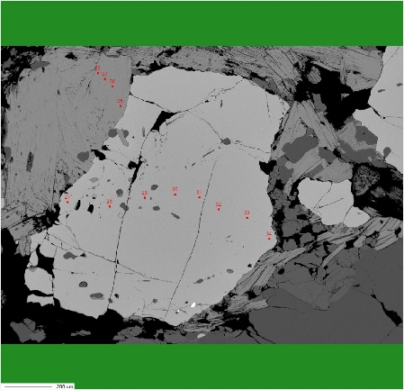
100-29B_C3_01_Grt-2 | Gr-pelitic gneiss | 43 | Core | 0.052 | 0 | 38.765 | 21.424 | 6.39 | 0.031 | 1.469 | 29.405 | 0.012 | 0.082 | 0.014 | 0.015 | 0.018 | 1.535 | 0 | 99.209
100-29B_C3_01_Grt-3 | Gr-pelitic gneiss | 45 | Core | 0.07 | 0 | 39.41 | 21.227 | 5.97 | 0.076 | 1.359 | 29.387 | 0.003 | 0.103 | 0.043 | 0.007 | 0 | 1.748 | 0 | 99.402 | C2
100-29B_C3_01_Grt-4 | Gr-pelitic gneiss | 42 | Core | 0.054 | 0.036 | 39.508 | 21.025 | 5.308 | 0.026 | 1.262 | 29.802 | 0.01 | 0.026 | 0.027 | 0.01 | 0.004 | 1.939 | 0 | 99.02
 | Gr-pelitic gneiss |  | C3 core | 0.05575 | 0.03025 | 39.23325 | 21.353 | 6.1175 | 0.04475 | 1.3515 | 29.29375 | 0.00825 | 0.0695 | 0.021 | 0.008 | 0.0055 | 1.7125 | 0 | 99.28975
100-29B_C3_01_Grt-5 | Gr-pelitic gneiss | 46 | Rim | 0.053 | 0 | 39.664 | 21.25 | 5.645 | 0.003 | 1.412 | 29.231 | 0.004 | 0.08 | 0.024 | 0 | 0.007 | 1.797 | 0 | 99.169
100-29B_C3_01_Grt-6 | Gr-pelitic gneiss | 41 | Rim | 0.039 | 0.027 | 38.328 | 21.195 | 4.943 | 0.037 | 1.381 | 31.209 | 0.002 | 0.006 | 0.017 | 0.017 | 0 | 1.839 | 0 | 99.029
100-29B_C3_01_Grt-7 | Gr-pelitic gneiss | 39 | Rim | 0.061 | 0.058 | 38.564 | 21.096 | 4.415 | 0.032 | 1.349 | 30.952 | 0.004 | 0.055 | 0.011 | 0.016 | 0 | 2.464 | 0 | 99.052
100-29B_C3_01_Grt-8 | Gr-pelitic gneiss | 40 | Rim | 0.047 | 0.026 | 39.19 | 21.192 | 4.353 | 0.008 | 1.395 | 31.026 | 0.021 | 0.053 | 0 | 0.016 | 0.006 | 2.285 | 0 | 99.602
100-29B_C3_01_Grt-9 | Gr-pelitic gneiss | 47 | Rim | 0.002 | 0.033 | 39.331 | 21.074 | 4.321 | 0.023 | 1.268 | 30.498 | 0.003 | 0.065 | 0.029 | 0.023 | 0 | 2.453 | 0 | 99.108
 | Gr-pelitic gneiss |  | C3 rim | 0.0404 | 0.0288 | 39.0154 | 21.1614 | 4.7354 | 0.0206 | 1.361 | 30.5832 | 0.0068 | 0.0518 | 0.0162 | 0.0144 | 0.0026 | 2.1676 | 0 | 99.192
100-29B_C4_01_Grt-1 | Gr-pelitic gneiss | 59 | Core | 0.057 | 0.027 | 39.427 | 21.166 | 5.271 | 0.043 | 1.014 | 30.017 | 0.009 | 0.085 | 0.032 | 0.013 | 0.002 | 1.998 | 0 | 99.148
100-29B_C4_01_Grt-2 | Gr-pelitic gneiss | 57 | Core | 0.02 | 0 | 39.272 | 21.133 | 5.13 | 0.012 | 1.148 | 31.217 | 0 | 0.037 | 0.021 | 0.003 | 0 | 1.888 | 0 | 99.881
100-29B_C4_01_Grt-3 | Gr-pelitic gneiss | 58 | Core | 0.032 | 0.002 | 39.075 | 21.173 | 4.664 | 0.029 | 1.167 | 31.035 | 0.002 | 0.031 | 0.033 | 0.006 | 0.002 | 2.302 | 0 | 99.552
 | Gr-pelitic gneiss |  | C4 core | 0.036333333333 | 0.0096666666667 | 39.258 | 21.157333333 | 5.0216666667 | 0.028 | 1.1096666667 | 30.756333333 | 0.0036666666667 | 0.051 | 0.028666666667 | 0.0073333333333 | 0.0013333333333 | 2.0626666667 | 0 | 99.527
100-29B_C4_01_Grt-4 | Gr-pelitic gneiss | 56 | Rim | 0 | 0 | 39.796 | 21.131 | 5.107 | 0.033 | 1.386 | 30.299 | 0.004 | 0.021 | 0.01 | 0 | 0 | 1.949 | 0 | 99.735
100-29B_C4_01_Grt-5 | Gr-pelitic gneiss | 60 | Rim | 0.087 | 0.04 | 39.474 | 21.296 | 5.002 | 0 | 0.94 | 30.835 | 0.025 | 0.052 | 0.013 | 0.021 | 0.009 | 2.213 | 0 | 99.984
100-29B_C4_01_Grt-6 | Gr-pelitic gneiss | 55 | Rim | 0.06 | 0 | 38.952 | 21.189 | 4.795 | 0.025 | 1.293 | 31.428 | 0.008 | 0.074 | 0.053 | 0 | 0.014 | 2.195 | 0 | 100.084
100-29B_C4_01_Grt-7 | Gr-pelitic gneiss | 61 | Rim | 0.005 | 0.08 | 38.686 | 21.004 | 4.248 | 0.058 | 1.098 | 31.252 | 0.009 | 0.03 | 0.043 | 0.017 | 0 | 2.782 | 0 | 99.276
100-29B_C4_01_Grt-8 | Gr-pelitic gneiss | 54 | Rim | 0.046 | 0.054 | 39.181 | 21.151 | 4.011 | 0.043 | 1.197 | 31.478 | 0.005 | 0.033 | 0.052 | 0.001 | 0.007 | 2.716 | 0 | 99.951
 | Gr-pelitic gneiss |  | C4 rim | 0.0396 | 0.0348 | 39.2178 | 21.1542 | 4.6326 | 0.0318 | 1.1828 | 31.0584 | 0.0102 | 0.042 | 0.0342 | 0.0078 | 0.006 | 2.371 | 0 | 99.806

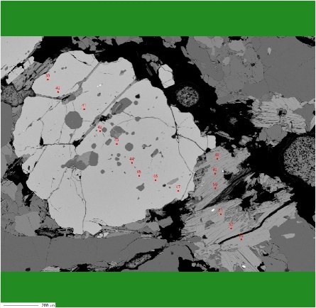
 |  |  |  |  |  |  |  |  |  |  |  |  |  |  |  |  |  |  |  | C3

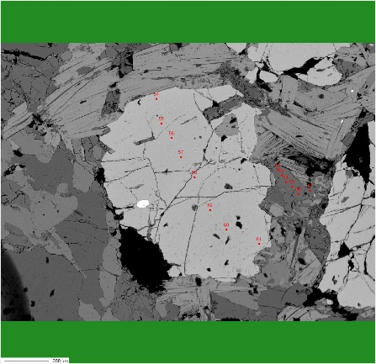
 |  |  |  |  |  |  |  |  |  |  |  |  |  |  |  |  |  |  |  | C4

Ternary diagram Garnet 3M_3N
Sample | Petrology | Symbol | Colour | Na2O | F | SiO2 | Al2O3 | MgO | BaO | CaO | FeO | Cl | Cr2O3 | P2O5 | TiO2 | K2O | MnO | SrO | Total | XFe | XMg | XMn | XCa
100-29B_C1 core | Gr-Pelitic Gneiss | 1 | 1 | 0.069 | 0 | 38.168 | 21.171 | 4.7795 | 0.035 | 1.29 | 31.3775 | 0 | 0.053 | 0 | 0.013 | 0 | 2.06 | 0 | 99.016 | 2.094 | 0.567 | 0.139 | 0.11
100-29B_C2 core | Gr-Pelitic Gneiss | 1 | 1 | 0.0045 | 0.03325 | 38.541 | 21.47375 | 6.3585 | 0.0145 | 1.1565 | 30.121 | 0.001 | 0.03225 | 0.032 | 0.00275 | 0.0015 | 1.61825 | 0 | 99.3765 | 1.982 | 0.746 | 0.108 | 0.097
100-29B_C3 core | Gr-Pelitic Gneiss | 1 | 1 | 0.05575 | 0.03025 | 39.23325 | 21.353 | 6.1175 | 0.04475 | 1.3515 | 29.29375 | 0.00825 | 0.0695 | 0.021 | 0.008 | 0.0055 | 1.7125 | 0 | 99.28975 | 1.969 | 0.713 | 0.113 | 0.113
100-29B_C4 core | Gr-Pelitic Gneiss | 1 | 1 | 0.043083333333 | 0.021166666667 | 38.647416667 | 21.332583333 | 5.7518333333 | 0.031416666667 | 1.266 | 30.264083333 | 0.0030833333333 | 0.051583333333 | 0.017666666667 | 0.0079166666667 | 0.0023333333333 | 1.7969166667 | 0 | 99.227416667 | 1.947 | 0.595 | 0.139 | 0.094
100-29B_C1 rim | Gr-Pelitic Gneiss | 1 | 1 | 0.0435 | 0.0115 | 38.396333333 | 21.238166667 | 4.0898333333 | 0.0255 | 1.331 | 31.831 | 0.0075 | 0.052166666667 | 0.032333333333 | 0.0076666666667 | 0.0031666666667 | 2.5733333333 | 0 | 99.6365 | 2.093 | 0.486 | 0.174 | 0.114
100-29B_C2 rim | Gr-Pelitic Gneiss | 1 | 1 | 0.036708333333 | 0.024041666667 | 38.7045 | 21.349375 | 5.5794166667 | 0.029041666667 | 1.27625 | 30.377458333 | 0.0049583333333 | 0.051375 | 0.02575 | 0.0065833333333 | 0.003125 | 1.92525 | 0 | 99.382541667 | 2.013 | 0.541 | 0.152 | 0.106
100-29B_C3 rim | Gr-Pelitic Gneiss | 1 | 1 | 0.036708333333 | 0.024041666667 | 38.7045 | 21.349375 | 5.5794166667 | 0.029041666667 | 1.27625 | 30.377458333 | 0.0049583333333 | 0.051375 | 0.02575 | 0.0065833333333 | 0.003125 | 1.92525 | 0 | 99.382541667 | 2,0,18 | 0.559 | 0.146 | 0.116
100-29B_C4 rim | Gr-Pelitic Gneiss | 1 | 1 | 0.0396 | 0.0348 | 39.2178 | 21.1542 | 4.6326 | 0.0318 | 1.1828 | 31.0584 | 0.0102 | 0.042 | 0.0342 | 0.0078 | 0.006 | 2.371 | 0 | 99.806 | 2.022 | 0.546 | 0.159 | 0.1

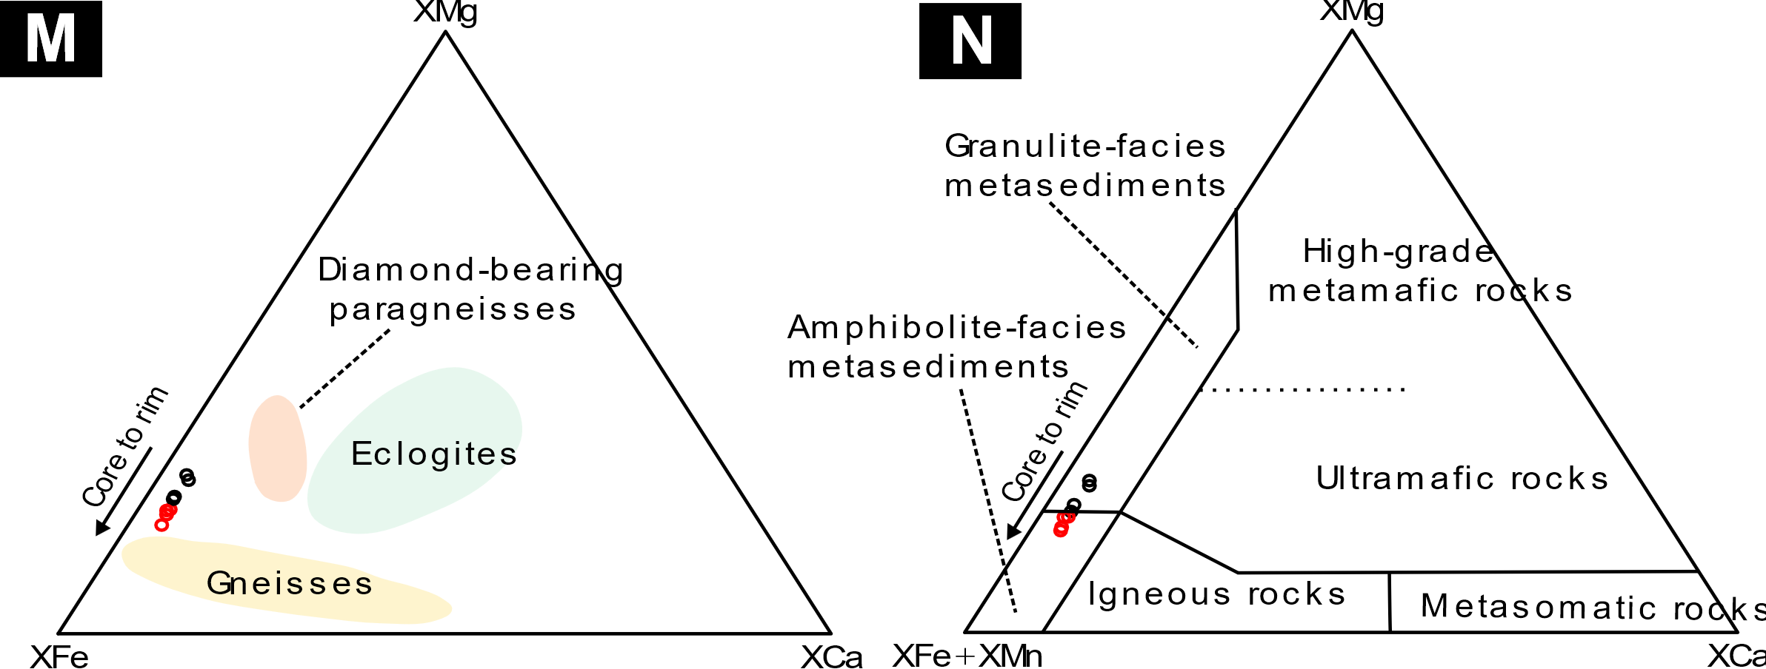

Siegenite 2A
No. | Au | Se | As | Te | Sb | U | Co | Ag | Fe | S | V | P | Cu | Ni | Cd | Bi | Hg | Ti | Zn | Sn | Pd | Mn | Mo | Pt | Total
65 | 0.045 | 0.07 | 0 | 0.107 | 0.012 | 0 | 26.165 | 0 | 8.055 | 42.979 | 0 | 0 | 0.016 | 21.162 | 0 | 0.097 | 0.142 | 0 | 0 | 0.004 | 0.014 | 0.311 | 0 | 0.001 | 99.18 | Siegenite
66 | 0 | 0.013 | 0.015 | 0.07 | 0 | 0 | 26.99 | 0.015 | 8.385 | 42.49 | 0.004 | 0.003 | 0.044 | 21.278 | 0.014 | 0.093 | 0 | 0 | 0 | 0 | 0 | 0.202 | 0 | 0.046 | 99.662 | Siegenite
67 | 0.019 | 0.034 | 0.009 | 0.068 | 0 | 0 | 2.111 | 0 | 4.689 | 10.99 | 0 | 0.004 | 0.137 | 8.094 | 0.004 | 0.044 | 0.029 | 0 | 0.017 | 0 | 0.002 | 0.161 | 0 | 0 | 26.412 | Siegenite+Graphite
68 | 0 | 0 | 0.048 | 0.04 | 0 | 0.003 | 11.466 | 0 | 1.358 | 21.767 | 0.017 | 0.017 | 0.757 | 16.329 | 0.016 | 0.064 | 0 | 0 | 0.028 | 0.029 | 0 | 0.419 | 0 | 0 | 52.358 | Siegenite+Graphite
69 | 0.079 | 0.011 | 0 | 0.072 | 0 | 0.004 | 3.621 | 0 | 8.821 | 20.087 | 0 | 0.007 | 0.064 | 14.957 | 0.002 | 0 | 0.085 | 0.006 | 0.004 | 0 | 0.008 | 0.477 | 0 | 0 | 48.305 | Siegenite+Graphite

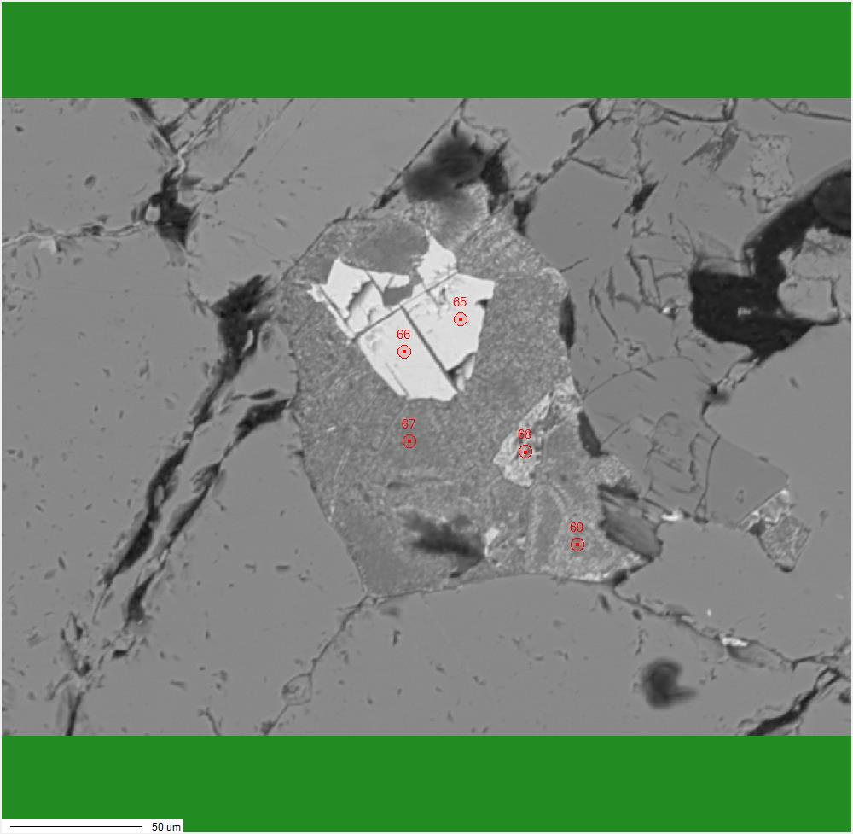

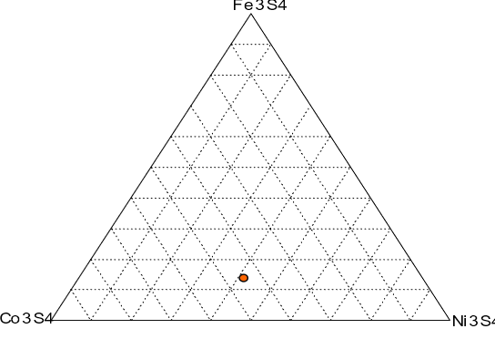

 |  |  |  |  |  |  |  |  |  | XNi | XFe | XCo | SUM | Formula
 |  |  |  |  |  |  |  |  |  | 1.1303065994 | 0.43784732548 | 1.4152802236 | 2.9834341485 | Co(1,41)Ni(1,13)Fe(0,43)S4

Cobaltite 2C
No. | Au | Se | As | Te | Sb | U | Co | Ag | Fe | S | V | P | Cu | Ni | Cd | Bi | Hg | Ti | Zn | Sn | Pd | Mn | Mo | Pt | Total
38 | 0 | 0.156 | 45.707 | 0.046 | 0.036 | 0 | 23.204 | 0 | 1.021 | 19.758 | 0 | 0.001 | 0.014 | 8.203 | 0.005 | 0 | 0.087 | 0.003 | 0.007 | 0 | 0.009 | 1.725 | 0 | 0 | 99.982 | Cobaltite

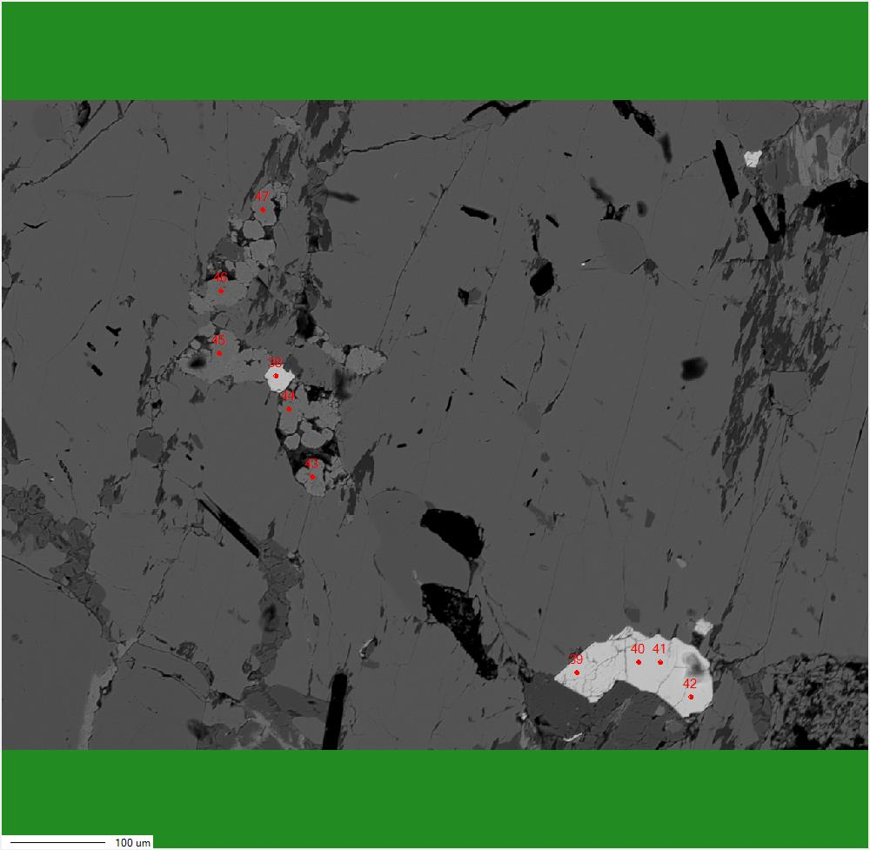
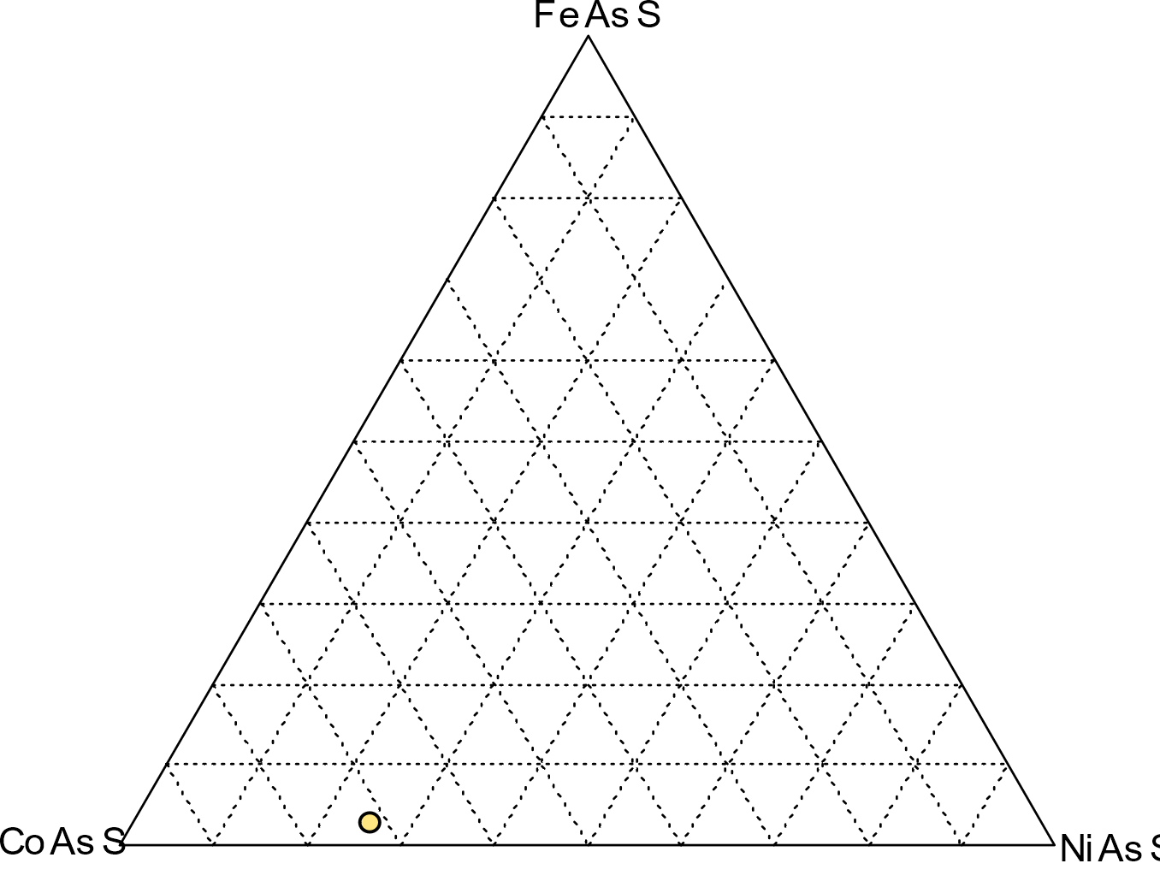

 |  |  |  |  |  |  |  |  |  |  | Ni | Fe | Co | SUM |  | Formula
 |  |  |  |  |  |  |  |  |  |  | 0.25325377758 | 0.03153318377 | 0.71652288291 | 1.0013098443 |  | Co(0,71)Ni(0,25)Fe(0,03)AsS

