SMB_GLOSS_Mixing_calculations
 | Pb |  |  |  |  |  |  |  |  |  | Sr |  |  | Nd
SMB (ppm) | 0.09 |  |  | 0.09 |  |  | 0.09 |  |  | 81 | 81 | 81 | 7.5 | 7.5 | 7.5
GLOSS avg (ppm) | 20 |  |  | 7.36 |  |  | 25.5 |  |  | 327 | 289 | 251 | 27 | 299 | 8
 |  | GLOSS avg |  |  | Low end |  |  | High end |  | GLOSS avg | Low end | High end | GLOSS avg | Low end | High end
 | 206Pb/204Pb | 207Pb/204Pb | 208Pb/204Pb | 206Pb/204Pb | 207Pb/204Pb | 208Pb/204Pb | 206Pb/204Pb | 207Pb/204Pb | 208Pb/204Pb | 87Sr/86Sr | 87Sr/86Sr | 87Sr/86Sr | 143Nd/144Nd | 143Nd/144Nd | 143Nd/144Nd
100% AOC | 18.54 | 15.45 | 37.7 | 18.54 | 15.45 | 37.7 | 18.54 | 15.45 | 37.7 | 0.7028 | 0.7028 | 0.7028 | 0.5131 | 0.5131 | 0.5131
99% | 18.80 | 15.60 | 38.53 | 18.50 | 15.48 | 37.91 | 19.12 | 15.69 | 38.91 | 0.7034 | 0.7029 | 0.7038 | 0.51307 | 0.51288 | 0.51310
98% | 18.85 | 15.63 | 38.68 | 18.49 | 15.49 | 37.99 | 19.20 | 15.72 | 39.10 | 0.7039 | 0.7030 | 0.7047 | 0.51304 | 0.51276 | 0.51309
95% | 18.88 | 15.66 | 38.80 | 18.47 | 15.50 | 38.08 | 19.27 | 15.75 | 39.24 | 0.7053 | 0.7033 | 0.7073 | 0.51295 | 0.51259 | 0.51308
90% | 18.90 | 15.66 | 38.85 | 18.47 | 15.51 | 38.12 | 19.29 | 15.76 | 39.29 | 0.7073 | 0.7037 | 0.7110 | 0.51284 | 0.51248 | 0.51305
0% AOC (100% GLOSS) | 18.913 | 15.673 | 38.899 | 18.459 | 15.515 | 38.166 | 19.318 | 15.769 | 39.339 | 0.7173 | 0.70588 | 0.73493 | 0.51218 | 0.51234 | 0.51267
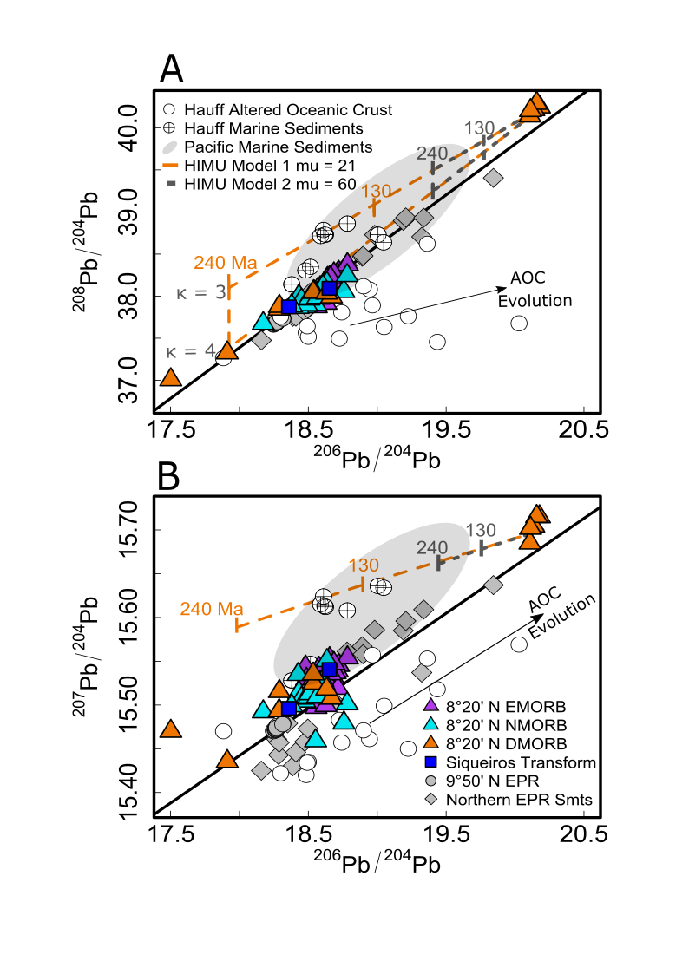

 |  |  |  |  |  |  |  | 1% sediment 99% SMB propagating the full range of average trench isotopes

