Extended Data table. 5
Candidate Proteins for F1P interaction identified from TargetHunter based on chemogenomic database
F1P |  | 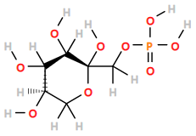 | beta-D-fructopyranose 1-phosphate C1[C@H]([C@H]([C@@H]([C@](O1)(COP(=O)(O)O)O)O)O)O | https://pubchem.ncbi.nlm.nih.gov/compound/9547924
No. | Score | Compound | Taget | Bioactivity Type | Value
1 | 0.99 | 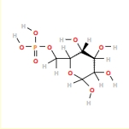 CHEMBL1159525 | Acrosin Search QuartataWeb Find Assays Nearby | Inhibition | 0.1
2 | 0.99 | 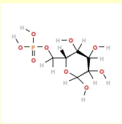 CHEMBL402001 | Insulin-like growth factor II receptor Search QuartataWeb Find Assays Nearby | IC50 | =11.5uM
3 | 0.99 |  | Cation-dependent mannose-6-phosphate receptor Search QuartataWeb Find Assays Nearby | IC50 | =2.310'-5M
4 | 0.99 | 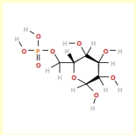 CHEMBL257975 | Insulin-like growth factor II receptor Search QuartataWeb Find Assays Nearby | IC50 | >10.uM
5 | 0.99 |  | Solute carrier organic anion transporter family member 2A1 Search QuartataWeb Find Assays Nearby | Ki | =31000.uM
6 | 0.97 | 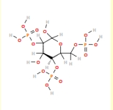 CHEMBL606030 | Unchecked | IC50 | >50.uM
7 | 0.93 | 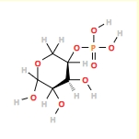 CHEMBL43797 | Unchecked | Ki | =27.7uM
8 | 0.93 | 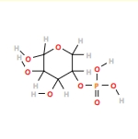 CHEMBL75583 | Mannose-6-phosphate isomerase Search QuartataWeb Find Assays Nearby | IC50 | =100.uM
9 | 0.92 | 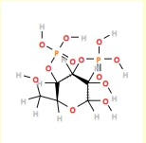 CHEMBL2030678 | Inositol 1,4,5-trisphosphate receptor type 1 Search QuartataWeb Find Assays Nearby | EC50 | =25190.nM
10 | 0.9 | 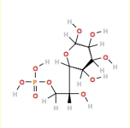 CHEMBL481560 | Unchecked | Km | =0.6uM
11 | 0.9 | 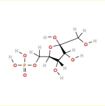 CHEMBL604196 | ADMET | Binding energy | =5.7kCal mol-1
12 | 0.9 | CHEMBL97893 | ADMET | Binding energy | =10.2kCal mol-1
13 | 0.9 | 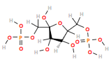 CHEMBL1089962 | Pyruvate kinase isozymes M1/M2 Search QuartataWeb Find Assays Nearby | Km | =0.1mM
14 | 0.84 | 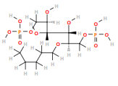 CHEMBL2017787 | Fructose-bisphosphate aldoloase, glycosomal Search QuartataWeb Find Assays Nearby | IC50 | =51.uM
15 | 0.82 | 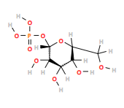 CHEMBL67622 | Human immunodeficiency virus type 1 integrase Search QuartataWeb Find Assays Nearby | Inhibition | <50.%
16 | 0.82 | 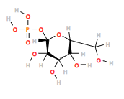 CHEMBL291890 | Cytochrome P450 2C9 Search QuartataWeb Find Assays Nearby | AC50 | inactive
reference: Wang L, Ma C, Wipf P, Liu H, Su W, Xie XQ. TargetHunter: an in silico target identification tool for predicting therapeutic potential of small organic molecules based on chemogenomic database. AAPS J. 2013 Apr;15(2):395-406. doi: 10.1208/s12248-012-9449-z. Epub 2013 Jan 5. PMID: 23292636; PMCID: PMC3675739.

