COL25A1 SNPs
Jan :We need to make a proper table out of this but below are the SNPs I found. Would then also be great to have all your SNPs in of longevity vs diseases and then update your schematic of COL25A1 with all SNP.

Human Orthologue | Protein Name | SNP/Genes associated with Human Longevity | Reference (PMID)
COL25A1 | Collagen, type XXV, alpha 1 | chr4:109745309 A>C (p.H622Q) | 27114037
 |  | chr4:109766364 G>A (p.P520L) | 21782286
 |  | chr4:109782121 G>A | 28329165
 |  | (pR402C)
 |  | chr4:109783680 T>C
 |  | (p.T392A)
 |  | chr4:109858999 C>A
 |  | (p.G225C)
 |  | chr4:109862574 T>C
 |  | (p.N171S)
 |  | chr4:110221759 G>A
 |  | (p.S116L)
 |  | chr4:110222997 T>C
 |  | (p.Q60R)
 |  | chr4:110223033 G>A
 |  | (p. S48F)
 |  | rs3128591 | Intron
 |  | rs28391193 | no Col25 connection

COL25A1 SNP associated with diseases

Analysis of Alzheimer’s disease SNPs

Rs2075650 has consistently been associated with an increased risk of Alzheimer’s disease in several independent GWAS studies (Harold et al., 2009; Lambert et al., 2009; Seshadri et al., 2010). Therefore, we studied the effect of SNPs present in the AlzGene database [http://www.alzgene.org/, (Bertram et al., 2007)], on survival into old age in the LLS GWAS. Apart from rs2075650, none of the 751 measured Alzheimer’s disease SNPs showed a significant association after adjustment for multiple testing (Table S4).
Table S4 from https://doi.org/10.1111/j.1474-9726.2011.00705.x |  |  |  |  |  |  |  | Does this mean it is NOT significant for Alzheimer or into old age? (Howeverm from the Alzgene website we could get the Alzheimer COL25SNP
Table S4 Association of Leiden Longevity Study (LLS) GWAS SNPs selected from the AlzGene database [http://www.alzgene.org/, (Bertram et al. 2007)] with survival into old age.
SNP | Chra | Positionb | MAF (LLS GWAS cases)c | MAF (RS GWAS controls)d | Minor Allele (RS GWAS controls)e | ORf | 95% CIg | Ptrendh | Gene Downstream | Distance (Bp) | Gene Upstream | Distance (Bp)
rs1364842 | 4 | 110,076,525 | 0.197 | 0.210 | A | 0.92 | 0.76 - 1.12 | 0.422 | COL25A1 | 0 |  |  | Intron
rs17531474 | 4 | 110,082,819 | 0.123 | 0.137 | A | 0.89 | 0.71 - 1.12 | 0.312 | COL25A1 | 0

aChr; Chromosome position according to NCBI Build 36. bPosition; Position according to dbSNP Build 129. cMAF (LLS GWAS cases); Minor allele frequency in the LLS GWAS cases. dMAF (RS GWAS controls); Minor allele frequency in the RS GWAS controls. eMinor Allele (RS GWAS controls); Allele with the lowest frequency in the RS GWAS controls. fOR; Odds Ratio. OR’s above 1 indicate the increased probability to become long-lived based on the minor allele being overrepresented in the LLS GWAS cases as compared to the RS GWAS controls. OR’s below 1 indicate the opposite. g95% CI; 95% Confidence Intervals. hPtrend; P-value obtained from the Cochran-Armitage trend test.

Srs13134663, in the collagen XXV alpha 1 gene (COL25A1) was significantly associated with ASPD in both African |  |  |  |  | Intron

From the Broadinstitute
COL25A1 | gnomAD v4.1.0 | gnomAD (broadinstitute.org)
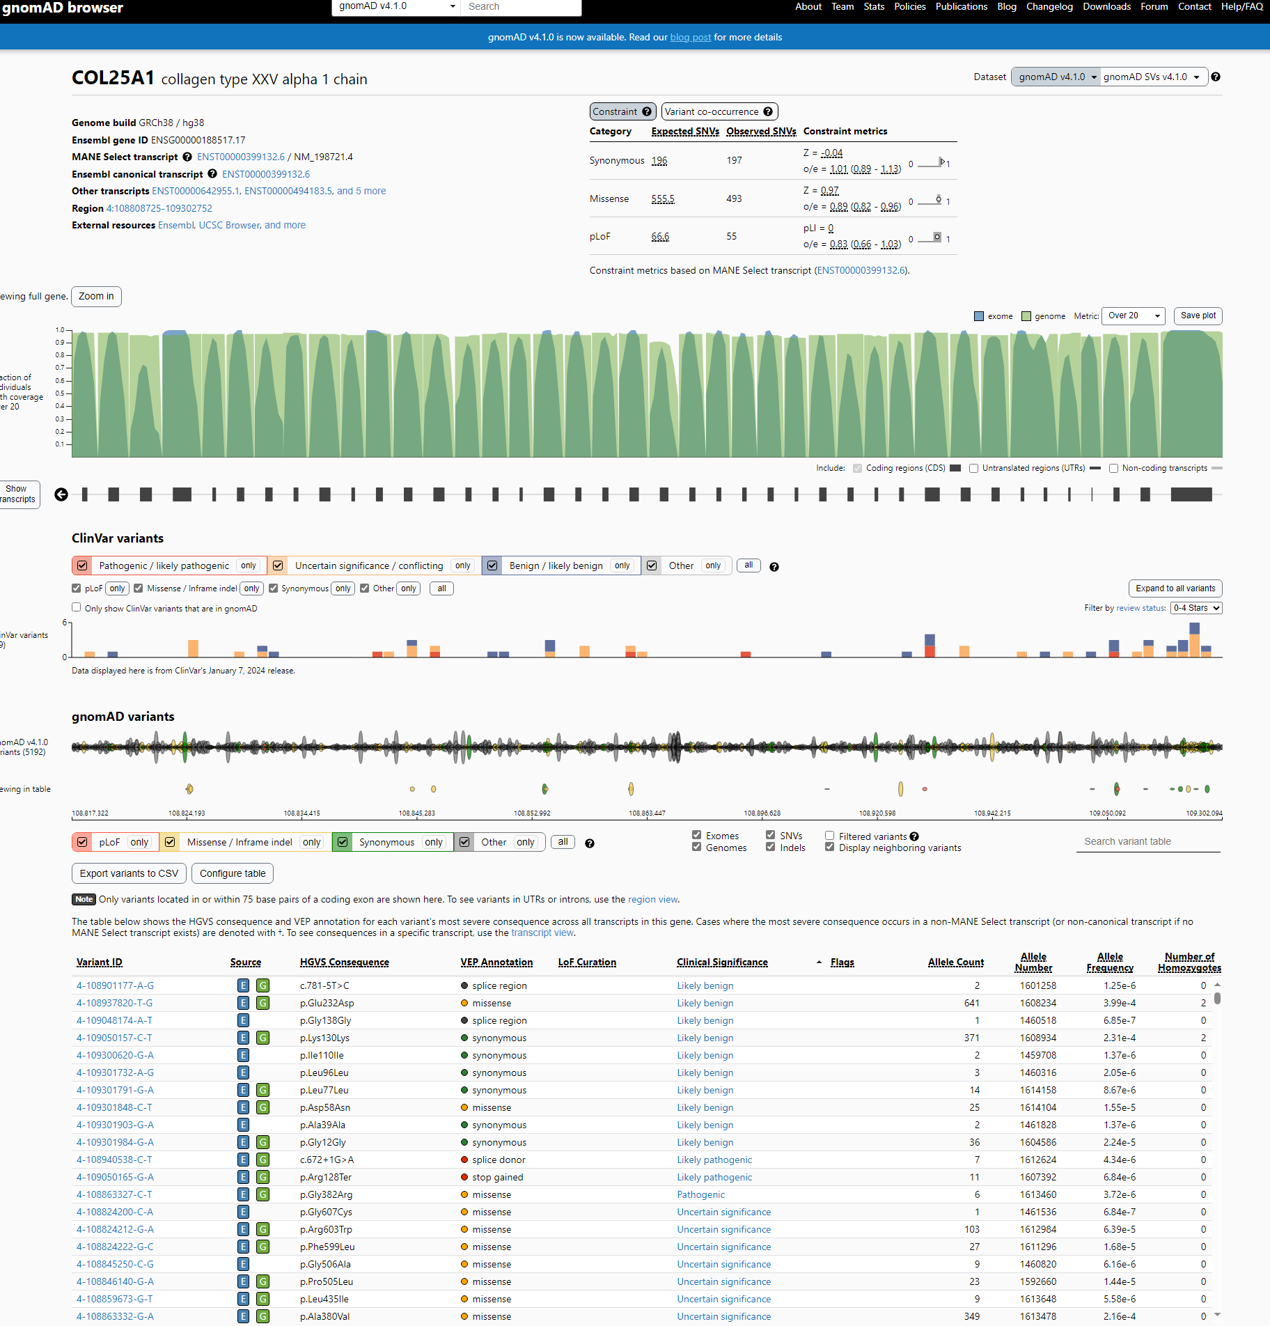

There is only on pathogenic missense mutation. (G382R) which we have in our figure

COL25A1 | gnomAD v4.1.0 | gnomAD (broadinstitute.org)

Pathogenic
VCV000180690.1 - ClinVar - NCBI (nih.gov)
Submissions - Germline
Classification Help | Review status Help | Condition Help | Submitter Help | More information Help
(Last evaluated) | (Assertion criteria)
Pathogenic |  | FIBROSIS OF EXTRAOCULAR MUSCLES, CONGENITAL, 5 | OMIM | Publications:
(Jan 08, 2015) | Method: literature only | Affected status: not provided | Accession: SCV000207602.1 | PubMed (1
 |  | Allele origin: germline | First in ClinVar: Feb 15, 2015
 |  |  | Last updated: Feb 15, 2015
haben wir R128N
From <https://www.ncbi.nlm.nih.gov/clinvar/variation/180690/>
G382R
Likely pahtogenic

Conditions - Germline
Condition Help | Classification Help | Review status Help | Last evaluated Help | Variation/condition record Help
 | (# of submissions)
Fibrosis of extraocular muscles, congenital, 5 | Likely pathogenic (1) |  | Jul 30, 2019 | RCV001780813.4
Uninteressant da R128Ter, das heißt quasi knockout. Kein "tradiotioneller SNP"
From <https://www.ncbi.nlm.nih.gov/clinvar/variation/1324108/>

Conditions - Germline
Condition Help | Classification Help | Review status Help | Last evaluated Help | Variation/condition record Help
 | (# of submissions)
Fibrosis of extraocular muscles, congenital, 5 | Likely pathogenic (1) |  | Feb 2, 2022 | RCV002272850.2

From <https://www.ncbi.nlm.nih.gov/clinvar/variation/1698993/>
Addition of 1 base - hard to interpret

these once are from Cyril arastu paper
pre_processed_disease_term | gene | hgsv | ref | source | processed_disease_term | OMIM | all_cui
FIBROSIS OF EXTRAOCULAR MUSCLES, CONGENITAL, 5 | COL25A1 | p.gly382arg |  | ClinVar/OMIM | FIBROSIS OF EXTRAOCULAR MUSCLES, CONGENITAL, 5 | 0 | C1302995
FIBROSIS OF EXTRAOCULAR MUSCLES, CONGENITAL, 5 | COL25A1 | p.gly497ter |  | ClinVar/OMIM | FIBROSIS OF EXTRAOCULAR MUSCLES, CONGENITAL, 5 | 0 | C1302995
Autism spectrum disorder | COL25A1 | p.glu351aspfs | Iossifov (2014) Nature 515, 216O'Roak (2012) Nature 485: 246 [Additional report] | HGMD | Autism spectrum disorder | 0 | C1845243;C0524528
Cranial dysinnervation disorder | COL25A1 | p.gly382arg | Shinwari (2015) Am J Hum Genet 96, 147Khan (2015) J AAPOS 19: 463 [Additional case report] | HGMD | Cranial dysinnervation disorder | 0 | 0
Cranial dysinnervation disorder | COL25A1 | p.gly497* | Shinwari (2015) Am J Hum Genet 96, 147Khan (2015) J AAPOS 19: 463 [Additional case report] | HGMD | Cranial dysinnervation disorder | 0 | 0
Fibrosis of extraocular muscles, congenital, 5 (CFEOM5) [MIM:616219] | COL25A1 | p.gly382arg |  | UniProt | Fibrosis of extraocular muscles, congenital, 5 | 616219 | C4015552

Addition from E-mail
y chance, I stumbled over a new a new SNP (rs17596705) located in COL25A1 in a Italian cohort.DOI: 10.18632/aging.101515... please add this and other snps to the schematic.
This is a Pro->Pro SNP -

