Fig 1a
 | Fig 1a
 | PCR | 20180628
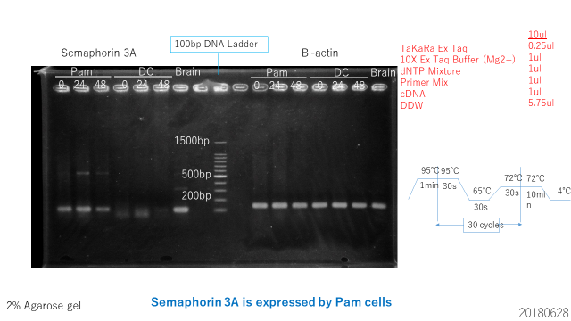

 | qRT-PCR | 20180629

 | QTY
 | times | Ni time | Sema3a | beta-acin | ratio | relative to beta-actin
 | 1st | 0 | 3.99694 | 269.324 | 0.014840638042 | 1
 |  | 24 | 3.63359 | 213.482 | 0.0170205919 | 1.1468908447
 |  | 48 | 3.9996 | 253.89 | 0.015753278979 | 1.0614960714
 | 2nd | 0 | 3.1007 | 247.71 | 0.012517459933 | 1
 |  | 24 | 13.5534 | 693.679 | 0.019538432041 | 1.5608943145
 |  | 48 | 3.36491 | 190.974 | 0.01761972834 | 1.4076121221
 | 3rd | 0 | 4.09957 | 312.745 | 0.013108347056 | 1
 |  | 24 | 4.24369 | 202.538 | 0.020952561988 | 1.5984137358
 |  | 48 | 7.55025 | 224.847 | 0.033579500727 | 2.56168841

 | group | 1st | 2nd | 3rd | MEAN | SD
 | 0 | 1 | 1 | 1 | 1 | 0
 | 24 | 1.1468908447 | 1.5608943145 | 1.5984137358 | 1.4353996317 | 0.2505592083
 | 48 | 1.0614960714 | 1.4076121221 | 2.56168841 | 1.6769322012 | 0.78552163681

 | Statistics
 |  |  |  |  |  | 95% Confidence Interval
 | group(I) | group(J) | Mean difference(I-J) | Std. Error | Sig. | Lower Bound | Upper Bound
LSD

 | * The mean difference is significant at the 0.05 level

Fig 1c
WB |  |  |  |  |  | Statistics

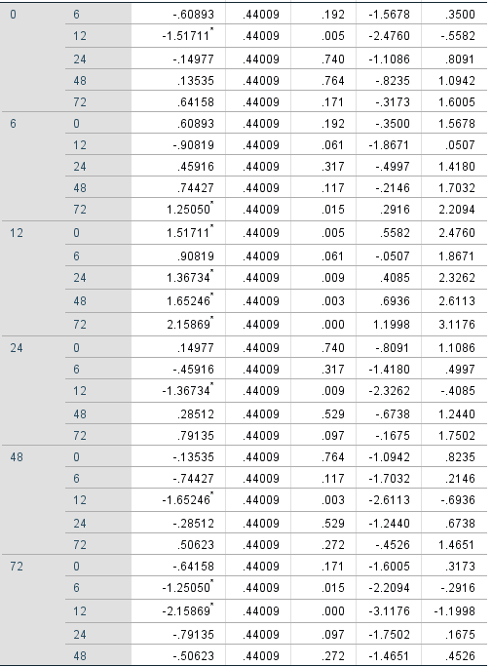
group | 20190913 | 20191011 | 20191031 | MEAN | SD |  |  |  |  |  |  | 95% Confidence Interval
0 | 1 | 1 | 1 | 1 | 0 |  | group(I) | group(J) | Mean difference(I-J) | Std. Error | Sig. | Lower Bound | Upper Bound
6 | 1.3240177837 | 2.4412121354 | 1.0615462949 | 1.6089254047 | 0.73263136855 | LSD
12 | 2.0507994647 | 3.5222167106 | 1.9783190298 | 2.517111735 | 0.87120052933
24 | 1.8023450228 | 0.92919453921 | 0.71777151731 | 1.1497703598 | 0.57494799038
48 | 1.1496493004 | 0.54463929665 | 0.89967061049 | 0.86465306917 | 0.30402129416
72 | 0.51398553677 | 0.35969517095 | 0.20158633498 | 0.35842234757 | 0.15620349029

0 6 12 24 48 72
20190913
Sema3A
GAPDH

0 6 12 24 48 72
20191011
Sema3A
GAPDH
0 6 12 24 48 72
20191031
Sema3A
GAPDH

 |  |  |  |  |  |  | * The mean difference is significant at the 0.05 level

Fig 2a
qRT-PCR |  |  |  |  |  | Statistics

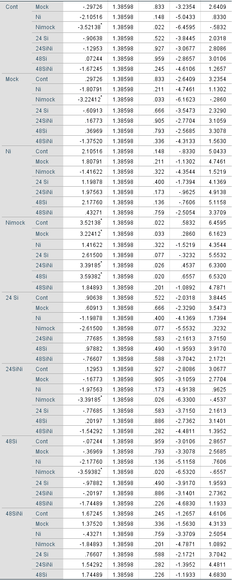
group | 20200720 | 20200721 | 20200430 | MEAN | SD |  |  |  |  |  |  | 95% Confidence Interval
Cont. | 1 | 1 | 1 | 1 | 0 |  | group(I) | group(J) | Mean difference(I-J) | Std. Error | Sig. | Lower Bound | Upper Bound
Mock | 0.62222826197 | 1.684242646 | 1.5853023803 | 1.2972577627 | 0.58668212366 | LSD
Ni | 6.171354357 | 1.065634373 | 2.0785032731 | 3.105164001 | 2.7032606841
Nimock | 1.4077586348 | 4.4416631965 | 7.7147262704 | 4.5213827006 | 3.1542394628
24 si | 2.82921144 | 2.0097276408 | 0.88021316536 | 1.9063840821 | 0.97860026925
24 Nisi | 1.4132336439 | 0 | 1.9753552105 | 1.1295296181 | 1.0177784791
48 si | 0.52507666966 | 1.4926749154 | 0.76494127846 | 0.92756428783 | 0.50388120987
48 Nisi | 0.91840347123 | 2.60322498 | 4.4957316135 | 2.6724533549 | 1.7896685685

MEAN | Control | Ni | SD | Control | Ni
Cont. | 1 | 3.105164001 | Cont. | 0 | 2.7032606841
Mock | 1.2972577627 | 4.5213827006 | Mock | 0.58668212366 | 3.1542394628
24h si | 1.9063840821 | 1.1295296181 | 24h si | 0.97860026925 | 1.0177784791
48h si | 0.92756428783 | 2.6724533549 | 48h si | 0.50388120987 | 1.7896685685

 |  |  |  |  |  |  | * The mean difference is significant at the 0.05 level

Fig 2c
WB |  |  |  |  |  | Statistics

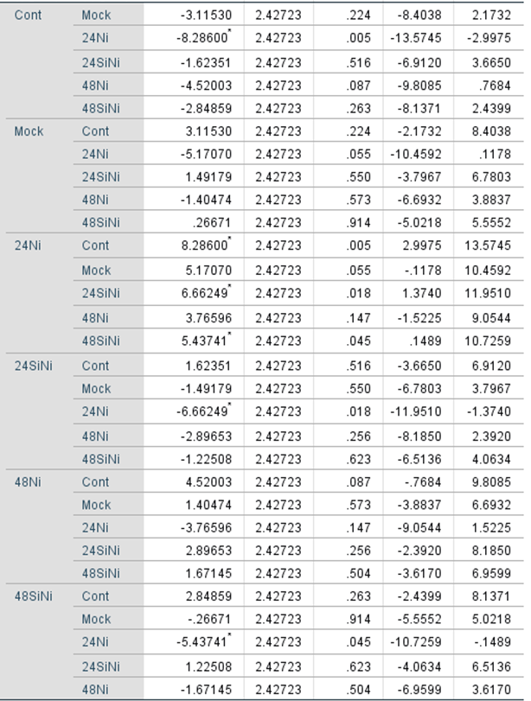
group | 20190919 | 20191107 | 20200515 | MEAN | SD |  |  |  |  |  |  | 95% Confidence Interval
Cont. | 1 | 1 | 1 | 1 | 0 |  | group(I) | group(J) | Mean difference(I-J) | Std. Error | Sig. | Lower Bound | Upper Bound
Mock | 5.3478827276 | 2.3388697269 | 4.6591465426 | 4.1152996657 | 1.5765046396 | LSD
24Ni | 13.656104858 | 5.4758506337 | 8.7260395283 | 9.2859983401 | 4.1187747205
24siNi | 4.8561840637 | 1.792959151 | 1.2213862859 | 2.6235098336 | 1.9545586582
48Ni | 6.9911387287 | 1.1203304484 | 8.4486356693 | 5.5200349488 | 3.8793200565
48siNi | 3.5024355237 | 0.1988390777 | 7.8444883877 | 3.848587663 | 3.834560512

24siNi
24Ni
48siNi
Mock
48Ni
Cont
20190919
p-p38
p38

Mock
Cont
24Ni
24siNi
48siNi
48Ni
20191107
p-p38
p38

Mock
Cont
24Ni
24siNi
48siNi
48Ni
20190515
p-p38
p38

 |  |  |  |  |  |  | * The mean difference is significant at the 0.05 level

Fig 3e
Ear thickness | 20180301

 | LEFT(24h) |  |  |  |  | RIGHT(24h) |  |  |  |  | RIGHT(48h) |  |  |  |  | RIGHT(72h)
 | number | data |  |  | MEAN | number | data |  |  | MEAN | number | data |  |  | MEAN | number | data |  |  | MEAN
saline | 1 | 0.28 | 0.3 | 0.3 | 0.29333333333 | 1 | 0.21 | 0.23 | 0.23 | 0.22333333333 | 1 | 0.27 | 0.21 | 0.24 | 0.24 | 1 | 0.24 | 0.23 | 0.19 | 0.22
 | 2 | 0.2 | 0.23 | 0.22 | 0.21666666667 | 2 | 0.21 | 0.32 | 0.34 | 0.29 | 2 | 0.24 | 0.23 | 0.23 | 0.23333333333 | 2 | 0.25 | 0.19 | 0.6 | 0.34666666667
 | 3 | 0.22 | 0.24 | 0.22 | 0.22666666667 | 3 | 0.26 | 0.26 | 0.23 | 0.25 | 3 | 0.26 | 0.24 | 0.21 | 0.23666666667 | 3 | 0.26 | 0.23 | 0.25 | 0.24666666667
 | 4 | 0.23 | 0.21 | 0.18 | 0.20666666667 | 4 | 0.27 | 0.24 | 0.25 | 0.25333333333 | 4 | 0.24 | 0.24 | 0.23 | 0.23666666667 | 4 | 0.23 | 0.25 | 0.25 | 0.24333333333
 | 5 | 0.23 | 0.24 | 0.2 | 0.22333333333 | 5 | 0.29 | 0.3 | 0.27 | 0.28666666667 | 5 | 0.23 | 0.27 | 0.22 | 0.24 | 5 | 0.22 | 0.21 | 0.22 | 0.21666666667
 | MEAN |  |  |  | 0.23333333333 | MEAN |  |  |  | 0.26066666667 | MEAN |  |  |  | 0.23733333333 | MEAN |  |  |  | 0.25466666667
 | SD |  |  |  | 0.034399612401 | SD |  |  |  | 0.027828841953 | SD |  |  |  | 0.0027888667551 | SD |  |  |  | 0.053155955034
Ni | 1 | 0.21 | 0.22 | 0.2 | 0.21 | 1 | 0.28 | 0.27 | 0.32 | 0.29 | 1 | 0.38 | 0.53 | 0.4 | 0.43666666667 | 1 | 0.49 | 0.43 | 0.41 | 0.44333333333
 | 2 | 0.2 | 0.2 | 0.21 | 0.20333333333 | 2 | 0.26 | 0.25 | 0.26 | 0.25666666667 | 2 | 0.49 | 0.48 | 0.48 | 0.48333333333 | 2 | 0.38 | 0.43 | 0.47 | 0.42666666667
 | 3 | 0.21 | 0.23 | 0.19 | 0.21 | 3 | 0.27 | 0.25 | 0.25 | 0.25666666667 | 3 | 0.42 | 0.54 | 0.52 | 0.49333333333 | 3 | 0.51 | 0.49 | 0.4 | 0.46666666667
 | 4 | 0.16 | 0.19 | 0.18 | 0.17666666667 | 4 | 0.31 | 0.28 | 0.3 | 0.29666666667 | 4 | 0.46 | 0.47 | 0.44 | 0.45666666667 | 4 | 0.41 | 0.39 | 0.38 | 0.39333333333
 | 5 | 0.18 | 0.2 | 0.2 | 0.19333333333 | 5 | 0.24 | 0.29 | 0.26 | 0.26333333333 | 5 | 0.48 | 0.49 | 0.44 | 0.47 | 5 | 0.47 | 0.43 | 0.46 | 0.45333333333
 | MEAN |  |  |  | 0.19866666667 | MEAN |  |  |  | 0.27266666667 | MEAN |  |  |  | 0.468 | MEAN |  |  |  | 0.43666666667
 | SD |  |  |  | 0.01406334874 | SD |  |  |  | 0.019206480388 | SD |  |  |  | 0.022310934041 | SD |  |  |  | 0.028284271247

 |  | Control | Ni 24h | Ni 48h | Ni 72h
 | MEAN | 0.19866666667 | 0.27266666667 | 0.468 | 0.43666666667
 | SD | 0.01406334874 | 0.019206480388 | 0.022310934041 | 0.028284271247

Statistics
 |  |  |  |  |  | 95% Confidence Interval
 | group(I) | group(J) | Mean difference(I-J) | Std. Error | Sig. | Lower Bound | Upper Bound
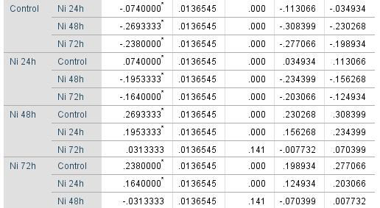 Tukey HSD

 | * The mean difference is significant at the 0.05 level

 | See Fig 5b for another two repeated experiments

Fig 3f
WB | 20200318 |  |  |  |  | Statistics

 |  |  | Ni/Cont ratio | MEAN | SD |  | Levene's Test for Euality of Variances |  | t-tst for Equality of Means
Cont. | Cont1 | 0.016314997783 | 1 | 1 | 0 |  |  |  |  |  |  |  |  | 95% Confidence Interval of the Difference
 | Cont2 | 0.008213909509 | 1 |  |  |  | F | Sig. | t | df | sig.(2-tailed) | Mean Difference | Std. Error difference | Lower | Upper
 | Cont3 | 0.025768528511 | 1 |  |  | Equal variances assumed | 11.26 | 0.028411148591 | 22.156570795 | 4 | 2.4562140075E-05 | 0.92447316967 | 0.041724560097 | 0.80862721902 | 1.0403191203
Allergy | Allergy1 | 0.14947928197 | 9.1620779824 | 7.146583905 | 4.13390646 | Equal variances not assumed |  |  | 22.156570795 | 2 | 0.0020308150962 | 0.92447316967 | 0.041724560097 | 0.74494687727 | 1.1039994621
 | Allergy2 | 0.081204121907 | 9.8861719646
 | Allergy3 | 0.061625481497 | 2.3915017681

Cont1 Cont2 Cont3 Allergy1 Allergy2 Allergy3

Sema3A

GAPDH

Fig 5b
Ear thickness | 20210120
 |  |  |  |  |  |  |  |  |  |  |  |  |  |  |  |  |  |  |  | right/left ratio
 | number | left24 |  |  | MEAN | left48 |  |  | MEAN | right24 |  |  | MEAN | right48 |  |  | MEAN |  |  | 0h | 24h | 48h
Sema3Afl/fl (flox) | 1 | 0.27 | 0.26 | 0.27 | 0.26666666667 | 0.27 | 0.26 | 0.25 | 0.26 | 0.38 | 0.4 | 0.43 | 0.40333333333 | 0.4 | 0.4 | 0.41 | 0.40333333333 | Sema3Afl/fl (flox) | 1 | 1 | 1.5316455696 | 1.5316455696
 | 2 | 0.28 | 0.27 | 0.28 | 0.27666666667 | 0.29 | 0.28 | 0.28 | 0.28333333333 | 0.37 | 0.4 | 0.39 | 0.38666666667 | 0.44 | 0.42 | 0.41 | 0.42333333333 |  | 2 | 1 | 1.380952381 | 1.5119047619
 | 3 | 0.27 | 0.29 | 0.28 | 0.28 | 0.27 | 0.26 | 0.26 | 0.26333333333 | 0.42 | 0.37 | 0.4 | 0.39666666667 | 0.42 | 0.38 | 0.43 | 0.41 |  | 3 | 1 | 1.4601226994 | 1.509202454
 |  | MEAN |  |  | 0.27444444444 | MEAN |  |  | 0.26888888889 | MEAN |  |  | 0.39555555556 | MEAN |  |  | 0.41222222222 |  | MEAN | 1 | 1.45757355 | 1.5175842618
 |  | SD |  |  | 0.0069388866649 | SD |  |  | 0.012619796324 | SD |  |  | 0.0083887049281 | SD |  |  | 0.010183501544 |  | SD | 0 | 0.075378928751 | 0.012252179375
 |  |  |  |  |  |  |  |  |  |  |  |  |  |  |  |  |  |  |  | right/left ratio
 | number | left24 |  |  | MEAN | left48 |  |  | MEAN | right24 |  |  | MEAN | right48 |  |  | MEAN |  |  | 0h | 24h | 48h
Sema3A cKO (KO) | 1 | 0.27 | 0.28 | 0.26 | 0.27 | 0.26 | 0.26 | 0.27 | 0.26333333333 | 0.33 | 0.35 | 0.32 | 0.33333333333 | 0.33 | 0.32 | 0.34 | 0.33 | Sema3A cKO (KO) | 1 | 1 | 1.25 | 1.2375
 | 2 | 0.25 | 0.26 | 0.25 | 0.25333333333 | 0.28 | 0.27 | 0.26 | 0.27 | 0.35 | 0.32 | 0.31 | 0.32666666667 | 0.32 | 0.31 | 0.33 | 0.32 |  | 2 | 1 | 1.2484076433 | 1.2229299363
 | 3 | 0.27 | 0.26 | 0.26 | 0.26333333333 | 0.26 | 0.26 | 0.25 | 0.25666666667 | 0.33 | 0.34 | 0.34 | 0.33666666667 | 0.32 | 0.31 | 0.31 | 0.31333333333 |  | 3 | 1 | 1.2948717949 | 1.2051282051
 |  | MEAN |  |  | 0.26222222222 | MEAN |  |  | 0.26333333333 | MEAN |  |  | 0.33222222222 | MEAN |  |  | 0.32111111111 |  | MEAN | 1 | 1.2644264794 | 1.2218527138
 |  | SD |  |  | 0.0083887049281 | SD |  |  | 0.0066666666667 | SD |  |  | 0.0050917507722 | SD |  |  | 0.0083887049281 |  | SD | 0 | 0.026378434863 | 0.016212759852
 |  |  |  |  |  |  |  |  |  |  |  |  |  |  |  |  |  |  |  | right/left ratio
 | number | left24 |  |  | average | left48 |  |  | average | right24 |  |  | average | right48 |  |  | average |  |  | 0h | 24h | 48h
C57BL/6J (B6) | 1 | 0.21 | 0.23 | 0.22 | 0.22 | 0.23 | 0.24 | 0.22 | 0.23 | 0.35 | 0.36 | 0.36 | 0.35666666667 | 0.41 | 0.4 | 0.43 | 0.41333333333 | C57BL/6J (B6) | 1 | 1 | 1.5851851852 | 1.837037037
 | 2 | 0.22 | 0.24 | 0.24 | 0.23333333333 | 0.24 | 0.22 | 0.23 | 0.23 | 0.37 | 0.35 | 0.34 | 0.35333333333 | 0.43 | 0.41 | 0.37 | 0.40333333333 |  | 2 | 1 | 1.5251798561 | 1.7410071942
 | 3 | 0.21 | 0.21 | 0.2 | 0.20666666667 | 0.24 | 0.25 | 0.23 | 0.24 | 0.39 | 0.37 | 0.39 | 0.38333333333 | 0.39 | 0.37 | 0.35 | 0.37 |  | 3 | 1 | 1.7164179104 | 1.6567164179
 |  | avg |  |  | 0.22 | avg |  |  | 0.23333333333 | avg |  |  | 0.36444444444 | avg |  |  | 0.39555555556 |  | MEAN | 1 | 1.6089276506 | 1.7449202164
 |  | std |  |  | 0.013333333333 | std |  |  | 0.0057735026919 | std |  |  | 0.016442942874 | std |  |  | 0.022689530952 |  | SD | 0 | 0.097804789523 | 0.090223972576

Statistics

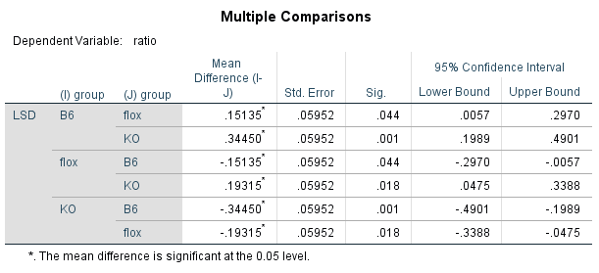
24h

48h

Sema3Afl/fl |  |  |  |  |  |  | 95% Confidence Interval
 |  | group(I) | group(J) | Mean difference(I-J) | Std. Error | Sig. | Lower Bound | Upper Bound
 | LSD | 0h | 24h | -.45757* | 0.03600 | 0.000 | -0.5457 | -0.3695
 |  |  | 48h | -.51758* | 0.03600 | 0.000 | -0.6057 | -0.4295
 |  | 24h | 0h | .45757* | 0.03600 | 0.000 | 0.3695 | 0.5457
 |  |  | 48h | -0.06001 | 0.03600 | 0.147 | -0.1481 | 0.0281
 |  | 48h | 0h | .51758* | 0.03600 | 0.000 | 0.4295 | 0.6057
 |  |  | 24h | 0.06001 | 0.03600 | 0.147 | -0.0281 | 0.1481
 |  | * The mean difference is significant at the 0.05 level

Sema3A cKO |  |  |  |  |  |  | 95% Confidence Interval
 |  | group(I) | group(J) | Mean difference(I-J) | Std. Error | Sig. | Lower Bound | Upper Bound
 | LSD | 0h | 24h | -.26443* | 0.01460 | 0.000 | -0.3001 | -0.2287
...

Sup. Fig 1
WB |  |  |  |  |  | Statistics

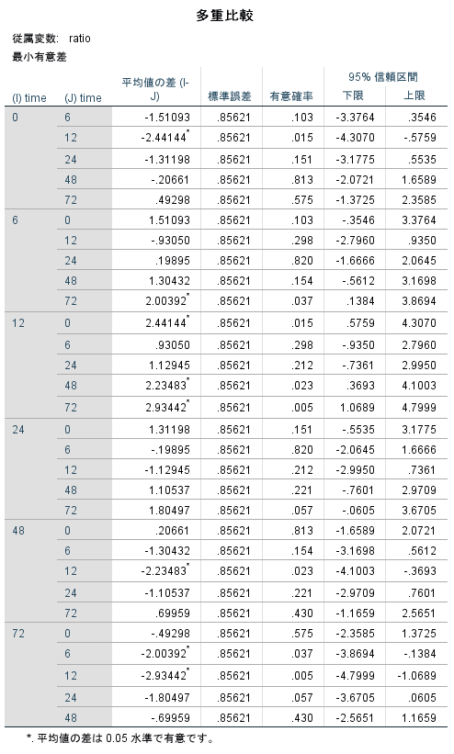
group | 20190617 | 20190624 | 20190627 | MEAN | SD |  |  |  |  |  |  | 95% Confidence Interval
0 | 1 | 1 | 1 | 1 | 0 |  | group(I) | group(J) | Mean difference(I-J) | Std. Error | Sig. | Lower Bound | Upper Bound
6 | 2.2502820103 | 3.5493684835 | 1.7331473909 | 2.5109326282 | 0.93574506294 | LSD
12 | 2.5844728804 | 5.9914922851 | 1.748343876 | 3.4414363472 | 2.2476358453
24 | 2.2617537456 | 3.0175373083 | 1.6566582477 | 2.3119831005 | 0.68182856747
48 | 0.93199478817 | 1.592353748 | 1.0954812502 | 1.2066099288 | 0.34391957836
72 | 0.17631165919 | 0.60070390654 | 0.74403235385 | 0.50701597319 | 0.2952283327

0 6 12 24 48 72
20190617
TSLP
GAPDH

0 6 12 24 48 72
20190624
TSLP
GAPDH

0 6 12 24 48 72
20190627
TSLP
GAPDH

 |  |  |  |  |  |  | * The mean difference is significant at the 0.05 level

