GlutamatergicSynapse
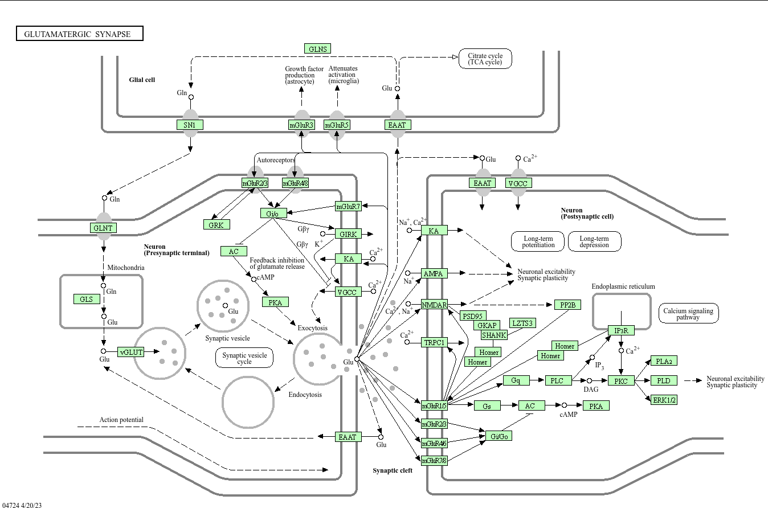
Gene name | mapped | log2MCI-log2NCI | log2AD-log2MCI | log2MCI-log2AD | log2AD-log2NCI | log2PD-log2NCI | APP>WT 250 | FC_ttest | NeuroPro | Protein names | Term name KEGG | log2MCI-log2NCI | log2AD-log2NCI | log2AD-log2MCI | log2PD-log2NCI | APP>WT 250 | NeuroPro
ADCY3 | x AC | 0.29842239027 | 0.5241095382 | -0.5241095382 | 0.82253192847 | 0.22256032942 |  |  | NA | Adenylate cyclase type 3 | Glutamatergic synapse | 0.29842239027 | 0.82253192847 | 0.5241095382 | 0.22256032942 |  | NA | ADCY3
ADCY8 | x AC | 1.8445939239 | 0.0708105602 | -0.0708105602 | 1.9154044841 | 0.40749304745 |  |  | NA | Adenylate cyclase type 8 | Glutamatergic synapse | 1.8445939239 | 1.9154044841 | 0.0708105602 | 0.40749304745 |  | NA | ADCY8
ADCY9 | x AC | 2.1141891481 | -1.6101322474 | 1.6101322474 | 0.50405690068 | -0.9863664771 | TRUE | FALSE | No change | Adenylate cyclase type 9 | Glutamatergic synapse | 2.1141891481 | 0.50405690068 | -1.6101322474 | -0.9863664771 | TRUE | No change | ADCY9
GLS | x | 1.810692101 | -3.3789858301 | 3.3789858301 | -1.5682937291 | -1.9039035411 | TRUE | TRUE | Decreased | Glutaminase kidney isoform, mitochondrial | Glutamatergic synapse | 1.810692101 | -1.5682937291 | -3.3789858301 | -1.9039035411 | TRUE | Decreased | GLS
GLS2 | x | 2.6324374612 | -1.5758277654 | 1.5758277654 | 1.0566096958 | -1.4340934501 | TRUE | FALSE | No change | Glutaminase liver isoform, mitochondrial | Glutamatergic synapse | 2.6324374612 | 1.0566096958 | -1.5758277654 | -1.4340934501 | TRUE | No change | GLS2
GLUL | x GLNS | -0.044574303127 | 0.92081073765 | -0.92081073765 | 0.87623643452 | 0.044061912626 | FALSE | FALSE | No change | Glutamine synthetase | Glutamatergic synapse | -0.044574303127 | 0.87623643452 | 0.92081073765 | 0.044061912626 | FALSE | No change | GLUL
GNAI2 | x Gi/o | 0.75679982104 | -0.15949009855 | 0.15949009855 | 0.59730972249 | -0.56520189808 | TRUE | TRUE | Decreased | Guanine nucleotide-binding protein G(i) subunit alpha-2 | Glutamatergic synapse | 0.75679982104 | 0.59730972249 | -0.15949009855 | -0.56520189808 | TRUE | Decreased | GNAI2
GNAI3 | x Gi/o | 0.46145931757 | 1.3167046068 | -1.3167046068 | 1.7781639243 | -0.76434864938 | FALSE | FALSE | No change | Guanine nucleotide-binding protein G(k) subunit alpha | Glutamatergic synapse | 0.46145931757 | 1.7781639243 | 1.3167046068 | -0.76434864938 | FALSE | No change | GNAI3
GNAO1 | x Gi/o | 0.59870301908 | -0.022054275469 | 0.022054275469 | 0.57664874361 | -1.0515136155 | TRUE | TRUE | No change | Guanine nucleotide-binding protein G(o) subunit alpha | Glutamatergic synapse | 0.59870301908 | 0.57664874361 | -0.022054275469 | -1.0515136155 | TRUE | No change | GNAO1
GNAQ | x Gq | 1.0226453383 | -0.40195459931 | 0.40195459931 | 0.62069073903 | -0.76504410651 | TRUE | TRUE | No change | Guanine nucleotide-binding protein G(q) subunit alpha | Glutamatergic synapse | 1.0226453383 | 0.62069073903 | -0.40195459931 | -0.76504410651 | TRUE | No change | GNAQ
GNB1 | x Gi/o | 0.99883703336 | -0.14018336551 | 0.14018336551 | 0.85865366786 | -0.49282531889 |  |  | Decreased | Guanine nucleotide-binding protein G(I)/G(S)/G(T) subunit beta-1 | Glutamatergic synapse | 0.99883703336 | 0.85865366786 | -0.14018336551 | -0.49282531889 |  | Decreased | GNB1
GNB2 | x Gi/o | 0.59513183711 | -0.94150588652 | 0.94150588652 | -0.34637404941 | -0.91292106285 | FALSE | FALSE | Inconsistent | Guanine nucleotide-binding protein G(I)/G(S)/G(T) subunit beta-2 | Glutamatergic synapse | 0.59513183711 | -0.34637404941 | -0.94150588652 | -0.91292106285 | FALSE | Inconsistent | GNB2
GNB4 | x Gi/o | 0.065353483666 | 1.3785494611 | -1.3785494611 | 1.4439029448 | -0.95110185854 | TRUE | TRUE | No change | Guanine nucleotide-binding protein subunit beta-4 | Glutamatergic synapse | 0.065353483666 | 1.4439029448 | 1.3785494611 | -0.95110185854 | TRUE | No change | GNB4
GNG12 | x Gi/o | 2.2780038657 | -0.6244881225 | 0.6244881225 | 1.6535157432 | -0.50153039243 | FALSE | FALSE | Increased | Guanine nucleotide-binding protein G(I)/G(S)/G(O) subunit gamma-12 | Glutamatergic synapse | 2.2780038657 | 1.6535157432 | -0.6244881225 | -0.50153039243 | FALSE | Increased | GNG12
GNG2 | x Gi/o | 1.6124914704 | 0.47751954181 | -0.47751954181 | 2.0900110122 | -0.61839513943 | TRUE | TRUE | No change | Guanine nucleotide-binding protein subunit gamma;Guanine nucleotide-binding protein G(I)/G(S)/G(O) subunit gamma-2 | Glutamatergic synapse | 1.6124914704 | 2.0900110122 | 0.47751954181 | -0.61839513943 | TRUE | No change | GNG2
GNG3 | x Gi/o | 3.0590432047 | 1.2865287264 | -1.2865287264 | 4.3455719311 | -0.84219889363 | TRUE | TRUE | No change | Guanine nucleotide-binding protein G(I)/G(S)/G(O) subunit gamma-3 | Glutamatergic synapse | 3.0590432047 | 4.3455719311 | 1.2865287264 | -0.84219889363 | TRUE | No change | GNG3
GRIA2 | x AMPA | 0.49959093843 | 0.77894399704 | -0.77894399704 | 1.2785349355 | -1.1708299285 | TRUE | TRUE | Decreased | Glutamate receptor 2 | Glutamatergic synapse | 0.49959093843 | 1.2785349355 | 0.77894399704 | -1.1708299285 | TRUE | Decreased | GRIA2
GRIN2C | x NMDAR | 1.8814395114 | -0.78866061754 | 0.78866061754 | 1.0927788939 | -0.033700593209 |  |  | No change | Glutamate receptor ionotropic, NMDA 2C | Glutamatergic synapse | 1.8814395114 | 1.0927788939 | -0.78866061754 | -0.033700593209 |  | No change | GRIN2C
GRM3 | x mGluR2/3 | 1.9935786903 | -0.579537616 | 0.579537616 | 1.4140410743 | 0.82728764298 | TRUE | FALSE | Decreased | Metabotropic glutamate receptor 3 | Glutamatergic synapse | 1.9935786903 | 1.4140410743 | -0.579537616 | 0.82728764298 | TRUE | Decreased | GRM3
HOMER2 | x | 1.2080235412 | -0.46792560804 | 0.46792560804 | 0.74009793317 | -1.1735739695 |  |  | No change | Homer protein homolog 2 | Glutamatergic synapse | 1.2080235412 | 0.74009793317 | -0.46792560804 | -1.1735739695 |  | No change | HOMER2
HOMER3 | x | 2.6170916999 | -0.77580722994 | 0.77580722994 | 1.84128447 | 2.0285546233 |  |  | NA | Homer protein homolog 3 | Glutamatergic synapse | 2.6170916999 | 1.84128447 | -0.77580722994 | 2.0285546233 |  | NA | HOMER3
ITPR1 | x IP3R | 0.9761329147 | -0.91622900885 | 0.91622900885 | 0.059903905854 | -1.0810546546 | TRUE | TRUE | No change | Inositol 1,4,5-trisphosphate receptor type 1 | Glutamatergic synapse | 0.9761329147 | 0.059903905854 | -0.91622900885 | -1.0810546546 | TRUE | No change | ITPR1
ITPR2 | x IP3R | 2.0024649831 | -0.36358557912 | 0.36358557912 | 1.6388794039 | -1.2154698962 |  |  | No change | Inositol 1,4,5-trisphosphate receptor type 2 | Glutamatergic synapse | 2.0024649831 | 1.6388794039 | -0.36358557912 | -1.2154698962 |  | No change | ITPR2
LZTS3 | x | 1.6216950978 | -1.1846017459 | 1.1846017459 | 0.43709335193 | -0.35276955289 |  |  | No change | Leucine zipper putative tumor suppressor 3 | Glutamatergic synapse | 1.6216950978 | 0.43709335193 | -1.1846017459 | -0.35276955289 |  | No change | LZTS3
MAPK1 | x ERK1/2 | 0.71040905781 | 0.56955633452 | -0.56955633452 | 1.2799653923 | -0.42817802219 | TRUE | TRUE | Increased | Mitogen-activated protein kinase 1 | Glutamatergic synapse | 0.71040905781 | 1.2799653923 | 0.56955633452 | -0.42817802219 | TRUE | Increased | MAPK1
MAPK3 | x ERK1/2 | 0.80298951024 | 0.56840991998 | -0.56840991998 | 1.3713994302 | -0.28817089271 | TRUE | TRUE | No change | Mitogen-activated protein kinase 3;Mitogen-activated protein kinase | Glutamatergic synapse | 0.80298951024 | 1.3713994302 | 0.56840991998 | -0.28817089271 | TRUE | No change | MAPK3
PLA2G4B | x PLA2 | 0.065419779578 | 1.1706658192 | -1.1706658192 | 1.2360855988 | -0.23229658875 |  |  | NA | Cytosolic phospholipase A2 beta | Glutamatergic synapse | 0.065419779578 | 1.2360855988 | 1.1706658192 | -0.23229658875 |  | NA | PLA2G4B
PLA2G4D | x PLA2 | 4.957022269 | -1.710690818 | 1.710690818 | 3.246331451 | 1.4123824773 |  |  | NA | Cytosolic phospholipase A2 delta | Glutamatergic synapse | 4.957022269 | 3.246331451 | -1.710690818 | 1.4123824773 |  | NA | PLA2G4D
PLCB3 | x PLC | 4.6360070792 | -2.6687016123 | 2.6687016123 | 1.9673054669 | 0.61922696318 |  |  | NA | 1-phosphatidylinositol 4,5-bisphosphate phosphodiesterase beta-3 | Glutamatergic synapse | 4.6360070792 | 1.9673054669 | -2.6687016123 | 0.61922696318 |  | NA | PLCB3
PPP3CA | x PP2B | 0.69376015532 | 0.2130518765 | -0.2130518765 | 0.90681203182 | -0.26073505938 | FALSE | FALSE | No change | Serine/threonine-protein phosphatase 2B catalytic subunit alpha isoform | Glutamatergic synapse | 0.69376015532 | 0.90681203182 | 0.2130518765 | -0.26073505938 | FALSE | No change | PPP3CA
PPP3CB | x PP2B | 1.1033171025 | 0.15006438204 | -0.15006438204 | 1.2533814846 | -0.18169000407 | FALSE | FALSE | Decreased | Serine/threonine-protein phosphatase 2B catalytic subunit beta isoform;Serine/threonine-protein phosphatase | Glutamatergic synapse | 1.1033171025 | 1.2533814846 | 0.15006438204 | -0.18169000407 | FALSE | Decreased | PPP3CB
PPP3CC | x PP2B | -0.21157668559 | 2.3167373123 | -2.3167373123 | 2.1051606267 | -0.20079996059 | TRUE | TRUE | NA | Serine/threonine-protein phosphatase 2B catalytic subunit gamma isoform;Serine/threonine-protein phosphatase | Glutamatergic synapse | -0.21157668559 | 2.1051606267 | 2.3167373123 | -0.20079996059 | TRUE | NA | PPP3CC
PPP3R1 | x PP2B | 1.9847309272 | -0.021965424246 | 0.021965424246 | 1.9627655029 | -0.11679713088 | TRUE |  | No change | Calcineurin subunit B type 1 | Glutamatergic synapse | 1.9847309272 | 1.9627655029 | -0.021965424246 | -0.11679713088 | TRUE | No change | PPP3R1
PRKACB | x PKA | 0.77982188921 | -1.1979955171 | 1.1979955171 | -0.41817362789 | 0.16626854368 | TRUE | TRUE | No change | cAMP-dependent protein kinase catalytic subunit beta | Glutamatergic synapse | 0.77982188921 | -0.41817362789 | -1.1979955171 | 0.16626854368 | TRUE | No change | PRKACB
SHANK1 | x | 1.7756812317 | -1.1842302564 | 1.1842302564 | 0.59145097528 | 0.42892902395 | FALSE | FALSE | No change | SH3 and multiple ankyrin repeat domains protein 1 | Glutamatergic synapse | 1.7756812317 | 0.59145097528 | -1.1842302564 | 0.42892902395 | FALSE | No change | SHANK1
ADCY
SLC17A7 | x vGLUT | 1.5546772398 | -0.04623918497 | 0.04623918497 | 1.5084380548 | -0.50155932565 | TRUE | TRUE | Decreased | Vesicular glutamate transporter 1 | Glutamatergic synapse | 1.5546772398 | 1.5084380548 | -0.04623918497 | -0.50155932565 | TRUE | Decreased | SLC17A7
SLC1A2 | x EAAT | 1.5486066942 | -0.72053411309 | 0.72053411309 | 0.82807258112 | -0.87476740856 | FALSE | FALSE | No change | Excitatory amino acid transporter 2;Amino acid transporter | Glutamatergic synapse | 1.5486066942 | 0.82807258112 | -0.72053411309 | -0.87476740856 | FALSE | No change | SLC1A2
SLC38A3 | x SN1 | 1.5621648722 | 0.011092385963 | -0.011092385963 | 1.5732572582 | 0.53804082077 | FALSE | FALSE | No change | Sodium-coupled neutral amino acid transporter 3 | Glutamatergic synapse | 1.5621648722 | 1.5732572582 | 0.011092385963 | 0.53804082077 | FALSE | No change | SLC38A3

TransmissionChemSynapse
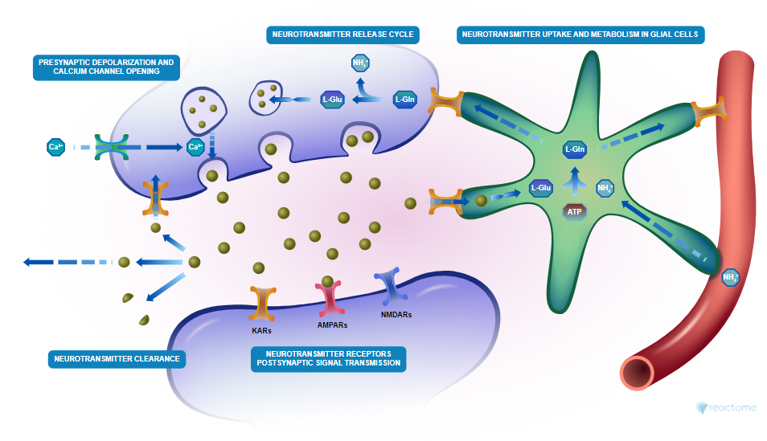
Gene name | mapped | log2MCI-log2NCI | log2AD-log2NCI | log2AD-log2MCI | log2PD-log2NCI | APP>WT 250 | FC_ttest | NeuroPro |  |  | log2MCI-log2NCI | log2AD-log2NCI | log2AD-log2MCI | log2PD-log2NCI | APP>WT 250 | NeuroPro
ACTN2 |  | 2.3040453079 | 2.8215886299 | 0.51754332196 | -0.44492035501 | FALSE | FALSE | Decreased | Alpha-actinin-2 | Transmission across Chemical Synapses | 2.3040453079 | 2.8215886299 | 0.51754332196 | -0.44492035501 | FALSE | Decreased
ADCY3 |  | 0.29842239027 | 0.82253192847 | 0.5241095382 | 0.22256032942 |  |  | NA | Adenylate cyclase type 3 | Transmission across Chemical Synapses | 0.29842239027 | 0.82253192847 | 0.5241095382 | 0.22256032942 |  | NA
ADCY8 |  | 1.8445939239 | 1.9154044841 | 0.0708105602 | 0.40749304745 |  |  | NA | Adenylate cyclase type 8 | Transmission across Chemical Synapses | 1.8445939239 | 1.9154044841 | 0.0708105602 | 0.40749304745 |  | NA
ADCY9 |  | 2.1141891481 | 0.50405690068 | -1.6101322474 | -0.9863664771 | TRUE | FALSE | No change | Adenylate cyclase type 9 | Transmission across Chemical Synapses | 2.1141891481 | 0.50405690068 | -1.6101322474 | -0.9863664771 | TRUE | No change
AKAP5 |  | 1.0993157941 | 0.66211277381 | -0.43720302026 | 0.63676232575 | TRUE | TRUE | Decreased | A-kinase anchor protein 5 | Transmission across Chemical Synapses | 1.0993157941 | 0.66211277381 | -0.43720302026 | 0.63676232575 | TRUE | Decreased
ALDH2 |  | 0.19368635443 | 0.78090424629 | 0.58721789186 | -0.79264720937 | TRUE | TRUE | No change | Aldehyde dehydrogenase, mitochondrial | Transmission across Chemical Synapses | 0.19368635443 | 0.78090424629 | 0.58721789186 | -0.79264720937 | TRUE | No change
AP2A1 |  | 0.93644015015 | 0.56759974919 | -0.36884040096 | -0.19770361428 | TRUE | TRUE | Decreased | AP-2 complex subunit alpha-1 | Transmission across Chemical Synapses | 0.93644015015 | 0.56759974919 | -0.36884040096 | -0.19770361428 | TRUE | Decreased
ARHGEF9 |  | -0.45045262149 | 1.6985896292 | 2.1490422507 | -1.4816095391 |  |  | No change | Rho guanine nucleotide exchange factor 9 | Transmission across Chemical Synapses | -0.45045262149 | 1.6985896292 | 2.1490422507 | -1.4816095391 |  | No change
ARL6IP5 |  | 0.42862187638 | 0.97465247524 | 0.54603059886 | -0.52364735371 | TRUE | TRUE | No change | PRA1 family protein 3 | Transmission across Chemical Synapses | 0.42862187638 | 0.97465247524 | 0.54603059886 | -0.52364735371 | TRUE | No change
CACNA1B |  | 0.82591628669 | 0.75191466076 | -0.074001625938 | -0.10193076171 |  |  | No change | Voltage-dependent N-type calcium channel subunit alpha-1B | Transmission across Chemical Synapses | 0.82591628669 | 0.75191466076 | -0.074001625938 | -0.10193076171 |  | No change
CACNA2D2 |  | 1.2095682068 | 1.4153168896 | 0.20574868277 | 0.11014344767 |  |  | NA | Voltage-dependent calcium channel subunit alpha-2/delta-2;Voltage-dependent calcium channel subunit alpha-2-2;Voltage-dependent calcium channel subunit delta-2 | Transmission across Chemical Synapses | 1.2095682068 | 1.4153168896 | 0.20574868277 | 0.11014344767 |  | NA
CACNA2D3 |  | 2.1102122861 | 0.96161233217 | -1.148599954 | -0.843628625 | TRUE | FALSE | No change | Voltage-dependent calcium channel subunit alpha-2/delta-3;Voltage-dependent calcium channel subunit alpha-2-3;Voltage-dependent calcium channel subunit delta-3 | Transmission across Chemical Synapses | 2.1102122861 | 0.96161233217 | -1.148599954 | -0.843628625 | TRUE | No change
CAMK2A |  | 1.460272821 | 3.0728613034 | 1.6125884824 | -0.43334722888 | TRUE | TRUE | Decreased | Calcium/calmodulin-dependent protein kinase type II subunit alpha | Transmission across Chemical Synapses | 1.460272821 | 3.0728613034 | 1.6125884824 | -0.43334722888 | TRUE | Decreased
CAMK2B |  | 1.2807354535 | 1.9341771373 | 0.65344168378 | -0.5408509351 | FALSE | FALSE | No change | Calcium/calmodulin-dependent protein kinase type II subunit beta | Transmission across Chemical Synapses | 1.2807354535 | 1.9341771373 | 0.65344168378 | -0.5408509351 | FALSE | No change
CASK |  | 1.724629173 | 1.0519072159 | -0.67272195706 | -0.70381403744 | TRUE | FALSE | No change | Peripheral plasma membrane protein CASK | Transmission across Chemical Synapses | 1.724629173 | 1.0519072159 | -0.67272195706 | -0.70381403744 | TRUE | No change
DLG2 |  | 0.77498673814 | 0.83145556692 | 0.056468828785 | 0.136356045 | TRUE | FALSE | Decreased | Disks large homolog 2 | Transmission across Chemical Synapses | 0.77498673814 | 0.83145556692 | 0.056468828785 | 0.136356045 | TRUE | Decreased
DLG3 |  | 0.68071682531 | 0.19820733365 | -0.48250949166 | 0.051386547155 |  |  | Decreased | Disks large homolog 3 | Transmission across Chemical Synapses | 0.68071682531 | 0.19820733365 | -0.48250949166 | 0.051386547155 |  | Decreased
EPB41L1 |  | 1.3203114111 | -1.0178137198 | -2.3381251309 | -0.15396771842 |  |  | No change | Band 4.1-like protein 1 | Transmission across Chemical Synapses | 1.3203114111 | -1.0178137198 | -2.3381251309 | -0.15396771842 |  | No change
GLS |  | 1.810692101 | -1.5682937291 | -3.3789858301 | -1.9039035411 | TRUE | TRUE | Decreased | Glutaminase kidney isoform, mitochondrial | Transmission across Chemical Synapses | 1.810692101 | -1.5682937291 | -3.3789858301 | -1.9039035411 | TRUE | Decreased
GLS2 |  | 2.6324374612 | 1.0566096958 | -1.5758277654 | -1.4340934501 | TRUE | FALSE | No change | Glutaminase liver isoform, mitochondrial | Transmission across Chemical Synapses | 2.6324374612 | 1.0566096958 | -1.5758277654 | -1.4340934501 | TRUE | No change
GLUL |  | -0.044574303127 | 0.87623643452 | 0.92081073765 | 0.044061912626 | FALSE | FALSE | No change | Glutamine synthetase | Transmission across Chemical Synapses | -0.044574303127 | 0.87623643452 | 0.92081073765 | 0.044061912626 | FALSE | No change
GNAI2 |  | 0.75679982104 | 0.59730972249 | -0.15949009855 | -0.56520189808 | TRUE | TRUE | Decreased | Guanine nucleotide-binding protein G(i) subunit alpha-2 | Transmission across Chemical Synapses | 0.75679982104 | 0.59730972249 | -0.15949009855 | -0.56520189808 | TRUE | Decreased
GNAI3 |  | 0.46145931757 | 1.7781639243 | 1.3167046068 | -0.76434864938 | FALSE | FALSE | No change | Guanine nucleotide-binding protein G(k) subunit alpha | Transmission across Chemical Synapses | 0.46145931757 | 1.7781639243 | 1.3167046068 | -0.76434864938 | FALSE | No change
GNB1 |  | 0.99883703336 | 0.85865366786 | -0.14018336551 | -0.49282531889 |  |  | Decreased | Guanine nucleotide-binding protein G(I)/G(S)/G(T) subunit beta-1 | Transmission across Chemical Synapses | 0.99883703336 | 0.85865366786 | -0.14018336551 | -0.49282531889 |  | Decreased
GNB2 |  | 0.59513183711 | -0.34637404941 | -0.94150588652 | -0.91292106285 | FALSE | FALSE | Inconsistent | Guanine nucleotide-binding protein G(I)/G(S)/G(T) subunit beta-2 | Transmission across Chemical Synapses | 0.59513183711 | -0.34637404941 | -0.94150588652 | -0.91292106285 | FALSE | Inconsistent
GNB4 |  | 0.065353483666 | 1.4439029448 | 1.3785494611 | -0.95110185854 | TRUE | TRUE | No change | Guanine nucleotide-binding protein subunit beta-4 | Transmission across Chemical Synapses | 0.065353483666 | 1.4439029448 | 1.3785494611 | -0.95110185854 | TRUE | No change
GNG12 |  | 2.2780038657 | 1.6535157432 | -0.6244881225 | -0.50153039243 | FALSE | FALSE | Increased | Guanine nucleotide-binding protein G(I)/G(S)/G(O) subunit gamma-12 | Transmission across Chemical Synapses | 2.2780038657 | 1.6535157432 | -0.6244881225 | -0.50153039243 | FALSE | Increased
GNG2 |  | 1.6124914704 | 2.0900110122 | 0.47751954181 | -0.61839513943 | TRUE | TRUE | No change | Guanine nucleotide-binding protein subunit gamma;Guanine nucleotide-binding protein G(I)/G(S)/G(O) subunit gamma-2 | Transmission across Chemical Synapses | 1.6124914704 | 2.0900110122 | 0.47751954181 | -0.61839513943 | TRUE | No change
GNG3 |  | 3.0590432047 | 4.3455719311 | 1.2865287264 | -0.84219889363 | TRUE | TRUE | No change | Guanine nucleotide-binding protein G(I)/G(S)/G(O) subunit gamma-3 | Transmission across Chemical Synapses | 3.0590432047 | 4.3455719311 | 1.2865287264 | -0.84219889363 | TRUE | No change
GRIA2 |  | 0.49959093843 | 1.2785349355 | 0.77894399704 | -1.1708299285 | TRUE | TRUE | Decreased | Glutamate receptor 2 | Transmission across Chemical Synapses | 0.49959093843 | 1.2785349355 | 0.77894399704 | -1.1708299285 | TRUE | Decreased
GRIN2C |  | 1.8814395114 | 1.0927788939 | -0.78866061754 | -0.033700593209 |  |  | No change | Glutamate receptor ionotropic, NMDA 2C | Transmission across Chemical Synapses | 1.8814395114 | 1.0927788939 | -0.78866061754 | -0.033700593209 |  | No change
HSPA8 |  | 0.856817249 | 0.84885421258 | -0.0079630364135 | -0.46918543117 | FALSE | FALSE | No change | Heat shock cognate 71 kDa protein | Transmission across Chemical Synapses | 0.856817249 | 0.84885421258 | -0.0079630364135 | -0.46918543117 | FALSE | No change
LIN7A |  | 2.5762862001 | 1.5573126102 | -1.01897359 | 0.17353365657 | TRUE | TRUE | No change | Protein lin-7 homolog A | Transmission across Chemical Synapses | 2.5762862001 | 1.5573126102 | -1.01897359 | 0.17353365657 | TRUE | No change
LIN7B |  | 1.9251761742 | 1.3928212749 | -0.53235489935 | -1.2826437419 | TRUE | TRUE | No change | Protein lin-7 homolog B | Transmission across Chemical Synapses | 1.9251761742 | 1.3928212749 | -0.53235489935 | -1.2826437419 | TRUE | No change
LIN7C |  | 0.88928052377 | 0.84099973967 | -0.048280784098 | -0.75556053232 | TRUE | TRUE | No change | Protein lin-7 homolog C | Transmission across Chemical Synapses | 0.88928052377 | 0.84099973967 | -0.048280784098 | -0.75556053232 | TRUE | No change
MAPK1 |  | 0.71040905781 | 1.2799653923 | 0.56955633452 | -0.42817802219 | TRUE | TRUE | Increased | Mitogen-activated protein kinase 1 | Transmission across Chemical Synapses | 0.71040905781 | 1.2799653923 | 0.56955633452 | -0.42817802219 | TRUE | Increased
MAPK3 |  | 0.80298951024 | 1.3713994302 | 0.56840991998 | -0.28817089271 | TRUE | TRUE | No change | Mitogen-activated protein kinase 3;Mitogen-activated protein kinase | Transmission across Chemical Synapses | 0.80298951024 | 1.3713994302 | 0.56840991998 | -0.28817089271 | TRUE | No change
NEFL |  | 0.83780355237 | 1.4848414387 | 0.64703788633 | -0.57458095444 | FALSE | FALSE | Increased | Neurofilament light polypeptide | Transmission across Chemical Synapses | 0.83780355237 | 1.4848414387 | 0.64703788633 | -0.57458095444 | FALSE | Increased
NPTN |  | 3.3732388138 | 1.8254135669 | -1.5478252469 | -0.58017437654 | TRUE | TRUE | No change | Neuroplastin | Transmission across Chemical Synapses | 3.3732388138 | 1.8254135669 | -1.5478252469 | -0.58017437654 | TRUE | No change
NRG1 |  | 3.8456895222 | 7.4634942901 | 3.6178047678 | -0.74713377253 |  |  | NA | Pro-neuregulin-1, membrane-bound isoform;Neuregulin-1 | Transmission across Chemical Synapses | 3.8456895222 | 7.4634942901 | 3.6178047678 | -0.74713377253 |  | NA
NRGN |  | 0.91836026959 | 1.0928658654 | 0.17450559577 | -0.5527809403 | FALSE | FALSE | Inconsistent | Neurogranin;NEUG(55-78) | Transmission across Chemical Synapses | 0.91836026959 | 1.0928658654 | 0.17450559577 | -0.5527809403 | FALSE | Inconsistent
NSF |  | 1.748339993 | 0.7488281711 | -0.9995118219 | -0.26503343147 | TRUE | TRUE | No change | Vesicle-fusing ATPase | Transmission across Chemical Synapses | 1.748339993 | 0.7488281711 | -0.9995118219 | -0.26503343147 | TRUE | No change
PLCB3 |  | 4.6360070792 | 1.9673054669 | -2.6687016123 | 0.61922696318 |  |  | NA | 1-phosphatidylinositol 4,5-bisphosphate phosphodiesterase beta-3 | Transmission across Chemical Synapses | 4.6360070792 | 1.9673054669 | -2.6687016123 | 0.61922696318 |  | NA
PPFIA1 |  | 0.94797571402 | 1.8915672723 | 0.94359155825 | -0.55511888321 |  |  | No change | Liprin-alpha-1 | Transmission across Chemical Synapses | 0.94797571402 | 1.8915672723 | 0.94359155825 | -0.55511888321 |  | No change
PPFIA2 |  | 1.3208767832 | 2.369369875 | 1.0484930918 | -0.067153019867 | FALSE | FALSE | No change | Liprin-alpha-2 | Transmission across Chemical Synapses | 1.3208767832 | 2.369369875 | 1.0484930918 | -0.067153019867 | FALSE | No change
PPM1E |  | 2.2195178867 | -0.92692808442 | -3.1464459711 | 0.33462244903 | TRUE | TRUE | Decreased | Protein phosphatase 1E | Transmission across Chemical Synapses | 2.2195178867 | -0.92692808442 | -3.1464459711 | 0.33462244903 | TRUE | Decreased
PPM1F |  | 0.53484905551 | 0.74416298744 | 0.20931393192 | 0.17769891747 | TRUE | FALSE | No change | Protein phosphatase 1F | Transmission across Chemical Synapses | 0.53484905551 | 0.74416298744 | 0.20931393192 | 0.17769891747 | TRUE | No change
PRKAA1 |  | 1.4465961514 | 1.5473204512 | 0.10072429988 | 1.178860142 | TRUE | FALSE | No change | 5-AMP-activated protein kinase catalytic subunit alpha-1 | Transmission across Chemical Synapses | 1.4465961514 | 1.5473204512 | 0.10072429988 | 1.178860142 | TRUE | No change
PRKACB |  | 0.77982188921 | -0.41817362789 | -1.1979955171 | 0.16626854368 | TRUE | TRUE | No change | cAMP-dependent protein kinase catalytic subunit beta | Transmission across Chemical Synapses | 0.77982188921 | -0.41817362789 | -1.1979955171 | 0.16626854368 | TRUE | No change
PRKAR1A |  | 0.91619754349 | 0.68200347609 | -0.2341940674 | -0.5608423925 | TRUE | FALSE | No change | cAMP-dependent protein kinase type I-alpha regulatory subunit;cAMP-dependent protein kinase type I-alpha regulatory subunit, N-terminally processed | Transmission across Chemical Synapses | 0.91619754349 | 0.68200347609 | -0.2341940674 | -0.5608423925 | TRUE | No change
RPS6KA2 |  | 1.1598158304 | 2.2348217606 | 1.0750059302 | -0.1837126333 | TRUE | TRUE | Increased | Ribosomal protein S6 kinase;Ribosomal protein S6 kinase alpha-2 | Transmission across Chemical Synapses | 1.1598158304 | 2.2348217606 | 1.0750059302 | -0.1837126333 | TRUE | Increased
SLC17A7 |  | 1.5546772398 | 1.5084380548 | -0.04623918497 | -0.50155932565 | TRUE | TRUE | Decreased | Vesicular glutamate transporter 1 | Transmission across Chemical Synapses | 1.5546772398 | 1.5084380548 | -0.04623918497 | -0.50155932565 | TRUE | Decreased
SLC1A2 |  | 1.5486066942 | 0.82807258112 | -0.72053411309 | -0.87476740856 | FALSE | FALSE | No change | Excitatory amino acid transporter 2;Amino acid transporter | Transmission across Chemical Synapses | 1.5486066942 | 0.82807258112 | -0.72053411309 | -0.87476740856 | FALSE | No change
SLC22A2 |  | -0.088635728511 | 0.91559129136 | 1.0042270199 | -0.68019675905 |  |  | NA | Solute carrier family 22 member 2 | Transmission across Chemical Synapses | -0.088635728511 | 0.91559129136 | 1.0042270199 | -0.68019675905 |  | NA
SLC32A1 |  | 1.2729422619 | 1.5887810442 | 0.31583878239 | -0.17849809965 | TRUE | TRUE | No change | Vesicular inhibitory amino acid transporter | Transmission across Chemical Synapses | 1.2729422619 | 1.5887810442 | 0.31583878239 | -0.17849809965 | TRUE | No change
SLC6A1 |  | 0.75362732342 | 1.7797605444 | 1.026133221 | -1.5322161232 | TRUE | TRUE | No change | Sodium- and chloride-dependent GABA transporter 1 | Transmission across Chemical Synapses | 0.75362732342 | 1.7797605444 | 1.026133221 | -1.5322161232 | TRUE | No change
SRC |  | 0.88868970679 | 0.9703619222 | 0.081672215409 | -1.0678344021 | TRUE | TRUE | No change | Proto-oncogene tyrosine-protein kinase Src | Transmission across Chemical Synapses | 0.88868970679 | 0.9703619222 | 0.081672215409 | -1.0678344021 | TRUE | No change
STX1A |  | 2.9523177204 | 0.64081058046 | -2.31150714 | -0.23265950965 | TRUE | TRUE | Decreased | Syntaxin-1A | Transmission across Chemical Synapses | 2.9523177204 | 0.64081058046 | -2.31150714 | -0.23265950965 | TRUE | Decreased
SYN1 |  | 0.2314606602 | 0.72852293926 | 0.49706227907 | -0.15034984564 | TRUE | TRUE | Decreased | Synapsin-1 | Transmission across Chemical Synapses | 0.2314606602 | 0.72852293926 | 0.49706227907 | -0.15034984564 | TRUE | Decreased
SYN2 |  | 0.71507310024 | 1.0086758762 | 0.29360277595 | -0.12965462165 | TRUE | TRUE | No change | Synapsin-2 | Transmission across Chemical Synapses | 0.71507310024 | 1.0086758762 | 0.29360277595 | -0.12965462165 | TRUE | No change
SYT1 |  | 1.5575839102 | 0.7941379886 | -0.76344592163 | -0.50516472695 | TRUE | TRUE | Decreased | Synaptotagmin-1 | Transmission across Chemical Synapses | 1.5575839102 | 0.7941379886 | -0.76344592163 | -0.50516472695 | TRUE | Decreased
TSPAN7 |  | 2.4836275178 | 1.2574808028 | -1.226146715 | -2.3446999361 | TRUE | FALSE | No change | Tetraspanin;Tetraspanin-7 | Transmission across Chemical Synapses | 2.4836275178 | 1.2574808028 | -1.226146715 | -2.3446999361 | TRUE | No change
...

AxonGuidance
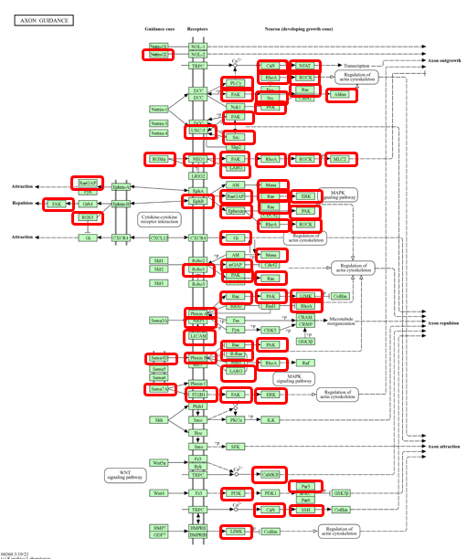
 | Protein names | Term name KEGG | log2MCI-log2NCI | log2AD-log2NCI | log2AD-log2MCI | log2PD-log2NCI
 | Actin-binding LIM protein 1 | Axon guidance | 2.2595648037 | 2.6539186774 | 0.39435387367 | 0.22992560793
 | Rho guanine nucleotide exchange factor 12 | Axon guidance | -0.66253373323 | 1.4738956622 | 2.1364293954 | -0.95280600459
 | Calcium/calmodulin-dependent protein kinase type II subunit alpha | Axon guidance | 1.460272821 | 3.0728613034 | 1.6125884824 | -0.43334722888
 | Calcium/calmodulin-dependent protein kinase type II subunit beta | Axon guidance | 1.2807354535 | 1.9341771373 | 0.65344168378 | -0.5408509351
 | Protein enabled homolog | Axon guidance | 1.1232468951 | 0.62636960963 | -0.49687728549 | 0.17883917875
 | Ephrin type-B receptor 2;Receptor protein-tyrosine kinase | Axon guidance | -0.1498511967 | 1.4617329805 | 1.6115841772 | 1.1826436001
 | Guanine nucleotide-binding protein G(i) subunit alpha-2 | Axon guidance | 0.75679982104 | 0.59730972249 | -0.15949009855 | -0.56520189808
 | Guanine nucleotide-binding protein G(k) subunit alpha | Axon guidance | 0.46145931757 | 1.7781639243 | 1.3167046068 | -0.76434864938
 | Integrin beta-1 | Axon guidance | 2.0065613024 | 2.5759359788 | 0.56937467641 | -0.24181275602
 | GTPase KRas;GTPase KRas, N-terminally processed | Axon guidance | -5.1819960677 | 1.7284223007 | 6.9104183684 | -0.89678092771
 | Neural cell adhesion molecule L1 | Axon guidance | 0.64892453437 | 1.4275142612 | 0.77858972681 | -0.28522873747
 | LIM domain kinase 1 | Axon guidance | 0.48799375348 | 2.4917130596 | 2.0037193061 | -0.96566583062
 | Mitogen-activated protein kinase 1 | Axon guidance | 0.71040905781 | 1.2799653923 | 0.56955633452 | -0.42817802219
 | Mitogen-activated protein kinase 3;Mitogen-activated protein kinase | Axon guidance | 0.80298951024 | 1.3713994302 | 0.56840991998 | -0.28817089271
 | Myosin regulatory light chain 12A;Myosin regulatory light chain 12B | Axon guidance | 2.744609361 | 1.7195895485 | -1.0250198125 | -0.44091532752
 | Neogenin | Axon guidance | 1.898273166 | 1.4698297558 | -0.42844341023 | 0.32660957837
 | Nuclear factor of activated T-cells, cytoplasmic 3 | Axon guidance | 1.6728343163 | 1.2447708397 | -0.4280634766 | -1.1538080535
 | Ephexin-1 | Axon guidance | -0.25433343112 | 0.68118320006 | 0.93551663118 | -0.33888224227
 | Neuropilin-1 | Axon guidance | 2.5612425189 | 0.57247747468 | -1.9887650442 | -1.0309994473
 | Netrin-G1 | Axon guidance | 3.0358692055 | 1.6134449197 | -1.4224242858 | 1.9318276713
 | Serine/threonine-protein kinase PAK 6 | Axon guidance | 0.00074589076039 | 1.6445489152 | 1.6438030245 | 2.0550442454
 | Partitioning defective 3 homolog | Axon guidance | 3.408484368 | 1.8248394494 | -1.5836449186 | -1.4379941844
 | Phosphatidylinositol 4,5-bisphosphate 3-kinase catalytic subunit alpha isoform | Axon guidance | 1.8481412105 | -0.17673170993 | -2.0248729204 | -0.97839520026
 | Phosphatidylinositol 4,5-bisphosphate 3-kinase catalytic subunit beta isoform | Axon guidance | 1.7812628152 | 0.26917808706 | -1.5120847281 | -0.23485391548
 | Phosphatidylinositol 4,5-bisphosphate 3-kinase catalytic subunit delta isoform | Axon guidance | 2.0983481865 | 1.656755917 | -0.44159226944 | 0.65374013242
 | Phosphatidylinositol 3-kinase regulatory subunit alpha | Axon guidance | 0.98133951078 | 0.17114213533 | -0.81019737544 | -0.14615516343
 | 1-phosphatidylinositol 4,5-bisphosphate phosphodiesterase gamma-1 | Axon guidance | 0.5550057667 | 0.63767560874 | 0.082669842041 | -0.3815544412
 | Phosphoinositide phospholipase C;1-phosphatidylinositol 4,5-bisphosphate phosphodiesterase gamma-2 | Axon guidance | 0.80075329462 | 2.1871889869 | 1.3864356922 | -0.29758372057
 | Plexin-A1 | Axon guidance | 0.95018368846 | 0.38633104692 | -0.56385264153 | -0.22537445868
 | Plexin-A2 | Axon guidance | 2.6942547977 | 0.98793849584 | -1.7063163019 | -1.1340011238
 | Plexin-A4 | Axon guidance | 1.6255105614 | 1.6192937652 | -0.0062167961208 | -0.34630119969
 | Plexin-B1 | Axon guidance | 0.62171801112 | 2.6949532863 | 2.0732352752 | -0.61283755358
 | Plexin-B2 | Axon guidance | 1.3552503063 | 0.85861946328 | -0.496630843 | -1.2657949329
 | Plexin-B3 | Axon guidance | 0.46036361351 | 0.81194224526 | 0.35157863175 | -1.0058899929
 | Serine/threonine-protein phosphatase 2B catalytic subunit alpha isoform | Axon guidance | 0.69376015532 | 0.90681203182 | 0.2130518765 | -0.26073505938
Decreased | Serine/threonine-protein phosphatase 2B catalytic subunit beta isoform;Serine/threonine-protein phosphatase | Axon guidance | 1.1033171025 | 1.2533814846 | 0.15006438204 | -0.18169000407 | FALSE | Decreased
NA | Serine/threonine-protein phosphatase 2B catalytic subunit gamma isoform;Serine/threonine-protein phosphatase | Axon guidance | -0.21157668559 | 2.1051606267 | 2.3167373123 | -0.20079996059 | TRUE | NA
No change | Calcineurin subunit B type 1 | Axon guidance | 1.9847309272 | 1.9627655029 | -0.021965424246 | -0.11679713088 | TRUE | No change
No change | Focal adhesion kinase 1 | Axon guidance | 0.44561589489 | 1.2986297285 | 0.85301383358 | -0.16177054457 |  | No change
No change | Ras-related C3 botulinum toxin substrate 2 | Axon guidance | 5.2454870318 | 2.2912637121 | -2.9542233197 | 0.044878147104 |  | No change
No change | Ras GTPase-activating protein 1 | Axon guidance | 1.787952048 | 0.47664833611 | -1.3113037119 | -1.0718091626 |  | No change
No change | Repulsive guidance molecule A | Axon guidance | 1.5527287245 | 0.68246820271 | -0.87026052174 | 0.47822095257 |  | No change
NA | Regulator of G-protein signaling 3 | Axon guidance | 1.3140592762 | 3.1821916859 | 1.8681324097 | -0.92443578717 |  | NA
No change | Transforming protein RhoA | Axon guidance | 0.80054229381 | 1.1298467336 | 0.32930443976 | -0.79249116853 | TRUE | No change
No change | Roundabout homolog 1 | Axon guidance | 1.1133060904 | 0.29230718514 | -0.82099890527 | -2.0043939089 |  | No change
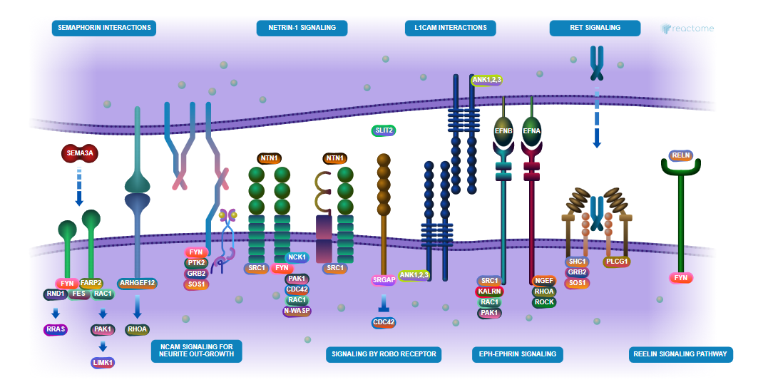
No change | Rho-associated protein kinase 1 | Axon guidance | 1.3045411038 | 1.8004485943 | 0.49590749049 | -0.31638795989 | TRUE | No change
Decreased | Rho-associated protein kinase 2 | Axon guidance | 0.97124156608 | -0.089566851045 | -1.0608084171 | -0.063616815303 |  | Decreased
NA | Ras-related protein R-Ras | Axon guidance | 1.0950461827 | 1.3354225705 | 0.24037638786 | -1.0086384491 |  | NA
No change | Semaphorin-4A | Axon guidance | 0.63692190424 | 1.9968988608 | 1.3599769565 | -0.77644070127 |  | No change
No change | Semaphorin-4D | Axon guidance | 1.3158547374 | 2.4008381475 | 1.0849834101 | -1.4388583515 |  | No change
No change | Semaphorin-7A | Axon guidance | 2.5662730742 | 2.9262098418 | 0.35993676756 | 0.61293268543 |  | No change
No change | Proto-oncogene tyrosine-protein kinase Src | Axon guidance | 0.88868970679 | 0.9703619222 | 0.081672215409 | -1.0678344021 | TRUE | No change
Decreased | SLIT-ROBO Rho GTPase-activating protein 2 | Axon guidance | 1.6337018625 | 0.34320931749 | -1.290492545 | 0.14668102624 | FALSE | Decreased
NA | Protein phosphatase Slingshot homolog 2 | Axon guidance | -0.048446138828 | 1.7520159646 | 1.8004621034 | -0.58323517465 | FALSE | NA
NA | Netrin receptor UNC5A | Axon guidance | 1.2426065141 | 0.21402156103 | -1.0285849531 | -0.96302681386 |  | NA
No change | Netrin receptor UNC5B | Axon guidance | 0.97377910077 | 1.1662821833 | 0.19250308255 | -1.3321369126 |  | No change

PPI at Synapse
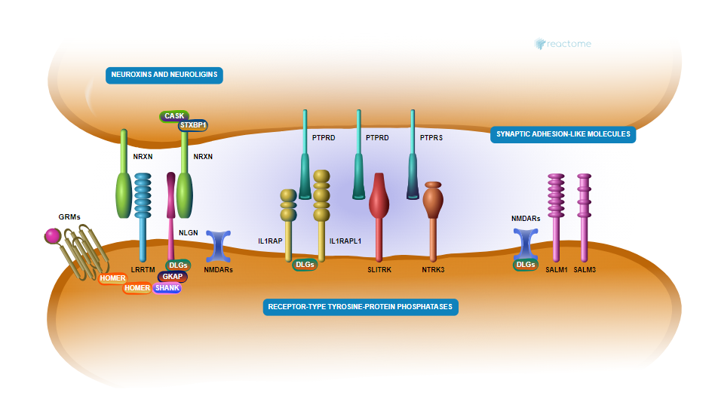
NeuroPro
NA | APBA2 | Amyloid beta A4 precursor protein-binding family A member 2
No change | CASK | Peripheral plasma membrane protein CASK
Decreased | DLG2 | Disks large homolog 2
Decreased | DLG3 | Disks large homolog 3
No change | DLGAP3 | Disks large-associated protein 3
No change | EPB41L1 | Band 4.1-like protein 1
No change | EPB41L2 | Band 4.1-like protein 2
Decreased | EPB41L3 | Band 4.1-like protein 3;Band 4.1-like protein 3, N-terminally processed
No change | GRIN2C | Glutamate receptor ionotropic, NMDA 2C
No change | HOMER2 | Homer protein homolog 2
No change | LIN7A | Protein lin-7 homolog A
No change | LIN7B | Protein lin-7 homolog B
No change | LIN7C | Protein lin-7 homolog C
No change | LRRC4B | Leucine-rich repeat-containing protein 4B
NA | LRRTM2 | Leucine-rich repeat transmembrane neuronal protein 2
No change | LRRTM4 | Leucine-rich repeat transmembrane neuronal protein 4
No change | PDLIM5 | PDZ and LIM domain protein 5
No change | PPFIA1 | Liprin-alpha-1
No change | PPFIA2 | Liprin-alpha-2
No change | PTPRD | Receptor-type tyrosine-protein phosphatase delta;Protein-tyrosine-phosphatase
No change | PTPRS | Receptor-type tyrosine-protein phosphatase S
Decreased | RTN3 | Reticulon-3
No change | SHANK1 | SH3 and multiple ankyrin repeat domains protein 1
NA | SLITRK4 | SLIT and NTRK-like protein 4
Decreased | STX1A | Syntaxin-1A
Decreased | SYT1 | Synaptotagmin-1
...

