Fig.1H
Fig. 1H

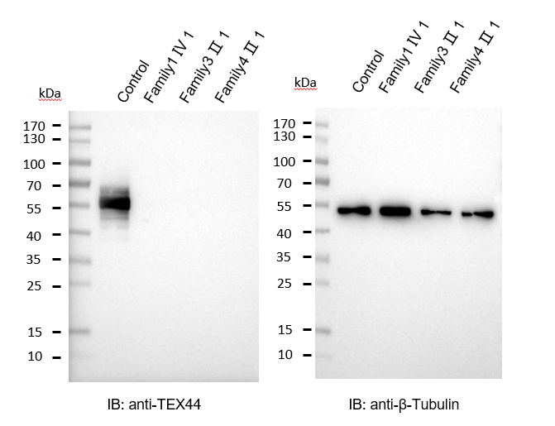

Fig. 3A-B
Fig. 3A

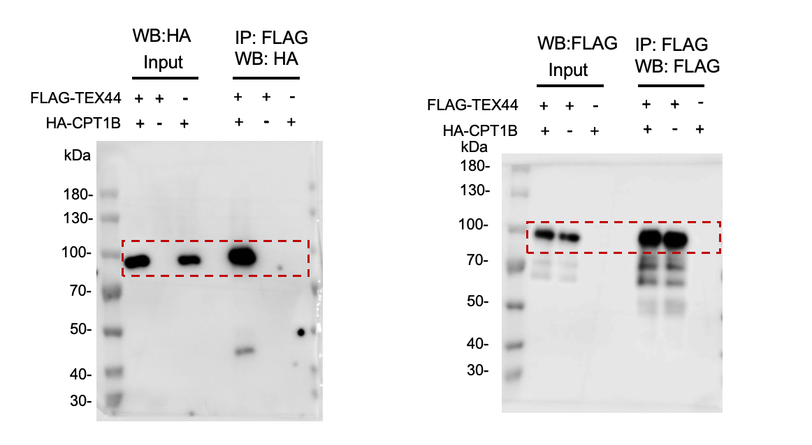

Fig. 3B

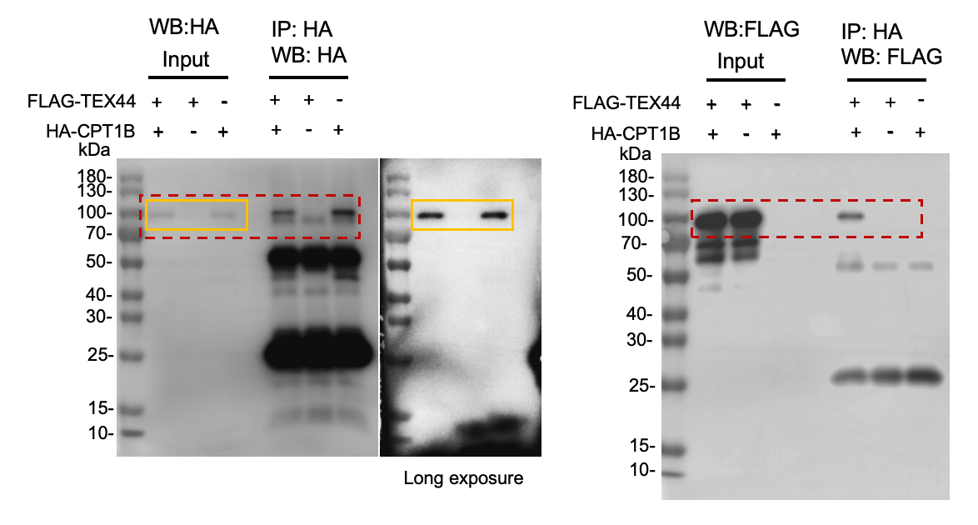

Fig. 3G
Fig. 3G

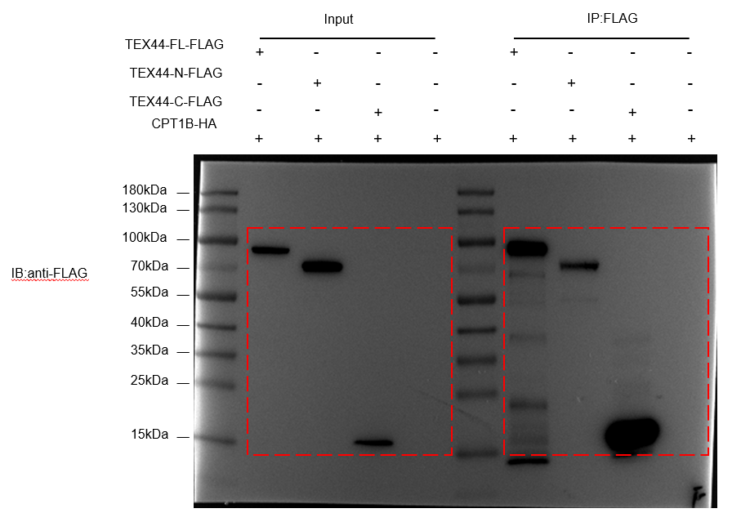
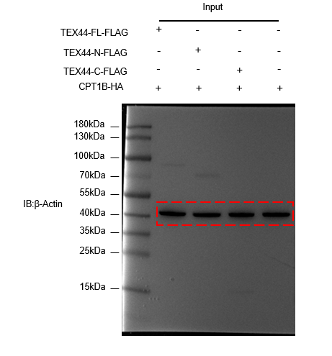

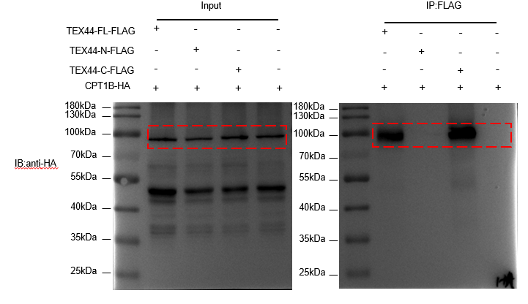

Fig. 5D-E
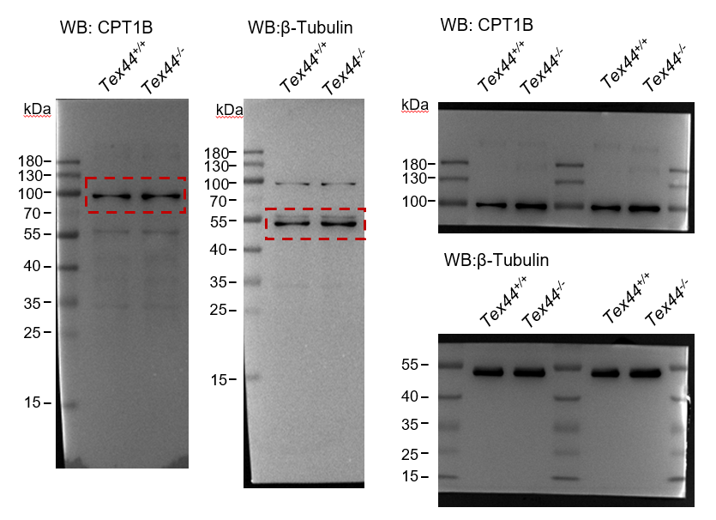
Fig. 5D | Fig. 5E
 | Relative CPT1B expression level
 | Tex44+/+ | Tex44-/-
 | 1 | 1.402269
 | 1 | 0.895935
 | 1 | 0.970152

Fig. S2B
Fig. S2B

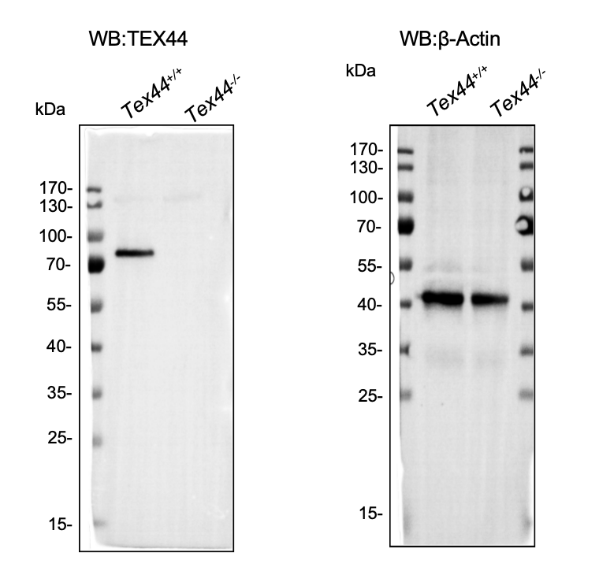

Fig.S4A-B
Fig. S4A | Fig. S4B

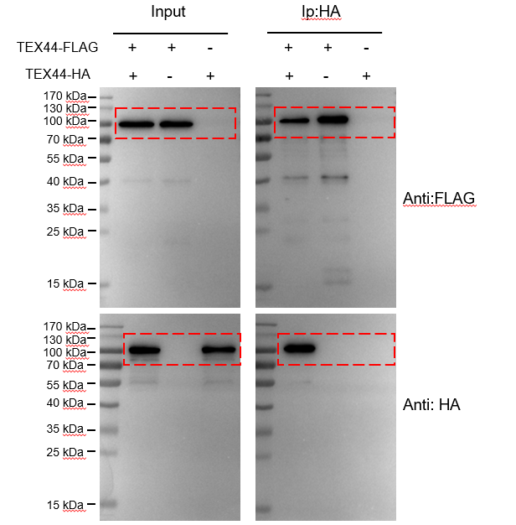
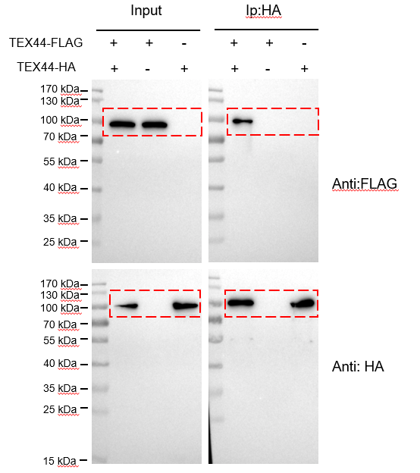

Fig. S5A-C
Fig. S5A | Fig. S5B | Fig. S5C

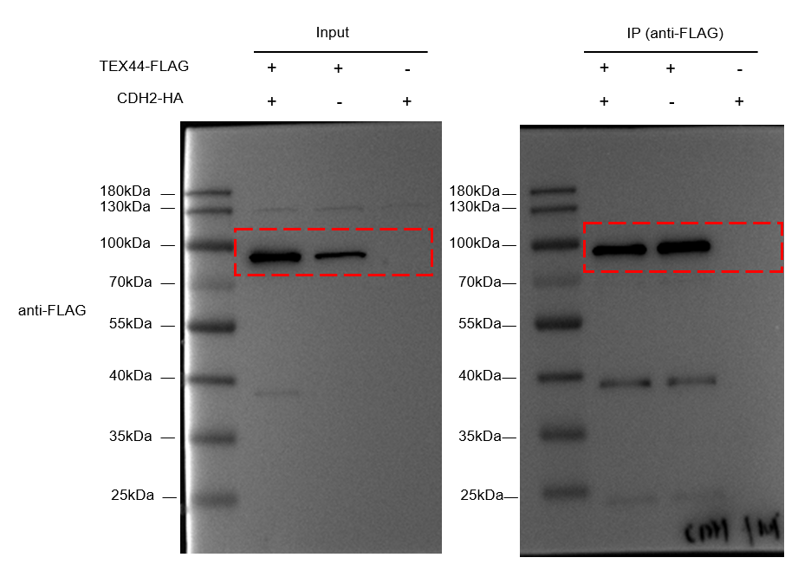
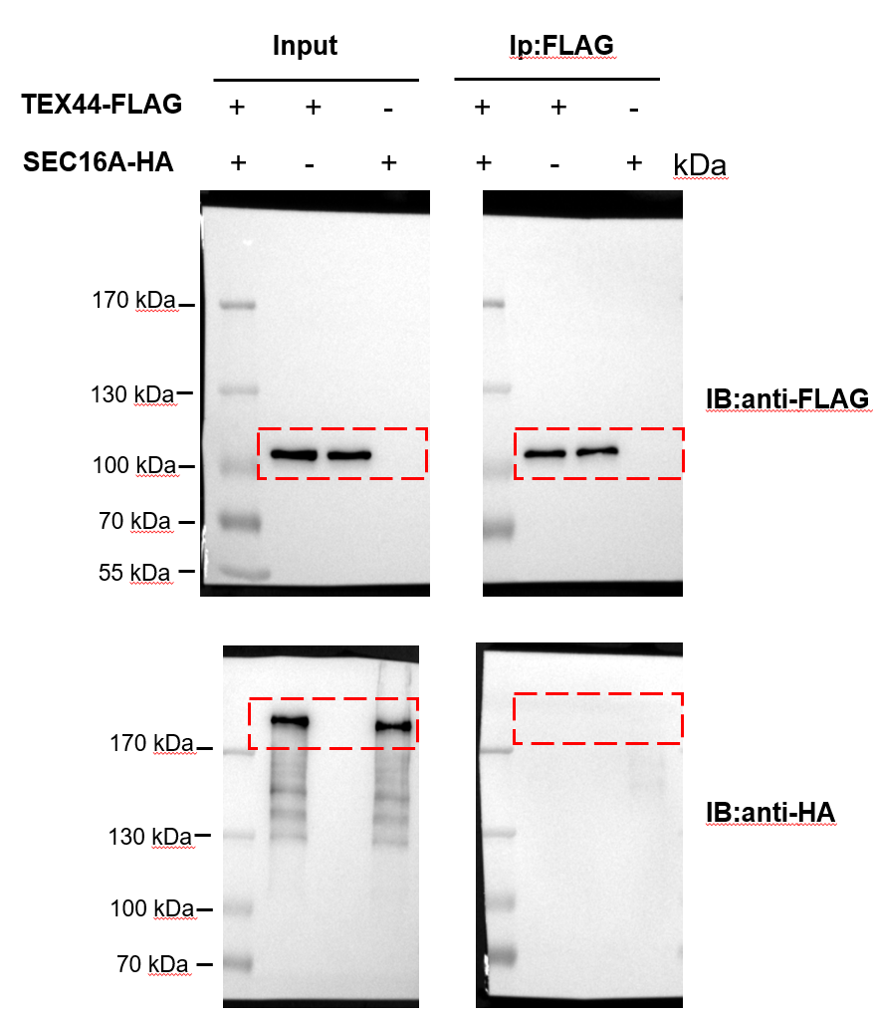
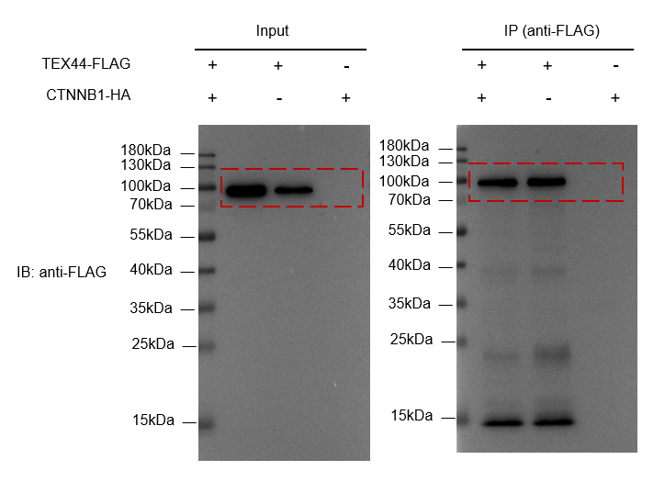

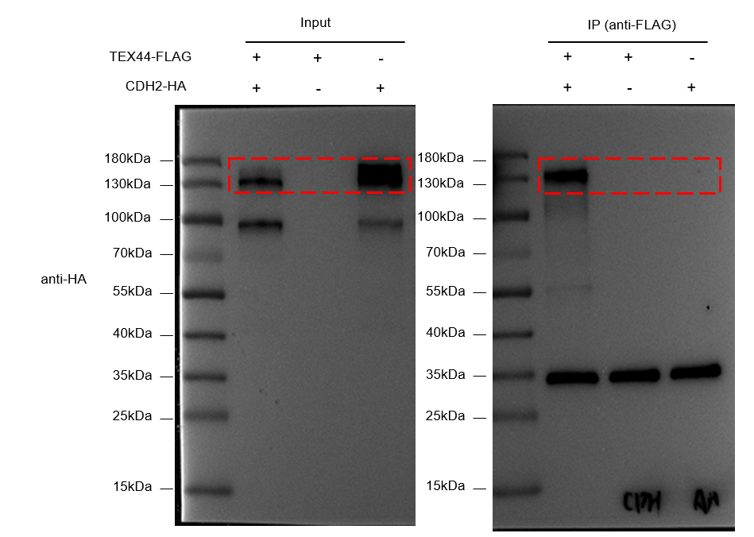

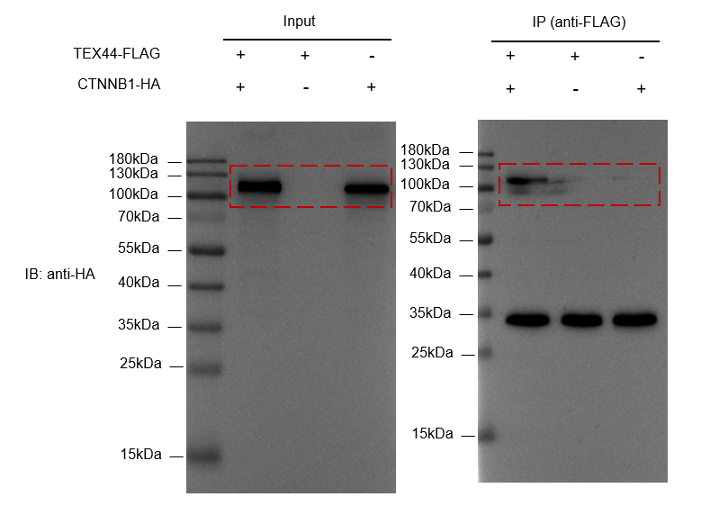

Fig.S8
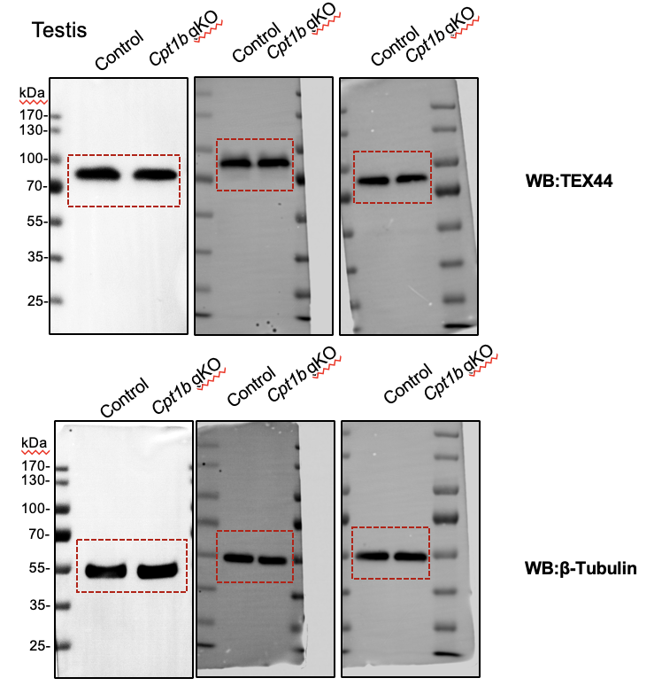
Fig. S8A | Fig. S8B
 | Relative TEX44 expression level
 | Control | Cpt1b gKO
 | 1 | 0.852973428
 | 1 | 1.218317966
 | 1 | 0.819723373

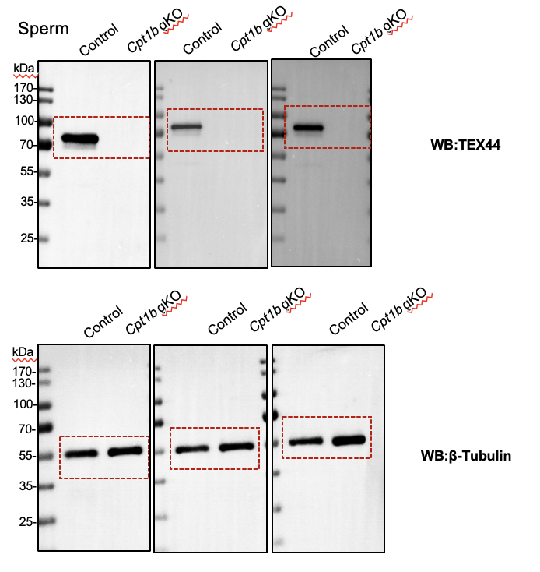
Fig. S8C | Fig. S8D
 | Relative TEX44 expression level
 | Control | Cpt1b gKO
 | 1 | 0.014063812
 | 1 | 0.024712887
 | 1 | 0.016719973

