MS2 fragement infomation exampl
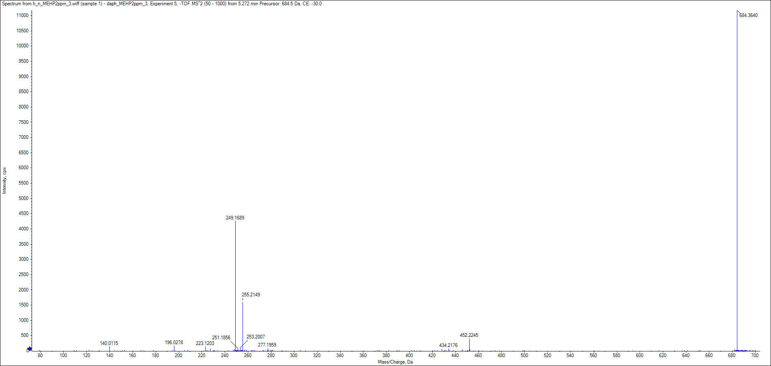
MG(18:1)_1 MS2 in reverse phase positive
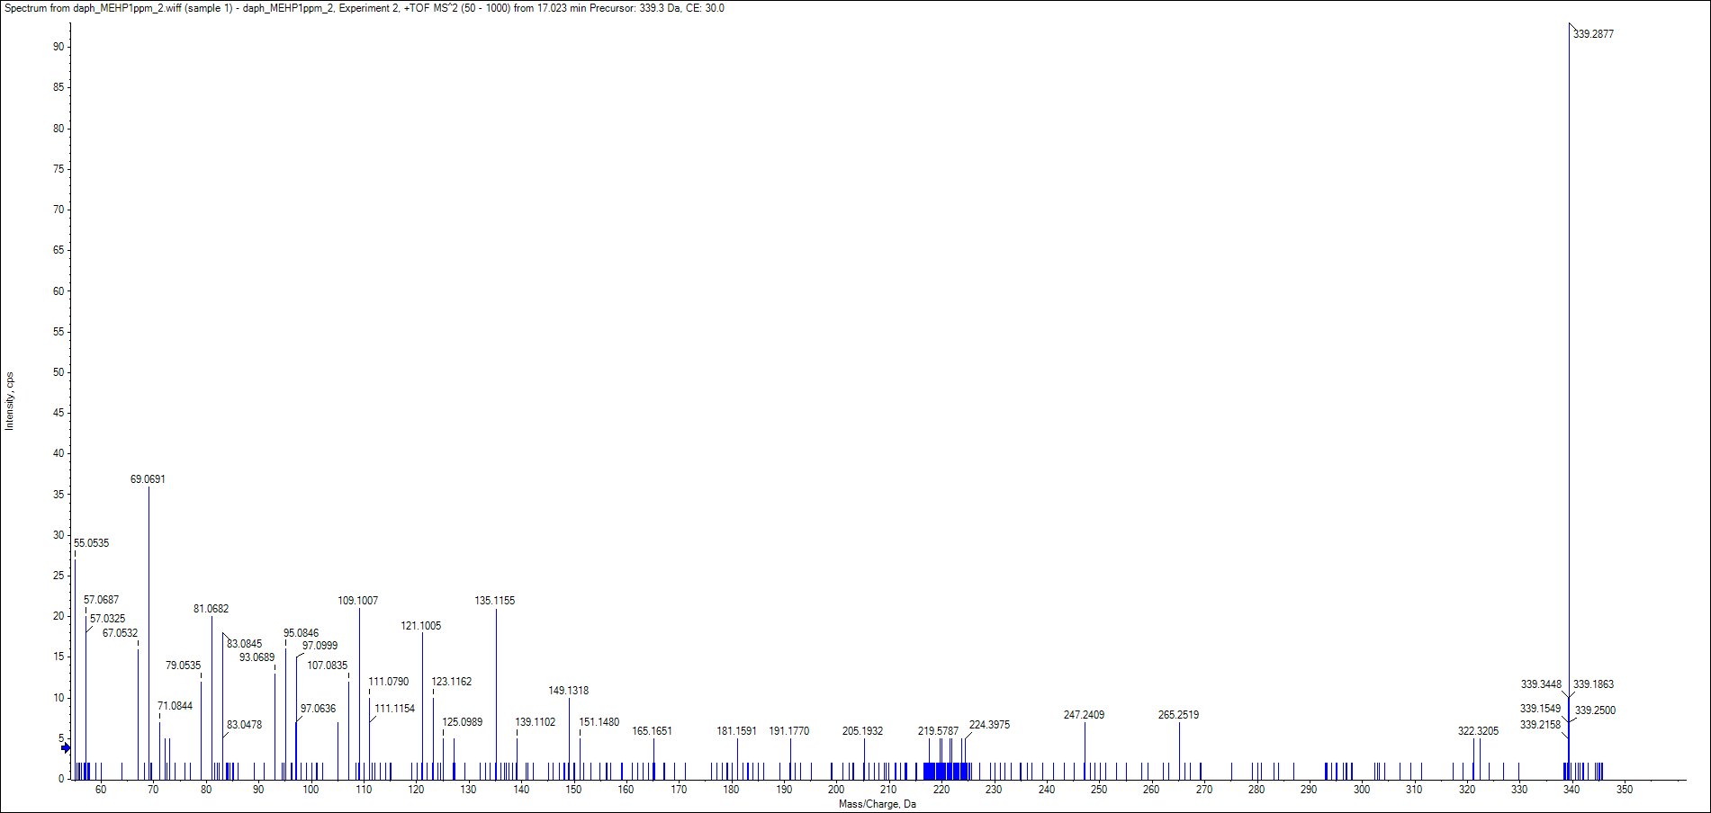

MG(18:1)_1 MS2 in reverse phase positive
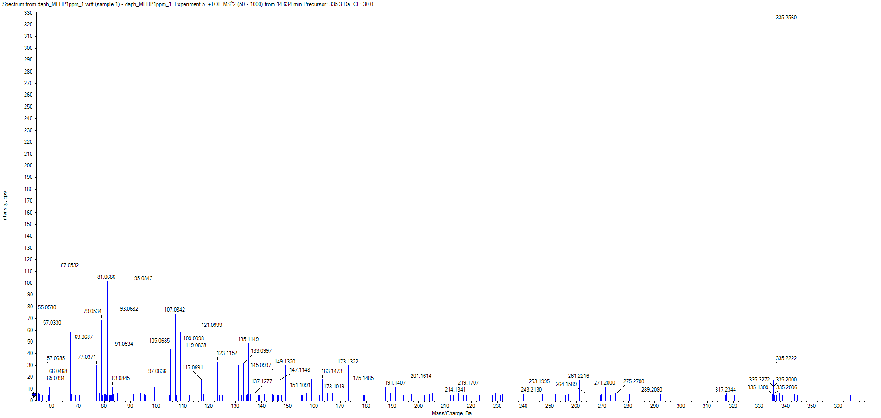

PC(32:3)_1 MS2 in HILIC phase negative
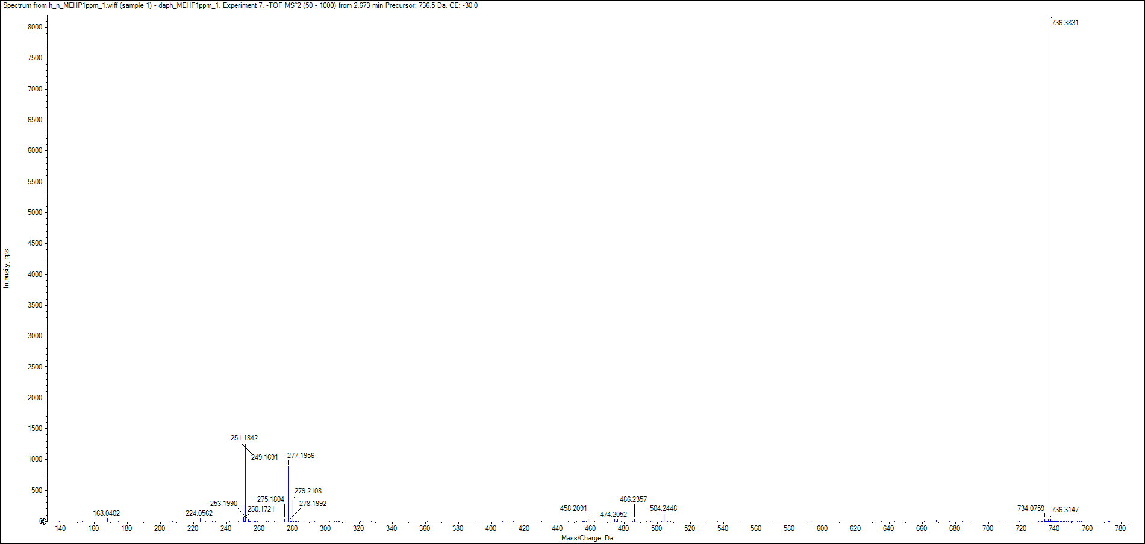

PC(30:1)_2 MS2 in HILIC phase negative
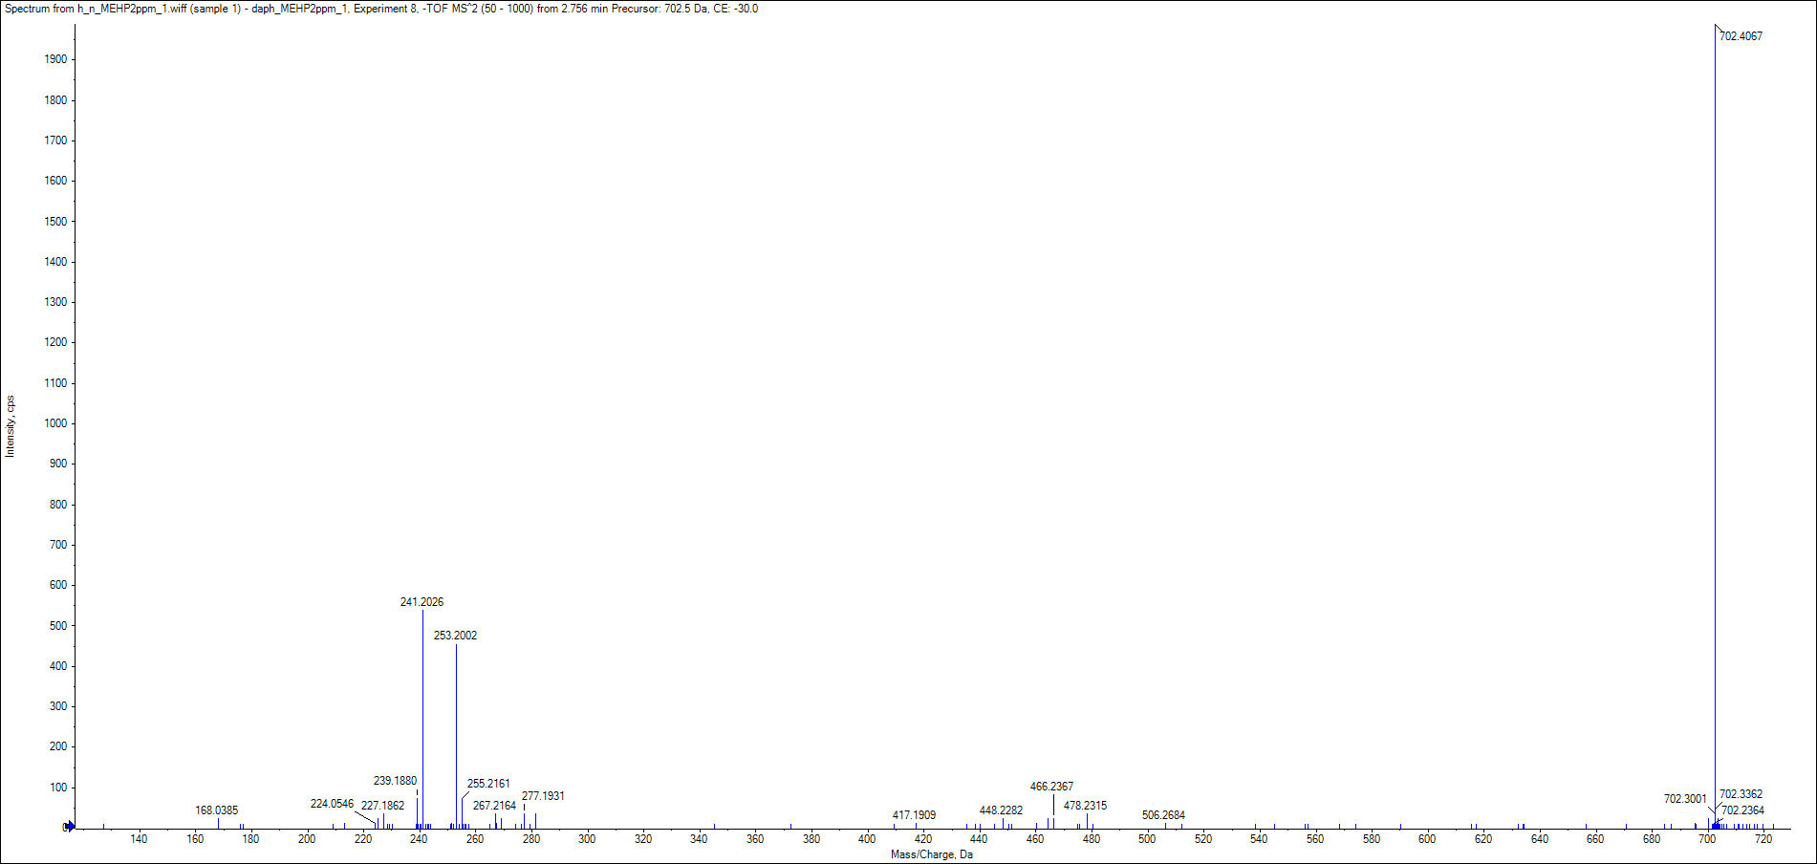

PE(32:3) MS2 in HILIC phase negative

