Sheet1
Fig. 1C: Immunoblots
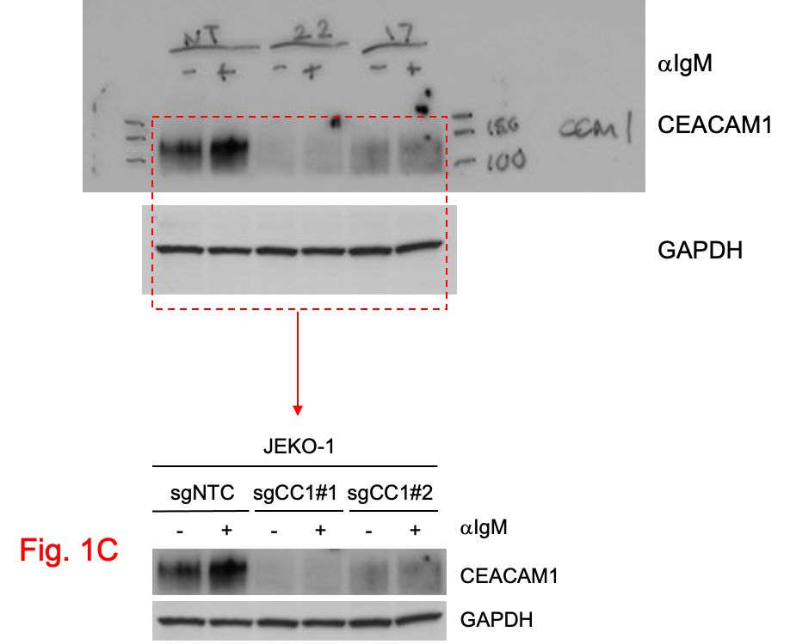

Fig. 1D: Statistics
 | Mean | Day 2 | Day 4 | Day 6 | Day 8 |  | 1-tailed, paired t test
 | gNTC1 | 100 | 87.02036734 | 70.709826029 | 60.012426502
 | gCC1#1 | 100 | 60.772474602 | 38.323429813 | 12.960833174 |  | 0.03726652877
 | gCC1#2 | 100 | 69.546032245 | 47.6523341 | 18.381481429 |  | 0.04814052212

 | STDEV | Day 2 | Day 4 | Day 6 | Day 8
 | gNTC1 | 0 | 5.8186182667 | 5.3149809582 | 5.9000574911
 | gCC1#1 | 0 | 0.69124872226 | 13.002704723 | 4.7393458147
 | gCC1#2 | 0 | 5.1982602561 | 6.574567313 | 0.55133063322

Fig 1F: statistics
 |  | Mean |  |  |  |  | Stdev |  |  |  |  | One-tailed, paired t test
 | days | 2 | 4 | 6 | 8 |  | 2 | 4 | 6 | 8 |  | compared to SUDHL6
 | JEKO-1 | 100 | 43.695338513 | 18.372918979 | 5.884572697 |  | 0 | 6.6402114047 | 0.52738707764 | 2.6651882674 |  | 0.029496335861
 | MINO | 100 | 62.417292188 | 27.46941896 | 22.395283106 |  | 0 | 10.295018663 | 8.292827235 | 0.95899432329 |  | 0.032246482286
 | MAVER-1 | 100 | 94.649805447 | 77.971590001 | 59.234582378 |  | 0 | 7.5663176975 | 9.8428088005 | 7.2817563096 |  | 0.030934590408
 | OCI-LY10 | 100 | 107.49905755 | 97.444284289 | 89.49440071 |  | 0 | 5.7286703945 | 15.892066143 | 14.402429948
 | HBL1 | 100 | 102.0663296 | 99.608763693 | 97.313109426 |  | 0 | 4.6927647583 | 0.55329169107 | 8.1512634364
 | SUDHL6 | 100 | 112.59770714 | 97.042730589 | 73.3845753 |  | 0 | 4.513839536 | 6.9826334046 | 7.866977477
 | K1718 | 100 | 70 | 27.5 | 22 |  | #DIV/0! | #DIV/0! | #DIV/0! | #DIV/0! |  | 0.034664773468
 | SSK41 | 100 | 110.84615385 | 106.84615385 | 106 |  | 0 | 4.4602120044 | 1.1966422451 | 8.4852813742

Fig 1H: statistics
 | BLI (photons/s) (x10^6) | Mouse 1 | Mouse 2 | Mouse 3 | Mouse 4 | Mouse 5 | Mouse 6 |  | Mean | stdev | SEM | 1-tailed t test
Day 7 | shControl | 2.17 | 2.46 | 2.5 | 2.04 | 2.05 | 2.75 |  | 2.3283333333 | 0.28645534847 | 0.11694490631
 | sh1906 | 2.52 | 1.81 | 1.86 | 1.57 | 1.15 | 1.44 |  | 1.725 | 0.46762164193 | 0.1909057359 | 0.013216656565

Day 14 | shControl | 2.72 | 14.8 | 15.6 | 20 | 27.1 | 3.72 |  | 13.99 | 9.4204692028 | 3.8458904474
 | sh1906 | 2.77 | 2.6 | 2.21 | 1.92 | 2.84 | 1.87 |  | 2.3683333333 | 0.42705581212 | 0.17434480523 | 0.014652932187

Day 21 | shControl | 31.5 | 317 | 675 | 821 | 933 | 200 |  | 496.25 | 364.43157794 | 148.77856869
 | sh1906 | 72.4 | 35.1 | 23.1 | 5.32 | 372 | 12.1 |  | 86.67 | 141.77161846 | 57.878020871 | 0.019898652997

Day 28 | shControl | 790 | 1640 | 9240 | 4850 | 4500 | 785 |  | 3634.1666667 | 3281.3722993 | 1339.6146316
 | sh1906 | 298 | 200 | 120 | 63.1 | 4350 | 82.3 |  | 852.23333333 | 1715.7301054 | 700.44388244 | 0.05262278595

Day 35 | shControl | 8470 | 14700 | 65900 | 55500 | 54900 | 6070 |  | 34256.666667 | 27278.674943 | 11136.472412
 | sh1906 | 391 | 1450 | 1050 | 1530 | 32000 | 746 |  | 6194.5 | 12649.30287 | 5164.0562723 | 0.027924402029

Day 42 | shControl | Dead | Dead | Dead | Dead | Dead | Dead
 | sh1906 | 681 | 5890 | 5410 | 14800 | Dead | 564

Fig 1I: statistics
 | Comparison of Survival Curves

 | Log-rank (Mantel-Cox) test
 | Chi square | 7.964
 | df | 1
 | P value | 0.0048
 | P value summary | **
 | Are the survival curves sig different? | Yes

 | Gehan-Breslow-Wilcoxon test
 | Chi square | 7.719
 | df | 1
 | P value | 0.0055
 | P value summary | **
 | Are the survival curves sig different? | Yes

 | Median survival
 | shControl | 38
 | shCEACAM1 | 60.5
 | Ratio (and its reciprocal) | 0.6281 | 1.592
 | 95% CI of ratio | 0.2026 to 1.948 | 0.5135 to 4.937

 | Hazard Ratio (Mantel-Haenszel) | A/B | B/A
 | Ratio (and its reciprocal) | 13.67 | 0.07317
 | 95% CI of ratio | 2.223 to 84.04 | 0.01190 to 0.4499

 | Hazard Ratio (logrank) | A/B | B/A
 | Ratio (and its reciprocal) | 3.062 | 0.3266
 | 95% CI of ratio | 0.8233 to 11.38 | 0.08784 to 1.215

